Network Performance Results
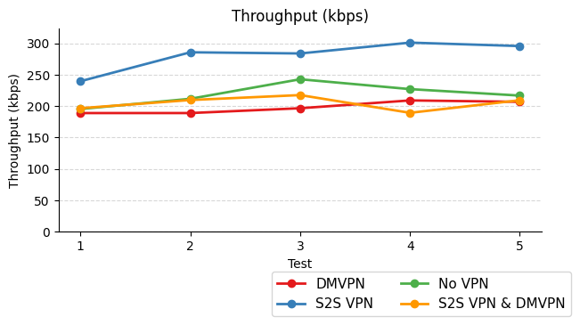
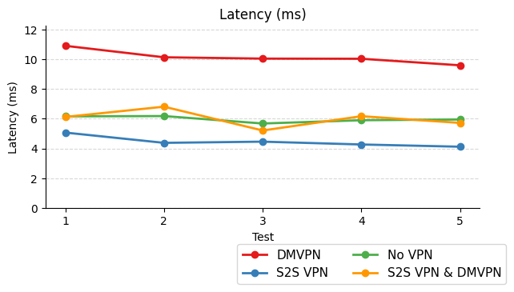
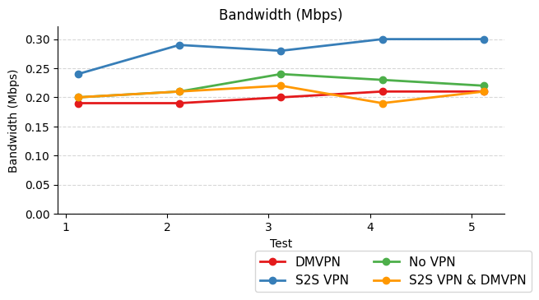
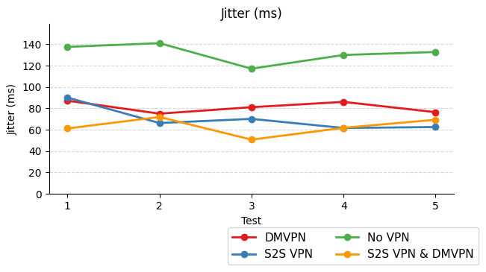
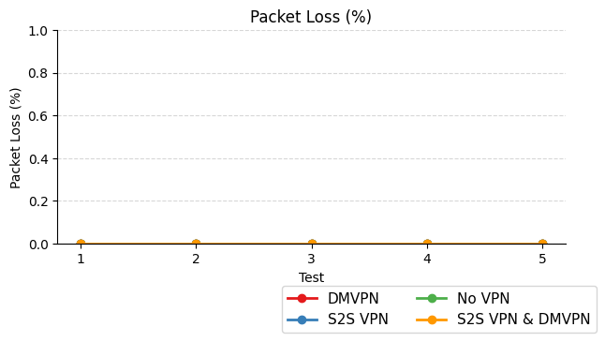
Topology | Value | Throughput (kbps) | Latency (ms) | Bandwidth (Mbps) | Jitter (ms) | Packet Loss (%)
No VPN | 1 | 195.33 | 6.16 | 0.20 | 137.51 | 0.00
 | 2 | 211.63 | 6.18 | 0.21 | 141.00 | 0.00
 | 3 | 242.75 | 5.68 | 0.24 | 117.11 | 0.00
 | 4 | 227.04 | 5.90 | 0.23 | 129.97 | 0.00
 | 5 | 216.73 | 5.95 | 0.22 | 132.73 | 0.00
 | Average | 218.70 | 5.97 | 0.22 | 131.66 | 0.00

S2S VPN | 1 | 239.63 | 5.07 | 0.24 | 90.10 | 0.00
 | 2 | 285.74 | 4.38 | 0.29 | 66.22 | 0.00
 | 3 | 283.88 | 4.46 | 0.28 | 70.14 | 0.00
 | 4 | 301.16 | 4.27 | 0.30 | 61.60 | 0.00
 | 5 | 295.66 | 4.12 | 0.30 | 62.50 | 0.00
 | Average | 281.21 | 4.46 | 0.28 | 70.11 | 0.00

DMVPN | 1 | 188.86 | 10.90 | 0.19 | 87.17 | 0.00
 | 2 | 188.88 | 10.13 | 0.19 | 75.01 | 0.00
 | 3 | 196.56 | 10.04 | 0.20 | 81.06 | 0.00
 | 4 | 209.00 | 10.03 | 0.21 | 86.04 | 0.00
 | 5 | 206.78 | 9.59 | 0.21 | 76.41 | 0.00
 | Average | 198.02 | 10.14 | 0.20 | 81.14 | 0.00

S2S VPN & DMVPN | 1 | 196.59 | 6.12 | 0.20 | 61.13 | 0.00
 | 2 | 209.65 | 6.81 | 0.21 | 71.91 | 0.00
 | 3 | 217.53 | 5.21 | 0.22 | 50.68 | 0.00
 | 4 | 189.25 | 6.17 | 0.19 | 61.76 | 0.00
 | 5 | 209.33 | 5.72 | 0.21 | 69.31 | 0.00
 | Average | 204.47 | 6.01 | 0.21 | 62.96 | 0.00

