Sheet2
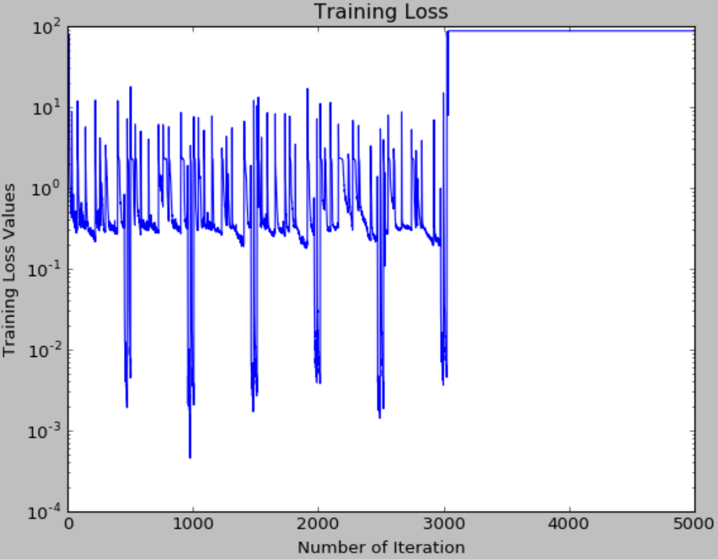
niter | test_interval | optimizer | lr_policy | base_lr | train_bs | test_bs | comments
5000 | 100 | SGD | fixed | 0.001 | 1000 | 1000

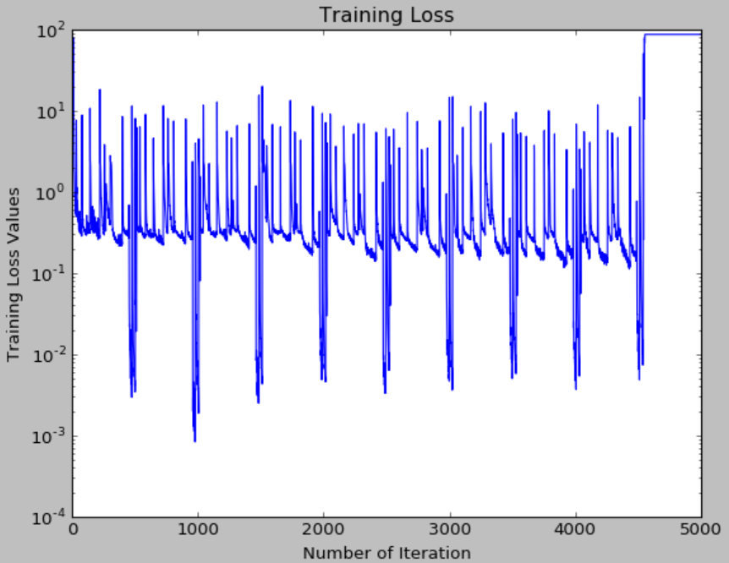
5000 | 100 | SGD | fixed | 0.001 | 2000 | 1000 | 87.3365
5000 | 100 | SGD | fixed | 0.01 | 1000 | 1000 | 87.3365
5000 | 100 | SGD | fixed | 0.01 | 1000 | 1000

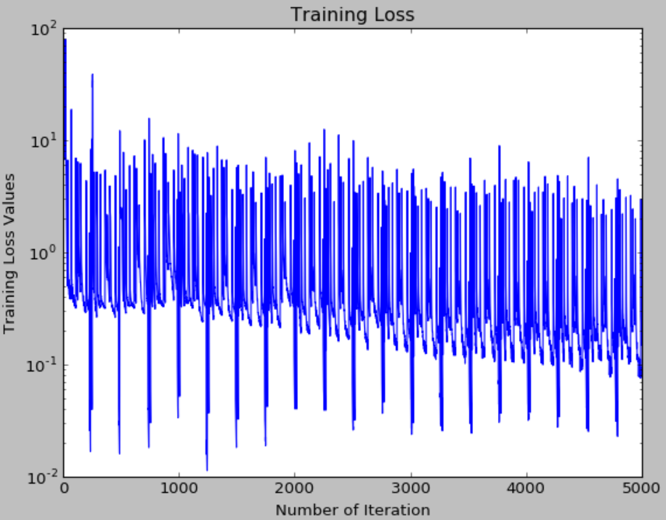
5000 | 100 | SGD | fixed | 0.01 | 2000 | 1000

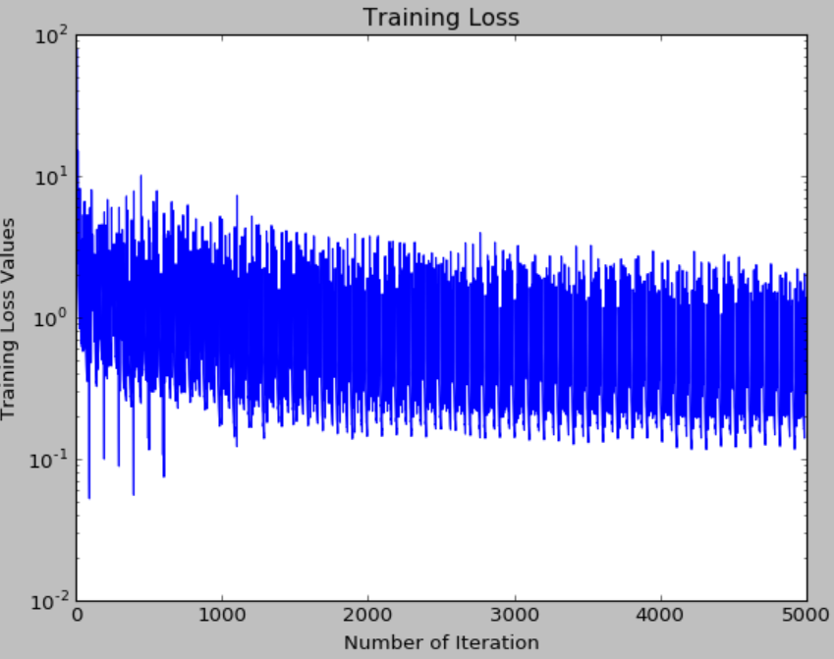
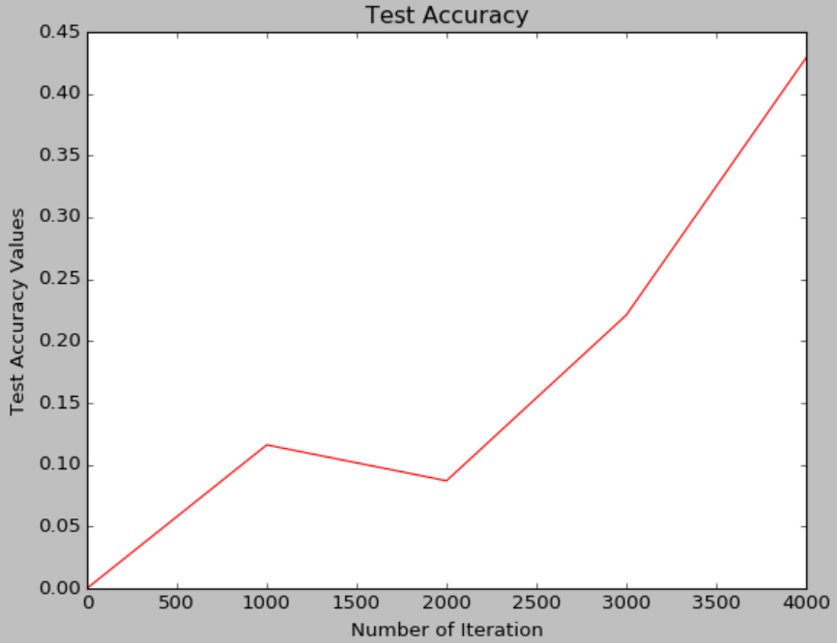
5000 | 100 | SGD | fixed | 0.01 | 5000 | 1000 | 87.3365
5000 | 1000/100 |  |  | 0.001 | 5000 | 1000
 | by chance

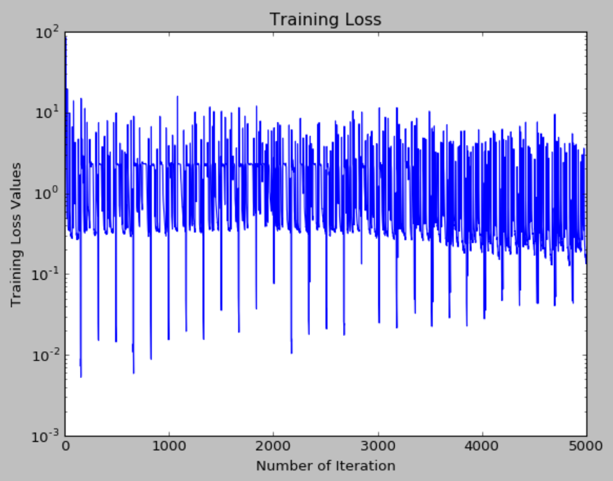
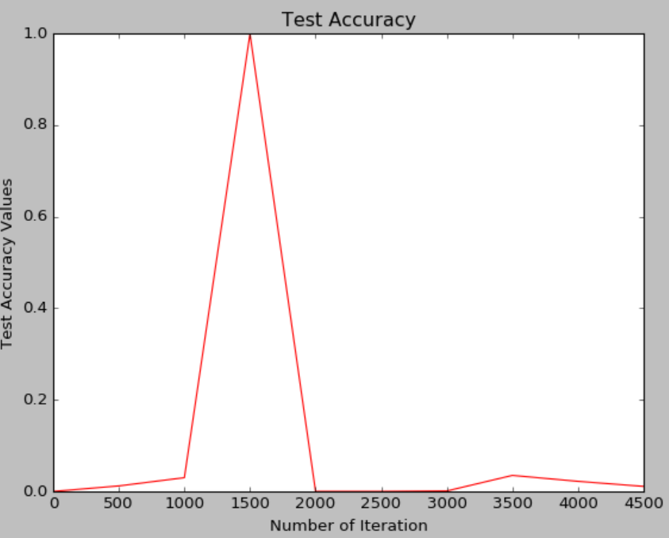
5000 | 1000 | SGD | fixed | 0.001 | 5000 | 1000 | 87.3365
 |  |  |  | mmtm (.9)
5000 | 500 | SGD | fixed | 0.001 | 3000 | 1000

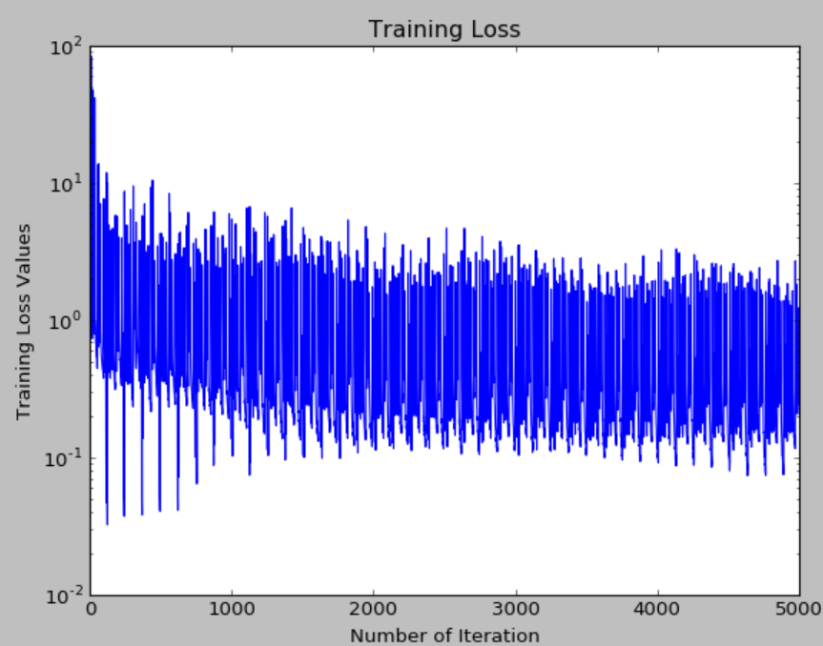
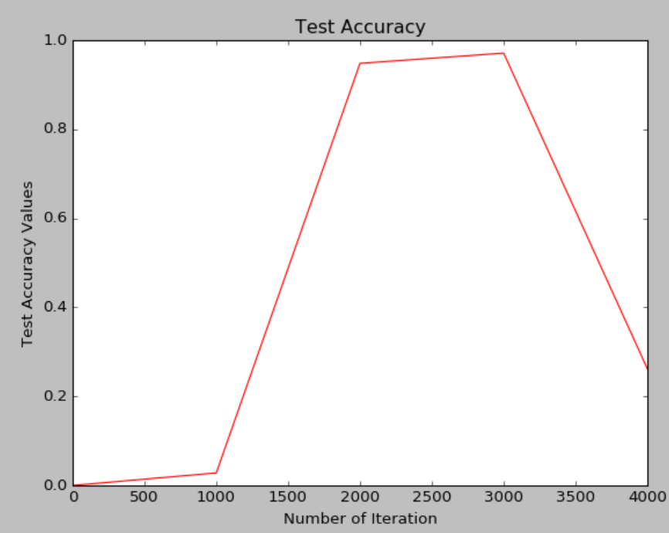
5000 | 1000 | SGD | fixed | 0.001 | 4000 | 1000

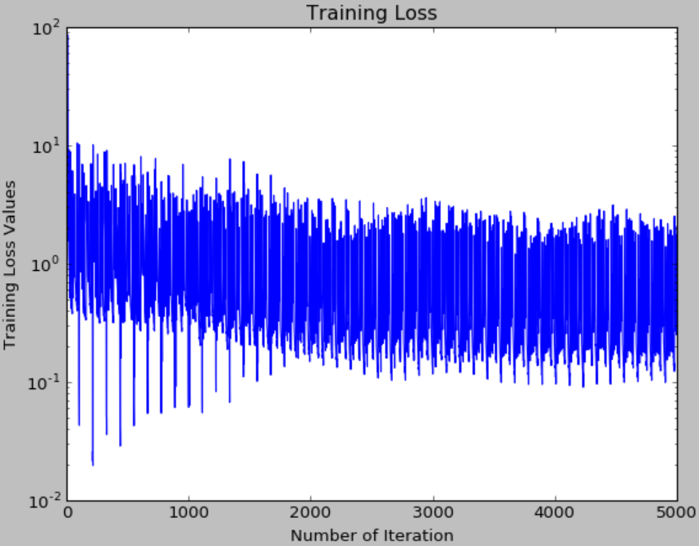
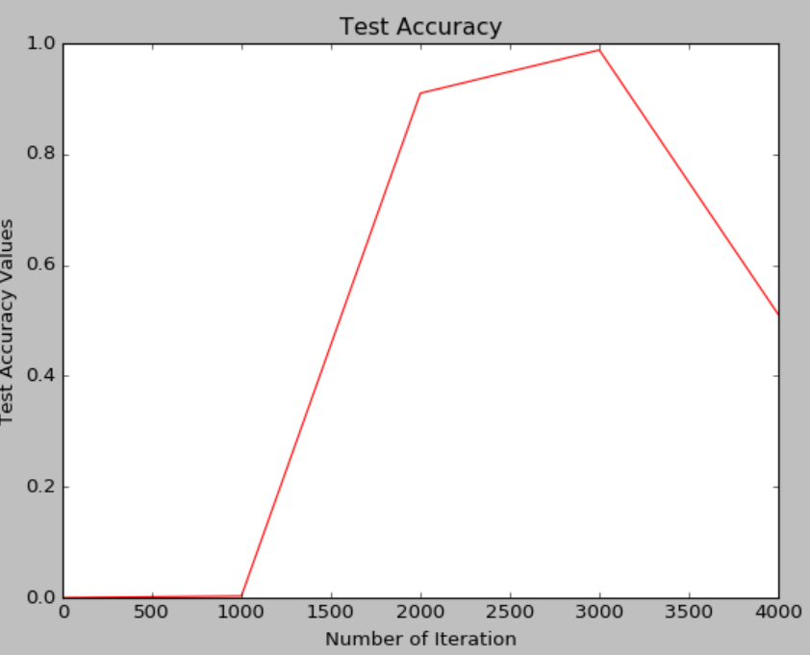
5000 | 1000 | SGD | fixed | 0.001 | 5000 | 1000 | 87.3365
5000 | 1000 | SGD | fixed | 0.001 | 4500 | 1000

5000 | 1000 | SGD | fixed | 0.01 | 4500 | 1000 | 87.3365
5000 | 1000 | SGD | fixed | 0.001 | 4500 | 1000 | 87.3365
 |  |  |  | mmtm (.9)
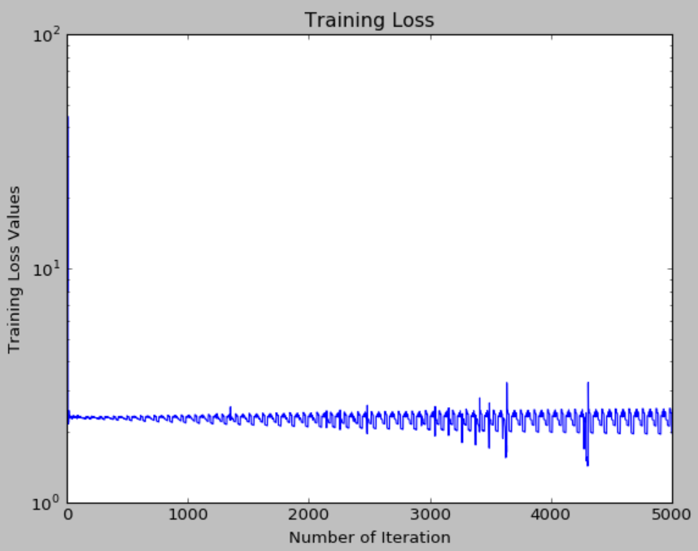
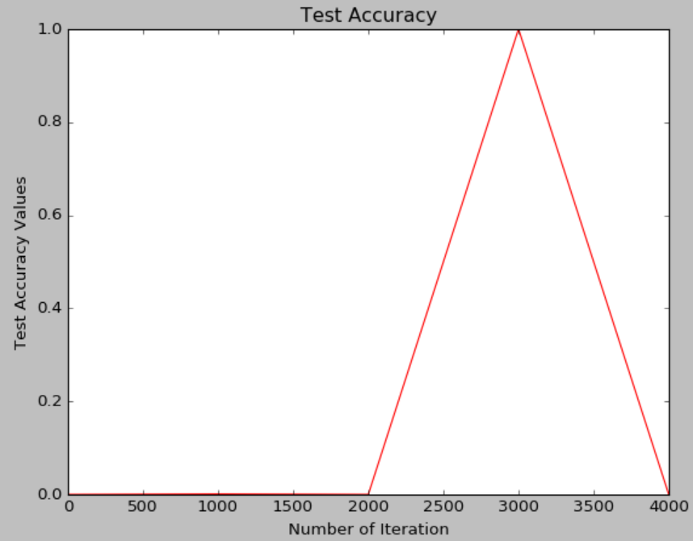
5000 | 1000 | SGD | inv | 0.001 | 4500 | 1000
 |  |  | gamma: 0.0001
 |  |  | power: 0.75

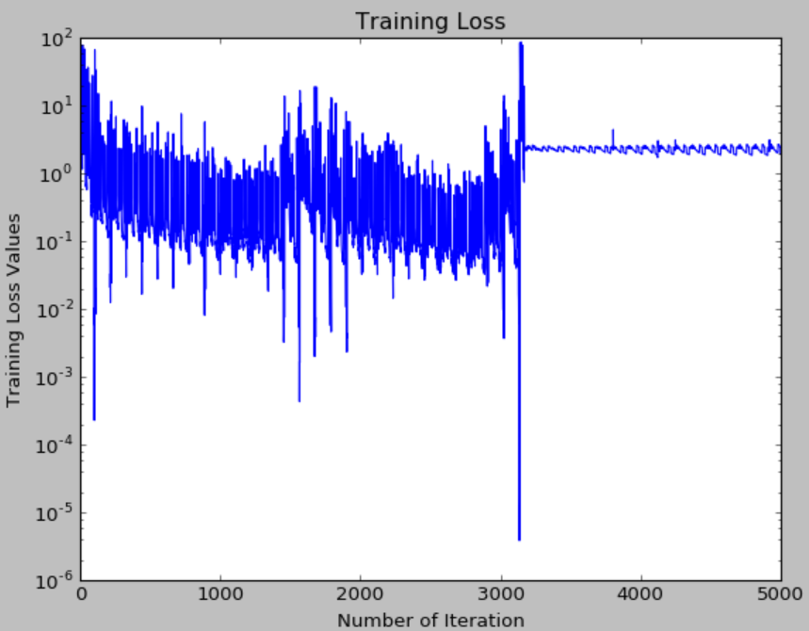
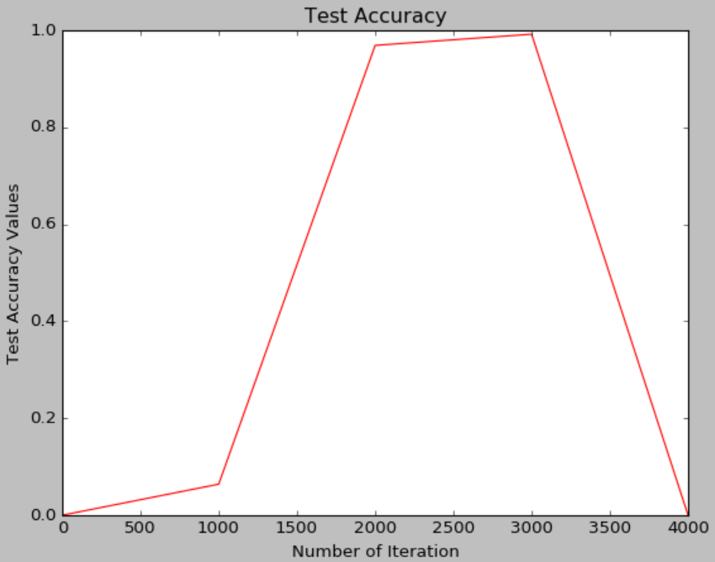
5000 | 1000 | Adam | fixed | 0.001 | 4500 | 1000

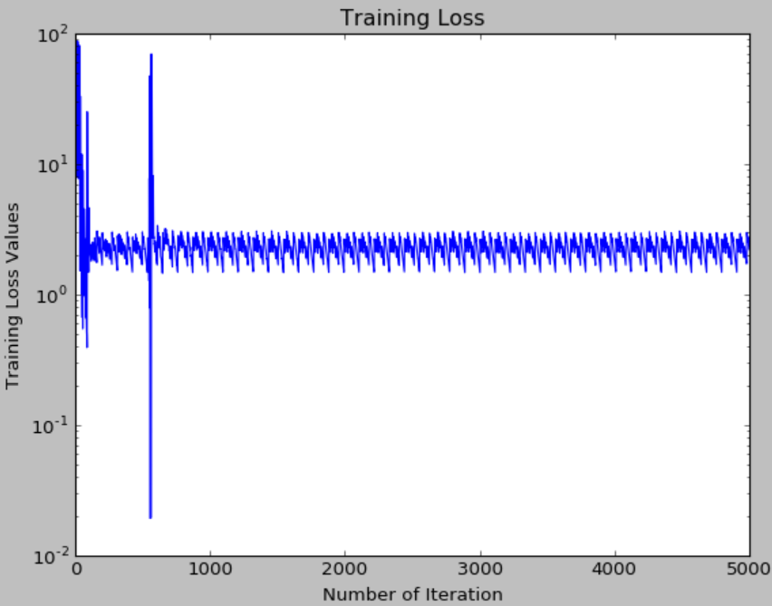
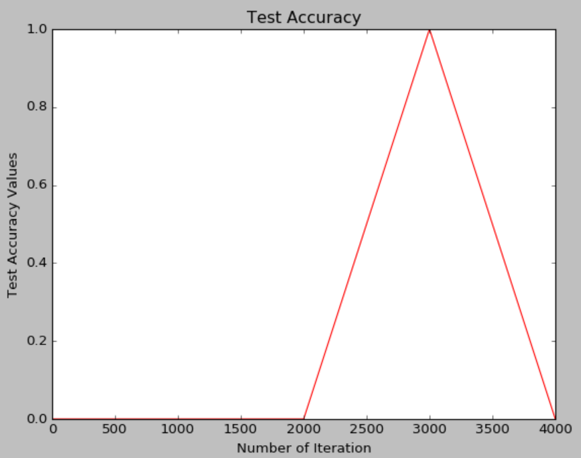
5000 | 1000 | Adam | fixed | 0.01 | 4500 | 1000

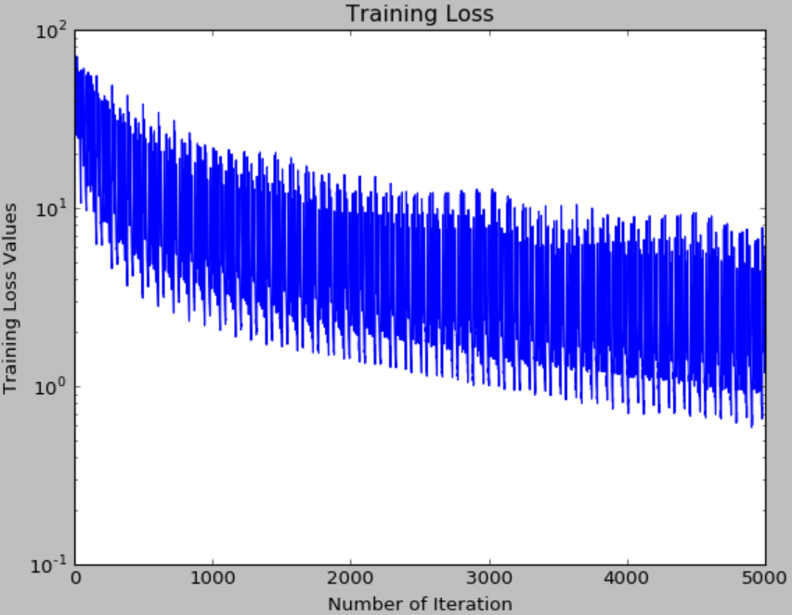
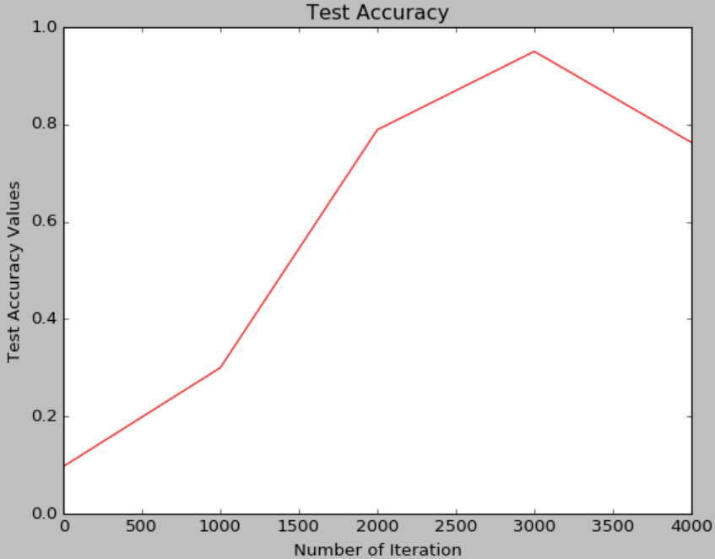
5000 | 1000 | Adam | fixed | 0.00001 | 4500 | 1000

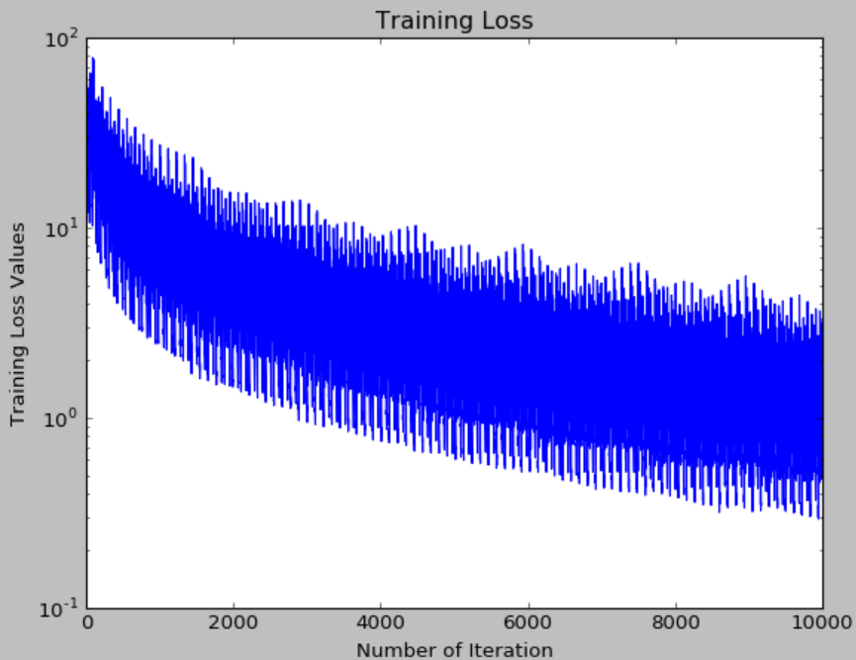
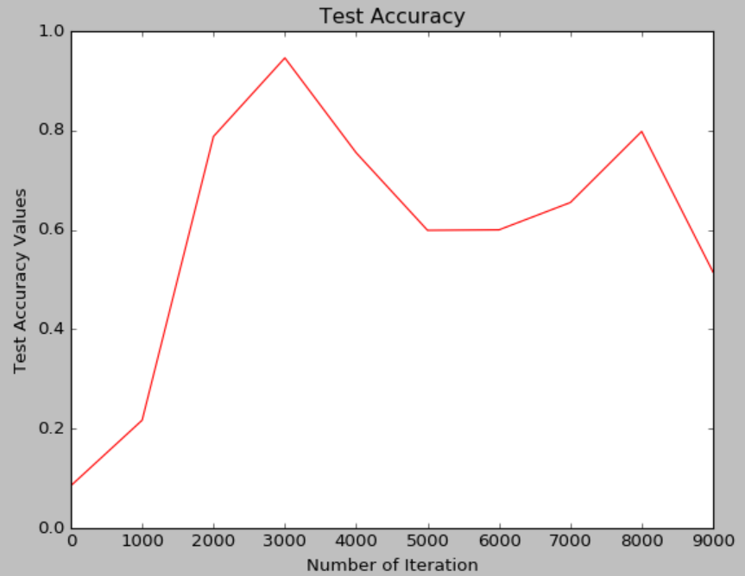
10000 | 1000 | Adam | fixed | 0.00001 | 4500 | 1000

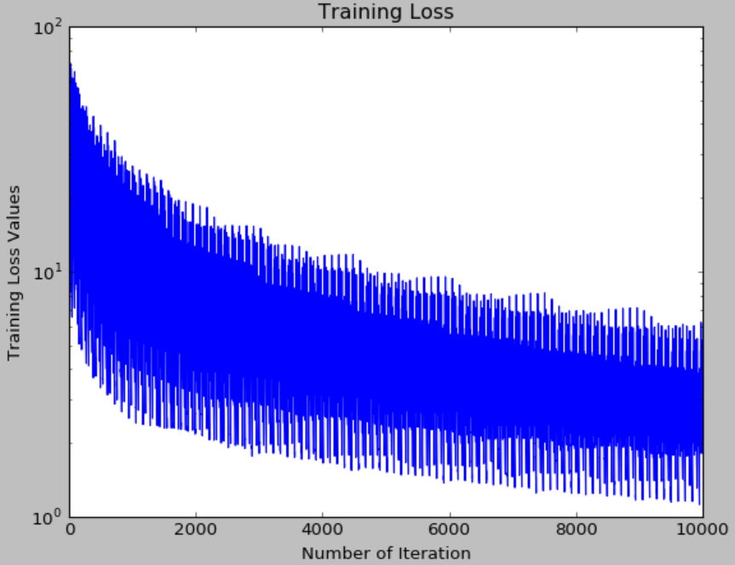
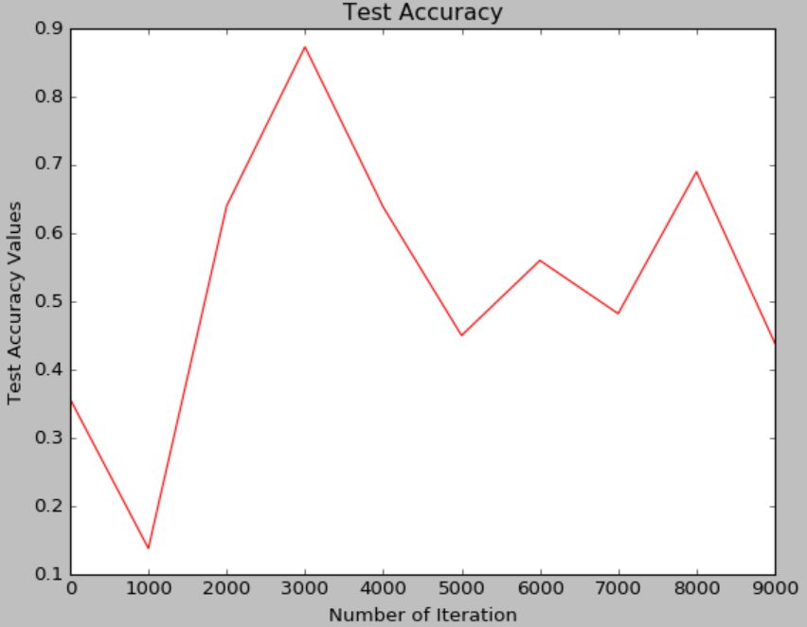
10000 | 1000 | SGD | fixed | 0.00001 | 4500 | 1000

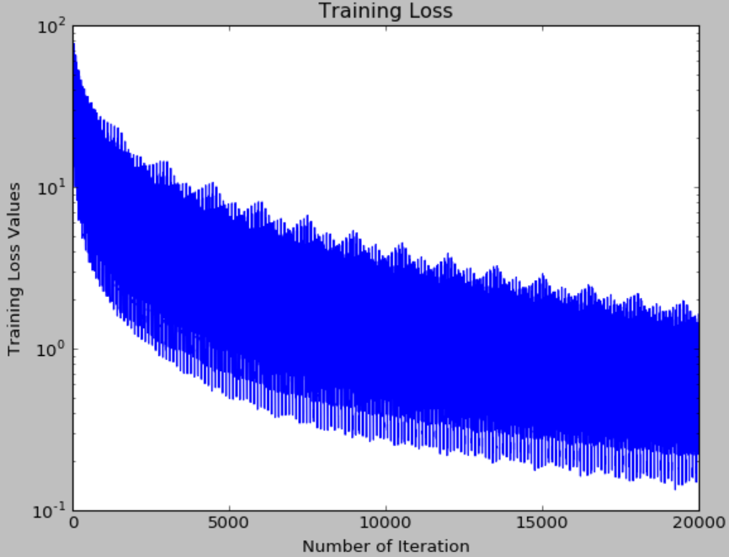
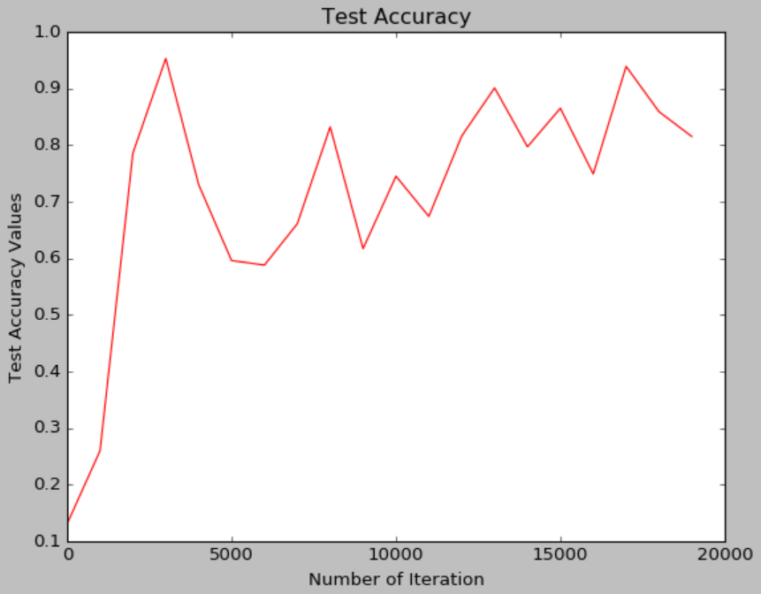
20000 | 1000 | Adam | fixed | 0.00001 | 4500 | 1000

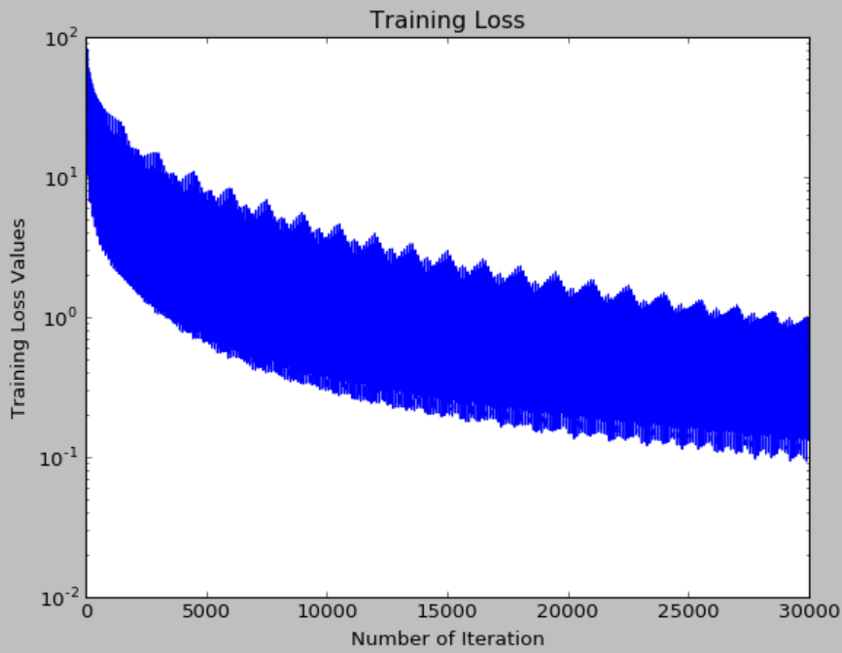
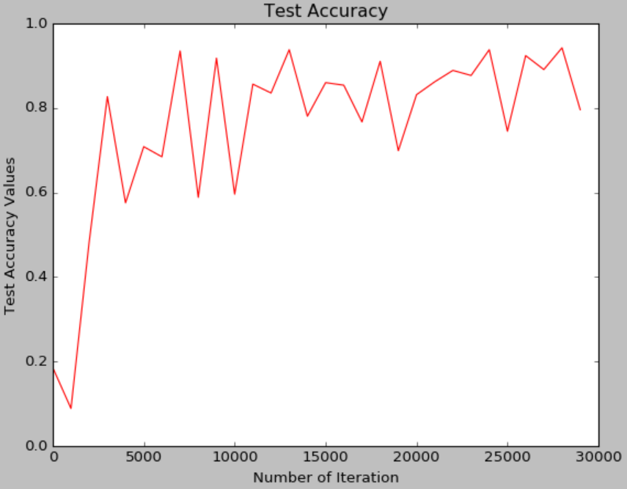
30000 | 1000 | Adam | fixed | 0.00001 | 4500 | 2000

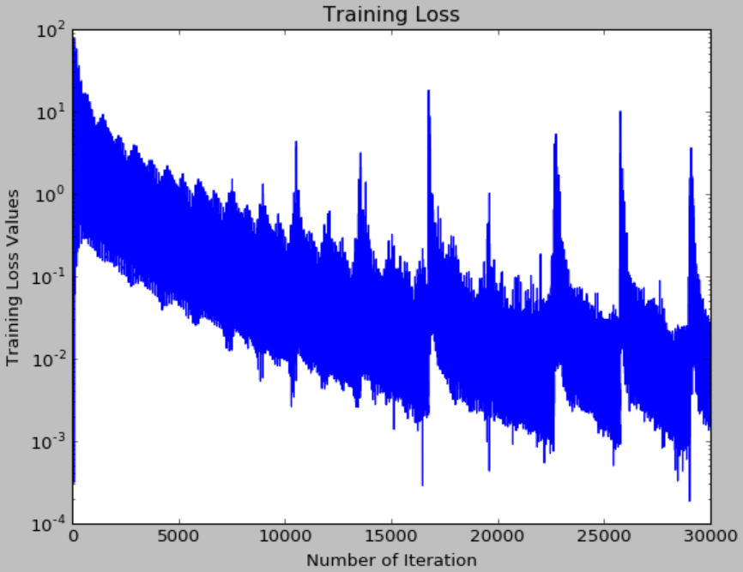
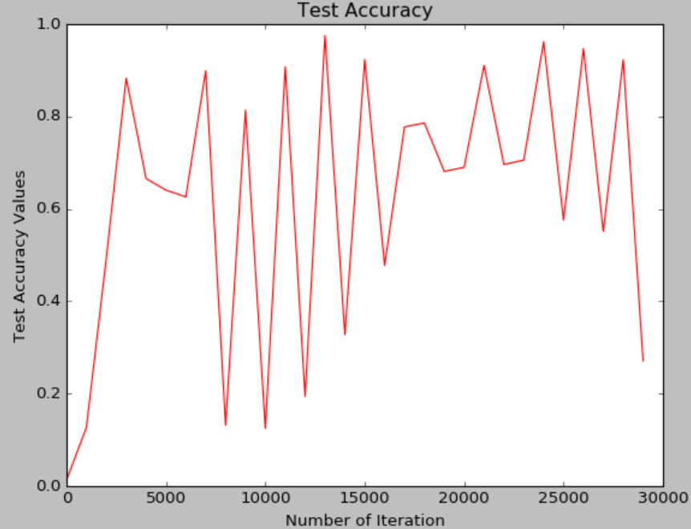
30000 | 1000 | Adam | fixed | 0.0001 | 4500 | 2000

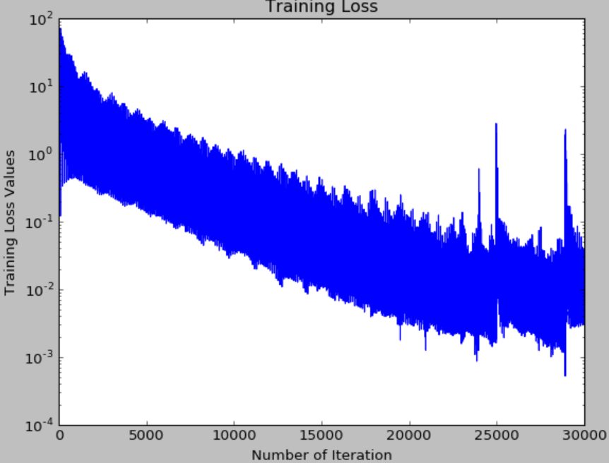
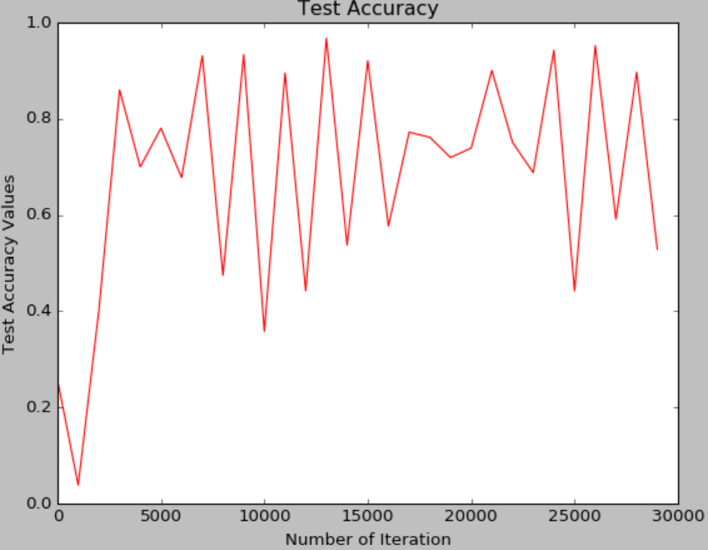
30000 | 1000 | Adam | fixed | 0.00005 | 4500 | 2000

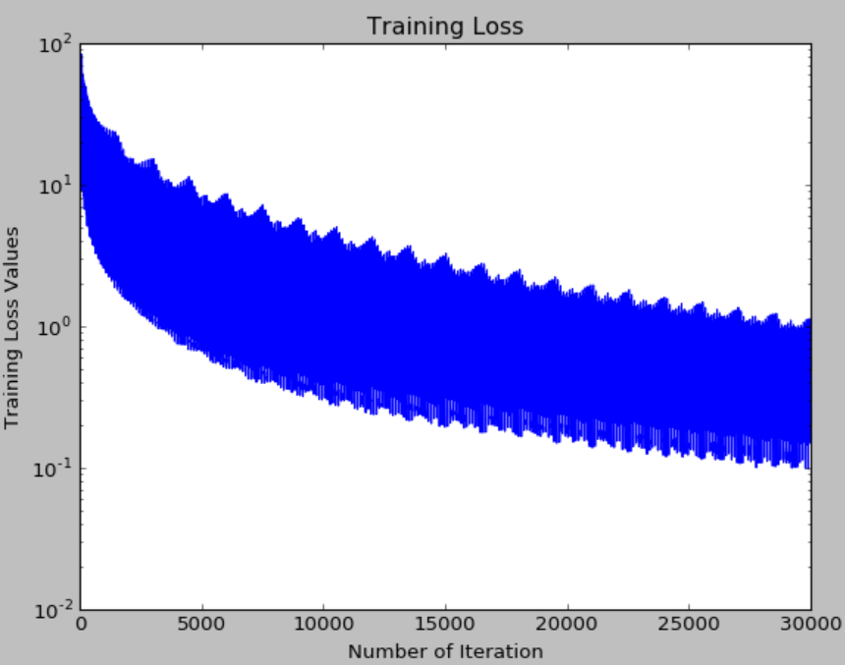
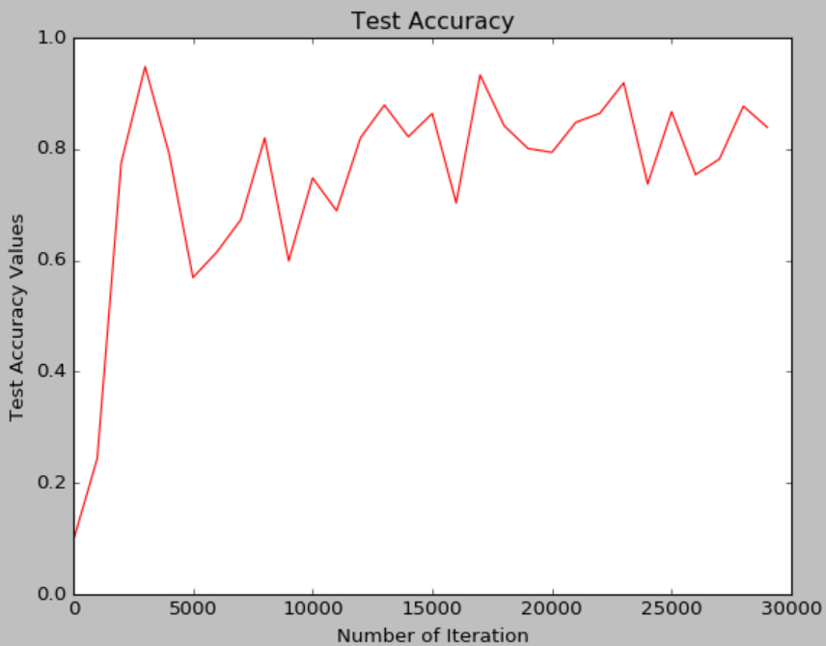
40000 | 1000 | Adam | fixed | 0.00001 | 4500 | 2000
fixed binaryprototxt

Sheet3
