Sheet1
Item | Scenario # | Bug/ New | Issue | Fix | Status | Submitted By & Date | Resolved By & Date | TCS Verification & Date | SCE Verfication & Date
29 |  |  | Help Message for Overhead wire verification | We are insuring that User must verify the wire during Meter spotting, If he missed it application use to prompt before leaving the customer property. Also there is no fix oderfor user to verify overhead wire. |  | SCE
43 | ALL | BUG | While holding sticker, I cannot move forwards using thumbstick. I move forward, it takes me backwards, quickly. I have to let go, then select it with beam, then move it back. | Need More time to fix |  | SCE 15/6
45 | 2 | BUG (confirmed avatar possible on May23 call) | Poor quality avatar movement. Woman is hovering/floating across deck like a ghost. Takes user out of realistic VR experience. Can her legs move? |  |  | SCE 15/6
46 | 2 | BUG (confirmed avatar possible on May23 call) | There is no avatar movement.She doesn't turn head, doesn't move arms and point to gate. Very creepy. Can you make her look in direction of where user is, like an actual person?
47 | 2 | NEW | When pointer hovers, can she be highlighted, like other objects (ie. gate)? User may not know they need to click on her.
48 | 2 | BUG | Once clicked, the popup needs to come right into field of view, not to other side. I had to turn head completely around to see popup.
51 |  | BUG | Now what do you do? w/ 3 options. REMOVE period after inside on second option. | Not able to find
52 | ALL | NEW | Please remove ANY periods for ANY answer choices to be consistent, in ALL scenarios. | Not able to find
53 | 2 | BUG | The dog barking noises stopped a while ago. Please have barking noises continue until user selects correct answer and clicks Continue. That would indicate the customer put dog inside. |  |  | SCE 15/6
61 | 2/ ALL popups | BUG | When I click, the popup text is not in immediate field of view. I have to turn my head at least 90 degrees. Please have popup appear in direct field of view. Please enable this for EVERY popup so that user does NOT need to turn their heads if an object is clicked. | Snap Turn Providing |  | SCE 15/6
63 | 2 | NEW | Remove what looks like an old window on wall. Make smooth wall because that may confuse user when trying to select best choice. | Need to check with saurab
65.1 | 2 | NEW | 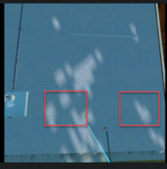
66 | ALL | BUG | Popup not in field of view once placed. | this would be an approved area because it has no conflicts.
70 | 2 | BUG | I noticed you could place sticker on meter panel. If they do so, popup needs to say: on incorrect place (invisible square to left of meter), text popup should read: This location is not what the customer wants. Find a better location.
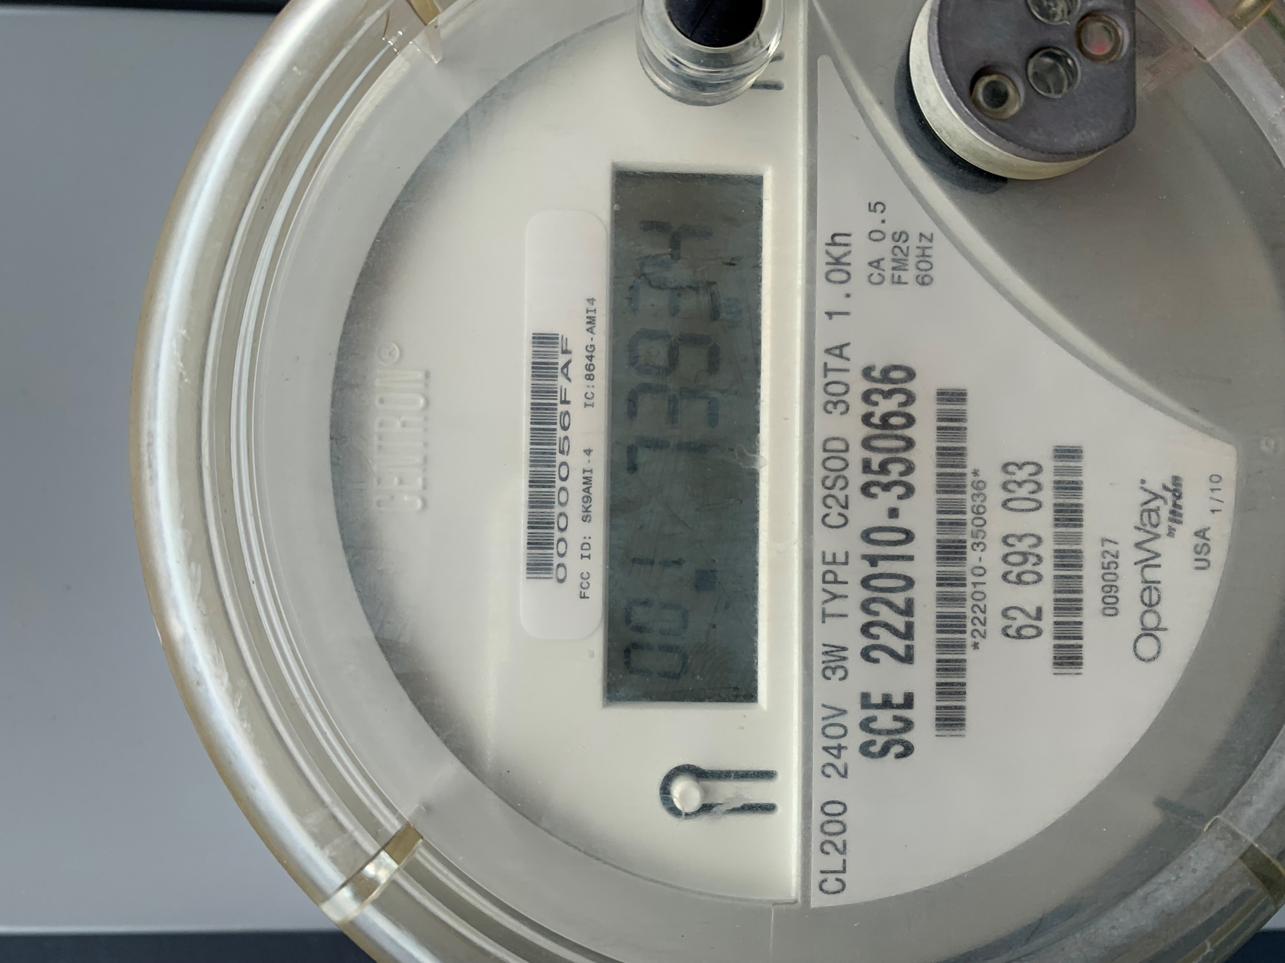
71 | ALL | BUG | I noticed that popups, the menu, my hands, disappear if too close to the wall and the meter panel. Can wall and meter panel be a hard barrier? | Need to Check |  | SCE 15/6
72 | 2 | NEW | Meter is from Quebec, and is Hydro. Please update front. Image reference in cell J, Row 72 | Saurab need to update |  | SCE 15/6
73 | ALL | BUG | once user leaves gate opening, they need to be able to close it. As it is now, they can't close it, and then they get popup saying Forgetting something? Close the gate. Currently they can only close it once they get that popup reminding them. Please change for ALL scenarios. | Need to modify logic and need testing |  | SCE 15/6
73.1 | ALL | BUG | There is no gate closing sound. There used to be. Can that be readded when the gate is closing, for ALL scenarios?
74 | ALL | BUG | Please have popup appear in direct field of view, wherever they are facing.
75 | 2 | BUG | Please have "What is best final step" popup appear in field of view, and follow their view. They should be facing the gate, close it, and popup appear in front of them, instead of needing to turn all the way around to notice the question popup. |  |  | SCE 15/6
76 | ALL | NEW | REMINDER to delete periods after each question choice to keep punctuation consistent. |  |  | SCE 15/6
77 | 3 | BUG | If user places sticker on meter box in blue square, a popup needs to read: Sorry, that's not a correct location for the meter. Try Again button.
77.1 | 3 | BUG? | Wherever I am located in the scenario, and I click on the meter sticker, it always appears right next to meter. Can sticker appear in my field of view? User may click sticker from toolbox anywhere so they may not know where it went.
78 |  | BUG | Meter sticker is rotating, fluttering in air when selected.
79 | 3 | BUG | Remove white square. Make square invisible and if user drops sticker in square, they receive correct feedback. Make invisible square slightly larger, expand it to the left, so they have a bigger area to place sticker.
80 | 3 | BUG | User should not be able to point at wall and see red square. Much too obvious. Make square invisible, and only time a popup appears is if the meter sticker gets placed on it.
81 | 3 | BUG | Feedback text is incorrect. Change to: This location is not a good choice. It would require a new, longer service and wire should not cross the peak of the roof. Try a better location. |  |  | SCE 15/6
82 | ALL | BUG | MAJOR ISSUE: user can simply enter gate, then leave gate and finish the scenario for ANY scenario. How can this be stopped? | Need discussion
83 | 4 | BUG | Whenver I open Scenario 4, the quality gets all pixelated. When I move my head, there are flashes of pixels. Which is why you are seeing the quality look poor on the video. Can you invesitgate why this one scenario does this? It stops once I get into the gate. | Saurab need to update
84 | 4 | BUG/NEW | Same input as scenario 2 with avatar and dog interaction. PLUS- please change avatar to an African American male, and the dog barking noise to different type of dog, preferably a smaller, friendlier sounding dog. | Saurab need to update |  | SCE 15/6
85 | 4 | NEW | We need to move things around. It's like a maze. Move bike to lean against fence right side fence. | Not understand
89 | 4 | BUG/NEW | Move hose to under right side panel, like few inches above black part of house. Increase hose pipe to 8 inches out, extending into yard. Have hose coiled and away from meter, like towards side of house. User will need to stand there and don't want them tripping on hose. When hose is clicked, use this popup text: Great work. You identified an ESR violation. The plumbing fixture extends more than 6" from the house. You need to inform the customer the fixture must be shortened or moved. | Need model modification |  | SCE 15/6
92 | 4 |  | Meter sticker should NOT just appear when panel is clicked. |  |  | SCE 15/6
93 | 4 |  | When left side pull section is clicked, popup text needs to appear that reads: Ensure you have your required PPE and tools by selecting the A or B button. w/ Continue button. |  |  | SCE 15/6
93.1 | 4 |  | DEV NOTE- user MUST open toolbox and select PPE/tools before being able to open panel. IF they select Faceshield, that unlocks their ability to remove cover. If Faceshield is NOT one of their selections, a popup needs to appear saying- You didn't select all the required PPE. with Try Again button.
94 | 4 |  | When meter cover is removed, and dropped, text popup appears in field of view that says: You are not allowed to break the plane of the SCE pull section for your safety. It is also best practice to knock on the box prior to opening because arachnids and insects may be nesting inside. |  |  | SCE 15/6
95 | 4 | NEW | When cable is clicked please have text popup saying- Remember to always record and take picture of the size of the underground service wire. w/Continue button. |  |  | SCE 15/6
96 | 4 | BUG | REMOVE this quiz question totally, as well as the cable image when user hovers over cables. |  |  | SCE 15/6
97 | 4 | BUG | Meter cover doesn't snap back on. It looks like it rotated? |  |  | SCE 15/6
97.1 | 4 | NEW | DEV NOTE- Is it possible to have a text popup appear if their hands reach into the meter box? Like an invisible trigger? We don't want them just reaching in and touching cables- they wouldn't in real life, but they may try in VR. If a text popup, like a warning, could come up, it would read: For your safety, you are not allowed to break the plane of the SCE pull section. The popup would appear anytime their hand went into the meter box.
98 | 4 | NEW | Replace bullet points with these: Meter Meter sticker Pull section | remove red box/meter sticker placement
103 | 5 | NEW | SAME approach/process as scenario 4. Can't open cover without going to Toolbox. THey click on cover they get prompt to open toolbox. Have to select faceshield or they can't open. Text popups, etc. |  |  | SCE 15/6
104 | 5 | BUG | Please add in the customer tampering equipment that was in storyboard. Image reference in Issue LIst doc. Not mandatory to click. If user clicks, it remains, but text popup reads: This is a type of customer measuring equipment. This is an ESR violation and needs to be removed. You would document this and inform the customer before you leave. | Saurab need to update |  | SCE 15/6 | 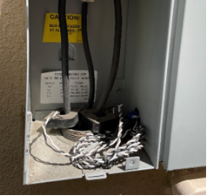 |  |  | Just put those two black clamps, and some white coiled cables. Not super detailed
105 | 5 | BUG | Not sure what the red box is for the meter sticker. |  |  | SCE 15/6
106 | ALL | NEW | For the Menu options. Because these apps (MEter Spotting, OH, UG, Wire Down) will all be standalone, there will be no Main Menu to go back to. Can you replace Main Menu option with- Scenario Menu and that pops up the main scenario menu in case they want to quickly start over or do another one without finishing? |  |  | SCE 15/6
112 |  |  |  |  |  | SCE 15/6
113 |  |  |  |  |  | SCE 15/6
114 |  |  |  |  |  | SCE 15/6
115 |  |  |  |  |  | SCE 15/6
116 |  |  |  |  |  | SCE 15/6
117 |  |  |  |  |  | SCE 15/6
118 |  |  |  |  |  | SCE 15/6
119 |  |  |  |  |  | SCE 15/6
120 |  |  |  |  |  | SCE 15/6
121 |  |  |  |  |  | SCE 15/6
122 |  |  |  |  |  | SCE 15/6
123 |  |  |  |  |  | SCE 15/6
124 |  |  |  |  |  | SCE 15/6
125 |  |  |  |  |  | SCE 15/6
126 |  |  |  |  |  | SCE 15/6
127
128
129
130
131
131
132
133
134
135
136
137
135
136
113
114
115
116
117
118

