Modèle expliqué
Collection | Attribute | Capacity | Type | Required | Unit | Extension | Related to | Extracted from | ConstraintType | ConstraintValues | Description
BUILD | Reference | 1 | str | true |  |  |  |  |  |  | Unique reference of the Build (automatically generated, based on a nomenclature)
BUILD | Machine | 1 | reference | true |  |  | MACHINE |  |  |  | Database link to the associated machine
BUILD | Material Batch | 1 | reference | true |  |  | MATERIAL BATCH |  |  |  | Database link to the associated material batch
BUILD | Specification | 1 | reference | true |  |  | SPECIFICATION |  |  |  | Database link to the associated specification
BUILD | CAM | 1 | reference | true |  |  | COMPUTER AIDED MANUFACTURING |  |  |  | Database link to the associated CAM
BUILD | Plate | 1 | reference | true |  |  | PLATE |  |  |  | Database link to the associated plate
BUILD | Specimens | 500 | reference | true |  |  | SPECIMEN |  |  |  | Database links to the associated specimens
MACHINE | Reference | 1 | str | true |  |  |  |  |  |  | Unique reference of the Machine (automatically generated, based on a nomenclature)
MACHINE | Machine Specifications | 1 | file | true |  | (pdf; docx; txt) |  |  |  |  | Link to the machine specifications document (stored in the Data Lake)
MACHINE | Manufacturer | 1 | str | true |  |  |  | MACHINE/Machine Specifications |  |  | Name of the machine manufacturer
MACHINE | Model | 1 | str | true |  |  |  | MACHINE/Machine Specifications |  |  | Name of the machine model
MACHINE | Process | 1 | enum | true |  |  |  | MACHINE/Machine Specifications | in | ("WAAM"; "LPBF") | Additive Manufacturing Process type used by the machine
MACHINE | Laser Power | 1 | float | false | W |  |  | MACHINE/Machine Specifications | [ ] | (100; 10000) | Maximum laser power
MACHINE | Build Enveloppe | 1 | float | false | m3 |  |  | MACHINE/Machine Specifications |  |  | Maximum build enveloppe volume
MATERIAL BATCH | Reference | 1 | str | true |  |  |  |  |  |  | Unique reference of the Material Batch (automatically generated, based on a nomenclature)
MATERIAL BATCH | Certificate | 1 | file | true |  | (pdf; docx; txt) |  |  |  |  | Link to the material certificate file (stored in the Data Lake)
MATERIAL BATCH | Supplier | 1 | str | true |  |  |  | MATERIAL BATCH/Certificate |  |  | Name of the material supplier
MATERIAL BATCH | Material | 1 | str | true |  |  |  | MATERIAL BATCH/Certificate |  |  | Standard name of the material
SPECIFICATION | Reference | 1 | str | true |  |  |  |  |  |  | Unique reference of the Specification (automatically generated, based on a nomenclature)
SPECIFICATION | Bill of Specifications | 1 | file | true |  | (pdf; docx; txt) |  |  |  |  | Link to the bill of specifications file (stored in the Data Lake)
COMPUTER AIDED MANUFACTURING | Reference | 1 | str | true |  |  |  |  |  |  | Unique reference of the Computer-Aided Manufacturing (automatically generated, based on a nomenclature)
COMPUTER AIDED MANUFACTURING | Manufacturing Instructions | 1 | file | true |  | (gcode; slm; magics; bin) |  |  |  |  | Link to the manufacturing instructions file (stored in the Data Lake)
COMPUTER AIDED MANUFACTURING | Software | 1 | str | false |  |  |  |  |  |  | Name of the software used to generate manufacturing instructions
COMPUTER AIDED DESIGN | Reference | 1 | str | true |  |  |  |  |  |  | Unique reference of the Computer-Aided Design (automatically generated, based on a nomenclature)
COMPUTER AIDED DESIGN | Name | 1 | str | true |  |  |  |  |  |  | Name of the 3D mode
COMPUTER AIDED DESIGN | Description | 1 | str | true |  |  |  |  |  |  | Description of the 3D model
COMPUTER AIDED DESIGN | Software | 1 | str | false |  |  |  |  |  |  | Software used to create the 3D model
COMPUTER AIDED DESIGN | Model | 1 | file | true |  | (stl; step) |  |  |  |  | Link to the 3D model file (stored in the Data Lake)
PLATE | Reference | 1 | str | true |  |  |  |  |  |  | Unique reference of the Plate (automatically generated, based on a nomenclature)
SPECIMEN | Reference | 1 | str | true |  |  |  |  |  |  | Unique reference of the Specimen (automatically generated, based on a nomenclature)
SPECIMEN | Parent Specimen | 1 | str | true |  |  | SPECIMEN |  |  |  | Database link to the parent specimen, if any
SPECIMEN | Build | 1 | reference | true |  |  | BUILD |  |  |  | Database link to the associated build
SPECIMEN | CAD | 1 | reference | true |  |  | COMPUTER AIDED DESIGN |  |  |  | Database link to the associated CAD
SPECIMEN | Characterizations | 10 | reference | true |  |  | CHARACTERIZATION |  |  |  | Database link to the associated characterization(s)
SPECIMEN | Position X | 1 | float | true | mm |  |  |  |  |  | X position of the center of the specimen on the plate (if the specimen is a part extracted from the plate)
SPECIMEN | Position Y | 1 | float | true | mm |  |  |  |  |  | Y position of the center of the specimen on the plate (if the specimen is a part extracted from the plate)
SPECIMEN | Position Z | 1 | float | true | mm |  |  |  |  |  | Z position of the center of the specimen on the plate (if the specimen is a part extracted from the plate)
CHARACTERIZATION | Reference | 1 | str | true |  |  |  |  |  |  | Unique reference of the Characterization (automatically generated, based on a nomenclature)
CHARACTERIZATION | Type | 1 | str | true |  |  |  |  |  |  | Type of characterization carried out (mechanical test, NDT, ...)
CHARACTERIZATION | X-ray CT-scan | 1 | file | true |  | (raw; tiff; bin) |  |  |  |  | Link to the X-ray tomography file (stored in the Data Lake)
CHARACTERIZATION | Porosity Rate | 1 | float | false | % |  |  | CHARACTERIZATION/X-ray CT-scan |  |  | Measured porosity rate

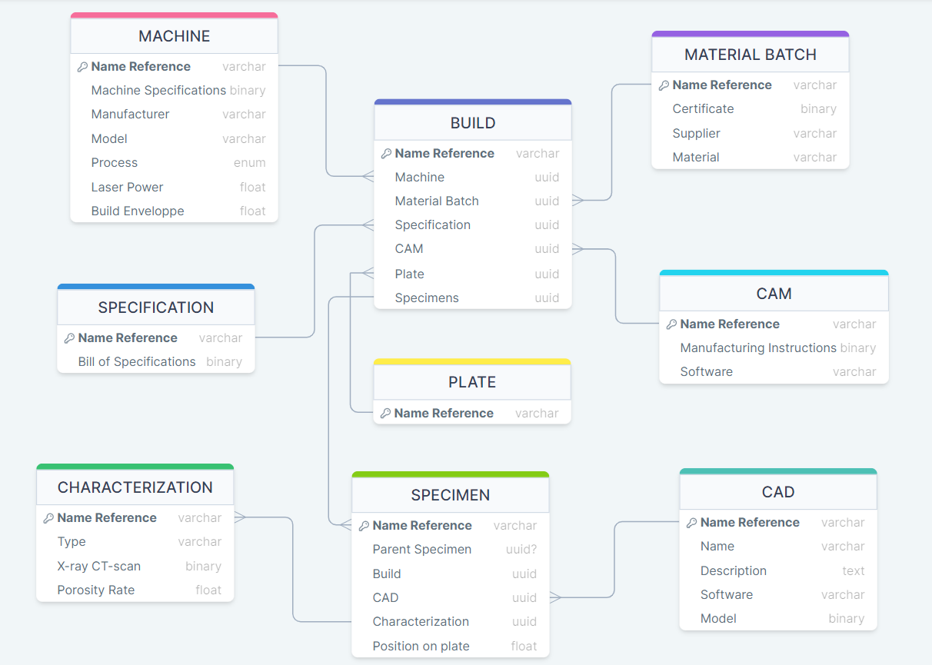
Column definitions |  |  |  |  |  | List of "typical" files to inject into the database

Column name | Description |  |  |  |  | Associated attribute | Example file name
Collection | Nom d'une collection dans la base de données. Une collection est un ensemble d'attributs liés entre eux. La notion de "collection" est équivalente à celle de "table" en SQL |  |  |  |  | Machine Specifications | wlam_machine.pdf
Attribute | Nom d'un attribut/propriété dans une collection donnée. À titre d'information, ces attributs pourront être utilisés en tant que critères de filtrage pour la recherche de données dans la base |  |  |  |  | Certificate | certificat_316L.pdf
Capacity | Estimation du nombre maximum d'éléments associé à un attribut |  |  |  |  | Bill of specifications | cahier_des_charges.pdf
Type | Type des données associées à un attribut |  |  |  |  | Manufacturing Instructions | plateau.gcode
Required | Indique si un attribut doit être obligatoirement renseigné ou non au moment de la saisie des données |  |  |  |  | Model | cube.stp
Unit | Unité éventullement associée à un attribut |  |  |  |  | X-ray CT-scan | tomography.raw
Extension | Dans le cas d'un attribut de type "file", indique une liste des extensions possibles de fichiers
Related to | Dans le cas d'un attribut de type "reference", indique le nom de la collection auquel cet attribut fait référence
Extracted from | Dans le cas où les données d'un attribut doivent être extraites d'un fichier, ce paramètre indique l'attribut de type "file" auquel est associé ce fichier
ConstraintType | Type de contraintes à appliquer sur les données associées à un attribut
ConstraintValues | Bornes ou ensemble de valeurs associées au type de contraintes
Description | Description de l'attribut

