1_cases
 | UNIT TESTING

I have used SQL queries inside the spark function for my unit test cases
Compared the test result data with the 1st_question_Data sheet

 |  | Case 1 | Checking the count of each year by taking two examples and comparing the count with the original data
 |  |  | LoadingTheFile.registerTempTable('title_basics') spark.sql("select startYear from title_basics where startYear = '2028'").show()

 |  | Case 2 | LoadingTheFile.registerTempTable('title_basics') spark.sql("select startYear from title_basics where startYear = '2026'").show()

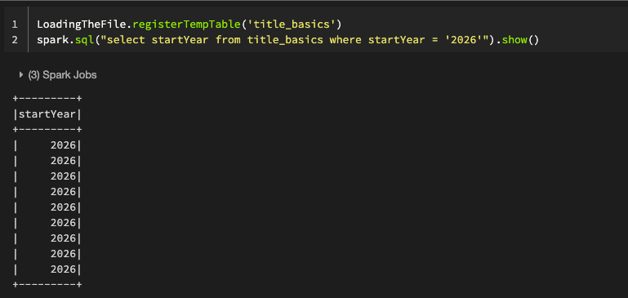

 |  | Case 3 | As we are showing past 100 years distribution , the test case prove that we are not fetching any data which is before 1921

 |  |  | FetchingTheYear.registerTempTable('year') spark.sql("select startYear from year where startYear < 1921").show()

2_cases
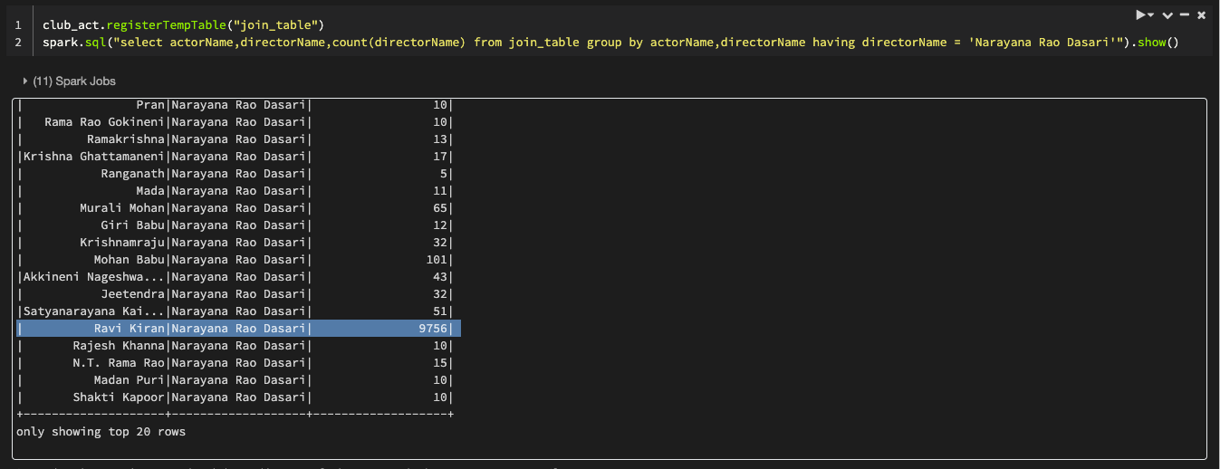
 | UNIT TESTING

I have used SQL queries inside the spark function for my unit test cases
Compared the test result data with the 2nd_question_Data sheet

 |  | Case 1 | I have selected the particular actor name to count the collabration with the director and compared with the final data from the sheet

 |  |  | club_act.registerTempTable("join_table") spark.sql("select actorName,directorName,count(directorName) from join_table group by actorName,directorName having actorName = 'Luis Eduardo Motoa'").show()

 |  |  | club_act.registerTempTable("join_table") spark.sql("select actorName,directorName,count(directorName) from join_table group by actorName,directorName having directorName = 'Narayana Rao Dasari'").show()

3_cases
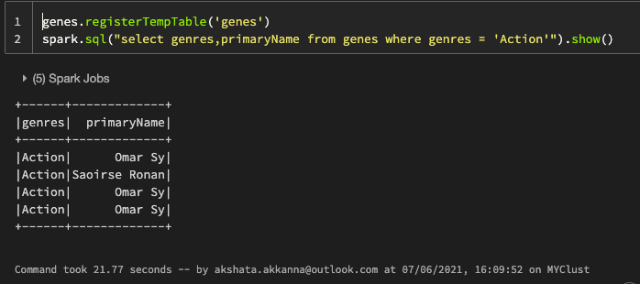
 | UNIT TESTING

I have used SQL queries inside the spark function for my unit test cases
Compared the test result data with the 3rd_question_Data sheet

 |  | Case 1 | I have first listed the Title Number of each names

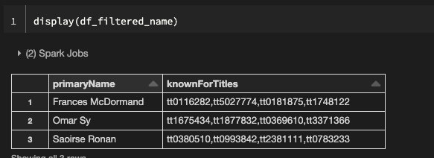

 |  |  | Then, I have listed the geners of each Title number

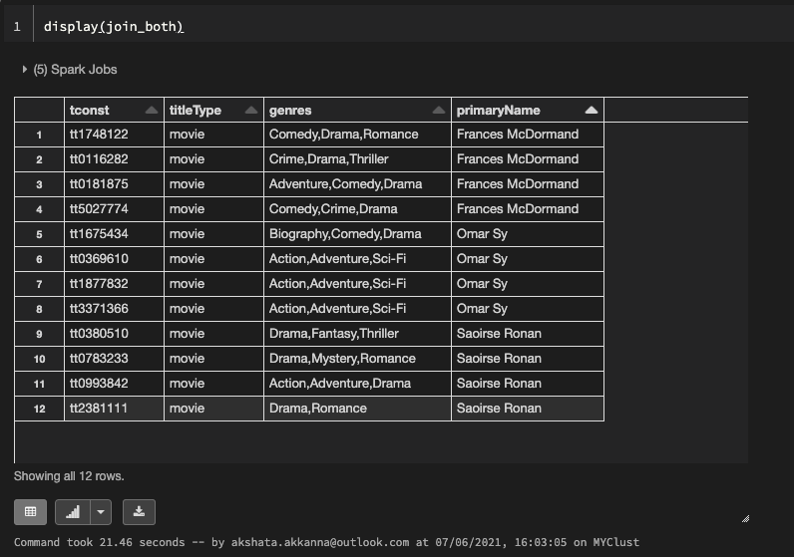

 |  |  | Next, I am checking the Omar Sy genres and manually counted it and compared it with the final result set

 |  |  | genes.registerTempTable('genes') spark.sql("select genres,primaryName from genes where genres = 'Action'").show()

