Sheet1
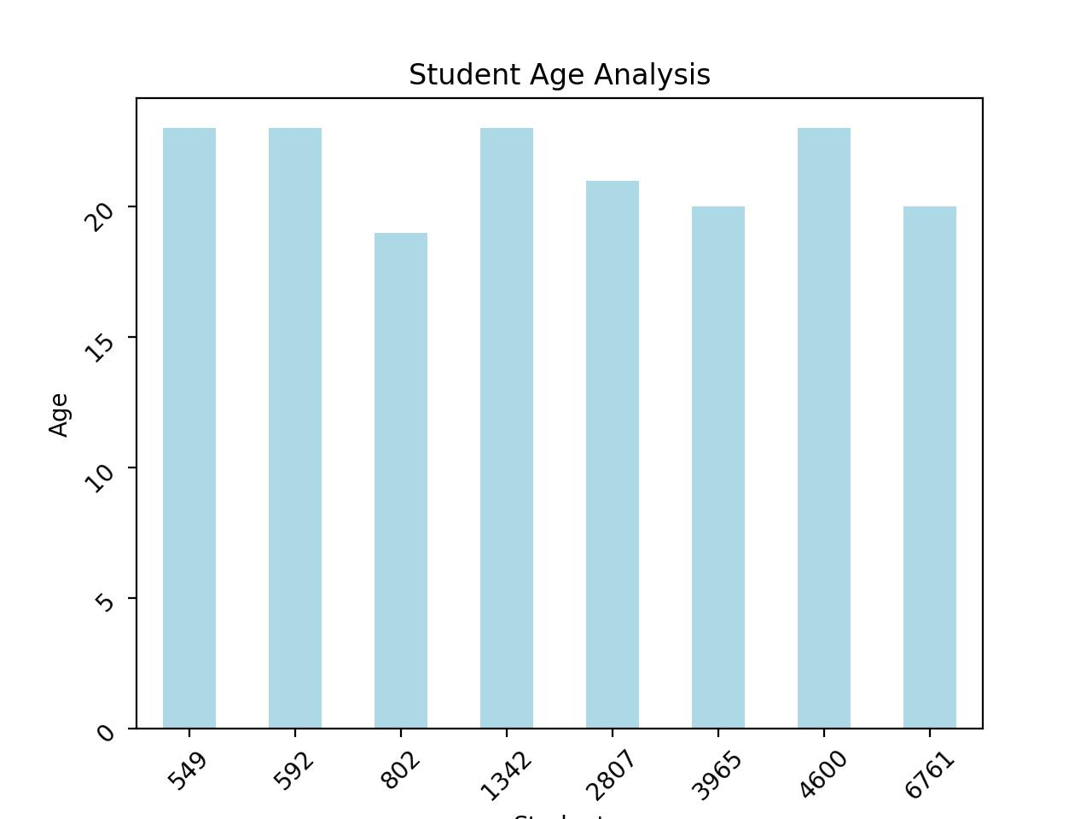
StudentID | Name | Age | Gender | Major | GPA | Graduated
550 | Hannah | 23 | M | History | 4 | TRUE
593 | Bob | 23 | F | Mathematics | 4 | TRUE
803 | George | 19 | F | Engineering | 4 | TRUE
1343 | Alice | 23 | F | Chemistry | 4 | TRUE
2808 | David | 21 | M | History | 4 | TRUE
3966 | Charlie | 20 | F | Economics | 4 | TRUE
4601 | Eva | 23 | F | History | 4 | TRUE
6762 | Fiona | 20 | M | Chemistry | 4 | TRUE

