differences
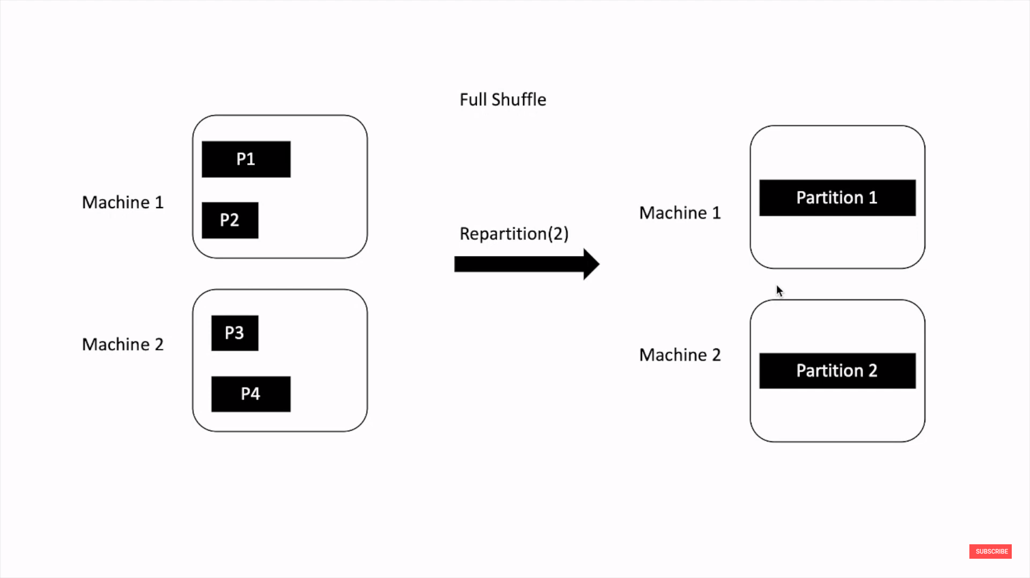
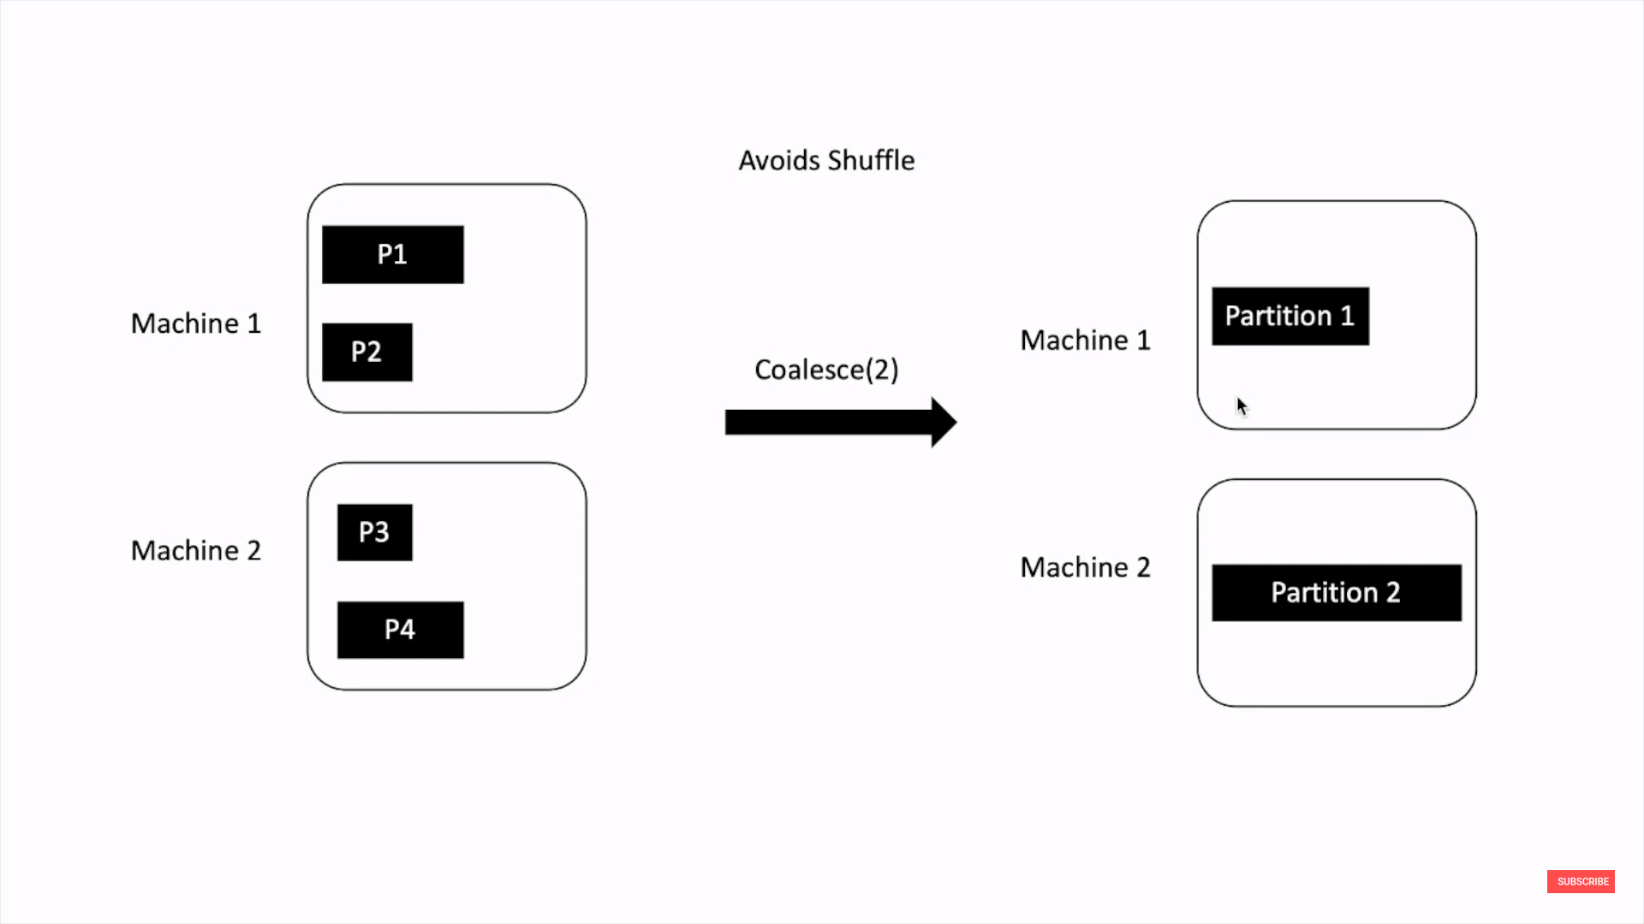
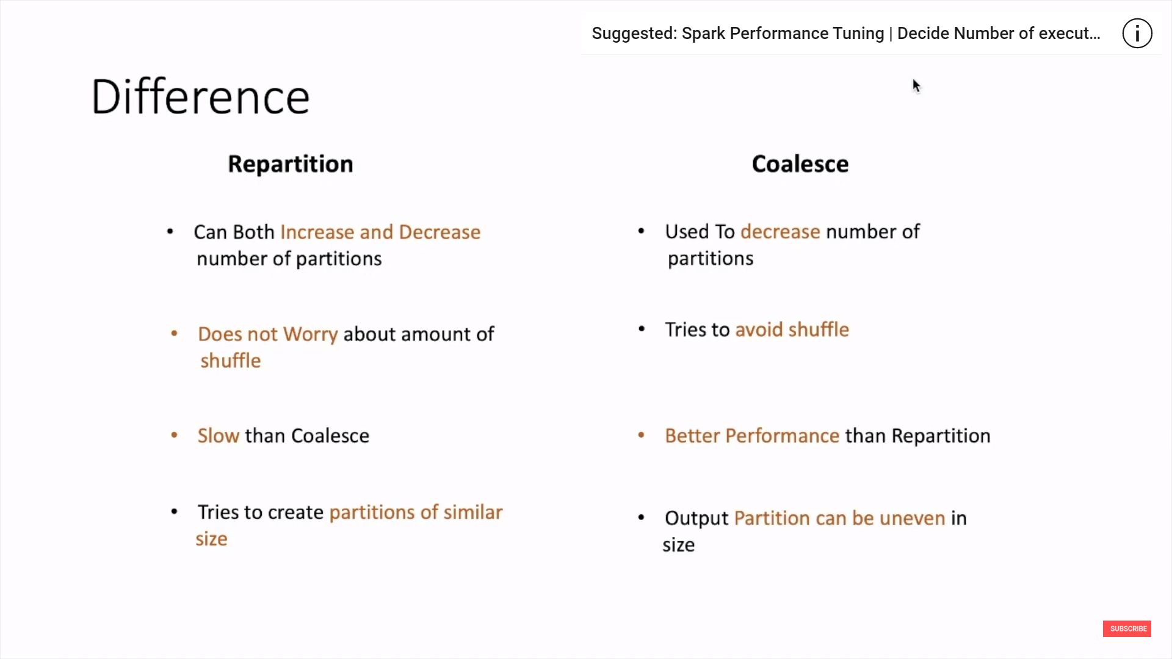
Need to partioning properly: suppose you have two executors and one has smaaler partition and other has larger partition of the dataset. The first one will have to wait till the second completes its job execution during runtime, and this could longer the overall time period.

repartition | coalesce

sql.group_window
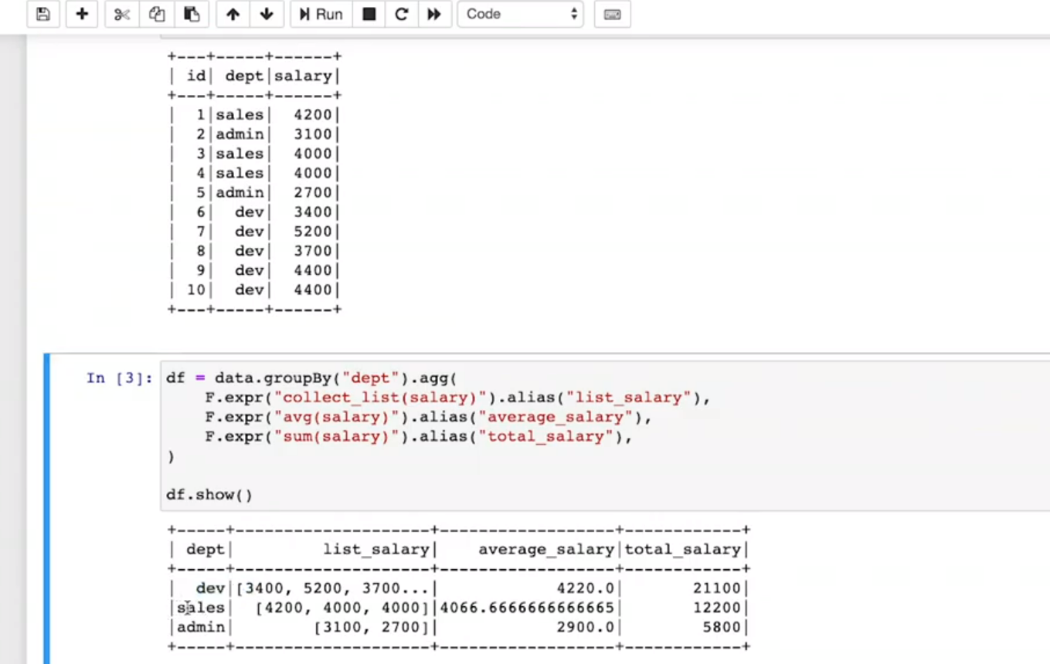
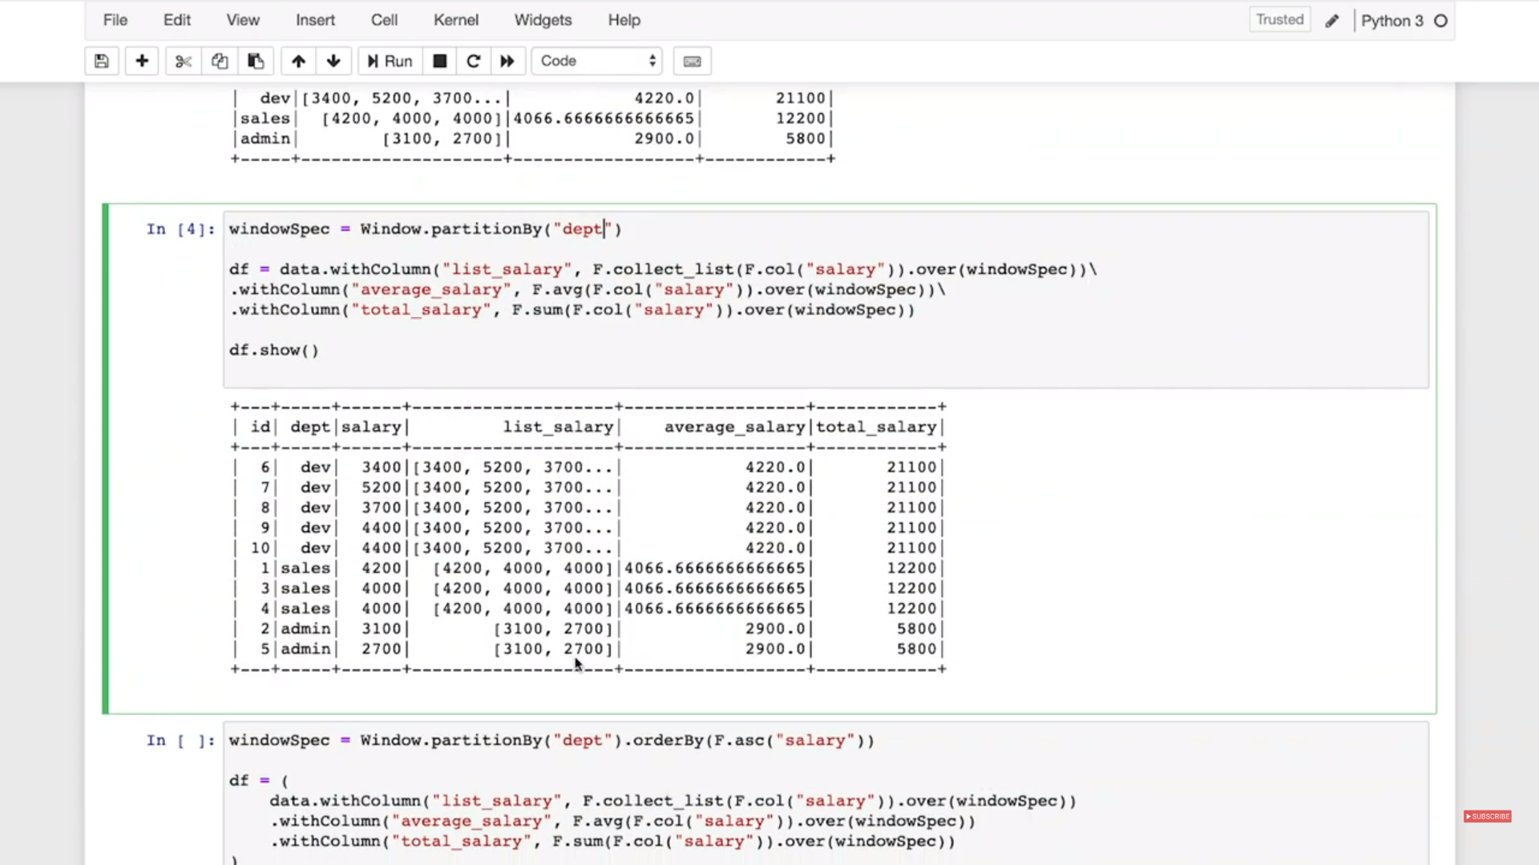
pyspark.sql
Window | PySpark Window function performs statistical operations such as rank, row number, etc. on a group, frame, or collection of rows and returns results for each row individually. It is also popularly growing to perform data transformations. There are mainly three types of Window function: Analytical Function Ranking Function Aggregate Function To perform window function operation on a group of rows first, we need to partition i.e. define the group of data rows using window.partition() function, and for row number and rank function we need to additionally order by on partition data using ORDER BY clause.
Window | pyspark.sql.Window.partitionBy |  | window = Window.partitionBy("id").orderBy("category") df.withColumn("row_number", row_number().over(window)).show() +---+--------+----------+ | id|category|row_number| +---+--------+----------+ | 1| a| 1| | 1| a| 2| | 1| b| 3| | 2| a| 1| | 2| b| 2| | 3| b| 1|
Window | pyspark.sql.Window.orderBy
Window | pyspark.sql.Window.rowsBetween | Creates a WindowSpec with the frame boundaries defined, from start (inclusive) to end (inclusive). Both start and end are relative positions from the current row. For example, “0” means “current row”, while “-1” means the row before the current row, and “5” means the fifth row after the current row. It is reccomended to use Window.unboundedPreceding, Window.unboundedFollowing, and Window.currentRow to specify special boundary values, rather than using integral values directly. | window = Window.partitionBy("category").orderBy("id").rowsBetween(Window.currentRow, 1) df.withColumn("sum", func.sum("id").over(window)).sort("id", "category", "sum").show()
Window | pyspark.sql.Window.currentRow | Used to define the boundaries in Window.rowsBetween(start, end) | window = Window.partitionBy("category").orderBy("id") .rowsBetween(Window.currentRow, Window.unboundFollowing)
Window | pyspark.sql.Window.unboundedFollowing
Window | pyspark.sql.Window.unboundedPreceding
Window | pyspark.sql.Window.rangeBetween
Window | pyspark.sql.WindowSpec.orderBy
Window | pyspark.sql.WindowSpec.partitionBy
Window | pyspark.sql.WindowSpec.rangeBetween
Window | pyspark.sql.WindowSpec.rowsBetween
Grouping | pyspark.sql.GroupedData.agg
Grouping | pyspark.sql.GroupedData.apply
Grouping | pyspark.sql.GroupedData.applyInPandas
Grouping | pyspark.sql.GroupedData.applyInPandasWithState
Grouping | pyspark.sql.GroupedData.avg
Grouping | pyspark.sql.GroupedData.cogroup
Grouping | pyspark.sql.GroupedData.count
Grouping | pyspark.sql.GroupedData.max
Grouping | pyspark.sql.GroupedData.mean
Grouping | pyspark.sql.GroupedData.min
Grouping | pyspark.sql.GroupedData.pivot
Grouping | pyspark.sql.GroupedData.sum
Grouping | pyspark.sql.PandasCogroupedOps.applyInPandas
WindowSpec is a window specification that defines which rows are included in a window (frame), i.e. the set of rows that are associated with the current row by some relation.

