Guidance
 | Key resources for the eBlock Design | SQL Server WAF | AKS WAF | ADF | Azure Blob Storage | Additional resources at your disposal
A) | Azure WAF Recommendation for each Resource. Here are few starter resources to consider. For more extensive research, consider using all resources available in the internet. | Azure SQL Database - Microsoft Azure WAF Guidance | Azure Kubernetes Service (AKS) - Microsoft Azure WAF Guidance | ADF Patterns and Features for the Azure WAF | Azure Blob Storage - Microsoft Azure WAF Guidance | Microsoft Azure Well-Architected Framework | Assessments | Azure Well-Architected Review (microsoft.com) | Browse Azure Architectures - Azure Architecture Center | Microsoft Learn | Overview of Azure Blueprints - Azure Blueprints | Microsoft Learn
 |  | Optimizing Azure SQL Database with the Well-Architected Framework - Microsoft Community Hub | Optimizing Azure Kubernetes Service (AKS) with the Well-Architected Framework - Microsoft Community Hub
B) | Azure Built-in Policies to consider what configuration needs to be covered to pass this policy definition if assigned to your resource. | 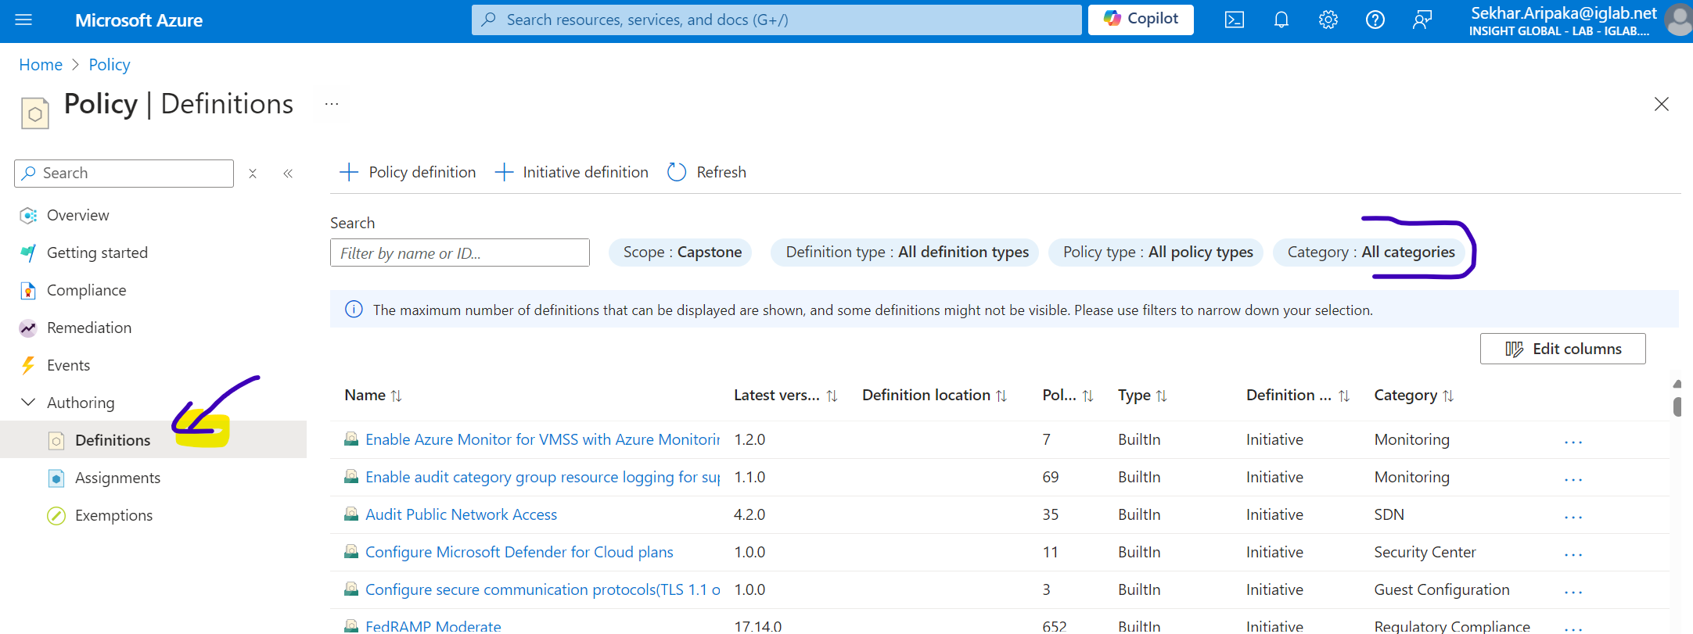 Lookup resource specific built-in Azure Policies in portal.azure.com
C) | Using both A & B above, the design will have the summarized checklist with recommended configuration set for initial deployment and post-deployment. Assess what makes best sense to apply during initial deployment, validation rules for deployment and post deployment assessments (aka operational).

D) | Self Validation
 | Ask yourself, how can you get the best assessment score if you assess your resource using WAF Assessment Tool. And will that be useful and can work well when plugged with other resources to deliver a solution (aka AIB).

