output
 | Quick Sort
 | 0
 | 0
 | 0
 | 0
 | 0
 | 0
 | 0
 | 0
 | 0
 | 0
 | 0
 | 0
 | 0
 | 0
 | 0
 | 0
 | 15626
 | 0
 | 0
 | 0
 | 0
 | 0
 | 0
 | 0
 | 0
 | 0
 | 0
 | 0
 | 0
 | 0
 | 0
 | 0
 | 0
 | 2507
 | 0
 | 0
 | 0
 | 0
 | 531
 | 0
 | 0
 | 0
 | 0
 | 0
 | 0
 | 0
 | 0
 | 0
 | 0
 | 0
...
 | Merge Sort
 | 0
 | 0
 | 0
 | 0
 | 0
 | 0
 | 0
 | 0
 | 0
 | 0
 | 0
 | 0
 | 0
 | 0
 | 0
 | 0
 | 0
 | 0
 | 0
 | 0
 | 0
 | 0
 | 0
 | 0
 | 0
 | 0
 | 0
 | 0
 | 0
 | 0
 | 0
 | 0
 | 15624
 | 0
 | 0
 | 0
 | 0
 | 0
 | 8013
 | 0
 | 0
 | 0
 | 0
 | 0
 | 0
 | 15635
 | 0
 | 0
 | 0
 | 0
...
Block Num. | Merge Sort | Quick Sort | Name:Akshaya Karande | UID:2021300056 | CLASS: SE COMPS A(BATCH-D)
1 | 0 | 0
2 | 0 | 0
3 | 0 | 0
4 | 0 | 0
5 | 0 | 0
6 | 0 | 0
7 | 0 | 0
8 | 0 | 0
9 | 0 | 0
10 | 0 | 0
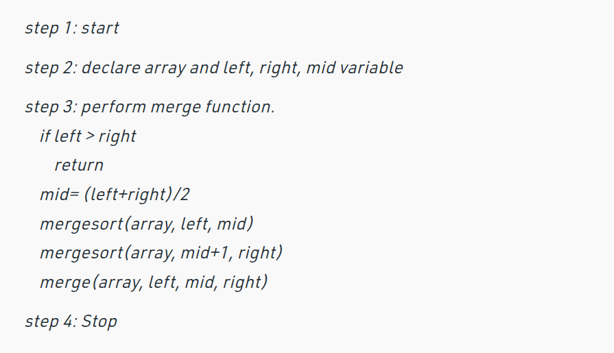
11 | 0 | 0 | Merge Sort Algorithm: |  |  | Quick Sort Algorithm:
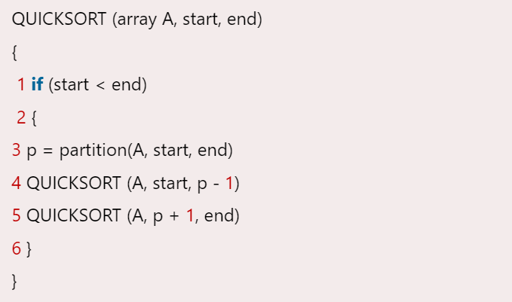
12 | 0 | 0
13 | 0 | 0
14 | 0 | 0
15 | 0 | 0
16 | 0 | 0
17 | 0 | 15626
18 | 0 | 0
19 | 0 | 0
20 | 0 | 0
21 | 0 | 0
22 | 0 | 0
23 | 0 | 0
24 | 0 | 0
25 | 0 | 0
26 | 0 | 0
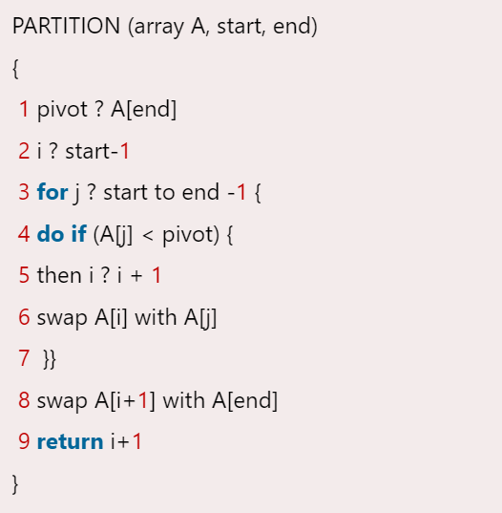
27 | 0 | 0
28 | 0 | 0
29 | 0 | 0 | Observation:

30 | 0 | 0
31 | 0 | 0
32 | 0 | 0
33 | 15624 | 0
34 | 0 | 2507
35 | 0 | 0
36 | 0 | 0
37 | 0 | 0
38 | 0 | 0
39 | 8013 | 531
40 | 0 | 0
41 | 0 | 0
42 | 0 | 0
43 | 0 | 0
44 | 0 | 0
45 | 0 | 0
46 | 15635 | 0
47 | 0 | 0
48 | 0 | 0
49 | 0 | 0
50 | 0 | 0
51 | 0 | 15622
52 | 0 | 0
53 | 0 | 0
54 | 0 | 0
55 | 0 | 0
56 | 0 | 15635
57 | 0 | 0
58 | 0 | 0
59 | 0 | 15856
60 | 0 | 0
61 | 0 | 0
62 | 0 | 15617
63 | 0 | 0
64 | 0 | 0
65 | 0 | 15401
66 | 0 | 0
67 | 0 | 0
68 | 0 | 0
69 | 0 | 15623
70 | 0 | 0
71 | 0 | 0
72 | 15629 | 0
73 | 0 | 0
74 | 0 | 15623
75 | 0 | 0
76 | 0 | 0
77 | 0 | 16203
78 | 0 | 8006
79 | 0 | 0
80 | 8011 | 0
81 | 0 | 11460
82 | 0 | 0
83 | 0 | 0
84 | 0 | 15625
85 | 0 | 0
86 | 0 | 15644
87 | 0 | 0
88 | 0 | 0
89 | 15626 | 0
90 | 0 | 0
91 | 15624 | 0
92 | 0 | 0
93 | 0 | 15622
94 | 0 | 0
95 | 0 | 15628
96 | 0 | 15614
97 | 0 | 15627
98 | 0 | 0
99 | 0 | 15628
100 | 0 | 0
101 | 0 | 28466
102 | 0 | 8015
103 | 0 | 7995
104 | 0 | 8005
105 | 0 | 15984
106 | 0 | 7998
107 | 0 | 8013
108 | 0 | 8089
109 | 0 | 15642
110 | 0 | 15620
111 | 0 | 0
112 | 15626 | 9572
113 | 0 | 10147
114 | 0 | 15641
115 | 0 | 15622
116 | 0 | 15656
117 | 0 | 15624
118 | 0 | 25153
119 | 0 | 12129
120 | 0 | 15620
121 | 0 | 15630
122 | 0 | 15621
123 | 0 | 16729
124 | 8218 | 7819
125 | 7995 | 12460
126 | 0 | 15660
127 | 0 | 15628
128 | 0 | 15627
129 | 0 | 15626
130 | 0 | 25104
131 | 0 | 8422
132 | 8061 | 7967
133 | 0 | 19898
134 | 1105 | 7582
135 | 0 | 15880
136 | 0 | 15395
137 | 0 | 15626
138 | 0 | 15625
139 | 0 | 31261
140 | 0 | 15625
141 | 0 | 15623
142 | 0 | 15620
143 | 0 | 15631
144 | 0 | 15613
145 | 0 | 15635
146 | 15622 | 15631
147 | 0 | 15619
148 | 0 | 31253
149 | 0 | 15615
150 | 0 | 15630
151 | 0 | 22745
152 | 0 | 15642
153 | 0 | 15629
154 | 0 | 32500
155 | 0 | 8776
156 | 0 | 15643
157 | 15627 | 15626
158 | 0 | 15615
159 | 0 | 15847
160 | 0 | 31254
161 | 0 | 15619
162 | 0 | 15632
163 | 0 | 15615
164 | 15397 | 15631
165 | 0 | 26048
166 | 2121 | 16719
167 | 0 | 31256
168 | 0 | 15630
169 | 0 | 15628
170 | 15618 | 31275
171 | 0 | 15628
172 | 0 | 15624
173 | 15600 | 15644
174 | 0 | 31221
175 | 0 | 15625
176 | 0 | 15637
177 | 0 | 31247
178 | 0 | 33299
179 | 0 | 33144
180 | 0 | 31250
181 | 0 | 15624
182 | 15614 | 31287
183 | 0 | 31235
184 | 0 | 15638
185 | 15603 | 15615
186 | 0 | 31248
187 | 0 | 31243
188 | 15624 | 15635
189 | 0 | 31282
190 | 0 | 15628
191 | 15616 | 31237
192 | 0 | 46876
193 | 0 | 31228
194 | 0 | 15627
195 | 0 | 40159
196 | 7517 | 15636
197 | 15621 | 46912
198 | 0 | 31208
199 | 0 | 46872
200 | 0 | 15644
201 | 0 | 31235
202 | 0 | 31252
203 | 0 | 31261
204 | 15655 | 31251
205 | 0 | 31204
206 | 0 | 31255
207 | 0 | 46915
208 | 0 | 31251
209 | 15624 | 47758
210 | 0 | 31263
211 | 0 | 46901
212 | 15627 | 31246
213 | 0 | 31222
214 | 0 | 31282
215 | 0 | 46877
216 | 15590 | 31283
217 | 0 | 78100
218 | 0 | 46863
219 | 0 | 46872
220 | 0 | 47514
221 | 8015 | 40102
222 | 15663 | 31247
223 | 0 | 46841
224 | 0 | 46911
225 | 0 | 34666
226 | 0 | 31248
227 | 0 | 31271
228 | 15637 | 31207
229 | 0 | 44711
230 | 7997 | 31990
231 | 8007 | 39764
232 | 0 | 107176
233 | 0 | 39999
234 | 8000 | 47997
235 | 0 | 23998
236 | 8009 | 43808
237 | 3185 | 32025
238 | 0 | 40002
239 | 0 | 48002
240 | 7995 | 48003
241 | 0 | 48017
242 | 0 | 39987
243 | 0 | 48337
244 | 0 | 39742
245 | 7976 | 64221
246 | 0 | 55784
247 | 7999 | 104001
248 | 8001 | 79993
249 | 0 | 56000
250 | 8002 | 40004
251 | 8003 | 48001
252 | 7994 | 31996
253 | 0 | 56004
254 | 8005 | 55995
255 | 7999 | 55995
256 | 8380 | 39856
257 | 7987 | 56028
258 | 0 | 63761
259 | 8000 | 47997
260 | 8004 | 48017
261 | 0 | 80015
262 | 0 | 79053
263 | 0 | 55998
264 | 7993 | 48004
265 | 8001 | 55996
266 | 0 | 48018
267 | 8000 | 65775
268 | 4380 | 62583
269 | 0 | 56000
270 | 7988 | 40001
271 | 0 | 96013
272 | 7983 | 72017
273 | 0 | 63986
274 | 0 | 120000
275 | 0 | 64002
276 | 0 | 72002
277 | 0 | 55994
278 | 7993 | 56008
279 | 7995 | 47997
280 | 0 | 63763
281 | 4431 | 47494
282 | 8012 | 87993
283 | 7995 | 64002
284 | 0 | 46952
285 | 15605 | 46874
286 | 0 | 60482
287 | 4401 | 57089
288 | 15635 | 62501
289 | 17338 | 80003
290 | 0 | 63992
291 | 7996 | 56003
292 | 0 | 64049
293 | 7961 | 40028
294 | 7991 | 55969
295 | 0 | 72009
296 | 8002 | 64572
297 | 8285 | 55699
298 | 8291 | 55701
299 | 8016 | 55980
300 | 8018 | 68292
301 | 8006 | 63984
302 | 0 | 63632
303 | 0 | 78823
304 | 8018 | 72642
305 | 8016 | 56090
306 | 15376 | 31454
307 | 0 | 62275
308 | 15637 | 52258
309 | 7973 | 72003
310 | 8003 | 88007
311 | 0 | 87984
312 | 8006 | 80003
313 | 7999 | 73639
314 | 0 | 95186
315 | 0 | 111977
316 | 8007 | 48015
317 | 7985 | 71621
318 | 16278 | 99216
319 | 0 | 62190
320 | 0 | 75950
321 | 7996 | 99532
322 | 8004 | 56921
323 | 8017 | 63991
324 | 7993 | 80004
325 | 7999 | 64971
326 | 0 | 93738
327 | 0 | 95998
328 | 8006 | 78437
329 | 0 | 88248
330 | 7998 | 68948
331 | 15607 | 93734
332 | 0 | 78437
333 | 0 | 77836
334 | 0 | 69023
335 | 0 | 106787
336 | 0 | 96451
337 | 12593 | 99980
338 | 0 | 80006
339 | 8007 | 70532
340 | 0 | 58850
341 | 15627 | 62488
342 | 0 | 136990
343 | 8011 | 87988
344 | 7999 | 103994
345 | 0 | 80004
346 | 8003 | 87997
347 | 7996 | 80001
348 | 7999 | 112573
349 | 0 | 96002
350 | 0 | 84460
351 | 8264 | 79718
352 | 8010 | 80015
353 | 7977 | 104002
354 | 0 | 88823
355 | 7492 | 72008
356 | 7983 | 80018
357 | 0 | 79985
358 | 8015 | 80000
359 | 0 | 64278
360 | 7716 | 88003
361 | 7988 | 81632
362 | 8025 | 75452
363 | 15848 | 104193
364 | 7976 | 71785
365 | 15623 | 59292
366 | 15822 | 78138
367 | 15647 | 93496
368 | 0 | 109416
369 | 0 | 124999
370 | 0 | 62502
371 | 15600 | 78149
372 | 18892 | 82331
373 | 0 | 140627
374 | 15618 | 140646
375 | 0 | 140599
376 | 15630 | 93750
377 | 0 | 138743
378 | 0 | 93751
379 | 0 | 62508
380 | 0 | 93741
381 | 0 | 62497
382 | 15638 | 93744
383 | 0 | 124997
384 | 0 | 171887
385 | 15616 | 106179
386 | 0 | 140683
387 | 0 | 118066
388 | 0 | 93750
389 | 0 | 137177
390 | 15644 | 124994
391 | 15653 | 140643
392 | 0 | 124971
393 | 0 | 109405
394 | 0 | 124965
395 | 0 | 171909
396 | 15597 | 156280
397 | 0 | 93716
398 | 15628 | 124994
399 | 15624 | 93790
400 | 0 | 77255
401 | 0 | 124972
402 | 15627 | 78118
403 | 0 | 125017
404 | 15623 | 156275
405 | 0 | 140593
406 | 0 | 95176
407 | 0 | 93724
408 | 15615 | 93776
409 | 0 | 140615
410 | 0 | 171893
411 | 15626 | 106058
412 | 0 | 93735
413 | 0 | 170349
414 | 0 | 234332
415 | 0 | 156250
416 | 0 | 109394
417 | 15651 | 140623
418 | 0 | 124999
419 | 0 | 125001
420 | 15627 | 121701
421 | 0 | 140624
422 | 15628 | 140645
423 | 0 | 153226
424 | 0 | 140621
425 | 0 | 156274
426 | 15625 | 125001
427 | 15624 | 78106
428 | 15609 | 125000
429 | 0 | 156245
430 | 0 | 121870
431 | 0 | 140625
432 | 0 | 140623
433 | 0 | 187465
434 | 0 | 109369
435 | 15626 | 125019
436 | 15623 | 140624
437 | 0 | 125001
438 | 0 | 124989
439 | 0 | 109410
440 | 0 | 184190
441 | 0 | 140655
442 | 15624 | 158914
443 | 0 | 140620
444 | 0 | 125005
445 | 15626 | 218728
446 | 0 | 124985
447 | 0 | 203160
448 | 15626 | 137691
449 | 0 | 234379
450 | 0 | 187460
451 | 15630 | 171875
452 | 0 | 249988
453 | 15624 | 156261
454 | 0 | 140661
455 | 0 | 184124
456 | 0 | 156250
457 | 15632 | 93774
458 | 15614 | 296855
459 | 0 | 156288
460 | 0 | 187503
461 | 15625 | 234350
462 | 15624 | 137267
463 | 0 | 171942
464 | 0 | 156209
465 | 15635 | 249985
466 | 0 | 171895
467 | 15626 | 171876
468 | 15625 | 124993
469 | 15622 | 135809
470 | 0 | 199942
471 | 0 | 156280
472 | 15619 | 203144
473 | 0 | 171850
474 | 15624 | 312502
475 | 0 | 250026
476 | 0 | 173015
477 | 15640 | 171839
478 | 0 | 109605
479 | 15646 | 171856
480 | 0 | 140435
481 | 0 | 171850
482 | 0 | 231018
483 | 15626 | 234335
484 | 0 | 141850
485 | 0 | 156248
486 | 15603 | 156274
487 | 15627 | 187499
488 | 15626 | 124970
489 | 0 | 187502
490 | 15629 | 140611
491 | 0 | 140662
492 | 15622 | 186480
493 | 15633 | 140645
494 | 15625 | 171876
495 | 15625 | 249966
496 | 0 | 146283
497 | 15626 | 124993
498 | 0 | 156256
499 | 15628 | 187464
500 | 0 | 201362
501 | 0 | 296898
502 | 15599 | 156239
503 | 15625 | 171870
504 | 0 | 171886
505 | 15622 | 203115
506 | 15635 | 199918
507 | 15628 | 171903
508 | 0 | 156248
509 | 15623 | 187457
510 | 15629 | 203127
511 | 0 | 171915
512 | 15626 | 169234
513 | 15616 | 185688
514 | 0 | 156270
515 | 15626 | 265623
516 | 0 | 171877
517 | 15625 | 296874
518 | 15626 | 265625
519 | 15626 | 202500
520 | 15630 | 229537
521 | 0 | 218749
522 | 15625 | 203123
523 | 15629 | 187498
524 | 0 | 187501
525 | 15626 | 124974
526 | 15622 | 235228
527 | 15626 | 152878
528 | 15626 | 140622
529 | 15626 | 187505
530 | 0 | 203157
531 | 15605 | 187497
532 | 0 | 218740
533 | 0 | 204007
534 | 15623 | 187486
535 | 0 | 234407
536 | 15608 | 168570
537 | 0 | 140660
538 | 15625 | 265594
539 | 0 | 250200
540 | 0 | 156266
541 | 15624 | 218736
542 | 15634 | 156251
543 | 0 | 281276
544 | 15592 | 312541
545 | 15602 | 216838
546 | 15615 | 171896
547 | 0 | 234337
548 | 0 | 218749
549 | 15632 | 250034
550 | 15609 | 187515
551 | 0 | 249607
552 | 15663 | 203125
553 | 0 | 171835
554 | 15666 | 218729
555 | 0 | 234361
556 | 15626 | 203158
557 | 15595 | 185818
558 | 0 | 203123
559 | 18367 | 260911
560 | 15626 | 359373
561 | 0 | 156242
562 | 0 | 234416
563 | 0 | 219801
564 | 15646 | 296898
565 | 15629 | 249964
566 | 0 | 218785
567 | 15625 | 234334
568 | 0 | 219265
569 | 0 | 218733
570 | 0 | 234395
571 | 0 | 203113
572 | 15628 | 187512
573 | 15646 | 312499
574 | 15624 | 277724
575 | 15627 | 265632
576 | 15627 | 328089
577 | 0 | 234411
578 | 15593 | 278122
579 | 15646 | 203115
580 | 15626 | 171883
581 | 0 | 234399
582 | 15628 | 343747
583 | 0 | 249965
584 | 0 | 184910
585 | 15624 | 281250
586 | 0 | 250004
587 | 0 | 250008
588 | 0 | 234378
589 | 15622 | 252443
590 | 9564 | 205298
591 | 15591 | 234368
592 | 0 | 250037
593 | 15626 | 296878
594 | 0 | 218745
595 | 0 | 206794
596 | 0 | 187507
597 | 15632 | 234138
598 | 15649 | 218764
599 | 0 | 232198
600 | 0 | 249994
601 | 0 | 203567
602 | 15626 | 234369
603 | 0 | 278369
604 | 15627 | 265622
605 | 15627 | 203127
606 | 15623 | 298705
607 | 0 | 249991
608 | 15633 | 359368
609 | 15633 | 218744
610 | 15626 | 203121
611 | 0 | 218786
612 | 10257 | 222907
613 | 0 | 250041
614 | 15626 | 281206
615 | 15621 | 265635
616 | 15664 | 305455
617 | 6206 | 188547
618 | 0 | 372314
619 | 15665 | 203078
620 | 15649 | 468773
621 | 15624 | 200167
622 | 15626 | 234375
623 | 15625 | 234374
624 | 15626 | 328124
625 | 15628 | 265624
626 | 15624 | 186550
627 | 0 | 328172
628 | 0 | 359369
629 | 15611 | 343734
630 | 0 | 266861
631 | 0 | 281259
632 | 0 | 328154
633 | 15624 | 312476
634 | 15637 | 203109
635 | 0 | 262121
636 | 15661 | 249998
637 | 15600 | 281242
638 | 15661 | 265624
639 | 15625 | 403060
640 | 1011 | 381562
641 | 15586 | 375038
642 | 15628 | 359371
643 | 15626 | 389111
644 | 15632 | 406252
645 | 0 | 234388
646 | 15627 | 249998
647 | 15625 | 218713
648 | 0 | 280311
649 | 15649 | 499954
650 | 0 | 372671
651 | 0 | 295405
652 | 0 | 249996
653 | 15627 | 359365
654 | 15673 | 246473
655 | 15627 | 448437
656 | 15624 | 296884
657 | 0 | 328151
658 | 15625 | 374997
659 | 15628 | 304276
660 | 15627 | 187500
661 | 15626 | 187495
662 | 0 | 234370
663 | 15633 | 250024
664 | 15639 | 218705
665 | 0 | 278965
666 | 0 | 390670
667 | 15627 | 293768
668 | 0 | 312507
669 | 15595 | 249816
670 | 0 | 359384
671 | 15633 | 390649
672 | 15625 | 218750
673 | 15624 | 274092
674 | 8330 | 250022
675 | 15638 | 274324
676 | 0 | 343790
677 | 0 | 468685
678 | 15650 | 248493
679 | 15625 | 296851
680 | 15630 | 390664
681 | 15626 | 479679
682 | 0 | 275675
683 | 15628 | 265610
684 | 15619 | 500018
685 | 15636 | 359006
686 | 0 | 343794
687 | 15629 | 265624
688 | 0 | 265624
689 | 15624 | 315146
690 | 0 | 484426
691 | 15620 | 468736
692 | 15661 | 281218
693 | 15658 | 312260
694 | 15616 | 406252
695 | 15627 | 296846
696 | 0 | 418497
697 | 15634 | 281268
698 | 0 | 453106
699 | 15637 | 234361
700 | 0 | 420095
701 | 15616 | 337731
702 | 15628 | 453167
703 | 15626 | 430288
704 | 6291 | 359395
705 | 0 | 328165
706 | 15625 | 265583
707 | 0 | 312543
708 | 0 | 356519
709 | 15628 | 312455
710 | 0 | 277740
711 | 15660 | 359374
712 | 15592 | 452463
713 | 0 | 515633
714 | 15638 | 250019
715 | 15629 | 329221
716 | 15619 | 312488
717 | 15623 | 421904
718 | 15615 | 464156
719 | 15852 | 296683
720 | 15593 | 453163
721 | 15627 | 356683
722 | 0 | 325218
723 | 15625 | 374377
724 | 15651 | 328088
725 | 15629 | 312531
726 | 0 | 310532
727 | 15626 | 296889
728 | 0 | 481566
729 | 15623 | 312501
730 | 15627 | 264311
731 | 15662 | 437500
732 | 15626 | 374996
733 | 0 | 281206
734 | 15645 | 343727
735 | 0 | 387397
736 | 15623 | 421910
737 | 0 | 309755
738 | 15632 | 296683
739 | 15626 | 437459
740 | 15630 | 312501
741 | 15633 | 293975
742 | 15637 | 265612
743 | 15632 | 406257
744 | 0 | 265612
745 | 15640 | 311546
746 | 15657 | 562488
747 | 15617 | 359377
748 | 0 | 296908
749 | 15627 | 282303
750 | 15654 | 390581
751 | 15634 | 324941
752 | 15661 | 422452
753 | 0 | 359392
754 | 15624 | 281249
755 | 15592 | 390621
756 | 15635 | 279802
757 | 0 | 390663
758 | 0 | 406252
759 | 15588 | 505229
760 | 9815 | 312567
761 | 15627 | 343935
762 | 15624 | 390404
763 | 15628 | 342143
764 | 0 | 418305
765 | 15612 | 296867
766 | 15617 | 406248
767 | 15622 | 295869
768 | 15637 | 368868
769 | 15628 | 515596
770 | 15629 | 404222
771 | 15628 | 295872
772 | 15630 | 390610
773 | 15639 | 675477
774 | 15619 | 421891
775 | 15628 | 546858
776 | 0 | 293845
777 | 0 | 359378
778 | 15627 | 546839
779 | 15630 | 344016
780 | 3196 | 578125
781 | 0 | 504865
782 | 0 | 356192
783 | 0 | 359396
784 | 15626 | 359381
785 | 15623 | 390594
786 | 15619 | 371715
787 | 15630 | 453101
788 | 0 | 527918
789 | 15628 | 467757
790 | 15597 | 546904
791 | 15587 | 359369
792 | 0 | 451635
793 | 15630 | 406252
794 | 15655 | 437499
795 | 15626 | 445904
796 | 15664 | 328106
797 | 15621 | 453111
798 | 15628 | 531303
799 | 15643 | 309046
800 | 15642 | 421876
801 | 19683 | 352553
802 | 15627 | 421900
803 | 15593 | 390614
804 | 15633 | 296871
805 | 0 | 609756
806 | 15626 | 324909
807 | 0 | 359368
808 | 0 | 373446
809 | 15657 | 437460
810 | 15639 | 343735
811 | 15624 | 452124
812 | 15626 | 484331
813 | 0 | 590138
814 | 15632 | 343405
815 | 15628 | 499999
816 | 15625 | 484340
817 | 15628 | 404184
818 | 15628 | 390583
819 | 15621 | 328167
820 | 15626 | 406858
821 | 15637 | 540514
822 | 15589 | 402757
823 | 15628 | 325428
824 | 15647 | 426502
825 | 4279 | 468818
826 | 15625 | 405187
827 | 0 | 574804
828 | 15629 | 484399
829 | 15623 | 435302
830 | 15626 | 593711
831 | 0 | 607835
832 | 15604 | 570808
833 | 15640 | 480999
834 | 15618 | 608710
835 | 15629 | 453123
836 | 15611 | 712121
837 | 15665 | 636964
838 | 15647 | 467885
839 | 15627 | 453146
840 | 15602 | 312490
841 | 15615 | 491434
842 | 2105 | 375028
843 | 15622 | 340480
844 | 15630 | 593739
845 | 15641 | 437116
846 | 15629 | 375006
847 | 15631 | 402410
848 | 15624 | 516334
849 | 15626 | 515618
850 | 15602 | 577224
851 | 15591 | 437495
852 | 0 | 390644
853 | 15640 | 391081
854 | 15641 | 453132
855 | 15616 | 477923
856 | 15622 | 469547
857 | 15627 | 574749
858 | 15630 | 466899
859 | 15622 | 373567
860 | 15626 | 556155
861 | 15614 | 465650
862 | 0 | 500034
863 | 15606 | 624976
864 | 15641 | 609375
865 | 15646 | 372281
866 | 15652 | 481039
867 | 15624 | 530021
868 | 0 | 609357
869 | 15641 | 501299
870 | 15629 | 578082
871 | 15648 | 500017
872 | 15607 | 593119
873 | 15626 | 543705
874 | 15630 | 546027
875 | 15633 | 484375
876 | 15665 | 374964
877 | 15627 | 498766
878 | 15626 | 515601
879 | 15622 | 514596
880 | 15625 | 421851
881 | 15626 | 578168
882 | 15628 | 450751
883 | 15666 | 624952
884 | 15639 | 607497
885 | 15617 | 505977
886 | 15617 | 546852
887 | 15632 | 497192
888 | 0 | 406239
889 | 15617 | 515661
890 | 15604 | 468062
891 | 15624 | 796876
892 | 15626 | 467771
893 | 15631 | 574773
894 | 15626 | 499635
895 | 0 | 687510
896 | 15627 | 562499
897 | 15628 | 448122
898 | 15626 | 593771
899 | 31250 | 484172
900 | 15644 | 609375
901 | 15628 | 561643
902 | 1010 | 371770
903 | 15629 | 671896
904 | 15628 | 437179
905 | 15637 | 546868
906 | 15641 | 593769
907 | 15611 | 576965
908 | 15506 | 531214
909 | 15634 | 387109
910 | 31284 | 392821
911 | 15664 | 421880
912 | 31249 | 419325
913 | 15657 | 437490
914 | 0 | 437490
915 | 15634 | 701445
916 | 15653 | 640616
917 | 15627 | 653449
918 | 15619 | 531237
919 | 15624 | 513341
920 | 15671 | 715577
921 | 15627 | 531248
922 | 15625 | 607844
923 | 16006 | 505841
924 | 15989 | 472860
925 | 8424 | 546877
926 | 15666 | 593711
927 | 14705 | 360454
928 | 15623 | 734365
929 | 15620 | 481752
930 | 15644 | 343763
931 | 15633 | 528180
932 | 15627 | 436707
933 | 15633 | 465403
934 | 15625 | 468787
935 | 15631 | 538548
936 | 15648 | 562471
937 | 15630 | 674524
938 | 17307 | 561857
939 | 15627 | 486267
940 | 15630 | 453168
941 | 15625 | 515601
942 | 15626 | 547354
943 | 15634 | 499986
944 | 15663 | 576905
945 | 7995 | 557739
946 | 16020 | 481418
947 | 19407 | 524860
948 | 21449 | 519758
949 | 15648 | 548004
950 | 16287 | 402788
951 | 24000 | 633874
952 | 15656 | 747446
953 | 23803 | 661945
954 | 15998 | 479131
955 | 15623 | 648813
956 | 15995 | 522594
957 | 15624 | 493155
958 | 16016 | 591984
959 | 16000 | 616395
960 | 15669 | 450011
961 | 15626 | 884745
962 | 15635 | 578026
963 | 15619 | 423713
964 | 15645 | 705097
965 | 15648 | 501908
966 | 31270 | 644239
967 | 15632 | 439424
968 | 15662 | 583435
969 | 15586 | 510005
970 | 15625 | 537182
971 | 15631 | 462326
972 | 15955 | 501757
973 | 15625 | 561254
974 | 15621 | 449405
975 | 15624 | 572661
976 | 3208 | 425610
977 | 15620 | 548604
978 | 15625 | 435140
979 | 15625 | 473730
980 | 15620 | 611383
981 | 15626 | 620573
982 | 16089 | 580099
983 | 15625 | 509568
984 | 15632 | 592228
985 | 15625 | 467790
986 | 15625 | 609953
987 | 15996 | 437841
988 | 15621 | 392554
989 | 15625 | 453940
990 | 15625 | 533473
991 | 15625 | 541939
992 | 15625 | 577786
993 | 15625 | 544320
994 | 15626 | 562324
995 | 15625 | 412543
996 | 24378 | 501837
997 | 16018 | 399146
998 | 15625 | 548772
999 | 15623 | 509657
1000 | 16020 | 430261

