Sheet1
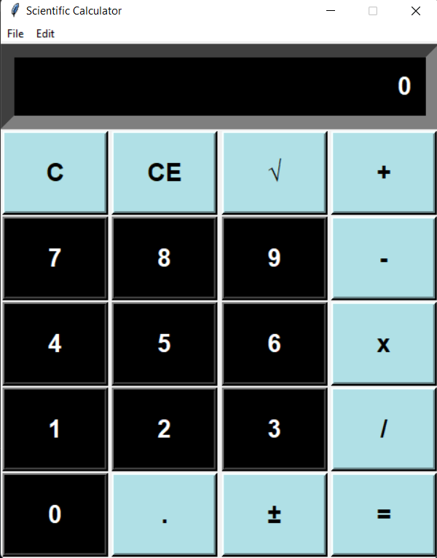
TEST CASE | TEST STEPS | TEST RESULT | IMAGE FOR REFERENCE
CALCULATOR STARTUP CASE | Navigate to star button and click on it | The user could navigate to the button and the user could click on the button, and the calculator would open properly.

