10-06-2023
TRAINING_DATASET_SIZE | 9536
TEST_DATASET_SIZE | 2400
BATCH_SIZE | 32

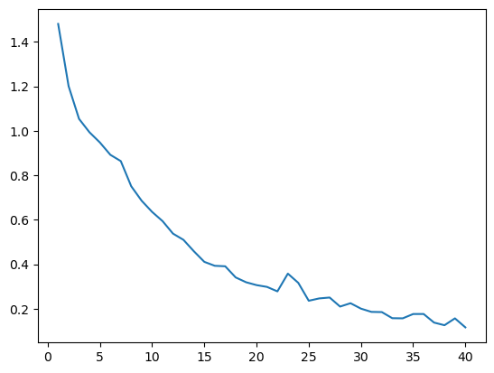
Model Name | Epochs | Dropout | Optimizer | Learning Rate | Training Accuracy | Test Accuracy
Efficient_Net_s | 15 | 0.2 | Adam | 0.01 | 76.0% | 73.0%
Efficient_Net_m | 15 | 0.2 | Adam | 0.01 | 60.0% | 58.0%
Efficient_Net_m | 15 | 0.2 | Adam | 0.005 | 71.0% | 71.0%
Efficient_Net_m | 15 | 0.2 | SGD | 0.005 | 85.0% | 79.0%
Efficient_Net_m | 15 | 0.2 | SGD | 0.01 | 85.0% | 78.0%
Efficient_Net_m | 15 | 0.3 | SGD | 0.01 | 77.0% | 72.0%
Efficient_Net_m | 20 | 0.2 | SGD | 0.005 | 90.0% | 80.0%
Efficient_Net_m | 20 | 0.2 | SGD | 0.001 | 88.0% | 78.0%
Efficient_Net_m | 40 | 0.2 | SGD | 0.001 | 96.0% | 79.0%
Efficient_Net_m | 40 | 0.3 | SGD | 0.001 | 96.0% | 79.0%
Efficient_Net_s | 40 | 0.2 | SGD | 0.001 | 98.0% | 82.0%

