<I> INTERESTED PARTIES
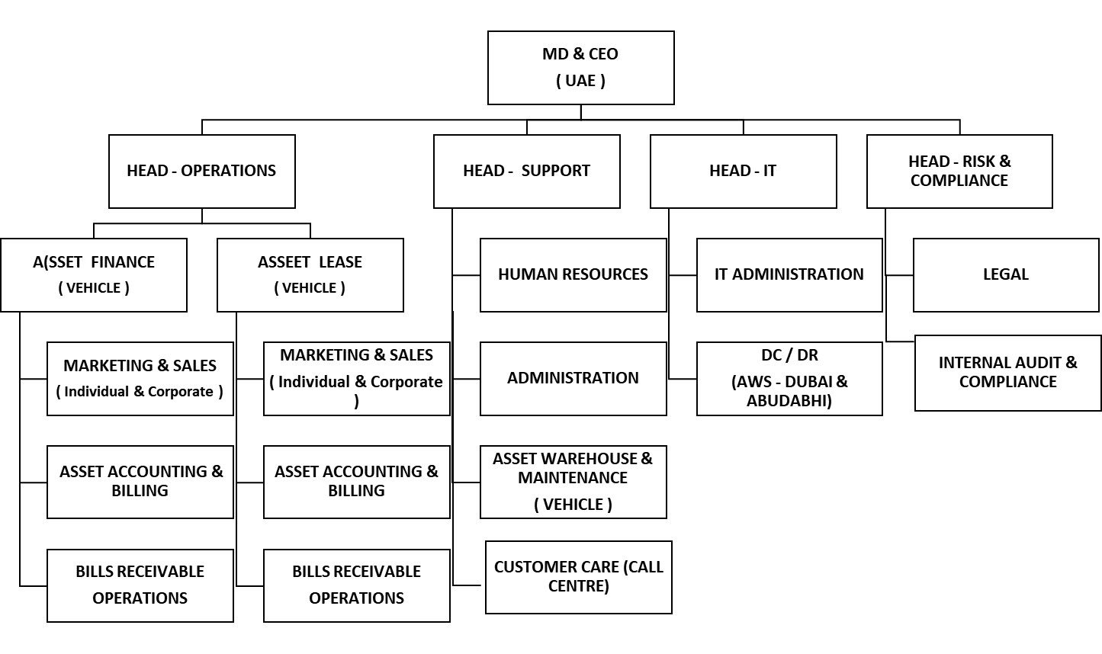
XYZ COMPANY LTD. | APEX MANUAL | ISO 22301:2019 |  | INTERNAL INTERESTED PARTIES
 |  | INSTRUCTIONS FOR EXERCISE > | UNDERSTAND THE CONTEXT AND SELECT THE CORRECT INTERESTED PARTIES LIST FROM OPTIONS "A & B"
 |  |  |  |  | OPTION A |  |  |  |  | OPTION B
ORGANIZATION CHART |  |  |  |  | Internal Interested Parties |  |  | External Interested Parties |  | Internal Interested Parties |  | External Interested Parties
 |  |  |  | I-1 | MD & CEO |  | E - 1 | UAE GOVERNMENT (REGULATORS) | I-1 | MD & CEO | E - 1 | UAE GOVERNMENT (REGULATORS)
 |  |  |  | I - 2 | HEAD OPERATIONS |  | E - 2 | UASE EMERGENCY SERVICES | I - 2 | HEAD OPERATIONS | E - 2 | UASE EMERGENCY SERVICES
 |  |  |  |  | 2.1 ASSET FINANCE |  |  | E2.1 POLICE |  | 2.1 ASSET FINANCE |  | E2.1 POLICE
 |  |  |  |  | 2.1 a) MARKETING & SALES |  |  | E.2.2 FIRE |  | 2.1 a) MARKETING & SALES |  | E.2.2 FIRE
 |  |  |  |  | 2.1 b) ASSET ACCOUNTING & BILLING |  |  | E2.3 AMBULANCE & HOSPITAL |  | 2.1 b) ASSET ACCOUNTING & BILLING |  | E2.3 AMBULANCE & HOSPITAL
 |  |  |  |  | 2.1 c) BILLS RECEIVABLES |  | E - 3 | PHYSICAL SECURITY AGENCIES |  | 2.1 c) BILLS RECEIVABLES | E - 3 | PHYSICAL SECURITY AGENCIES
 |  |  |  |  | 2.2 ASSET LEASE |  | E - 4 | COURIER SERVICES |  | 2.2 ASSET LEASE | E - 4 | COURIER SERVICES
 |  |  |  |  | 2.2 a) MARKETING & SALES |  | E - 5 | VEHICLE PICKUP SERIVCE PROVIDERS (TOWING) |  | 2.2 a) MARKETING & SALES | E - 5 | VEHICLE PICKUP SERIVCE PROVIDERS (TOWING)
 |  |  |  |  | 2.2 b) ASSET ACCOUNTING & BILLING |  |  |  |  | 2.2 b) ASSET ACCOUNTING & BILLING | E - 6 | INTERNET SERVICE PROVIDERS
 |  |  |  |  | 2.3 c) BILLS RECEIVABLES |  |  |  |  | 2.3 c) BILLS RECEIVABLES | E - 7 | DC & DR SERVICE PROVIDERS (AWS)
 |  |  |  | I - 3 | HEAD SUPPORT |  |  |  | I - 3 | HEAD SUPPORT
 |  |  |  |  | 3.1 HUMAN RESOURCES |  |  |  |  | 3.1 HUMAN RESOURCES
 |  |  |  |  | 3.2 ADMINISTRATION |  |  |  |  | 3.2 ADMINISTRATION
 |  |  |  |  | 3.3 ASSET WAREHOUSE & MAINTENANCE |  |  |  |  | 3.3 ASSET WAREHOUSE & MAINTENANCE
 |  |  |  |  | 3.4 CUSTOMER CARE (CALL CENTRE) |  |  |  |  | 3.4 CUSTOMER CARE (CALL CENTRE)
 |  |  |  | I - 4 | HEAD - INFORMATION TECHNOLOGY |  |  |  | I - 4 | HEAD - INFORMATION TECHNOLOGY
 |  |  |  |  | 4.1 IT ADMINISTRATION |  |  |  |  | 4.1 IT ADMINISTRATION
 |  |  |  | I - 5 | HEAD - RISK & COMPLIANCE |  |  |  | I - 5 | HEAD - RISK & COMPLIANCE
 |  |  |  |  | 5.1 LEGAL |  |  |  |  | 5.1 LEGAL
 |  |  |  |  | 5.2 INTERNAL AUDIT & COMPLIANCE |  |  |  |  | 5.2 INTERNAL AUDIT & COMPLIANCE

 |  |  |  | A |  | Your Interested Parties Selection > (Drop Down Selection) |  | B
 |  |  |  | B |  | Give Reason for Selecting Option. Also define Issues with Other Options

 |  |  |  |  |  | Correct Answer is > |  | Please select your Option First & Give Reason above

BRPs BCP 1
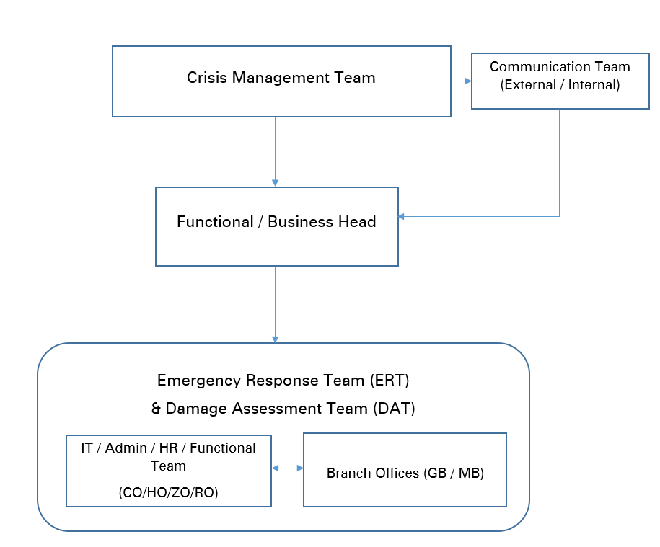
XYZ COMPANY LTD. | APEX MANUAL | ISO 22301:2019
RISK ASSESSMENT CONTAINS THREE WORKSHEETS - BCP1 AS OPTION A AND BCP2 AS OPTION - B |  |  | STUDY BOTH RA 1 AND RA 2 AND THEN GIVE YOUR SELECTION IN THE THIRD RA SHEET NAMED AS "RA SELECTION"

BRPs BCP 2
XYZ COMPANY LTD. | APEX MANUAL | ISO 22301:2019
RISK ASSESSMENT CONTAINS THREE WORKSHEETS - BCP1 AS OPTION A AND BCP2 AS OPTION - B |  |  | STUDY BOTH RA 1 AND RA 2 AND THEN GIVE YOUR SELECTION IN THE THIRD RA SHEET NAMED AS "RA SELECTION" |  | All BUSINESS RECOVERY PLANS COMBINE CAN BE CALLED AS BUSINESS CONTINUITY PLAN (Scenario 1 BRP + Scenario 2 BRP + …. = BCP (Business Continuity Plan)

 |  |  |  |  | Crisis Scenrios 1 TO 2
 |  |  |  |  | Since the IT Assets are already in Fault Tollerant mode, the system auto switches to Secondary Assets (all), the user does not experience any DOS (Denial Of Service). Hence any Crisis Scenario is encountered, the situation is already in 100% normal level - which is more than requirement of RTO. The only action required is to ensure restoration of the faulty Asset to come back to Normalcy with Fault tolerance

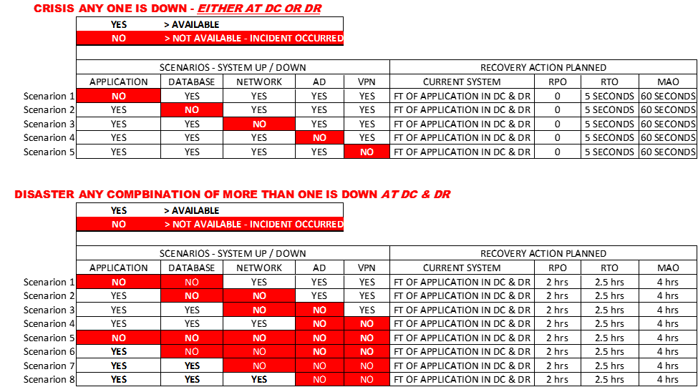
 |  |  |  |  | Disaster Scenrios 1 TO 8

 |  |  |  |  | RECOVERY STEPS TO MINIMUM ACCEPTABLE LEVELS - FOR THE IDENTIFIED MBCO PROCESSES
 |  |  |  | Scenrario 1 to Scenario 2 | Action 1 | Action 2 | Action 3 | Action 4 | Action 5
 |  |  |  |  | Retrieve Backup from DR Site for Asset(s) which are down in local server | Configure the Backed Up Data with the APP, AD & VPN and make available for the User | The users can now login to the App with backup data and update the transactions for the lost time and bring to live situatuion for | Ensure the fulty Assets are rectified within maximum of 2 hrs ( Note Action 4 & 5 can be executed in parallel to Action 1 to 3, by a different teams ) | Update the Data from Local Server to Data Base at DC & DR and give access to the users for Normal Operations

 |  |  |  |  | RPO = 2 HOURS |  | RTO = 2.5 HRS | MAO = 4 HRS

<I> BRP TESTING
XYZ COMPANY LTD. | APEX MANUAL | ISO 22301:2019

TESTING OF BUSINESS RECOVERY PLANS

ACTUAL TESTING OF ALL DISASTER SCENRATIOS - TIMINGS ARE
 |  |  | RPO = 1 HOUR | RPO = 1.5 HOURs | MAO = 2 HOUR

CHANGE MANAGEMENT 2
XYZ COMPANY LTD. |  | APEX MANUAL | ISO 22301:2019 | THE CORRECT VERSION - UPDTED FROM ACTUALTEST RESULTS

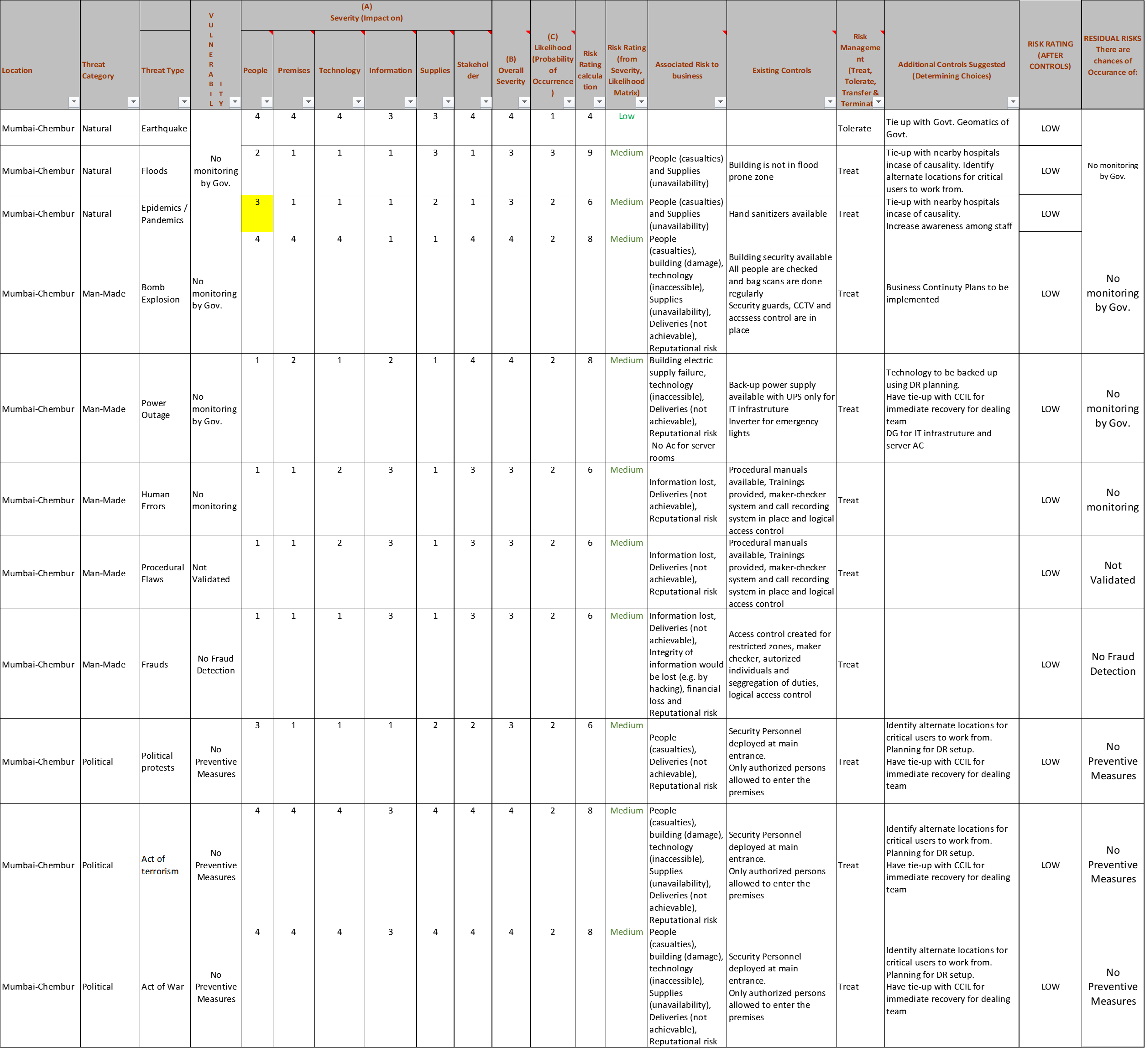
 | 8.2 | BUSINESS IMPACT ANALYSIS |  |  |  |  |  | BUSINESS IMPACT ANALYSIS
 |  |  |  |  | CORRECTED BIA CALCULATIONS
 |  |  |  |  | RPO | RTO | MAO
 |  |  |  |  | 1 Hrs | 1.5 Hrs | 2 Hrs

