Test Results
1 | Login with valid credentials | Passed |  | None | None | User should be logged in successfully | User logged in successfully | Android | No issues
3 | Search the product | Passed |  | None | None | User should search desired product | As expected | Android | No issues
4 | Add Product | Fail |  | High | Check the Xpath"s | Product need to add in Cart | Failed due to xpath | Android | check steps
5 | Login with valid credentials | Passed | 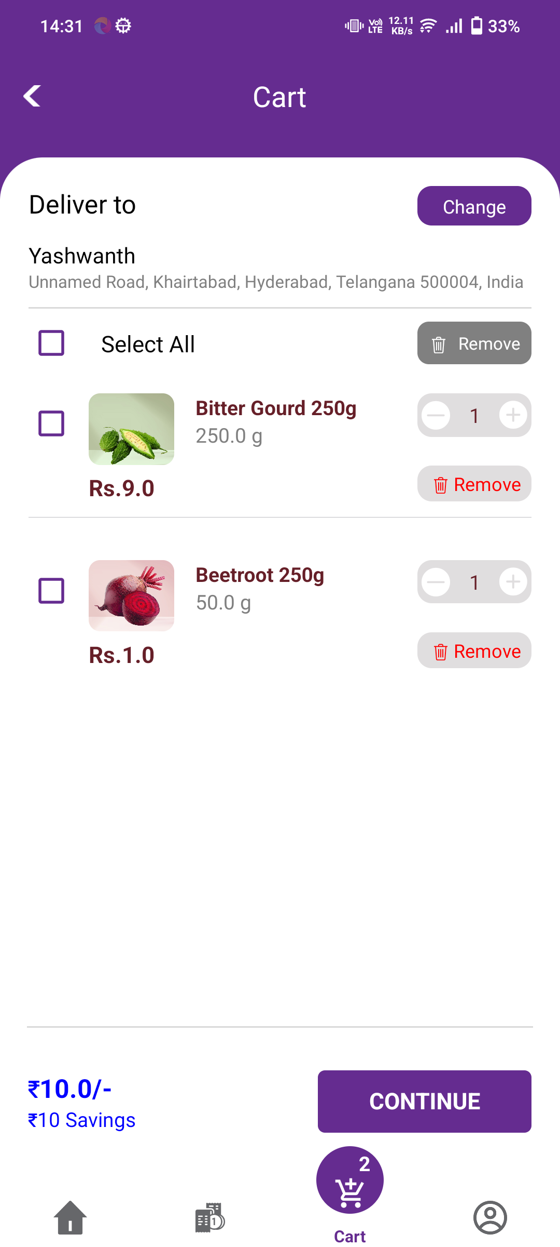 | None | None | User should be logged in successfully | User logged in successfully | Android | No issues
5 | cart page functionality | Passed | 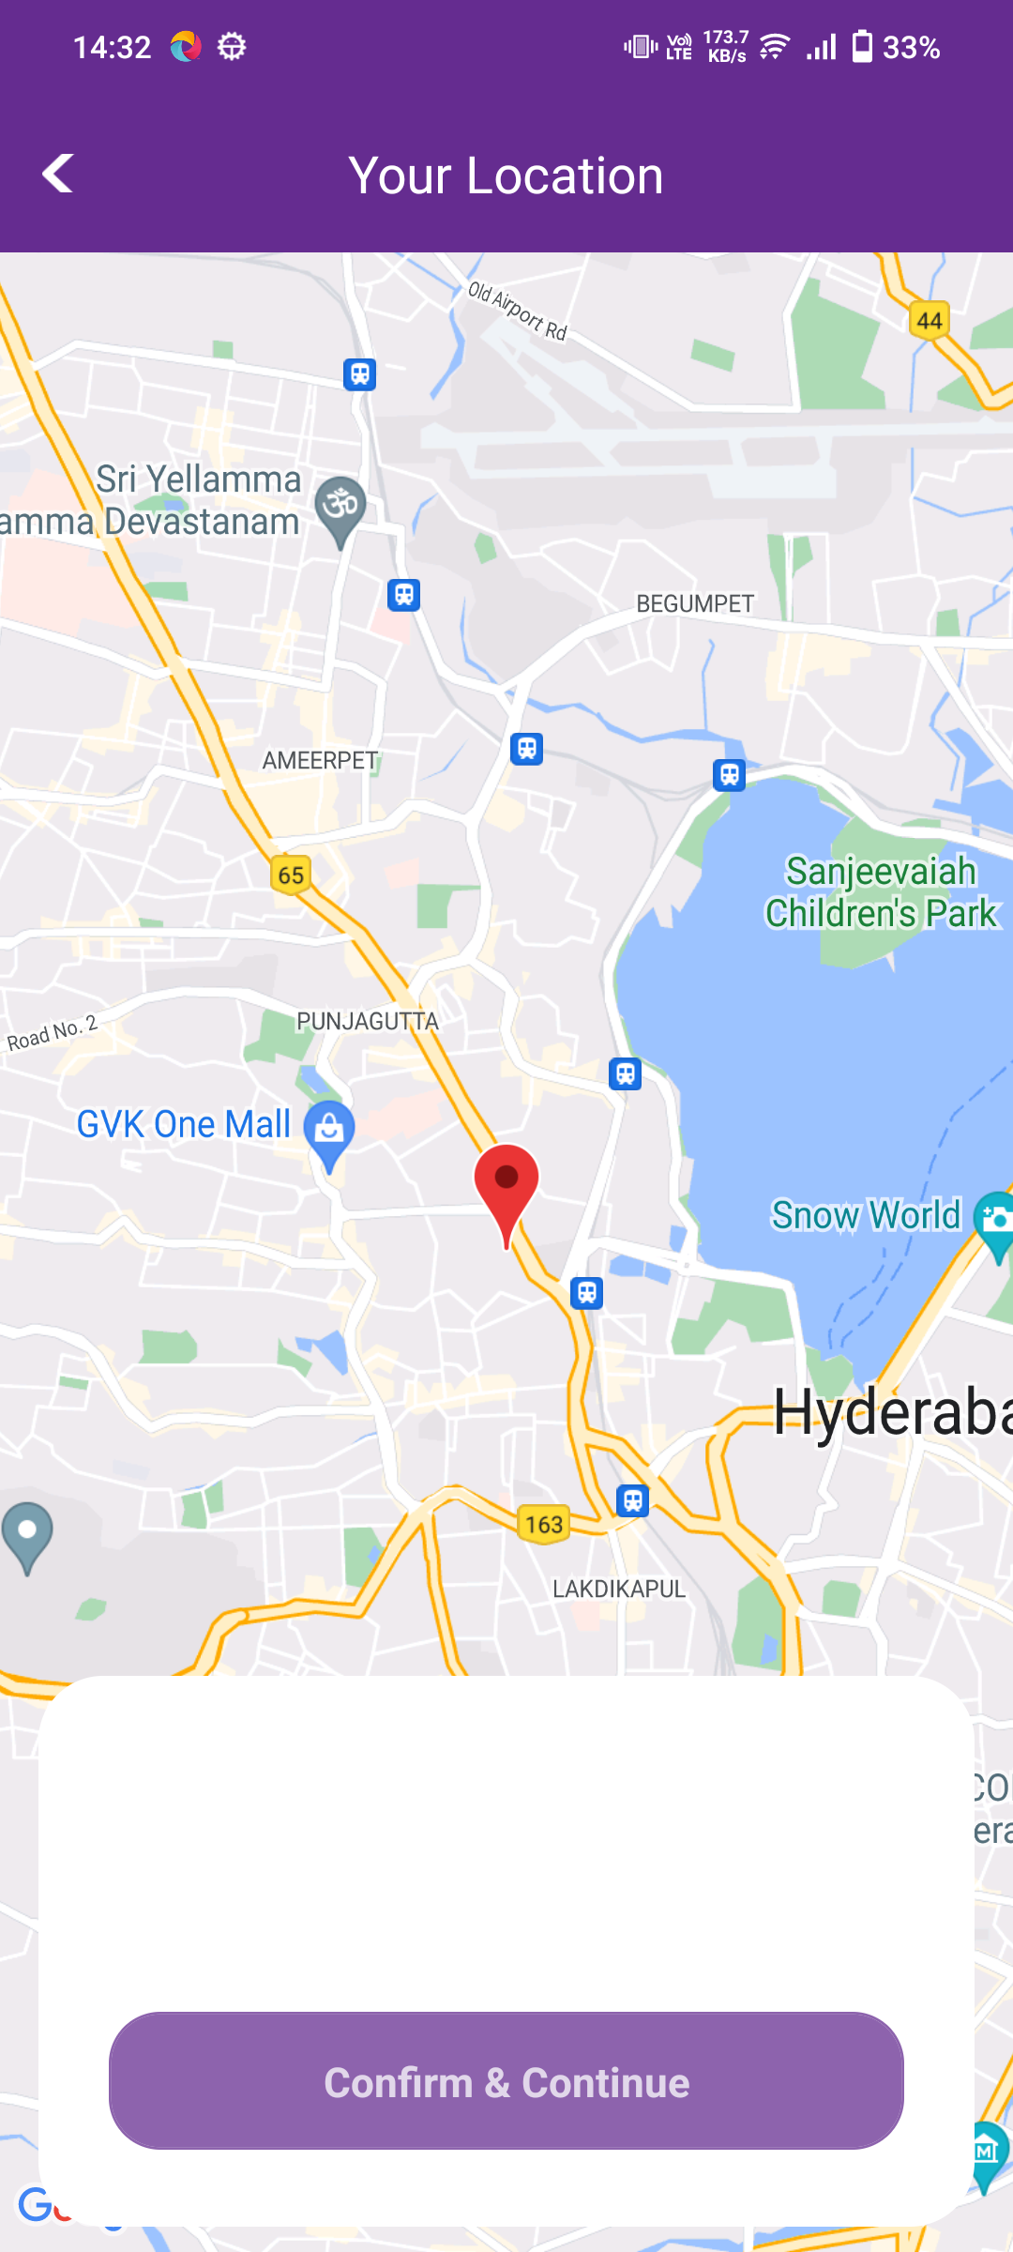 | None | None | Need to add,decrease and remove the products | As expected | Android | No issues
3 | Register with valid credentials | Failed | 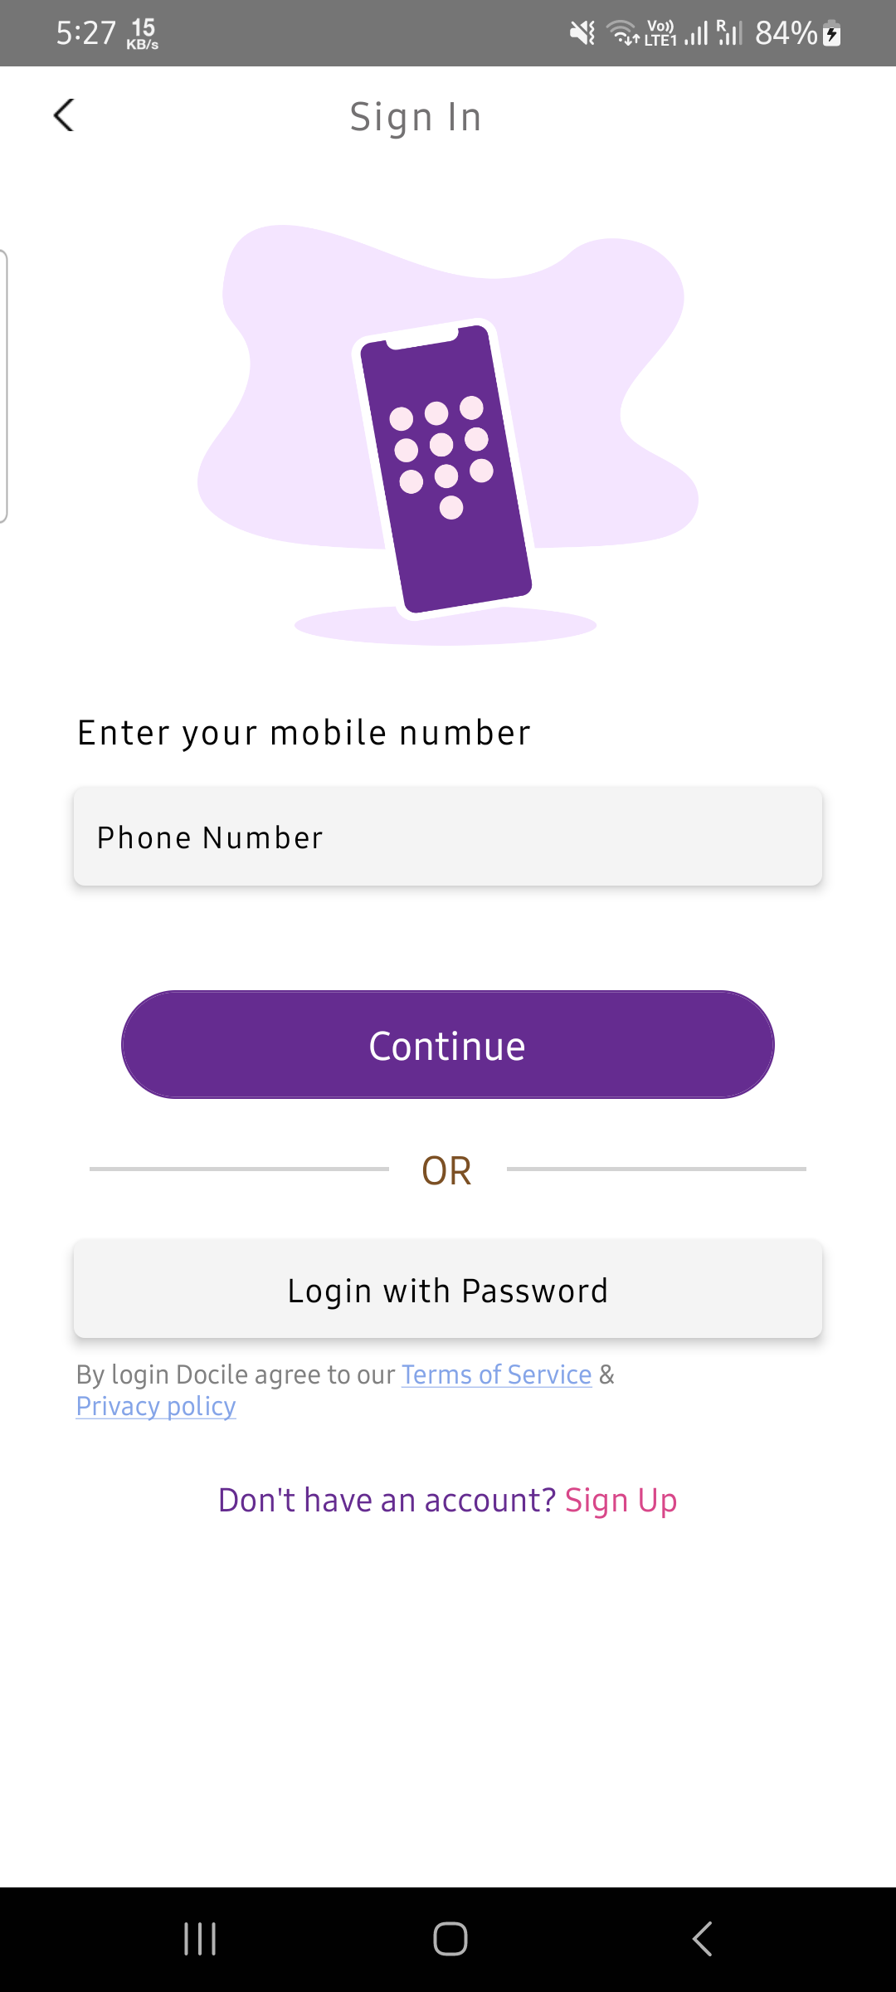 | High | 1. Open app 2. Click on signup 3. Enter valid credentials | User should be Registered in successfully | Registration failed due to invalid credentials | Android | Error encountered

