Test Results
Issue ID | Issue Description | Test Result | Screenshot | Severity Level | Steps to Reproduce | Expected Behavior | Actual Behavior | Device/Platform | Additional Notes/Comments
1 | Registered using correct mobile no. | Passed | 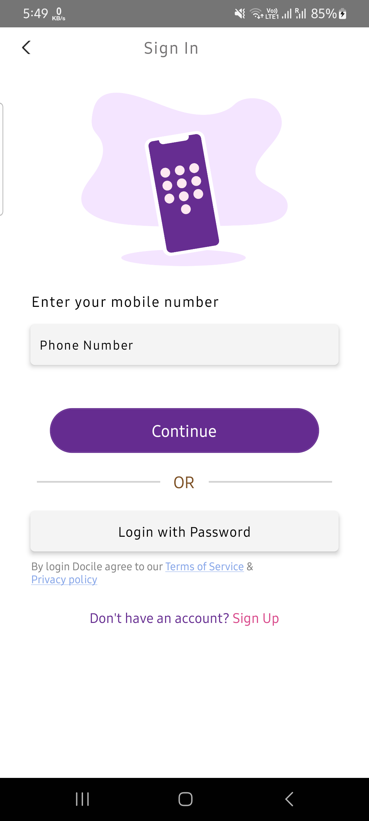 | None | None | User should registered successfully | As Expected | Android | No issues
1 | Login with valid credentials | Failed |  | High | 1. Open app 2. Enter valid credentials | User should be logged in successfully | Login failed | Android | Error encountered

