Test Results
8 | Account Page verified | fail | 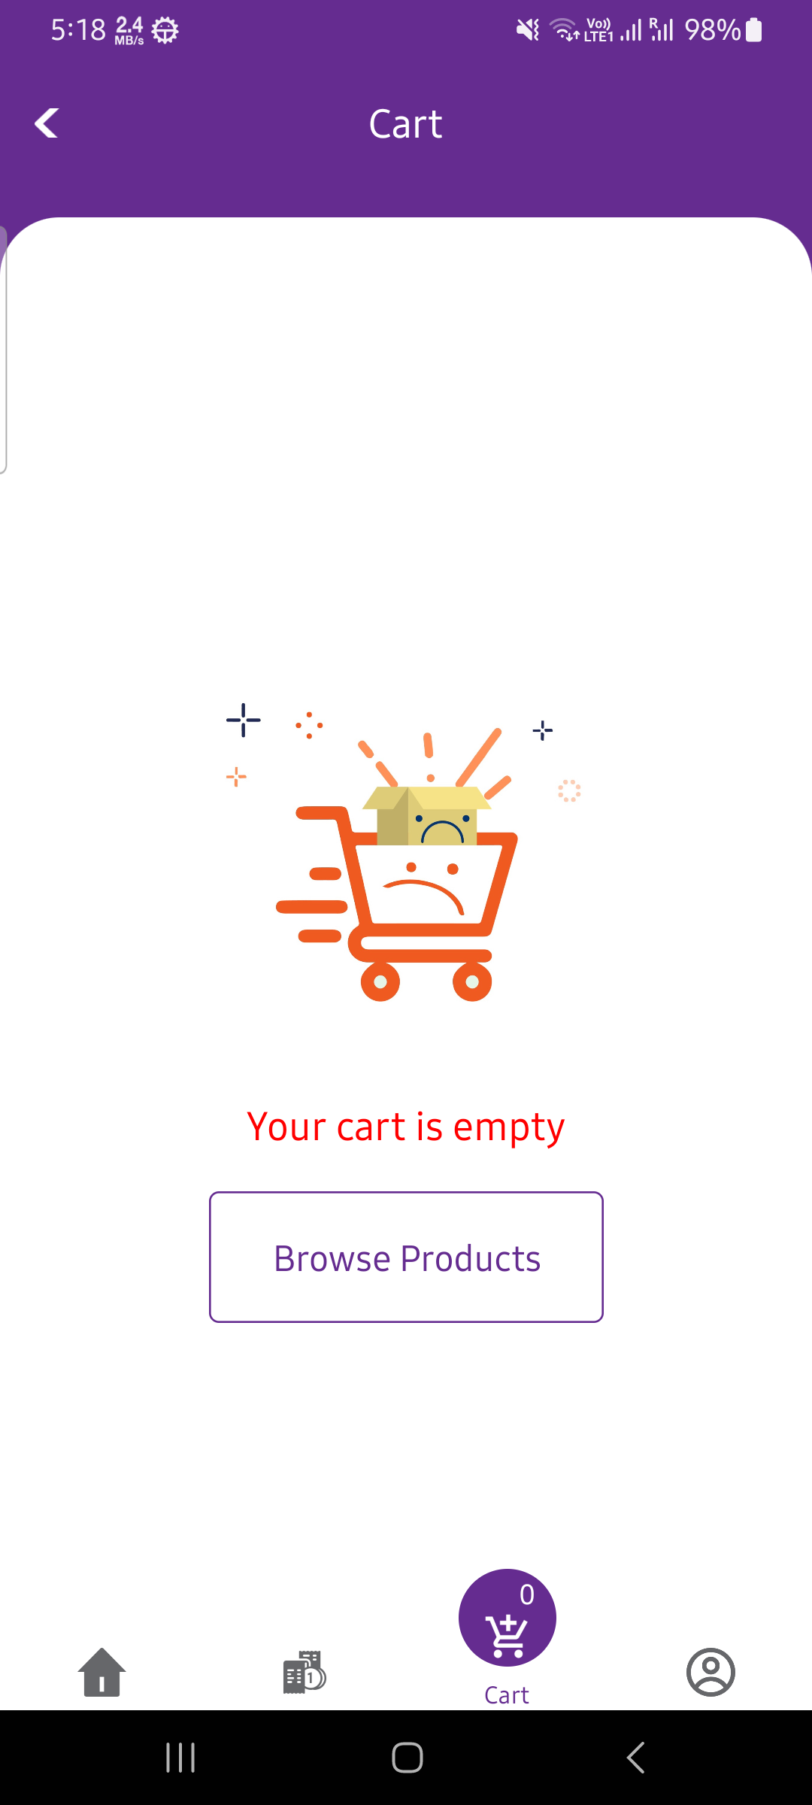 | High | check the functionality of button manually | Account Page verified | As expected | Android | No issues
8 | Account Page verified | fail | 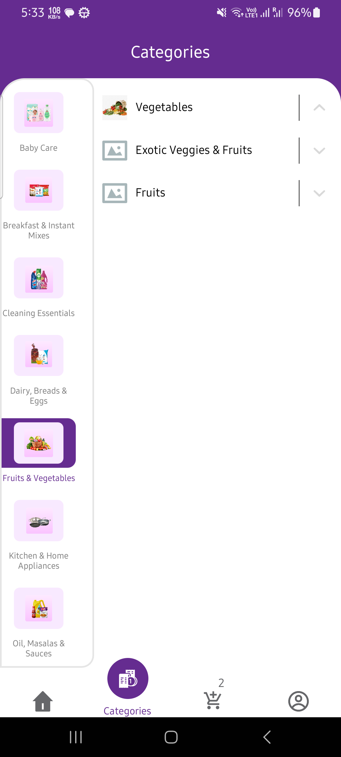 | High | check the functionality of button manually | Account Page verified | As expected | Android | No issues

