Test Results
Issue ID | Issue Description | Test Result | Screenshot | Severity Level | Steps to Reproduce | Expected Behavior | Actual Behavior | Device/Platform | Additional Notes/Comments
1 | Login with valid credentials | Passed | 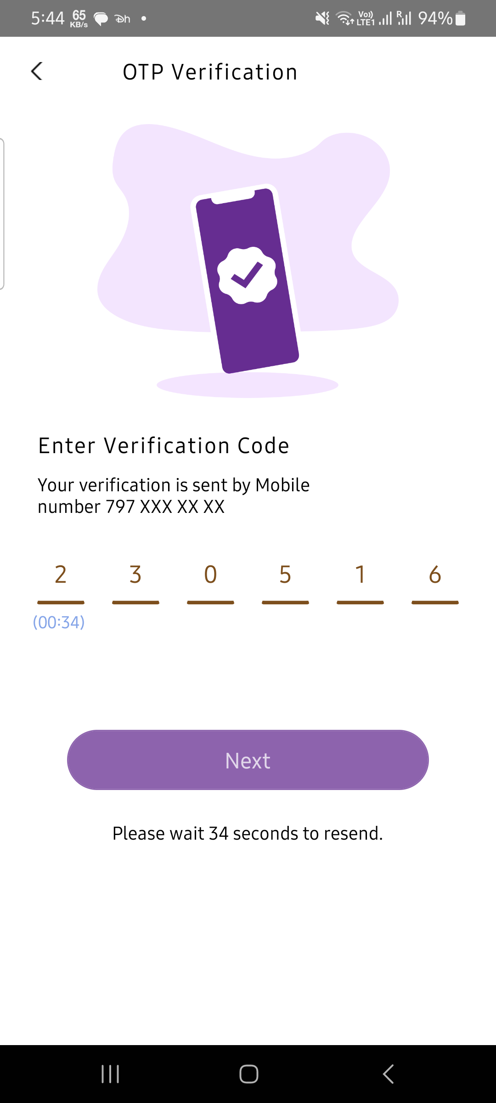 | None | None | User should be logged in successfully | User logged in successfully | Android | No issues

