Example3
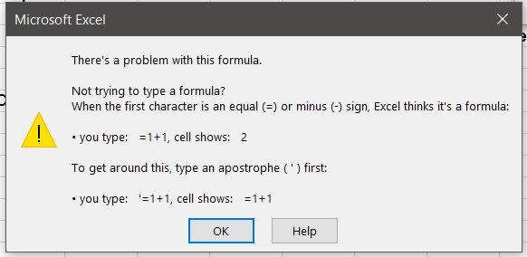
34 | 3. Using Logical Functions (AND, OR) in Conditional Formatting:
50 | You can combine logical functions like AND and OR in your formula to create more complex conditions.
34 | Example 3: Highlight cells where the value is between 50 and 100
51 | Range: A1:A10
55 | Goal: Highlight cells where the value is between 50 and 100.
100 | Formula: =AND(A1>50, A1<100)
101 | Steps:
122 | Select A1:A10.
555 | Go to Conditional Formatting → New Rule → Use a formula to determine which cells to format.
1 | Enter the formula: =AND(A1>50, A1<100).
 | Set the format (e.g., fill color: orange).
 | Click OK.

