Brief to Mumbai Studio
OOH Asset Brief
TYPE: |  |  |  | BRAND: |  | DEFENDER |  | MARKET: | Mexico

SUB-TYPE: | Images |  |  |  |  |  |  |  |  | ACCENTURE

 | Campaign name:
 | MX Q4 Paid Media Defender Campaign - Defender Trophy Edition

 | Description (Any additional information to be provided):
 | We require your help on relocate the wordmark, headline, copy and disclaimers respecting the safe zones of the different platforms and according to the brand guidelines.

 | Font details (In case of any font to be used other than brand specific)

 | HUBLINK/Asset ID to access Master Asset package

1x1
9x16
1x1
9x16
1x1
9x16
1x1 |  | https://www.modernluxurydna.com/content/mldna/brands-landing-page/defender/details.html/content/dam/mldna/defender/defender/l663/26my/defender-trophy/global-product-campaign---defender-trophy/L663GLMY26_250324_TROPHYSA_DRONE_1311_1x1.jpg
9x16 |  | https://www.modernluxurydna.com/content/mldna/brands-landing-page/defender/details.html/content/dam/mldna/defender/defender/l663/26my/defender-trophy/global-product-campaign---defender-trophy/L663GLMY26_250324_TROPHYSA_DRONE_1311_9x16.jpg

 | Media Plan
 | Asset |  | Size | Specs | Wordmark | Headline
 | THINK
 |  | Post Story | 1080x1080px 1080x1920px | JPG, PSD | DEFENDER TROPHY

 | CAROUSEL 1
 |  | Post Story | 1080x1080px 1080x1920px | JPG, PSD | DEFENDER TROPHY
 |  | Post Story | 1080x1080px 1080x1920px | JPG, PSD | DEFENDER TROPHY
 |  | Post Story | 1080x1080px 1080x1920px | JPG, PSD | DEFENDER TROPHY
 |  | Post Story | 1080x1080px 1080x1920px | JPG, PSD | DEFENDER TROPHY

 | DO
 |  | Post Story | 1080x1080px 1080x1920px | JPG, PSD | DEFENDER TROPHY

 | TikTok
 |  |  | 750x421 | JPG, PSD | DEFENDER TROPHY |  | CONOCE MÁS

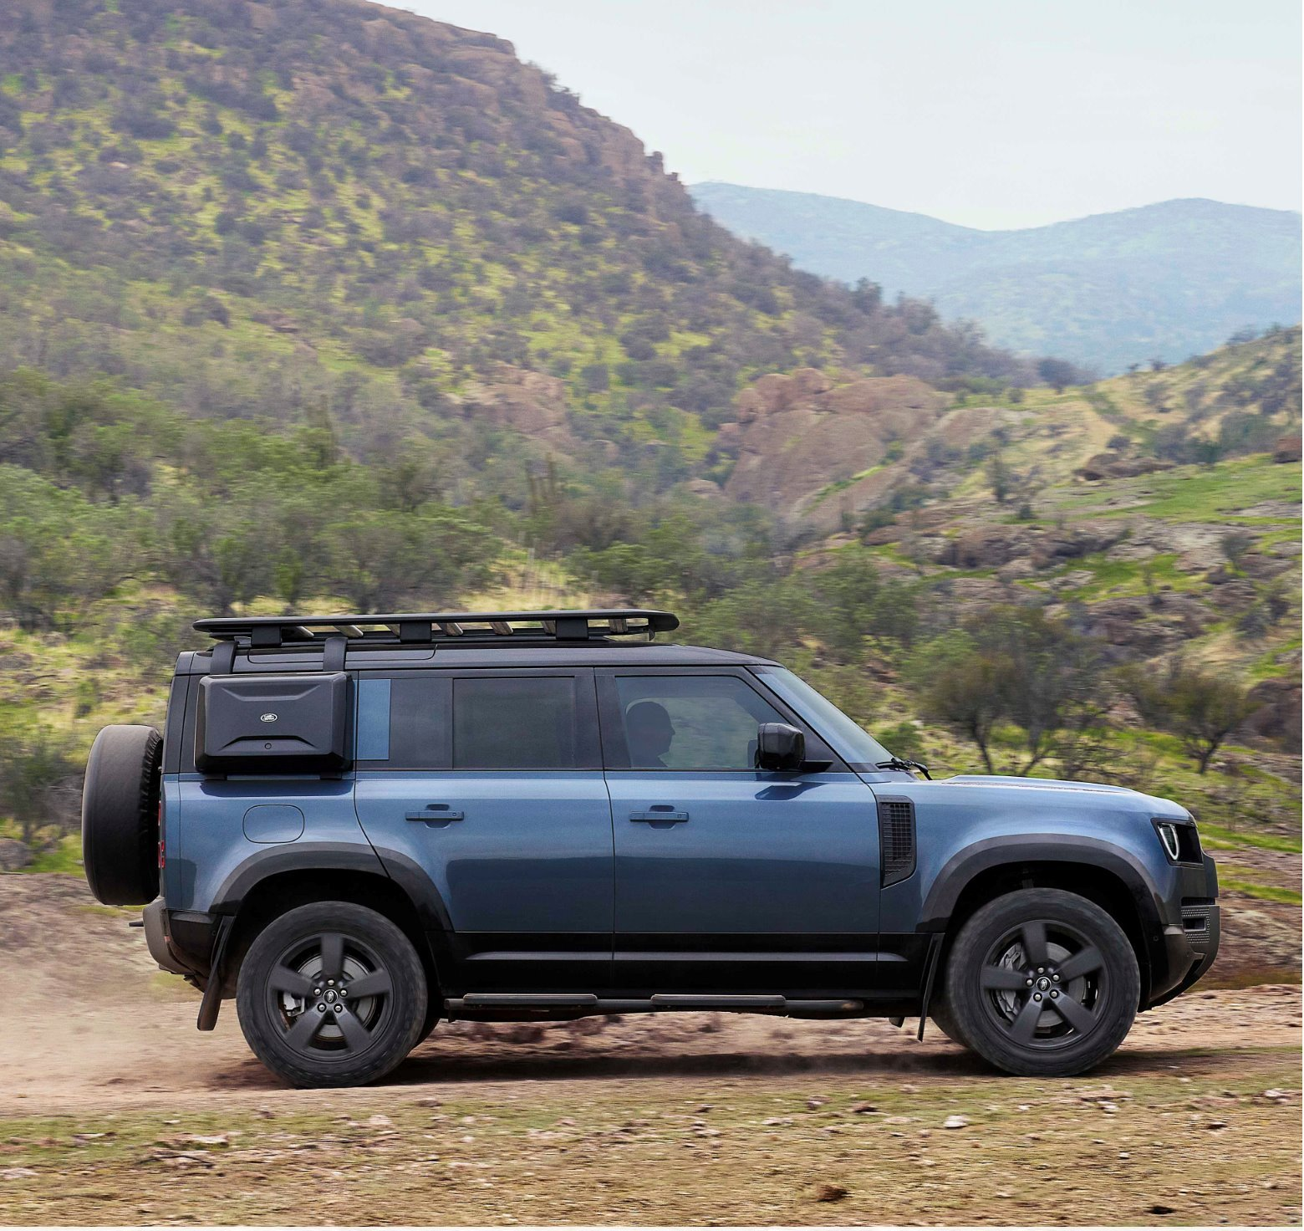
 | Youtube
 |  | 16x9 9x16 | 1600x900 900x1600 | JPG, PSD | DEFENDER TROPHY |  | CONOCE MÁS

