Settings
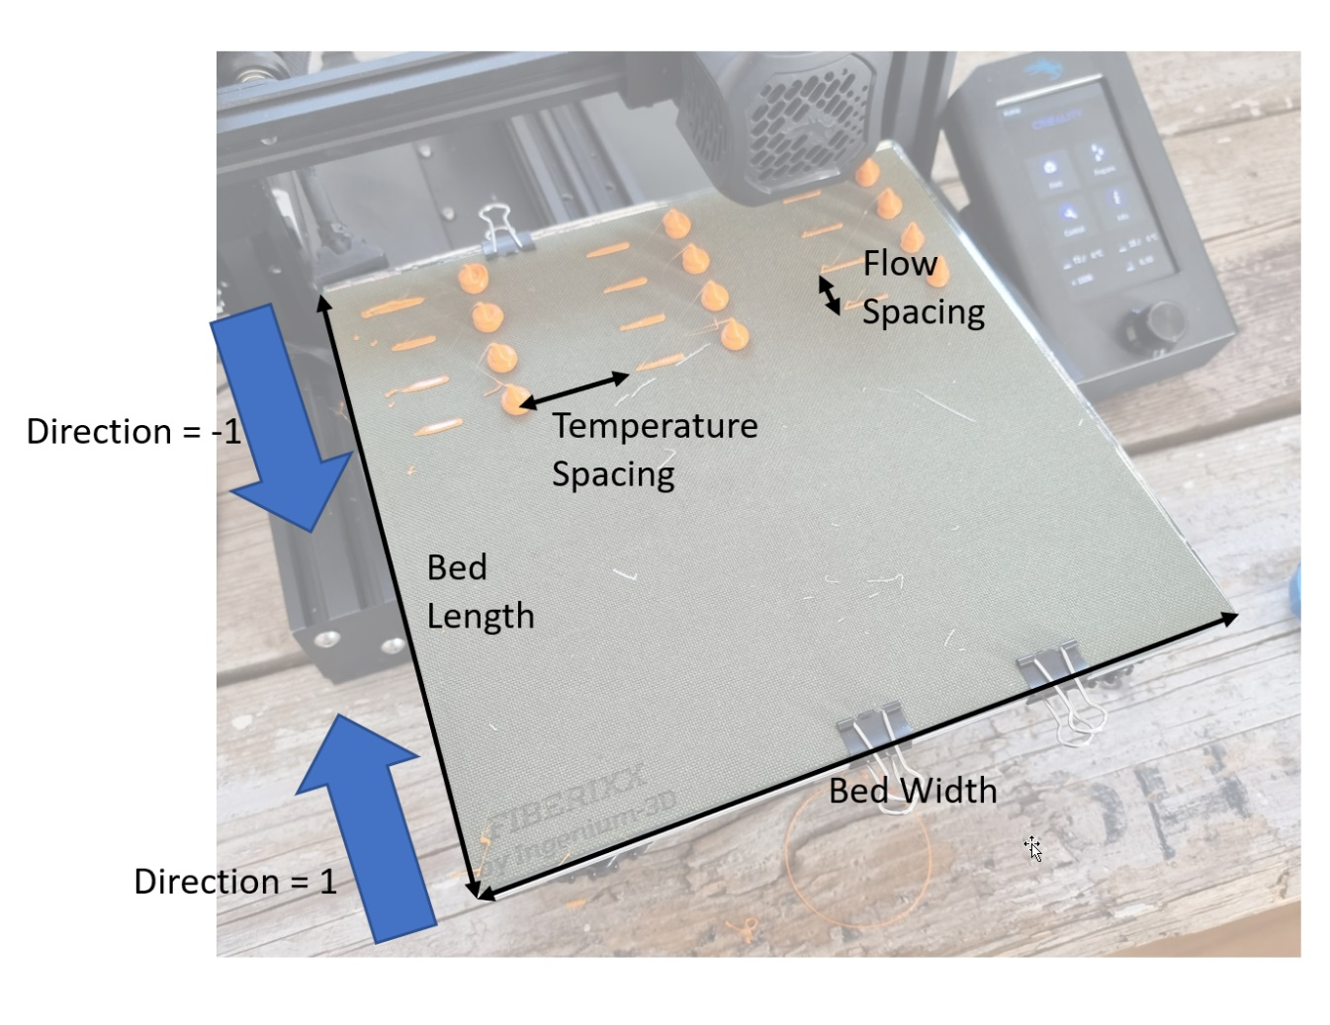
General Settings
Bed Width | 180 | mm
Bed Length | 180 | mm
Bed Margin | 5 | mm
Filament Diameter | 1.75 | mm
Travel Speed | 100 | mm/s
Stabilization Time | 20 | s
Bed Temperature | 70 | °C
Fan Speed | 0 | %

Prime Length | 15 | mm
Prime Amount | 20 | mm | Prime Flow
Prime Speed | 2 | mm/s | 6 | mm³/s
Wipe Length | 10 | mm
Retraction Distance | 1 | mm
Retraction Speed | 50 | mm/s

Blob Height | 10 | mm
Extrusion Amount | 200 | mm

Direction | 1 | 1=front to back, -1=back to front
Temperature Spacing | 20 | mm
Flow Spacing | 20 | mm

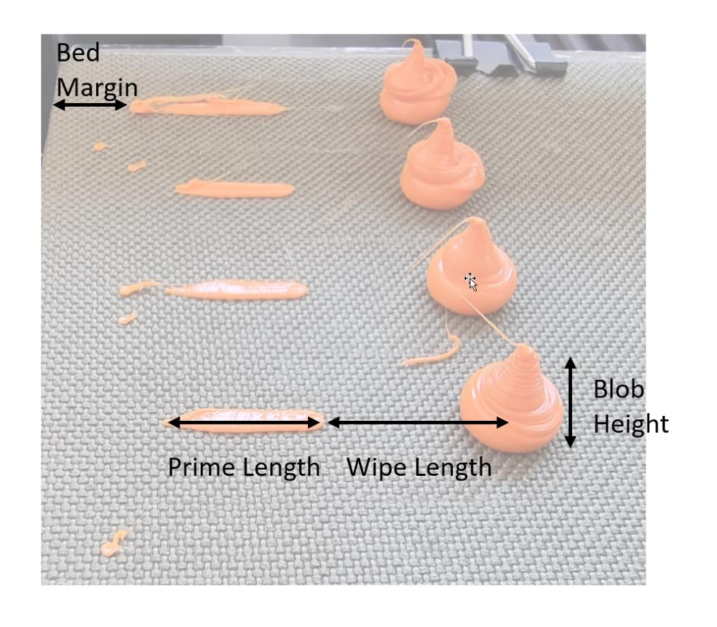
DOE Settings
Flow Variation
Start Flow | 2 | mm³/s
Offset | 3 | mm³/s
Steps | 10
End Flow | 29 | mm³/s

Temperature Variation
Start Temperature | 240 | °C
Offset | 10 | K
Steps | 2 |  | If Steps = 1 "Fill Mode" is used
End Flow | 250 | °C

Comment | Ender-3

SampleEvaluation
 |  | Test 1
 | Printer | Ender-3 Pro
 | Material | DasFilament PLA
 | Temperature / °C | 240 | 250 | 260 | 270 | Brass 250 | Brass 260 | Volcano 250 | Volcano 260 | 250 II | 260 II | 250 F50 | 260 F50 | Vlc 250 F50 | Vlc 260 F50
 | Baseline extrusion | 0.626 | 0.626 | 0.626 | 0.626 | 0.626 | 0.626 | 0.626 | 0.626 | 0.626 | 0.626 | 0.626 | 0.626 | 0.626 | 0.626
 | Baseline deviation | -9.6% | -9.9% | -9.3% | -8.3% | -4.2% | -4.8% | -7.5% | -7.0% | -10.4% | -9.7% | -11.5% | -10.1% | -6.2% | -4.2%
 | Flow rate / mm³/s | weights / g
Input | 2 | 0.566 | 0.564 | 0.568 | 0.574 | 0.600 | 0.596 | 0.579 | 0.582 | 0.561 | 0.565 | 0.554 | 0.563 | 0.587 | 0.600
 | 5 | 0.538 | 0.564 | 0.570 | 0.579 | 0.588 | 0.589 | 0.575 | 0.576 | 0.557 | 0.566 | 0.551 | 0.560 | 0.584 | 0.590
 | 8 | 0.536 | 0.562 | 0.570 | 0.577 | 0.600 | 0.591 | 0.573 | 0.582 | 0.553 | 0.558 | 0.548 | 0.568 | 0.582 | 0.600
 | 11 | 0.544 | 0.568 | 0.570 | 0.579 | 0.587 | 0.589 | 0.577 | 0.574 | 0.552 | 0.566 | 0.552 | 0.568 | 0.586 | 0.595
 | 14 | 0.548 | 0.560 | 0.567 | 0.577 | 0.593 | 0.590 | 0.574 | 0.580 | 0.554 | 0.558 | 0.552 | 0.568 | 0.589 | 0.600
 | 17 | 0.552 | 0.563 | 0.574 | 0.578 | 0.587 | 0.583 | 0.573 | 0.576 | 0.556 | 0.565 | 0.554 | 0.566 | 0.596 | 0.600
 | 20 | 0.552 | 0.560 | 0.565 | 0.574 | 0.590 | 0.586 | 0.576 | 0.579 | 0.556 | 0.560 | 0.551 | 0.573 | 0.591 | 0.600
 | 23 | 0.555 | 0.566 | 0.582 | 0.584 | 0.587 | 0.582 | 0.575 | 0.572 | 0.558 | 0.570 | 0.551 | 0.561 | 0.590 | 0.600
 | 26 | 0.546 | 0.554 | 0.560 | 0.572 | 0.587 | 0.580 | 0.573 | 0.548 | 0.544 | 0.560 | 0.543 | 0.556 | 0.585 | 0.600
 | 29 | 0.522 | 0.542 | 0.554 | 0.571 | 0.574 | 0.571 | 0.549 | 0.554 | 0.534 | 0.559 | 0.513 | 0.534 | 0.565 | 0.585

 |  | 240 | 250 | 260 | 270 | Brass 250 | Brass 260 | Volcano 250 | Volcano 260 | 250 II | 260 II | 250 F50 | 260 F50 | Vlc 250 F50 | Vlc 260 F50
Underextrusion Amount | 2 | -9.6% | -9.9% | -9.3% | -8.3% | -4.2% | -4.8% | -7.5% | -7.0% | -10.4% | -9.7% | -11.5% | -10.1% | -6.2% | -4.2%
 | 5 | -14.1% | -9.9% | -8.9% | -7.5% | -6.1% | -5.9% | -8.1% | -8.0% | -11.0% | -9.6% | -12.0% | -10.5% | -6.7% | -5.8%
 | 8 | -14.4% | -10.2% | -8.9% | -7.8% | -4.2% | -5.6% | -8.5% | -7.0% | -11.7% | -10.9% | -12.5% | -9.3% | -7.0% | -4.2%
 | 11 | -13.1% | -9.3% | -8.9% | -7.5% | -6.2% | -5.9% | -7.8% | -8.3% | -11.8% | -9.6% | -11.8% | -9.3% | -6.4% | -5.0%
 | 14 | -12.5% | -10.5% | -9.4% | -7.8% | -5.3% | -5.8% | -8.3% | -7.3% | -11.5% | -10.9% | -11.8% | -9.3% | -5.9% | -4.2%
 | 17 | -11.8% | -10.1% | -8.3% | -7.7% | -6.2% | -6.9% | -8.5% | -8.0% | -11.2% | -9.7% | -11.5% | -9.6% | -4.8% | -4.2%
 | 20 | -11.8% | -10.5% | -9.7% | -8.3% | -5.8% | -6.4% | -8.0% | -7.5% | -11.2% | -10.5% | -12.0% | -8.5% | -5.6% | -4.2%
 | 23 | -11.3% | -9.6% | -7.0% | -6.7% | -6.2% | -7.0% | -8.1% | -8.6% | -10.9% | -8.9% | -12.0% | -10.4% | -5.8% | -4.2%
 | 26 | -12.8% | -11.5% | -10.5% | -8.6% | -6.2% | -7.3% | -8.5% | -12.5% | -13.1% | -10.5% | -13.3% | -11.2% | -6.5% | -4.2%
 | 29 | -16.6% | -13.4% | -11.5% | -8.8% | -8.3% | -8.8% | -12.3% | -11.5% | -14.7% | -10.7% | -18.1% | -14.7% | -9.7% | -6.5%

Real Flow | 2 | 1.8 | 1.8 | 1.8 | 1.8 | 1.9 | 1.9 | 1.8 | 1.9 | 1.8 | 1.8 | 1.8 | 1.8 | 1.9 | 1.9
 | 5 | 4.3 | 4.5 | 4.6 | 4.6 | 4.7 | 4.7 | 4.6 | 4.6 | 4.4 | 4.5 | 4.4 | 4.5 | 4.7 | 4.7
 | 8 | 6.8 | 7.2 | 7.3 | 7.4 | 7.7 | 7.6 | 7.3 | 7.4 | 7.1 | 7.1 | 7.0 | 7.3 | 7.4 | 7.7
 | 11 | 9.6 | 10.0 | 10.0 | 10.2 | 10.3 | 10.3 | 10.1 | 10.1 | 9.7 | 9.9 | 9.7 | 10.0 | 10.3 | 10.5
 | 14 | 12.3 | 12.5 | 12.7 | 12.9 | 13.3 | 13.2 | 12.8 | 13.0 | 12.4 | 12.5 | 12.3 | 12.7 | 13.2 | 13.4
 | 17 | 15.0 | 15.3 | 15.6 | 15.7 | 15.9 | 15.8 | 15.6 | 15.6 | 15.1 | 15.3 | 15.0 | 15.4 | 16.2 | 16.3
 | 20 | 17.6 | 17.9 | 18.1 | 18.3 | 18.8 | 18.7 | 18.4 | 18.5 | 17.8 | 17.9 | 17.6 | 18.3 | 18.9 | 19.2
 | 23 | 20.4 | 20.8 | 21.4 | 21.5 | 21.6 | 21.4 | 21.1 | 21.0 | 20.5 | 20.9 | 20.2 | 20.6 | 21.7 | 22.0
 | 26 | 22.7 | 23.0 | 23.3 | 23.8 | 24.4 | 24.1 | 23.8 | 22.8 | 22.6 | 23.3 | 22.6 | 23.1 | 24.3 | 24.9
 | 29 | 24.2 | 25.1 | 25.7 | 26.5 | 26.6 | 26.5 | 25.4 | 25.7 | 24.7 | 25.9 | 23.8 | 24.7 | 26.2 | 27.1

