Dashboard v2
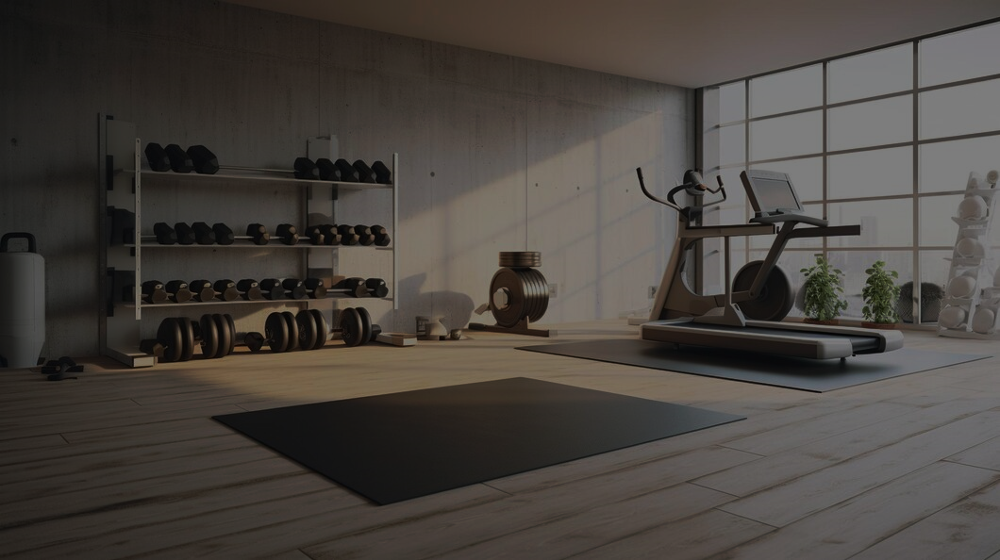
GYM Dataset
Exercise data analysis
FILTERS:

AVERAGES OF FAT PERCENTAGE COMPARED AGAINST WORKOUT FREQUENCY

 | Total
Female | 462
Male | 511
GENDER DEMOGRAPHICS
AGE DEMOGRAPHICS

 | Total
18 | 27
19 | 26
20 | 25
21 | 20
22 | 27
23 | 25
24 | 15
25 | 26
26 | 21
27 | 18
28 | 23
29 | 23
30 | 19
31 | 24
32 | 21
33 | 21
34 | 24
35 | 17
36 | 21
37 | 19
38 | 20
39 | 23
40 | 25
41 | 26
42 | 27
43 | 34
44 | 16
45 | 30
46 | 21
47 | 23
48 | 17
49 | 26
50 | 33
51 | 19
52 | 32
53 | 23
54 | 30
55 | 18
56 | 27
57 | 23
58 | 19
59 | 19
 | 2 | 3 | 4 | 5
1 | 30.32183908 | 30.3
2 |  | 30.187209302 | 29.728971963
3 |  |  | 17.660465116 | 17.346808511
1 | 25.16 | 25.257471264
2 |  | 24.958252427 | 24.9
3 |  |  | 12.406521739 | 12.356363636
WORKOUT FREQUENCY
(days/week)

USAGE ANALYSIS
 | Total
1hr-1hr30mins | 117
1hr30mins-2hrs | 267
2hrs-2hrs30mins | 362
2hrs30mins-3hrs | 113
3hrs + | 83
Under 1 hour | 31
 | Total
2 | 197
3 | 368
4 | 306
5 | 102

SESSION DURATION

EFFECTIVENESS OF WORKOUTS COMPARED IN TERMS OF BFP AND CALORIC BURN

DAYS / WEEK
 | Average of Fat_Percentage - 2 | Average of Fat_Percentage - 3 | Average of Fat_Percentage - 4 | Average of Fat_Percentage - 5 | Average of Calories_Burned - 2 | Average of Calories_Burned - 3 | Average of Calories_Burned - 4 | Average of Calories_Burned - 5
Cardio | 27.46 | 27.71 | 23.94 | 15.41 | 690.44 | 821.77 | 1012.51 | 1238.57
HIIT | 27.05 | 27.73 | 22.89 | 13.52 | 752.79 | 831.64 | 1009.76 | 1300.42
Strength | 27.82 | 28.07 | 24.43 | 14.48 | 789.51 | 802.94 | 986.53 | 1295.27
Yoga | 27.40 | 26.75 | 23.34 | 15.28 | 690.51 | 832.56 | 984.49 | 1271.74
AVG. BFP AND CALORIC BURN FOR DIFFERENT DAYS PER WEEK

Pivot table
Question: How many days a week is enough to maintain a body fat percentage under 20% for both genders? Does experience level matter?

Average of Fat_Percentage | Column Labels
Row Labels | 2 | 3 | 4 | 5 | Grand Total
Female | 30.32183908 | 30.245505618 | 26.269333333 | 17.346808511 | 27.656709957
1 | 30.32183908 | 30.3 |  |  | 30.310614525
2 |  | 30.187209302 | 29.728971963 |  | 29.933160622
3 |  |  | 17.660465116 | 17.346808511 | 17.496666667
Male | 25.16 | 25.095263158 | 21.216025641 | 12.356363636 | 22.553816047
1 | 25.16 | 25.257471264 |  |  | 25.203045685
2 |  | 24.958252427 | 24.9 |  | 24.928169014
3 |  |  | 12.406521739 | 12.356363636 | 12.379207921
Grand Total | 27.439593909 | 27.586413043 | 23.693137255 | 14.655882353 | 24.976772867
Observation: It seems that for both genders higher experience level ties in to more sessions per week and lower levels of body fat

Question: Identify which workouts burn the most calories and result in the lowest body fat for each frequency.
Experience_Level | (All)
Gender | (All)
Session duration (in minutes) | (All)

 | Column Labels
 | Average of Fat_Percentage |  |  |  | Average of Calories_Burned |  |  |  | Total Average of Fat_Percentage | Total Average of Calories_Burned
Row Labels | 2 | 3 | 4 | 5 | 2 | 3 | 4 | 5
Cardio | 27.46 | 27.71 | 23.94 | 15.41 | 690.44 | 821.77 | 1012.51 | 1238.57 | 25.40 | 884.51
HIIT | 27.05 | 27.73 | 22.89 | 13.52 | 752.79 | 831.64 | 1009.76 | 1300.42 | 24.46 | 925.81
Strength | 27.82 | 28.07 | 24.43 | 14.48 | 789.51 | 802.94 | 986.53 | 1295.27 | 25.46 | 910.70
Yoga | 27.40 | 26.75 | 23.34 | 15.28 | 690.51 | 832.56 | 984.49 | 1271.74 | 24.48 | 903.19
Grand Total | 27.44 | 27.59 | 23.69 | 14.66 | 726.38 | 821.44 | 997.64 | 1277.57 | 24.98 | 905.42

Observations: Seems there is not much difference in the amount of calories burned and difference in body fat when comparing different workouts; Further digging could be possible

Workouts and their effectiveness

Experience_Level | 2
Question: How important is water intake when it comes to keeping a lower fat level; Does experience correlate to more water intake?
Average of Fat_Percentage | Column Labels
Row Labels | Female | Male | Grand Total
1.5 | 29.308333333 |  | 29.308333333
1.6 | 30.644444444 |  | 30.644444444
1.7 | 30.021428571 |  | 30.021428571
1.8 | 29.636363636 |  | 29.636363636
1.9 | 29.964705882 |  | 29.964705882
2 | 28.773684211 | 26.85 | 28.439130435
2.1 | 30.291304348 | 24.423076923 | 28.172222222
2.2 | 30.353333333 | 26.05 | 28.856521739
2.3 | 30 | 24.3 | 27.328125
2.4 | 30.1 | 25.675 | 28.33
2.5 | 31.825 | 24.86 | 28.659090909
2.6 | 28.553846154 | 22.61875 | 25.279310345
2.7 | 32.15 | 24.684615385 | 25.68
2.8 |  | 25.6 | 25.6
2.9 |  | 24.528571429 | 24.528571429
3 |  | 26.155555556 | 26.155555556
3.1 |  | 25.366666667 | 25.366666667
3.2 |  | 23.571428571 | 23.571428571
3.3 |  | 25.753846154 | 25.753846154
3.4 |  | 25.52 | 25.52
3.5 |  | 25.94 | 25.94
3.6 |  | 23.1 | 23.1
3.7 |  | 24.755555556 | 24.755555556
Grand Total | 29.933160622 | 24.928169014 | 27.307389163

Observation: It seems water by itself does not affect fat percentage; for experienced gym goers bfp is low but that can be attributed to rigurous regimen rather than just water intake
 | Female | Male
1.5 | 29.308333333
1.6 | 30.644444444
1.7 | 30.021428571
1.8 | 29.636363636
1.9 | 29.964705882
2 | 28.773684211 | 26.85
2.1 | 30.291304348 | 24.423076923
2.2 | 30.353333333 | 26.05
2.3 | 30 | 24.3
2.4 | 30.1 | 25.675
2.5 | 31.825 | 24.86
2.6 | 28.553846154 | 22.61875
2.7 | 32.15 | 24.684615385
2.8 |  | 25.6
2.9 |  | 24.528571429
3 |  | 26.155555556
3.1 |  | 25.366666667
3.2 |  | 23.571428571
3.3 |  | 25.753846154
3.4 |  | 25.52
3.5 |  | 25.94
3.6 |  | 23.1
3.7 |  | 24.755555556

To get count of both male and female users |  |  |  |  | Distribution of session duration:
Row Labels | Count of Gender |  |  |  | Row Labels | Count of Session duration (categories)
Female | 462 |  |  |  | 1hr-1hr30mins | 117
Male | 511 |  |  |  | 1hr30mins-2hrs | 267
Grand Total | 973 |  |  |  | 2hrs-2hrs30mins | 362
To get count of all ages |  |  |  |  | 2hrs30mins-3hrs | 113
Row Labels | Count of Age |  |  |  | 3hrs + | 83
18 | 27 |  |  |  | Under 1 hour | 31
19 | 26 |  |  |  | Grand Total | 973
20 | 25
21 | 20 |  |  |  | Row Labels | Count of Workout_Frequency (days/week)
22 | 27 |  |  |  | 2 | 197
23 | 25 |  |  |  | 3 | 368
24 | 15 |  |  |  | 4 | 306
25 | 26 |  |  |  | 5 | 102
26 | 21 |  |  |  | Grand Total | 973
27 | 18
28 | 23
29 | 23
30 | 19
31 | 24
32 | 21
33 | 21
34 | 24
35 | 17
36 | 21
37 | 19
38 | 20
39 | 23
40 | 25
41 | 26
42 | 27
43 | 34
44 | 16
45 | 30
46 | 21
47 | 23
48 | 17
49 | 26
50 | 33
51 | 19
52 | 32
53 | 23
54 | 30
55 | 18
56 | 27
57 | 23
58 | 19
59 | 19
Grand Total | 973

