PS JTAG TAP
back to index
 | no | item | description | support or not | comments | owner | date |  | IR value |  | DR scan legth | comments
 | 1 | support IR length 4bit |  |  |  |  |  |  | others | - | - | reserved
 | 2 | support DR length 2+33+32 = 67bit |  |  |  |  |  |  | 0x1010 | DBGACC | 67
 | 3 | support dasiy chain mode |  |  |  |  |  |  | 0x1110 | IDCODE | 32 | 32'h414e9000 | [31:16]= 0x414e,ascii "AN" / [15:8]=0x90,al9000/[7:0]=0x00, version number
 | 4 | support convert JTAG access to AMBA 2 AHB-32 access,only single,32bit,no byte/halfword |  |  |  |  |  |  | 0x1111 | BYPASS | 1
 | 5 | support max speed 25Mhz
 | 6 | support IEEE 1149.1-compliance
 | 7 |  |  |  |  |  |  | TAP Data definition | Bits | Name | Descrption
 | 8 |  |  |  |  |  |  |  | [1:0] | INSTR | instruction: select the instruction to perform
 | 9 |  |  |  |  |  |  |  |  |  | 00 = reserved. no action
 | 10 |  |  |  |  |  |  |  |  |  | 01 = load reg addr and reg read operation
 |  |  |  |  |  |  |  |  |  |  | 10 = load reg addr and reg write operation
 |  |  |  |  |  |  |  |  |  |  | 11 = reserved. no action
 |  |  |  |  |  |  |  |  | [33+1:2] | ADDR | Address: address for reg to be read/write
 |  |  |  |  |  |  |  |  | [33+33:33+2] | DATA | Data: data to be written to a register or read from a register

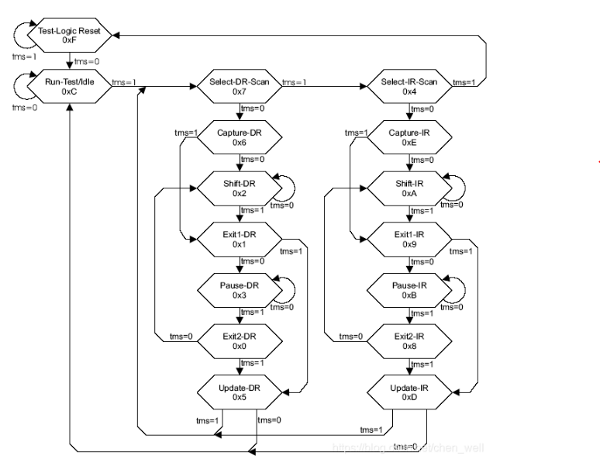

 | a | send read request+addr[18:0](0x05)+data[31:0]xxx
 | b | idle
 | c | send reserved request+addr[18:0](0x05)+data[31:0]xxx, shift tdo data for readback data(0x02004620)
 | d | send write request+addr[18:0](0x05)+data[31:0] (0x02004660)

 |  | To execute a register write, the register address and data for the write operation is shifted into the TAP data register together with the write instruction (INSTR = 2'b10). Once this information has been shifted in, the actual write to the register will complete a maximum of 5 JTAG test clock (tclk) cycles later.
 |  | To execute a read, the register address and read instruction is first shifted into the TAP data register. The actual register read completes a maximum of (8 + DWC_CFG_OUT_PIPE) JTAG test clock cycles later after which the read data is ready to be shifted out of the TAP data reg

reference code from AL6010

