Fig8
Figure 8. Most Housing Market Indicators Remained Positive in 2017
Return to Figure Data Menu
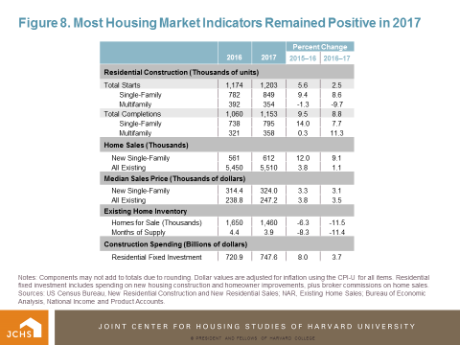

Notes: Components may not add to totals due to rounding. Dollar values are adjusted for inflation using the CPI-U for all items. Residential fixed investment includes spending on new housing construction and homeowner improvements, plus broker commissions on home sales.
Sources: US Census Bureau, New Residential Construction and New Residential Sales; NAR, Existing Home Sales; Bureau of Economic Analysis, National Income and Product Accounts.

