Sheet1
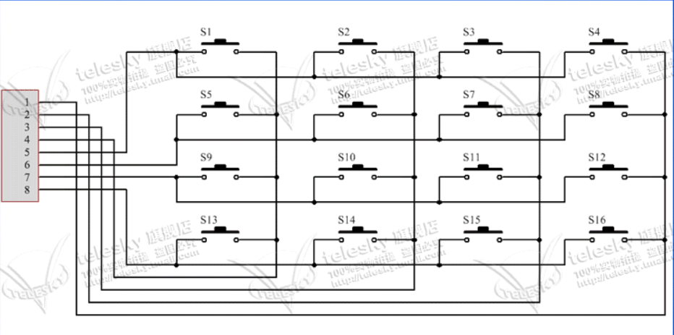
LED
LED0 | PB5
LED1 | PE5

KEY
key_y1 | PD0
key_y2 | PD1
key_y3 | PD2
key_y4 | PD3
key_x1 | PD4
key_x2 | PD5
key_x3 | PD6
key_x4 | PD7

