UK_SUPPLIES
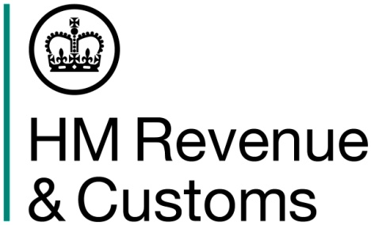
 | VAT Mini One Stop Shop (MOSS) - Union scheme Global VAT return - Page 1 of 2

 | How to complete this Global VAT return:
 | Step 1 – Indicate if you have made taxable supplies from the United Kingdom during this period. Step 2 – If you indicated you have made taxable supplies, enter the details for each Member State of Consumption including the country name, the VAT rate type 'Standard' or ‘Reduced', a valid VAT rate and net value. You must enter values in pounds sterling including pence. The VAT amount due will be automatically calculated when you upload your return. This amount and the total VAT payable will be displayed for you to check. Step 3 - If you have made taxable supplies to Member States of Consumption from fixed establishments in other Member States during this period, enter these details on the second tab of this return. Again the VAT amount due will be automatically calculated and displayed.
 | Important note:
 | Please complete the values on this spreadsheet to 2 decimal points only eg 9999.99. You must not alter the structure or formatting of data in this return. If you do HM Revenue and Customs will not accept your return. You can only upload a maximum of 150 lines, any additional lines will be lost.
 | More information about how to fill in this return is available on GOV.UK by following the link below. You must be connected to the internet to access the guidance.
 |  |  |  |  |  |  | ► | MOSS Online guidance
 |  |  | Quarterly period |  | eg Q1/2015

 |  |  | Taxable supplies from the UK |  | (Yes/No)

 |  | Supplies from United Kingdom

 |  | Item | Member State of Consumption | VAT rate type | VAT rate in Member State (%) | Total net value of supplies (£)
 |  | 1
 |  | 2
 |  | 3
 |  | 4
 |  | 5
 |  | 6
 |  | 7
 |  | 8
 |  | 9
 |  | 10
 |  | 11
 |  | 12
 |  | 13
 |  | 14
 |  | 15
 |  | 16
 |  | 17
 |  | 18
 |  | 19
 |  | 20
 |  | 21
 |  | 22
 |  | 23
 |  | 24
 |  | 25
 |  | 26
 |  | 27
 |  | 28
 |  | 29
 |  | 30
 |  | 31
 |  | 32
 |  | 33
 |  | 34
 |  | 35
 |  | 36
 |  | 37
 |  | 38
 |  | 39
 |  | 40
 |  | 41
 |  | 42
 |  | 43
 |  | 44
 |  | 45
 |  | 46
 |  | 47
 |  | 48
 |  | 49
 |  | 50
 |  | 51
 |  | 52
 |  | 53
 |  | 54
 |  | 55
 |  | 56
 |  | 57
 |  | 58
 |  | 59
 |  | 60
 |  | 61
 |  | 62
 |  | 63
 |  | 64
 |  | 65
 |  | 66
 |  | 67
 |  | 68
 |  | 69
 |  | 70
 |  | 71
 |  | 72
 |  | 73
 |  | 74
 |  | 75
 |  | 76
 |  | 77
 |  | 78
 |  | 79
 |  | 80
 |  | 81
 |  | 82
 |  | 83
 |  | 84
 |  | 85
 |  | 86
 |  | 87
 |  | 88
 |  | 89
 |  | 90
 |  | 91
 |  | 92
 |  | 93
 |  | 94
 |  | 95
 |  | 96
 |  | 97
 |  | 98
 |  | 99
 |  | 100
 |  | 101
 |  | 102
 |  | 103
 |  | 104
 |  | 105
 |  | 106
 |  | 107
 |  | 108
 |  | 109
 |  | 110
 |  | 111
 |  | 112
 |  | 113
 |  | 114
 |  | 115
 |  | 116
 |  | 117
 |  | 118
 |  | 119
 |  | 120
 |  | 121
 |  | 122
 |  | 123
 |  | 124
 |  | 125
 |  | 126
 |  | 127
 |  | 128
 |  | 129
 |  | 130
 |  | 131
 |  | 132
 |  | 133
 |  | 134
 |  | 135
 |  | 136
 |  | 137
 |  | 138
 |  | 139
 |  | 140
 |  | 141
 |  | 142
 |  | 143
 |  | 144
 |  | 145
 |  | 146
 |  | 147
 |  | 148
 |  | 149
 |  | 150

FIXED_ESTABLISHMENT_SUPPLIES
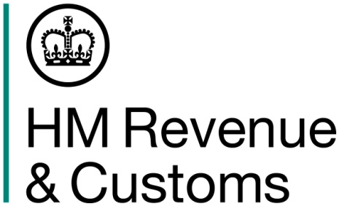
 | VAT Mini One Stop Shop (MOSS) - Union scheme Global VAT return - Page 2 of 2

 | How to complete this Global VAT return:
 | Step 1 – Indicate if you have made taxable supplies to Member States of Consumption from fixed establishments in other Member States during this period. Step 2 – Enter the details of taxable supplies to individual Member States of Consumption from each of your fixed establishments outside the UK. Enter the VAT Registration Number of your fixed establishment (including country prefix e.g. DE for Germany), the Member State of Consumption, the VAT rate type 'Standard' or 'Reduced', a valid VAT Rate and net value. You must enter values in pounds sterling including pence. The VAT amount due will be automatically calculated when you upload your return. This amount and the total VAT payable will be displayed for you to check.

 | Important note:
 | Please complete the values on this spreadsheet to 2 decimal points only eg 9999.99. You must not alter the structure or formatting of data in this return. If you do HM Revenue and Customs will not accept your return. You can only upload a maximum of 150 lines, any additional lines will be lost.
 | More information about how to fill in this return is available on GOV.UK by following the link below. You must be connected to the internet to access the guidance.
 |  |  |  |  |  | ► | MOSS Online guidance
 |  |  | Quarterly period |  | eg Q1/2015

 |  |  | Taxable supplies from fixed establishments |  | (Yes/No)

 |  | Supplies made from fixed establishments outside the UK

 |  | Item | VAT number | Member State of Consumption | VAT rate type | VAT rate in Member State (%) | Total net value of supplies (£)
 |  | 1
 |  | 2
 |  | 3
 |  | 4
 |  | 5
 |  | 6
 |  | 7
 |  | 8
 |  | 9
 |  | 10
 |  | 11
 |  | 12
 |  | 13
 |  | 14
 |  | 15
 |  | 16
 |  | 17
 |  | 18
 |  | 19
 |  | 20
 |  | 21
 |  | 22
 |  | 23
 |  | 24
 |  | 25
 |  | 26
 |  | 27
 |  | 28
 |  | 29
 |  | 30
 |  | 31
 |  | 32
 |  | 33
 |  | 34
 |  | 35
 |  | 36
 |  | 37
 |  | 38
 |  | 39
 |  | 40
 |  | 41
 |  | 42
 |  | 43
 |  | 44
 |  | 45
 |  | 46
 |  | 47
 |  | 48
 |  | 49
 |  | 50
 |  | 51
 |  | 52
 |  | 53
 |  | 54
 |  | 55
 |  | 56
 |  | 57
 |  | 58
 |  | 59
 |  | 60
 |  | 61
 |  | 62
 |  | 63
 |  | 64
 |  | 65
 |  | 66
 |  | 67
 |  | 68
 |  | 69
 |  | 70
 |  | 71
 |  | 72
 |  | 73
 |  | 74
 |  | 75
 |  | 76
 |  | 77
 |  | 78
 |  | 79
 |  | 80
 |  | 81
 |  | 82
 |  | 83
 |  | 84
 |  | 85
 |  | 86
 |  | 87
 |  | 88
 |  | 89
 |  | 90
 |  | 91
 |  | 92
 |  | 93
 |  | 94
 |  | 95
 |  | 96
 |  | 97
 |  | 98
 |  | 99
 |  | 100
 |  | 101
 |  | 102
 |  | 103
 |  | 104
 |  | 105
 |  | 106
 |  | 107
 |  | 108
 |  | 109
 |  | 110
 |  | 111
 |  | 112
 |  | 113
 |  | 114
 |  | 115
 |  | 116
 |  | 117
 |  | 118
 |  | 119
 |  | 120
 |  | 121
 |  | 122
 |  | 123
 |  | 124
 |  | 125
 |  | 126
 |  | 127
 |  | 128
 |  | 129
 |  | 130
 |  | 131
 |  | 132
 |  | 133
 |  | 134
 |  | 135
 |  | 136
 |  | 137
 |  | 138
 |  | 139
 |  | 140
 |  | 141
 |  | 142
 |  | 143
 |  | 144
 |  | 145
 |  | 146
 |  | 147
 |  | 148
 |  | 149
 |  | 150

