Bug Report 1
Bug ID |  | Def-01
Bug Title |  | "Available Options" No selection on the product page "Canon"
Test Case ID |  | TC_OP_02
Bug Description |  | User cannot select from the "Available Options" drop-down list from the "Canon" product page.
Bug Type |  | Functionality defect
Environmet |  | chrome(135.0.7049.85)+windows11
Priority |  | High
Severity |  | Critical

Steps to Reproduce |  |  | Evidence
1 | Open the Home page |  | 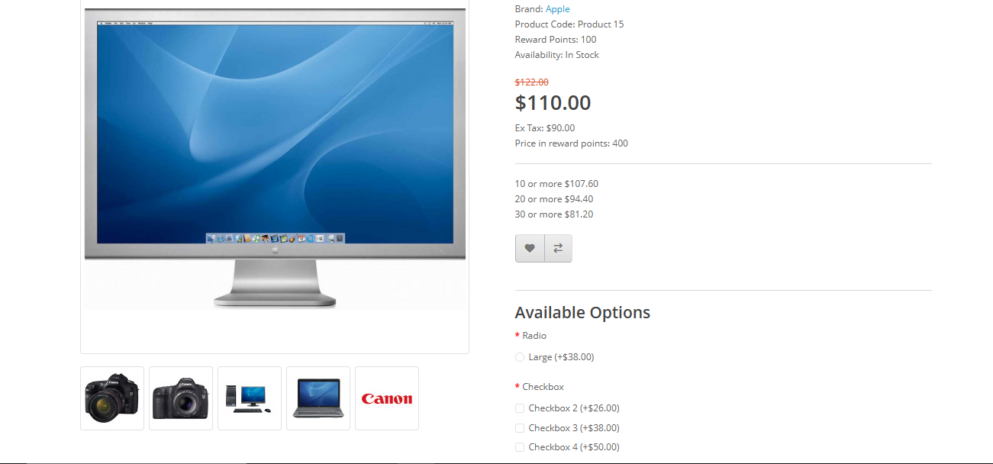
2 | Go down to Featured Products
3 | Click on "Canon EOS 5D"
4 | Select from the "Available Options" drop-down list.
Expected Result
1 | The user is shown a list of available options and can choose any of them.

Actual Result
The user does not see any options when clicking on “Available Options” and the product cannot be placed in the cart. . Wrong Directed link:

Bug Report 2
Bug ID |  | Def-02
Bug Title |  | Invalid payment information not handled during checkout
Test Case ID |  | TC_CO_06
Bug Description |  | The system allows proceeding through the checkout flow without validating the payment information. There is no error shown or validation enforced.
Bug Type |  | Functionality defect
Environmet |  | chrome(135.0.7049.85)+windows11
Priority |  | High
Severity |  | Critical

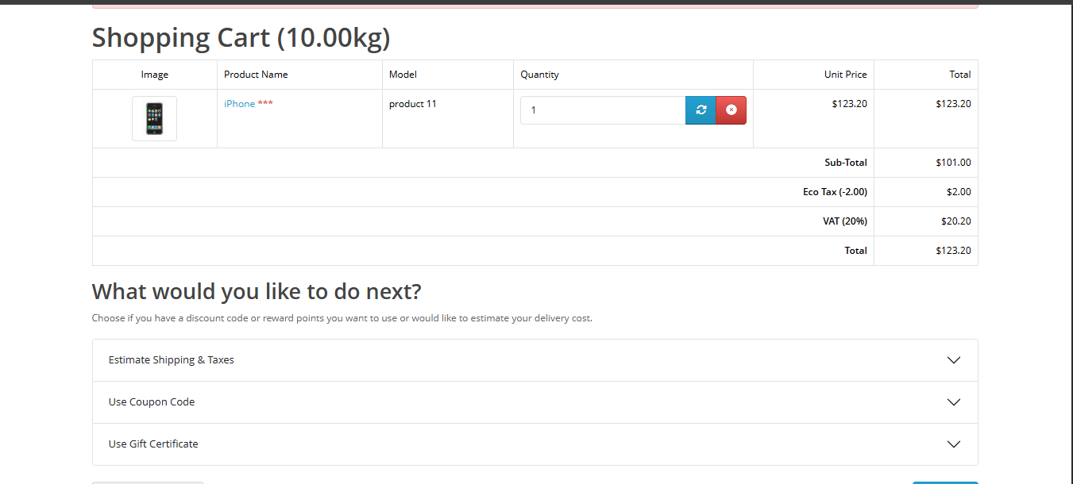
Steps to Reproduce |  |  | Evidence
1 | Open the Home page
2 | Add a product to the cart
3 | Proceed to checkout & Select "Bank Transfer" (or default payment)
4 | Attempt to simulate entering invalid or test credit card info
Expected Result
1 | A validation error is shown indicating the payment method or card number is invalid

Actual Result
No validation occurs. The order proceeds as if payment is accepted

Bug Report 3
Bug ID |  | Def-03
Bug Title |  | User cannot cancel orders with pending status from order history
Test Case ID |  | TC_OP_01
Bug Description |  | The Order History page does not provide an option to cancel orders that are in "Pending" status, leading to incomplete order management for the user.
Bug Type |  | Functionality defect
Environmet |  | chrome(135.0.7049.85)+windows11
Priority |  | Medium
Severity |  | Major

Steps to Reproduce |  |  | Evidence
1 | Login to the store as a registered user |  | 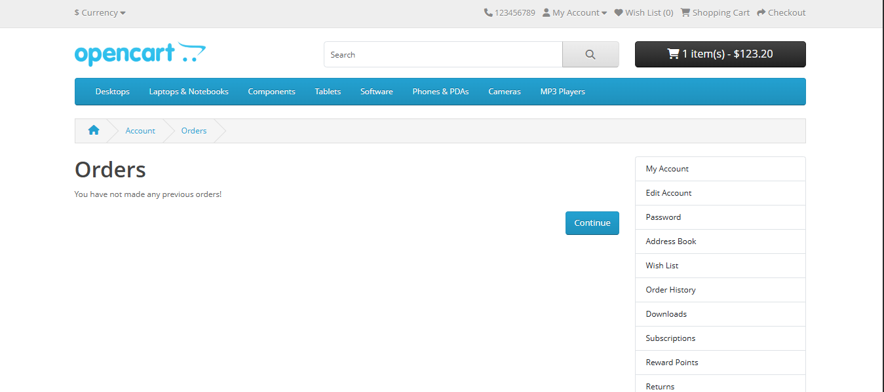
2 | Place an order and allow it to remain in "Pending" status
3 | Navigate to "My Account" > "Order History"
4 | Try to cancel the order
Expected Result
1 | Option to cancel pending order should be present

Actual Result
No option/button is available to cancel pending orders

Bug Report 5
Bug ID |  | Def-05
Bug Title |  | Partial shipment tracking is not supported or shown in order details
Test Case ID |  | TC_OP_09
Bug Description |  | When orders contain multiple products, there's no way to track partially shipped items or view what has been fulfilled
Bug Type |  | Feature Limitation
Environmet |  | chrome(135.0.7049.85)+windows11
Priority |  | Low
Severity |  | Minor

Steps to Reproduce |  |  | Evidence
1 | Place an order with 2+ items |  | 
2 | Navigate to Order History > View
3 | Look for any indication of shipping status per item

Expected Result
1 | Items are marked as shipped/unshipped individually

Actual Result
Entire order is shown as one status; no breakdown by item

Bug Report 6
Bug ID |  | Def-06
Test Case ID |  | TR_14
Bug Title |  | Success message and redirection mismatch on forgot password page
Bug Description |  | When orders contain multiple products, there's no way to track partially shipped items or view what has been fulfilled When a user submits a valid email in the "Forgotten Password" form, the system only displays a message and does not redirect to the login page as expected.
Bug Type |  | Functional Bug
Environmet |  | chrome(135.0.7049.85)+windows11
Priority |  | High
Severity |  | Major

Steps to Reproduce |  |  | Evidence
1 | Redirect to forget password |  | 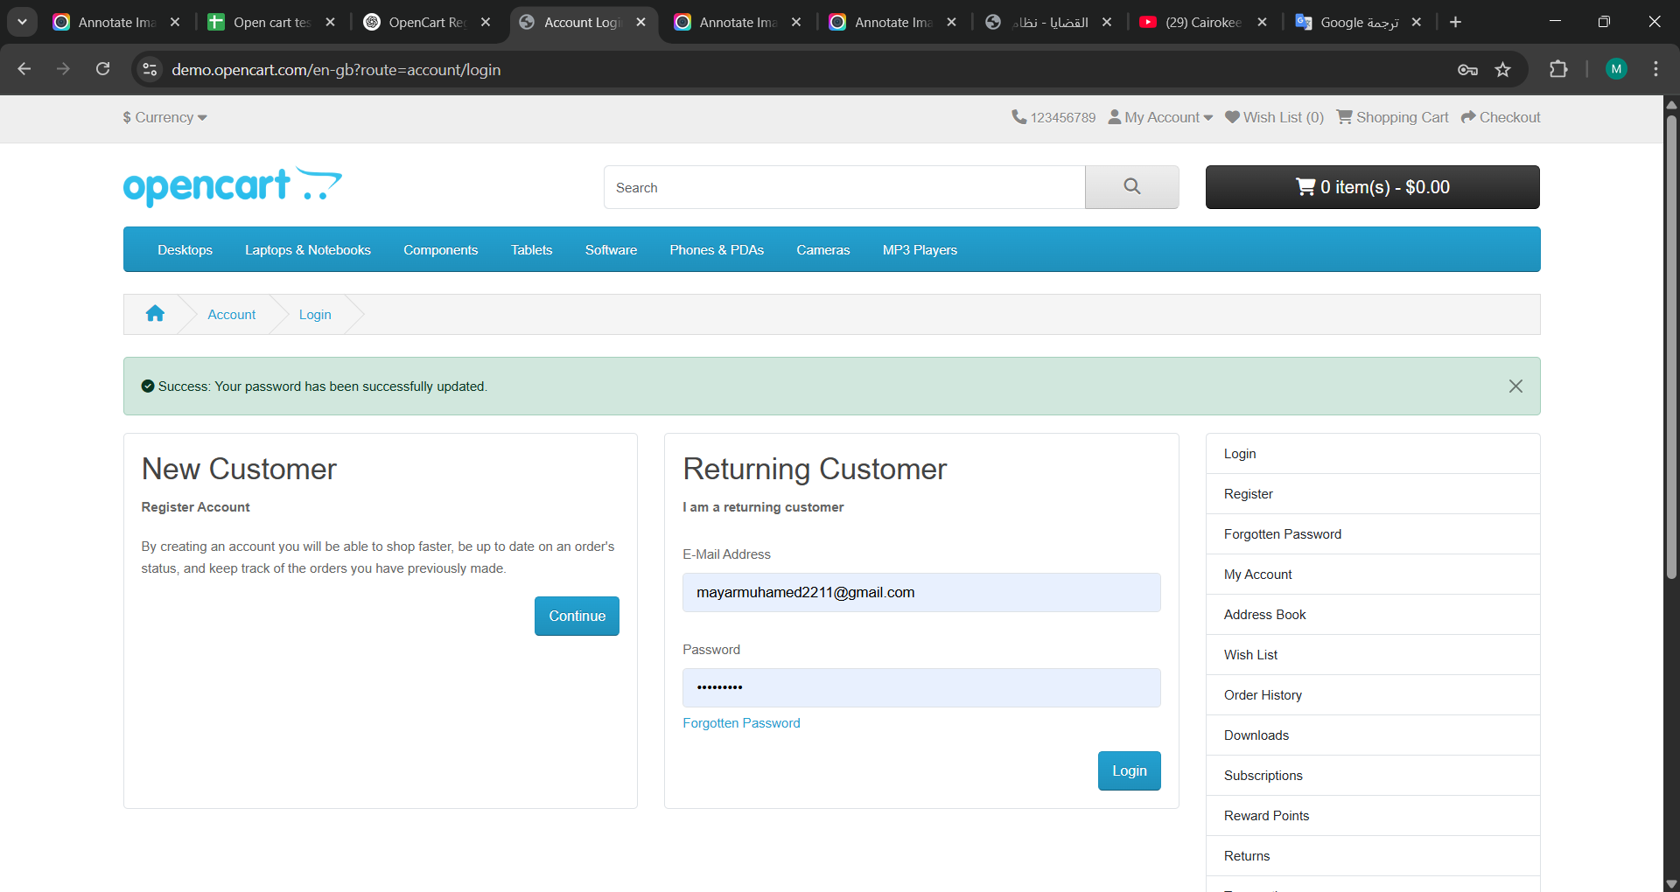
2 | Enter valid Email
3 | Click "Reset my password"

Expected Result
1 | 1-System should display validation messages for "you will receive an email with a link to reset your password." 2-System should redirect to login page

Actual Result
System display validation messages for " Success: Your password has been successfully updated."

Bug report 7
Bug ID |  | Def-07
Test case ID |  | TR_15
Bug Title |  | Incorrect validation message shown for unregistered email on Forgot Password page
Bug Description |  | When a user tries to reset the password using an unregistered email address, the system displays a warning message that differs from the expected validation text.
Bug Type |  | UI/Validation Bug
Environmet |  | chrome(135.0.7049.85)+windows11
Priority |  | Low
Severity |  | Minor

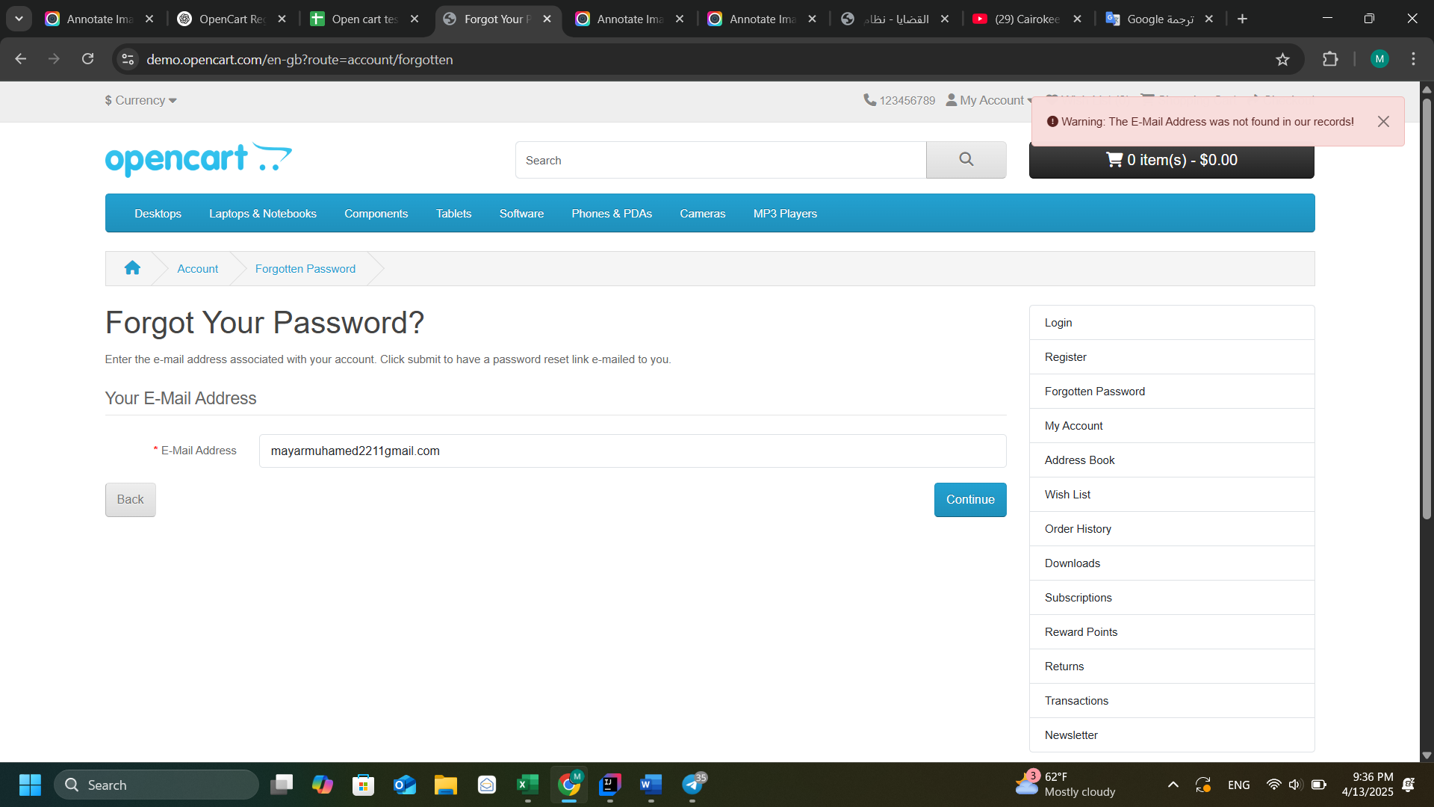
Steps to Reproduce |  |  | Evidence
1 | Go to login page: https://demo.opencart.com/en-gb?route=account/login
2 | Click on "Forgotten Password"
3 | Enter an unregistered email address, e.g., fakeemail123@test.com
4 | Click Continue
Expected Result
1 | 1-System should display validation messages for "you will receive an email with a link to reset your password." 2-System should redirect to login page

Actual Result
System display validation messages for " Success: Your password has been successfully updated."

Bug report 8
Bug ID |  | Def-08
Test case ID |  | TP_10
Bug Title |  | No error displayed when adding product with invalid quantity (e.g. 0 or negative)
Bug Description |  | When a user enters an invalid quantity (0 or negative number) for a product and clicks "Add to Cart", the system still shows a success message and adds the item, instead of validating and showing an error.
Bug Type |  | Functional Bug
Environmet |  | chrome(135.0.7049.85)+windows11
Priority |  | Medium
Severity |  | Major

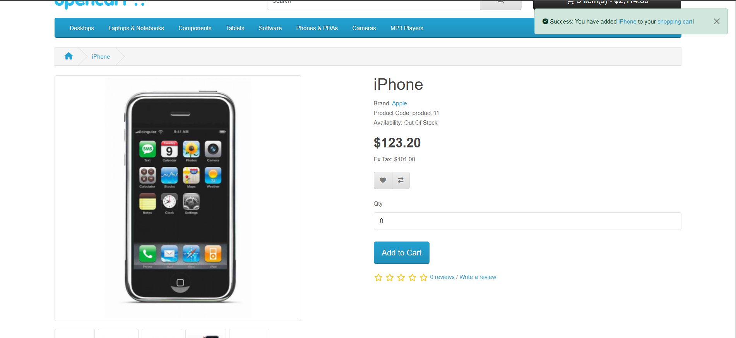
Steps to Reproduce |  |  | Evidence
1 | Go to login page: https://demo.opencart.com/index.php?route=product/product&product_id=42
2 | In the Quantity field, enter 0 or -1.
3 | Click "Add to Cart" button.

Expected Result
1 | System should display an error message like: "Please enter a quantity greater than 0." And the product should not be added to the cart.

Actual Result
System displays success message: "Success: You have added Apple Cinema 30" to your shopping cart! And product is added with invalid quantity.

