Bug Report
Bug ID | Bug_01
Test Case ID | TC_DemoBlaze_016
Bug Title | We contact successfully without entering a contact name
Bug Summary | when we click on contact tab and fill the data without entering contact name we can send a message
Steps To Reproduce | 1-Open the home page of the website 2-Click on contact tab 3-Enter the Contact Email 4-Enter the Message 5-Click on Send message
Expected Result | We shouldn't be able to send a message without entering a contact name
Actual Result | A message is displayed saying " Thanks for the message!! "
Attachments | 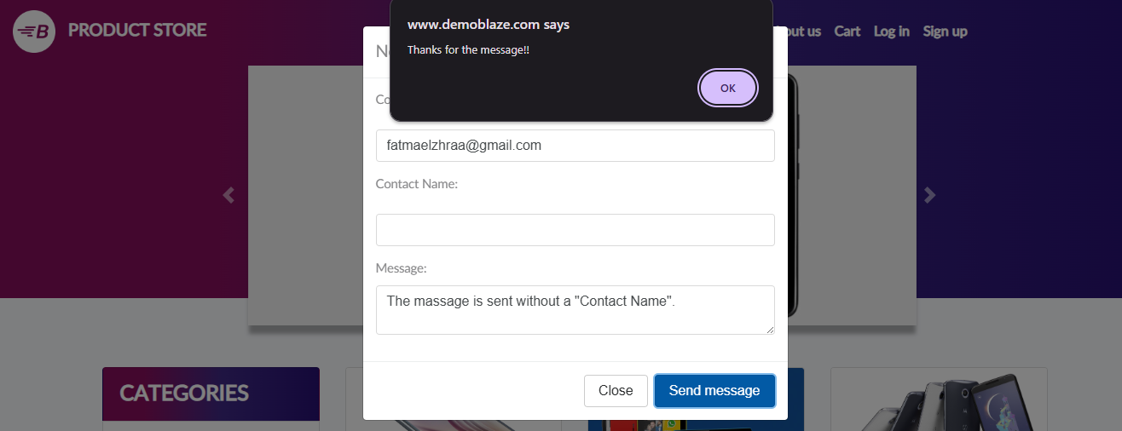

Bug ID | Bug_02
Test Case ID | TC_DemoBlaze_017
Bug Title | We contact successfully without entering contact Email
Bug Summary | when we click on contact tab and fill the data without entering contact Email we can send a message
Steps To Reproduce | 1-Open the home page of the website 2-Click on contact tab 3-Enter the Contact name 4-Enter the Message 5-Click on Send message
Expected Result | We shouldn't be able to send a message without entering a contact Email
Actual Result | A message is displayed saying " Thanks for the message!! "
Attachments | 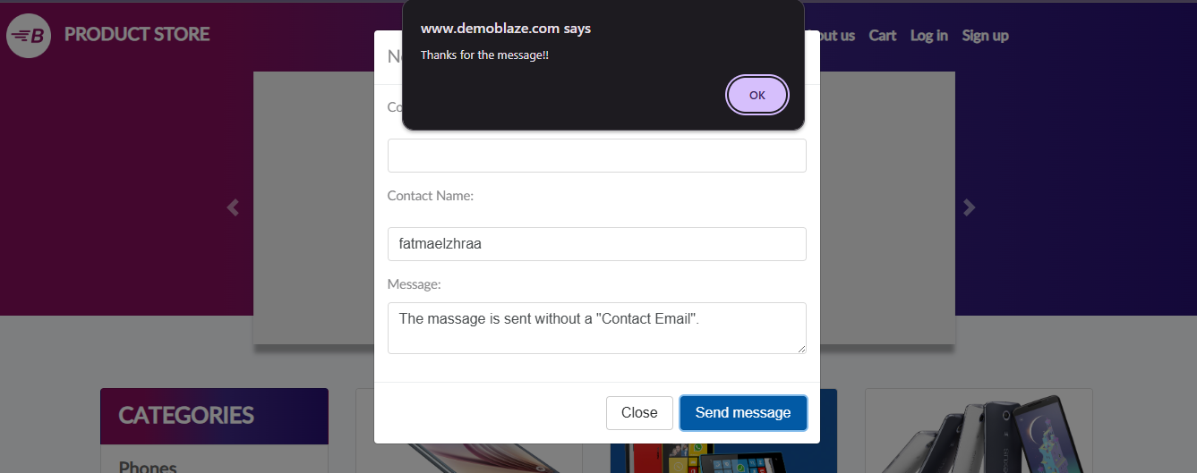

Bug ID | Bug_03
Test Case ID | TC_DemoBlaze_018
Bug Title | We contact successfully without entering a message
Bug Summary | when we click on contact tab and fill the data without entering the message we can send a message
Steps To Reproduce | 1-Open the home page of the website 2-Click on contact tab 3-Enter the Contact Email 4-Enter the Contact name 5-Click on Send message
Expected Result | We shouldn't be able to send an empty message
Actual Result | A message is displayed saying " Thanks for the message!! "
Attachments | 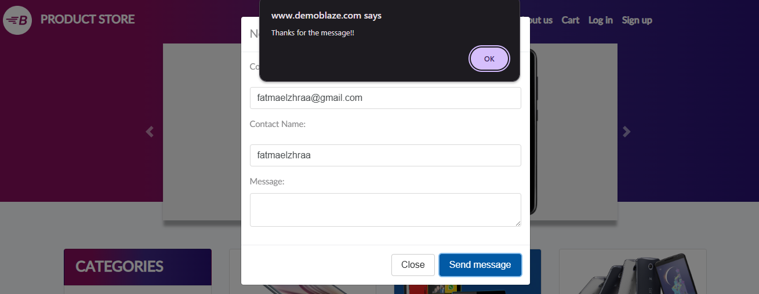

Bug ID | Bug_04
Test Case ID | TC_DemoBlaze_019
Bug Title | We contact successfully with entering wrong email format
Bug Summary | when we click on contact tab and enter a wrong email format, it shows " Thanks for the message!! "
Steps To Reproduce | 1-Open the home page of the website 2-Click on contact tab 3-Enter the Contact Email 4-Enter the Contact name 5-Enter the Message 6-Click on Send message
Expected Result | We shouldn't be able to send a message with a wrong Email Format
Actual Result | A message is displayed saying " Thanks for the message!! "
Attachments | 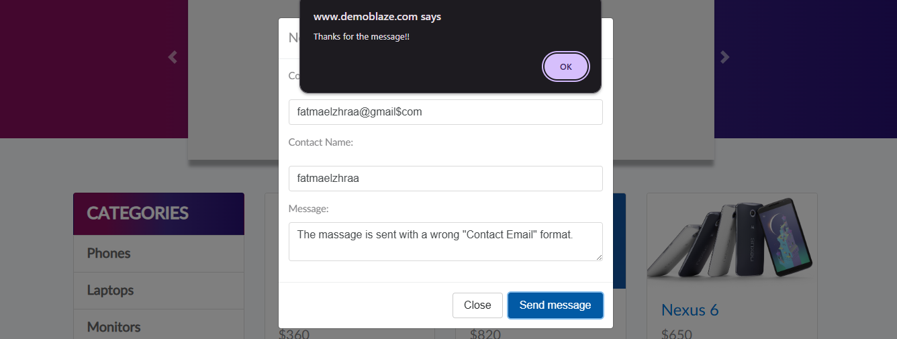

Bug ID | Bug_05
Test Case ID | TC_DemoBlaze_020
Bug Title | We contact successfully with leaving the fields empty
Bug Summary | when we click on contact tab and leave all the fields empty it shows " Thanks for the message!! "
Steps To Reproduce | 1-Open the home page of the website 2-Click on contact tab 3-Enter the Contact Email 4-Enter the Contact name 5-Enter the Message 6-Click on Send message
Expected Result | Make sure to fill all the fields.
Actual Result | A message is displayed saying " Thanks for the message!! "
Attachments | 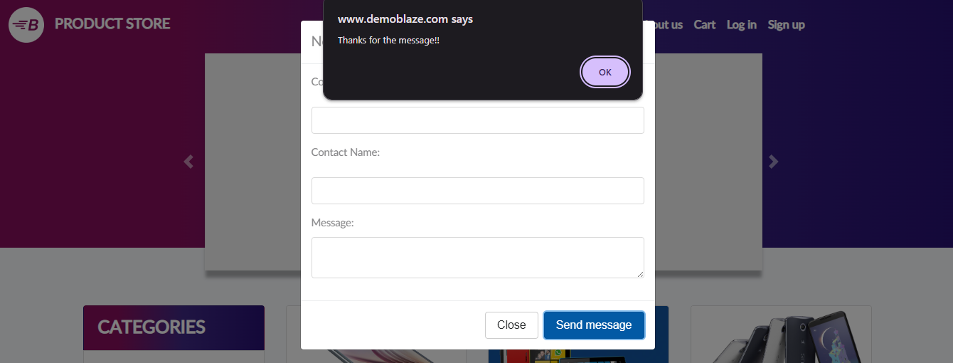

Bug ID | Bug_06
Test Case ID | TC_DemoBlaze_004
Bug Title | The "Previous" button was displayed on the first page.
Bug Summary | when we're in the Home page/First Page the "Previous" button is displayed.
Steps To Reproduce | "1-Navigate to the homepage of Demoblaze. 2-click the ""Previous"" button on the first page."
Expected Result | The "Previous" button should not be displayed on the first page.
Actual Result | The "Previous" button was displayed on the first page.
Attachments | 