Exemplar - Phase 1
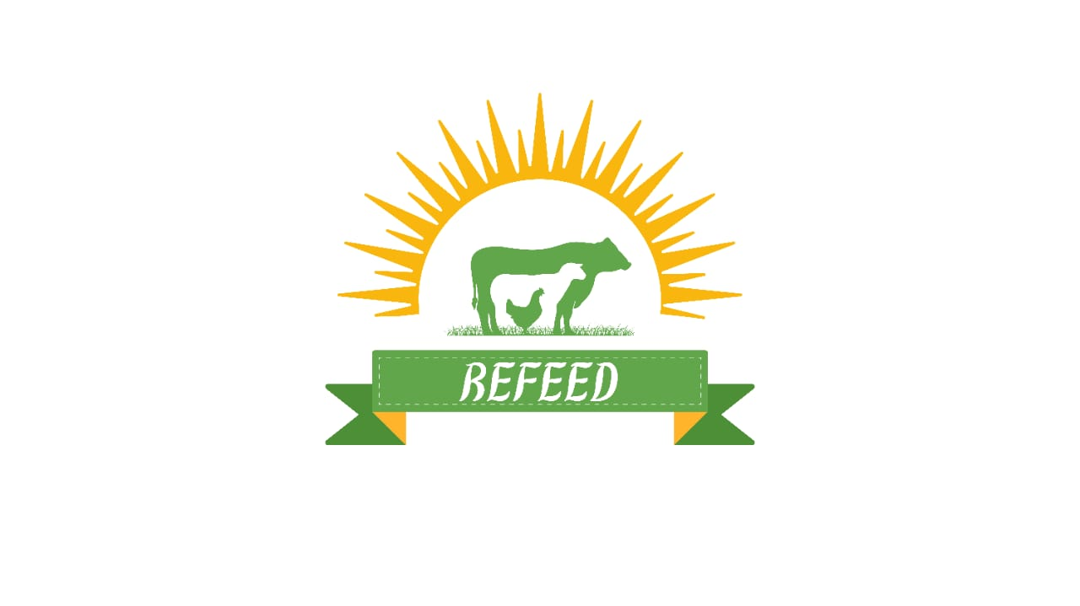
R - Responsible | Completes the deliverable or task.
A - Accountable | Makes final decisions and signs off on task completion. Only 1 per task.
C - Consulted | An advisor, stakeholder, or subject matter expert who offers guidance before an action is taken.
I - Informed | Kept up to date on decisions made.
ReFeed Project | Chairman | CEO | CFO | Investors | Operation Manager | R&D Manager | IT Manager | Supply Chain Manager | Farmers | Co-Farmers | Employees | Project Manager
PHASE 1
Task/Deliverable
1- Secure 10 contracts with local crop suppliers and food waste partners within 6 months. | I | I | C | I | I | I | I | A | I | C | I | R

2- Start test production runs within 12 months and | I | I | C | I | A | I | I | R | I | C | I | C
achieve full-scale production by month 18.

3 - Decrease the company’s reliance on imported feed materials. | I | I | C | I | A | I | I | C | I | C | I | R
by 40% within the first 9 months.

4-Integrate at least 15% food waste in feed formulations | I | I | C | I | I | R | I | I | I | C | I | A
by month 12

5- Launching ERP & Mobile Application within 6 months | I | I | C | I | I | I | A | I | I | I | I | R

6- Deliver 10 training workshops on agricultural technologies and sustainability by the end of year one. | I | I | C | I | I | I | A | I | I | I | I | R

