InstaBug
Bug num | Title | Steps | Devices | Network | Severity | Priority | Impact | Attachment
1 | Language is not changed correctly to any language except the english for example (the japanese). | *Open monefy *Open right side menu *Click on settings. *Change language to the japanese language. *Open the right side menu * The "All" is still in english | Oppo F11 android 10/ Samsung table android 10 | wifi/data | Medium | High | Medium the User Experience. | 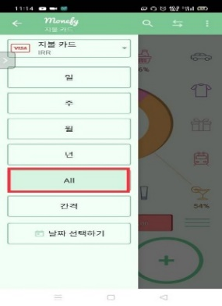 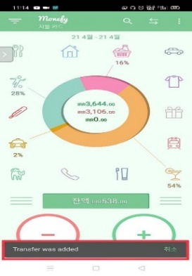
2 | The arrows is intersected in the main page. | *Open monefy *Add 20 categories. *Check The main page view. *The arrows is intersected. | Oppo F11 android 10/ Samsung table android 10 | wifi/data | Low | Low | Low impact on the user interface | 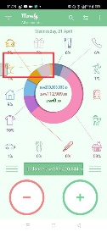
3 | The arrwos is not displayed in the main page | *Open monefy *Add a categorie. *Check The main page view. *The arrows is not viewed successfully. | Oppo F11 android 10/ Samsung table android 10 | wifi/data | Medium | Low | Low impact on the user interface | 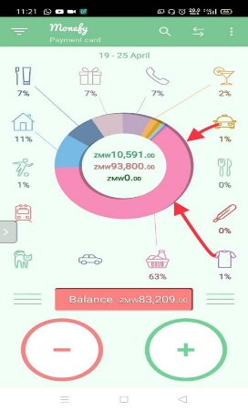
4 | The pro featrue (future recurring records) is checkable in free mode. | *Open monefy *Open right side menu *Click on settings. *Click the future recurring mode *The button is ckekable | Oppo F11 android 10/ Samsung table android 10 | wifi/data | High | High | High impact on the business | 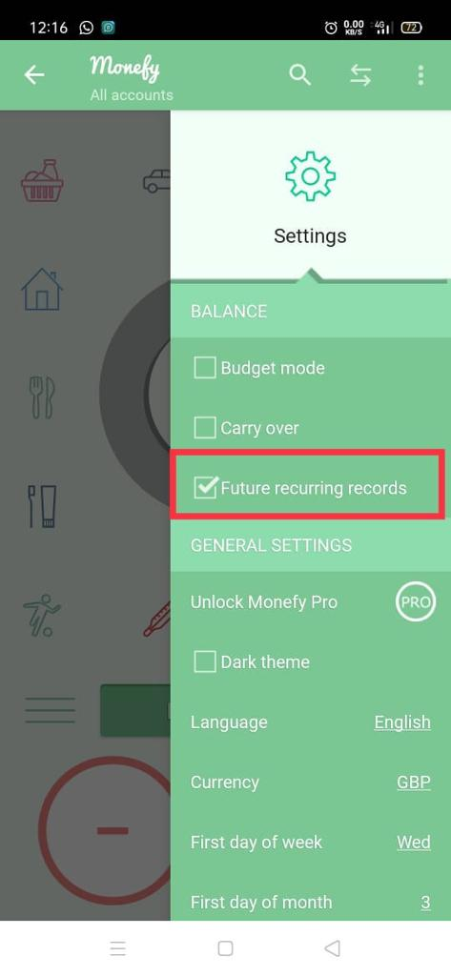
5 | The income and expenses button is converted to "+" , "-" | *Open monefy *Open the app *Add a Category *Kill the app *Open ot again *The conversion to "+","-" is done. | Oppo F11 android 10/ Samsung table android 10 | wifi/data | Medium | Medium | Low impact on the user interface
6 | The star and end date is set at the same day when setting the interval | *Open monefy *Open the left side menu *Click on interval *Choose the start date to be the same as the end date *Click on ok *The interval is added successfully | Oppo F11 android 10/ Samsung table android 10 | wifi/data | Medium | Medium | Medium impact on the functionalty | 