Cover Sheet
Customer: | 0
Project: | 0 | E | 29000 | No
Zip/Location: | 0 | Fy | 50 | Single
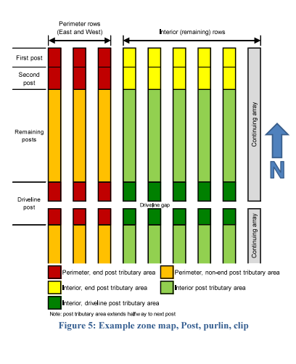
Configuration: | 0 | Galv Thickness | 3.9 | Double
Date/Engineer: | 0 | Depth to Neglect | 12
Post Size: | 0 | Depth added to Unbraced Length (Scour) | 0 | INT
 |  | Serviceability Factor | 1.5 | EXT

Project Information
Wind Speed (mph)
Ground Snow Load (psf)
Ss
S1
Sds
Sd1
Drive Nominal Reveal (ft.)
Idler Nominal Reveal (ft.)
Design Life | 35
Corrosivity | Moderately

Notes
1. Wind and Snow Loads are based on ASCE design loads. 2.Seismic Loads based on ASCE design loads

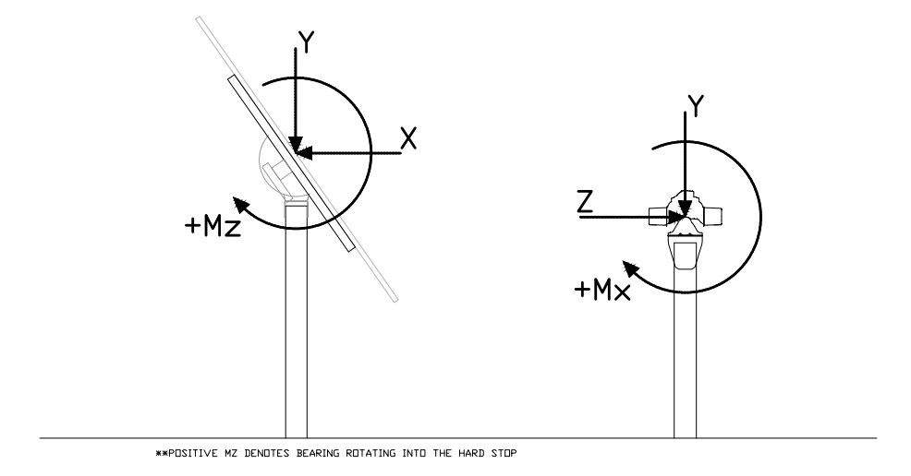
BLC | = Basic Load Case
DL | = Dead Load
LL | = Live Load
SL | = Snow Load
EL | = Seismic Load (ELX about the X- Axis; ELZ about the Z-Axis)
WL | = Inertial Wind Load ( WL+X = Wind in the +X Axis; WL-X = Wind in the -X)
OL | = Static Wind Load (OL1 = Wind in the +X Axis; WL-X = Wind in the -X)

