Pivot Chart
Profit Leakage
 | Total Sales | Total Profit | Total Discount
Furniture | $373,504.72 | $7,569.17 | $187.15
Office Supplies | $345,716.46 | $54,789.00 | $487.00
Technology | $380,640.90 | $70,157.57 | $112.30
Profit by product category
 | Total Profit | Sum of Sales
Furniture | $7,569.17 | $373,504.72
Office Supplies | $54,789.00 | $345,716.46
Technology | $70,157.57 | $380,640.90
Top performing Product
 | Total
Fellowes Pb200 Plastic Comb Binding Machine | 2,977
Xerox 1967 | 2,554
Eldon Expressions Wood And Plastic Desk Accessories, Cherry Wood | 1,914
Newell 341 | 1,644
Ge 30524Ee4 | 1,580
Stur-D-Stor Shelving, Vertical 5-Shelf: 72"H X 36"W X 18 1/2"D | 1,558
Verbatim 25 Gb 6X Blu-Ray Single Layer Recordable Disc, 25/Pack | 1,396
Global Deluxe Stacking Chair, Gray | 1,216
Holmes Replacement Filter For Hepa Air Cleaner, Very Large Room, Hepa Filter | 922
Self-Adhesive Address Labels For Typewriters By Universal | 660

Top sales per Region
 | Total Sales | Total Quantity
West | $332,443.71 | 1,611
East | $330,694.63 | 1,401
Central | $246,314.52 | 1,175
South | $190,409.23 | 822
Most Performing Ship Mode
 | Total Profit | Total Quantity
First Class | $25,887.29 | 2,945
Second Class | $26,925.33 | 3,668
Standard Class | $77,782.59 | 11,451
Top Performing State
 | Total
California | $213,274.63
Michigan | $45,541.38
New York | $148,208.76
Virginia | $38,420.15
Washington | $57,309.12

Revenue and profit growth trend
 | Total Sales | Total Profit
2014 | $207,996.00 | $20,806.94
2015 | $221,878.92 | $24,544.41
2016 | $312,726.87 | $42,455.54
2017 | $357,260.29 | $44,708.85
Loss-making product
 | Total
Bretford Cr4500 Series Slim Rectangular Table | -$10,997.07
Bush Somerset Collection Bookcase | -$1,247.24
Acme 10" Easy Grip Assistive Scissors | -$754.10

Dashboard 1
SUPERSTORE SHOPPING BEHAVIOUR DASHBOARD
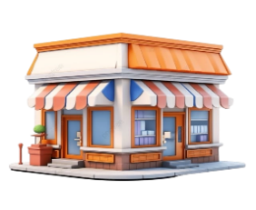

Region

19,044
$1,099,862.07
$132,515.74
$0.16

Revenue
Total Quantity
Total Sales
Total Profit
Average Discount

Profit Leakage
 | Total Sales | Total Profit | Total Discount
Furniture | $373,504.72 | $7,569.17 | $187.15
Office Supplies | $345,716.46 | $54,789.00 | $487.00
Technology | $380,640.90 | $70,157.57 | $112.30
z
Most Performing Ship Mode
 | Total Profit | Total Quantity
First Class | $25,887.29 | 2,945
Second Class | $26,925.33 | 3,668
Standard Class | $77,782.59 | 11,451

Revenue and profit growth trend
 | Total Sales | Total Profit
2014 | $207,996.00 | $20,806.94
2015 | $221,878.92 | $24,544.41
2016 | $312,726.87 | $42,455.54
2017 | $357,260.29 | $44,708.85
Profit by product category
 | Total Profit | Sum of Sales
Furniture | $7,569.17 | $373,504.72
Office Supplies | $54,789.00 | $345,716.46
Technology | $70,157.57 | $380,640.90

Dashboard 2
SUPERSTORE SHOPPING BEHAVIOUR DASHBOARD
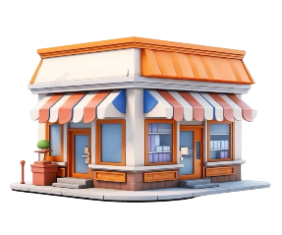

Region

19,044
$1,099,862.07
$132,515.74
$0.16
Revenue

Total Quantity
Total Sales
Total Profit
Average Discount

Top sales per Region
 | Total Sales | Total Quantity
West | $332,443.71 | 1,611
East | $330,694.63 | 1,401
Central | $246,314.52 | 1,175
South | $190,409.23 | 822
Top Performing State
 | Total
California | $213,274.63
Michigan | $45,541.38
New York | $148,208.76
Virginia | $38,420.15
Washington | $57,309.12
z

