Sheet1
Pin/No | GPIO's | TYPE | Free | Operation
1 | 3.3
2 | 5V
3 | GPIO-02 | SDA1 , I2C | X | RTC - DIGI CLOCK | #Touch Key | IO_EXPANDER | proximity sensor_sda
4 | 5V
5 | GPIO-03 | SCL1 , I2C | X | RTC - DIGI CLOCK | #Touch Key | IO_EXPANDER | proximity sensor_scl
6 | GND
7 | GPIO-04 | GPIO_GCLCK | X | LCD_BACKLIGHT_CTRL
8 | GPIO-14 | TXD0 | Not in Use | #IR Tharmal Sensor
9 | GND
10 | GPIO-15 | RXD0 | Not in use | #IR Tharmal Sensor
11 | GPIO-17 | GPIO_GEN0(in) |  | TP_IRQ Touch Panel interrupt, low level while the Touch Panel detects touching
12 | GPIO-18 | GPIO_GEN1 |  | PWR_KEY_S
13 | GPIO-27 | GPIO_GEN2(out) | X | SYS_PWR
14 | GND
15 | GPIO-22 | GPIO_GEN3(out) | X | ReX0
16 | GPIO-23 | GPIO_GEN4 |  | ReX1
17 | 3.3V
18 | GPIO-24 | GPIO_GEN5 | X | LCD_RS LCD instruction control, Instruction/Data Register selection
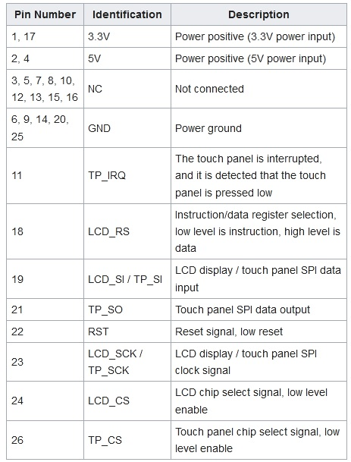
19 | GPIO-10 | SPI_MOSI | X | LCD_SI / TP_SI SPI data input of LCD/Touch Panel
20 | GND
21 | GPIO-09 | SPI_MISO | X | TP_SO
22 | GPIO-25 | GPIO_GEN_6 | X | RST
23 | GPIO-11 | SPI_CLCK_OUT | X | 23 LCD_SCK / TP_SCK SPI clock of LCD/Touch Panel
24 | GPIO-08 | SPI_CE0 | X | 24 LCD_CS LCD chip selection, low active
25 | GND
26 | GPIO-07 | SPI_CE1_N | X | TP_CS
27 | ID_SD | I2C_ID_EEPROM
28 | ID_SC | I2C_ID_EEPROM |  |  | Required long range 1/2 meter PIR sensor for IR LED bank. Only H/W control.
29 | GPIO-05 | GPIO(in) | X | LFB0
30 | GND
31 | GPIO-06 | GPIO(out) | X | LFB1
32 | GPIO-12 | GPIO(out) | X | RELAY_1
33 | GPIO-13 | GPIO(out) | X | RELAY_2
34 | GND
35 | GPIO-19 | GPIO(in) | X | WG1_D0
36 | GPIO-16 | gpio(in) | X | WG1_D1
37 | GPIO-26 | GPIO(in) | X | WG2_D0
38 | GPIO-20 | GPIO(in) | X | WG2_D1
39 | GND
40 | GPIO-21 | GPIO(out) | X | Buzzer control

proximity sensor

