Instruction
1. Background of the translation
The translations in this document are part of the My Account content
Customers can make order related requests in their My Account via an advanced message flow, which ends up sending a message to CS (Genesys)
This advacned message flow also offers alternative solutions, that might help out customers, without having to send a message to us.

2. Impression - Where will this content be used?
My Account Homescreen:
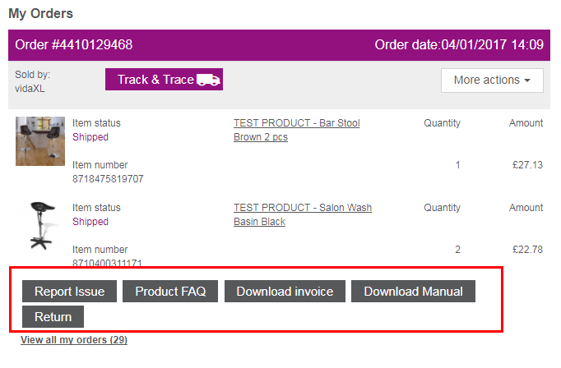

 | A customer can use a serie of buttons to make an order related request

Example "Report Issue"

 | A customer can choose multiple categories when reporting an issue

Example "Report issue" --> "I have an issue with an item" --> "I received the wrong item"
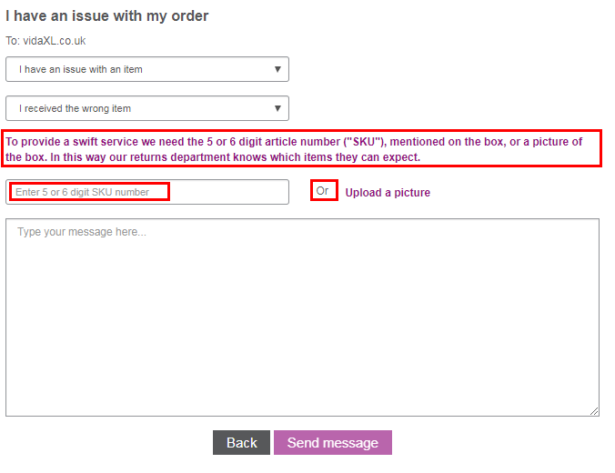

 |  | Examples of texts that should be translated

3. Instruction
1. Go to the tab "Content" in this file
2. Read the EN column carefully
3. Also read the remarks that are added to each translation, in order to have a good understanding of the context:

4. Find the column of your language and add the translation.
5. Save the file with your language code in the filename, and upload it in the ticket.

