PI's
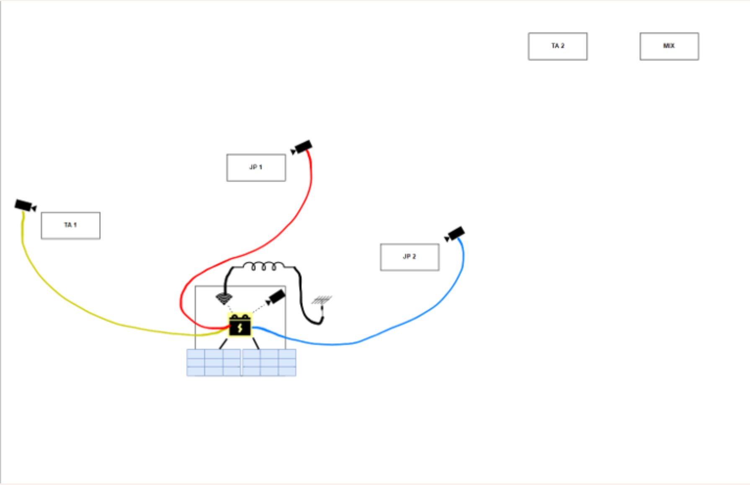
Name | Site Number | Status
Dorval3 | ---
Dorval6 | ---
Dorval7 | ---
Dorval8 | --- | In Lab Weather Testing | Needs Special Box

Site Name | Camera Name | Box | Camera | Power | Pipe | Status | Add | Replace
Base | Dorval1 | ☑ | ☑ | ☑ | ☑ | Working
TA1 | Dorval2 | ☑ Upsidedown | ☑ | ☑ | ☑ | Working |  | Box?
JP1 | ☐ | ☑ | ☑ | ☑ | ☑ |  | Dorval3 | Power/Buck
JP2 | Dorval4 | ☑ Blurry/Upsidedown | ☑ | ☑ | ☑ | Blurry/Upsidedown |  | Box
TA2 | Dorval5 | ☑ Upsidedown? | ☑ | ☑ | ☑ | Upsidedown |  | Box
MIX | ☐ | ☑ Upsidedown? | ☐ | ☑ | ☑ |  | Dorval6 | Upsidedown?

2 | Raspberry Pi | Either Clips or New PI
3 to 4 | Boxes | Drill 2 to 3, check exisiting again for blurryness
1 | Weather Box | Drill

 |  | Glue and test Cameras before deployment

