PI's
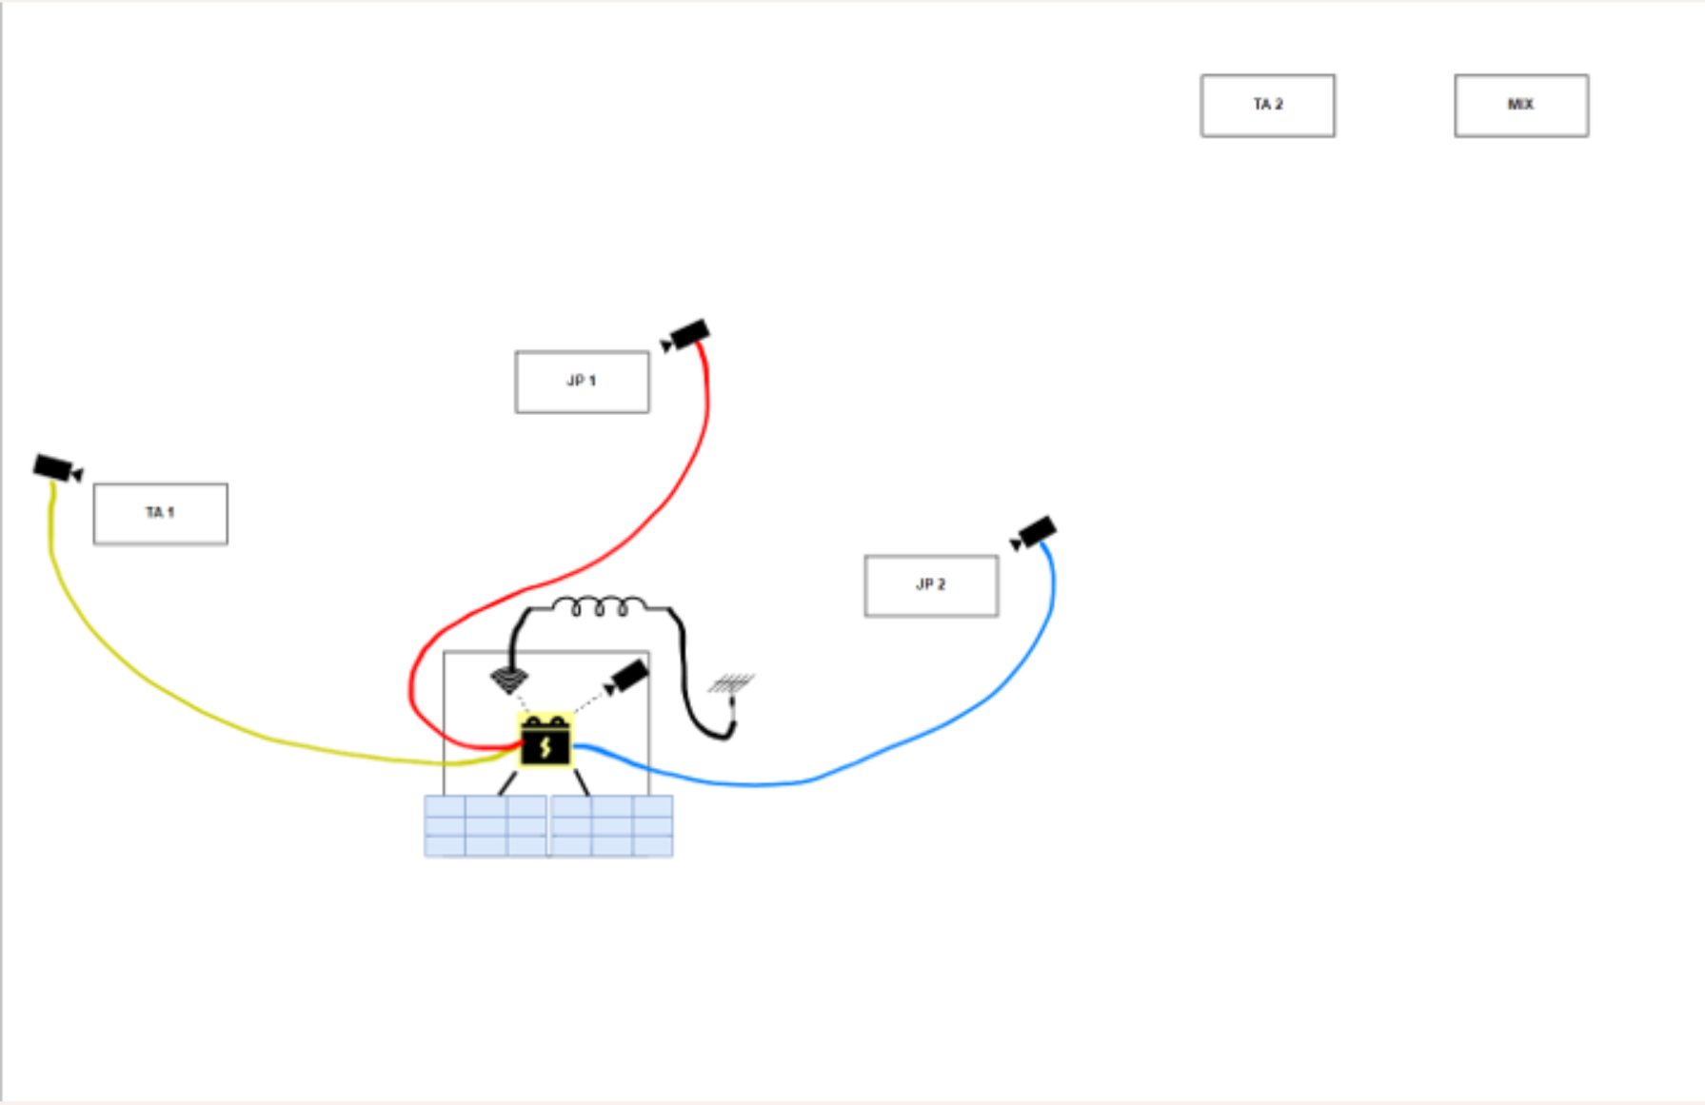
Name | Status
Dorval3
Dorval6
Dorval7
Dorval8 | In Lab Weather Testing

Site Name | Camera Name | Box | Camera | Power | Pipe | Status | Add | Replace
Base | Dorval1 | ☑ | ☑ | ☑ | ☑ | Working
TA1 | Dorval2 | ☑ Upsidedown | ☑ | ☑ | ☑ | Working |  | Box
JP1 | ☐ | ☑ | ☑ | ☑ | ☑ |  | Dorval3 | Power?
JP2 | Dorval4 | ☑ | ☑ | ☑ | ☑ | Working
TA2 | Dorval5 | ☑ Upsidedown | ☑ | ☑ | ☑ |  |  | Box
MIX | ☐ | ☑ | ☐ | ☑ | ☑ |  | Dorval6

Box with Camera
Empty Box
Dorval 3
Dorval 6
Dorval 7
Camera
Camera

 |  | Start | 10:30:00 | Tuesday |  | 17:07:00 | Friday
 |  | Stop | 17:00:00 | Wednesday |  | 20:50:00 | Sunday
 |  |  | 30.5 | Hours |  | 51 | Hours
 |  |  | 122 | Calls |  | 3000 | Calls

