PI's
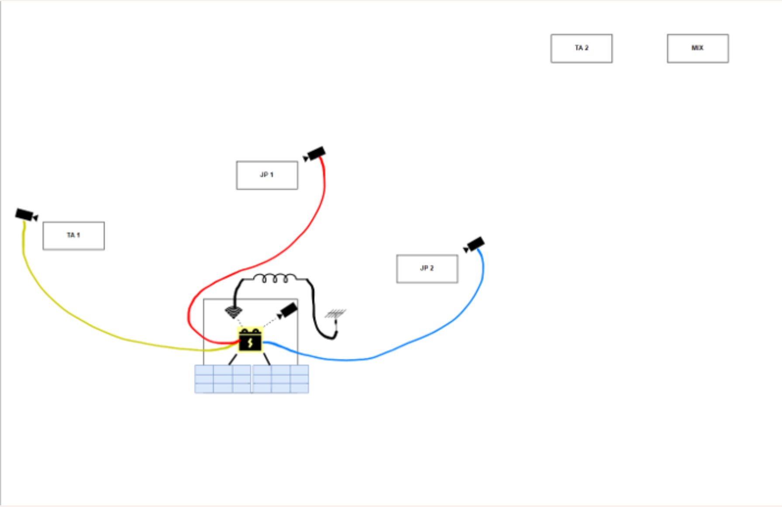
Name | Site Number | Status
DorvalWeather | Base
Dorval-0 | Base
Dorval-1 | TA1
Dorval-2 | JP1
Dorval-3 | JP2
Dorval-4 | TA2
Dorval-5 | MIX

Site Name | Camera Name | Box | Camera | Power | Camera Case | Status | Add | Replace | Upload Time
Base | Dorval0 | ☑ | ☑ | ☑ |  |  | Holes for air to pass through |  | 12:01AM
TA1 | Dorval1 | ☑ | ☑ | ☑ | ☑ | SD card connect loose |  | Pi Zero | 1:00:00
JP1 | Dorval2 | ☑ | ☑ | ☑ | ☑ |  |  |  | 2:00:00
JP2 | Dorval3 | ☑ Blurry | ☑ | ☑ | ☑ | Slight Blur / Fog |  | Camera / Window | 3:00:00
TA2 | Dorval4 | ☑ | ☑ | ☑ |  |  |  |  | 4:00:00
MIX | Dorval5 | ☑ | ☑ | ☑ |  | Black pictures sometimes |  | Check Connections | 5:00:00

 |  |  | ☐

2 | Raspberry Pi | Either Clips or New PI
3 to 4 | Boxes | Drill 2 to 3, check exisiting again for blurryness
1 | Weather Box | Drill

 |  | Glue and test Cameras before deployment

