License Quick Reference
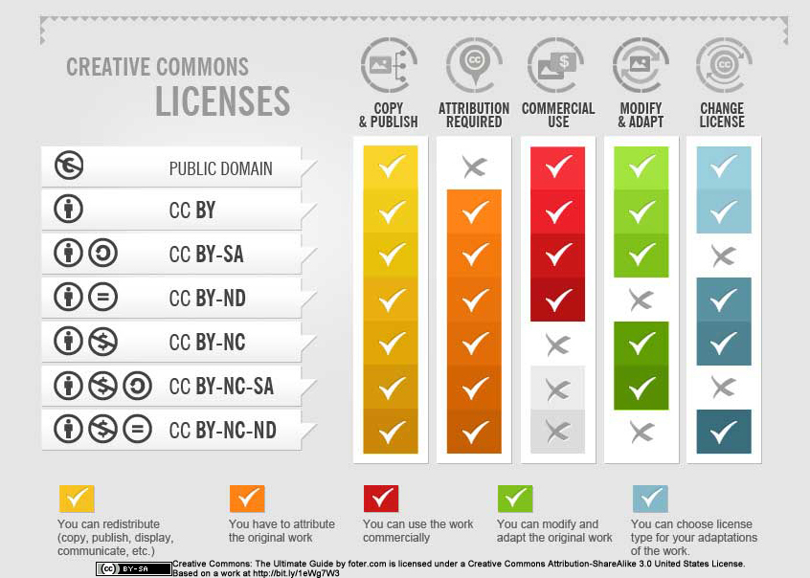
CC-0 | This license is a public dedication tool, which allows creators to give up their copyright and put their works into the worldwide public domain. CC0 allows reusers to distribute, remix, adapt, and build upon the material in any medium or format, with no conditions. | https://wiki.creativecommons.org/wiki/Best_practices_for_attribution
CC-BY | This license allows reusers to distribute, remix, adapt, and build upon the material in any medium or format, so long as attribution is given to the creator. The license allows for commercial use. CC BY includes the following elements: BY – Credit must be given to the creator
CC-BY-SA | This license allows reusers to distribute, remix, adapt, and build upon the material in any medium or format, so long as attribution is given to the creator. The license allows for commercial use. If you remix, adapt, or build upon the material, you must license the modified material under identical terms. CC BY-SA includes the following elements: BY – Credit must be given to the creator SA – Adaptations must be shared under the same terms
CC-BY-ND | This license allows reusers to distribute, remix, adapt, and build upon the material in any medium or format for noncommercial purposes only, and only so long as attribution is given to the creator. It includes the following elements: BY – Credit must be given to the creator NC – Only noncommercial uses of the work are permitted
CC-BY-NC | This license allows reusers to distribute, remix, adapt, and build upon the material in any medium or format for noncommercial purposes only, and only so long as attribution is given to the creator. If you remix, adapt, or build upon the material, you must license the modified material under identical terms. CC BY-NC-SA includes the following elements: BY – Credit must be given to the creator NC – Only noncommercial uses of the work are permitted SA – Adaptations must be shared under the same terms
CC-BY-NC-SA | This license allows reusers to copy and distribute the material in any medium or format in unadapted form only, and only so long as attribution is given to the creator. The license allows for commercial use. CC BY-ND includes the following elements: BY – Credit must be given to the creator ND – No derivatives or adaptations of the work are permitted
CC-BY-NC-ND | This license allows reusers to copy and distribute the material in any medium or format in unadapted form only, for noncommercial purposes only, and only so long as attribution is given to the creator. CC BY-NC-ND includes the following elements: BY – Credit must be given to the creator NC – Only noncommercial uses of the work are permitted ND – No derivatives or adaptations of the work are permitted

