Example_PartitionbyTime
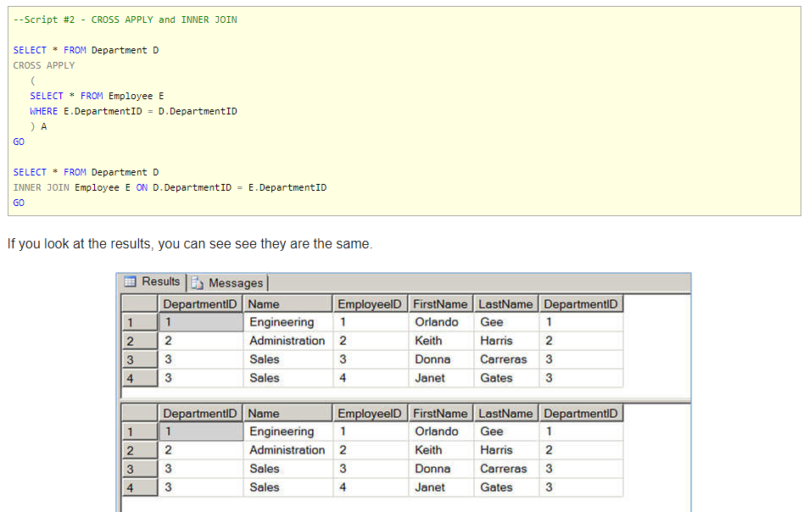
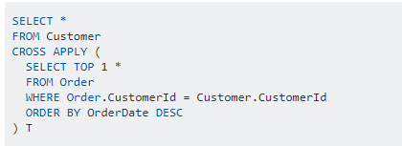
 | start_interval | exists |  | end_interval | exists
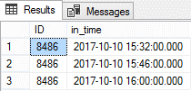

All records
 | start_interval |  |  | end_interval
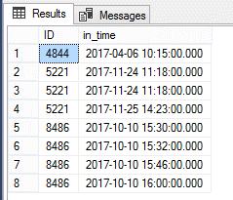
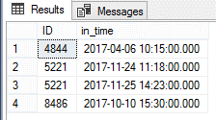
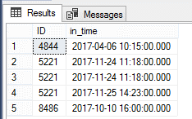
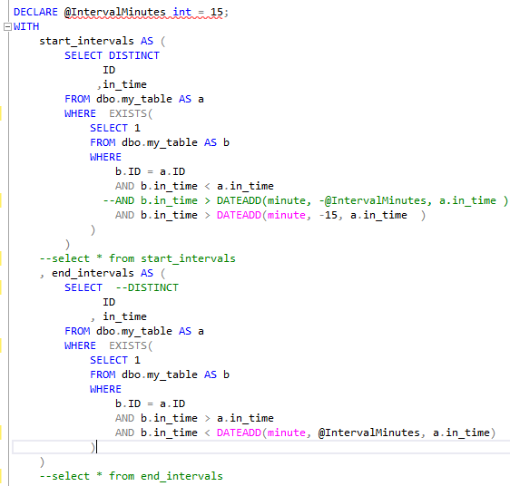

intervals |  |  | Final Result
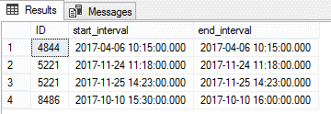
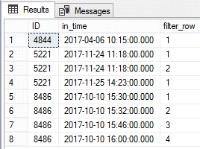

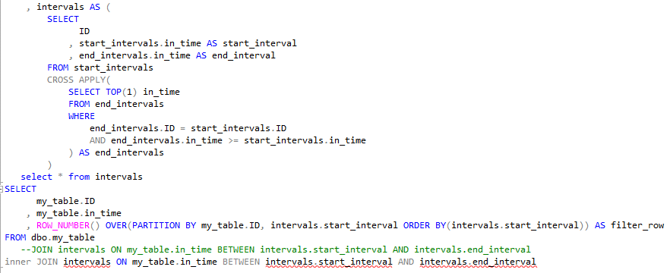

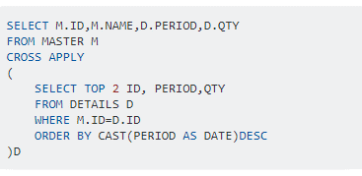
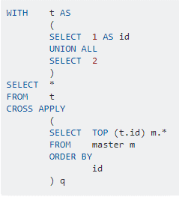

 |  |  | … ...
 |  |  | where tbl_2.id = tbl_1.id
 |  |  | order by tbl_2.rnk

StackOverflow_CrossApply
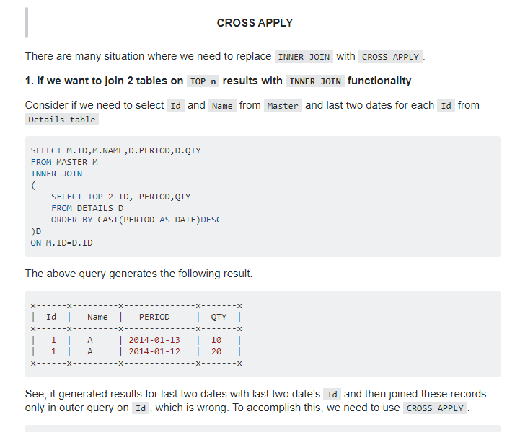
 |  |  | Why Use cross applyVs inner join

 |  | https://stackoverflow.com/questions/1139160/when-should-i-use-cross-apply-over-inner-join

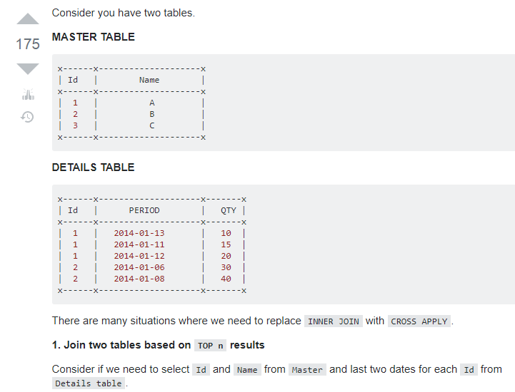

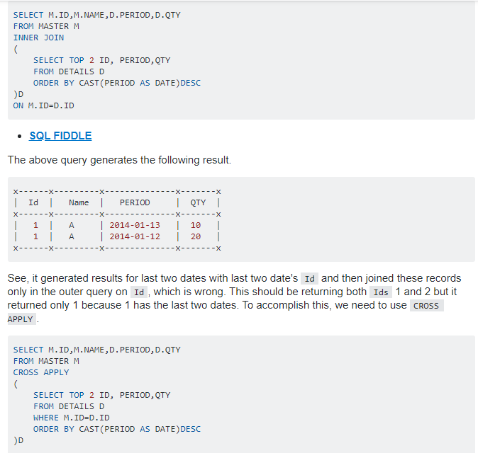

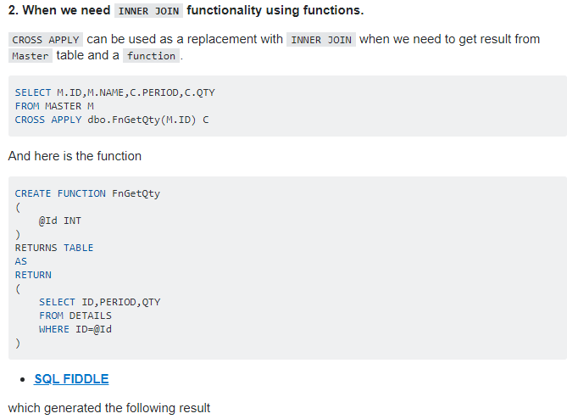

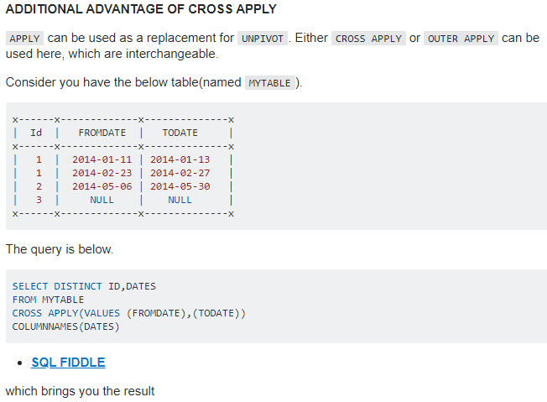

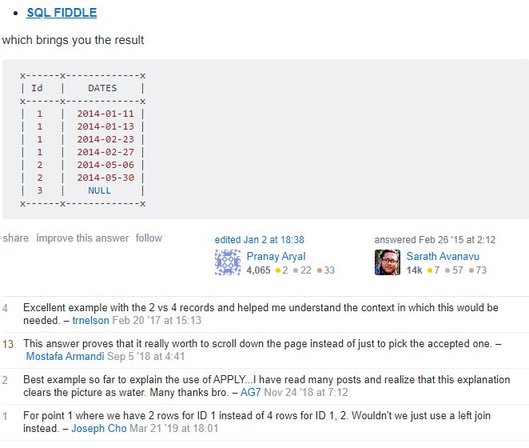

---------------------------------------------------------------------------------------------------------------------------------------

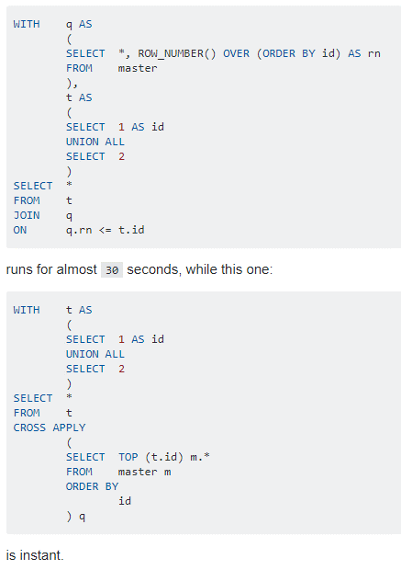

---------------------------------------------------------------------------------------------------------------------------------------

 | https://www.mssqltips.com/sqlservertip/1958/sql-server-cross-apply-and-outer-apply/

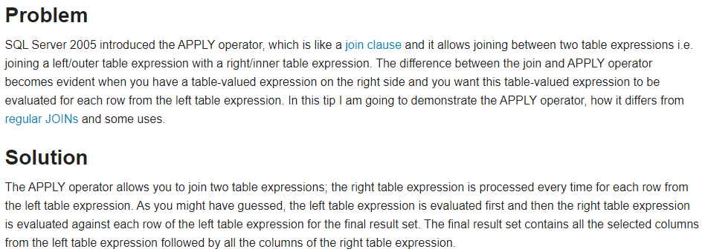

---------------------------------------------------------------------------------------------------------------------------------------

https://stackoverflow.com/questions/9275132/real-life-example-when-to-use-outer-cross-apply-in-sql

