Consolidated
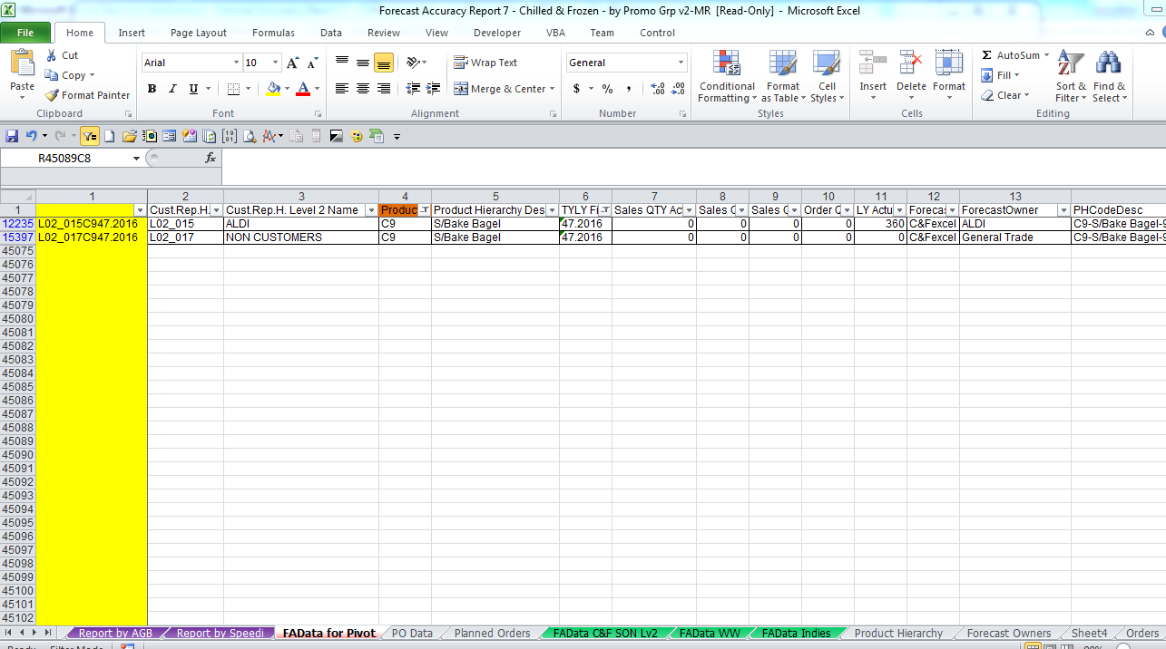
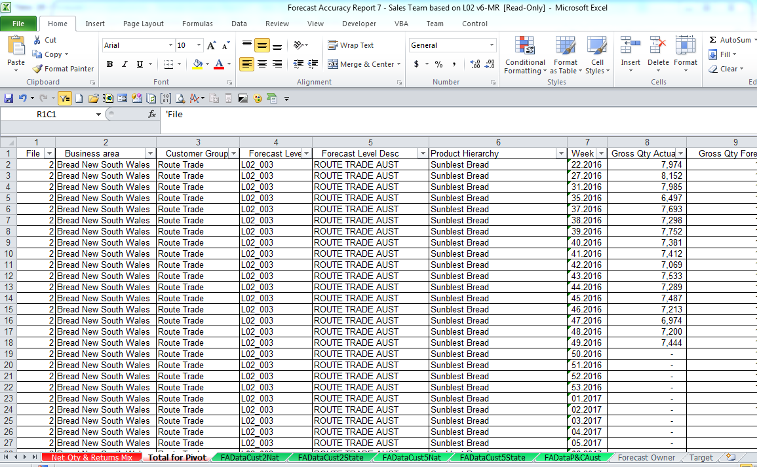
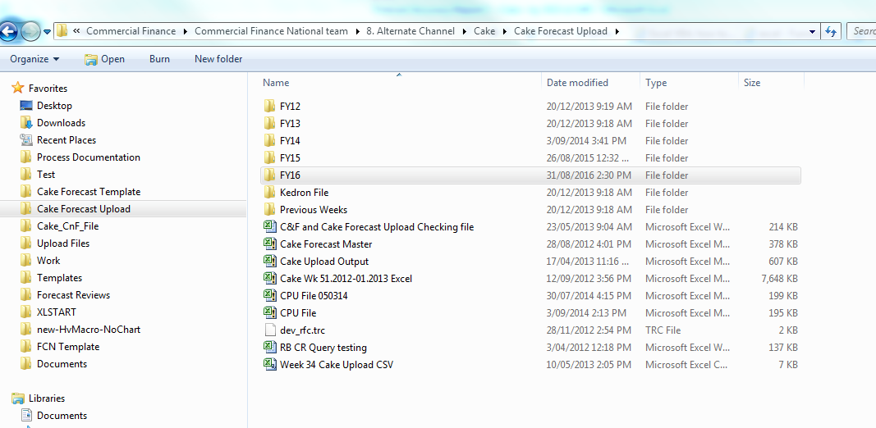
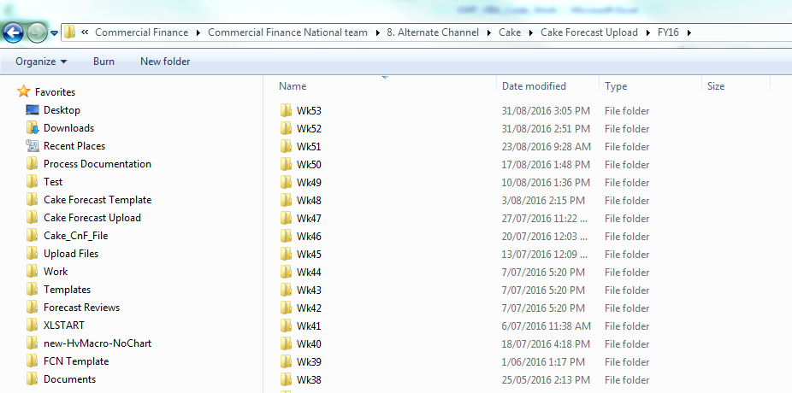


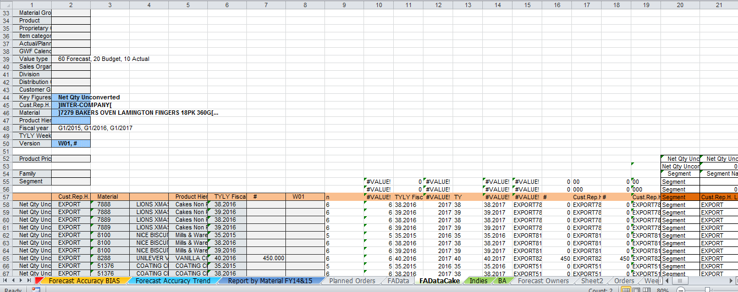
 |  |  |  |  | exec JDE_DB_Alan.sp_Mismatch_Multi '26.045.0204,26.045.0292,26.045.1858,26.045.4806,26.045.0952,26.045.7113,26.045.7010,26.045.0696,26.045.1803,26.045.1650,26.045.4499,26.045.4655,26.045.4451,26.045.4642,26.045.1601,26.045.4544,26.045.9771,26.002.104,26.002.711,26.002.287',null,'2022-01-02'

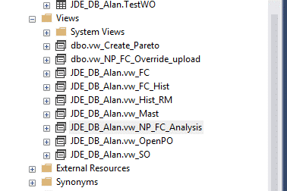

 | 0.46 | 580000 | 2668 | 51.307692308

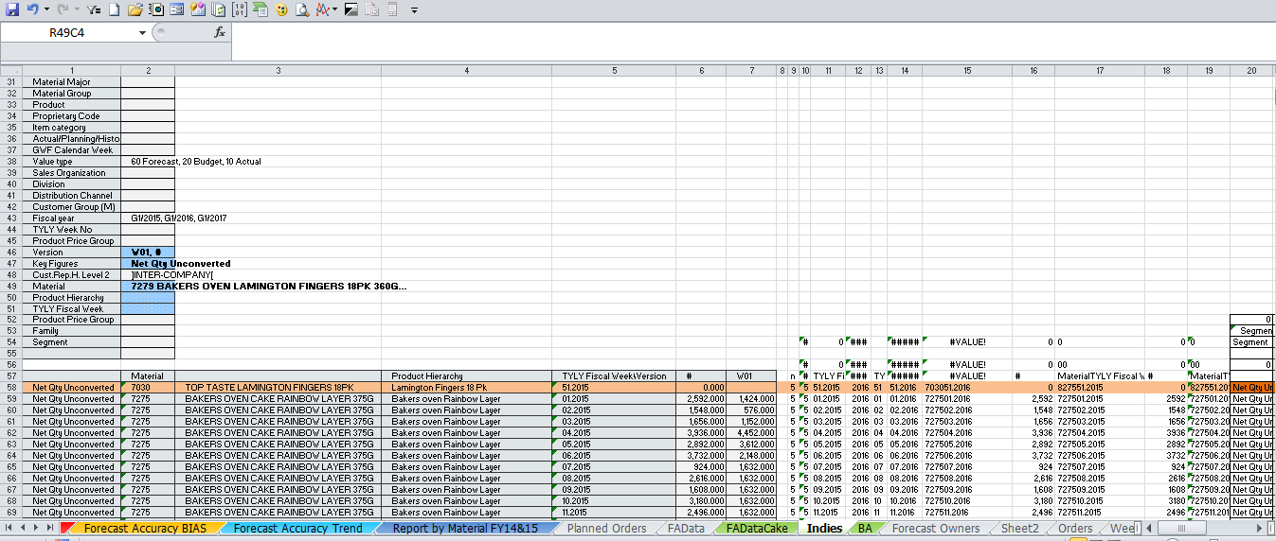

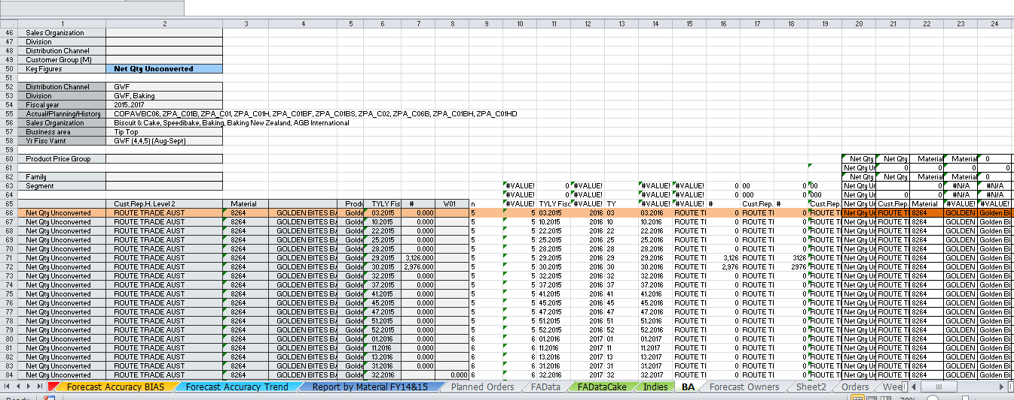

'-----------------------------------------------------------------------------------

Sheet1
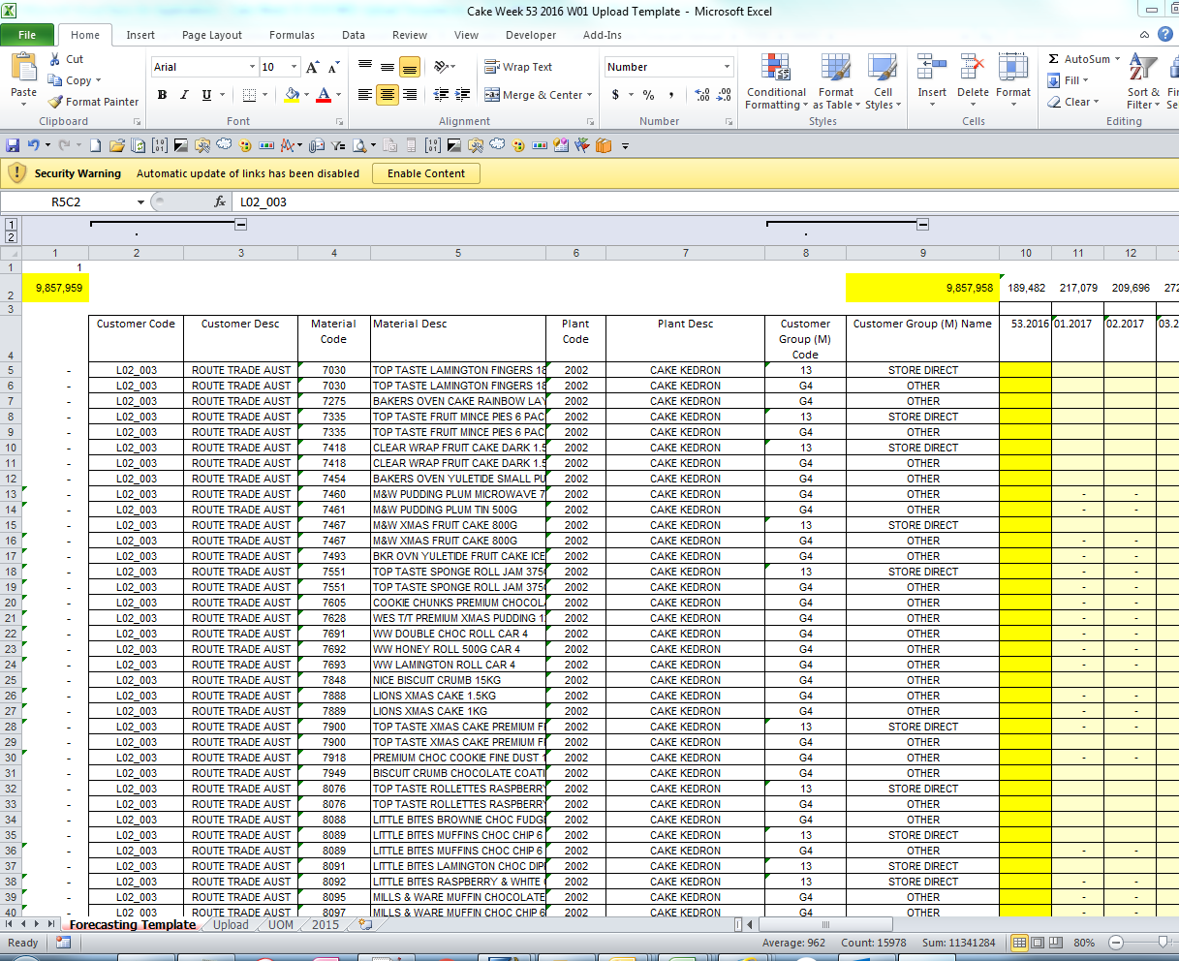
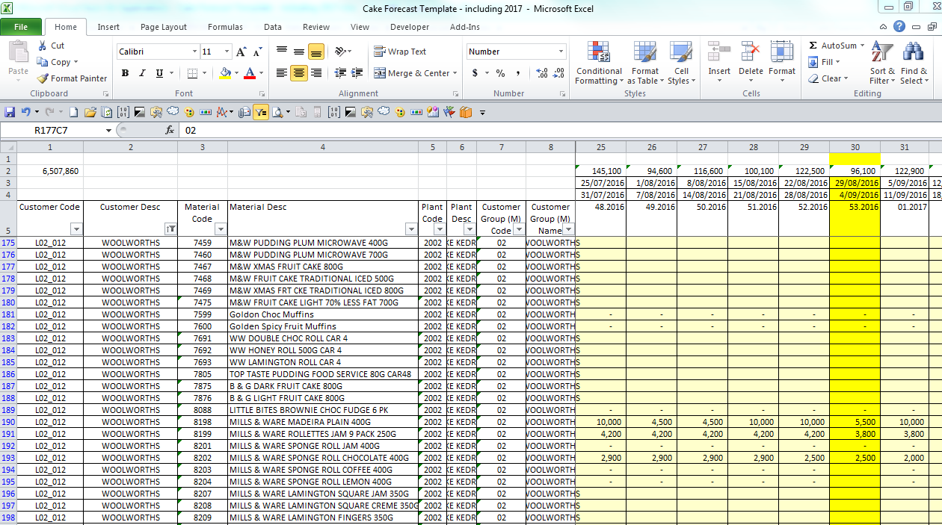
1

WeekData
Sequence | Financial WK | Financial Yr | Fin_WKYr | Calendar WK | Calendar Yr | Cal_WkYr | Week Start Date | Week End Date | CurrentDate | Check | RollingWKNum
1 | 19 | 2013 | 19.2013 | 2 | 2013 | 2.2013 | 7-Jan-13 | 13-Jan-13 | 2017-03-08 | 0 | -217
2 | 20 | 2013 | 20.2013 | 3 | 2013 | 3.2013 | 14-Jan-13 | 20-Jan-13 | 2017-03-08 | 0 | -216
3 | 21 | 2013 | 21.2013 | 4 | 2013 | 4.2013 | 21-Jan-13 | 27-Jan-13 | 2017-03-08 | 0 | -215
4 | 22 | 2013 | 22.2013 | 5 | 2013 | 5.2013 | 28-Jan-13 | 3-Feb-13 | 2017-03-08 | 0 | -214
5 | 23 | 2013 | 23.2013 | 6 | 2013 | 6.2013 | 4-Feb-13 | 10-Feb-13 | 2017-03-08 | 0 | -213
6 | 24 | 2013 | 24.2013 | 7 | 2013 | 7.2013 | 11-Feb-13 | 17-Feb-13 | 2017-03-08 | 0 | -212
7 | 25 | 2013 | 25.2013 | 8 | 2013 | 8.2013 | 18-Feb-13 | 24-Feb-13 | 2017-03-08 | 0 | -211
8 | 26 | 2013 | 26.2013 | 9 | 2013 | 9.2013 | 25-Feb-13 | 3-Mar-13 | 2017-03-08 | 0 | -210
9 | 27 | 2013 | 27.2013 | 10 | 2013 | 10.2013 | 4-Mar-13 | 10-Mar-13 | 2017-03-08 | 0 | -209
10 | 28 | 2013 | 28.2013 | 11 | 2013 | 11.2013 | 11-Mar-13 | 17-Mar-13 | 2017-03-08 | 0 | -208
11 | 29 | 2013 | 29.2013 | 12 | 2013 | 12.2013 | 18-Mar-13 | 24-Mar-13 | 2017-03-08 | 0 | -207
12 | 30 | 2013 | 30.2013 | 13 | 2013 | 13.2013 | 25-Mar-13 | 31-Mar-13 | 2017-03-08 | 0 | -206
13 | 31 | 2013 | 31.2013 | 14 | 2013 | 14.2013 | 1-Apr-13 | 7-Apr-13 | 2017-03-08 | 0 | -205
14 | 32 | 2013 | 32.2013 | 15 | 2013 | 15.2013 | 8-Apr-13 | 14-Apr-13 | 2017-03-08 | 0 | -204
15 | 33 | 2013 | 33.2013 | 16 | 2013 | 16.2013 | 15-Apr-13 | 21-Apr-13 | 2017-03-08 | 0 | -203
16 | 34 | 2013 | 34.2013 | 17 | 2013 | 17.2013 | 22-Apr-13 | 28-Apr-13 | 2017-03-08 | 0 | -202
17 | 35 | 2013 | 35.2013 | 18 | 2013 | 18.2013 | 29-Apr-13 | 5-May-13 | 2017-03-08 | 0 | -201
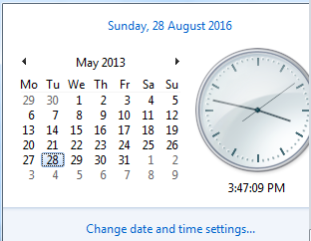
18 | 36 | 2013 | 36.2013 | 19 | 2013 | 19.2013 | 6-May-13 | 12-May-13 | 2017-03-08 | 0 | -200
19 | 37 | 2013 | 37.2013 | 20 | 2013 | 20.2013 | 13-May-13 | 19-May-13 | 2017-03-08 | 0 | -199
20 | 38 | 2013 | 38.2013 | 21 | 2013 | 21.2013 | 20-May-13 | 26-May-13 | 2017-03-08 | 0 | -198
21 | 39 | 2013 | 39.2013 | 22 | 2013 | 22.2013 | 27-May-13 | 2-Jun-13 | 2017-03-08 | 0 | -197
22 | 40 | 2013 | 40.2013 | 23 | 2013 | 23.2013 | 3-Jun-13 | 9-Jun-13 | 2017-03-08 | 0 | -196
23 | 41 | 2013 | 41.2013 | 24 | 2013 | 24.2013 | 10-Jun-13 | 16-Jun-13 | 2017-03-08 | 0 | -195
24 | 42 | 2013 | 42.2013 | 25 | 2013 | 25.2013 | 17-Jun-13 | 23-Jun-13 | 2017-03-08 | 0 | -194
25 | 43 | 2013 | 43.2013 | 26 | 2013 | 26.2013 | 24-Jun-13 | 30-Jun-13 | 2017-03-08 | 0 | -193
26 | 44 | 2013 | 44.2013 | 27 | 2013 | 27.2013 | 1-Jul-13 | 7-Jul-13 | 2017-03-08 | 0 | -192
27 | 45 | 2013 | 45.2013 | 28 | 2013 | 28.2013 | 8-Jul-13 | 14-Jul-13 | 2017-03-08 | 0 | -191
28 | 46 | 2013 | 46.2013 | 29 | 2013 | 29.2013 | 15-Jul-13 | 21-Jul-13 | 2017-03-08 | 0 | -190
29 | 47 | 2013 | 47.2013 | 30 | 2013 | 30.2013 | 22-Jul-13 | 28-Jul-13 | 2017-03-08 | 0 | -189
30 | 48 | 2013 | 48.2013 | 31 | 2013 | 31.2013 | 29-Jul-13 | 4-Aug-13 | 2017-03-08 | 0 | -188
31 | 49 | 2013 | 49.2013 | 32 | 2013 | 32.2013 | 5-Aug-13 | 11-Aug-13 | 2017-03-08 | 0 | -187
32 | 50 | 2013 | 50.2013 | 33 | 2013 | 33.2013 | 12-Aug-13 | 18-Aug-13 | 2017-03-08 | 0 | -186
33 | 51 | 2013 | 51.2013 | 34 | 2013 | 34.2013 | 19-Aug-13 | 25-Aug-13 | 2017-03-08 | 0 | -185
34 | 52 | 2013 | 52.2013 | 35 | 2013 | 35.2013 | 26-Aug-13 | 1-Sep-13 | 2017-03-08 | 0 | -184
35 | 01 | 2014 | 01.2014 | 36 | 2013 | 36.2013 | 2-Sep-13 | 8-Sep-13 | 2017-03-08 | 0 | -183
36 | 02 | 2014 | 02.2014 | 37 | 2013 | 37.2013 | 9-Sep-13 | 15-Sep-13 | 2017-03-08 | 0 | -182
37 | 03 | 2014 | 03.2014 | 38 | 2013 | 38.2013 | 16-Sep-13 | 22-Sep-13 | 2017-03-08 | 0 | -181
38 | 04 | 2014 | 04.2014 | 39 | 2013 | 39.2013 | 23-Sep-13 | 29-Sep-13 | 2017-03-08 | 0 | -180
39 | 05 | 2014 | 05.2014 | 40 | 2013 | 40.2013 | 30-Sep-13 | 6-Oct-13 | 2017-03-08 | 0 | -179
40 | 06 | 2014 | 06.2014 | 41 | 2013 | 41.2013 | 7-Oct-13 | 13-Oct-13 | 2017-03-08 | 0 | -178
41 | 07 | 2014 | 07.2014 | 42 | 2013 | 42.2013 | 14-Oct-13 | 20-Oct-13 | 2017-03-08 | 0 | -177
42 | 08 | 2014 | 08.2014 | 43 | 2013 | 43.2013 | 21-Oct-13 | 27-Oct-13 | 2017-03-08 | 0 | -176
43 | 09 | 2014 | 09.2014 | 44 | 2013 | 44.2013 | 28-Oct-13 | 3-Nov-13 | 2017-03-08 | 0 | -175
44 | 10 | 2014 | 10.2014 | 45 | 2013 | 45.2013 | 4-Nov-13 | 10-Nov-13 | 2017-03-08 | 0 | -174
45 | 11 | 2014 | 11.2014 | 46 | 2013 | 46.2013 | 11-Nov-13 | 17-Nov-13 | 2017-03-08 | 0 | -173
46 | 12 | 2014 | 12.2014 | 47 | 2013 | 47.2013 | 18-Nov-13 | 24-Nov-13 | 2017-03-08 | 0 | -172
47 | 13 | 2014 | 13.2014 | 48 | 2013 | 48.2013 | 25-Nov-13 | 1-Dec-13 | 2017-03-08 | 0 | -171
48 | 14 | 2014 | 14.2014 | 49 | 2013 | 49.2013 | 2-Dec-13 | 8-Dec-13 | 2017-03-08 | 0 | -170
49 | 15 | 2014 | 15.2014 | 50 | 2013 | 50.2013 | 9-Dec-13 | 15-Dec-13 | 2017-03-08 | 0 | -169
50 | 16 | 2014 | 16.2014 | 51 | 2013 | 51.2013 | 16-Dec-13 | 22-Dec-13 | 2017-03-08 | 0 | -168
51 | 17 | 2014 | 17.2014 | 52 | 2013 | 52.2013 | 23-Dec-13 | 29-Dec-13 | 2017-03-08 | 0 | -167
52 | 18 | 2014 | 18.2014 | 1 | 2014 | 1.2014 | 30-Dec-13 | 5-Jan-14 | 2017-03-08 | 0 | -166
53 | 19 | 2014 | 19.2014 | 2 | 2014 | 2.2014 | 6-Jan-14 | 12-Jan-14 | 2017-03-08 | 0 | -165
54 | 20 | 2014 | 20.2014 | 3 | 2014 | 3.2014 | 13-Jan-14 | 19-Jan-14 | 2017-03-08 | 0 | -164
55 | 21 | 2014 | 21.2014 | 4 | 2014 | 4.2014 | 20-Jan-14 | 26-Jan-14 | 2017-03-08 | 0 | -163
56 | 22 | 2014 | 22.2014 | 5 | 2014 | 5.2014 | 27-Jan-14 | 2-Feb-14 | 2017-03-08 | 0 | -162
57 | 23 | 2014 | 23.2014 | 6 | 2014 | 6.2014 | 3-Feb-14 | 9-Feb-14 | 2017-03-08 | 0 | -161
58 | 24 | 2014 | 24.2014 | 7 | 2014 | 7.2014 | 10-Feb-14 | 16-Feb-14 | 2017-03-08 | 0 | -160
59 | 25 | 2014 | 25.2014 | 8 | 2014 | 8.2014 | 17-Feb-14 | 23-Feb-14 | 2017-03-08 | 0 | -159
60 | 26 | 2014 | 26.2014 | 9 | 2014 | 9.2014 | 24-Feb-14 | 2-Mar-14 | 2017-03-08 | 0 | -158
61 | 27 | 2014 | 27.2014 | 10 | 2014 | 10.2014 | 3-Mar-14 | 9-Mar-14 | 2017-03-08 | 0 | -157
62 | 28 | 2014 | 28.2014 | 11 | 2014 | 11.2014 | 10-Mar-14 | 16-Mar-14 | 2017-03-08 | 0 | -156
63 | 29 | 2014 | 29.2014 | 12 | 2014 | 12.2014 | 17-Mar-14 | 23-Mar-14 | 2017-03-08 | 0 | -155
64 | 30 | 2014 | 30.2014 | 13 | 2014 | 13.2014 | 24-Mar-14 | 30-Mar-14 | 2017-03-08 | 0 | -154
65 | 31 | 2014 | 31.2014 | 14 | 2014 | 14.2014 | 31-Mar-14 | 6-Apr-14 | 2017-03-08 | 0 | -153
66 | 32 | 2014 | 32.2014 | 15 | 2014 | 15.2014 | 7-Apr-14 | 13-Apr-14 | 2017-03-08 | 0 | -152
67 | 33 | 2014 | 33.2014 | 16 | 2014 | 16.2014 | 14-Apr-14 | 20-Apr-14 | 2017-03-08 | 0 | -151
68 | 34 | 2014 | 34.2014 | 17 | 2014 | 17.2014 | 21-Apr-14 | 27-Apr-14 | 2017-03-08 | 0 | -150
69 | 35 | 2014 | 35.2014 | 18 | 2014 | 18.2014 | 28-Apr-14 | 4-May-14 | 2017-03-08 | 0 | -149
70 | 36 | 2014 | 36.2014 | 19 | 2014 | 19.2014 | 5-May-14 | 11-May-14 | 2017-03-08 | 0 | -148
71 | 37 | 2014 | 37.2014 | 20 | 2014 | 20.2014 | 12-May-14 | 18-May-14 | 2017-03-08 | 0 | -147
72 | 38 | 2014 | 38.2014 | 21 | 2014 | 21.2014 | 19-May-14 | 25-May-14 | 2017-03-08 | 0 | -146
73 | 39 | 2014 | 39.2014 | 22 | 2014 | 22.2014 | 26-May-14 | 1-Jun-14 | 2017-03-08 | 0 | -145
74 | 40 | 2014 | 40.2014 | 23 | 2014 | 23.2014 | 2-Jun-14 | 8-Jun-14 | 2017-03-08 | 0 | -144
75 | 41 | 2014 | 41.2014 | 24 | 2014 | 24.2014 | 9-Jun-14 | 15-Jun-14 | 2017-03-08 | 0 | -143
76 | 42 | 2014 | 42.2014 | 25 | 2014 | 25.2014 | 16-Jun-14 | 22-Jun-14 | 2017-03-08 | 0 | -142
77 | 43 | 2014 | 43.2014 | 26 | 2014 | 26.2014 | 23-Jun-14 | 29-Jun-14 | 2017-03-08 | 0 | -141
78 | 44 | 2014 | 44.2014 | 27 | 2014 | 27.2014 | 30-Jun-14 | 6-Jul-14 | 2017-03-08 | 0 | -140
79 | 45 | 2014 | 45.2014 | 28 | 2014 | 28.2014 | 7-Jul-14 | 13-Jul-14 | 2017-03-08 | 0 | -139
80 | 46 | 2014 | 46.2014 | 29 | 2014 | 29.2014 | 14-Jul-14 | 20-Jul-14 | 2017-03-08 | 0 | -138
81 | 47 | 2014 | 47.2014 | 30 | 2014 | 30.2014 | 21-Jul-14 | 27-Jul-14 | 2017-03-08 | 0 | -137
82 | 48 | 2014 | 48.2014 | 31 | 2014 | 31.2014 | 28-Jul-14 | 3-Aug-14 | 2017-03-08 | 0 | -136
83 | 49 | 2014 | 49.2014 | 32 | 2014 | 32.2014 | 4-Aug-14 | 10-Aug-14 | 2017-03-08 | 0 | -135
84 | 50 | 2014 | 50.2014 | 33 | 2014 | 33.2014 | 11-Aug-14 | 17-Aug-14 | 2017-03-08 | 0 | -134
85 | 51 | 2014 | 51.2014 | 34 | 2014 | 34.2014 | 18-Aug-14 | 24-Aug-14 | 2017-03-08 | 0 | -133
86 | 52 | 2014 | 52.2014 | 35 | 2014 | 35.2014 | 25-Aug-14 | 31-Aug-14 | 2017-03-08 | 0 | -132
87 | 01 | 2015 | 01.2015 | 36 | 2014 | 36.2014 | 1-Sep-14 | 7-Sep-14 | 2017-03-08 | 0 | -131
88 | 02 | 2015 | 02.2015 | 37 | 2014 | 37.2014 | 8-Sep-14 | 14-Sep-14 | 2017-03-08 | 0 | -130
89 | 03 | 2015 | 03.2015 | 38 | 2014 | 38.2014 | 15-Sep-14 | 21-Sep-14 | 2017-03-08 | 0 | -129
90 | 04 | 2015 | 04.2015 | 39 | 2014 | 39.2014 | 22-Sep-14 | 28-Sep-14 | 2017-03-08 | 0 | -128
91 | 05 | 2015 | 05.2015 | 40 | 2014 | 40.2014 | 29-Sep-14 | 5-Oct-14 | 2017-03-08 | 0 | -127
92 | 06 | 2015 | 06.2015 | 41 | 2014 | 41.2014 | 6-Oct-14 | 12-Oct-14 | 2017-03-08 | 0 | -126
93 | 07 | 2015 | 07.2015 | 42 | 2014 | 42.2014 | 13-Oct-14 | 19-Oct-14 | 2017-03-08 | 0 | -125
94 | 08 | 2015 | 08.2015 | 43 | 2014 | 43.2014 | 20-Oct-14 | 26-Oct-14 | 2017-03-08 | 0 | -124
95 | 09 | 2015 | 09.2015 | 44 | 2014 | 44.2014 | 27-Oct-14 | 2-Nov-14 | 2017-03-08 | 0 | -123
96 | 10 | 2015 | 10.2015 | 45 | 2014 | 45.2014 | 3-Nov-14 | 9-Nov-14 | 2017-03-08 | 0 | -122
97 | 11 | 2015 | 11.2015 | 46 | 2014 | 46.2014 | 10-Nov-14 | 16-Nov-14 | 2017-03-08 | 0 | -121
98 | 12 | 2015 | 12.2015 | 47 | 2014 | 47.2014 | 17-Nov-14 | 23-Nov-14 | 2017-03-08 | 0 | -120
99 | 13 | 2015 | 13.2015 | 48 | 2014 | 48.2014 | 24-Nov-14 | 30-Nov-14 | 2017-03-08 | 0 | -119
100 | 14 | 2015 | 14.2015 | 49 | 2014 | 49.2014 | 1-Dec-14 | 7-Dec-14 | 2017-03-08 | 0 | -118
101 | 15 | 2015 | 15.2015 | 50 | 2014 | 50.2014 | 8-Dec-14 | 14-Dec-14 | 2017-03-08 | 0 | -117
102 | 16 | 2015 | 16.2015 | 51 | 2014 | 51.2014 | 15-Dec-14 | 21-Dec-14 | 2017-03-08 | 0 | -116
103 | 17 | 2015 | 17.2015 | 52 | 2014 | 52.2014 | 22-Dec-14 | 28-Dec-14 | 2017-03-08 | 0 | -115
104 | 18 | 2015 | 18.2015 | 1 | 2015 | 1.2015 | 29-Dec-14 | 4-Jan-15 | 2017-03-08 | 0 | -114
105 | 19 | 2015 | 19.2015 | 2 | 2015 | 2.2015 | 5-Jan-15 | 11-Jan-15 | 2017-03-08 | 0 | -113
106 | 20 | 2015 | 20.2015 | 3 | 2015 | 3.2015 | 12-Jan-15 | 18-Jan-15 | 2017-03-08 | 0 | -112
107 | 21 | 2015 | 21.2015 | 4 | 2015 | 4.2015 | 19-Jan-15 | 25-Jan-15 | 2017-03-08 | 0 | -111
108 | 22 | 2015 | 22.2015 | 5 | 2015 | 5.2015 | 26-Jan-15 | 1-Feb-15 | 2017-03-08 | 0 | -110
109 | 23 | 2015 | 23.2015 | 6 | 2015 | 6.2015 | 2-Feb-15 | 8-Feb-15 | 2017-03-08 | 0 | -109
110 | 24 | 2015 | 24.2015 | 7 | 2015 | 7.2015 | 9-Feb-15 | 15-Feb-15 | 2017-03-08 | 0 | -108
111 | 25 | 2015 | 25.2015 | 8 | 2015 | 8.2015 | 16-Feb-15 | 22-Feb-15 | 2017-03-08 | 0 | -107
112 | 26 | 2015 | 26.2015 | 9 | 2015 | 9.2015 | 23-Feb-15 | 1-Mar-15 | 2017-03-08 | 0 | -106
113 | 27 | 2015 | 27.2015 | 10 | 2015 | 10.2015 | 2-Mar-15 | 8-Mar-15 | 2017-03-08 | 0 | -105
114 | 28 | 2015 | 28.2015 | 11 | 2015 | 11.2015 | 9-Mar-15 | 15-Mar-15 | 2017-03-08 | 0 | -104
115 | 29 | 2015 | 29.2015 | 12 | 2015 | 12.2015 | 16-Mar-15 | 22-Mar-15 | 2017-03-08 | 0 | -103
116 | 30 | 2015 | 30.2015 | 13 | 2015 | 13.2015 | 23-Mar-15 | 29-Mar-15 | 2017-03-08 | 0 | -102
117 | 31 | 2015 | 31.2015 | 14 | 2015 | 14.2015 | 30-Mar-15 | 5-Apr-15 | 2017-03-08 | 0 | -101
118 | 32 | 2015 | 32.2015 | 15 | 2015 | 15.2015 | 6-Apr-15 | 12-Apr-15 | 2017-03-08 | 0 | -100
119 | 33 | 2015 | 33.2015 | 16 | 2015 | 16.2015 | 13-Apr-15 | 19-Apr-15 | 2017-03-08 | 0 | -99
120 | 34 | 2015 | 34.2015 | 17 | 2015 | 17.2015 | 20-Apr-15 | 26-Apr-15 | 2017-03-08 | 0 | -98
121 | 35 | 2015 | 35.2015 | 18 | 2015 | 18.2015 | 27-Apr-15 | 3-May-15 | 2017-03-08 | 0 | -97
122 | 36 | 2015 | 36.2015 | 19 | 2015 | 19.2015 | 4-May-15 | 10-May-15 | 2017-03-08 | 0 | -96
123 | 37 | 2015 | 37.2015 | 20 | 2015 | 20.2015 | 11-May-15 | 17-May-15 | 2017-03-08 | 0 | -95
124 | 38 | 2015 | 38.2015 | 21 | 2015 | 21.2015 | 18-May-15 | 24-May-15 | 2017-03-08 | 0 | -94
125 | 39 | 2015 | 39.2015 | 22 | 2015 | 22.2015 | 25-May-15 | 31-May-15 | 2017-03-08 | 0 | -93
126 | 40 | 2015 | 40.2015 | 23 | 2015 | 23.2015 | 1-Jun-15 | 7-Jun-15 | 2017-03-08 | 0 | -92
127 | 41 | 2015 | 41.2015 | 24 | 2015 | 24.2015 | 8-Jun-15 | 14-Jun-15 | 2017-03-08 | 0 | -91
128 | 42 | 2015 | 42.2015 | 25 | 2015 | 25.2015 | 15-Jun-15 | 21-Jun-15 | 2017-03-08 | 0 | -90
129 | 43 | 2015 | 43.2015 | 26 | 2015 | 26.2015 | 22-Jun-15 | 28-Jun-15 | 2017-03-08 | 0 | -89
130 | 44 | 2015 | 44.2015 | 27 | 2015 | 27.2015 | 29-Jun-15 | 5-Jul-15 | 2017-03-08 | 0 | -88
131 | 45 | 2015 | 45.2015 | 28 | 2015 | 28.2015 | 6-Jul-15 | 12-Jul-15 | 2017-03-08 | 0 | -87
132 | 46 | 2015 | 46.2015 | 29 | 2015 | 29.2015 | 13-Jul-15 | 19-Jul-15 | 2017-03-08 | 0 | -86
133 | 47 | 2015 | 47.2015 | 30 | 2015 | 30.2015 | 20-Jul-15 | 26-Jul-15 | 2017-03-08 | 0 | -85
134 | 48 | 2015 | 48.2015 | 31 | 2015 | 31.2015 | 27-Jul-15 | 2-Aug-15 | 2017-03-08 | 0 | -84
135 | 49 | 2015 | 49.2015 | 32 | 2015 | 32.2015 | 3-Aug-15 | 9-Aug-15 | 2017-03-08 | 0 | -83
136 | 50 | 2015 | 50.2015 | 33 | 2015 | 33.2015 | 10-Aug-15 | 16-Aug-15 | 2017-03-08 | 0 | -82
137 | 51 | 2015 | 51.2015 | 34 | 2015 | 34.2015 | 17-Aug-15 | 23-Aug-15 | 2017-03-08 | 0 | -81
138 | 52 | 2015 | 52.2015 | 35 | 2015 | 35.2015 | 24-Aug-15 | 30-Aug-15 | 2017-03-08 | 0 | -80
139 | 01 | 2016 | 01.2016 | 36 | 2015 | 36.2015 | 31-Aug-15 | 6-Sep-15 | 2017-03-08 | 0 | -79
140 | 02 | 2016 | 02.2016 | 37 | 2015 | 37.2015 | 7-Sep-15 | 13-Sep-15 | 2017-03-08 | 0 | -78
141 | 03 | 2016 | 03.2016 | 38 | 2015 | 38.2015 | 14-Sep-15 | 20-Sep-15 | 2017-03-08 | 0 | -77
142 | 04 | 2016 | 04.2016 | 39 | 2015 | 39.2015 | 21-Sep-15 | 27-Sep-15 | 2017-03-08 | 0 | -76
143 | 05 | 2016 | 05.2016 | 40 | 2015 | 40.2015 | 28-Sep-15 | 4-Oct-15 | 2017-03-08 | 0 | -75
144 | 06 | 2016 | 06.2016 | 41 | 2015 | 41.2015 | 5-Oct-15 | 11-Oct-15 | 2017-03-08 | 0 | -74
145 | 07 | 2016 | 07.2016 | 42 | 2015 | 42.2015 | 12-Oct-15 | 18-Oct-15 | 2017-03-08 | 0 | -73
146 | 08 | 2016 | 08.2016 | 43 | 2015 | 43.2015 | 19-Oct-15 | 25-Oct-15 | 2017-03-08 | 0 | -72
147 | 09 | 2016 | 09.2016 | 44 | 2015 | 44.2015 | 26-Oct-15 | 1-Nov-15 | 2017-03-08 | 0 | -71
148 | 10 | 2016 | 10.2016 | 45 | 2015 | 45.2015 | 2-Nov-15 | 8-Nov-15 | 2017-03-08 | 0 | -70
149 | 11 | 2016 | 11.2016 | 46 | 2015 | 46.2015 | 9-Nov-15 | 15-Nov-15 | 2017-03-08 | 0 | -69
150 | 12 | 2016 | 12.2016 | 47 | 2015 | 47.2015 | 16-Nov-15 | 22-Nov-15 | 2017-03-08 | 0 | -68
151 | 13 | 2016 | 13.2016 | 48 | 2015 | 48.2015 | 23-Nov-15 | 29-Nov-15 | 2017-03-08 | 0 | -67
152 | 14 | 2016 | 14.2016 | 49 | 2015 | 49.2015 | 30-Nov-15 | 6-Dec-15 | 2017-03-08 | 0 | -66
153 | 15 | 2016 | 15.2016 | 50 | 2015 | 50.2015 | 7-Dec-15 | 13-Dec-15 | 2017-03-08 | 0 | -65
154 | 16 | 2016 | 16.2016 | 51 | 2015 | 51.2015 | 14-Dec-15 | 20-Dec-15 | 2017-03-08 | 0 | -64
155 | 17 | 2016 | 17.2016 | 52 | 2015 | 52.2015 | 21-Dec-15 | 27-Dec-15 | 2017-03-08 | 0 | -63
156 | 18 | 2016 | 18.2016 | 1 | 2016 | 1.2016 | 28-Dec-15 | 3-Jan-16 | 2017-03-08 | 0 | -62
157 | 19 | 2016 | 19.2016 | 2 | 2016 | 2.2016 | 4-Jan-16 | 10-Jan-16 | 2017-03-08 | 0 | -61
158 | 20 | 2016 | 20.2016 | 3 | 2016 | 3.2016 | 11-Jan-16 | 17-Jan-16 | 2017-03-08 | 0 | -60
159 | 21 | 2016 | 21.2016 | 4 | 2016 | 4.2016 | 18-Jan-16 | 24-Jan-16 | 2017-03-08 | 0 | -59
160 | 22 | 2016 | 22.2016 | 5 | 2016 | 5.2016 | 25-Jan-16 | 31-Jan-16 | 2017-03-08 | 0 | -58
161 | 23 | 2016 | 23.2016 | 6 | 2016 | 6.2016 | 1-Feb-16 | 7-Feb-16 | 2017-03-08 | 0 | -57
162 | 24 | 2016 | 24.2016 | 7 | 2016 | 7.2016 | 8-Feb-16 | 14-Feb-16 | 2017-03-08 | 0 | -56
163 | 25 | 2016 | 25.2016 | 8 | 2016 | 8.2016 | 15-Feb-16 | 21-Feb-16 | 2017-03-08 | 0 | -55
164 | 26 | 2016 | 26.2016 | 9 | 2016 | 9.2016 | 22-Feb-16 | 28-Feb-16 | 2017-03-08 | 0 | -54
165 | 27 | 2016 | 27.2016 | 10 | 2016 | 10.2016 | 29-Feb-16 | 6-Mar-16 | 2017-03-08 | 0 | -53
166 | 28 | 2016 | 28.2016 | 11 | 2016 | 11.2016 | 7-Mar-16 | 13-Mar-16 | 2017-03-08 | 0 | -52
167 | 29 | 2016 | 29.2016 | 12 | 2016 | 12.2016 | 14-Mar-16 | 20-Mar-16 | 2017-03-08 | 0 | -51
168 | 30 | 2016 | 30.2016 | 13 | 2016 | 13.2016 | 21-Mar-16 | 27-Mar-16 | 2017-03-08 | 0 | -50
169 | 31 | 2016 | 31.2016 | 14 | 2016 | 14.2016 | 28-Mar-16 | 3-Apr-16 | 2017-03-08 | 0 | -49
170 | 32 | 2016 | 32.2016 | 15 | 2016 | 15.2016 | 4-Apr-16 | 10-Apr-16 | 2017-03-08 | 0 | -48
171 | 33 | 2016 | 33.2016 | 16 | 2016 | 16.2016 | 11-Apr-16 | 17-Apr-16 | 2017-03-08 | 0 | -47
172 | 34 | 2016 | 34.2016 | 17 | 2016 | 17.2016 | 18-Apr-16 | 24-Apr-16 | 2017-03-08 | 0 | -46
173 | 35 | 2016 | 35.2016 | 18 | 2016 | 18.2016 | 25-Apr-16 | 1-May-16 | 2017-03-08 | 0 | -45
174 | 36 | 2016 | 36.2016 | 19 | 2016 | 19.2016 | 2-May-16 | 8-May-16 | 2017-03-08 | 0 | -44
175 | 37 | 2016 | 37.2016 | 20 | 2016 | 20.2016 | 9-May-16 | 15-May-16 | 2017-03-08 | 0 | -43
176 | 38 | 2016 | 38.2016 | 21 | 2016 | 21.2016 | 16-May-16 | 22-May-16 | 2017-03-08 | 0 | -42
177 | 39 | 2016 | 39.2016 | 22 | 2016 | 22.2016 | 23-May-16 | 29-May-16 | 2017-03-08 | 0 | -41
178 | 40 | 2016 | 40.2016 | 23 | 2016 | 23.2016 | 30-May-16 | 5-Jun-16 | 2017-03-08 | 0 | -40
179 | 41 | 2016 | 41.2016 | 24 | 2016 | 24.2016 | 6-Jun-16 | 12-Jun-16 | 2017-03-08 | 0 | -39
180 | 42 | 2016 | 42.2016 | 25 | 2016 | 25.2016 | 13-Jun-16 | 19-Jun-16 | 2017-03-08 | 0 | -38
181 | 43 | 2016 | 43.2016 | 26 | 2016 | 26.2016 | 20-Jun-16 | 26-Jun-16 | 2017-03-08 | 0 | -37
182 | 44 | 2016 | 44.2016 | 27 | 2016 | 27.2016 | 27-Jun-16 | 3-Jul-16 | 2017-03-08 | 0 | -36
183 | 45 | 2016 | 45.2016 | 28 | 2016 | 28.2016 | 4-Jul-16 | 10-Jul-16 | 2017-03-08 | 0 | -35
184 | 46 | 2016 | 46.2016 | 29 | 2016 | 29.2016 | 11-Jul-16 | 17-Jul-16 | 2017-03-08 | 0 | -34
185 | 47 | 2016 | 47.2016 | 30 | 2016 | 30.2016 | 18-Jul-16 | 24-Jul-16 | 2017-03-08 | 0 | -33
186 | 48 | 2016 | 48.2016 | 31 | 2016 | 31.2016 | 25-Jul-16 | 31-Jul-16 | 2017-03-08 | 0 | -32
187 | 49 | 2016 | 49.2016 | 32 | 2016 | 32.2016 | 1-Aug-16 | 7-Aug-16 | 2017-03-08 | 0 | -31
188 | 50 | 2016 | 50.2016 | 33 | 2016 | 33.2016 | 8-Aug-16 | 14-Aug-16 | 2017-03-08 | 0 | -30
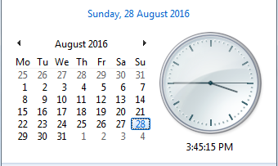
189 | 51 | 2016 | 51.2016 | 34 | 2016 | 34.2016 | 15-Aug-16 | 21-Aug-16 | 2017-03-08 | 0 | -29
190 | 52 | 2016 | 52.2016 | 35 | 2016 | 35.2016 | 22-Aug-16 | 28-Aug-16 | 2017-03-08 | 0 | -28
191 | 53 | 2016 | 53.2016 | 36 | 2016 | 36.2016 | 29-Aug-16 | 4-Sep-16 | 2017-03-08 | 0 | -27
192 | 01 | 2017 | 01.2017 | 37 | 2016 | 37.2016 | 5-Sep-16 | 11-Sep-16 | 2017-03-08 | 0 | -26
193 | 02 | 2017 | 02.2017 | 38 | 2016 | 38.2016 | 12-Sep-16 | 18-Sep-16 | 2017-03-08 | 0 | -25
194 | 03 | 2017 | 03.2017 | 39 | 2016 | 39.2016 | 19-Sep-16 | 25-Sep-16 | 2017-03-08 | 0 | -24
195 | 04 | 2017 | 04.2017 | 40 | 2016 | 40.2016 | 26-Sep-16 | 2-Oct-16 | 2017-03-08 | 0 | -23
196 | 05 | 2017 | 05.2017 | 41 | 2016 | 41.2016 | 3-Oct-16 | 9-Oct-16 | 2017-03-08 | 0 | -22
197 | 06 | 2017 | 06.2017 | 42 | 2016 | 42.2016 | 10-Oct-16 | 16-Oct-16 | 2017-03-08 | 0 | -21
198 | 07 | 2017 | 07.2017 | 43 | 2016 | 43.2016 | 17-Oct-16 | 23-Oct-16 | 2017-03-08 | 0 | -20
199 | 08 | 2017 | 08.2017 | 44 | 2016 | 44.2016 | 24-Oct-16 | 30-Oct-16 | 2017-03-08 | 0 | -19
200 | 09 | 2017 | 09.2017 | 45 | 2016 | 45.2016 | 31-Oct-16 | 6-Nov-16 | 2017-03-08 | 0 | -18
201 | 10 | 2017 | 10.2017 | 46 | 2016 | 46.2016 | 7-Nov-16 | 13-Nov-16 | 2017-03-08 | 0 | -17
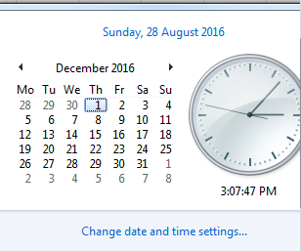
202 | 11 | 2017 | 11.2017 | 47 | 2016 | 47.2016 | 14-Nov-16 | 20-Nov-16 | 2017-03-08 | 0 | -16
203 | 12 | 2017 | 12.2017 | 48 | 2016 | 48.2016 | 21-Nov-16 | 27-Nov-16 | 2017-03-08 | 0 | -15
204 | 13 | 2017 | 13.2017 | 49 | 2016 | 49.2016 | 28-Nov-16 | 4-Dec-16 | 2017-03-08 | 0 | -14
205 | 14 | 2017 | 14.2017 | 50 | 2016 | 50.2016 | 5-Dec-16 | 11-Dec-16 | 2017-03-08 | 0 | -13
206 | 15 | 2017 | 15.2017 | 51 | 2016 | 51.2016 | 12-Dec-16 | 18-Dec-16 | 2017-03-08 | 0 | -12
207 | 16 | 2017 | 16.2017 | 52 | 2016 | 52.2016 | 19-Dec-16 | 25-Dec-16 | 2017-03-08 | 0 | -11
208 | 17 | 2017 | 17.2017 | 53 | 2016 | 53.2016 | 26-Dec-16 | 1-Jan-17 | 2017-03-08 | 0 | -10
209 | 18 | 2017 | 18.2017 | 1 | 2017 | 1.2017 | 2-Jan-17 | 8-Jan-17 | 2017-03-08 | 0 | -9
210 | 19 | 2017 | 19.2017 | 2 | 2017 | 2.2017 | 9-Jan-17 | 15-Jan-17 | 2017-03-08 | 0 | -8
211 | 20 | 2017 | 20.2017 | 3 | 2017 | 3.2017 | 16-Jan-17 | 22-Jan-17 | 2017-03-08 | 0 | -7
212 | 21 | 2017 | 21.2017 | 4 | 2017 | 4.2017 | 23-Jan-17 | 29-Jan-17 | 2017-03-08 | 0 | -6
213 | 22 | 2017 | 22.2017 | 5 | 2017 | 5.2017 | 30-Jan-17 | 5-Feb-17 | 2017-03-08 | 0 | -5
214 | 23 | 2017 | 23.2017 | 6 | 2017 | 6.2017 | 6-Feb-17 | 12-Feb-17 | 2017-03-08 | 0 | -4
215 | 24 | 2017 | 24.2017 | 7 | 2017 | 7.2017 | 13-Feb-17 | 19-Feb-17 | 2017-03-08 | 0 | -3
216 | 25 | 2017 | 25.2017 | 8 | 2017 | 8.2017 | 20-Feb-17 | 26-Feb-17 | 2017-03-08 | 0 | -2
217 | 26 | 2017 | 26.2017 | 9 | 2017 | 9.2017 | 27-Feb-17 | 5-Mar-17 | 2017-03-08 | 0 | -1
218 | 27 | 2017 | 27.2017 | 10 | 2017 | 10.2017 | 6-Mar-17 | 12-Mar-17 | 2017-03-08 | 1 | 0
219 | 28 | 2017 | 28.2017 | 11 | 2017 | 11.2017 | 13-Mar-17 | 19-Mar-17 | 2017-03-08 | 0 | 1
220 | 29 | 2017 | 29.2017 | 12 | 2017 | 12.2017 | 20-Mar-17 | 26-Mar-17 | 2017-03-08 | 0 | 2
221 | 30 | 2017 | 30.2017 | 13 | 2017 | 13.2017 | 27-Mar-17 | 2-Apr-17 | 2017-03-08 | 0 | 3
222 | 31 | 2017 | 31.2017 | 14 | 2017 | 14.2017 | 3-Apr-17 | 9-Apr-17 | 2017-03-08 | 0 | 4
223 | 32 | 2017 | 32.2017 | 15 | 2017 | 15.2017 | 10-Apr-17 | 16-Apr-17 | 2017-03-08 | 0 | 5
224 | 33 | 2017 | 33.2017 | 16 | 2017 | 16.2017 | 17-Apr-17 | 23-Apr-17 | 2017-03-08 | 0 | 6
225 | 34 | 2017 | 34.2017 | 17 | 2017 | 17.2017 | 24-Apr-17 | 30-Apr-17 | 2017-03-08 | 0 | 7
226 | 35 | 2017 | 35.2017 | 18 | 2017 | 18.2017 | 1-May-17 | 7-May-17 | 2017-03-08 | 0 | 8
227 | 36 | 2017 | 36.2017 | 19 | 2017 | 19.2017 | 8-May-17 | 14-May-17 | 2017-03-08 | 0 | 9
228 | 37 | 2017 | 37.2017 | 20 | 2017 | 20.2017 | 15-May-17 | 21-May-17 | 2017-03-08 | 0 | 10
229 | 38 | 2017 | 38.2017 | 21 | 2017 | 21.2017 | 22-May-17 | 28-May-17 | 2017-03-08 | 0 | 11
230 | 39 | 2017 | 39.2017 | 22 | 2017 | 22.2017 | 29-May-17 | 4-Jun-17 | 2017-03-08 | 0 | 12
231 | 40 | 2017 | 40.2017 | 23 | 2017 | 23.2017 | 5-Jun-17 | 11-Jun-17 | 2017-03-08 | 0 | 13
232 | 41 | 2017 | 41.2017 | 24 | 2017 | 24.2017 | 12-Jun-17 | 18-Jun-17 | 2017-03-08 | 0 | 14
233 | 42 | 2017 | 42.2017 | 25 | 2017 | 25.2017 | 19-Jun-17 | 25-Jun-17 | 2017-03-08 | 0 | 15
234 | 43 | 2017 | 43.2017 | 26 | 2017 | 26.2017 | 26-Jun-17 | 2-Jul-17 | 2017-03-08 | 0 | 16
235 | 44 | 2017 | 44.2017 | 27 | 2017 | 27.2017 | 3-Jul-17 | 9-Jul-17 | 2017-03-08 | 0 | 17
236 | 45 | 2017 | 45.2017 | 28 | 2017 | 28.2017 | 10-Jul-17 | 16-Jul-17 | 2017-03-08 | 0 | 18
237 | 46 | 2017 | 46.2017 | 29 | 2017 | 29.2017 | 17-Jul-17 | 23-Jul-17 | 2017-03-08 | 0 | 19
238 | 47 | 2017 | 47.2017 | 30 | 2017 | 30.2017 | 24-Jul-17 | 30-Jul-17 | 2017-03-08 | 0 | 20
239 | 48 | 2017 | 48.2017 | 31 | 2017 | 31.2017 | 31-Jul-17 | 6-Aug-17 | 2017-03-08 | 0 | 21
240 | 49 | 2017 | 49.2017 | 32 | 2017 | 32.2017 | 7-Aug-17 | 13-Aug-17 | 2017-03-08 | 0 | 22
241 | 50 | 2017 | 50.2017 | 33 | 2017 | 33.2017 | 14-Aug-17 | 20-Aug-17 | 2017-03-08 | 0 | 23
242 | 51 | 2017 | 51.2017 | 34 | 2017 | 34.2017 | 21-Aug-17 | 27-Aug-17 | 2017-03-08 | 0 | 24
243 | 52 | 2017 | 52.2017 | 35 | 2017 | 35.2017 | 28-Aug-17 | 3-Sep-17 | 2017-03-08 | 0 | 25
244 | 01 | 2018 | 01.2018 | 36 | 2017 | 36.2017 | 4-Sep-17 | 10-Sep-17 | 2017-03-08 | 0 | 26
245 | 02 | 2018 | 02.2018 | 37 | 2017 | 37.2017 | 11-Sep-17 | 17-Sep-17 | 2017-03-08 | 0 | 27
246 | 03 | 2018 | 03.2018 | 38 | 2017 | 38.2017 | 18-Sep-17 | 24-Sep-17 | 2017-03-08 | 0 | 28
247 | 04 | 2018 | 04.2018 | 39 | 2017 | 39.2017 | 25-Sep-17 | 1-Oct-17 | 2017-03-08 | 0 | 29
248 | 05 | 2018 | 05.2018 | 40 | 2017 | 40.2017 | 2-Oct-17 | 8-Oct-17 | 2017-03-08 | 0 | 30
249 | 06 | 2018 | 06.2018 | 41 | 2017 | 41.2017 | 9-Oct-17 | 15-Oct-17 | 2017-03-08 | 0 | 31
250 | 07 | 2018 | 07.2018 | 42 | 2017 | 42.2017 | 16-Oct-17 | 22-Oct-17 | 2017-03-08 | 0 | 32
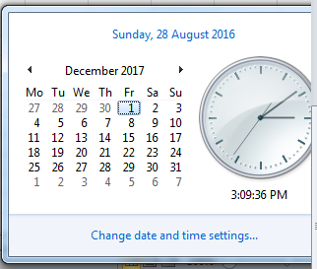
251 | 08 | 2018 | 08.2018 | 43 | 2017 | 43.2017 | 23-Oct-17 | 29-Oct-17 | 2017-03-08 | 0 | 33
252 | 09 | 2018 | 09.2018 | 44 | 2017 | 44.2017 | 30-Oct-17 | 5-Nov-17 | 2017-03-08 | 0 | 34
253 | 10 | 2018 | 10.2018 | 45 | 2017 | 45.2017 | 6-Nov-17 | 12-Nov-17 | 2017-03-08 | 0 | 35
254 | 11 | 2018 | 11.2018 | 46 | 2017 | 46.2017 | 13-Nov-17 | 19-Nov-17 | 2017-03-08 | 0 | 36
255 | 12 | 2018 | 12.2018 | 47 | 2017 | 47.2017 | 20-Nov-17 | 26-Nov-17 | 2017-03-08 | 0 | 37
256 | 13 | 2018 | 13.2018 | 48 | 2017 | 48.2017 | 27-Nov-17 | 3-Dec-17 | 2017-03-08 | 0 | 38
257 | 14 | 2018 | 14.2018 | 49 | 2017 | 49.2017 | 4-Dec-17 | 10-Dec-17 | 2017-03-08 | 0 | 39
258 | 15 | 2018 | 15.2018 | 50 | 2017 | 50.2017 | 11-Dec-17 | 17-Dec-17 | 2017-03-08 | 0 | 40
259 | 16 | 2018 | 16.2018 | 51 | 2017 | 51.2017 | 18-Dec-17 | 24-Dec-17 | 2017-03-08 | 0 | 41
260 | 17 | 2018 | 17.2018 | 52 | 2017 | 52.2017 | 25-Dec-17 | 31-Dec-17 | 2017-03-08 | 0 | 42
261 | 18 | 2018 | 18.2018 | 1 | 2018 | 1.2018 | 1-Jan-18 | 7-Jan-18 | 2017-03-08 | 0 | 43
262 | 19 | 2018 | 19.2018 | 2 | 2018 | 2.2018 | 8-Jan-18 | 14-Jan-18 | 2017-03-08 | 0 | 44
263 | 20 | 2018 | 20.2018 | 3 | 2018 | 3.2018 | 15-Jan-18 | 21-Jan-18 | 2017-03-08 | 0 | 45
264 | 21 | 2018 | 21.2018 | 4 | 2018 | 4.2018 | 22-Jan-18 | 28-Jan-18 | 2017-03-08 | 0 | 46
265 | 22 | 2018 | 22.2018 | 5 | 2018 | 5.2018 | 29-Jan-18 | 4-Feb-18 | 2017-03-08 | 0 | 47
266 | 23 | 2018 | 23.2018 | 6 | 2018 | 6.2018 | 5-Feb-18 | 11-Feb-18 | 2017-03-08 | 0 | 48
267 | 24 | 2018 | 24.2018 | 7 | 2018 | 7.2018 | 12-Feb-18 | 18-Feb-18 | 2017-03-08 | 0 | 49
268 | 25 | 2018 | 25.2018 | 8 | 2018 | 8.2018 | 19-Feb-18 | 25-Feb-18 | 2017-03-08 | 0 | 50
269 | 26 | 2018 | 26.2018 | 9 | 2018 | 9.2018 | 26-Feb-18 | 4-Mar-18 | 2017-03-08 | 0 | 51
270 | 27 | 2018 | 27.2018 | 10 | 2018 | 10.2018 | 5-Mar-18 | 11-Mar-18 | 2017-03-08 | 0 | 52
271 | 28 | 2018 | 28.2018 | 11 | 2018 | 11.2018 | 12-Mar-18 | 18-Mar-18 | 2017-03-08 | 0 | 53
272 | 29 | 2018 | 29.2018 | 12 | 2018 | 12.2018 | 19-Mar-18 | 25-Mar-18 | 2017-03-08 | 0 | 54
273 | 30 | 2018 | 30.2018 | 13 | 2018 | 13.2018 | 26-Mar-18 | 1-Apr-18 | 2017-03-08 | 0 | 55
274 | 31 | 2018 | 31.2018 | 14 | 2018 | 14.2018 | 2-Apr-18 | 8-Apr-18 | 2017-03-08 | 0 | 56
275 | 32 | 2018 | 32.2018 | 15 | 2018 | 15.2018 | 9-Apr-18 | 15-Apr-18 | 2017-03-08 | 0 | 57
276 | 33 | 2018 | 33.2018 | 16 | 2018 | 16.2018 | 16-Apr-18 | 22-Apr-18 | 2017-03-08 | 0 | 58
277 | 34 | 2018 | 34.2018 | 17 | 2018 | 17.2018 | 23-Apr-18 | 29-Apr-18 | 2017-03-08 | 0 | 59
278 | 35 | 2018 | 35.2018 | 18 | 2018 | 18.2018 | 30-Apr-18 | 6-May-18 | 2017-03-08 | 0 | 60
279 | 36 | 2018 | 36.2018 | 19 | 2018 | 19.2018 | 7-May-18 | 13-May-18 | 2017-03-08 | 0 | 61
280 | 37 | 2018 | 37.2018 | 20 | 2018 | 20.2018 | 14-May-18 | 20-May-18 | 2017-03-08 | 0 | 62
281 | 38 | 2018 | 38.2018 | 21 | 2018 | 21.2018 | 21-May-18 | 27-May-18 | 2017-03-08 | 0 | 63
282 | 39 | 2018 | 39.2018 | 22 | 2018 | 22.2018 | 28-May-18 | 3-Jun-18 | 2017-03-08 | 0 | 64
283 | 40 | 2018 | 40.2018 | 23 | 2018 | 23.2018 | 4-Jun-18 | 10-Jun-18 | 2017-03-08 | 0 | 65
284 | 41 | 2018 | 41.2018 | 24 | 2018 | 24.2018 | 11-Jun-18 | 17-Jun-18 | 2017-03-08 | 0 | 66
285 | 42 | 2018 | 42.2018 | 25 | 2018 | 25.2018 | 18-Jun-18 | 24-Jun-18 | 2017-03-08 | 0 | 67
286 | 43 | 2018 | 43.2018 | 26 | 2018 | 26.2018 | 25-Jun-18 | 1-Jul-18 | 2017-03-08 | 0 | 68
287 | 44 | 2018 | 44.2018 | 27 | 2018 | 27.2018 | 2-Jul-18 | 8-Jul-18 | 2017-03-08 | 0 | 69
288 | 45 | 2018 | 45.2018 | 28 | 2018 | 28.2018 | 9-Jul-18 | 15-Jul-18 | 2017-03-08 | 0 | 70
289 | 46 | 2018 | 46.2018 | 29 | 2018 | 29.2018 | 16-Jul-18 | 22-Jul-18 | 2017-03-08 | 0 | 71
290 | 47 | 2018 | 47.2018 | 30 | 2018 | 30.2018 | 23-Jul-18 | 29-Jul-18 | 2017-03-08 | 0 | 72
291 | 48 | 2018 | 48.2018 | 31 | 2018 | 31.2018 | 30-Jul-18 | 5-Aug-18 | 2017-03-08 | 0 | 73
292 | 49 | 2018 | 49.2018 | 32 | 2018 | 32.2018 | 6-Aug-18 | 12-Aug-18 | 2017-03-08 | 0 | 74
293 | 50 | 2018 | 50.2018 | 33 | 2018 | 33.2018 | 13-Aug-18 | 19-Aug-18 | 2017-03-08 | 0 | 75
294 | 51 | 2018 | 51.2018 | 34 | 2018 | 34.2018 | 20-Aug-18 | 26-Aug-18 | 2017-03-08 | 0 | 76
295 | 52 | 2018 | 52.2018 | 35 | 2018 | 35.2018 | 27-Aug-18 | 2-Sep-18 | 2017-03-08 | 0 | 77
296 | 01 | 2019 | 01.2019 | 36 | 2018 | 36.2018 | 3-Sep-18 | 9-Sep-18 | 2017-03-08 | 0 | 78
297 | 02 | 2019 | 02.2019 | 37 | 2018 | 37.2018 | 10-Sep-18 | 16-Sep-18 | 2017-03-08 | 0 | 79
298 | 03 | 2019 | 03.2019 | 38 | 2018 | 38.2018 | 17-Sep-18 | 23-Sep-18 | 2017-03-08 | 0 | 80
299 | 04 | 2019 | 04.2019 | 39 | 2018 | 39.2018 | 24-Sep-18 | 30-Sep-18 | 2017-03-08 | 0 | 81
300 | 05 | 2019 | 05.2019 | 40 | 2018 | 40.2018 | 1-Oct-18 | 7-Oct-18 | 2017-03-08 | 0 | 82
301 | 06 | 2019 | 06.2019 | 41 | 2018 | 41.2018 | 8-Oct-18 | 14-Oct-18 | 2017-03-08 | 0 | 83
302 | 07 | 2019 | 07.2019 | 42 | 2018 | 42.2018 | 15-Oct-18 | 21-Oct-18 | 2017-03-08 | 0 | 84
303 | 08 | 2019 | 08.2019 | 43 | 2018 | 43.2018 | 22-Oct-18 | 28-Oct-18 | 2017-03-08 | 0 | 85
304 | 09 | 2019 | 09.2019 | 44 | 2018 | 44.2018 | 29-Oct-18 | 4-Nov-18 | 2017-03-08 | 0 | 86
305 | 10 | 2019 | 10.2019 | 45 | 2018 | 45.2018 | 5-Nov-18 | 11-Nov-18 | 2017-03-08 | 0 | 87
306 | 11 | 2019 | 11.2019 | 46 | 2018 | 46.2018 | 12-Nov-18 | 18-Nov-18 | 2017-03-08 | 0 | 88
307 | 12 | 2019 | 12.2019 | 47 | 2018 | 47.2018 | 19-Nov-18 | 25-Nov-18 | 2017-03-08 | 0 | 89
308 | 13 | 2019 | 13.2019 | 48 | 2018 | 48.2018 | 26-Nov-18 | 2-Dec-18 | 2017-03-08 | 0 | 90
309 | 14 | 2019 | 14.2019 | 49 | 2018 | 49.2018 | 3-Dec-18 | 9-Dec-18 | 2017-03-08 | 0 | 91
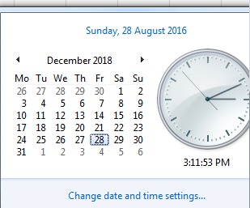
310 | 15 | 2019 | 15.2019 | 50 | 2018 | 50.2018 | 10-Dec-18 | 16-Dec-18 | 2017-03-08 | 0 | 92
311 | 16 | 2019 | 16.2019 | 51 | 2018 | 51.2018 | 17-Dec-18 | 23-Dec-18 | 2017-03-08 | 0 | 93
312 | 17 | 2019 | 17.2019 | 52 | 2018 | 52.2018 | 24-Dec-18 | 30-Dec-18 | 2017-03-08 | 0 | 94
313 | 18 | 2019 | 18.2019 | 1 | 2019 | 1.2019 | 31-Dec-18 | 6-Jan-19 | 2017-03-08 | 0 | 95
314 | 19 | 2019 | 19.2019 | 2 | 2019 | 2.2019 | 7-Jan-19 | 13-Jan-19 | 2017-03-08 | 0 | 96
315 | 20 | 2019 | 20.2019 | 3 | 2019 | 3.2019 | 14-Jan-19 | 20-Jan-19 | 2017-03-08 | 0 | 97
316 | 21 | 2019 | 21.2019 | 4 | 2019 | 4.2019 | 21-Jan-19 | 27-Jan-19 | 2017-03-08 | 0 | 98
317 | 22 | 2019 | 22.2019 | 5 | 2019 | 5.2019 | 28-Jan-19 | 3-Feb-19 | 2017-03-08 | 0 | 99
318 | 23 | 2019 | 23.2019 | 6 | 2019 | 6.2019 | 4-Feb-19 | 10-Feb-19 | 2017-03-08 | 0 | 100
319 | 24 | 2019 | 24.2019 | 7 | 2019 | 7.2019 | 11-Feb-19 | 17-Feb-19 | 2017-03-08 | 0 | 101
320 | 25 | 2019 | 25.2019 | 8 | 2019 | 8.2019 | 18-Feb-19 | 24-Feb-19 | 2017-03-08 | 0 | 102
321 | 26 | 2019 | 26.2019 | 9 | 2019 | 9.2019 | 25-Feb-19 | 3-Mar-19 | 2017-03-08 | 0 | 103
322 | 27 | 2019 | 27.2019 | 10 | 2019 | 10.2019 | 4-Mar-19 | 10-Mar-19 | 2017-03-08 | 0 | 104
323 | 28 | 2019 | 28.2019 | 11 | 2019 | 11.2019 | 11-Mar-19 | 17-Mar-19 | 2017-03-08 | 0 | 105
324 | 29 | 2019 | 29.2019 | 12 | 2019 | 12.2019 | 18-Mar-19 | 24-Mar-19 | 2017-03-08 | 0 | 106
325 | 30 | 2019 | 30.2019 | 13 | 2019 | 13.2019 | 25-Mar-19 | 31-Mar-19 | 2017-03-08 | 0 | 107
326 | 31 | 2019 | 31.2019 | 14 | 2019 | 14.2019 | 1-Apr-19 | 7-Apr-19 | 2017-03-08 | 0 | 108
327 | 32 | 2019 | 32.2019 | 15 | 2019 | 15.2019 | 8-Apr-19 | 14-Apr-19 | 2017-03-08 | 0 | 109
328 | 33 | 2019 | 33.2019 | 16 | 2019 | 16.2019 | 15-Apr-19 | 21-Apr-19 | 2017-03-08 | 0 | 110
329 | 34 | 2019 | 34.2019 | 17 | 2019 | 17.2019 | 22-Apr-19 | 28-Apr-19 | 2017-03-08 | 0 | 111
330 | 35 | 2019 | 35.2019 | 18 | 2019 | 18.2019 | 29-Apr-19 | 5-May-19 | 2017-03-08 | 0 | 112
331 | 36 | 2019 | 36.2019 | 19 | 2019 | 19.2019 | 6-May-19 | 12-May-19 | 2017-03-08 | 0 | 113
332 | 37 | 2019 | 37.2019 | 20 | 2019 | 20.2019 | 13-May-19 | 19-May-19 | 2017-03-08 | 0 | 114
333 | 38 | 2019 | 38.2019 | 21 | 2019 | 21.2019 | 20-May-19 | 26-May-19 | 2017-03-08 | 0 | 115
334 | 39 | 2019 | 39.2019 | 22 | 2019 | 22.2019 | 27-May-19 | 2-Jun-19 | 2017-03-08 | 0 | 116
335 | 40 | 2019 | 40.2019 | 23 | 2019 | 23.2019 | 3-Jun-19 | 9-Jun-19 | 2017-03-08 | 0 | 117
336 | 41 | 2019 | 41.2019 | 24 | 2019 | 24.2019 | 10-Jun-19 | 16-Jun-19 | 2017-03-08 | 0 | 118
337 | 42 | 2019 | 42.2019 | 25 | 2019 | 25.2019 | 17-Jun-19 | 23-Jun-19 | 2017-03-08 | 0 | 119
338 | 43 | 2019 | 43.2019 | 26 | 2019 | 26.2019 | 24-Jun-19 | 30-Jun-19 | 2017-03-08 | 0 | 120
339 | 44 | 2019 | 44.2019 | 27 | 2019 | 27.2019 | 1-Jul-19 | 7-Jul-19 | 2017-03-08 | 0 | 121
340 | 45 | 2019 | 45.2019 | 28 | 2019 | 28.2019 | 8-Jul-19 | 14-Jul-19 | 2017-03-08 | 0 | 122
341 | 46 | 2019 | 46.2019 | 29 | 2019 | 29.2019 | 15-Jul-19 | 21-Jul-19 | 2017-03-08 | 0 | 123
342 | 47 | 2019 | 47.2019 | 30 | 2019 | 30.2019 | 22-Jul-19 | 28-Jul-19 | 2017-03-08 | 0 | 124
343 | 48 | 2019 | 48.2019 | 31 | 2019 | 31.2019 | 29-Jul-19 | 4-Aug-19 | 2017-03-08 | 0 | 125
344 | 49 | 2019 | 49.2019 | 32 | 2019 | 32.2019 | 5-Aug-19 | 11-Aug-19 | 2017-03-08 | 0 | 126
345 | 50 | 2019 | 50.2019 | 33 | 2019 | 33.2019 | 12-Aug-19 | 18-Aug-19 | 2017-03-08 | 0 | 127
346 | 51 | 2019 | 51.2019 | 34 | 2019 | 34.2019 | 19-Aug-19 | 25-Aug-19 | 2017-03-08 | 0 | 128
347 | 52 | 2019 | 52.2019 | 35 | 2019 | 35.2019 | 26-Aug-19 | 1-Sep-19 | 2017-03-08 | 0 | 129
348 | 01 | 2020 | 01.2020 | 36 | 2019 | 36.2019 | 2-Sep-19 | 8-Sep-19 | 2017-03-08 | 0 | 130
349 | 02 | 2020 | 02.2020 | 37 | 2019 | 37.2019 | 9-Sep-19 | 15-Sep-19 | 2017-03-08 | 0 | 131
350 | 03 | 2020 | 03.2020 | 38 | 2019 | 38.2019 | 16-Sep-19 | 22-Sep-19 | 2017-03-08 | 0 | 132
351 | 04 | 2020 | 04.2020 | 39 | 2019 | 39.2019 | 23-Sep-19 | 29-Sep-19 | 2017-03-08 | 0 | 133
352 | 05 | 2020 | 05.2020 | 40 | 2019 | 40.2019 | 30-Sep-19 | 6-Oct-19 | 2017-03-08 | 0 | 134
353 | 06 | 2020 | 06.2020 | 41 | 2019 | 41.2019 | 7-Oct-19 | 13-Oct-19 | 2017-03-08 | 0 | 135
354 | 07 | 2020 | 07.2020 | 42 | 2019 | 42.2019 | 14-Oct-19 | 20-Oct-19 | 2017-03-08 | 0 | 136
355 | 08 | 2020 | 08.2020 | 43 | 2019 | 43.2019 | 21-Oct-19 | 27-Oct-19 | 2017-03-08 | 0 | 137
356 | 09 | 2020 | 09.2020 | 44 | 2019 | 44.2019 | 28-Oct-19 | 3-Nov-19 | 2017-03-08 | 0 | 138
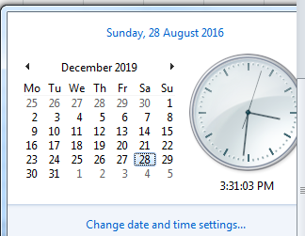
357 | 10 | 2020 | 10.2020 | 45 | 2019 | 45.2019 | 4-Nov-19 | 10-Nov-19 | 2017-03-08 | 0 | 139
358 | 11 | 2020 | 11.2020 | 46 | 2019 | 46.2019 | 11-Nov-19 | 17-Nov-19 | 2017-03-08 | 0 | 140
359 | 12 | 2020 | 12.2020 | 47 | 2019 | 47.2019 | 18-Nov-19 | 24-Nov-19 | 2017-03-08 | 0 | 141
360 | 13 | 2020 | 13.2020 | 48 | 2019 | 48.2019 | 25-Nov-19 | 1-Dec-19 | 2017-03-08 | 0 | 142
361 | 14 | 2020 | 14.2020 | 49 | 2019 | 49.2019 | 2-Dec-19 | 8-Dec-19 | 2017-03-08 | 0 | 143
362 | 15 | 2020 | 15.2020 | 50 | 2019 | 50.2019 | 9-Dec-19 | 15-Dec-19 | 2017-03-08 | 0 | 144
363 | 16 | 2020 | 16.2020 | 51 | 2019 | 51.2019 | 16-Dec-19 | 22-Dec-19 | 2017-03-08 | 0 | 145
364 | 17 | 2020 | 17.2020 | 52 | 2019 | 52.2019 | 23-Dec-19 | 29-Dec-19 | 2017-03-08 | 0 | 146
365 | 18 | 2020 | 18.2020 | 1 | 2020 | 1.2020 | 30-Dec-19 | 5-Jan-20 | 2017-03-08 | 0 | 147
366 | 19 | 2020 | 19.2020 | 2 | 2020 | 2.2020 | 6-Jan-20 | 12-Jan-20 | 2017-03-08 | 0 | 148
367 | 20 | 2020 | 20.2020 | 3 | 2020 | 3.2020 | 13-Jan-20 | 19-Jan-20 | 2017-03-08 | 0 | 149
368 | 21 | 2020 | 21.2020 | 4 | 2020 | 4.2020 | 20-Jan-20 | 26-Jan-20 | 2017-03-08 | 0 | 150
369 | 22 | 2020 | 22.2020 | 5 | 2020 | 5.2020 | 27-Jan-20 | 2-Feb-20 | 2017-03-08 | 0 | 151
370 | 23 | 2020 | 23.2020 | 6 | 2020 | 6.2020 | 3-Feb-20 | 9-Feb-20 | 2017-03-08 | 0 | 152
371 | 24 | 2020 | 24.2020 | 7 | 2020 | 7.2020 | 10-Feb-20 | 16-Feb-20 | 2017-03-08 | 0 | 153
372 | 25 | 2020 | 25.2020 | 8 | 2020 | 8.2020 | 17-Feb-20 | 23-Feb-20 | 2017-03-08 | 0 | 154
373 | 26 | 2020 | 26.2020 | 9 | 2020 | 9.2020 | 24-Feb-20 | 1-Mar-20 | 2017-03-08 | 0 | 155
374 | 27 | 2020 | 27.2020 | 10 | 2020 | 10.2020 | 2-Mar-20 | 8-Mar-20 | 2017-03-08 | 0 | 156
375 | 28 | 2020 | 28.2020 | 11 | 2020 | 11.2020 | 9-Mar-20 | 15-Mar-20 | 2017-03-08 | 0 | 157
376 | 29 | 2020 | 29.2020 | 12 | 2020 | 12.2020 | 16-Mar-20 | 22-Mar-20 | 2017-03-08 | 0 | 158
377 | 30 | 2020 | 30.2020 | 13 | 2020 | 13.2020 | 23-Mar-20 | 29-Mar-20 | 2017-03-08 | 0 | 159
378 | 31 | 2020 | 31.2020 | 14 | 2020 | 14.2020 | 30-Mar-20 | 5-Apr-20 | 2017-03-08 | 0 | 160
379 | 32 | 2020 | 32.2020 | 15 | 2020 | 15.2020 | 6-Apr-20 | 12-Apr-20 | 2017-03-08 | 0 | 161
380 | 33 | 2020 | 33.2020 | 16 | 2020 | 16.2020 | 13-Apr-20 | 19-Apr-20 | 2017-03-08 | 0 | 162
381 | 34 | 2020 | 34.2020 | 17 | 2020 | 17.2020 | 20-Apr-20 | 26-Apr-20 | 2017-03-08 | 0 | 163
382 | 35 | 2020 | 35.2020 | 18 | 2020 | 18.2020 | 27-Apr-20 | 3-May-20 | 2017-03-08 | 0 | 164
383 | 36 | 2020 | 36.2020 | 19 | 2020 | 19.2020 | 4-May-20 | 10-May-20 | 2017-03-08 | 0 | 165
384 | 37 | 2020 | 37.2020 | 20 | 2020 | 20.2020 | 11-May-20 | 17-May-20 | 2017-03-08 | 0 | 166
385 | 38 | 2020 | 38.2020 | 21 | 2020 | 21.2020 | 18-May-20 | 24-May-20 | 2017-03-08 | 0 | 167
386 | 39 | 2020 | 39.2020 | 22 | 2020 | 22.2020 | 25-May-20 | 31-May-20 | 2017-03-08 | 0 | 168
387 | 40 | 2020 | 40.2020 | 23 | 2020 | 23.2020 | 1-Jun-20 | 7-Jun-20 | 2017-03-08 | 0 | 169
388 | 41 | 2020 | 41.2020 | 24 | 2020 | 24.2020 | 8-Jun-20 | 14-Jun-20 | 2017-03-08 | 0 | 170
389 | 42 | 2020 | 42.2020 | 25 | 2020 | 25.2020 | 15-Jun-20 | 21-Jun-20 | 2017-03-08 | 0 | 171
390 | 43 | 2020 | 43.2020 | 26 | 2020 | 26.2020 | 22-Jun-20 | 28-Jun-20 | 2017-03-08 | 0 | 172
391 | 44 | 2020 | 44.2020 | 27 | 2020 | 27.2020 | 29-Jun-20 | 5-Jul-20 | 2017-03-08 | 0 | 173
392 | 45 | 2020 | 45.2020 | 28 | 2020 | 28.2020 | 6-Jul-20 | 12-Jul-20 | 2017-03-08 | 0 | 174
393 | 46 | 2020 | 46.2020 | 29 | 2020 | 29.2020 | 13-Jul-20 | 19-Jul-20 | 2017-03-08 | 0 | 175
394 | 47 | 2020 | 47.2020 | 30 | 2020 | 30.2020 | 20-Jul-20 | 26-Jul-20 | 2017-03-08 | 0 | 176
395 | 48 | 2020 | 48.2020 | 31 | 2020 | 31.2020 | 27-Jul-20 | 2-Aug-20 | 2017-03-08 | 0 | 177
396 | 49 | 2020 | 49.2020 | 32 | 2020 | 32.2020 | 3-Aug-20 | 9-Aug-20 | 2017-03-08 | 0 | 178
397 | 50 | 2020 | 50.2020 | 33 | 2020 | 33.2020 | 10-Aug-20 | 16-Aug-20 | 2017-03-08 | 0 | 179
398 | 51 | 2020 | 51.2020 | 34 | 2020 | 34.2020 | 17-Aug-20 | 23-Aug-20 | 2017-03-08 | 0 | 180
399 | 52 | 2020 | 52.2020 | 35 | 2020 | 35.2020 | 24-Aug-20 | 30-Aug-20 | 2017-03-08 | 0 | 181
400 | 53 | 2021 | 53.2021 | 36 | 2020 | 36.2020 | 31-Aug-20 | 6-Sep-20 | 2017-03-08 | 0 | 182
401 | 01 | 2021 | 01.2021 | 37 | 2020 | 37.2020 | 7-Sep-20 | 13-Sep-20 | 2017-03-08 | 0 | 183
402 | 02 | 2021 | 02.2021 | 38 | 2020 | 38.2020 | 14-Sep-20 | 20-Sep-20 | 2017-03-08 | 0 | 184
403 | 03 | 2021 | 03.2021 | 39 | 2020 | 39.2020 | 21-Sep-20 | 27-Sep-20 | 2017-03-08 | 0 | 185
404 | 04 | 2021 | 04.2021 | 40 | 2020 | 40.2020 | 28-Sep-20 | 4-Oct-20 | 2017-03-08 | 0 | 186
405 | 05 | 2021 | 05.2021 | 41 | 2020 | 41.2020 | 5-Oct-20 | 11-Oct-20 | 2017-03-08 | 0 | 187
406 | 06 | 2021 | 06.2021 | 42 | 2020 | 42.2020 | 12-Oct-20 | 18-Oct-20 | 2017-03-08 | 0 | 188
407 | 07 | 2021 | 07.2021 | 43 | 2020 | 43.2020 | 19-Oct-20 | 25-Oct-20 | 2017-03-08 | 0 | 189
408 | 08 | 2021 | 08.2021 | 44 | 2020 | 44.2020 | 26-Oct-20 | 1-Nov-20 | 2017-03-08 | 0 | 190
409 | 09 | 2021 | 09.2021 | 45 | 2020 | 45.2020 | 2-Nov-20 | 8-Nov-20 | 2017-03-08 | 0 | 191
410 | 10 | 2021 | 10.2021 | 46 | 2020 | 46.2020 | 9-Nov-20 | 15-Nov-20 | 2017-03-08 | 0 | 192
411 | 11 | 2021 | 11.2021 | 47 | 2020 | 47.2020 | 16-Nov-20 | 22-Nov-20 | 2017-03-08 | 0 | 193
412 | 12 | 2021 | 12.2021 | 48 | 2020 | 48.2020 | 23-Nov-20 | 29-Nov-20 | 2017-03-08 | 0 | 194
413 | 13 | 2021 | 13.2021 | 49 | 2020 | 49.2020 | 30-Nov-20 | 6-Dec-20 | 2017-03-08 | 0 | 195
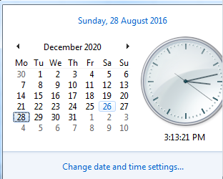
414 | 14 | 2021 | 14.2021 | 50 | 2020 | 50.2020 | 7-Dec-20 | 13-Dec-20 | 2017-03-08 | 0 | 196
415 | 15 | 2021 | 15.2021 | 51 | 2020 | 51.2020 | 14-Dec-20 | 20-Dec-20 | 2017-03-08 | 0 | 197
416 | 16 | 2021 | 16.2021 | 52 | 2020 | 52.2020 | 21-Dec-20 | 27-Dec-20 | 2017-03-08 | 0 | 198
417 | 17 | 2021 | 17.2021 | 53 | 2020 | 53.2020 | 28-Dec-20 | 3-Jan-21 | 2017-03-08 | 0 | 199
418 | 18 | 2021 | 18.2021 | 1 | 2020 | 1.2020 | 4-Jan-21 | 10-Jan-21 | 2017-03-08 | 0 | 200
419 | 19 | 2021 | 19.2021 | 2 | 2020 | 2.2020 | 11-Jan-21 | 17-Jan-21 | 2017-03-08 | 0 | 201
420 | 20 | 2021 | 20.2021 | 3 | 2020 | 3.2020 | 18-Jan-21 | 24-Jan-21 | 2017-03-08 | 0 | 202
421 | 21 | 2021 | 21.2021 | 4 | 2020 | 4.2020 | 25-Jan-21 | 31-Jan-21 | 2017-03-08 | 0 | 203
422 | 22 | 2021 | 22.2021 | 5 | 2020 | 5.2020 | 1-Feb-21 | 7-Feb-21 | 2017-03-08 | 0 | 204
423 | 23 | 2021 | 23.2021 | 6 | 2020 | 6.2020 | 8-Feb-21 | 14-Feb-21 | 2017-03-08 | 0 | 205
 |  |  |  |  |  |  |  |  |  | 0
 |  |  |  |  |  |  |  |  |  | 0

debug
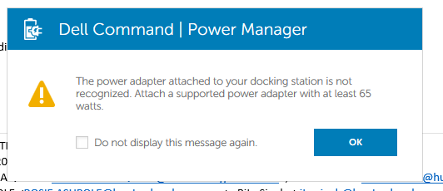
1

