Sheet1
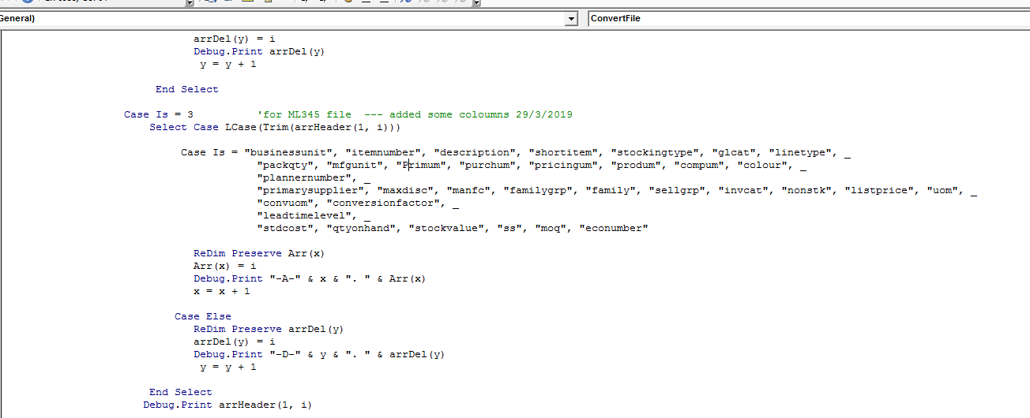
Debug find below issue, if you type Capital 'P' instead of lower case 'p', you will have problems since code will not / ignore to pick up this coloumn and all your data will be wrong,
you are likely to have less columns and type mismatch error as column type will be different.

