Sheet1
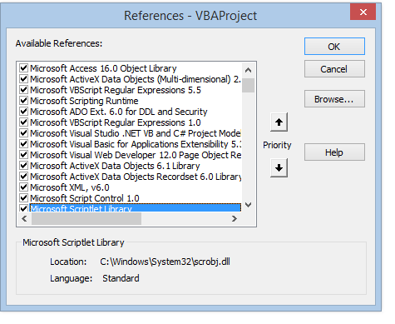
 | Default setting in 64 bit Excel | Customised Library setting 32 bit Excel by Alan
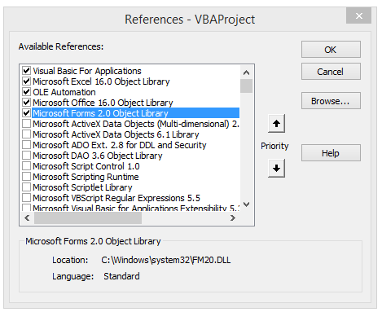
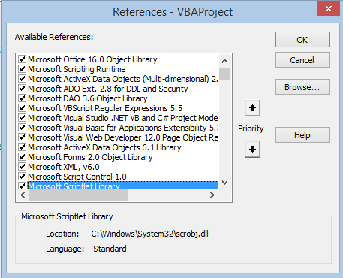

New Library setting in 64 bit Excel

