Sheet1
 | Error message if you have changes made in another repository ( by another people in another computer - say in Hunter Douglas office by another people )
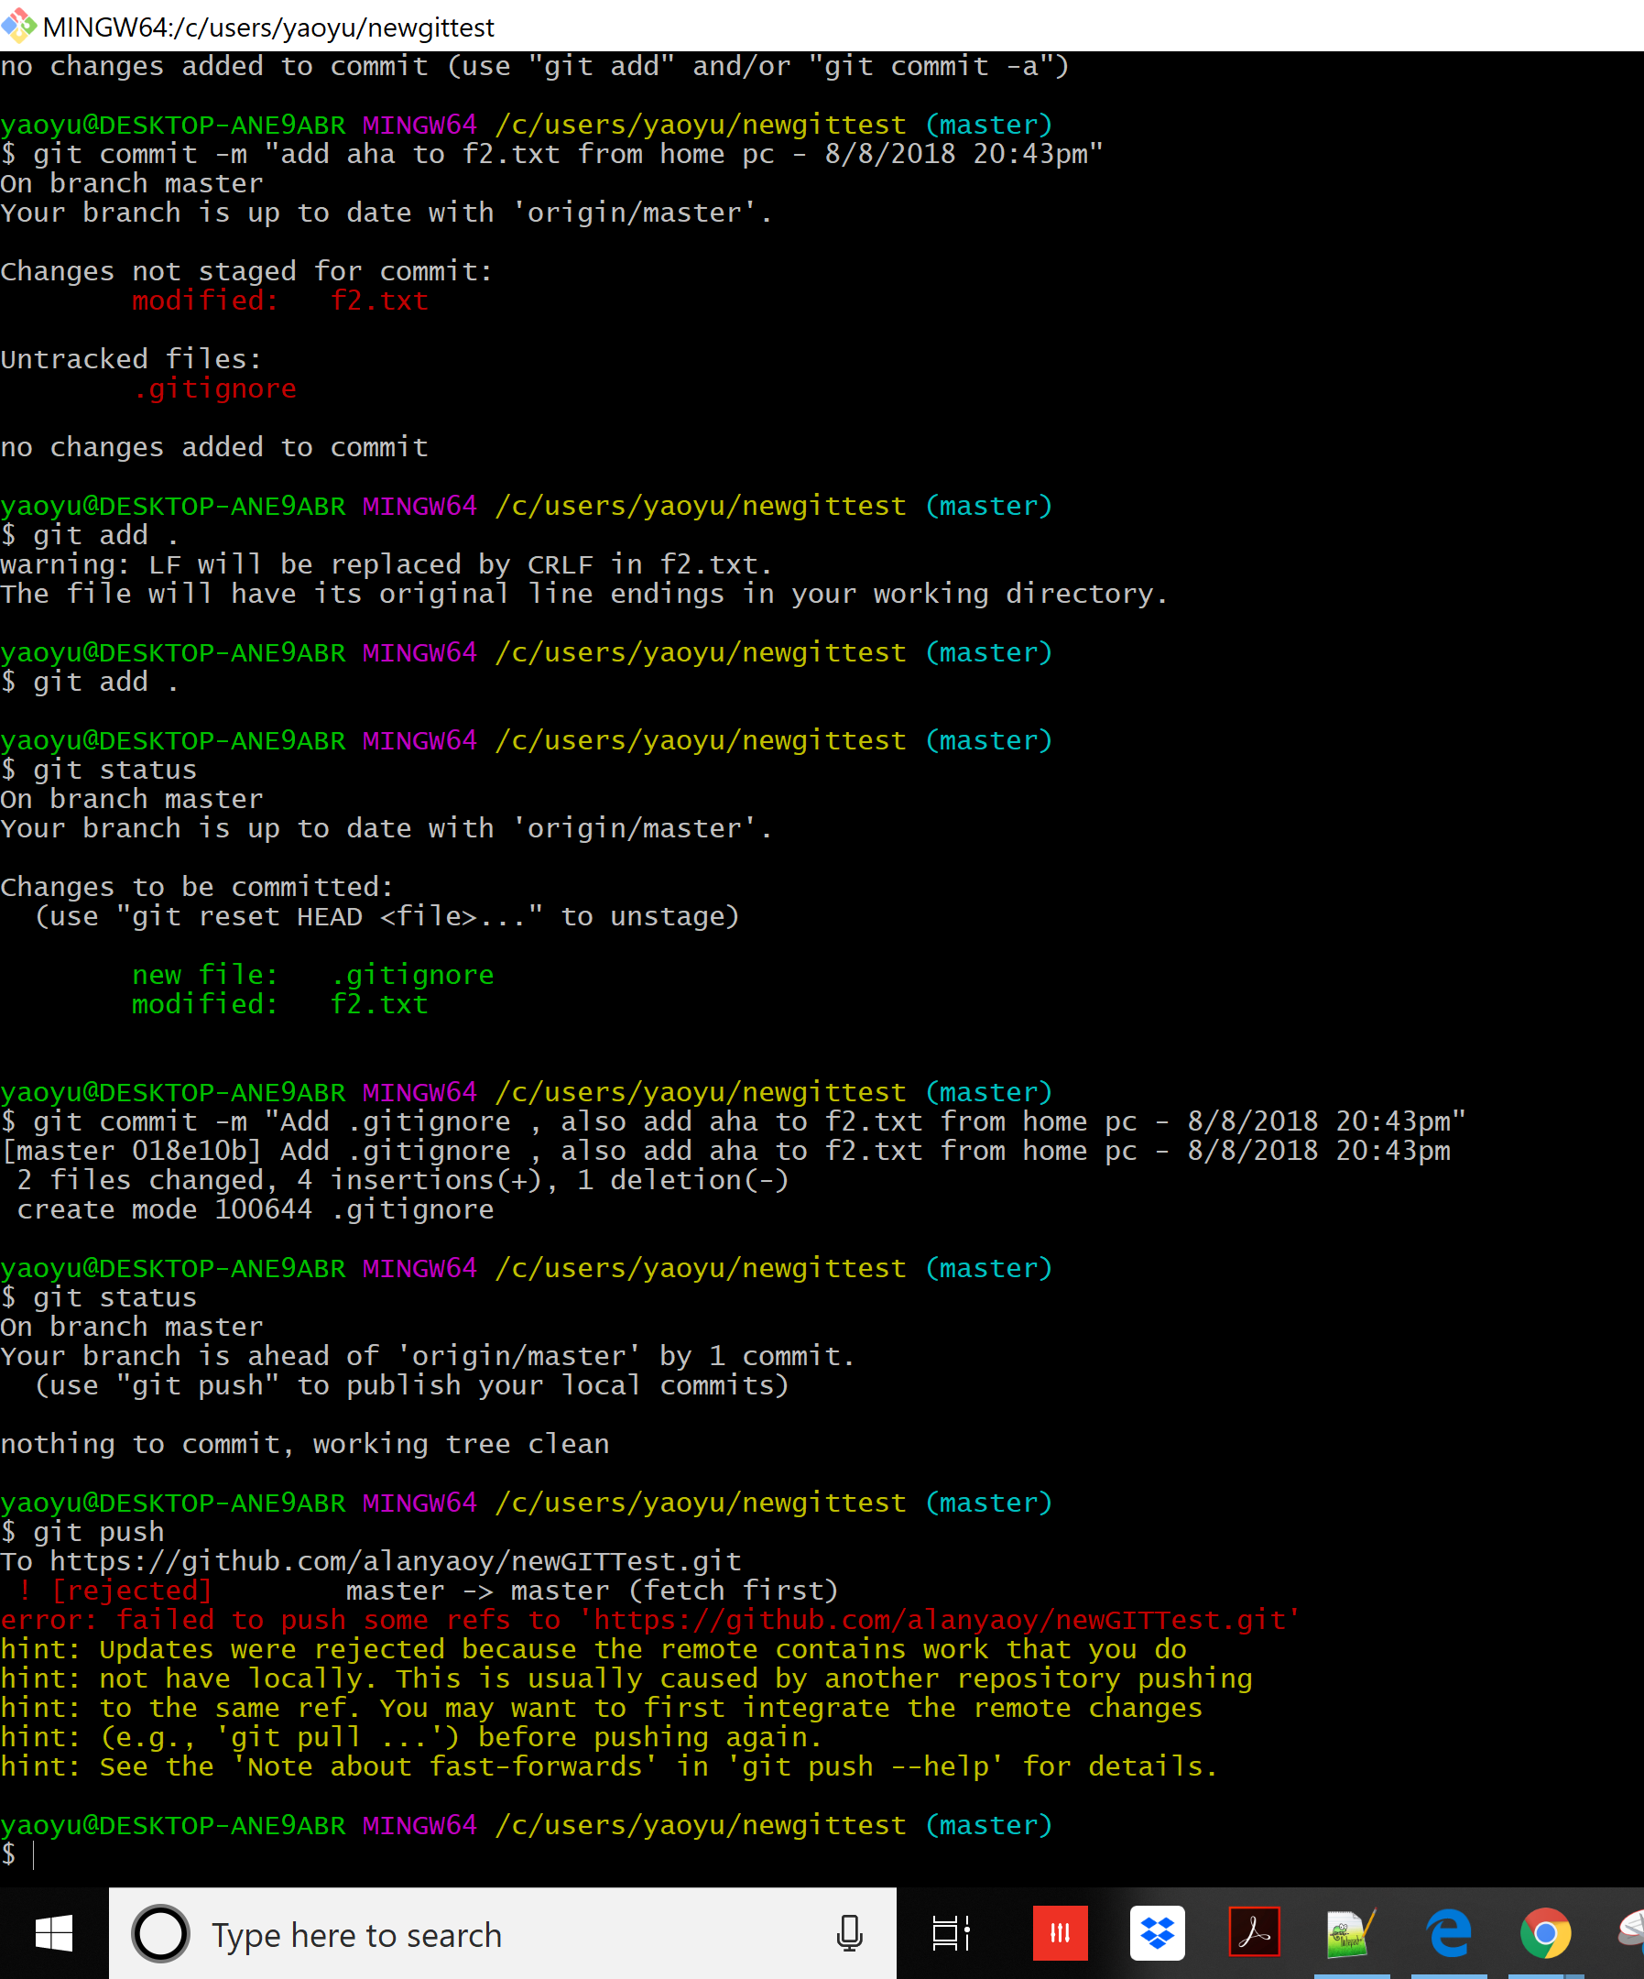

 |  | Merge message need to edit , save and close before pull operation started
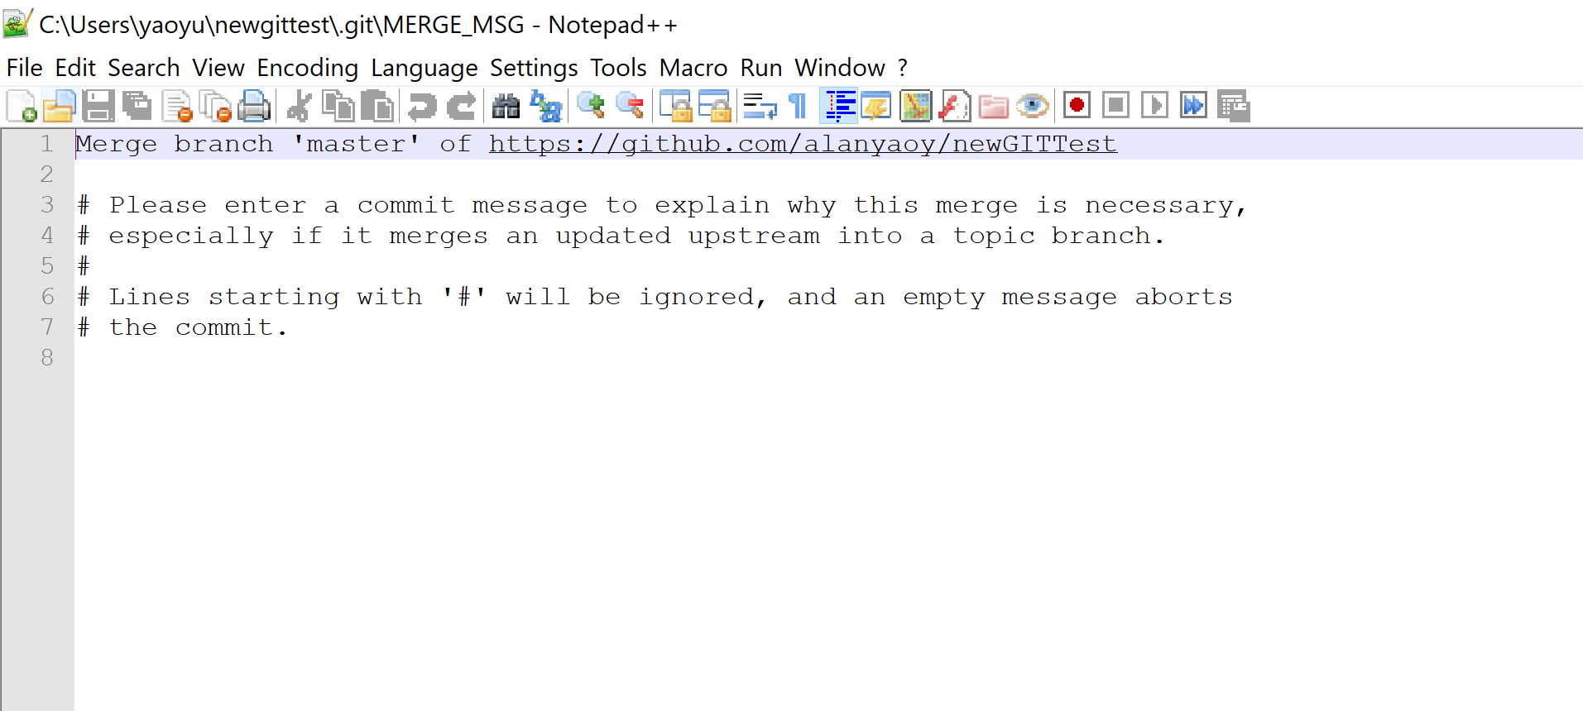

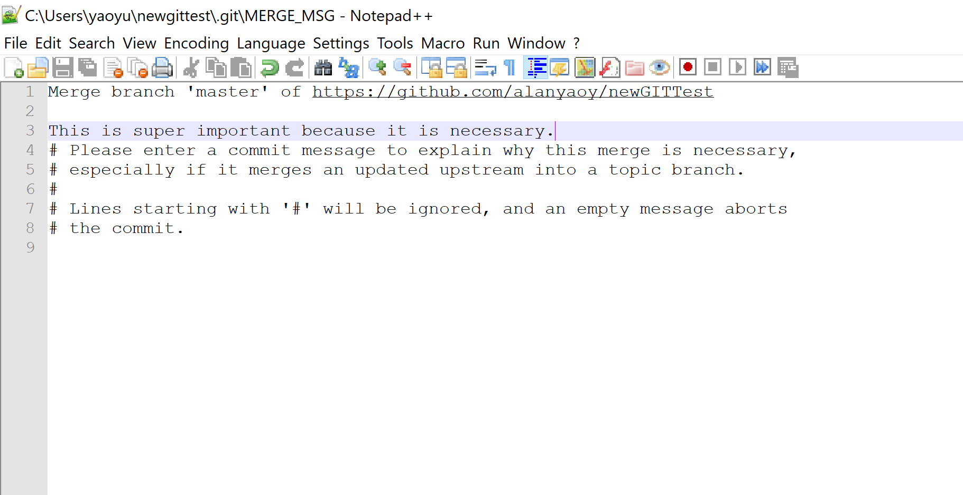

 | git pull first - before you upload your changed file in your home pc

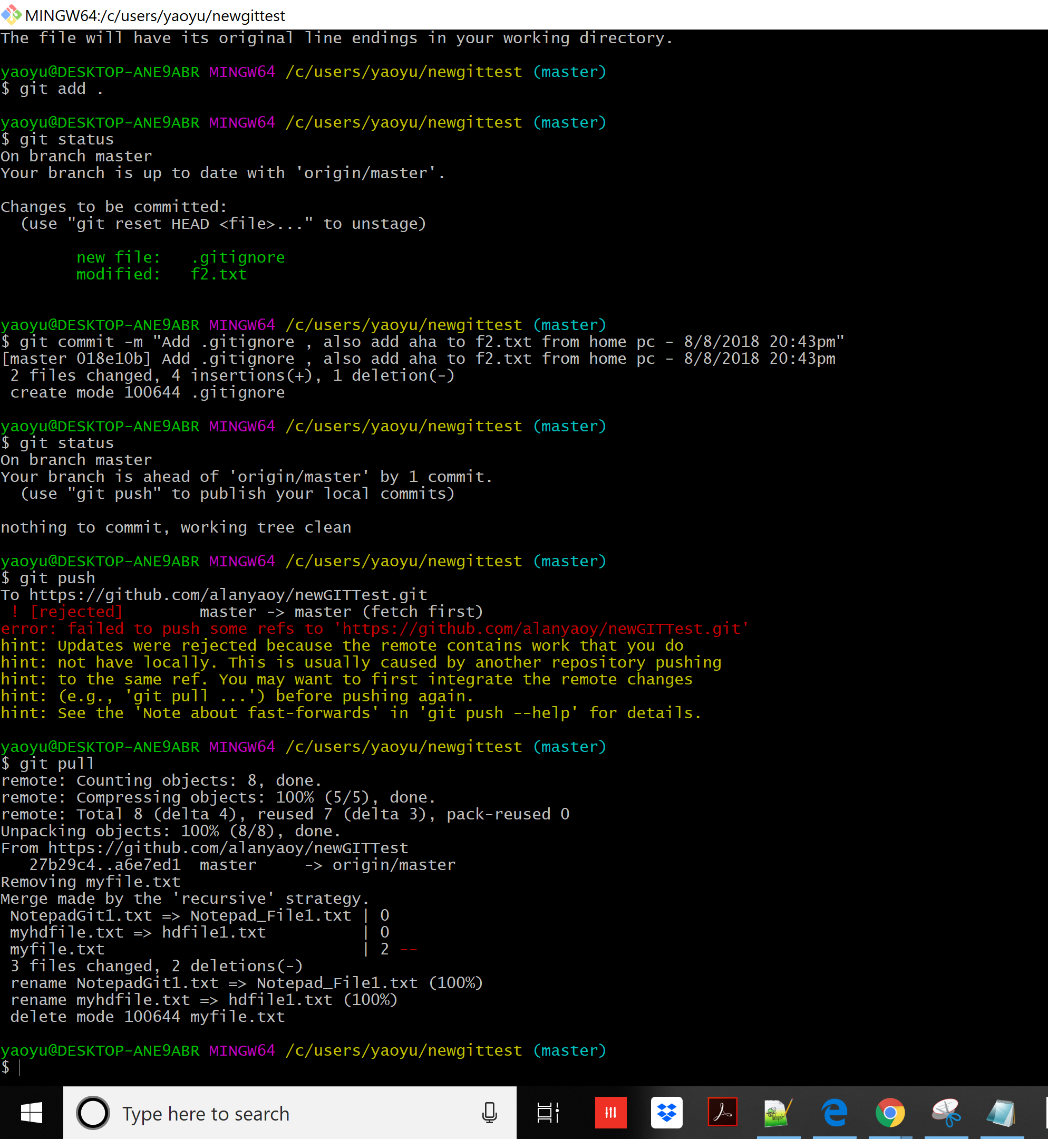

 | git push - pushs changes you made in your home pc.

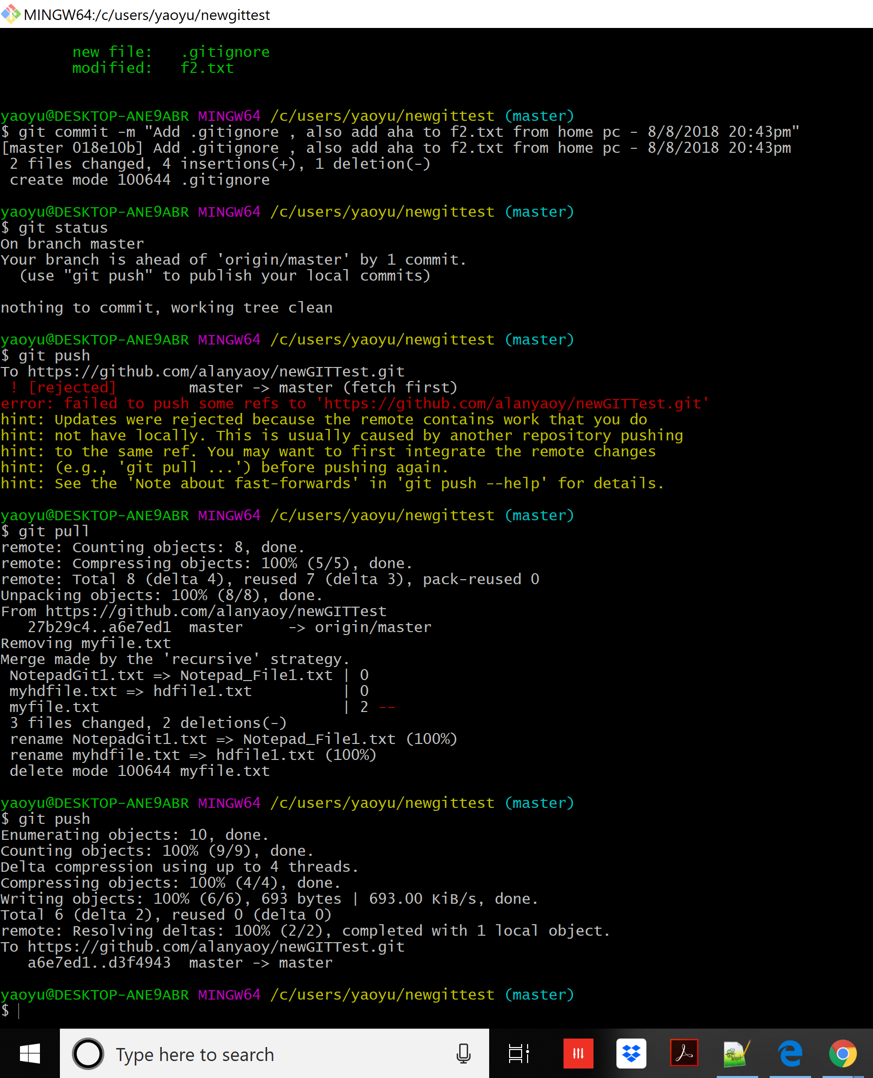

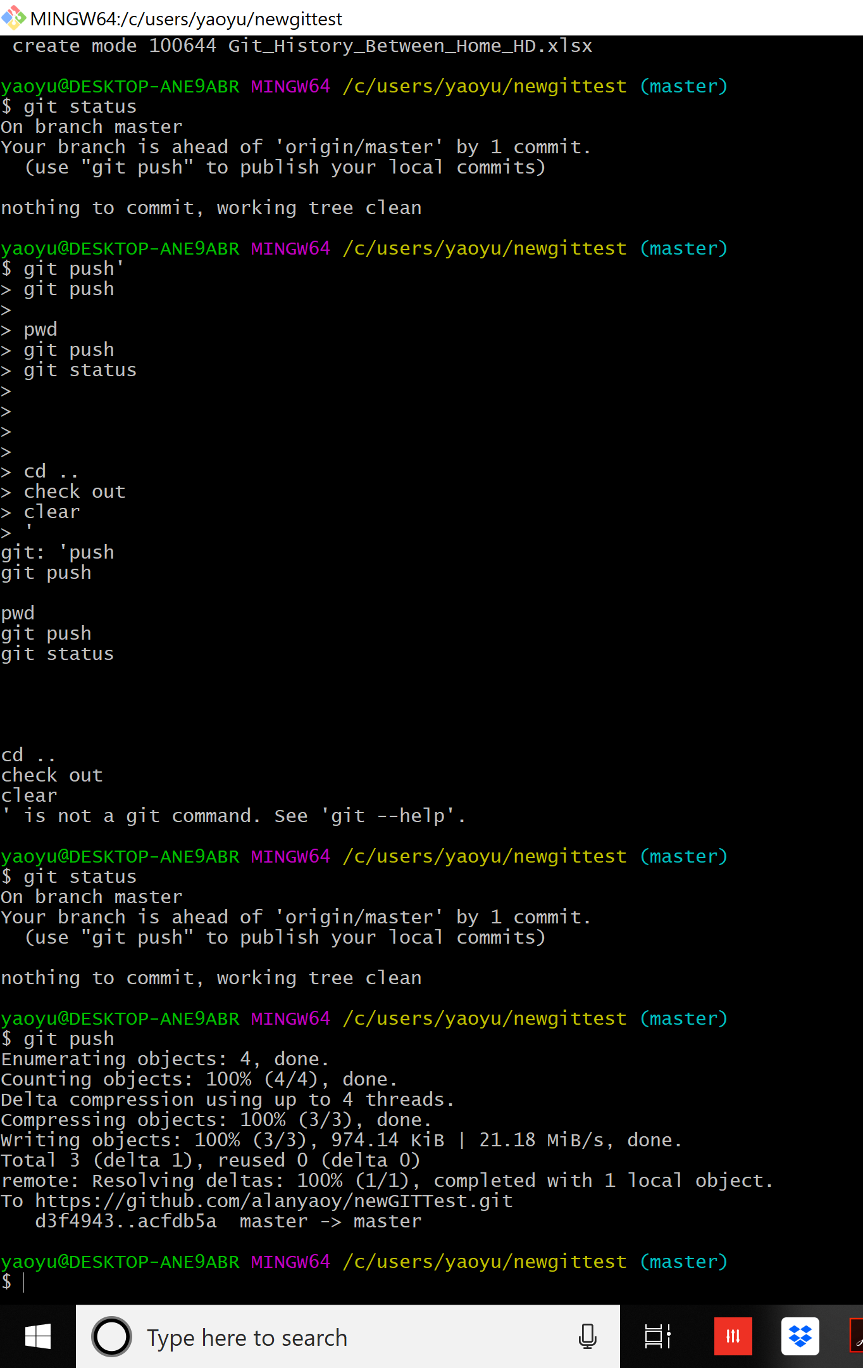

 |  | change hdfile1.txt - 2nd line and add additional line - the 3rd line in this text file.

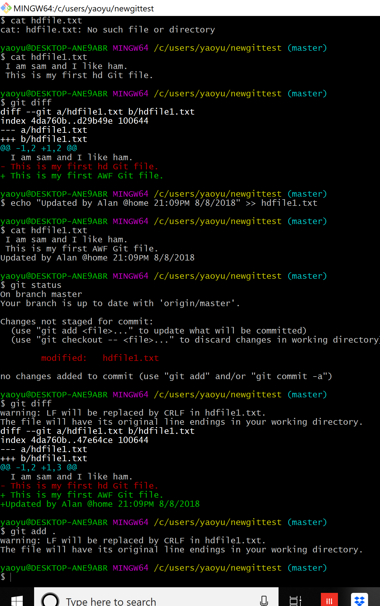

 | commit the change for hdfile1.txt

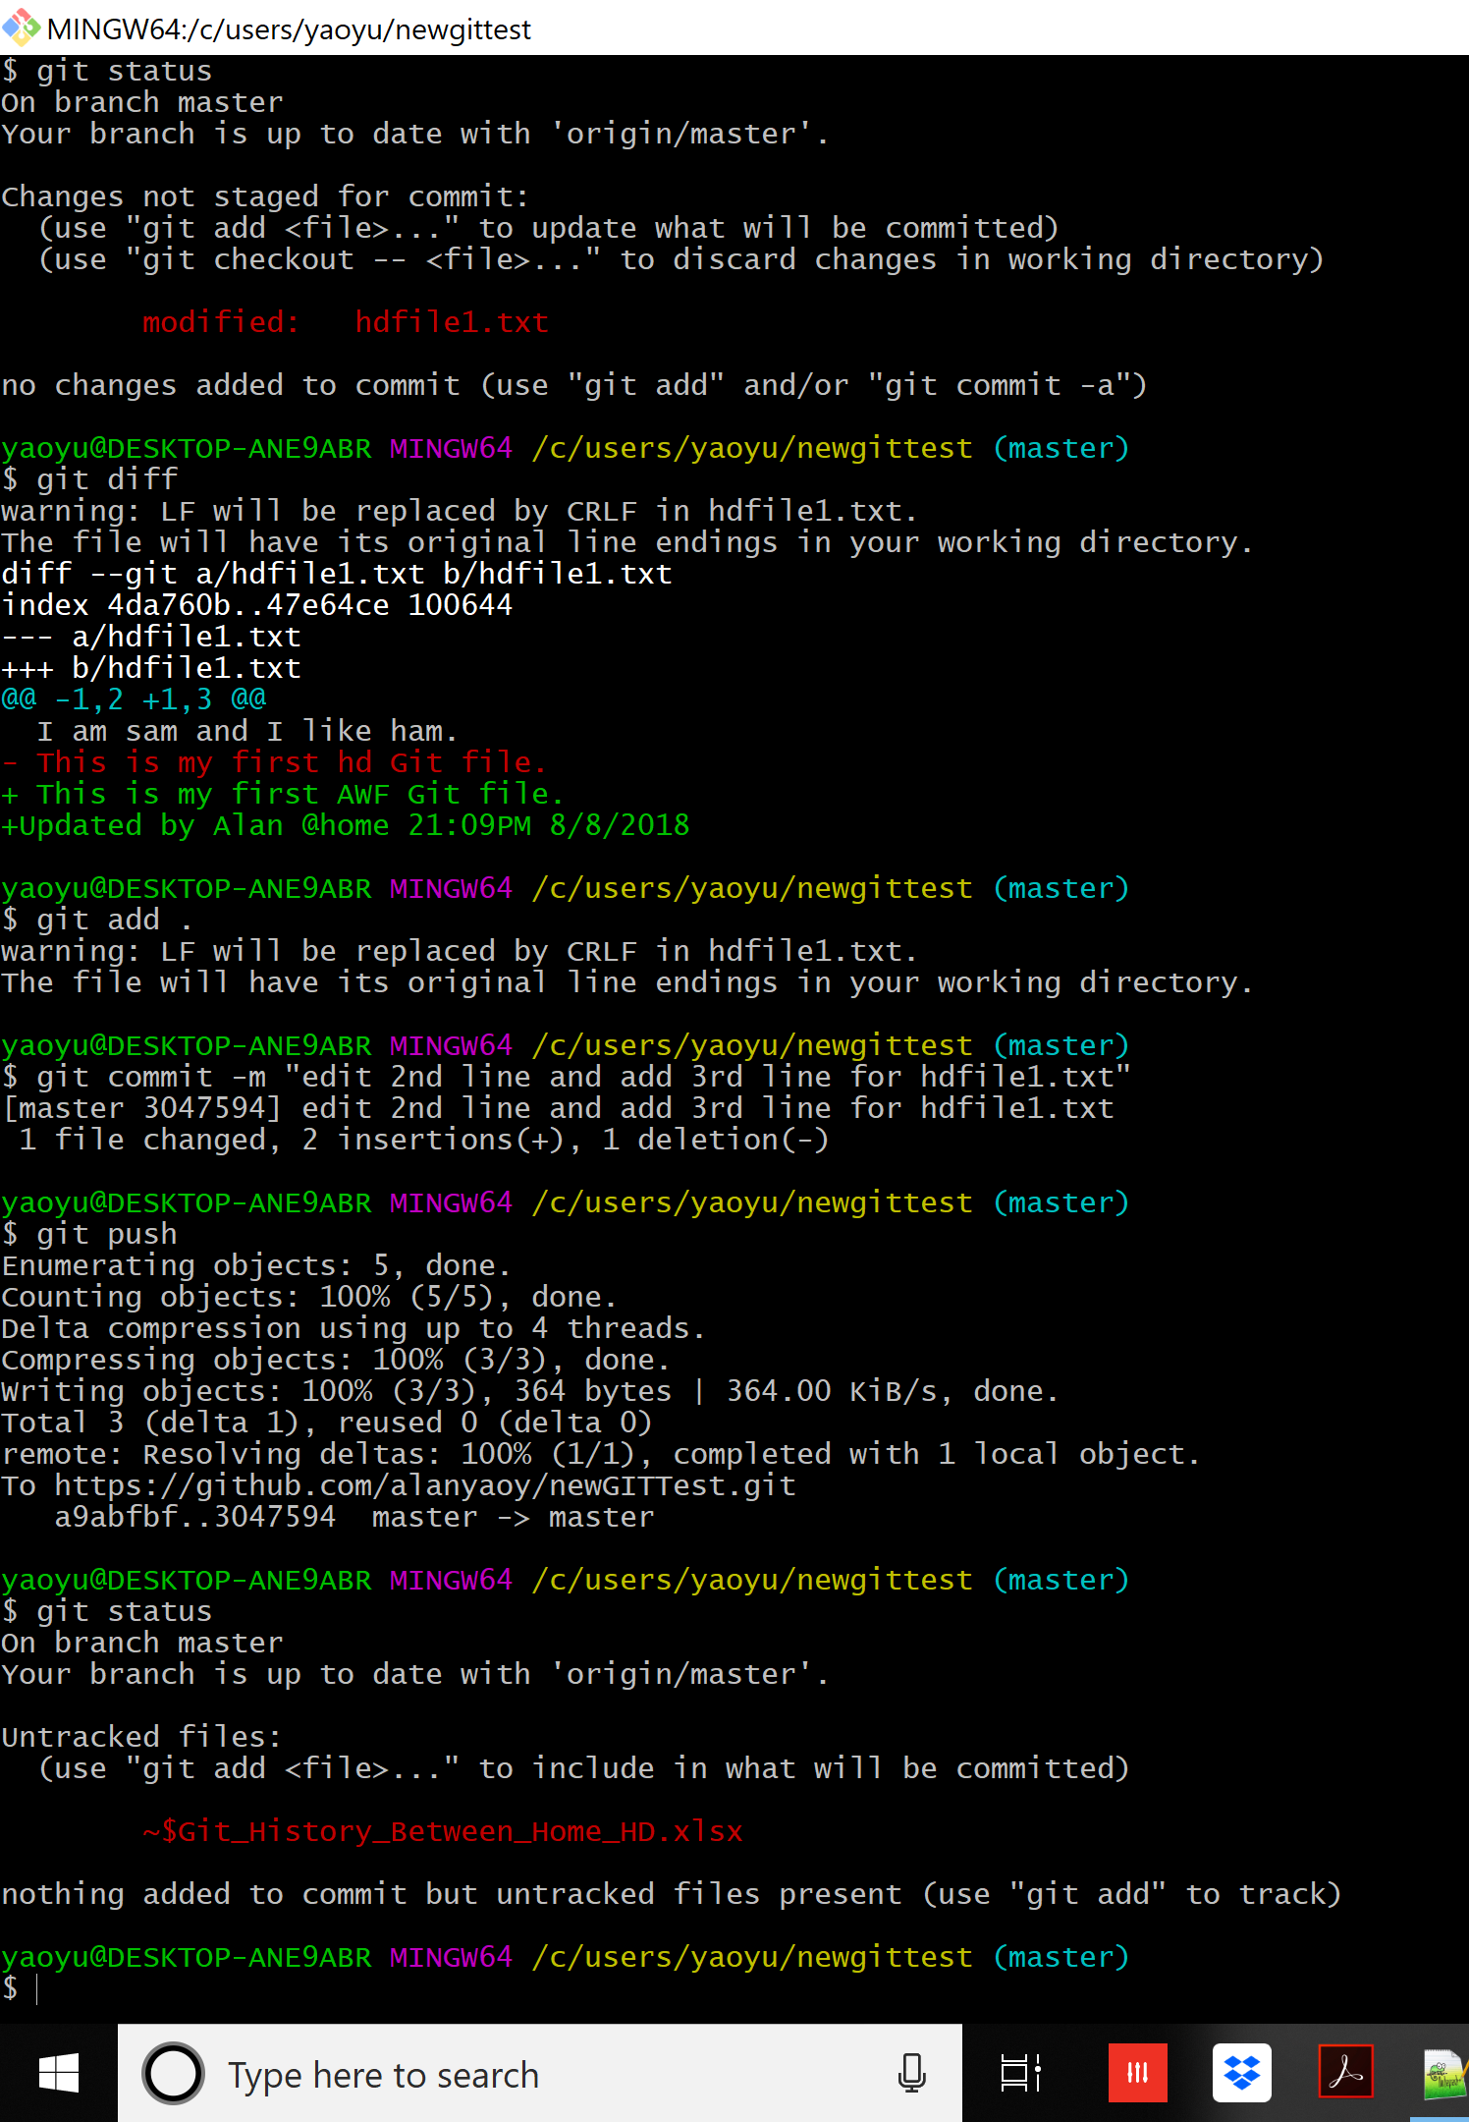

 | general commit without enter 'message' - you got prompted by message which I entered " go ahead"
 | after save and close the file, commit is done

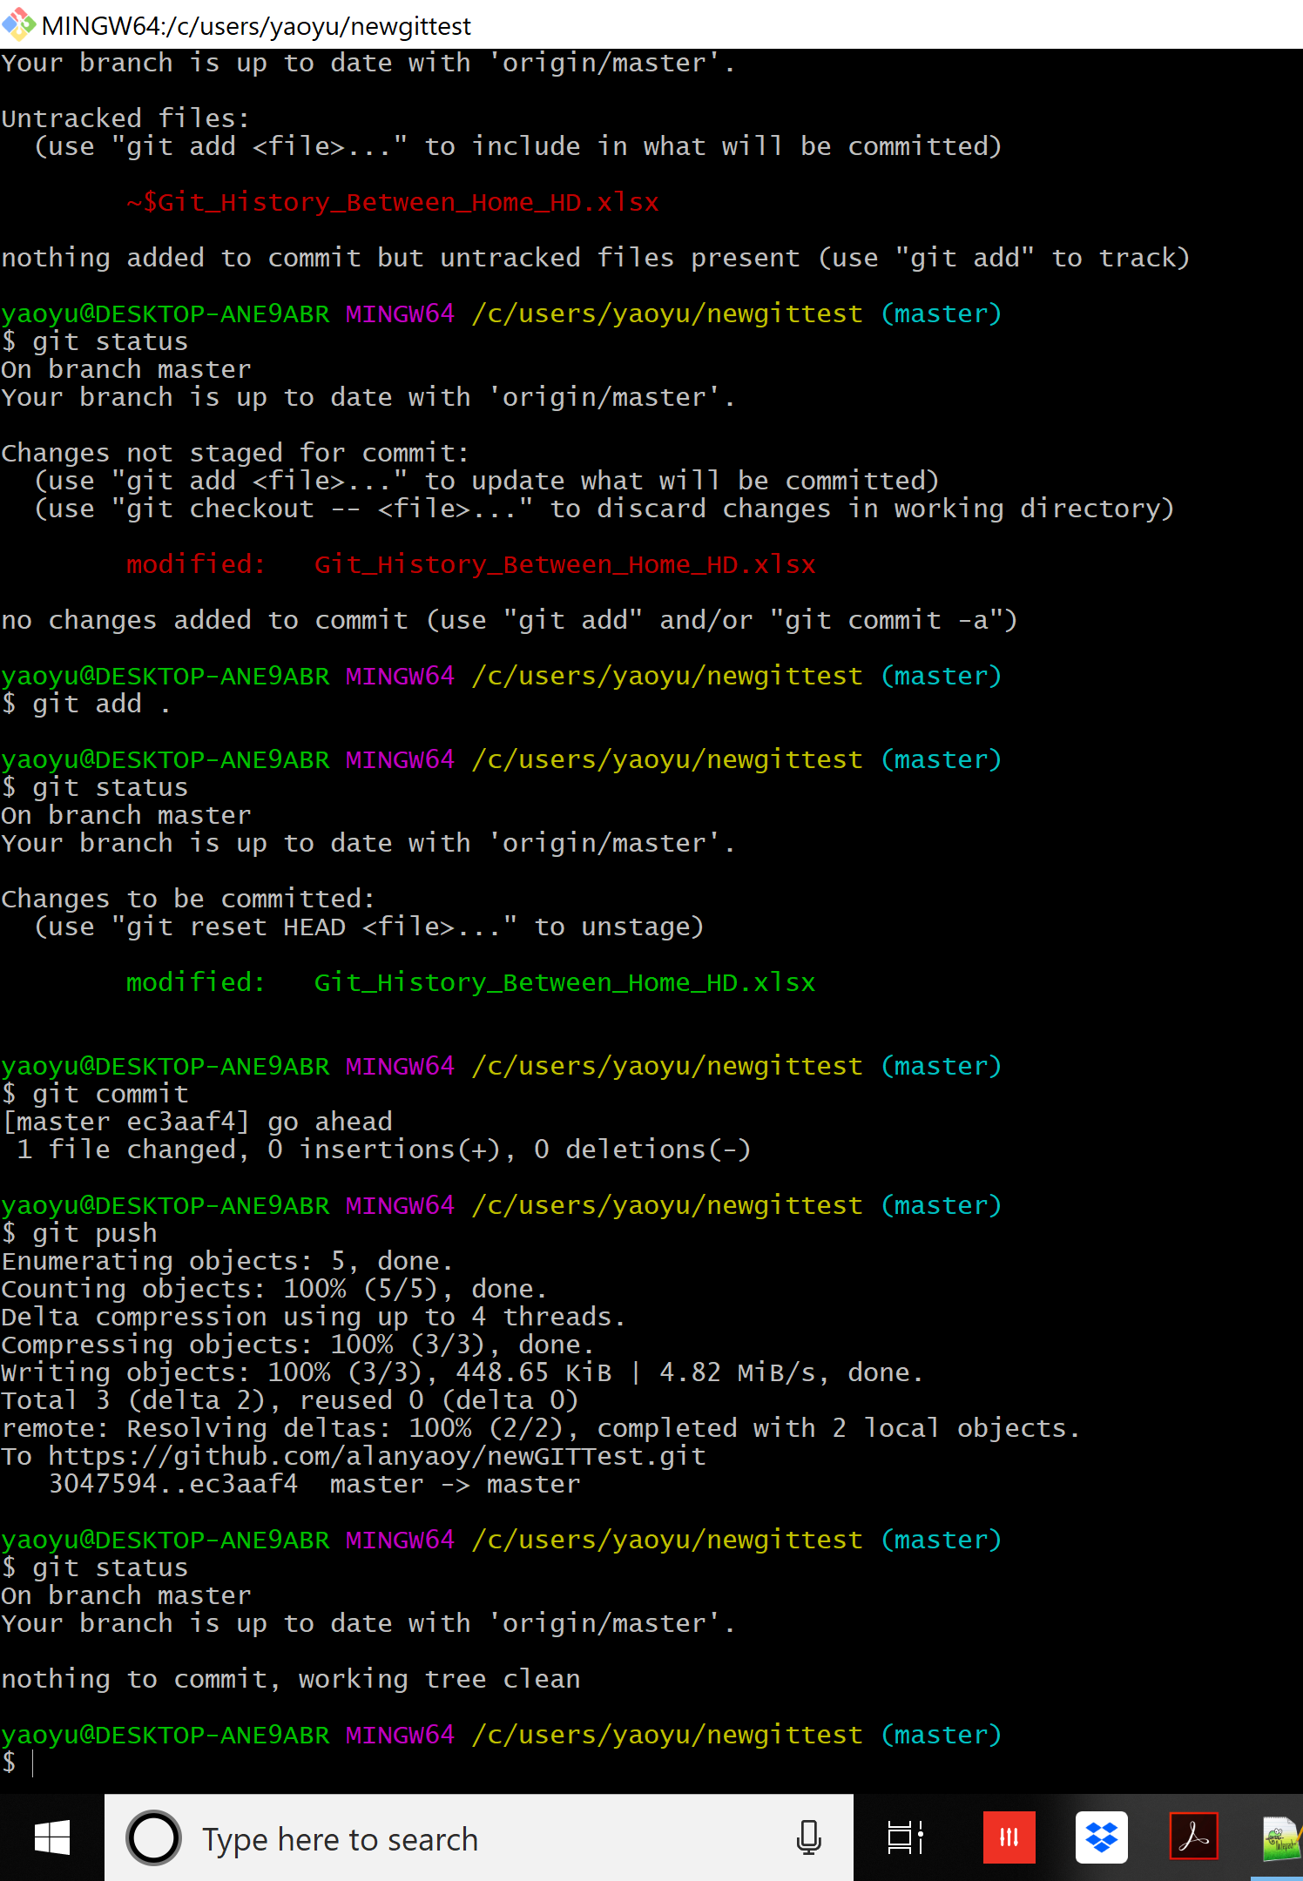

go ahead

