Sheet1
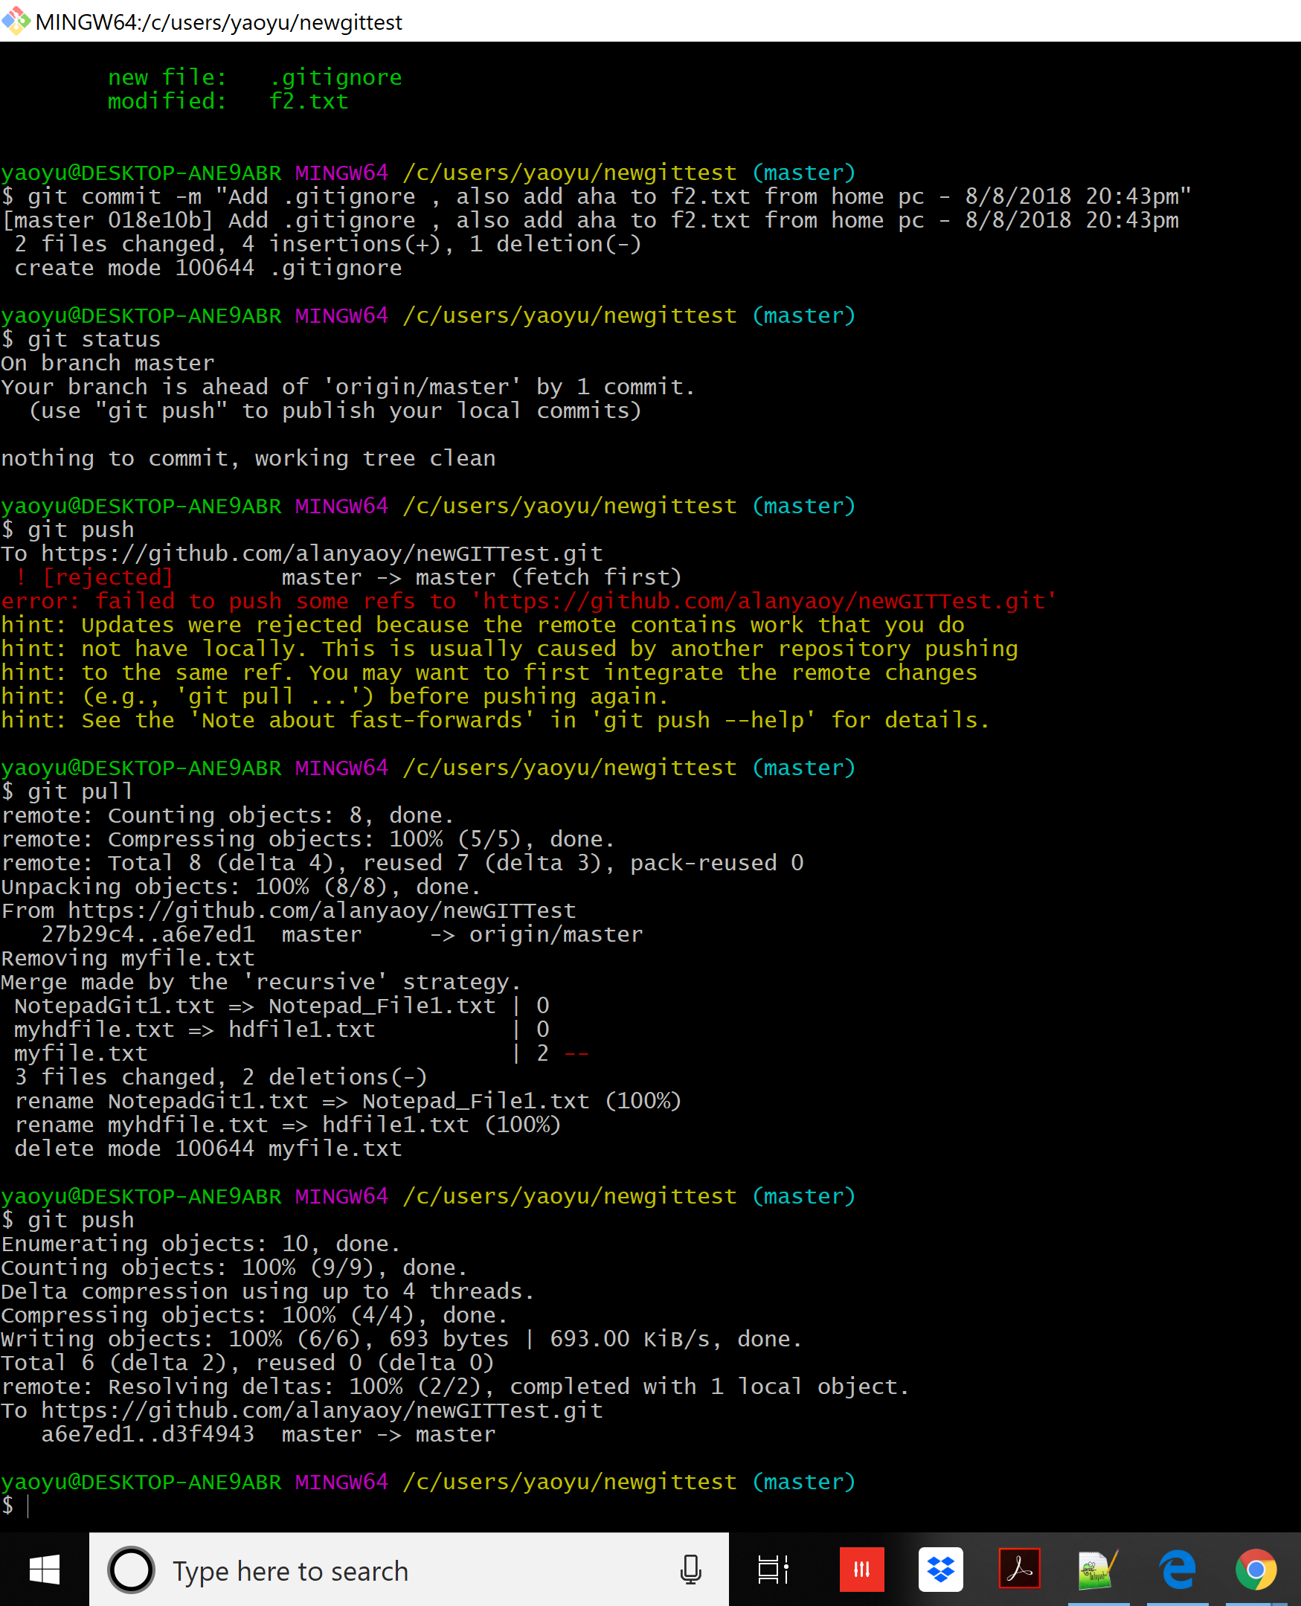
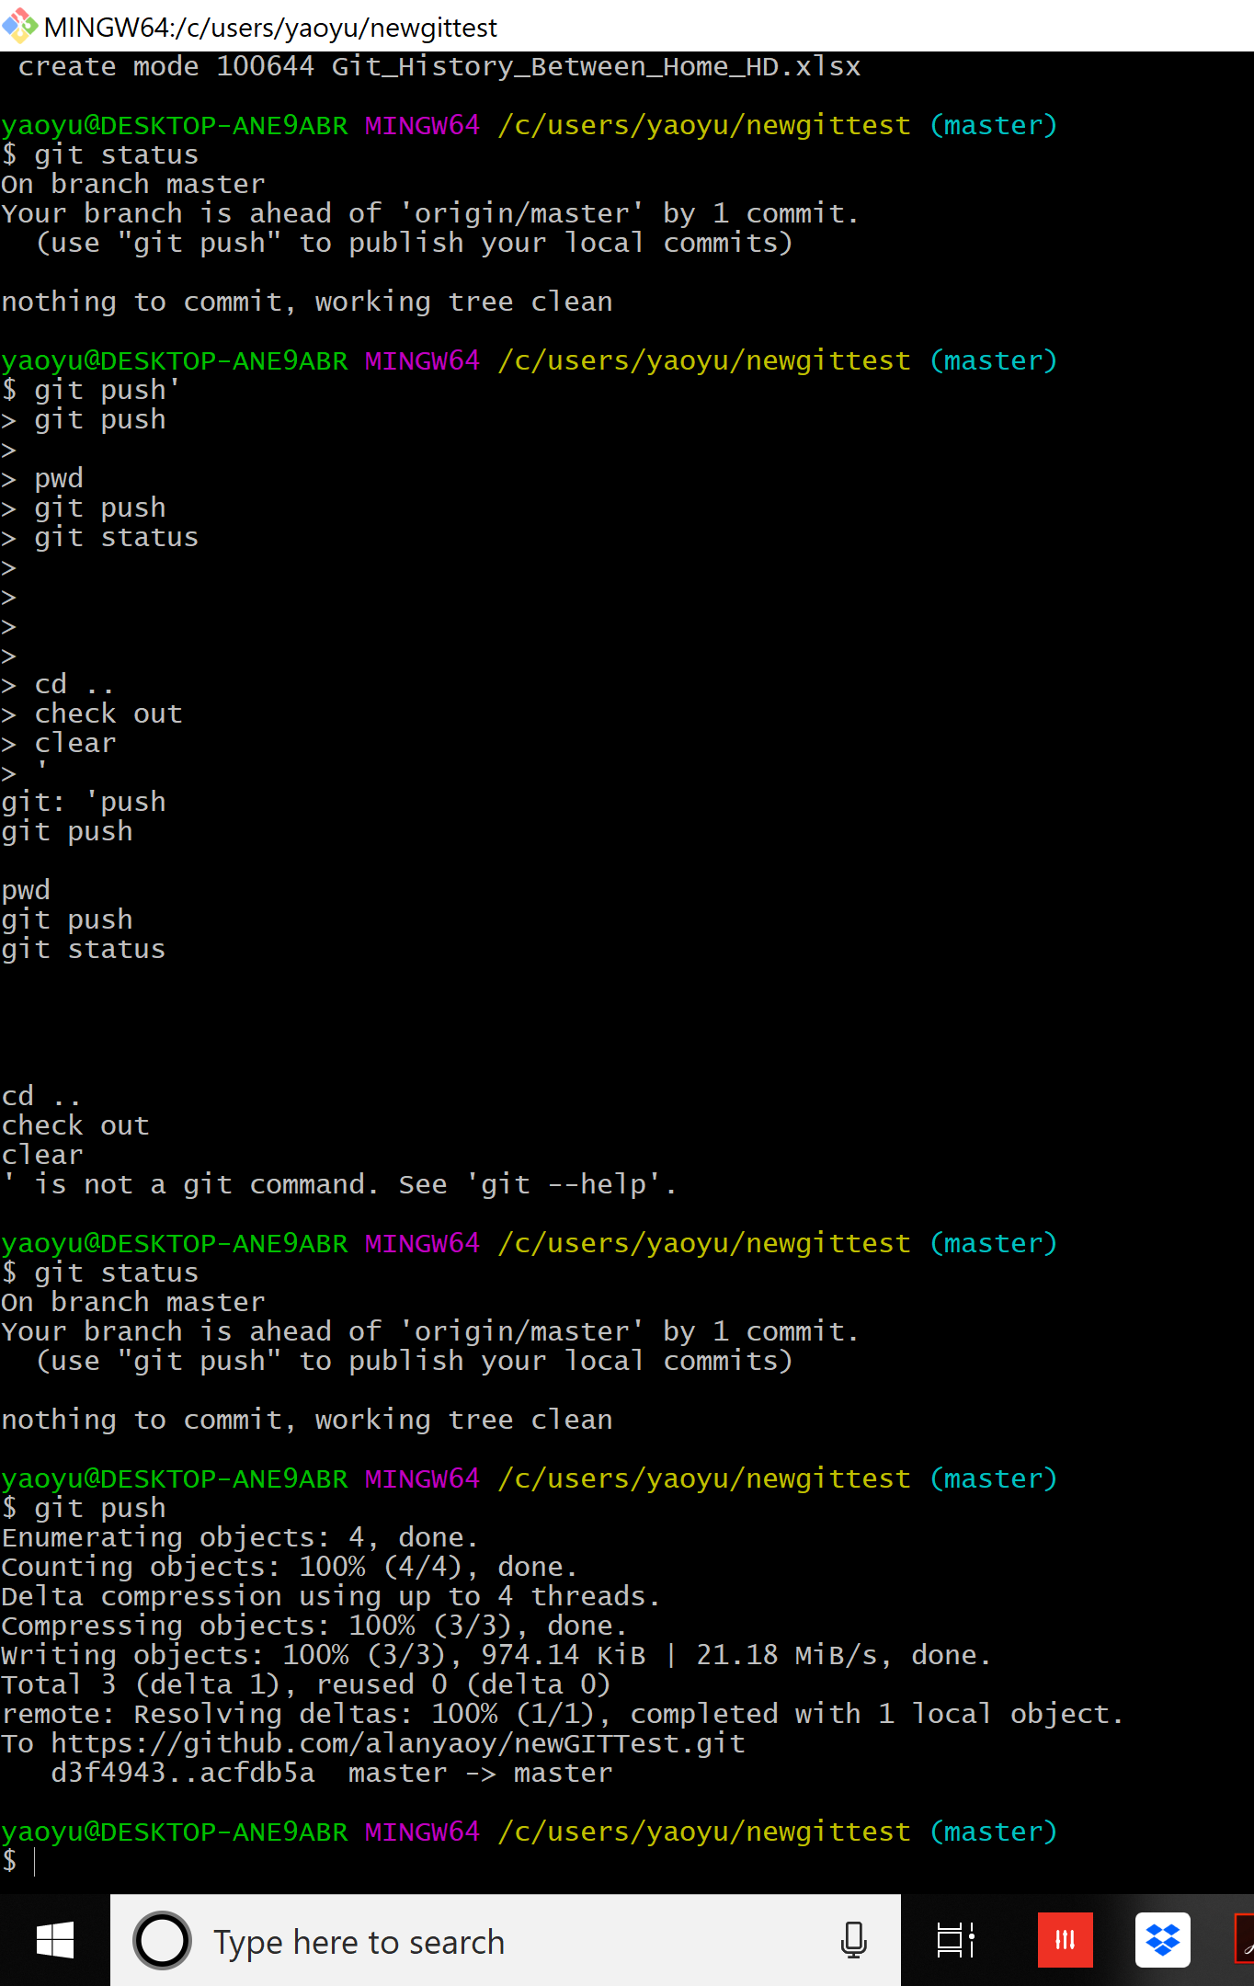
Error message if you have changes made in another repository ( by another people in another computer - say in Hunter Douglas office by another people )
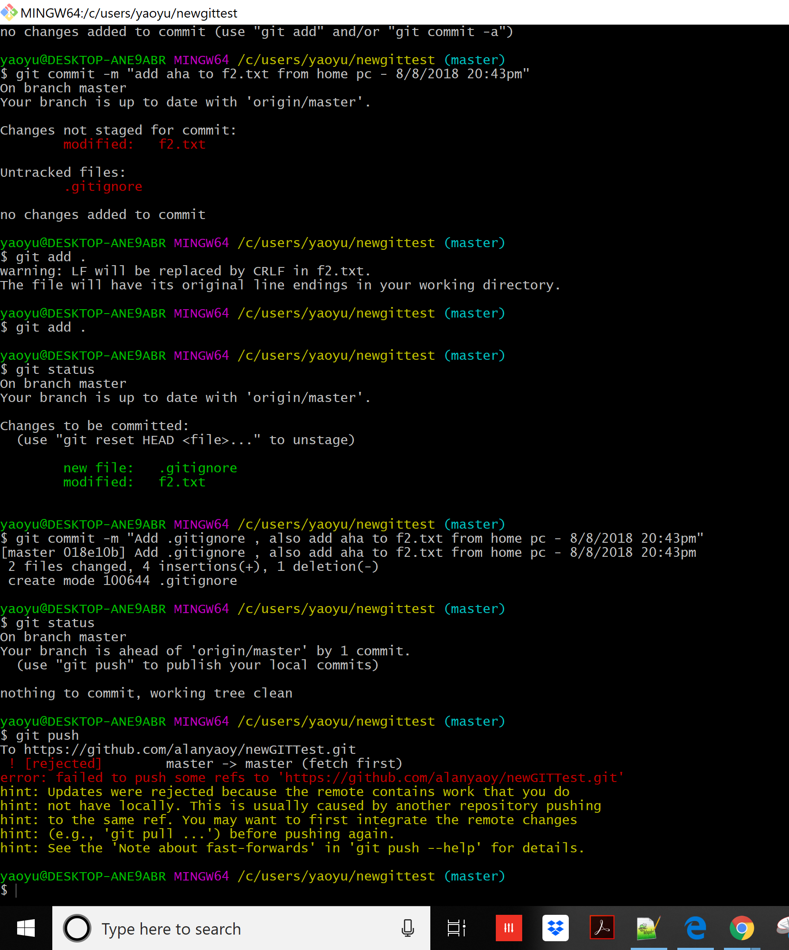

 | Merge message need to edit , save and close before pull operation started
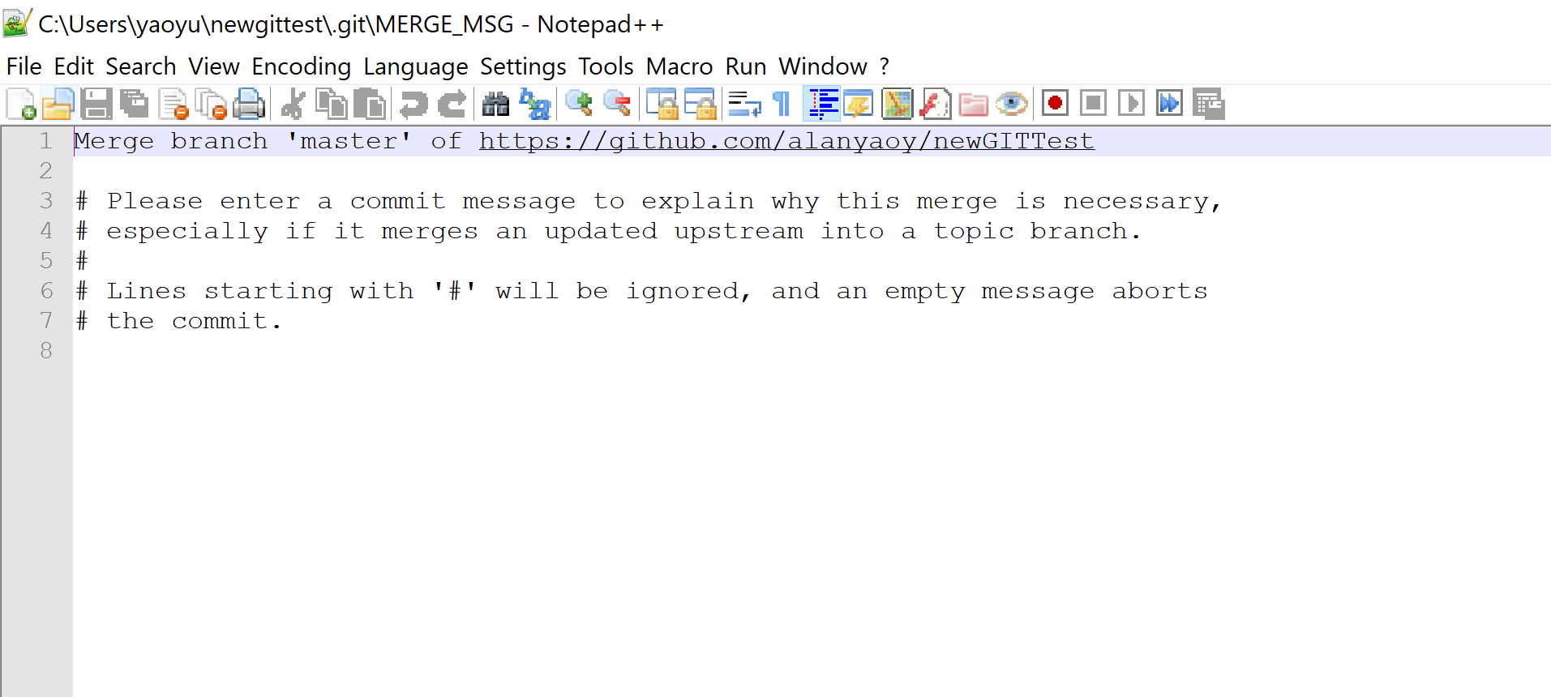

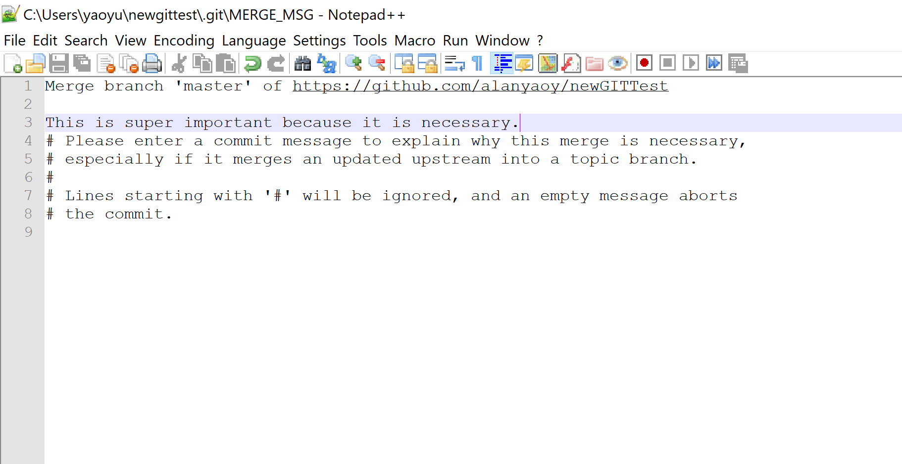

git pull first - before you upload your changed file in your home pc

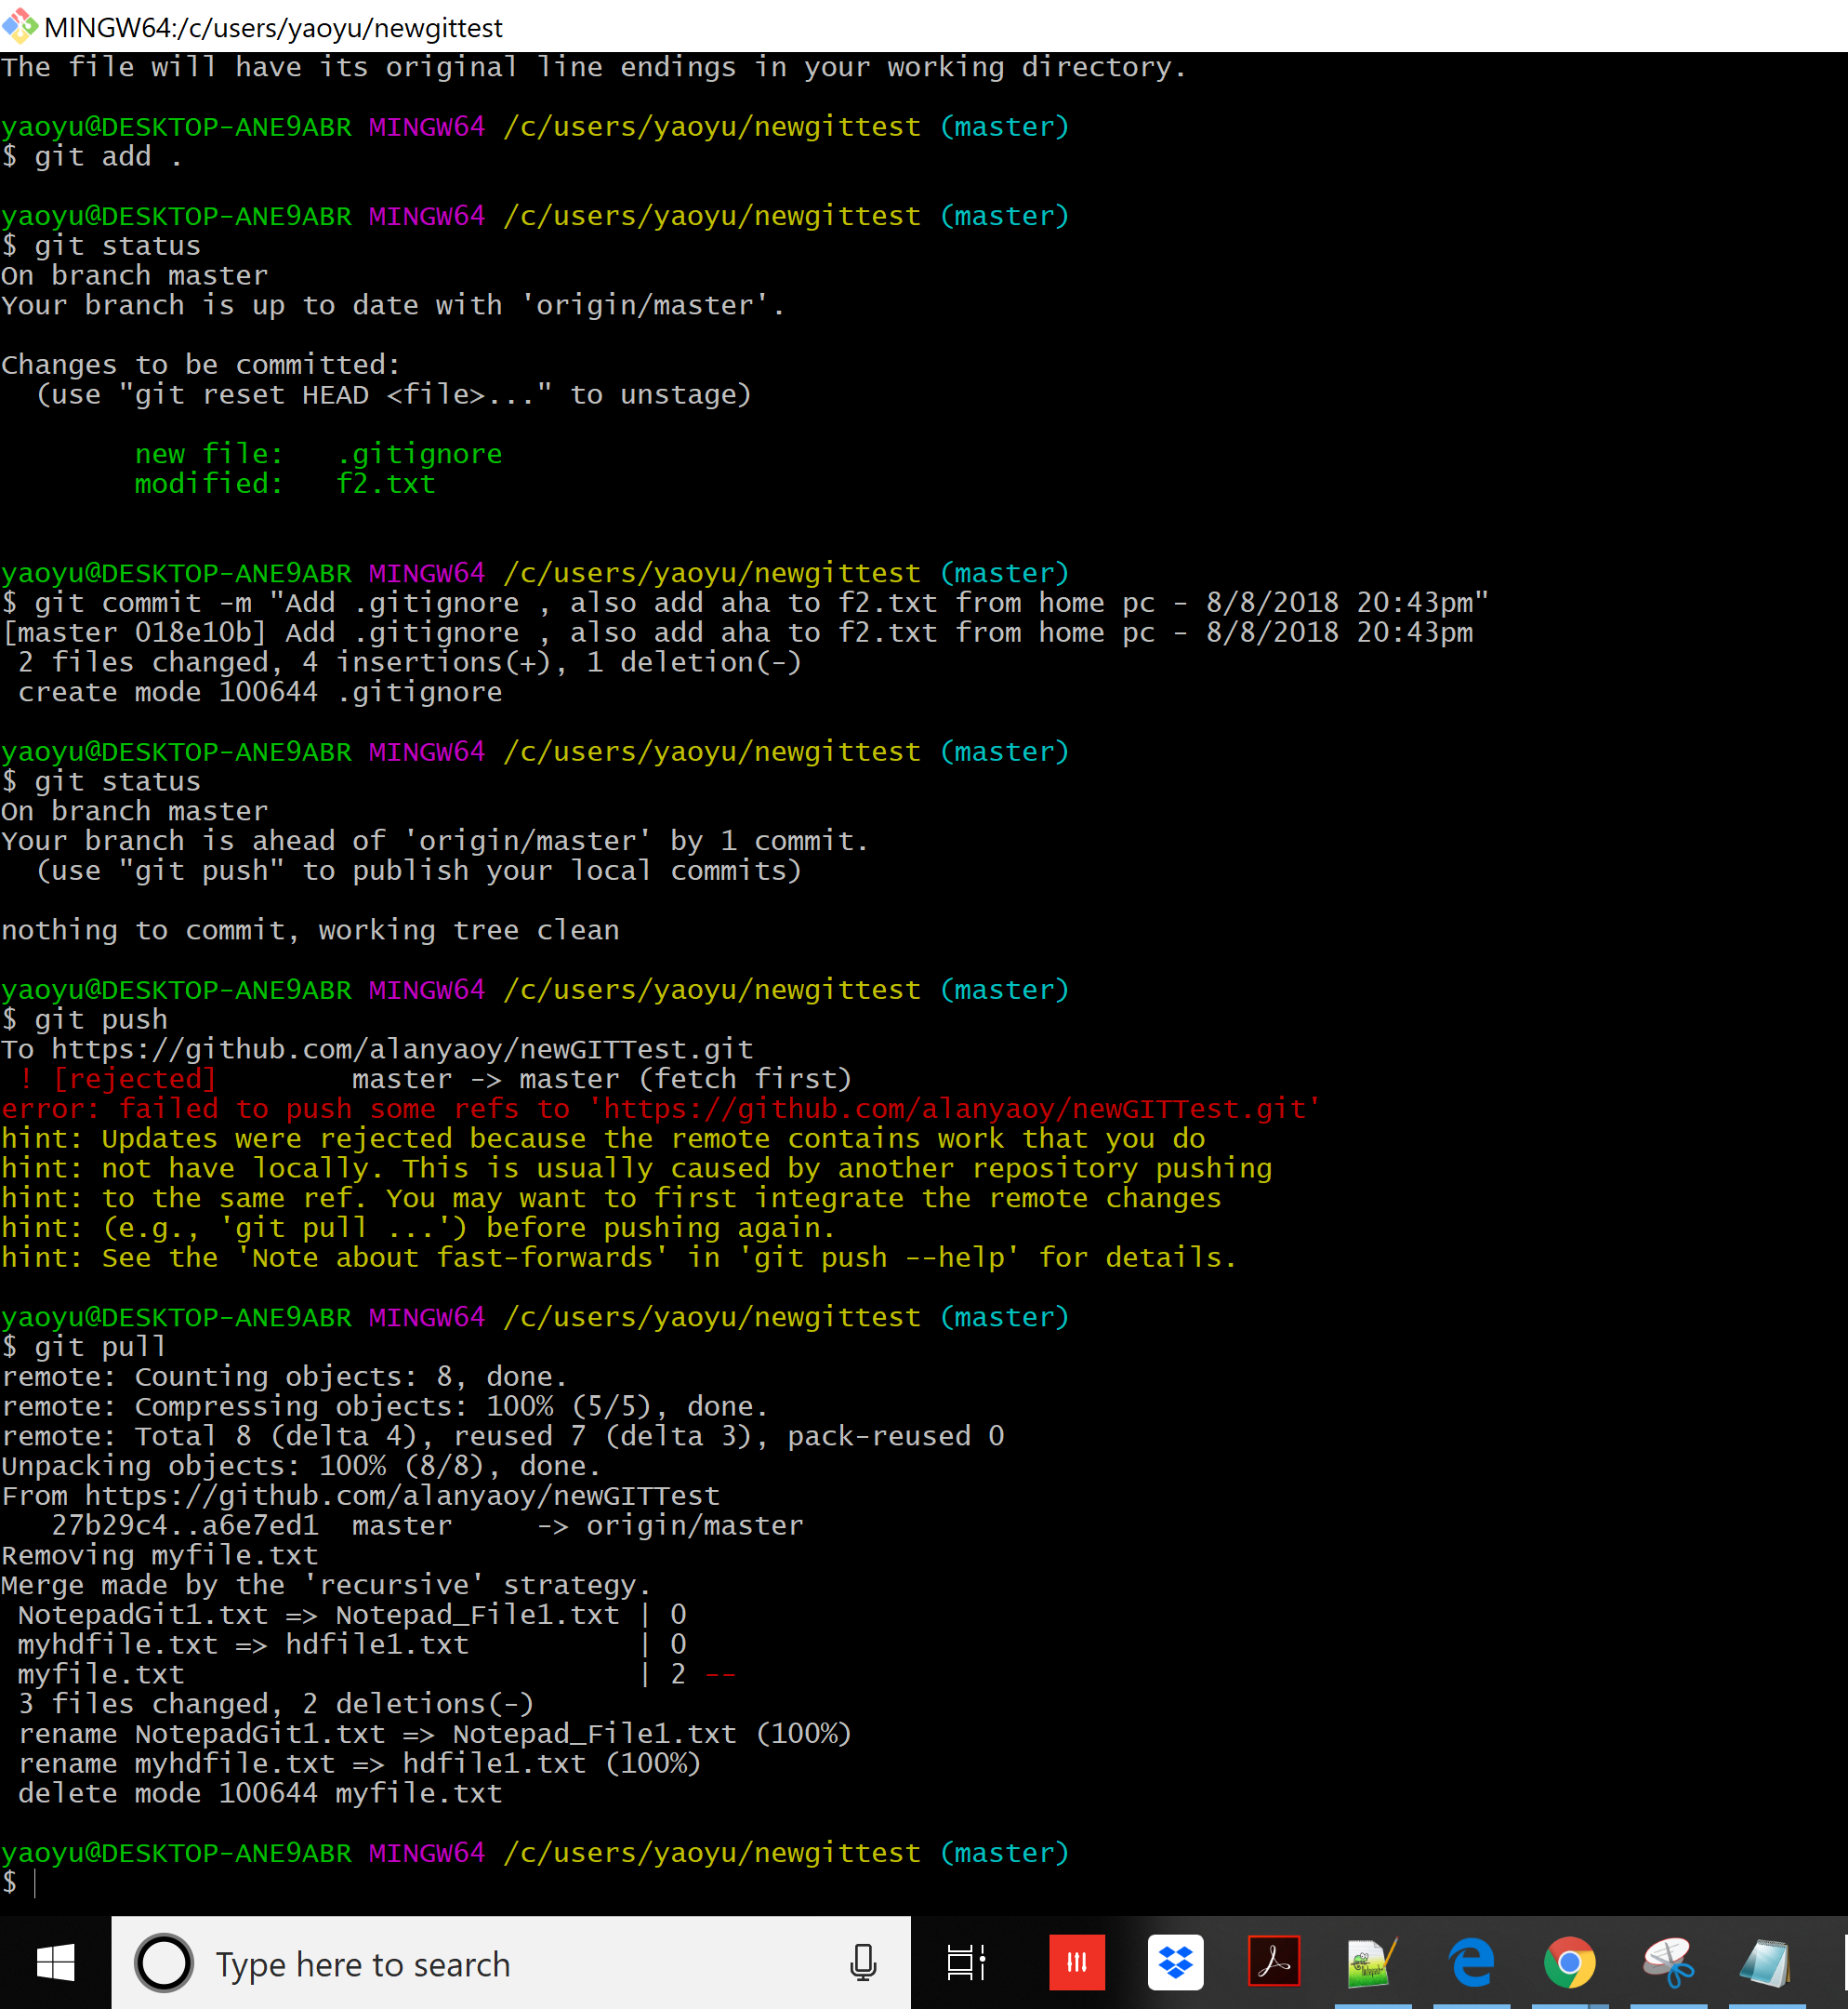

git push - pushs changes you made in your home pc.

