Sheet1
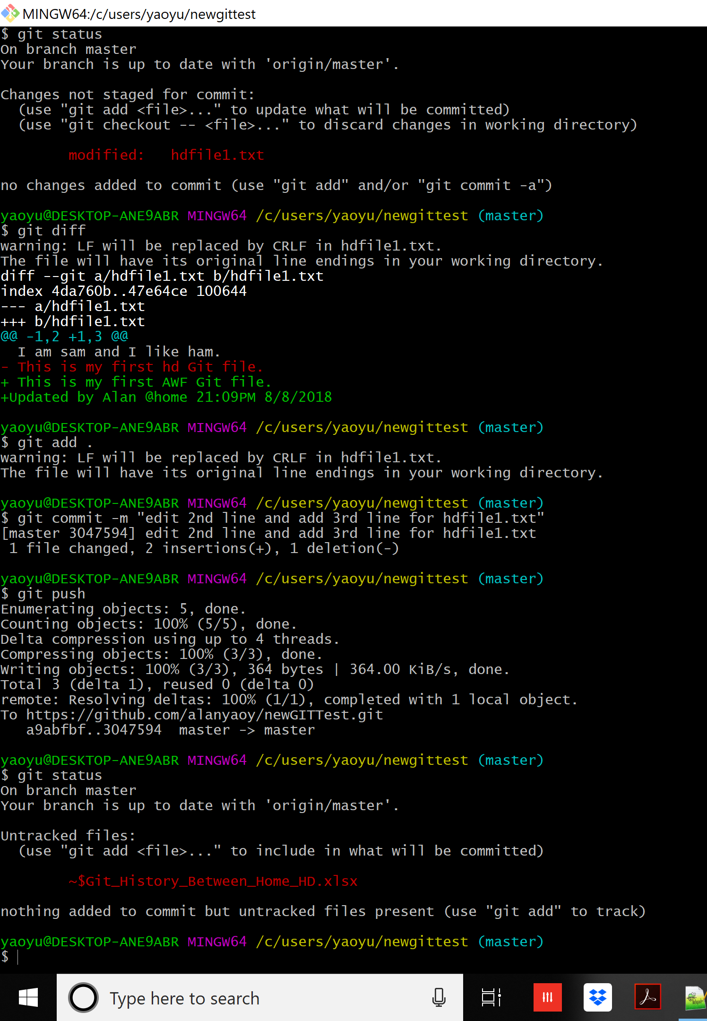
Error message if you have changes made in another repository ( by another people in another computer - say in Hunter Douglas office by another people )
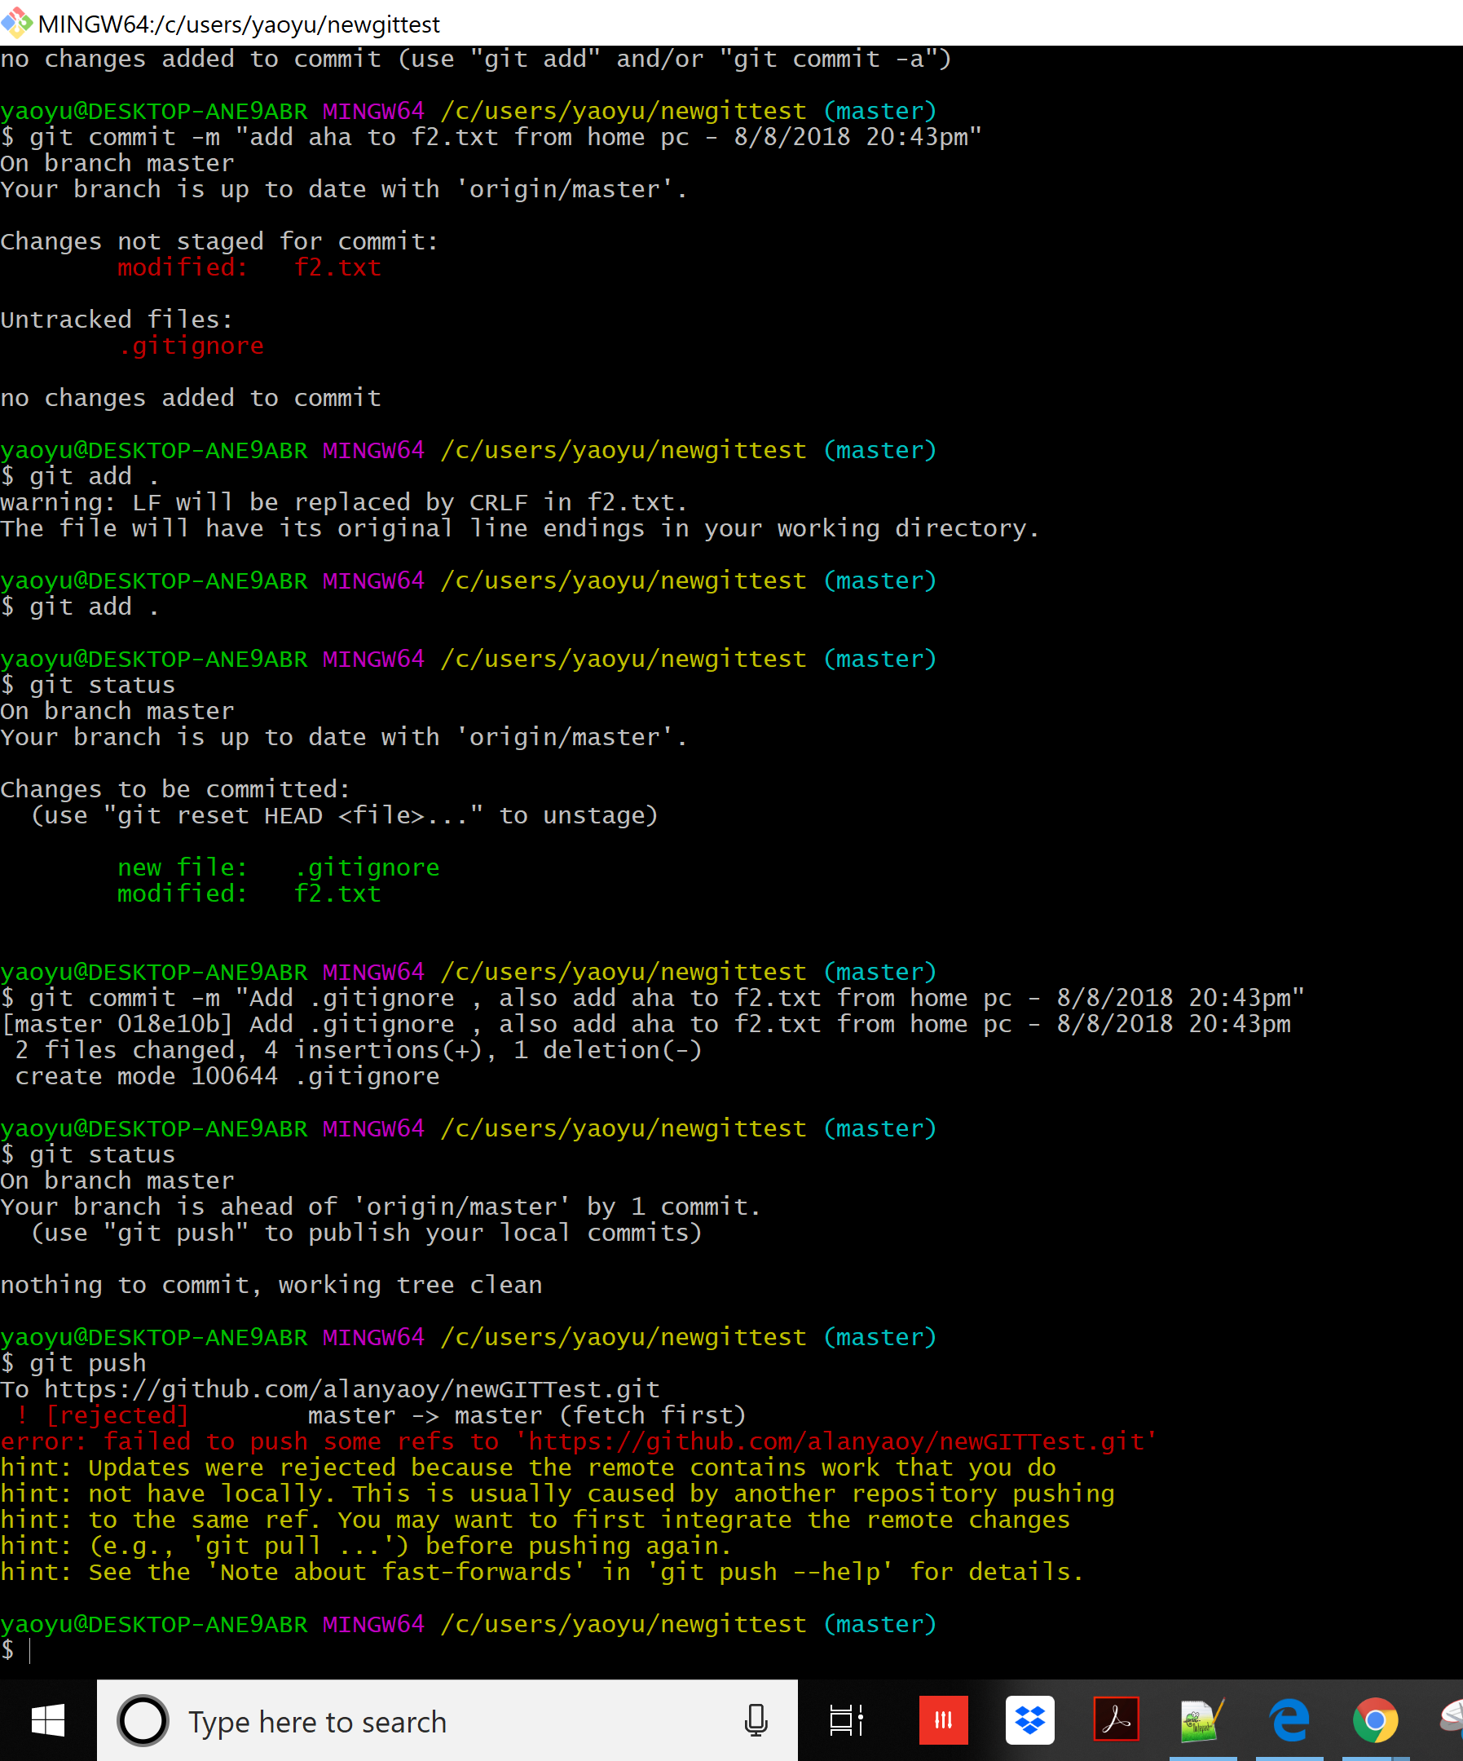

 | Merge message need to edit , save and close before pull operation started
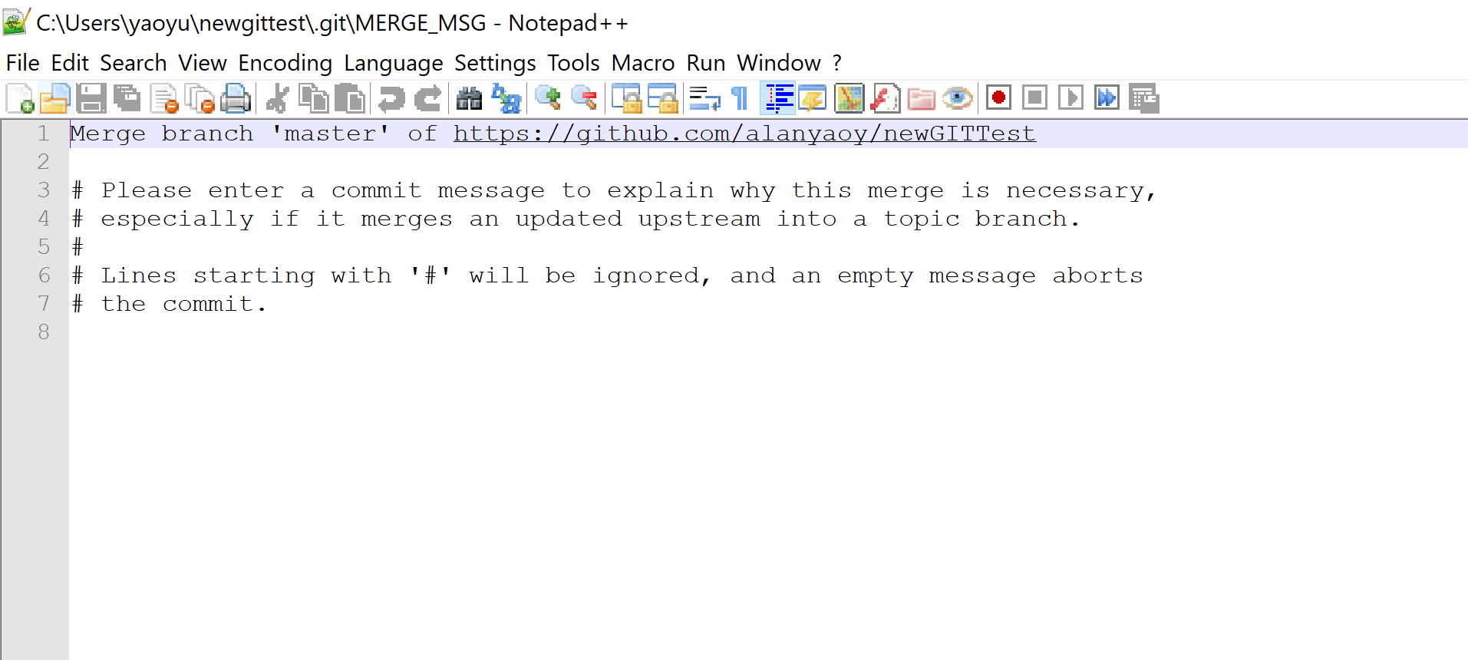

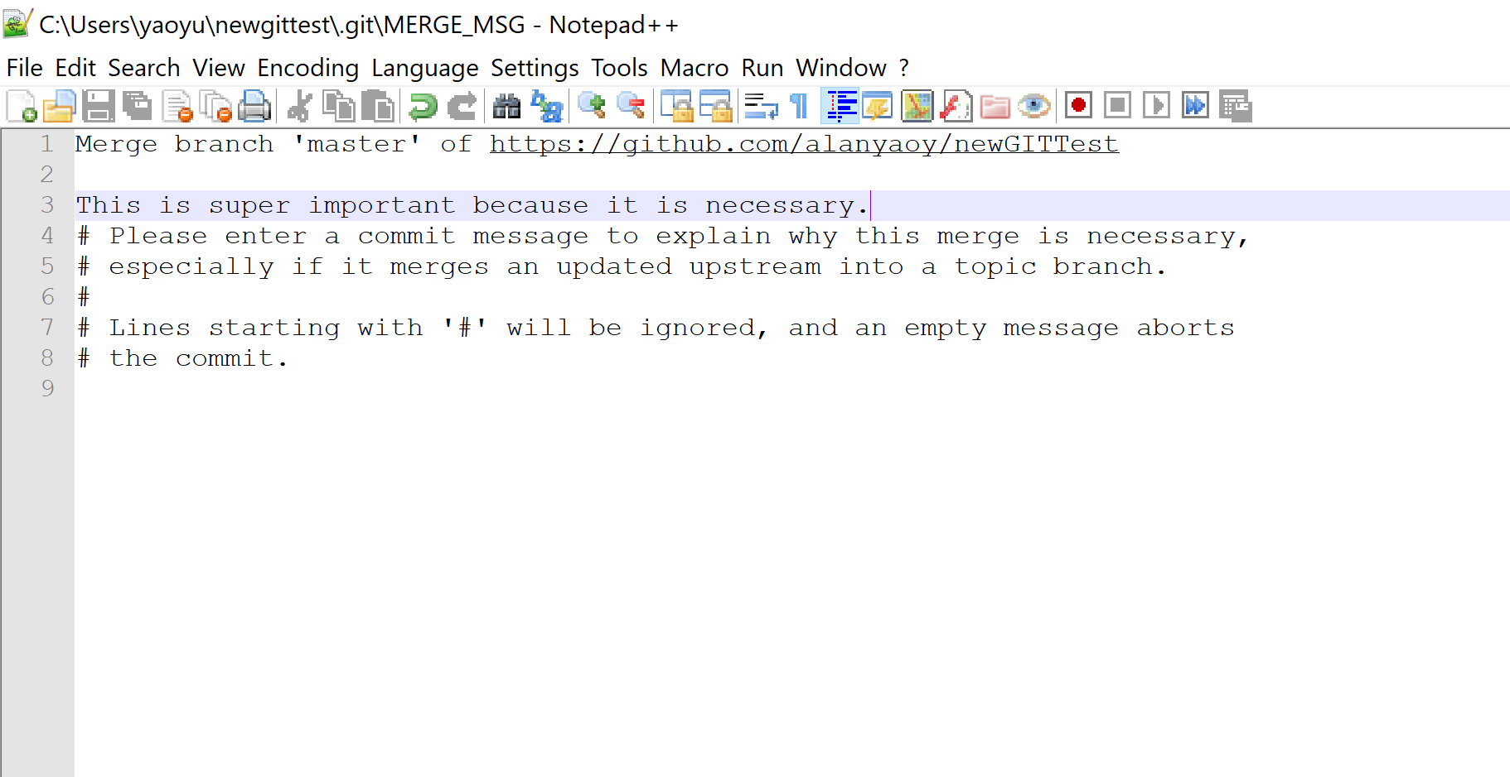

git pull first - before you upload your changed file in your home pc

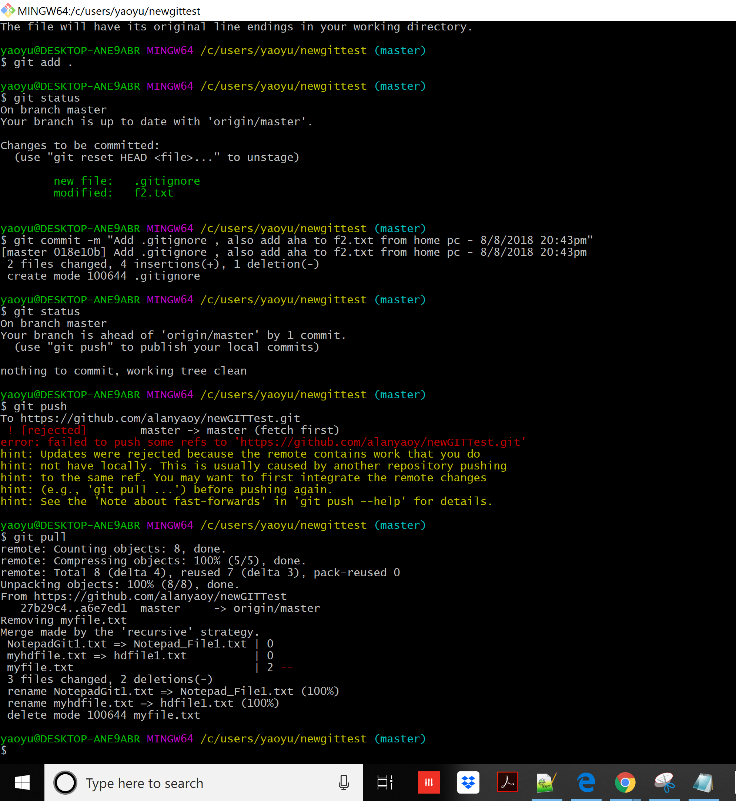

git push - pushs changes you made in your home pc.

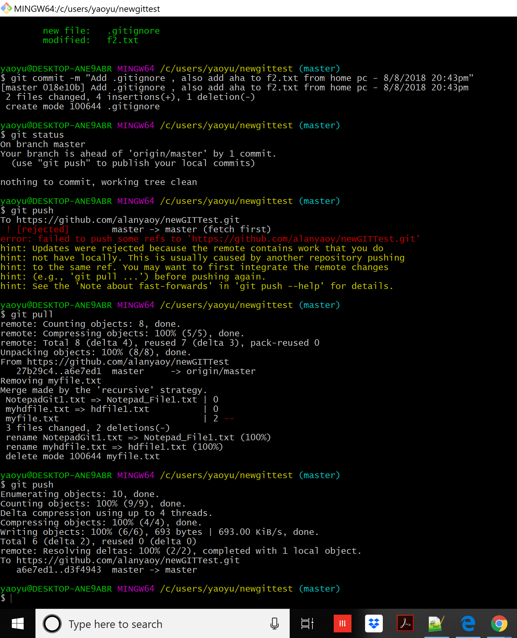

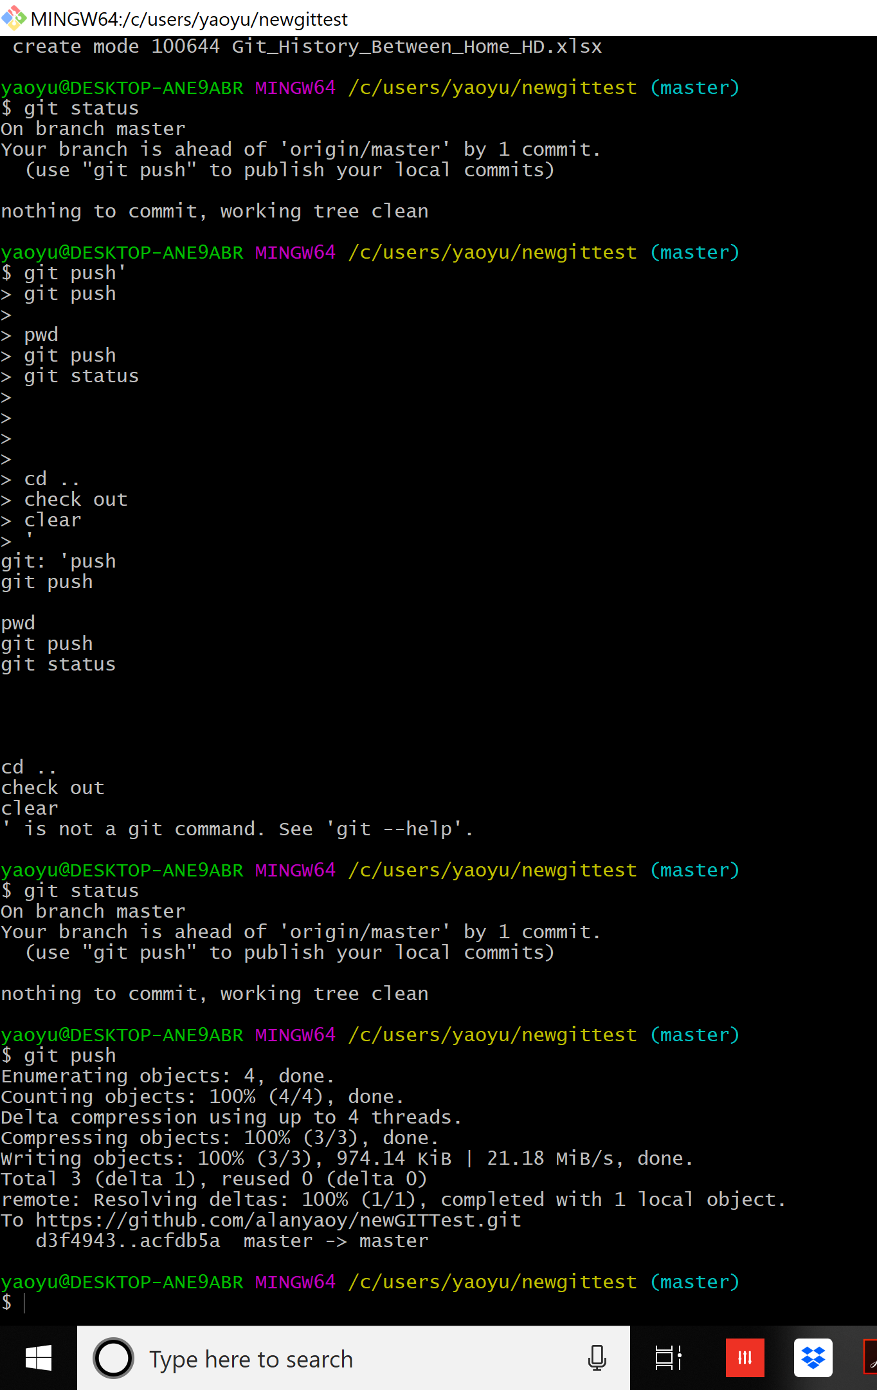

 | change hdfile1.txt - 2nd line and add additional line - the 3rd line in this text file.

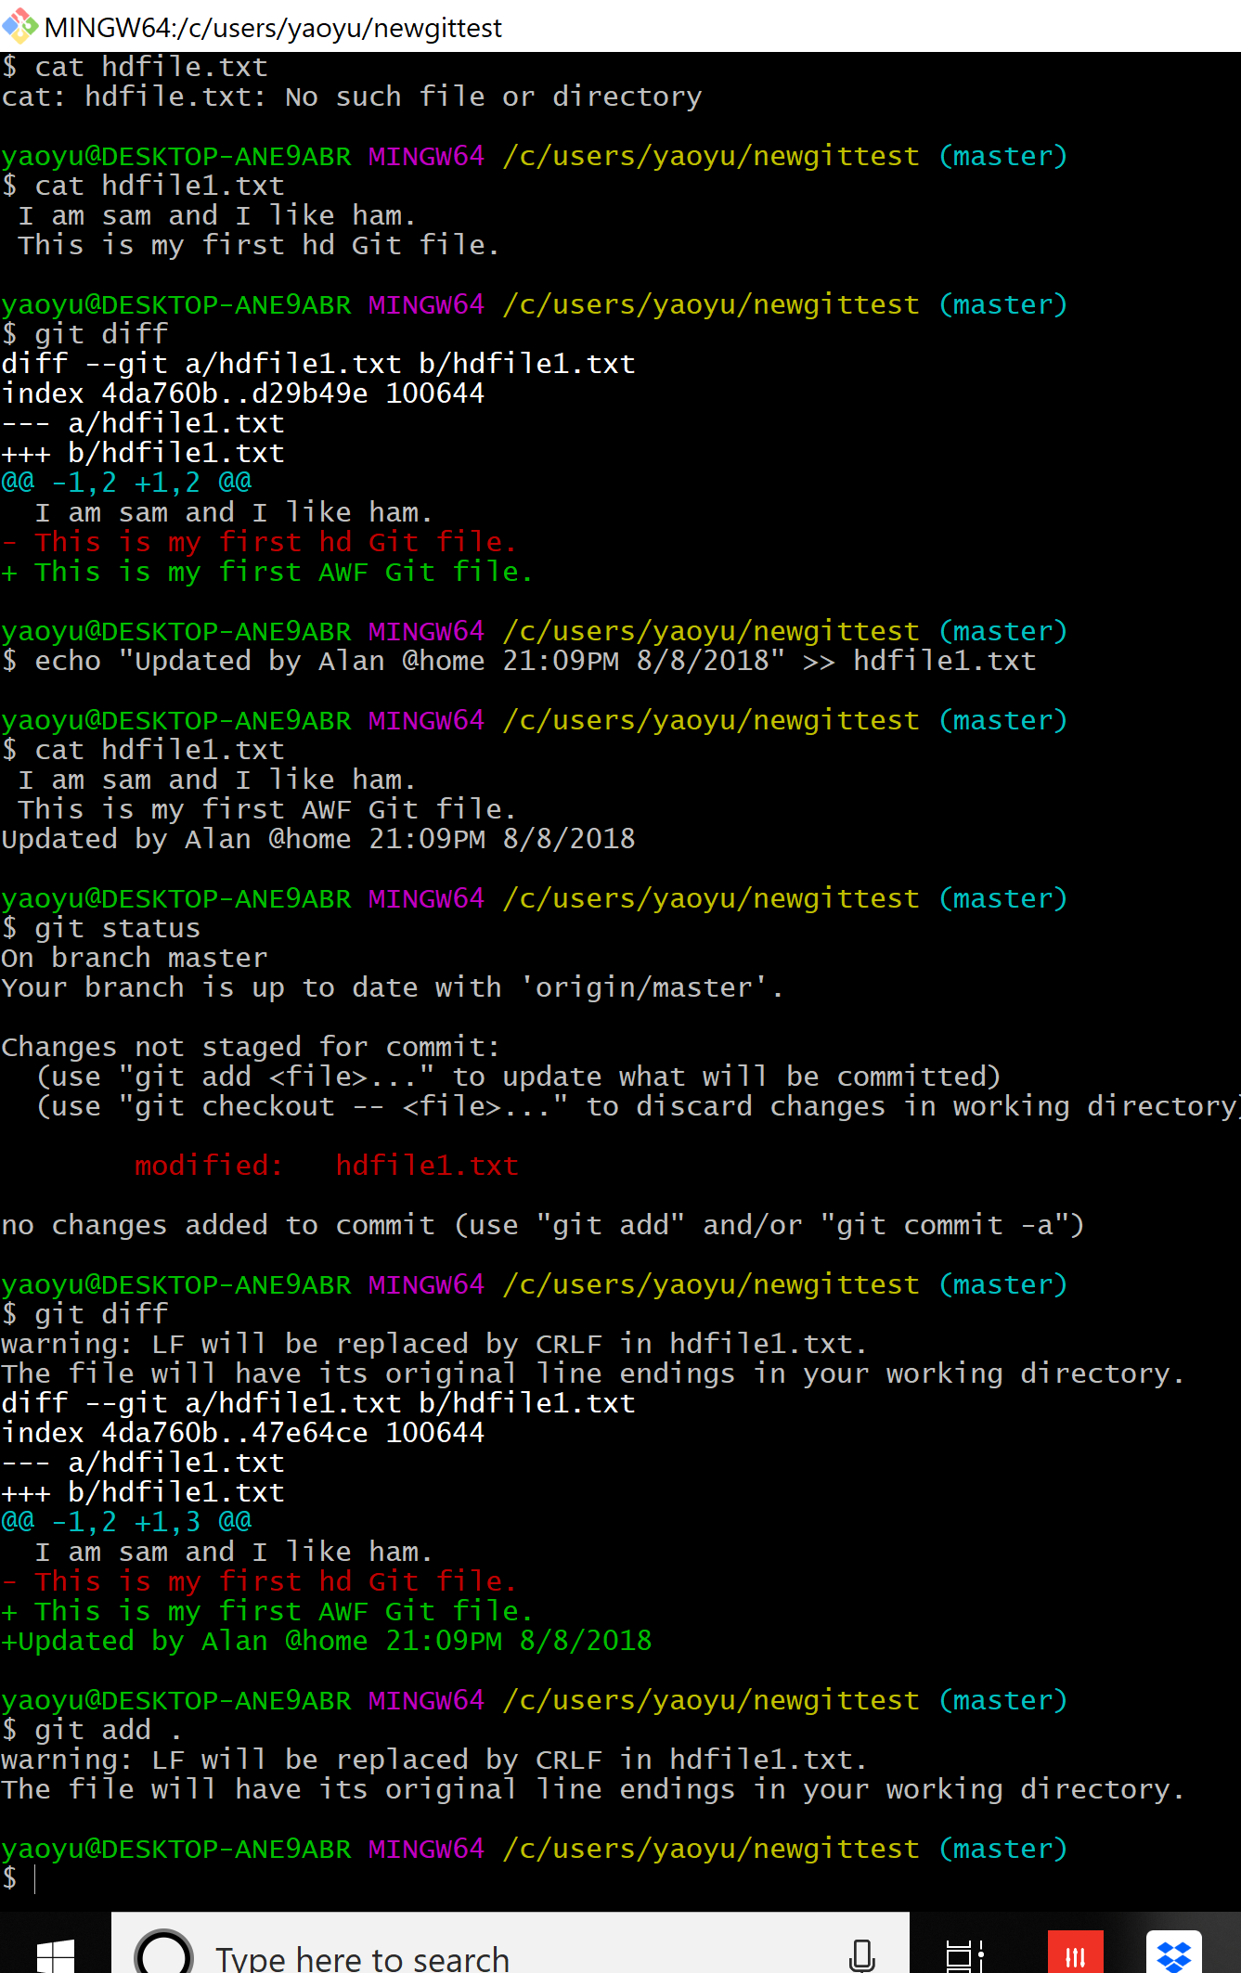

commit the change for hdfile1.txt

