Product Data
Structured Ecommerce Product Data / 结构化电商商品数据
Product No / 产品编号 | Folder / 文件夹 | Product Link / 商品链接 | Store Name EN / 店铺英文名 | Store Name ZH / 店铺中文名 | Store Cumulative Sales / 店铺累计销量 | Store Qualification / 店铺资质 | Product Name EN / 商品英文名 | Product Name ZH / 商品中文名 | Product Category EN / 类目英文 | Product Category ZH / 类目中文 | Brand EN / 品牌英文 | Brand ZH / 品牌中文 | Main Price CNY / 主价人民币 | Original Price CNY / 原价人民币 | Promo Drop CNY / 优惠降价人民币 | Price Range CNY / 价格区间人民币 | Sales Count / 销量 | Item Review Count / 商品评价数 | Positive Review Tag / 好评标签 | Group Buy Note / 拼单信息 | Guarantee Services EN / 保障服务英文 | Guarantee Services ZH / 保障服务中文 | Ship From EN / 发货地英文 | Ship From ZH / 发货地中文 | Blade Count EN / 刀片数量英文 | Blade Count ZH / 刀片数量中文 | Net Content EN / 净含量英文 | Net Content ZH / 净含量中文 | Variant Summary EN / 规格英文摘要 | Variant Summary ZH / 规格中文摘要 | Cropped Image Count / 裁剪图片数 | Main Image / 主图 | Extraction Notes / 提取备注
1 | 1 | https://mobile.yangkeduo.com/goods2.html?ps=Cjca7IMGir0 | Fengjie Razor Store | 锋界刮胡刀 | 86,000+ items sold / 本店已拼8.6万件 | Store qualification visible / 店铺资质 | 2026 New Product JiLiFeng 6-Layer Stainless Steel Razor, Universal 6-Blade Shaving System with Manual Razor Head for Men | 2026新款 JiLiFeng 6层不锈钢剃须刀，通用6刀片剃须系统，男士手动剃须刀架 | Manual razor and replacement blades | 手动剃须刀及替换刀片 | JiLiFeng | JiLiFeng / 吉利锋 | ¥2.98 | ¥12.20 | ¥9.22 | ¥2.98 - ¥8.00 visible in selected variants | 2,197 sold / 已售或已抢2197件 | 622 item reviews / 商品评价622条 | 10K+ positive reviews in last 30 days / 近30天好评1万+ | 100+ people joined group buys / 100+人拼单 | 7-day hassle-free returns; 48-hour shipping; fast refund; buy now, pay later; pay on delivery | 7天无理由退货；48小时发货；极速退款；先用后付；货到付款 | Zhejiang Province | 浙江省 | Five-blade head | 五层刀头 / 五刀片刀头 | Not shown | 未显示 | Style: upgraded new precision 6-layer; Models include handle + blades + storage box, handle + blades + storage box + shaving cream, and replacement blade packs. | 款式：升级款新锐六层；型号包括刀架+刀片+收纳盒、刀架+刀片+收纳盒+剃须膏、替换刀片装。 | 8 | 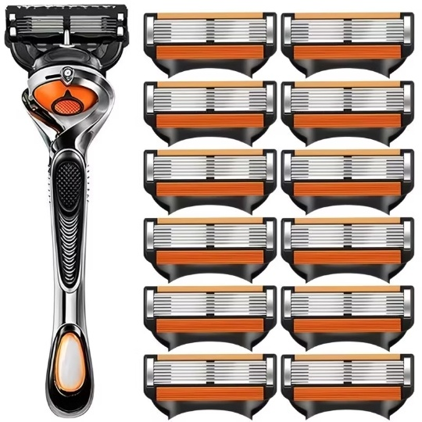 Embedded | Data extracted from visible screenshots only. Chinese text is translated and structured for ecommerce import.
2 | 2 | https://mobile.yangkeduo.com/goods1.html?ps=DsYHosIrzW | Fengjie Razor Store | 锋界刮胡刀 | 86,000+ items sold / 本店已拼8.6万件 | Store qualification visible / 店铺资质 | German Imported Universal Gillette Manual Shaver with 5-Layer Razor Head for Men - 5-Blade System | 德国进口通用吉列手动剃须刀，男士五层刀头五刀片系统 | Manual razor and replacement blades | 手动剃须刀及替换刀片 | LanJieLi / Gilelie | 兰洁丽 / Gilelie | 5.44 | 13.90 | 7.46 | ¥1.23 - ¥8.80 visible in selected variants | 1,551 sold / 已售1551件 | 420 item reviews / 商品评价420条 | 382 positive reviews; Great service, Affordable, High quality, Works well, Sharp blades / 好评382条；服务好、实惠、高质量、好用、刀片锋利 | 100+ people joined group buys; 658 people buying now / 100+人拼单；658人正在购买 | 7-day free returns; buy now, pay later; pay on delivery; instant refund if not shipped | 7天无理由退货；先用后付；货到付款；未发货极速退款 | Zhejiang Province | 浙江省 | Five-blade head | 五层刀头 / 五刀片刀头 | Not shown | 未显示 | Style: newly upgraded precision blade, sharp and durable. Models include blade holder + blades + storage box, blade holder + blades + shaving cream + storage box, blade holder + blades, and replacement blade-only packs. | 款式：新升级精密刀片，锋利耐用。型号包括刀架+刀片+收纳盒、刀架+刀片+剃须膏+收纳盒、刀架+刀片、以及仅刀片替换装。 | 7 | 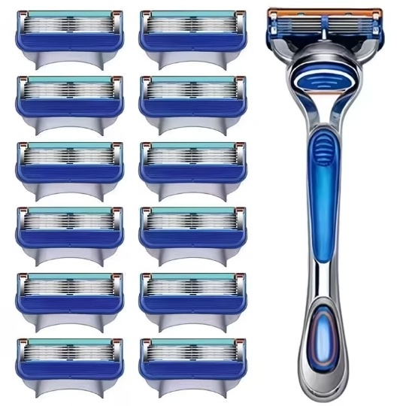 Embedded | Data extracted from visible screenshots only. Chinese text was visually/OCR read where visible and translated/structured for ecommerce import.
3 | 3 | https://mobile.yangkeduo.com/goods.html?ps=dSnoJjigTT | Fengjie Razor Store | 锋界刮胡刀 | 86,000+ items sold / 本店已拼8.6万件 | Store qualification visible / 店铺资质 | 2025 New Product JiLiFeng 6-Layer Stainless Steel Razor, Universal 6-Blade Shaving System with Sharp Edge for Men - Manual Razor Head | 2025新款 JiLiFeng 6层不锈钢剃须刀，通用6刀片剃须系统，锋利男士手动剃须刀头 | Manual razor and replacement blades | 手动剃须刀及替换刀片 | JiLiFeng | JiLiFeng / 吉利锋 | 7.10 | 12.50 | 5.40 | ¥1.33 - ¥10.20 visible in selected variants | 9,844 sold / 已售9844件 | 7,614 item reviews / 商品评价7614条 | 10K+ positive reviews in last 30 days; Great service, Affordable, High quality, Works well, Sharp blades / 近30天好评1万+；服务好、实惠、高质量、好用、刀片锋利 | Limited Offer ¥7.1; sale ending soon, buy now / 限时优惠¥7.1；促销即将结束，立即购买 | Buy now, pay later; pay on delivery; instant refund if not shipped | 先用后付；货到付款；未发货极速退款 | Zhejiang Province | 浙江省 | Six-layer / six-blade razor head | 六层刀片 / 六刀片刀头 | Not shown | 未显示 | Style: upgraded new precision 6-layer; models include handle + blades + storage box, handle + blades + storage box + shaving cream, and replacement blade packs (1/4/8/12/16/20 blades). | 款式：升级款新锐六层；型号包括刀架+刀片+收纳盒、刀架+刀片+收纳盒+剃须膏、以及1/4/8/12/16/20枚替换刀片装。 | 5 | Embedded | Data extracted from visible screenshots only. Chinese text was visually/OCR read where visible and translated/structured for ecommerce import.
4 | 4 | https://mobile.yangkeduo.com/goods2.html?ps=1DesltjCAT | Fengjie Razor Store | 锋界刮胡刀 | 86,000+ items sold / 本店已拼8.6万件 | Store qualification visible / 店铺资质 | German Imported Universal Gillette Manual Shaver with 5-Layer Razor Head for Men - 5-Blade Shaving System | 德国进口通用吉列手动剃须刀，男士五层刀头五刀片剃须系统 | Manual razor and replacement blades | 手动剃须刀及替换刀片 | LanJieLi / Gilelie | 兰洁丽 / Gilelie | 4.65 | 13.50 | 8.85 | ¥1.02 - ¥7.20 visible in selected variants | 792 sold / 已售792件 | 198 item reviews / 商品评价198条 | Store review tags: Great service, Affordable, High quality, Works well, Sharp blades / 店铺评价标签：服务好、实惠、高质量、好用、刀片锋利 | 52 people are buying now, Join now / 52人正在购买，去拼单 | Buy now, pay later; pay on delivery; instant refund if not shipped | 先用后付；货到付款；未发货极速退款 | Zhejiang Province | 浙江省 | Five-blade head | 五层刀头 / 五刀片刀头 | Not shown | 未显示 | Style: newly upgraded precision blade head, sharp and durable. Models include razor handle + 4/9/12/15 blade heads, razor handle + 6 blade heads + shaving cream + storage box, and blade-only replacement packs. | 款式：新升级精密刀片，锋利耐用。型号包括刀架+4/9/12/15枚刀片、刀架+6枚刀片+剃须膏+收纳盒，以及仅刀片替换装。 | 7 | 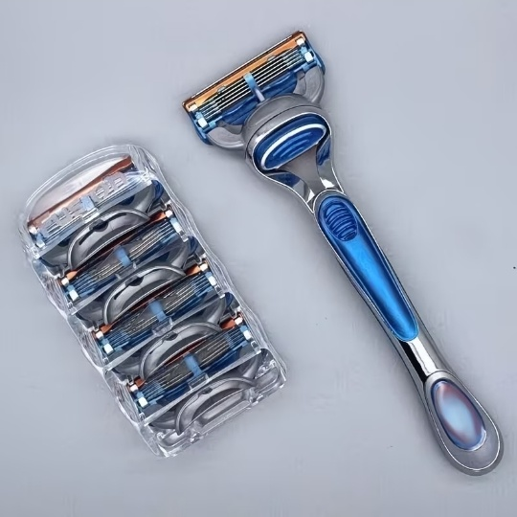 Embedded | Data extracted from visible screenshots only. Chinese gallery text was visually/OCR read where visible and translated/structured for ecommerce import.
5 | 5 | https://mobile.yangkeduo.com/goods2.html?ps=JIPGGOjyXz | Fengjie Razor Store | 锋界刮胡刀 | 86,000+ items sold / 本店已拼8.6万件 | Store qualification visible / 店铺资质 | Imported 6-Layer Blade Gillette Shaver, Manual Razor with Universal 7-Layer Blade Holder | 进口6层刀片吉列剃须刀，通用7层刀架手动剃须刀 | Manual razor and replacement blades | 手动剃须刀及替换刀片 | LanJieLi | 兰洁丽 | 1.35 | 10.50 | 9.15 | ¥1.35 - ¥10.50 visible in selected variants | 5,928 sold / 已售5928件 | 5,229 / 5229条 | 5K+ positive reviews; 134 repeat customers; tags: Great service, Affordable, High quality, Works well, Sharp blades / 5千+好评；134回头客；服务好、实惠、质量高、好用、刀片锋利 | 567 people are buying now; limited offer ¥1.35 / 567人在拼单，限时低价¥1.35 | Buy now pay later; pay on delivery; instant refund if not shipped; store page shows 7-day no-reason return. | 先用后付；货到付款；未发货极速退款；店铺商品显示7天无理由退货。 | Zhejiang Province | 浙江省 | Six-blade head | 六刀头 | Razor handle/blade set; shaving cream shown as 30 g in main image | 剃须刀架/刀头套装；主图剃须膏显示净含量30g | Model: 6-layer imported precision steel blades with universal 7-layer blade holder. Styles include razor holder + blade heads + blade box, shaving cream bundles, double holder bundle, and blade-only packs. | 型号：6层进口精钢刀片，通用7层刀架。款式包括刀架+刀头+刀盒、须膏套装、双刀架套装以及仅刀片替换装。 | 10 | 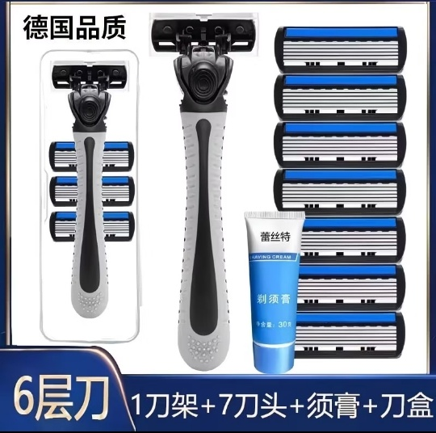 Embedded | OCR-assisted extraction from Product 5 screenshots; variants/prices captured from specs popup; product images cropped from gallery screenshots only.
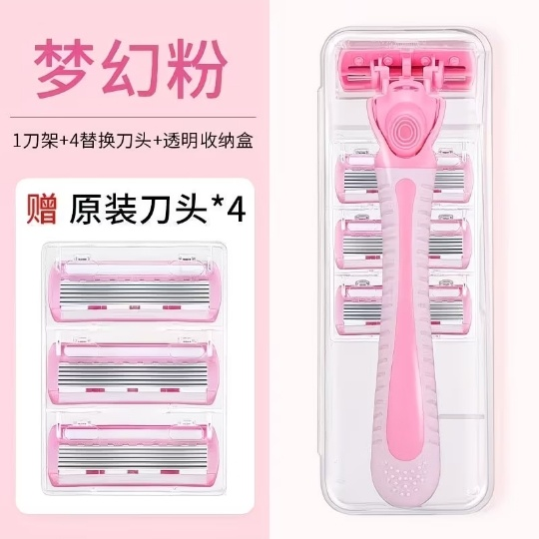
6 | 6 | https://mobile.yangkeduo.com/goods.html?ps=ocQIHzM57q | Fengjie Razor Store | 锋界刮胡刀 | 86,000+ items sold / 本店已拼8.6万件 | Store qualification visible / 店铺资质 | Manual Hair Removal Razor for Women - Professional Underarm, Leg & Full Body Hair Remover | 女士手动除毛刀，腋下、腿部及全身除毛器，梦幻粉/女神蓝套装 | Women's manual hair removal razor and replacement blades | 女士手动除毛刀及替换刀片 | Not visible | 未显示 | 1.32 | 10.00 | 8.68 | ¥1.32 - ¥8.80 visible in selected variants | 9,442 sold / 已售9442件 | 6,170+ item reviews visible / 商品评价约6170+条 | 8K+ positive reviews; 147 repeat customers; Great service, Affordable, High quality, Works well, Sharp blades / 8千+好评；147回头客；服务好、实惠、质量高、好用、刀片锋利 | 569 people are buying now; limited offer ¥1.32 / 569人在拼单；限时低价¥1.32 | Buy now, pay later; pay on delivery; instant refund if not shipped; 7-day hassle-free returns shown in store area | 先用后付；货到付款；未发货极速退款；店铺区域显示7天无理由退货 | Zhejiang Province | 浙江省 | Six-blade head | 六刀头 / 六层刀片 | Not shown | 未显示 | Package options include Fairy Pink/Goddess Blue razor-handle bundles and replacement blade packs. Models include handle + 3/6/15/18 razor heads, shaving cream, razor case, and replacement pink/blue blade packs (1/12/15 heads). | 套餐包括梦幻粉/女神蓝刀架套装及替换刀头装。型号包括刀架+3/6/15/18个刀头、剃须膏、收纳盒，以及粉色/蓝色1/12/15个替换刀头装。 | 7 | Embedded | OCR-assisted extraction from Product 6 screenshots; variants/prices captured from specs popup; product images cropped from gallery screenshots only.
7 | 7 | https://mobile.yangkeduo.com/goods2.html?ps=jGvabDb3WR | Fengjie Razor Store | 锋界刮胡刀 | 86,000+ items sold / 本店已拼8.6万件 | Store qualification visible / 店铺资质 | 2025 New Product JiLifeng 6-Layer Stainless Steel Razor, Universal 6-Blade Shaving System with Sharp Blade Assembly for Men's Manual Shaver | 2025新款 JiLifeng 6层不锈钢剃须刀，通用6刀片剃须系统，锋利刀片男士手动剃须刀 | Manual razor and replacement blades | 手动剃须刀及替换刀片 | JiLifeng | JiLifeng / 吉利锋 | 6.19 | 12.50 | 6.31 | ¥1.35 - ¥10.09 visible in selected variants | 4,003 sold / 已售4003件 | 3,737 item reviews / 商品评价3737条 | 3K+ positive reviews; Bestseller; 942 favorites; Great service, Affordable, High quality, Works well, Sharp blades / 3千+好评；热卖款；942收藏；服务好、实惠、质量高、好用、刀片锋利 | 549 people are buying now; limited offer ¥6.19 / 549人在拼单；限时优惠¥6.19 | Buy now, pay later; pay on delivery; instant refund if not shipped | 先用后付；货到付款；未发货极速退款 | Zhejiang Province | 浙江省 | Six-layer / six-blade razor head | 六层刀片 / 六刀片刀头 | Not shown | 未显示 | Style: upgraded new precision 6-layer. Models include razor handle + 4/8/12/16 blades + storage box + shaving cream, razor handle + 1/4/8/12/16 blades + storage box, and replacement 1/4/8/12 blade packs. | 款式：升级款新锐六层。型号包括刀架+4/8/12/16枚刀片+收纳盒+剃须膏，刀架+1/4/8/12/16枚刀片+收纳盒，以及1/4/8/12枚替换刀片装。 | 5 | 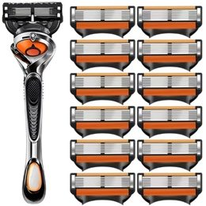 Embedded | OCR-assisted extraction from Product 7 screenshots; variants/prices captured from specs popup; product images cropped from gallery screenshots only.
8 | 8 | https://mobile.yangkeduo.com/goods2.html?ps=3POGhuEI5u | Fengjie Razor Store | 锋界刮胡刀 | 10K+ items sold tag visible / 已售1万+件标签可见 | Store qualification visible / 店铺资质 | JiLiFengRen 5-Layer Manual Razor, 2026 New Model for Men, Universal Shaving Blade with 6-Layer Head | JiLiFengRen 5层手动剃须刀，2026新款男士通用剃须刀片，6层刀头 | Manual razor and replacement blades | 手动剃须刀及替换刀头 | JiLiFengRen | JiLiFengRen / 吉丽锋仁（页面显示） | ¥5.45 | ¥15.00 | ¥9.55 | ¥4.80 - ¥7.50 visible in selected variants | 302 sold / 已售302件 | 89 item reviews / 商品评价89条 | Great service; Affordable; High quality; Works well; Sharp blades / 服务好、价格实惠、高质量、好用、刀片锋利 | 100+ people joined group buys in 7 days / 7日内100+人拼单 | Buy now/pay later; pay on delivery; price-drop refund; free shipping; 2 items 9.5 discount | 先用后付；货到付款；降价补差；免拼购买；2件9.5折 | Zhejiang Province | 浙江省 | Five-blade head | 五层刀头 | Packages include blade holder, 4/8/12 blades, shaving cream and storage box depending on selected variant | 根据所选规格包含刀架、4/8/12枚刀片、剃须膏及收纳盒 | 8 visible package variants: 1 holder + 12 blades + storage box; 1 holder + 4/8/12 blades + shaving cream + storage box; 1 holder + 8/12 blades; 8 or 12 blades without holder. | 8个可见套餐规格：1刀架+12枚刀片+收纳盒；1刀架+4/8/12枚刀片+剃须膏+收纳盒；1刀架+8/12枚刀片；8或12枚刀片（不含刀架）。 | 9 | 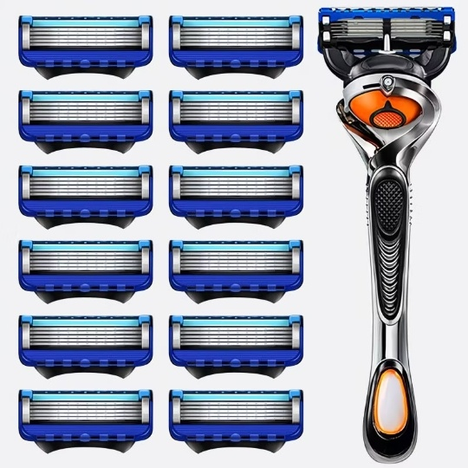 Embedded | OCR-assisted extraction from Product 8 screenshots; product link from sequence PDF; variants/prices captured from specs popup; product images cropped from gallery screenshots only.
9 | 9 | https://mobile.yangkeduo.com/goods1.html?ps=jqzceto7ly | Fengjie Razor Store | 锋界刮胡刀 | Not shown; store review count 54K visible / 未显示；店铺评价54K可见 | Not shown | Imported 6-Layer Manual Razor with Universal 7-Blade Holder, Shaving Blade System | 进口6层手动剃须刀，通用7刀片刀架，剃须刀片系统 | Men's Manual Razor | 男士手动剃须刀 | Not visible | 未显示 | ¥5.18 | ¥14.20 | ¥9.02 | ¥1.31 - ¥8.30 | 882 sold / 已售882件 | 659 item reviews / 商品评价659条 | Positive review rate over 99%; Bestseller; Great service, Affordable, High quality, Works well, Sharp blades / 好评率高于99%同类商品；热卖；服务好、实惠、高质量、好用、刀片锋利 | 551 people are buying now; Join now / 551人正在购买；去拼单 | Buy Now, Pay Later; pay on delivery; instant refund if not shipped / 先用后付；货到付款；未发货极速退款 | 先用后付；货到付款；未发货极速退款 | Zhejiang Province | 浙江省 | Six-blade Head | 六层刀头 | Not shown | 未显示 | Style: [Men's God - Obsidian Black Six-layer] sharp and durable. Packages include razor handle boxes with 9/12/21 blades, shaving cream/storage box, 2-handle set, and replacement blade packs. | 款式：【男神款-曜石黑六层】锋利耐用。套餐包括刀架盒+9/12/21枚刀片、剃须膏/收纳盒、双刀架套装，以及替换刀头装。 | 8 | 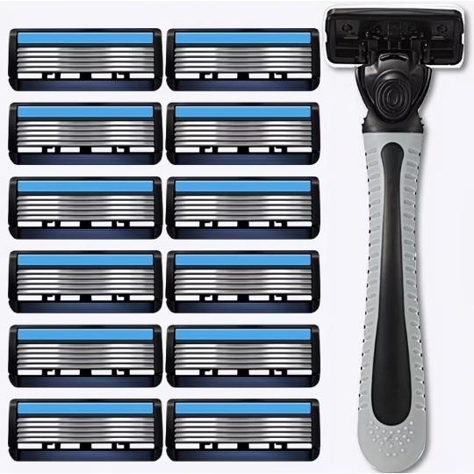 Embedded | OCR-assisted extraction from Product 9 screenshots; product link from sequence PDF; variants/prices captured from specs popup; product images cropped from gallery screenshots only.
10 | 10 | https://mobile.yangkeduo.com/goods2.html?ps=Zhpt1utGb3 | Fengjie Razor Store | 锋界刮胡刀 | Store review count 54K; 10K+ positive reviews in last 30 days; sold 10K+ items tag visible / 店铺评价54K；近30天好评1万+；已售1万+件标签可见 | Store qualification visible / 店铺资质 | German Imported Universal Gillette Manual Shaver with 5-Layer Razor Head for Men - 5-Blade System | 德国进口通用吉列手动剃须刀，男士五层刀头五刀片剃须系统 | Men's Manual Razor | 男士手动剃须刀 | LanJieLi | 兰洁丽 | ¥6.80 | ¥11.20 | ¥4.40 | ¥1.30 - ¥9.90 | 1180 sold / 已售1180件 | 961 item reviews / 商品评价961条 | 909 positive reviews; Bestseller; Great service, Affordable, High quality, Works well, Sharp blades / 909条好评；热卖；服务好、实惠、高质量、好用、刀片锋利 | 548 people are buying now; Join now / 548人正在购买；去拼单 | Buy Now, Pay Later; pay on delivery; instant refund if not shipped / 先用后付；货到付款；未发货极速退款 | 先用后付；货到付款；未发货极速退款 | Zhejiang Province | 浙江省 | Five-blade Head | 五层刀头 | Not shown | 未显示 | Style: [Newly upgraded precision blade head] sharp and durable. Packages include razor handle with 4/8/12/16 blades, storage box, shaving cream, and replacement blade packs of 1/16/20 blades without handle. | 款式：【新升级精密刀头】锋利耐用。套餐包括刀架+4/8/12/16个刀头、收纳盒、剃须膏，以及无刀架替换刀头1/16/20个装。 | 7 | 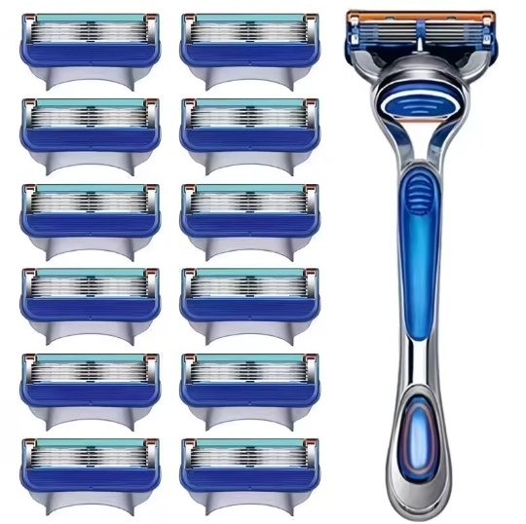 Embedded | OCR-assisted extraction from Product 10 screenshots; product link from sequence PDF; variants/prices captured from selected specs popups; product images cropped from gallery screenshots only.
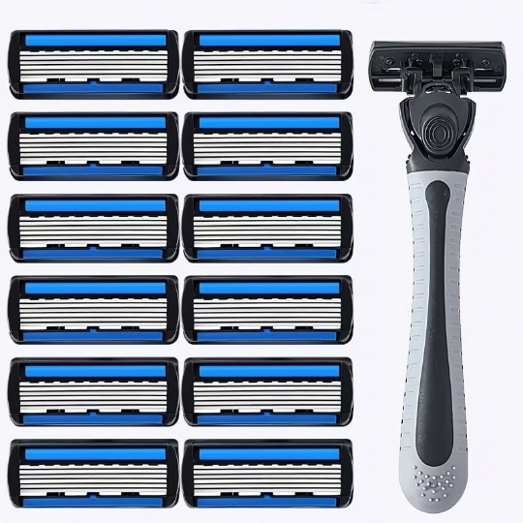
11 | 11 | https://mobile.yangkeduo.com/goods1.html?ps=qjQS94HPCOi | Fengjie Razor Store | 锋界刮胡刀 | Store review count 54K visible; store cumulative sales not shown / 店铺评价54K可见；店铺累计销量未显示 | Store qualification visible / 店铺资质 | Imported 6-Layer Manual Razor with Universal 7-Blade Holder, Compatible with Various Shaving Blades | 进口6层手动剃须刀，通用7刀片刀架，兼容多种剃须刀片 | Men's Manual Razor | 男士手动剃须刀 | LanJieLi | 兰洁丽 | ¥5.02 | ¥14.20 | ¥9.18 | ¥1.05 - ¥8.00 visible in selected variants | 1,197 sold / 已售1197件 | 876 item reviews / 商品评价876条 | 878 positive reviews; Great service, Affordable, High quality, Works well, Sharp blades / 878条好评；服务好、价格实惠、高质量、好用、刀片锋利 | 200+ people joined group buys in 7 days; 558 people are buying now / 7日内200+人拼单；558人正在购买 | Buy now, pay later; pay on delivery; instant refund if not shipped | 先用后付；货到付款；未发货极速退款 | Zhejiang Province | 浙江省 | Six-layer blade head / universal 7-blade holder | 六层刀片 / 通用7刀片刀架 | Razor handle/blade set; shaving foam shown in gallery image | 刀架/刀片套装；商品图显示剃须泡 | Style: [Men's God - Obsidian Black Six-layer] sharp and durable. Packages include 1 razor holder box with 6/9 blades + shaving cream + storage box, 1 razor holder box with 12/18 blades + storage box, 2 razor-holder bundles, and replacement blade packs. | 款式：【男神款-曜石黑六层】锋利耐用。套餐包括1个刀架盒+6/9枚刀片+剃须膏+收纳盒，1个刀架盒+12/18枚刀片+收纳盒，双刀架套装，以及替换刀头装。 | 10 | Embedded | OCR-assisted extraction from Product 11 screenshots; product link from sequence PDF; variants/prices captured from selected specs popups; product images cropped from gallery screenshots only.
12 | 12 | https://mobile.yangkeduo.com/goods1.html?ps=OjgaCfRxk7 | Fengjie Razor Store | 锋界刮胡刀 | 86K items sold in our store recently; store review count visible / 本店近期已售8.6万件；店铺评价可见 | Store qualification visible / 店铺资质 | 2026 New Product JiLiFeng 6-Layer Stainless Steel Razor, Universal 6-Blade Shaving System, Manual Razor Head for Men | 2026新款 JiLiFeng 6层不锈钢剃须刀，通用6刀片剃须系统，男士手动剃须刀头 | Men's Manual Razor | 男士手动剃须刀 | JiLiFeng | JiLiFeng / 吉利锋 | ¥4.23 | ¥13.50 | ¥8.27 | ¥1.05 - ¥7.60 visible in selected variants | 160 sold / 已售160件 | 1 item review visible / 商品评价1条可见 | Great service, Affordable, High quality, Works well, Sharp blades / 服务好、实惠、高质量、好用、刀片锋利 | 18 people are buying now; Join now / 18人正在购买；去拼单 | Buy now, pay later; pay on delivery; instant refund if not shipped; 7-day hassle-free return | 先用后付；货到付款；未发货极速退款；7天无理由退货 | Zhejiang Province | 浙江省 | Six-blade head | 六刀片刀头 | Not shown | 未显示 | Style: [Upgraded new precision 6-layer] on promotion. Models include 1 razor holder + 3/6 blades, 1 razor holder + 3/12/15 blades + storage box, 1 razor holder + 12/15 blades + storage box + shaving cream, and replacement blade packs of 1/3/6/12 blades. | 款式：【升级款新锐六层】促销中。型号包括1个刀架+3/6枚刀片、1个刀架+3/12/15枚刀片+收纳盒、1个刀架+12/15枚刀片+收纳盒+剃须膏，以及1/3/6/12枚替换刀头装。 | 8 | 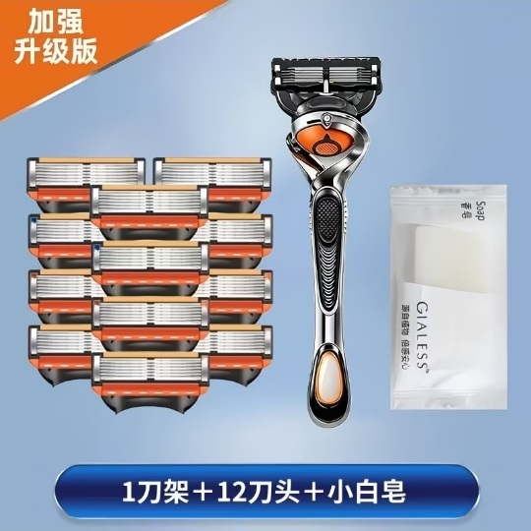 Embedded | OCR-assisted extraction from Product 12 screenshots; product link from sequence PDF page 2 link 5; variants/prices captured from selected specs popups; product images cropped from gallery screenshots only.
13 | 13 | https://mobile.yangkeduo.com/goods2.html?ps=NzdboTqvia | Fengjie Razor Store | 锋界刮胡刀 | Store review count 54K visible; sold 10K+ items tag visible / 店铺评价54K可见；已售1万+件标签可见 | Store qualification visible / 店铺资质 | Manual Hair Removal Razor for Women - Professional Underarm, Leg & Full Body Hair Remover | 女士手动除毛刀，专业腋下、腿部及全身刮毛器，梦幻粉/女神蓝套装 | Women’s manual hair removal razor and replacement blade heads | 女士手动除毛刀及替换刀头 | Not visible | 未显示 | ¥1.32 | ¥10.00 | ¥8.68 | ¥1.32 - ¥8.80 visible in selected variants | 9,445 sold / 已售9445件 | 8,937 item reviews / 商品评价8937条 | 8K+ positive reviews; 147 repeat customers; Great service, Affordable, High quality, Works well, Sharp blades / 8K+好评；147名回头客；服务好、实惠、高质量、好用、刀片锋利 | 556 people are buying now; 100+ people joined group buys / 556人正在购买；100+人拼单 | Buy now, pay later; pay on delivery; instant refund if not shipped | 先用后付；货到付款；未发货极速退款 | Zhejiang Province | 浙江省 | Six-blade head | 六刀头 / 六层刀片 | Not shown | 未显示 | Package options include Fairy Pink and Goddess Blue razor-handle sets with 3/6/15/18 blade heads, shaving cream or razor case, plus replacement pink/blue blade-head packs of 1/12/15 heads. | 套餐包括梦幻粉、女神蓝刀架套装，可选3/6/15/18枚刀头，含剃须膏或收纳盒，以及粉色/蓝色1/12/15枚替换刀头装。 | 7 | Embedded | OCR-assisted extraction from Product 13 screenshots; product link from sequence PDF page 2 link 6; variants/prices captured from selected specs popups; product images cropped from gallery screenshots only.

Product Images
Product Images / 商品图片
Product No / 产品编号 | Image No / 图片编号 | Cropped Product Image / 裁剪商品图片 | Original Screenshot / 原始截图 | Crop Region / 裁剪区域 | Image Note EN / 图片说明英文 | Image Note ZH / 图片说明中文 | Cropped File / 裁剪文件
1 | 1 | Embedded | Screenshot_20260612-113405.jpg | x=0,y=210,w=540,h=540 | Main razor handle with multiple replacement blade heads on white background | 主剃须刀架与多枚替换刀头白底图 | product1_image_01.jpg
1 | 2 | 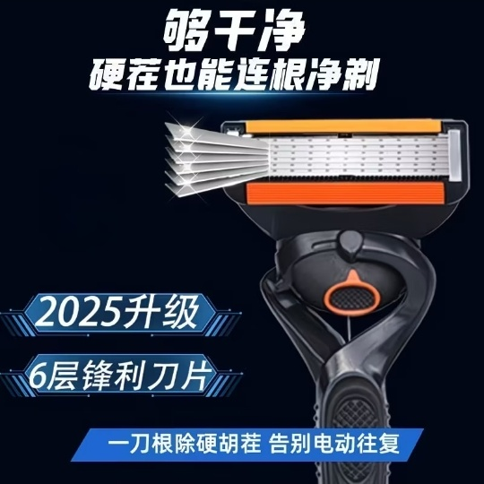 Embedded | Screenshot_20260612-113408.jpg | x=0,y=210,w=540,h=540 | 2025 upgraded 6-layer sharp blade advertising image | 2025升级6层锋利刀片宣传图 | product1_image_02.jpg
1 | 3 | 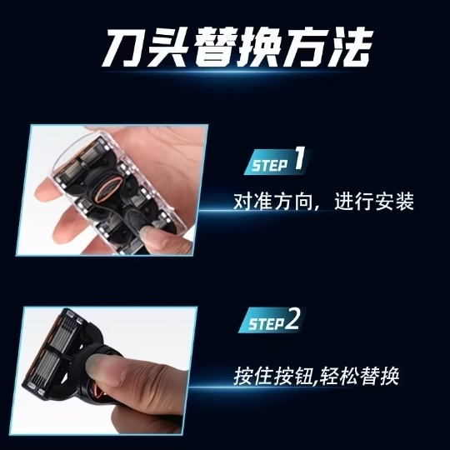 Embedded | Screenshot_20260612-113410.jpg | x=0,y=210,w=540,h=540 | Blade head replacement method instruction image | 刀头替换方法说明图 | product1_image_03.jpg
1 | 4 | 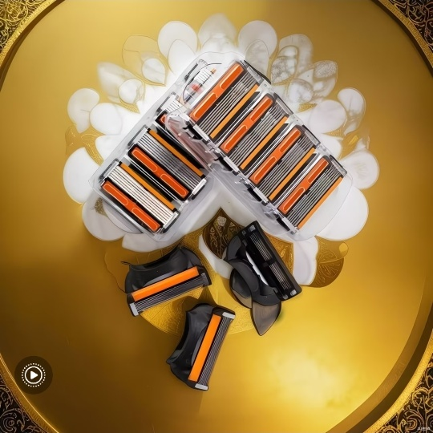 Embedded | Screenshot_20260612-113411.jpg | x=0,y=210,w=540,h=540 | Razor blade heads and handles on gold plate | 金色盘面上的刀头与刀架组合图 | product1_image_04.jpg
1 | 5 | 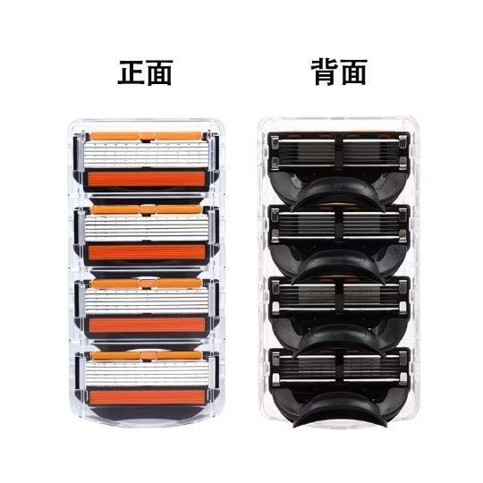 Embedded | Screenshot_20260612-113413.jpg | x=0,y=210,w=540,h=540 | Front and back view of replacement blade cartridge pack | 替换刀头包装正面与背面图 | product1_image_05.jpg
1 | 6 | 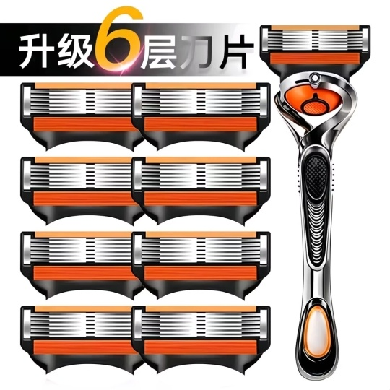 Embedded | Screenshot_20260612-113415.jpg | x=0,y=210,w=540,h=540 | Upgraded 6-layer blade set with handle | 升级6层刀片套装含刀架图 | product1_image_06.jpg
1 | 7 | 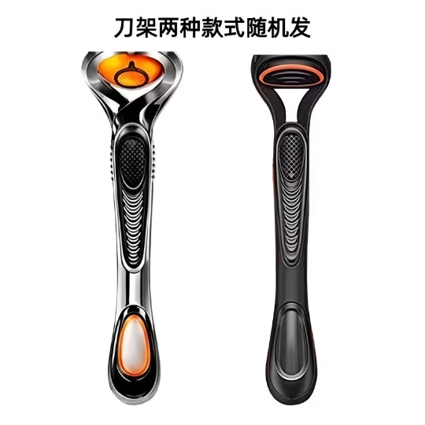 Embedded | Screenshot_20260612-113417.jpg | x=0,y=210,w=540,h=540 | Two random razor-handle styles shown | 两种刀架款式随机发货展示图 | product1_image_07.jpg
1 | 8 | 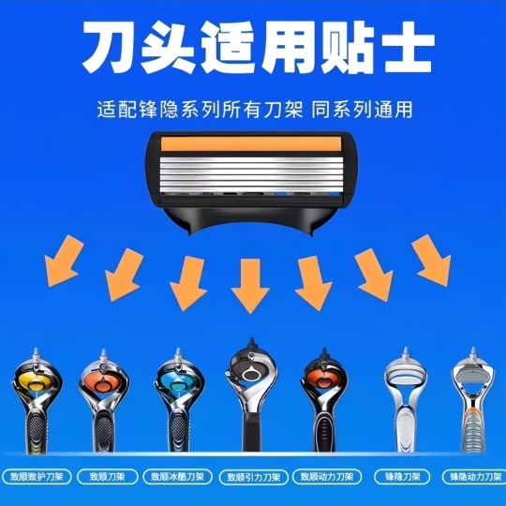 Embedded | Screenshot_20260612-113419.jpg | x=0,y=210,w=540,h=540 | Blade compatibility tips for matching razor handles | 刀头适用贴士，适配同系列刀架 | product1_image_08.jpg
2 | 1 | Embedded | Screenshot_20260612-164904.jpg | x=0,y=210,w=540,h=540 | Main razor handle with 12 replacement blade heads on white background | 主剃须刀架与12个替换刀头白底图 | product2_image_01.jpg
2 | 2 | Embedded | Screenshot_20260612-164906.jpg | x=0,y=210,w=540,h=540 | Razor handle and replacement blade cartridge case on grey background | 剃须刀架与替换刀头收纳盒灰底图 | product2_image_02.jpg
2 | 3 | 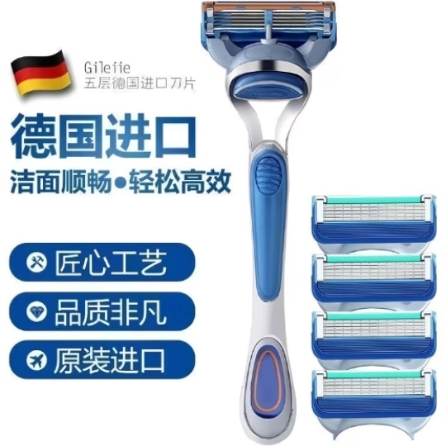 Embedded | Screenshot_20260612-164911.jpg | x=0,y=210,w=540,h=540 | Imported razor and replacement blades advertising image | 进口剃须刀与替换刀头宣传图 | product2_image_03.jpg
2 | 4 | 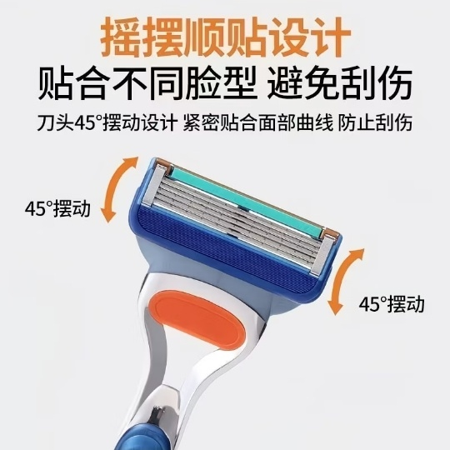 Embedded | Screenshot_20260612-164912.jpg | x=0,y=210,w=540,h=540 | 45-degree swing head design explanation image | 45度摆动刀头设计说明图 | product2_image_04.jpg
2 | 5 | 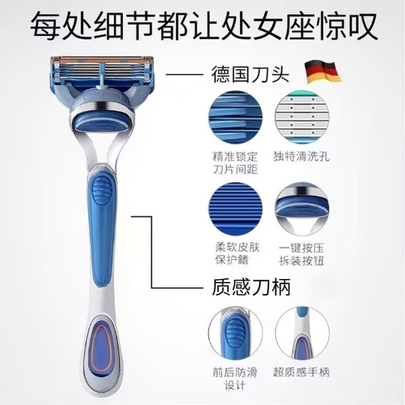 Embedded | Screenshot_20260612-164914.jpg | x=0,y=210,w=540,h=540 | Manual razor feature/detail explanation image | 手动剃须刀细节功能说明图 | product2_image_05.jpg
2 | 6 | 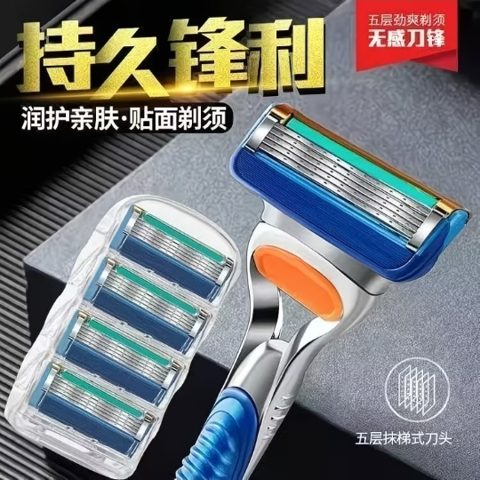 Embedded | Screenshot_20260612-164917.jpg | x=0,y=210,w=540,h=540 | Sharp blade and shaving set advertising image | 锋利刀片与剃须套装宣传图 | product2_image_06.jpg
2 | 7 | 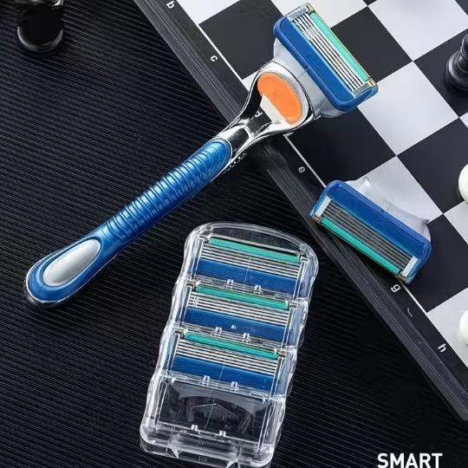 Embedded | Screenshot_20260612-164919.jpg | x=0,y=210,w=540,h=540 | Razor handle, blade case and extra blade heads on black chessboard background | 黑色棋盘背景上的刀架、刀头盒与替换刀头图 | product2_image_07.jpg
3 | 1 | Embedded | Screenshot_20260612-165208.jpg | x=0,y=210,w=540,h=540 | Main razor handle with multiple replacement blade heads on white background | 主剃须刀架与多枚替换刀头白底图 | product3_image_01.jpg
3 | 2 | Embedded | Screenshot_20260612-165209.jpg | x=0,y=210,w=540,h=540 | 2025 upgraded 6-layer sharp blade advertising image | 2025升级6层锋利刀片宣传图 | product3_image_02.jpg
3 | 3 | Embedded | Screenshot_20260612-165211.jpg | x=0,y=210,w=540,h=540 | Blade head replacement method instruction image | 刀头替换方法说明图 | product3_image_03.jpg
3 | 4 | Embedded | Screenshot_20260612-165212.jpg | x=0,y=210,w=540,h=540 | Razor blade heads and handles on gold plate | 金色盘面上的刀头与刀架组合图 | product3_image_04.jpg
3 | 5 | Embedded | Screenshot_20260612-165214.jpg | x=0,y=210,w=540,h=540 | Front and back view of replacement blade cartridge pack | 替换刀头包装正面与背面图 | product3_image_05.jpg
4 | 1 | Embedded | Screenshot_20260612-165452.jpg | x=0,y=210,w=540,h=540 | Main razor handle with multiple replacement blade heads on white/gray background | 白灰背景上的主剃须刀架与多枚替换刀头图 | product4_image_01.jpg
4 | 2 | Embedded | Screenshot_20260612-165453.jpg | x=0,y=210,w=540,h=540 | Razor handle with twelve replacement blade heads on white background | 白底刀架与十二枚替换刀头组合图 | product4_image_02.jpg
4 | 3 | 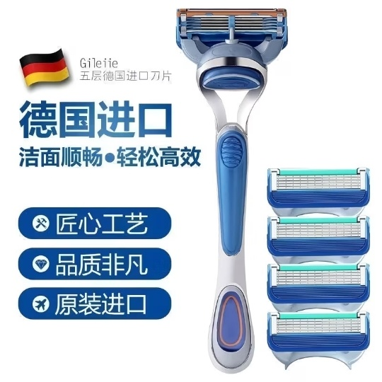 Embedded | Screenshot_20260612-165455.jpg | x=0,y=210,w=540,h=540 | German imported five-layer blade advertising image | 德国进口五层刀片宣传图 | product4_image_03.jpg
4 | 4 | Embedded | Screenshot_20260612-165456.jpg | x=0,y=210,w=540,h=540 | 45-degree swing razor head design instruction image | 45度摆动顺贴刀头设计说明图 | product4_image_04.jpg
4 | 5 | Embedded | Screenshot_20260612-165458.jpg | x=0,y=210,w=540,h=540 | Razor handle detail diagram with blade spacing, cleaning holes and anti-slip grip | 刀架细节图，展示刀片间距、清洗孔与防滑手柄 | product4_image_05.jpg
4 | 6 | Embedded | Screenshot_20260612-165459.jpg | x=0,y=210,w=540,h=540 | Long-lasting sharp five-layer razor blade promotional image | 持久锋利五层刀头宣传图 | product4_image_06.jpg
4 | 7 | Embedded | Screenshot_20260612-165501.jpg | x=0,y=210,w=540,h=540 | Razor handle, blade case and extra blade heads on black chessboard background | 黑色棋盘背景上的刀架、刀头盒与替换刀头图 | product4_image_07.jpg
5 | 1 | Embedded | Screenshot_20260612-165833.jpg | x=0,y=216,w=540,h=536 | Main set with razor handle, blades, shaving cream and blade box | 主剃须刀架、替换刀头、剃须膏和刀盒组合图 | product5_image_01.jpg
5 | 2 | 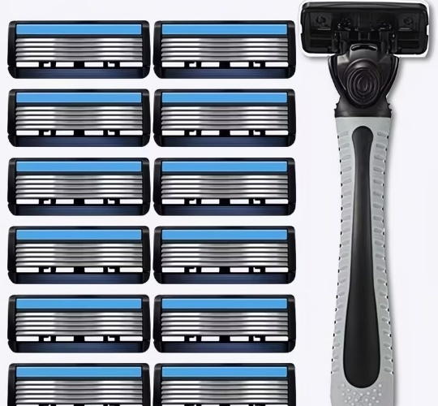 Embedded | Screenshot_20260612-165834.jpg | x=0,y=216,w=540,h=500 | Replacement blade heads with razor handle on white background | 白底替换刀头和剃须刀架图 | product5_image_02.jpg
5 | 3 | 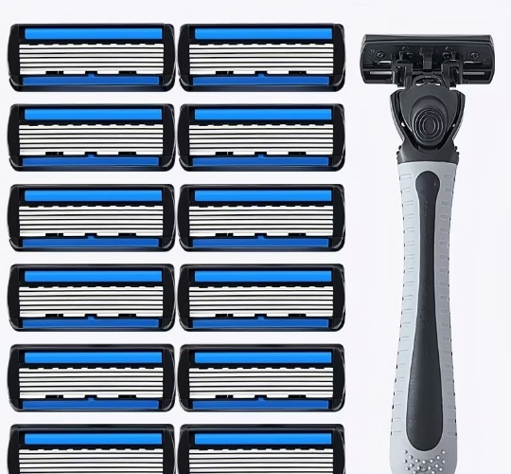 Embedded | Screenshot_20260612-165836.jpg | x=0,y=216,w=540,h=500 | Multiple replacement blade heads with razor handle | 多枚替换刀头与剃须刀架图 | product5_image_03.jpg
5 | 4 | 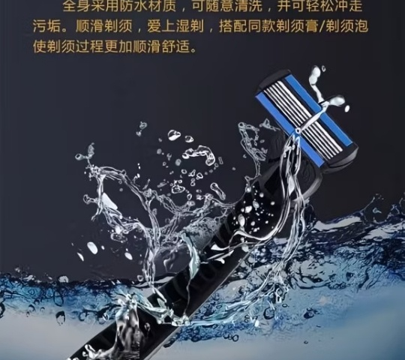 Embedded | Screenshot_20260612-165837.jpg | x=0,y=216,w=540,h=480 | Water splash washable product promotional image | 水花场景可水洗宣传图 | product5_image_04.jpg
5 | 5 | 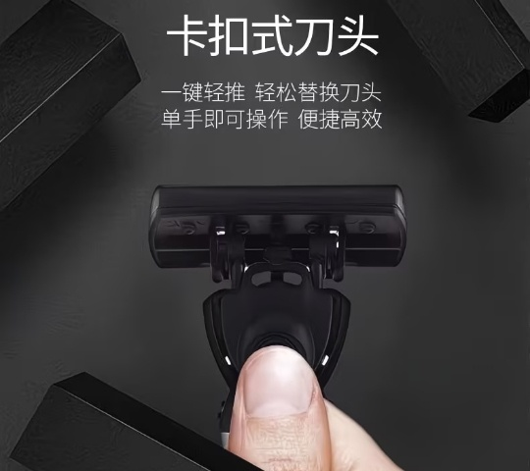 Embedded | Screenshot_20260612-165838.jpg | x=0,y=216,w=540,h=480 | Snap-on detachable blade head technology image | 卡扣式刀头技术图 | product5_image_05.jpg
5 | 6 | 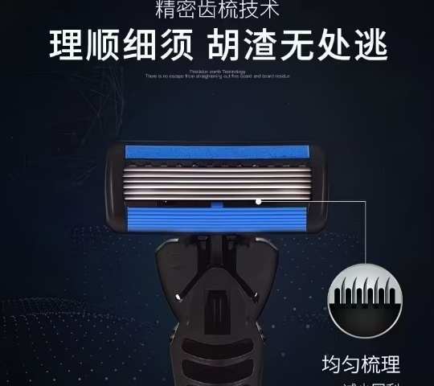 Embedded | Screenshot_20260612-165841.jpg | x=0,y=216,w=540,h=480 | Precision comb blade technology close-up image | 精密齿梳刀头技术特写图 | product5_image_06.jpg
5 | 7 | 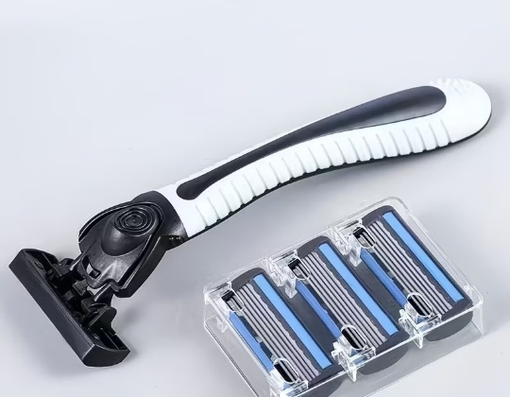 Embedded | Screenshot_20260612-165842.jpg | x=0,y=216,w=540,h=420 | Razor handle and replacement blades on white background | 白底剃须刀架和替换刀头图 | product5_image_07.jpg
5 | 8 | 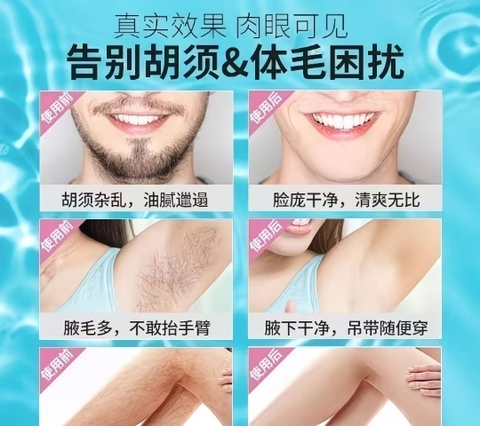 Embedded | Screenshot_20260612-165843.jpg | x=0,y=216,w=540,h=480 | Smooth shaving usage comparison promotional image | 剃须效果对比宣传图 | product5_image_08.jpg
5 | 9 | 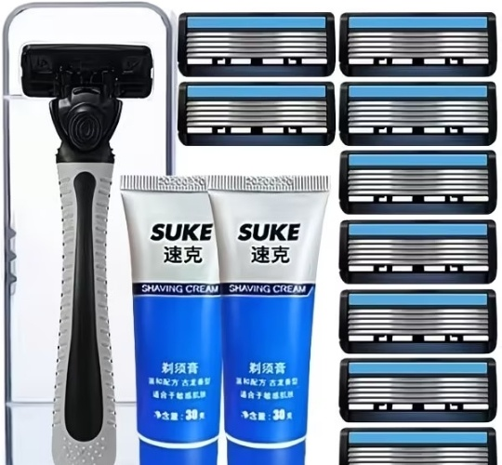 Embedded | Screenshot_20260612-165845.jpg | x=0,y=216,w=540,h=500 | Razor handle, shaving cream and blade heads bundle image | 剃须刀架、剃须膏和刀头套装图 | product5_image_09.jpg
5 | 10 | 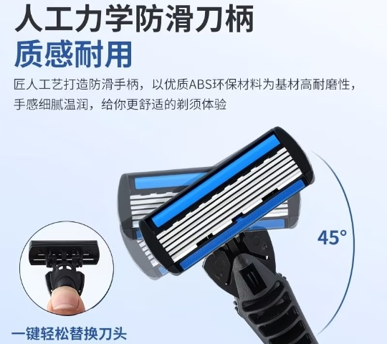 Embedded | Screenshot_20260612-165846.jpg | x=0,y=216,w=540,h=480 | Ergonomic anti-slip handle and 45-degree blade angle image | 人工力学防滑刀柄及45度刀头角度图 | product5_image_10.jpg
6 | 1 | Embedded | Screenshot_20260612-170431.jpg | x=0,y=210,w=540,h=540 | Fairy Pink razor handle with 4 replacement heads and transparent storage case; gift original heads x4 | 梦幻粉刀架+4个替换刀头+透明收纳盒，赠原装刀头4个 | product6_image_01.jpg
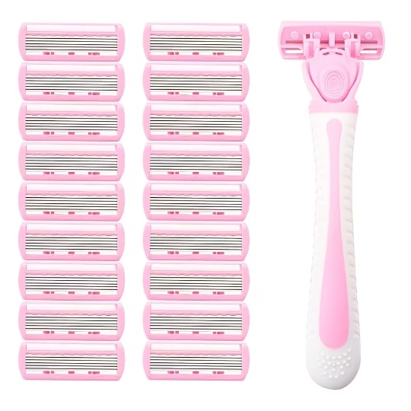
6 | 2 | Embedded | Screenshot_20260612-170433.jpg | x=0,y=210,w=540,h=540 | Fairy Pink razor handle with multiple pink replacement blade heads | 梦幻粉刀架与多枚粉色替换刀头 | product6_image_02.jpg
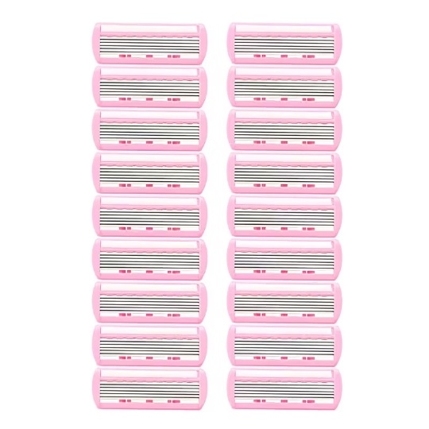
6 | 3 | Embedded | Screenshot_20260612-170434.jpg | x=0,y=210,w=540,h=540 | Pink replacement blade heads only | 粉色替换刀头组合图 | product6_image_03.jpg
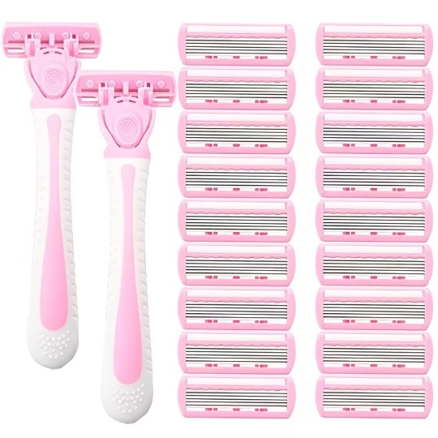
6 | 4 | Embedded | Screenshot_20260612-170440.jpg | x=0,y=210,w=540,h=540 | Two Fairy Pink razor handles with many replacement blade heads | 两个梦幻粉刀架与多枚替换刀头 | product6_image_04.jpg
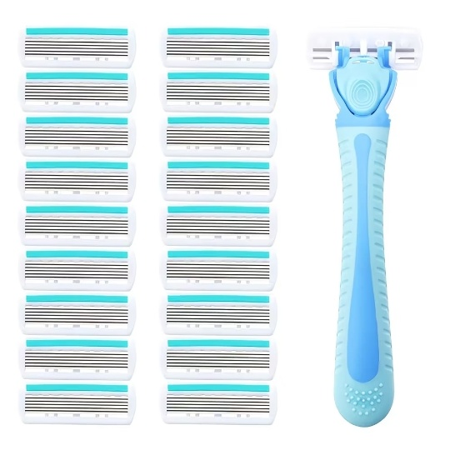
6 | 5 | Embedded | Screenshot_20260612-170441.jpg | x=0,y=210,w=540,h=540 | Goddess Blue razor handle with multiple blue replacement blade heads | 女神蓝刀架与多枚蓝色替换刀头 | product6_image_05.jpg
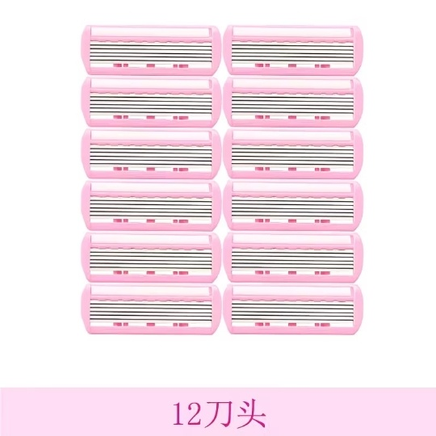
6 | 6 | Embedded | Screenshot_20260612-170443.jpg | x=0,y=210,w=540,h=540 | 12 pink replacement blade heads | 12个粉色替换刀头 | product6_image_06.jpg
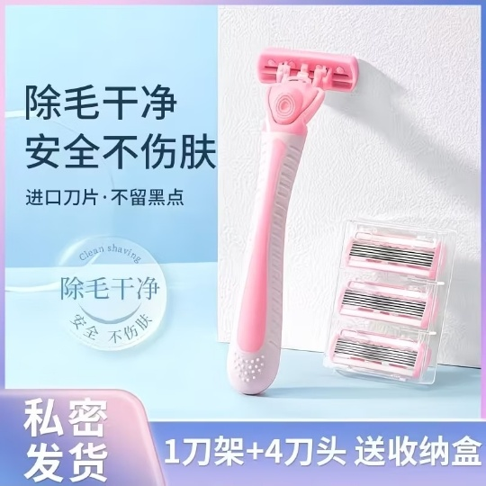
6 | 7 | Embedded | Screenshot_20260612-170444.jpg | x=0,y=210,w=540,h=540 | Advertising image: clean safe hair removal, private shipping, 1 handle + 4 heads + storage case | 宣传图：除毛干净安全不伤肤，私密发货，1刀架+4刀头送收纳盒 | product6_image_07.jpg
7 | 1 | Embedded | Screenshot_20260612-170920.jpg | x=0,y=210,w=540,h=540 | Main razor handle with multiple 6-layer replacement blade heads on white background | 主剃须刀架与多枚6层替换刀头白底图 | product7_image_01.jpg
7 | 2 |  Embedded | Screenshot_20260612-170921.jpg | x=0,y=210,w=540,h=540 | 2025 upgraded 6-layer sharp blade advertising image | 2025升级6层锋利刀片宣传图 | product7_image_02.jpg
7 | 3 |  Embedded | Screenshot_20260612-170922.jpg | x=0,y=210,w=540,h=540 | Blade head replacement method instruction image | 刀头替换方法说明图 | product7_image_03.jpg
7 | 4 |  Embedded | Screenshot_20260612-170924.jpg | x=0,y=210,w=540,h=540 | Razor blade heads and handles displayed on gold plate | 金色盘面上的刀头与刀架组合图 | product7_image_04.jpg
7 | 5 | 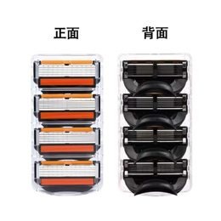 Embedded | Screenshot_20260612-170925.jpg | x=0,y=210,w=540,h=540 | Front and back view of replacement blade cartridge pack | 替换刀头包装正面与背面图 | product7_image_05.jpg
8 | 1 | Embedded | Screenshot_20260612-171150.jpg | x=0,y=210,w=540,h=540 | Main razor handle with 12 replacement blade heads on white background | 主剃须刀架与12枚替换刀头白底图 | product8_image_01.jpg
8 | 2 | 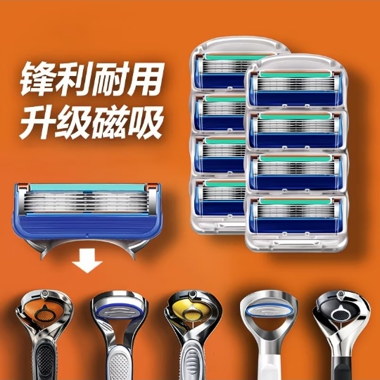 Embedded | Screenshot_20260612-171151.jpg | x=0,y=210,w=540,h=540 | Upgrade magnetic absorption blade heads advertising image | 升级磁吸刀头宣传图 | product8_image_02.jpg
8 | 3 | 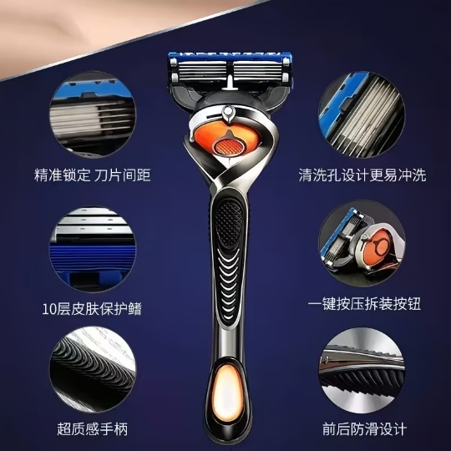 Embedded | Screenshot_20260612-171152.jpg | x=0,y=210,w=540,h=540 | Detailed razor head spacing, cleaning hole and anti-slip handle design image | 刀片间距、清洗孔、防滑手柄等细节说明图 | product8_image_03.jpg
8 | 4 | 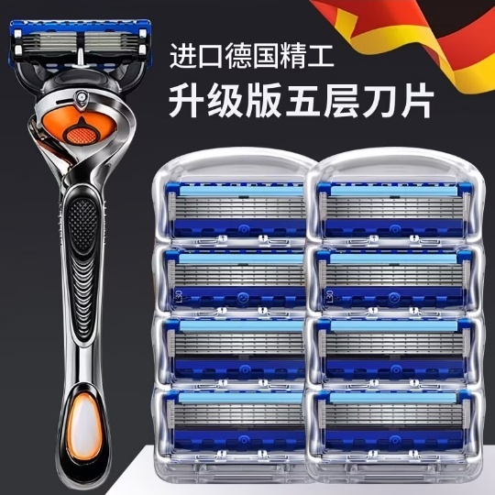 Embedded | Screenshot_20260612-171155.jpg | x=0,y=210,w=540,h=540 | Imported German precision and upgraded five-star blade advertising image | 进口德国精工与升级版五星刀片宣传图 | product8_image_04.jpg
8 | 5 | 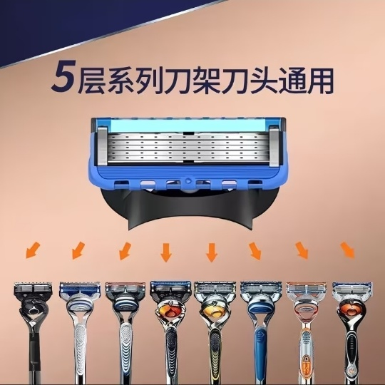 Embedded | Screenshot_20260612-171157.jpg | x=0,y=210,w=540,h=540 | Five-layer series blade holder compatible replacement head image | 5层系列刀架通用刀头图 | product8_image_05.jpg
8 | 6 | 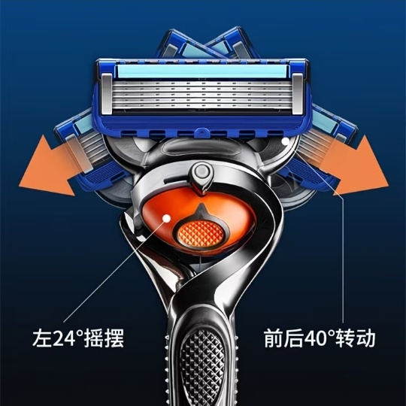 Embedded | Screenshot_20260612-171158.jpg | x=0,y=210,w=540,h=540 | 24-degree left-right swing and 40-degree front rotation function diagram | 左右24°摆幅与前后40°转动功能图 | product8_image_06.jpg
8 | 7 | 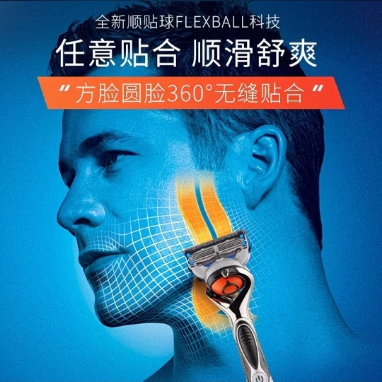 Embedded | Screenshot_20260612-171159.jpg | x=0,y=210,w=540,h=540 | Flexible 360-degree face contact shaving advertising image | 360°贴合面部剃须宣传图 | product8_image_07.jpg
8 | 8 | 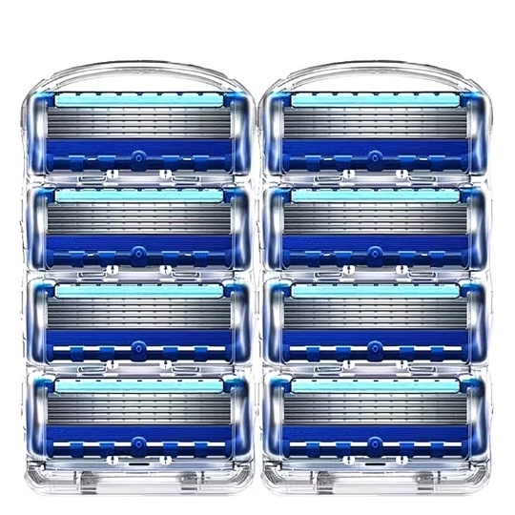 Embedded | Screenshot_20260612-171201.jpg | x=0,y=210,w=540,h=540 | Replacement blade heads set on white background | 替换刀头组合白底图 | product8_image_08.jpg
8 | 9 | 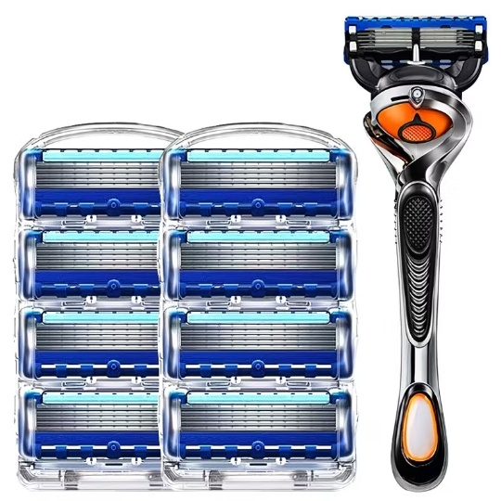 Embedded | Screenshot_20260612-171202.jpg | x=0,y=210,w=540,h=540 | Replacement blade heads plus razor handle on white background | 替换刀头与剃须刀架白底组合图 | product8_image_09.jpg
9 | 1 | Embedded | Screenshot_20260612-171444.jpg | x=0,y=210,w=540,h=538 | Main razor handle with multiple replacement blades | 主图：剃须刀柄与多枚替换刀片 | product_9_cropped_images/product9_image_01.jpg
9 | 2 | 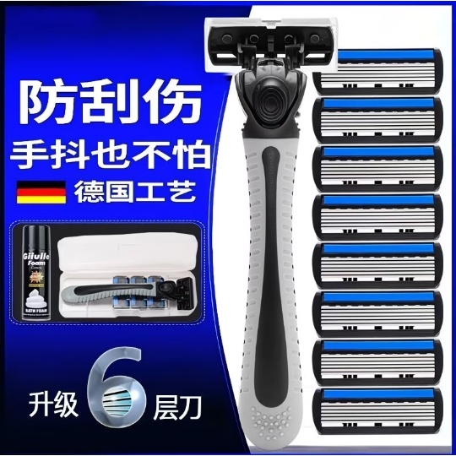 Embedded | Screenshot_20260612-171445.jpg | x=0,y=210,w=540,h=538 | Blue promotional feature image showing anti-scratch shave and German craft text | 蓝色促销图：防刮伤、德国工艺、升级6层刃 | product_9_cropped_images/product9_image_02.jpg
9 | 3 | 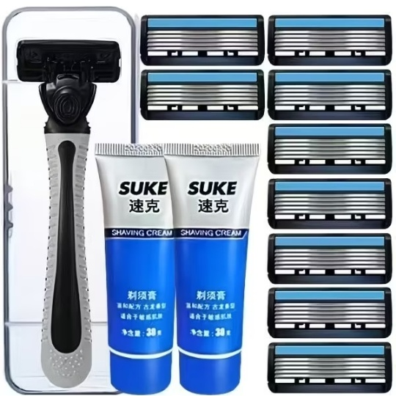 Embedded | Screenshot_20260612-171447.jpg | x=0,y=210,w=540,h=538 | Razor handle, replacement blades and shaving cream set | 刀架、替换刀头与剃须膏套装 | product_9_cropped_images/product9_image_03.jpg
9 | 4 |  Embedded | Screenshot_20260612-171448.jpg | x=0,y=210,w=540,h=538 | German quality package image with 2 handles, 8 blades and 2 storage boxes | 德国品质套餐图：2刀架+8刀头+2刀盒 | product_9_cropped_images/product9_image_04.jpg
9 | 5 |  Embedded | Screenshot_20260612-171450.jpg | x=0,y=210,w=540,h=538 | Yellow clearance-processing promotional image for 6-layer manual razor | 六层手动剃须刀清仓处理促销图 | product_9_cropped_images/product9_image_05.jpg
9 | 6 |  Embedded | Screenshot_20260612-171451.jpg | x=0,y=210,w=540,h=538 | Front and back actual display of razor head | 刀头正面与反面实拍展示 | product_9_cropped_images/product9_image_06.jpg
9 | 7 |  Embedded | Screenshot_20260612-171453.jpg | x=0,y=210,w=540,h=538 | Body hair removal use-case collage from product gallery | 剃胡须/体毛使用场景展示图 | product_9_cropped_images/product9_image_07.jpg
9 | 8 |  Embedded | Screenshot_20260612-171454.jpg | x=0,y=210,w=540,h=538 | German quality package image with handle, blades, shaving cream and storage box | 德国品质套餐图：刀架、刀头、剃须膏与收纳盒 | product_9_cropped_images/product9_image_08.jpg
10 | 1 | Embedded | Screenshot_20260612-171808.jpg | x=0,y=210,w=540,h=538 | Main razor handle with twelve replacement blade heads | 主图：剃须刀柄与12枚替换刀头 | product_10_cropped_images/product10_image_01.jpg
10 | 2 |  Embedded | Screenshot_20260612-171809.jpg | x=0,y=210,w=540,h=538 | Actual razor handle with packaged replacement blade cartridge set | 实拍图：剃须刀柄与包装替换刀头组 | product_10_cropped_images/product10_image_02.jpg
10 | 3 |  Embedded | Screenshot_20260612-171812.jpg | x=0,y=210,w=540,h=538 | German-import feature image with handle and four replacement blades | 德国进口宣传图：刀架与4枚替换刀头 | product_10_cropped_images/product10_image_03.jpg
10 | 4 |  Embedded | Screenshot_20260612-171813.jpg | x=0,y=210,w=540,h=538 | 45-degree swing head design promotional image | 45度摇摆刀头设计宣传图 | product_10_cropped_images/product10_image_04.jpg
10 | 5 |  Embedded | Screenshot_20260612-171815.jpg | x=0,y=210,w=540,h=538 | Product detail image showing German blade head and textured handle | 产品细节图：德国刀头与质感刀柄 | product_10_cropped_images/product10_image_05.jpg
10 | 6 |  Embedded | Screenshot_20260612-171816.jpg | x=0,y=210,w=540,h=538 | Durable five-layer blade feature image with replacement blade pack | 持久锋利五层刀片宣传图，含替换刀头盒 | product_10_cropped_images/product10_image_06.jpg
10 | 7 |  Embedded | Screenshot_20260612-171819.jpg | x=0,y=210,w=540,h=538 | Actual-use product image on chessboard background with storage blade pack | 棋盘背景实拍图：刀柄与替换刀头收纳盒 | product_10_cropped_images/product10_image_07.jpg
11 | 1 | Embedded | Screenshot_20260612-172051.jpg | x=0,y=210,w=540,h=540 | Main razor handle with multiple 6-layer replacement blade cartridges | 主剃须刀架与多枚6层替换刀头 | product11_image_01.jpg

11 | 2 | Embedded | Screenshot_20260612-172053.jpg | x=0,y=210,w=540,h=540 | 6-layer blade quality display with razor holder, blade heads and shaving cream | 6层刀片品质展示，含刀架、刀头和剃须膏 | product11_image_02.jpg

11 | 3 | Embedded | Screenshot_20260612-172054.jpg | x=0,y=210,w=540,h=540 | Razor handle with loose replacement blade cartridges on clean background | 刀架与散装替换刀头白底图 | product11_image_03.jpg

11 | 4 | Embedded | Screenshot_20260612-172056.jpg | x=0,y=210,w=540,h=540 | Razor handle, blade heads and green shaving foam set | 刀架、刀头与绿色剃须泡套装图 | product11_image_04.jpg

11 | 5 | Embedded | Screenshot_20260612-172057.jpg | x=0,y=210,w=540,h=540 | Clip-on cartridge head replacement method close-up | 卡扣式刀头替换方法近景图 | product11_image_05.jpg

11 | 6 | Embedded | Screenshot_20260612-172058.jpg | x=0,y=210,w=540,h=540 | Progressive 6-layer blade structure diagram | 渐进式六层刀片结构示意图 | product11_image_06.jpg

11 | 7 | Embedded | Screenshot_20260612-172103.jpg | x=0,y=210,w=540,h=540 | Physical display showing front and back of blade head | 刀头正面与背面实拍展示 | product11_image_07.jpg

11 | 8 | Embedded | Screenshot_20260612-172105.jpg | x=0,y=210,w=540,h=540 | Ergonomic anti-slip handle and floating blade angle diagram | 人体工学防滑手柄与浮动角度示意图 | product11_image_08.jpg

11 | 9 | Embedded | Screenshot_20260612-172107.jpg | x=0,y=210,w=540,h=540 | Use-effect demonstration for shaving and body hair areas | 剃须及身体部位使用效果展示图 | product11_image_09.jpg

11 | 10 | Embedded | Screenshot_20260612-172108.jpg | x=0,y=210,w=540,h=540 | Green shaving foam with replacement blade cartridge pack | 绿色剃须泡与替换刀头组合图 | product11_image_10.jpg
12 | 1 | Embedded | Screenshot_20260612-182130.jpg | x=0,y=210,w=540,h=540 | Main combo: razor handle with 12 blades and small soap | 主组合图：刀架、12枚刀头和小白皂 | product12_image_01.jpg
12 | 2 |  Embedded | Screenshot_20260612-182131.jpg | x=0,y=210,w=540,h=540 | Razor handle with multiple replacement blade heads on white background | 刀架与多枚替换刀头白底图 | product12_image_02.jpg
12 | 3 |  Embedded | Screenshot_20260612-182133.jpg | x=0,y=210,w=540,h=540 | Upgraded six-layer blade head advertising image | 升级六层刀片宣传图 | product12_image_03.jpg
12 | 4 |  Embedded | Screenshot_20260612-182135.jpg | x=0,y=210,w=540,h=540 | Two razor handle styles / front-back product display | 两种刀架款式/正反面产品展示图 | product12_image_04.jpg
12 | 5 |  Embedded | Screenshot_20260612-182136.jpg | x=0,y=210,w=540,h=540 | 2025 upgraded six-layer sharp blade for hard stubble shaving | 2025升级六层锋利刀片硬茬净剃图 | product12_image_05.jpg
12 | 6 |  Embedded | Screenshot_20260612-182139.jpg | x=0,y=210,w=540,h=540 | Blade head replacement method instruction image | 刀头替换方法说明图 | product12_image_06.jpg
12 | 7 |  Embedded | Screenshot_20260612-182140.jpg | x=0,y=210,w=540,h=540 | Physical product set with razor handle and blade heads on yellow background | 黄色背景刀架与刀头实拍组合图 | product12_image_07.jpg
12 | 8 |  Embedded | Screenshot_20260612-182142.jpg | x=0,y=210,w=540,h=540 | Front and back comparison of blade heads | 刀头正面与背面对比图 | product12_image_08.jpg
13 | 1 | Embedded | Screenshot_20260612-182405.jpg | x=0,y=210,w=540,h=540 | Fairy pink women hair-removal razor kit with handle, replacement heads and transparent storage box | 梦幻粉女士除毛刀套装，含刀架、替换刀头和透明收纳盒 | product13_image_01.jpg
13 | 2 | Embedded | Screenshot_20260612-182407.jpg | x=0,y=210,w=540,h=540 | Fairy pink razor handle with multiple pink replacement blade heads on white background | 梦幻粉刀架与多枚粉色替换刀头白底图 | product13_image_02.jpg
13 | 3 | Embedded | Screenshot_20260612-182408.jpg | x=0,y=210,w=540,h=540 | Pink replacement blade-head pack display for women hair-removal razor | 粉色替换刀头包装展示图 | product13_image_03.jpg
13 | 4 | Embedded | Screenshot_20260612-182409.jpg | x=0,y=210,w=540,h=540 | Fairy pink razor set with two handles and multiple replacement blade heads | 梦幻粉两支刀架与多枚替换刀头组合图 | product13_image_04.jpg
13 | 5 | Embedded | Screenshot_20260612-182410.jpg | x=0,y=210,w=540,h=540 | Goddess blue razor handle with blue replacement blade heads on white background | 女神蓝刀架与蓝色替换刀头白底图 | product13_image_05.jpg
13 | 6 | Embedded | Screenshot_20260612-182412.jpg | x=0,y=210,w=540,h=540 | Twelve pink replacement blade heads display | 12枚粉色替换刀头展示图 | product13_image_06.jpg
13 | 7 | Embedded | Screenshot_20260612-182413.jpg | x=0,y=210,w=540,h=540 | Women hair-removal razor advertising image: clean hair removal, safe and skin-friendly, private shipping | 女士除毛刀宣传图：除毛干净，安全不伤肤，私密发货 | product13_image_07.jpg

