Product Data
Products 1–23 Structured E-commerce Data / 第1-23个商品结构化电商数据
Product No / 产品编号 | Folder / 文件夹 | Source Link / 商品链接 | Store Name (ZH) / 店铺名称（中文） | Store Name (EN) / 店铺名称（英文） | Displayed Product Title (EN) / 页面商品标题（英文） | Displayed Product Title (ZH Translation) / 页面商品标题（中文翻译） | Spec Product Name (EN) / 规格商品名（英文） | Spec Product Name (ZH Translation) / 规格商品名（中文翻译） | Main Price (CNY) / 主价（人民币） | Price Range (CNY) / 价格范围（人民币） | Sales Count / 已售数量 | Item Reviews / 商品评价数 | Store Reviews / 店铺评价数 | Store Items Sold / 店铺累计销量 | Guarantee / 保障服务 | Review Tags (EN) / 评价标签（英文） | Review Tags (ZH) / 评价标签（中文） | Origin (EN) / 产地（英文） | Origin (ZH) / 产地（中文） | Ship From (ZH) / 发货地（中文） | Ship From (EN) / 发货地（英文） | Special Purpose Cosmetics (EN) / 特殊用途化妆品（英文） | Special Purpose Cosmetics (ZH) / 特殊用途化妆品（中文） | Shelf Life / 保质期 | Cosmetic Approval Record (EN) / 化妆品备案号（英文） | Cosmetic Approval Record (ZH/OCR) / 化妆品备案号（中文/OCR） | Manufacturer (EN) / 生产企业（英文） | Manufacturer (ZH Translation) / 生产企业（中文翻译） | Production License No. / 生产许可证编号 | Registrant/Filer (EN) / 注册人/备案人（英文） | Registrant/Filer (ZH Translation) / 注册人/备案人（中文翻译） | Registrant/Filer Address (EN) / 注册人/备案人地址（英文） | Registrant/Filer Address (ZH Translation) / 注册人/备案人地址（中文翻译） | Production Enterprise Address (EN) / 生产企业地址（英文） | Net Content / 净含量 | Color/Variant Options (EN) / 颜色/规格选项（英文） | Color/Variant Options (ZH) / 颜色/规格选项（中文） | Variant Pricing Summary (EN) / 规格价格汇总（英文） | Variant Pricing Summary (ZH) / 规格价格汇总（中文） | Cropped Image Count / 裁剪图片数量 | Extraction Notes / 提取备注 | Main Image / 主图
1 | 1st product | https://mobile.yangkeduo.com/goods2.html?ps=q1kOgTnCIA | 王大可优选海购 | Wang Dake Selected Overseas Shopping | High-gloss full-English cross-border fine-shimmer contour palette for natural brightening, contouring, and sculpting with European-American light effect - wholesale export | 高光泽全英文跨境细闪修容盘，用于自然提亮、修容和塑形，欧美光感效果 - 外贸批发 | Miss Lara 16 Color Eyeshadow Palette 01 | Miss Lara 16色眼影盘 01 | ¥4.79 | ¥3.99 - ¥15.66 | 79K+ sold / 已售7.9万+ | 64,570 | 181K | 922K+ items sold in store / 店铺已拼92.2万+件 | Buy now, pay later; pay on delivery; 7-day free returns; instant refund if not shipped / 先用后付；货到付款；7天无忧退货；未发货极速退款 | Great service; Repeat customer; Works well; Affordable; Natural color | 服务好；回头客；好用；实惠；自然色 | Mainland China | 中国大陆 | 广东省 | Guangdong Province | No | 否 | 1095 days / 1095天 | Zhejiang G Cosmetic Network Record No. 2023027811 | 浙G妆网备字2023027811号（OCR） | Dongyang City Kecai Cosmetics Co., Ltd. | 东阳市珂彩化妆品有限公司 | Zhejiang Cosmetics 20200001 / 浙妆20200001 | Dongyang City Kecai Cosmetics Co., Ltd. | 东阳市珂彩化妆品有限公司 | No. 171, Xingye Street, Changsonggang Industrial Area, Liushi Street, Dongyang City, Zhejiang Province, China | 中国浙江省东阳市六石街道长松岗工业区兴业街171号 | No. 171, Xingye Street, Changsonggang Industrial Area, Liushi Street, Dongyang City, Zhejiang Province, China | 9g | 01, 02, 03, 04, 05, 06, 01+04, 01+03, 01+05, Highlighter | 01、02、03、04、05、06、01+04、01+03、01+05、高光 | 9g variants: 01 ¥8.39, 02 ¥4.79, 03 ¥8.39, 04 ¥8.39, 05 ¥8.39, 06 ¥8.39; sets: 01+04 ¥15.66, 01+03 ¥15.66, 01+05 ¥15.66; Highlighter ¥3.99. | 9克规格：01 ¥8.39，02 ¥4.79，03 ¥8.39，04 ¥8.39，05 ¥8.39，06 ¥8.39；组合：01+04 ¥15.66，01+03 ¥15.66，01+05 ¥15.66；高光 ¥3.99。 | 11 | Processed only Product 1 as requested. Values extracted from visible screenshots; uncertain OCR items marked with OCR. | 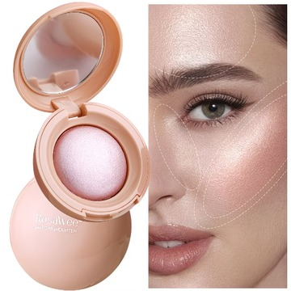
2 | 2nd product | https://mobile.yangkeduo.com/goods1.html?ps=XPyGEFtWEj | 王大可优选海购 | Wang Dake Selected Overseas Shopping | Full-English Cross-border GAGK Matte Dual-Use Powder for Wet & Dry Application, Natural Long-Lasting Setting Powder, Waterproof & Sweat-Resistant, Wholesale for Export | 全英文跨境 GAGK 哑光干湿两用粉饼，天然持久定妆粉，防水防汗，外贸批发 | GAGK Matte Dual-Use Powder | GAGK 哑光干湿两用粉饼 | ¥7.99 | ¥7.99 - ¥14.5 | 13K+ sold / 已售1.3万+ | 2,859 | 181K | 922K+ items sold in store / 店铺已拼92.2万+件 | Buy now, pay later; pay on delivery; 7-day hassle-free returns; instant refund if not shipped / 先用后付；货到付款；7天无忧退货；未发货极速退款 | Great service; Repeat customer; Fine powder texture | 服务好；回头客；粉质细腻 | Mainland China | 中国大陆 | 广东省 | Guangdong Province | No | 否 | 1095 days / 1095天 | Not visible in screenshots / 截图未显示 | 截图未显示 | Not visible in screenshots | 截图未显示 | Not visible in screenshots / 截图未显示 | Not visible in screenshots | 截图未显示 | Not visible in screenshots | 截图未显示 | Not visible in screenshots | 10g | 01#, 02# Suitable for all skin tones, 03#, 01+02, 01+03, 02+03, 01 (2 pieces), 02 (2 pieces), 03 (2 pieces) | 01#、02#适合所有肤色、03#、01+02、01+03、02+03、01（2件）、02（2件）、03（2件） | 10g variants: single shades 01#, 02# Suitable for all skin tones, 03# at ¥7.99; shade combinations 01+02, 01+03, 02+03 at ¥14.5; two-piece sets 01, 02, 03 at ¥14.5. | 10克规格：单色01#、02#适合所有肤色、03#为¥7.99；组合01+02、01+03、02+03为¥14.5；两件装01、02、03为¥14.5。 | 8 | Processed Product 2 only after user approval. Values extracted from visible screenshots; items not visible are marked accordingly. | 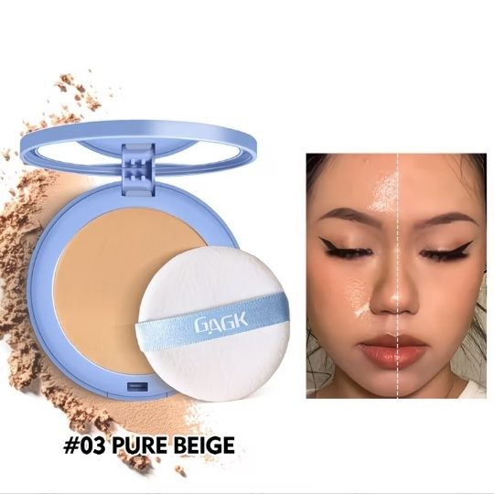
3 | 3rd product | https://mobile.yangkeduo.com/goods2.html?ps=qBq4XJbHHh | 王大可优选海购 | Wang Dake Selected Overseas Shopping | 6-Color Pearl Glitter Blush, 3D Embossed Highlighter - Bestseller for brightening with Pearl Shimmer, Full English Label, Cross-border Export Wholesale | 6色珠光闪粉腮红，3D压花高光，珠光细闪提亮爆款，全英文标，跨境外贸批发 | Rosalwee Baked Blusher / Pearl Blush | Rosalwee 烘焙腮红 / 珠光腮红 | ¥5.11 | ¥3.99 - ¥15.8 | 771 sold / 已售771 | 354 | 181K | 922K+ items sold in store / 店铺已拼92.2万+件 | Buy now, pay later; pay on delivery; 7-day hassle-free returns; instant refund if not shipped / 先用后付；货到付款；7天无忧退货；未发货极速退款 | Great service; Repeat customer; Works well; Affordable; Natural color | 服务好；回头客；好用；实惠；自然色 | Mainland China | 中国大陆 | 广东省 | Guangdong Province | No | 否 | 1095 days / 1095天 | Zhejiang G Cosmetic Network Record No. 2023023310 | 浙G妆网备字2023023310号（OCR） | Not visible in screenshots | 截图未显示 | Not visible in screenshots / 截图未显示 | Not visible in screenshots | 截图未显示 | Not visible in screenshots | 截图未显示 | Not visible in screenshots | Not visible in screenshots / 截图未显示 | 01#, 02#, 03#, 04#, 05#, 06#, 01+02, 01+03, 01+04, 02+03, 02+06, 04+06, 02+05, Pearl Blush | 01#、02#、03#、04#、05#、06#、01+02、01+03、01+04、02+03、02+06、04+06、02+05、珠光腮红 | Single shades: 01#-05# at ¥8.84, 06# at ¥5.11; shade sets: 01+02, 01+03, 01+04, 02+03, 02+06, 04+06, 02+05 at ¥15.8; Pearl Blush ¥3.99. | 单色：01#-05#为¥8.84，06#为¥5.11；组合：01+02、01+03、01+04、02+03、02+06、04+06、02+05为¥15.8；珠光腮红¥3.99。 | 9 | Processed Product 3 only after user approval. Values extracted from visible screenshots; uncertain OCR items marked with OCR. | 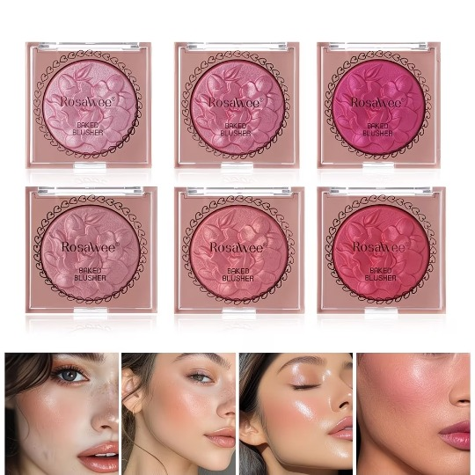
4 | 4th product | https://mobile.yangkeduo.com/goods2.html?ps=iYGKy3Jfm3 | 王大可优选海购 | Wang Dake Selected Overseas Shopping | Cross-border 6-color foundation liquid/cream, concealer for dark circles, wheat tone, full English packaging, wholesale for cross-border trade | 跨境6色粉底液/粉底霜，遮黑眼圈，小麦色，全英文包装，跨境贸易批发 | VILiLi Conceal Foundation Perfect 2-in-1 | VILiLi 遮瑕完美粉底液二合一 | ¥3.39 | ¥3.39 - ¥8.72 | 12K+ sold / 已售1.2万+ | 2,618 | 181K | 922K+ items sold in store / 店铺已拼92.2万+件 | Buy now, pay later; pay on delivery; 7-day hassle-free returns; instant refund if not shipped / 先用后付；货到付款；7天无忧退货；未发货极速退款 | Great service; Repeat customer; Works well; Great texture; Pleasant scent | 服务好；回头客；好用；质感好；香味好 | Mainland China | 中国大陆 | 广东省 | Guangdong Province | No | 否 | 1095 days / 1095天 | Not visible in screenshots / 截图未显示 | 截图未显示 | Not visible in screenshots | 截图未显示 | Not visible in screenshots / 截图未显示 | Not visible in screenshots | 截图未显示 | Not visible in screenshots | 截图未显示 | Not visible in screenshots | 20g / 0.71 fl oz | 01, 02, 03, 04, 05, 06, 01 [2-pack], 02 [2-pack], 03 [2-pack], 04 [2-pack], 05 [2-pack], 06 [2-pack] | 01、02、03、04、05、06、01[2支装]、02[2支装]、03[2支装]、04[2支装]、05[2支装]、06[2支装] | Single shades: 01 ¥3.39; 02-06 ¥4.99 each. Two-pack sets: 01-06 [2-pack] ¥8.72 each. | 单色：01 ¥3.39；02-06 每个¥4.99。两支装：01-06[2支装]每组¥8.72。 | 11 | Processed Product 4 after user approval. Values extracted from visible screenshots; link read from the sequence PDF. | 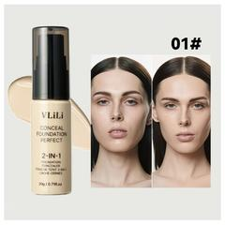
5 | 5th Product | https://mobile.yangkeduo.com/goods.html?ps=kAp@X9pCEp | 王大可优选海购 | Wang Dake Selected Overseas Shopping | Pearlescent Shimmering Matte Makeup Lipstick - Long-lasting, Non-fading, Natural Look, Moisturizing & Nourishing - Full English Label - Cross-border Trade Wholesale | 珠光闪亮哑光彩妆口红 - 持久不掉色，自然妆效，保湿滋养 - 全英文标签 - 跨境贸易批发 | lakerain Moisturizing Plumping Lip Gloss | lakerain 保湿丰唇唇彩 | ¥5.98 | ¥5.98 - ¥11.27 | 11K+ sold / 已售1.1万+ | 1,867 | 181K | 922K+ items sold in store / 店铺已拼92.2万+件 | Buy now, pay later; pay on delivery; 7-day hassle-free returns; instant refund if not shipped / 先用后付；货到付款；7天无忧退货；未发货极速退款 | Great service; Repeat customer; Works well; Affordable; Natural color | 服务好；回头客；好用；实惠；自然色 | Mainland China | 中国大陆 | 广东省 | Guangdong Province | No | 否 | Not visible in screenshots / 截图未显示 | Hunan G Makeup Network Filing No. 2026000354 | 湘G妆网备字2026000354号（OCR） | Hunan Shimei Biotechnology Co., Ltd. | 湖南施美生物科技有限公司 | Xiangzhuang 20220006 / 湘妆20220006 | Hunan Shimei Biotechnology Co., Ltd. | 湖南施美生物科技有限公司 | Building 2, Factory 301, Chenzhou Xinaodeli Electrical Appliances Co., Ltd., No. 112 Linyi Road, Bailutang Town, Chenzhou Section of China (Hunan) Pilot Free Trade Zone | 中国（湖南）自由贸易试验区郴州片区白露塘镇林邑路112号郴州鑫奥德利电器有限公司2栋301厂房 | Building 2, Factory 301, Chenzhou Xinaodeli Electrical Appliances Co., Ltd., No. 112 Linyi Road, Bailutang Town, Chenzhou Section of China (Hunan) Pilot Free Trade Zone | Not visible in screenshots / 截图未显示 | 01, 02, 04, 05, 06, 01+02, 04+05 (sold out), 05+06 (sold out); shade #03 is shown in gallery but not visible as a selectable option | 01、02、04、05、06、01+02、04+05（售罄）、05+06（售罄）；#03在图片中展示，但规格选择中未显示可选 | Single shades: 01 ¥6.79 (last 9 left), 02 ¥6.79 (last 4 left), 04 ¥6.79 (last 4 left), 05 ¥6.79, 06 ¥5.98 (last 7 left). Set: 01+02 ¥11.27 (last 1 left). Sets 04+05 and 05+06 ¥11.27 are sold out. | 单色：01 ¥6.79（剩9件）、02 ¥6.79（剩4件）、04 ¥6.79（剩4件）、05 ¥6.79、06 ¥5.98（剩7件）。组合：01+02 ¥11.27（剩1件）。04+05和05+06组合¥11.27已售罄。 | 10 | Processed Product 5 after user approval. Values extracted from visible screenshots; product link read from the sequence PDF; OCR-uncertain Chinese record/license fields marked OCR. | 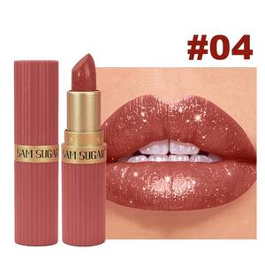
6 | 6th Product | https://mobile.yangkeduo.com/goods1.html?ps=Qjez4ACJ60 | 王大可优选海购 | Wang Dake Selected Overseas Shopping | Strawberry Nourishing Body Lotion - Moisturizing, Whitening, for Rough, Dry, Cracked Skin & Acne - Long-lasting Fragrance - All-English Label - Cross-border Trade Wholesale | 草莓滋养身体乳 - 保湿、美白，适用于粗糙、干燥、皲裂肌肤和痘痘肌 - 长效留香 - 全英文标签 - 跨境贸易批发 | Strawberry Nourishing Body Lotion | 草莓滋养身体乳 | ¥6.98 | ¥3.6 - ¥16.88 | 16K+ sold / 已售1.6万+ | 6,942 | 181K | 922K+ items sold in store / 店铺已拼92.2万+件 | Buy now, pay later; pay on delivery; 7-day hassle-free returns; instant refund if not shipped / 先用后付；货到付款；7天无忧退货；未发货极速退款 | Great service; Repeat customer; Works well; Affordable; Good product | 服务好；回头客；好用；实惠；商品好 | Other Overseas Regions | 其他海外地区 | 广东省 | Guangdong Province | Not visible in screenshots / 截图未显示 | 截图未显示 | 1080 days / 1080天 | Not visible in screenshots / 截图未显示 | 截图未显示 | Not visible in screenshots | 截图未显示 | Not visible in screenshots / 截图未显示 | Not visible in screenshots | 截图未显示 | Not visible in screenshots | 截图未显示 | Not visible in screenshots | 400ml | 400ml; Strawberry Hand Cream 80g; Strawberry Nourishing Body Lotion 1 bottle; Strawberry Nourishing Body Lotion 2 bottles; Strawberry Nourishing Body Lotion 3 bottles | 400ml；草莓护手霜80g；草莓滋养身体乳1瓶；草莓滋养身体乳2瓶；草莓滋养身体乳3瓶 | 400ml net content: Strawberry Hand Cream 80g ¥3.6; Strawberry Nourishing Body Lotion 1 bottle ¥6.98; 2 bottles ¥11.9; 3 bottles ¥16.88. Promo 2 pcs 9.9折 visible. | 400ml净含量：草莓护手霜80g ¥3.6；草莓滋养身体乳1瓶 ¥6.98；2瓶 ¥11.9；3瓶 ¥16.88。页面显示2件9.9折优惠。 | 4 | Processed Product 6 after user approval. Values extracted from visible screenshots; product link read from the sequence PDF image; product details are partly English on-screen, with Chinese UI/options translated. | 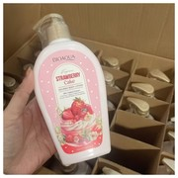
7 | 7th product | https://mobile.yangkeduo.com/goods.html?ps=NoS9IDReNm | 王大可优选海购 | Wang Dake Selected Overseas Shopping | Coconut Plant-Based Hair Mask - Large Capacity, Nourishing & Smoothing Essence for Volumizing Conditioner - Fully English Labeled, Cross-Border Export Wholesale | 椰子植物基发膜 - 大容量，滋养顺滑精华，用于丰盈护发素 - 全英文标签 - 跨境出口批发 | SADOER Coconut Oil Hair Mask | SADOER 椰子油发膜 | ¥2.97 | ¥2.97 - ¥11.99 | 18K+ sold / 已售1.8万+ | 8,106 | 181K | 922K+ items sold in store / 店铺已拼92.2万+件 | Buy now, pay later; pay on delivery; 7-day hassle-free returns; instant refund if not shipped / 先用后付；货到付款；7天无忧退货；未发货极速退款 | Great service; Repeat customer; Works well; Affordable; Great texture | 服务好；回头客；好用；实惠；质感好 | Not visible in screenshots | 截图未显示 | Not visible in screenshots | 截图未显示 | No | 否 | 1054 days / 1054天 | Not visible in screenshots / 截图未显示 | 截图未显示 | Not visible in screenshots | 截图未显示 | Not visible in screenshots / 截图未显示 | Not visible in screenshots | 截图未显示 | Not visible in screenshots | 截图未显示 | Not visible in screenshots | 500ml; 950g options visible; other bagged options visible | [Large Capacity More Convenient] 500ml; [Large Capacity More Convenient] 500ml-2 jars; Bagged 400ml; Bagged 400ml [2 bags]; [Practical Large Bottle] 950g*1; [1900g Coconut Plant Extract Family's First Choice] 950g*2 | 【大容量更方便】500ml；【大容量更方便】500ml-2罐；袋装400ml；袋装400ml【2袋】；【实用大瓶】950g*1；【1900g椰子植物萃取家庭首选】950g*2 | Visible prices: main page ¥2.97; active selector variants: [Large Capacity More Convenient] 500ml ¥6.7, 500ml-2 jars ¥11.99. Promo 2 pcs 9.9折 visible. Other grayed-out options are visible but their prices are not visible. | 可见价格：首页¥2.97；规格弹窗中可选项：【大容量更方便】500ml ¥6.7，500ml-2罐 ¥11.99。页面显示2件9.9折优惠。其他灰色规格可见但价格未显示。 | 5 | Processed Product 7 after user approval. Values extracted from visible screenshots; product link read from the sequence PDF image. Some selector options are grayed out, so prices were marked not visible where not shown. | 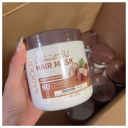
8 | 8th product | https://mobile.yangkeduo.com/goods1.html?ps=RX57IwF5yJ | 王大可优选海购 | Wang Dake Selected Overseas Shopping | YiLan Ultra-Fine Waterproof Long-Lasting Eyeliner Pen - Student-Friendly, Fully English Labeled, Cross-Border Trade Wholesale | YiLan 极细防水持久眼线液笔 - 学生适用 - 全英文标签 - 跨境贸易批发 | YiLan Ultra-Fine Waterproof Long-Lasting Eyeliner Pen | YiLan 极细防水持久眼线液笔 | ¥8.9 | ¥8.9 - ¥17.98 | 179 sold / 已售179 | 163 | 181K | 922K+ items sold in store / 店铺已拼92.2万+件 | Buy now, pay later; pay on delivery; 7-day hassle-free returns; instant refund if not shipped / 先用后付；货到付款；7天无忧退货；未发货极速退款 | Great service; Repeat customer; Works well; Natural color; Great texture | 服务好；回头客；好用；颜色自然；质感好 | Mainland China | 中国大陆 | Not visible in screenshots | Not visible in screenshots | No | 否 | 1090 days / 1090天 | Guangdong Cosmetics Record No. 2022316399 | 广东化妆品备案号：2022316399 | Not visible in screenshots | 截图未显示 | Not visible in screenshots / 截图未显示 | Not visible in screenshots | 截图未显示 | Not visible in screenshots | 截图未显示 | Not visible in screenshots | Eyeliner liquid; regular single item | Black + dark brown; Black + gray-brown; Dark brown + gray-brown; Black + black; Dark brown + dark brown; Gray-brown + gray-brown; Random black one piece; Random dark brown one piece; Random gray-brown one piece | 黑色+深棕色；黑色+灰棕色；深棕色+灰棕色；黑色+黑色；深棕色+深棕色；灰棕色+灰棕色；随机黑色单支；随机深棕色单支；随机灰棕色单支 | Two-piece limited-time random/offer combinations are ¥17.98; trial single-piece options: random black ¥9.56, random dark brown ¥9.56, random gray-brown ¥8.9. Promo 2 pcs 9.9折 visible. | 两支装限时随机价/限时特惠组合为¥17.98；试用单支：随机黑色¥9.56，随机深棕色¥9.56，随机灰棕色¥8.9。页面显示2件9.9折优惠。 | 2 | Processed Product 8 after user approval. Values extracted from visible screenshots; product link read from the sequence PDF image. Main product gallery shows one eyeliner image, duplicated once in enlarged viewer. | 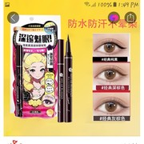
9 | 9th Product | https://mobile.yangkeduo.com/goods.html?ps=sQNHsEHihu | 王大可优选海购 | Wang Dake Selected Overseas Shopping | Full-English Cross-border Foreign Trade Wholesale Pure Pearlescent Lipstick - Fine Sparkle Glossy Finish, Moisturizing Long-lasting Hydrating Makeup | 全英文跨境外贸批发纯珠光口红 - 细闪亮泽妆效 - 滋润持久保湿彩妆 | SAM SUGAR Miss Lipstick | SAM SUGAR Miss 口红 | ¥5.5 | ¥5.5 - ¥28.98 | 13K+ sold / 已售1.3万+ | 4,020 | 181K | 922K+ items sold in store / 店铺已拼92.2万+件 | Buy now, pay later; pay on delivery; 7-day hassle-free returns; instant refund if not shipped / 先用后付；货到付款；7天无忧退货；未发货极速退款 | Great service; Repeat customer; Works well; Affordable; Natural color | 服务好；回头客；好用；实惠；自然色 | Mainland China | 中国大陆 | 广东省 | Guangdong Province | No | 否 | 1095 days / 1095天 | Not visible in screenshots / 截图未显示 | 截图未显示 | Not visible in screenshots | 截图未显示 | Not visible in screenshots / 截图未显示 | Not visible in screenshots | 截图未显示 | Not visible in screenshots | 截图未显示 | Not visible in screenshots | 4g | 7#, 8# (sold out), 9#, 10#, 11#, 12#, 11+12, 08+10, 09+10 (sold out), 6-piece set | 7#、8#（售罄）、9#、10#、11#、12#、11+12、08+10、09+10（售罄）、6支套装 | Single shades: 9# ¥5.5; 7#, 10#, 11#, 12# ¥6.78 each; 8# sold out/price not visible. Sets: 11+12 ¥11.58, 08+10 ¥11.58, 09+10 sold out/price not visible, 6-piece set ¥28.98. Promo 2 pcs 9.9折 visible. | 单支色号：9# ¥5.5；7#、10#、11#、12# 每支¥6.78；8#售罄/价格未显示。套装：11+12 ¥11.58，08+10 ¥11.58，09+10售罄/价格未显示，6支套装¥28.98。页面显示2件9.9折优惠。 | 10 | Processed Product 9 after user approval. Values extracted from visible screenshots; product link read from the sequence PDF image. Some sold-out options are included where visible. | 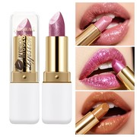
10 | 10th product | https://mobile.yangkeduo.com/goods.html?ps=7ItdxOJzMkx | 王大可优选海购 | Wang Dake Selected Overseas Shopping | All-English Cross-Border Portable Aluminum-Colored Deodorant Stick - Odor-Fighting, Body-Soothing, Dry-Feel, Fragrance-Enhancing Balm for Export Wholesale | 全英文跨境便携铝色除臭棒 - 抗异味、身体舒缓、干爽肤感、香味增强膏 - 外贸批发 | MELAO Discoloration Correcting Antiperspirant Deodorant Stick / MELAO Antiperspirant Deodorant Stick | MELAO 色素沉着改善止汗除臭棒 / MELAO 止汗除臭棒 | ¥9.18 | ¥6.79 - ¥11.89 | 11K+ sold / 已售1.1万+ | 1,792 | 181K | 922K+ items sold in store / 店铺已拼92.2万+件 | Buy now, pay later; pay on delivery; instant refund if not shipped; 7-day hassle-free returns / 先用后付；货到付款；未发货极速退款；7天无忧退货 | Great service; Repeat customer; Fresh scent; Well-packaged | 服务好；回头客；气味清新；包装好 | Mainland China | 中国大陆 | 广东省 | Guangdong Province | No | 否 | 1095 days / 1095天 | Not visible in screenshots / 截图未显示 | 截图未显示 | Not visible in screenshots | 截图未显示 | Not visible in screenshots / 截图未显示 | Not visible in screenshots | 截图未显示 | Not visible in screenshots | 截图未显示 | Not visible in screenshots | 45g; 50g; spray size not visible / 45g；50g；喷雾规格未显示 | 45g Color-Correcting Antiperspirant Stick (Tea Scent); 45g Color-Correcting Antiperspirant Stick (Fresh Floral); 45g Women's Antiperspirant Deodorant Stick (Orange Dream); 45g Women's Antiperspirant Deodorant Stick (Gardenia); [Velvet Rose + Oud Wood] 45g Deodorant; [Lavender] 50g Antiperspirant Deodorant; [Strawberry] 50g Antiperspirant Deodorant; Antiperspirant Deodorant Spray | 45g 修色止汗除臭棒（茶香）；45g 修色止汗除臭棒（清新花香）；45g 女士止汗除臭棒（橙梦）；45g 女士止汗除臭棒（栀子花）；【丝绒玫瑰+沉香木】45g 除臭棒；【薰衣草】50g 止汗除臭膏；【草莓】50g 止汗除臭膏；止汗除臭喷雾 | Tea Scent, Fresh Floral, Orange Dream, and Gardenia are ¥11.58 each; Velvet Rose + Oud Wood is ¥11.89; Lavender 50g and Strawberry 50g are ¥9.18 each; Antiperspirant Deodorant Spray is ¥6.79. Promo visible: 2 pcs 9.9折; selected stick options show "will soon restore to ¥15". | 茶香、清新花香、橙梦、栀子花均为¥11.58；丝绒玫瑰+沉香木为¥11.89；薰衣草50g、草莓50g均为¥9.18；止汗除臭喷雾为¥6.79。页面显示2件9.9折；部分棒状款显示即将恢复15元。 | 10 | Processed Product 10 after user approval. Values extracted from visible screenshots; product link read from the sequence PDF. Some long titles are translated from the English screenshot text and Chinese UI labels. | 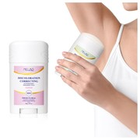
11 | 11th product | https://mobile.yangkeduo.com/goods1.html?ps=YSWxKqh1RR | 王大可优选海购 | Wang Dake Selected Overseas Shopping | Cross-border 12-color lip gloss – nude pink, dark shades, non-transferable matte finish, long-lasting color, velvety texture, nude to true red | 跨境12色唇彩——裸粉色、深色系，不沾杯哑光妆效，持久显色，丝绒质地，从裸色到正红色 | MATTE LIPGLOSS / 12-Color Lip Gloss | 哑光唇釉 / 12色唇彩 | ¥4.5 | ¥4.5 - ¥6.99 | 58 sold / 已售58 | 43 | 181K | 922K+ items sold in store / 店铺已拼92.2万+件 | Buy now, pay later; pay on delivery; instant refund if not shipped; 7-day hassle-free returns / 先用后付；货到付款；未发货极速退款；7天无忧退货 | Great service; Repeat customer; Works well; Natural color; Beautiful | 服务好；回头客；好用；颜色自然；漂亮 | Mainland China | 中国大陆 | Not visible in screenshots | 截图未显示 | No | 否 | 1095 days / 1095天 | Not visible in screenshots / 截图未显示 | 截图未显示 | Not visible in screenshots | 截图未显示 | Not visible in screenshots / 截图未显示 | Not visible in screenshots | 截图未显示 | Not visible in screenshots | 截图未显示 | Not visible in screenshots | 2.5ml | #01 Nude, #02 Rose, #03 Creamy, #04 Peachy, #05 Coral, #06 Bright red, #07 Chili, #08 Crimson, #09 Rust, #10 Caramel, #11 Berry, #12 Plum | #01 裸色、#02 玫瑰色、#03 奶油色、#04 蜜桃色、#05 珊瑚色、#06 亮红色、#07 辣椒红、#08 深红色、#09 铁锈红、#10 焦糖色、#11 浆果色、#12 李子色 | Selected visible variant: #04 Peachy, 2.5ml, limited low price ¥4.5, last 2 left. Page shows original/restore price ¥6.99 and 2 pcs 9.9折 promo. Other shade prices are not visible in screenshots. | 可见已选规格：#04蜜桃色，2.5ml，限量低价¥4.5，仅剩2件。页面显示原价/恢复价¥6.99，以及2件9.9折优惠。其他色号价格截图未显示。 | 12 | Processed Product 11 after user approval. Values extracted from visible screenshots; product link read from the sequence PDF image. Texture visible in specs: Velvet / 丝绒。
12 | 12th album | https://mobile.yangkeduo.com/goods2.html?ps=ew6Oz33po4 | 王大可优选海购 | Wang Dake Selected Overseas Shopping | Full-English Cross-border Hair Care Set - Smoothing Shampoo, Hair Treatment Mask, Silk-like Conditioner for Hair - Wholesale for Export | 全英文跨境护发套装——顺滑洗发水、发膜、丝滑护发素，外贸批发 | Argan Oil Hair Care Set: Hair Mask, Shampoo, Conditioner | 摩洛哥坚果油护发套装：发膜、洗发水、护发素 | ¥9.99 | ¥9.99 - ¥49.9 | 10K+ sold / 已售1万+ | 70 | Not visible in screenshots / 截图未显示 | 922K+ items sold in store / 店铺已拼92.2万+件 | Instant refund if not shipped; 7-day hassle-free returns / 未发货极速退款；7天无忧退货 | Smells great; Very fragrant; Rich foam; Guests love this; Hair mask very good; High-potential store; Loved by 5K+ shoppers | 味道好；很香；泡沫丰富；客人喜欢；发膜很好；高潜力店铺；5千+买家喜欢 | Mainland China | 中国大陆 | 广东省 | Guangdong Province | No | 否 | Not visible in screenshots / 截图未显示 | Not visible in screenshots | 截图未显示 | Not visible in screenshots | 截图未显示 | Not visible in screenshots / 截图未显示 | Not visible in screenshots | 截图未显示 | Not visible in screenshots | 截图未显示 | Not visible in screenshots | Hair mask 1000ml; shampoo/conditioner bottle size visible on packaging, exact variant net content not shown in selector | HAIR MASK; SHAMPOO; CONDITIONER; SHAMPOO + CONDITIONER; HAIR MASK [2 cans]; SHAMPOO [2 bottles]; CONDITIONER [2 bottles]; SHAMPOO 2 bottles + CONDITIONER 2 bottles [Family Pack] | 发膜；洗发水；护发素；洗发水+护发素；发膜[2罐]；洗发水[2瓶]；护发素[2瓶]；洗发水2瓶+护发素2瓶[家庭装] | HAIR MASK ¥9.99; SHAMPOO ¥15.9; CONDITIONER ¥15.9; SHAMPOO + CONDITIONER ¥28.9; HAIR MASK [2 cans] ¥18.9; SHAMPOO [2 bottles] ¥28.9; CONDITIONER [2 bottles] ¥28.9; SHAMPOO 2 bottles + CONDITIONER 2 bottles [Family Pack] ¥49.9. Promo shown: 2 pcs 9.9折; Buy Alone ¥20. | 发膜¥9.99；洗发水¥15.9；护发素¥15.9；洗发水+护发素¥28.9；发膜[2罐]¥18.9；洗发水[2瓶]¥28.9；护发素[2瓶]¥28.9；洗发水2瓶+护发素2瓶[家庭装]¥49.9。显示优惠：2件9.9折；单独购买¥20。 | 8 | Processed Product 12 after user approval. Values extracted from visible screenshots; product link read from the sequence PDF image. Floating video overlay was ignored during product-image cropping.
13 | 13th product | https://mobile.yangkeduo.com/goods.html?ps=Sw8HpA@MXj | 王大可优选海购 | Wang Dake Selected Overseas Shopping | Fruit Bath Salt Scrub with Coconut & Coffee - Exfoliating Cleanser for Skin Moisturizing, All-English Label, Cross-border Trade Wholesale | 椰子咖啡身体浴盐磨砂膏——去角质清洁保湿，全英文标签，跨境外贸批发 | Zhiduo Niacinamide Exfoliating Skin Renewal Gel / SADOER Bath Salt Scrub 350g | 植朵烟酰胺去角质焕肤凝胶 / SADOER浴盐磨砂膏350g | ¥3.99 | ¥6.4 - ¥23.5 | 14K+ sold / 已售1.4万+ | 4,318 | 181K | 922K+ items sold in store / 店铺已拼92.2万+件 | Buy Now, Pay Later; pay on delivery; instant refund if not shipped; 7-day hassle-free returns / 先用后付；货到付款；未发货极速退款；7天无忧退货 | Works well; Good product; Great service; Repeat customer; High-potential store; Loved by 5K+ shoppers | 好用；好产品；服务好；回头客；高潜力店铺；5千+买家喜欢 | Mainland China | 中国大陆 | 广东省 | Guangdong Province | No | 否 | 1000 days / 1000天 | Guangdong Cosmetics Record No. 2023270442 | Guangdong Cosmetics Record No. 2023270442（截图英文显示） | Xingfu Biotechnology (Guangdong) Co., Ltd. | 幸福生物科技（广东）有限公司 | Guangdong Cosmetics 20230009 | Xingfu Biotechnology (Guangdong) Co., Ltd. | 幸福生物科技（广东）有限公司 | Sihui City Xiamao Town Industrial Cluster Development Zone Self-numbered No. 15-1 | 四会市下茆镇产业集聚发展区自编15-1号 | Sihui City Xiamao Town Industrial Cluster Development Zone Self-numbered No. 15-1 | 350g per bottle / 每瓶350g | Coconut 350g x 1 bottle; Coconut 350g x 2 bottles; Coconut + Coffee x 1 bottle each; Coffee 350g x 1 bottle; Coffee 350g x 2 bottles; Orange 350g x 1 bottle; Orange + Coffee x 1 bottle each; Grape 350g x 1 bottle; Grape + Coffee x 1 bottle each; Coffee + Coconut + Grape + Orange; Rose 350g x 1 bottle; Rose + Coffee x 1 bottle each; Green Tea 350g x 1 bottle; Green Tea + Coffee x 1 bottle each; Pearl 350g x 1 bottle; Pearl 350g x 2 bottles | 椰子350g×1瓶；椰子350g×2瓶；椰子+咖啡各1瓶；咖啡350g×1瓶；咖啡350g×2瓶；橙子350g×1瓶；橙子+咖啡各1瓶；葡萄350g×1瓶；葡萄+咖啡各1瓶；咖啡+椰子+葡萄+橙子；玫瑰350g×1瓶；玫瑰+咖啡各1瓶；绿茶350g×1瓶；绿茶+咖啡各1瓶；珍珠350g×1瓶；珍珠350g×2瓶 | Main display price ¥3.99. Selector prices: Coconut 350g x 1 ¥6.64; Coconut x 2 ¥12.5; Coconut + Coffee each ¥12.5; Coffee 350g x 1 ¥6.64; Coffee x 2 ¥12.5; Orange 350g x 1 ¥6.66; Orange + Coffee each ¥12.5; Grape 350g x 1 ¥6.66; Grape + Coffee each ¥12.5; Coffee + Coconut + Grape + Orange ¥23.5; Rose 350g x 1 ¥6.66; Rose + Coffee each ¥12.5; Green Tea 350g x 1 ¥6.66; Green Tea + Coffee each ¥12.5; Pearl 350g x 1 ¥6.4 sold out; Pearl x 2 ¥12.5 sold out. Promo shown: 2 pcs 9.9折. | 页面主价¥3.99。规格价：椰子350g×1瓶¥6.64；椰子×2瓶¥12.5；椰子+咖啡各1瓶¥12.5；咖啡350g×1瓶¥6.64；咖啡×2瓶¥12.5；橙子350g×1瓶¥6.66；橙子+咖啡各1瓶¥12.5；葡萄350g×1瓶¥6.66；葡萄+咖啡各1瓶¥12.5；咖啡+椰子+葡萄+橙子¥23.5；玫瑰350g×1瓶¥6.66；玫瑰+咖啡各1瓶¥12.5；绿茶350g×1瓶¥6.66；绿茶+咖啡各1瓶¥12.5；珍珠350g×1瓶¥6.4已抢光；珍珠×2瓶¥12.5已抢光。显示优惠：2件9.9折。 | 4 | Processed Product 13 after user approval. Values extracted from visible screenshots; product link read from sequence PDF. Note: page main price ¥3.99 differs from selector variant price range ¥6.4-¥23.5.
14 | 14th product | https://mobile.yangkeduo.com/goods.html?ps=RIo3XzF@FI | 王大可优选海购 | Wang Dake Selected Overseas Shopping | Bestselling Baking Powder Highlighter - Natural Brightening, Matte Finish, Pore-Minimizing & Volumizing Effect - All-English Labeling - Cross-border Trade Wholesale | 爆款烘焙粉高光——自然提亮、哑光妆效、细致毛孔与丰盈效果，全英文标签，跨境外贸批发 | Miss Lara 16 Color Eyeshadow Palette 01 | Miss Lara 16色眼影盘01（规格页显示名称） | ¥4.78 | ¥3.98 - ¥15.66 | 83 sold / 已售83 | 48 | 181K | 922K+ items sold in store / 店铺已拼92.2万+件 | Buy Now, Pay Later; pay on delivery; instant refund if not shipped / 先用后付；货到付款；未发货极速退款 | Great service; Repeat customer; Works well; Affordable; Natural color | 服务好；回头客；好用；实惠；自然色 | Mainland China | 中国大陆 | Not shown in visible screenshots | 截图未显示 | No | 否 | 1095 days / 1095天 | Zhejiang G Cosmetic Network Record No. 2023027811 | Zhejiang G Cosmetic Network Record No. 2023027811（截图英文显示） | Dongyang City Kecai Cosmetics Co., Ltd. | 东阳市科彩化妆品有限公司（英文截图译名） | Zhejiang Cosmetics 20200001 | Dongyang City Kecai Cosmetics Co., Ltd. | 东阳市科彩化妆品有限公司（英文截图译名） | No. 171, Xingye Street, Changsonggang Industrial Area, Liushi Street, Dongyang City, Zhejiang Province | 浙江省东阳市六石街道长松岗工业区兴业街171号 | No. 171, Xingye Street, Changsonggang Industrial Area, Liushi Street, Dongyang City, Zhejiang Province | Not specified in visible screenshots / 截图未显示 | 01#; 02#; 03#; 04#; 05#; 06#; 01+05; 01+03; 01+04; Two-tone matte and glossy | 01#；02#；03#；04#；05#；06#；01+05；01+03；01+04；双色哑光与珠光/亮面 | Main display price ¥4.78; item sold count 83. Selector prices: 01# ¥8.39; 02# ¥4.78; 03# ¥8.39; 04# ¥8.39; 05# ¥8.39; 06# ¥8.39; 01+05 ¥15.66; 01+03 ¥15.66; 01+04 ¥15.66; Two-tone matte and glossy ¥3.98. Promo shown: 2 pcs 9.9折. | 页面主价¥4.78；商品已售83。规格价：01# ¥8.39；02# ¥4.78；03# ¥8.39；04# ¥8.39；05# ¥8.39；06# ¥8.39；01+05 ¥15.66；01+03 ¥15.66；01+04 ¥15.66；双色哑光与珠光/亮面¥3.98。显示优惠：2件9.9折。 | 11 | Processed Product 14 after user approval. Values extracted from visible screenshots using OCR and layout analysis; product link read from the sequence PDF. Note: detail sheet product name appears as Miss Lara 16 Color Eyeshadow Palette 01 while the sale title is Baking Powder Highlighter.
15 | 15th product | https://mobile.yangkeduo.com/goods2.html?ps=DBhz7zICTh | 王大可优选海购 | Wang Dake Selected Overseas Shopping | Collagen Hydrating & Moisturizing Soothing Brightening Facial Mask Pads - 3 Colors in Jar for Wet Compress Application | 胶原蛋白补水保湿舒缓提亮面膜垫——3色罐装，可湿敷使用 | Zhiduo Camellia Flower Extract Hydrating Mask | 植朵山茶花提取物补水面膜 | ¥11.8 | ¥3.79 - ¥54.9 | 11K+ sold / 已售1.1万+ | 1,494 | 181K | 922K+ items sold in store / 店铺已拼92.2万+件 | Instant refund if not shipped; 7-day hassle-free returns / 未发货极速退款；7天无理由退货 | Great service; Repeat customer; Works well; Great texture; Well-packaged | 服务好；回头客；好用；质地好；包装好 | Mainland China | 中国大陆 | 广东省 | Guangdong Province | No | 否 | Not shown in visible screenshots / 截图未显示 | Guangdong Cosmetics Record No. 2023282254 | 粤G妆网备字2023282254（OCR/截图识别） | Xingfu Biotechnology (Guangdong) Co., Ltd. | 幸福生物科技（广东）有限公司 | Guangdong Cosmetics 20230009 | Xingfu Biotechnology (Guangdong) Co., Ltd. | 幸福生物科技（广东）有限公司 | Sihui City Xiamo Town Industrial Cluster Development Zone Self-numbered No. 15-1 | 四会市下茆镇工业集聚发展区自编号15-1 | Sihui City Xiamo Town Industrial Cluster Development Zone Self-numbered No. 15-1 | 1 tablet; 4 tablets; or bottle of 60 tablets depending on variant / 根据规格：1片、4片或1瓶60片 | Bio Pink Collagen Mask 1 tablet [no box]; Bio Pink Collagen Elasticity 4 tablets [no box]; Blue Soothing Hydrating (1 bottle/60 tablets); Pink Collagen Elasticity (1 bottle/60 tablets); Yellow Brightening Hydrating (1 bottle/60 tablets); Green Soothing Hydrating (1 bottle/60 tablets); 2-bottle bundles: Pink+Blue, Pink+Yellow, Blue+Yellow, Blue+Green, Pink+Green, Yellow+Green; 3-bottle bundles: Pink+Blue+Yellow, Blue+Yellow+Green; 4-bottle set: one bottle of each color. | Bio粉色胶原蛋白面膜1片[无盒]；Bio粉色胶原弹力4片[无盒]；蓝色舒缓补水（1瓶/60片）；粉色胶原弹力（1瓶/60片）；黄色亮肤补水（1瓶/60片）；绿色舒缓补水（1瓶/60片）；2瓶组合：粉+蓝、粉+黄、蓝+黄、蓝+绿、粉+绿、黄+绿；3瓶组合：粉+蓝+黄、蓝+黄+绿；4瓶套装：四色各1瓶。 | Main display price ¥11.8; 11K+ sold. Selector prices: Pink mask 1 tablet [no box] ¥3.79; Pink collagen elasticity 4 tablets [no box] ¥11.8; single 60-tablet bottles (Blue/Pink/Yellow/Green) ¥14.79 each; 2-bottle bundles ¥27.79; 3-bottle bundles ¥41.99; four-color 4-bottle set ¥54.9. Promo shown: 2 pcs 9.9折. | 页面主价¥11.8；已售1.1万+。规格价：粉色面膜1片[无盒]¥3.79；粉色胶原弹力4片[无盒]¥11.8；单瓶60片（蓝/粉/黄/绿）各¥14.79；2瓶组合¥27.79；3瓶组合¥41.99；四色4瓶套装¥54.9。显示优惠：2件9.9折。 | 9 | Processed Product 15 after user approval. Values extracted from visible screenshots using OCR and layout analysis; product link read from the sequence PDF. Membrane material visible in specifications: Non-woven fabric. Applicable skin type: Neutral, all skin types; applicable people: adults excluding pregnant and lactating women; packaging method: bottled.
16 | 16th product | https://mobile.yangkeduo.com/goods1.html?ps=zXT@rU1il& | 王大可优选海购 | Wang Dake Selected Overseas Shopping | European & American-style Long-lasting Lipstick with Lip Liner Brush, Glossy Finish, Full English Label - Cross-border Trade Wholesale | 欧美风持久口红，带唇线刷，亮泽妆效，全英文标签，跨境贸易批发 | Lip Contour Stain - Long-lasting Lip Stain & Lip Liner | 唇部轮廓染色笔——持久唇釉/唇线笔 | ¥6.99 | ¥6.99 - ¥11.9 | 9,859 sold / 已售9859 | 232 | 181K | 922K+ items sold in store / 店铺已拼92.2万+件 | Buy now, pay later; pay on delivery; instant refund if not shipped; 7-day hassle-free returns / 先用后付；货到付款；未发货极速退款；7天无理由退货 | Great service; Repeat customer; Natural color | 服务好；回头客；颜色自然 | Mainland China | 中国大陆 | 广东省 | Guangdong Province | No | 否 | Not shown in visible screenshots / 截图未显示 | Not shown in visible screenshots / 截图未显示 | 截图未显示 | Not shown in visible screenshots | 截图未显示 | Not shown in visible screenshots / 截图未显示 | Not shown in visible screenshots | 截图未显示 | Not shown in visible screenshots | 截图未显示 | Not shown in visible screenshots | 1 lipstick/lip liner pen or 2-piece bundle depending on selected variant / 根据规格为1支唇线笔或2支组合 | Single styles: 01 Baby Pink, 02 Rosewood, 03 Cherry Red, 04 Soft Nude, 05 Indian Brown, 06 Toasty Brown, 07 Cinnamon, 08 Rich Brown. 2-piece bundles: 01+02, 03+04, 05+06, 07+08. | 单支色号：01 婴儿粉、02 玫瑰木色、03 樱桃红、04 柔和裸色、05 印度棕、06 烘烤棕、07 肉桂色、08 浓棕色。2支组合：01+02、03+04、05+06、07+08。 | Main display price ¥6.99; was ¥12.9; 9,859 sold. Selector prices: styles 01-08 are ¥6.99 each; bundles 01+02, 03+04, 05+06 and 07+08 are ¥11.9 each. Promo shown: price will restore to ¥12.9 soon; 2 pcs 9.5折. | 页面主价¥6.99；原价/划线价¥12.9；已售9859。规格价：01-08单支各¥6.99；01+02、03+04、05+06、07+08组合各¥11.9。显示优惠：即将恢复¥12.9；2件9.5折。 | 9 | Processed Product 16 after user approval. Values extracted from visible screenshots using OCR-assisted layout analysis; product link read from the sequence PDF. Product uses English marketing images: LIP CONTOUR STAIN, easy-to-use long-lasting lip stain & lip liner, 12HR kiss-proof, easy to overline, ultra-pigmented, transfer-free, smudge & transfer proof. Specifications visible: Origin Mainland China; Ship from Guangdong Province; Special Purpose Cosmetics: No.
17 | 17th product | https://mobile.yangkeduo.com/goods1.html?ps=hEzdW@YJaH | 王大可优选海购 | Wang Dake Selected Overseas Shopping | 6-Color Pearlescent Blush Palette with Fine Shimmer for Natural Brightening, Highlighting & Contouring - Multicolor Blush Set in Full English Label - Cross-border Trade Wholesale | 6色珠光细闪腮红盘，用于自然提亮、高光与修容——多色腮红套装，全英文标签，跨境贸易批发 | Rosalwee Baked Blusher / 6-Color Pearlescent Blush Palette | Rosalwee 烘焙腮红 / 6色珠光腮红盘 | ¥3.99 | ¥3.99 - ¥15.8 | 10 sold / 已售10 | 5 | 181K | 922K+ items sold in store / 店铺已拼92.2万+件 | Buy now, pay later; pay on delivery; instant refund if not shipped; 7-day hassle-free returns / 先用后付；货到付款；未发货极速退款；7天无理由退货 | Great service; Repeat customer; Works well; Affordable; Natural color | 服务好；回头客；效果好；实惠；颜色自然 | Mainland China | 中国大陆 | Not shown in visible screenshots / 截图未显示 | Not shown in visible screenshots / 截图未显示 | No | 否 | 1095 days / 1095天 | Zhejiang Cosmetic Network Record No. 2023023310 | 浙G妆网备字2023023310（OCR识别） | Not shown in visible screenshots | 截图未显示 | Not shown in visible screenshots / 截图未显示 | Not shown in visible screenshots | 截图未显示 | Not shown in visible screenshots | 截图未显示 | Not shown in visible screenshots | Not shown in visible screenshots / 截图未显示 | Shade 1, Shade 2, Shade 3, Shade 4, Shade 5, Shade 6, Pearl blush, and store-priority-shipping bundles. | 色号1、色号2、色号3、色号4、色号5、色号6、Pearl blush，以及店铺优先发货组合规格。 | Main display price ¥3.99; selector includes Pearl blush ¥3.99, Shade 1-5 + Super value ¥8.84, Shade 6 + Super value ¥5.11, and priority-shipping shade bundles at ¥15.8. Promo shown: 2 pcs 9.9折. | 页面主价¥3.99；规格中包含 Pearl blush ¥3.99、色号1-5+超值装各¥8.84、色号6+超值装¥5.11，以及优先发货色号组合¥15.8。显示优惠：2件9.9折。 | 9 | Processed Product 17 after user approval. Values extracted from visible screenshots using OCR-assisted layout analysis; product link read from the sequence PDF. Visible title, reviews, store data, specs and variant selector screenshots were used. Specifications visible: Origin Mainland China; Special Purpose Cosmetics: No; Makeup Effect: Matte; Shelf Life 1095 days; Cosmetic Approval Record No. 2023023310.
18 | 18th product | https://mobile.yangkeduo.com/goods.html?ps=EArIczgtD8 | 王大可优选海购 | Wang Dake Selected Overseas Shopping | Cross-border Liquid Blush 12ml, versatile nude color, European & American style blush for eyes and lips, pinkish tone, full English packaging, wholesale for cross-border trade | 跨境液体腮红12ml，百搭裸色，欧美风眼唇两用腮红，粉调，全英文包装，跨境外贸批发 | Liquid Blush 12ml / GECOMO Light and Soft Focus Powder Foundation 01 Ivory Shade (visible specification) | 液体腮红12ml / GECOMO柔焦粉底液01象牙色（规格页可见） | ¥3.95 | ¥3.95 - ¥9.44 | 10K+ sold / 已售1万+ | 856 | 181K | 922K+ items sold in store / 店铺已拼92.2万+件 | Buy now, pay later; pay on delivery; instant refund if not shipped; 7-day hassle-free returns / 先用后付；货到付款；未发货极速退款；7天无理由退货 | Great service; Repeat customer; Natural color; Good product | 服务好；回头客；颜色自然；商品好 | Mainland China | 中国大陆 | 广东省 | Guangdong Province | No | 否 | Not shown in visible screenshots / 截图未显示 | Guangdong G Cosmetic Record No. 2024323628 | 粤G妆网备字2024323628（OCR识别） | Shantou Xierui Fine Chemicals Co., Ltd. | 汕头市纤瑞精细化工有限公司 | Guangdong Cosmetics 20200176 / 粤妆20200176 | Shantou Xierui Fine Chemicals Co., Ltd. | 汕头市纤瑞精细化工有限公司 | Tangwei Gou Shangyang, Heping, Chaoyang, Shantou | 汕头市潮阳区和平镇塘围沟上洋（OCR识别/翻译） | Tangwei Gou Shangyang, Heping, Chaoyang, Shantou | 12ml / 12毫升 | 01, 02, 03 and 04 Liquid Blush shades; visible 2-piece bundles for 02, 03, 04 and 03+04; #01 appears in gallery but its individual selector price is not fully visible. | 01、02、03、04液体腮红色号；可见02、03、04及03+04等2件组合；#01在图片中出现，但单品规格价格未完整显示。 | Main display price ¥3.95. Visible selector prices: 02# Liquid Blush ¥5.99; 03# Liquid Blush ¥3.95; 04# Liquid Blush ¥5.99; 02# 2 pieces ¥9.44; 03# 2 pieces ¥9.44; 04# 2 pieces ¥9.44; 03+04 bundle ¥9.44. Promo shown: 2 pcs 9.9折; pre-order ships before 06月23日. | 页面主价¥3.95。可见规格价：02#液体腮红¥5.99；03#液体腮红¥3.95；04#液体腮红¥5.99；02# 2件¥9.44；03# 2件¥9.44；04# 2件¥9.44；03+04组合¥9.44。显示优惠：2件9.9折；预售06月23日前发货。 | 8 | Processed Product 18 after user approval. Values extracted from visible screenshots using OCR-assisted layout analysis; product link read from the sequence PDF. Specifications visible: Function brighten skin tone/enhance complexion; Specification Type regular single item; Origin Mainland China; Ship from Guangdong Province; Special Purpose Cosmetics: No; Glossy: Matte; Physical Form: Liquid; Number of Colors: 4; Packaging: Standard Packaging; Cosmetic Approval Record No. 2024323628; Manufacturer/Registrant: Shantou Xierui Fine Chemicals Co., Ltd.; Production License No. Guangdong Cosmetics 20200176. | 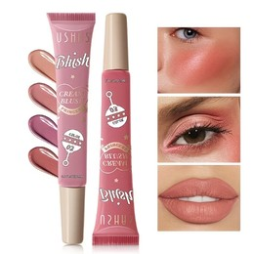
19 | 19th product | https://mobile.yangkeduo.com/goods1.html?ps=FXOnOTKNgY | 王大可优选海购 | Wang Dake Selected Overseas Shopping | Super Shimmer Chameleon Eyeshadow - Pearlescent Liquid Eye Shadow with Iridescent Fine Glitter for Stage Makeup, Under-Eye Contouring - Fully English Labeled, Cross-Border Trade Wholesale | 超闪变色龙眼影——珠光液体眼影，带虹彩细闪，用于舞台妆和下眼影修容；全英文标签，跨境贸易批发 | SAM SUGAR Super Shimmer Chameleon Liquid Eyeshadow, 3mL | SAM SUGAR 超闪变色龙液体眼影，3ml | ¥8.9 | ¥8.9 - ¥16.99 | 9851 sold / 已售9851 | 310 | 181K | 922K+ items sold in store / 店铺已拼92.2万+件 | Buy now, pay later; pay on delivery; 7-day hassle-free returns / 先用后付；货到付款；7天无忧退货 | Great service; Repeat customer; Affordable; Natural color; High-Potential Store; Loved by 5K+ shoppers | 服务好；回头客；实惠；颜色自然；高潜力店铺；5千+买家喜欢 | Mainland China | 中国大陆 | Not shown in visible screenshots / 截图未显示 | Not shown in visible screenshots / 截图未显示 | No | 否 | 1800 days / 1800天 | Not shown in visible screenshots | 截图未显示 | Not shown in visible screenshots | 截图未显示 | Not shown in visible screenshots | Not shown in visible screenshots | 截图未显示 | Not shown in visible screenshots | 截图未显示 | Not shown in visible screenshots | 3mL / 3ml | 01# 3mL, 02# 3mL, 03# 3mL, 04# 3mL (sold out/just grabbed), 05# 3mL, 06# 3mL, 01+02 bundle (sold out/just grabbed), 05+06 bundle. | 01# 3ml、02# 3ml、03# 3ml、04# 3ml（刚刚抢光/售罄）、05# 3ml、06# 3ml、01+02组合（刚刚抢光/售罄）、05+06组合。 | Main displayed price ¥8.9, was ¥15. Single-color 3mL variants 01#, 02#, 03#, 05#, 06# show limited low price ¥8.9. 05+06 3mL bundle shows ¥16.99. 04# and 01+02 bundle appear greyed/out of stock. Promo shown: 2 pcs 9.9折; limited-stock tags show last 6/4/1/6/6/2 left depending on variant. | 页面主价¥8.9，原价¥15。单色3ml规格01#、02#、03#、05#、06#显示限量低价¥8.9；05+06 3ml组合显示¥16.99。04#与01+02组合显示灰色/刚刚抢光。页面显示优惠：2件9.9折；不同规格显示仅剩6/4/1/6/6/2件。 | 9 | Processed Product 19 after user approval. Values extracted from visible screenshots using OCR-assisted layout analysis; product link read from the sequence PDF. Specifications visible: Origin Mainland China; Special Purpose Cosmetics: No; Shelf Life & Expiration Date: 1800 days. Review screenshots show 310 item reviews, 181K store reviews, 9851 sold, and store 王大可优选海购.
20 | 20th product | https://mobile.yangkeduo.com/goods1.html?ps=lo3TN6hG7I | 王大可优选海购 | Wang Dake Selected Overseas Shopping | Highlighter with Fine Shimmer for Natural Contour Enhancement, European-American Glow Effect, Full English Label, Cross-border Trade Wholesale - Rosalwee | Rosalwee 高光细闪修容提亮粉饼，自然修容提亮，欧美光泽效果，全英文标签，跨境贸易批发 | Miss Lara 16 Color Eyeshadow Palette 01 (visible in specification panel) | Miss Lara 16色眼影盘01（规格页可见） | ¥4.78 | ¥3.99 - ¥15.66 | 260 sold / 已售260 | 158 | 181K | 922K+ items sold in store / 店铺已拼92.2万+件 | Buy now, pay later; pay on delivery; instant refund if not shipped; 7-day hassle-free returns / 先用后付；货到付款；未发货极速退款；7天无理由退货 | Great service; Repeat customer; Works well; Affordable; Natural color | 服务好；回头客；好用；实惠；颜色自然 | Mainland China | 中国大陆 | 广东省 | Guangdong Province | No | 否 | 1095 days / 1095天 | Zhejiang G Cosmetic Network Record No. 2023027811 | 浙G妆网备字2023027811号（OCR识别） | Dongyang City Kecai Cosmetics Co., Ltd. | 东阳市珂彩化妆品有限公司 | Zhejiang Cosmetics 20200001 / 浙妆20200001 | Dongyang City Kecai Cosmetics Co., Ltd. | 东阳市珂彩化妆品有限公司 | No. 171, Xingye Street, Changsonggang Industrial Area, Liushi Street, Dongyang City, Zhejiang Province | 中国浙江省东阳市六石街道长松岗工业区兴业街171号 | No. 171, Xingye Street, Changsonggang Industrial Area, Liushi Street, Dongyang City, Zhejiang Province | 9g | 01, 02, 03, 04, 05, 06, 01+05, 01+04, 01+03, Highlighter | 01、02、03、04、05、06、01+05、01+04、01+03、Highlighter | Main displayed price ¥4.78; 260 sold. 9g single shades: 01 ¥8.39, 02 ¥4.78, 03 ¥8.39, 04 ¥8.39, 05 ¥8.39, 06 ¥8.39. 9g shade bundles: 01+05, 01+04, 01+03 each ¥15.66. Highlighter option ¥3.99. Promo shown: 2 pcs 9.5折. | 页面主价¥4.78；已售260。9g单色色号：01 ¥8.39，02 ¥4.78，03 ¥8.39，04 ¥8.39，05 ¥8.39，06 ¥8.39。9g组合：01+05、01+04、01+03均为¥15.66。Highlighter规格¥3.99。显示优惠：2件9.5折。 | 11 | Processed Product 20 after user approval. Values extracted from visible screenshots using OCR-assisted layout analysis; product link read from the sequence PDF. Product title and gallery identify Rosalwee baked highlighter; specification panel visibly shows Origin Mainland China, Ship from Guangdong, Special Purpose Cosmetics No, Shelf Life 1095 days, and cosmetic record/production information. | 
21 | 21 | https://mobile.yangkeduo.com/goods2.html?ps=c25Tj3jV1x | 王大可优选海购 | Wang Dake Selected Overseas Shopping | Xingquan Purple Gromwell Ointment - Authentic Genuine Product for Bite Relief, Swelling Reduction, and Itch Relief; Fast-Acting Cooling Soothing Balm for Mosquito and Insect Bites | 星群紫草膏/紫草冰露，官方正品，用于蚊虫叮咬舒缓、止痒消包、清凉舒痒，儿童可用 | Xingquan Purple Gromwell Ointment / Baiyunshan Zicao Ice Dew 10g | 星群紫草膏 / 白云山紫草冰露 10g/瓶 | ¥3.89 | ¥3.89 - ¥11.99 | 3499 sold / 已售3499 | 2679 | 182K | 922K+ items sold in store / 店铺已拼92.2万+件 | Buy now, pay later; pay on delivery; instant refund if not shipped; 7-day hassle-free returns / 先用后付；货到付款；未发货极速退款；7天无忧退货 | Great service; Repeat customer; Fresh scent; Well-packaged; High-Potential Store; Loved by 5K+ shoppers | 服务好；回头客；清新气味；包装好；高潜力店铺；5千+买家喜欢 | Not shown in visible screenshots / 截图未显示 | 截图未显示 | 广东省 | Guangdong Province | Not shown in visible screenshots / 截图未显示 | 截图未显示 | Not shown in visible screenshots / 截图未显示 | Not shown in visible screenshots | 截图未显示 | Guangzhou Baiyunshan Qixing Pharmaceutical Co., Ltd. (brand/manufacturer visible on packaging) | 广州白云山奇星药业有限公司（包装可见） | Not shown in visible screenshots | Not shown in visible screenshots | 截图未显示 | Not shown in visible screenshots | 截图未显示 | Not shown in visible screenshots | 10g / bottle; 1 piece, 3 pieces, 5 pieces | 1 piece [Quick Itch Relief], 3 pieces [Get Through Summer], 5 pieces [Family Pack] | 1支装【快速止痒】、3支装【清凉过夏】、5支装【家庭装】 | Main displayed price ¥3.89; 3499 sold. Style options: Baiyunshan Zicao Ice Dew 1 piece [Quick Itch Relief] ¥3.89; 3 pieces [Get Through Summer] - Recommended ¥8.19; 5 pieces [Family Pack] - Best seller in the store ¥11.99. Promo shown: 2 pcs 9.9折. | 页面主价¥3.89；已售3499。款式选项：白云山紫草冰露1支装【快速止痒】¥3.89；3支装【清凉过夏】推荐款¥8.19；5支装【家庭装】店铺热卖¥11.99。显示优惠：2件9.9折。 | 3 | Processed Product 21 after user approval. Values extracted from visible screenshots using OCR-assisted layout analysis; product link read from the sequence PDF. Product details screenshot only shows shipping place Guangdong Province; package/gallery shows Xingqun/Baiyunshan purple gromwell ointment/ice dew product for mosquito-bite itch relief. | 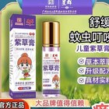
22 | 22 | https://mobile.yangkeduo.com/goods2.html?ps=oYHqEpYzGE | 王大可优选海购 | Wang Dake Selected Overseas Shopping | Strawberry Cake Hand Cream - Nourishing, Moisturising Hand Cream for Autumn and Winter with Cute Fragrance, Fully English Labeled, Cross-border Trade Wholesale | 草莓蛋糕护手霜，滋润保湿，适合秋冬使用，带可爱香味，全英文标签，跨境外贸批发 | BIOAQUA Strawberry Cake Nourish Hand Cream / Strawberry Hand Cream | BIOAQUA 草莓蛋糕滋养护手霜 / 草莓护手霜 | ¥3.47 | ¥2.99 - ¥9.88 | 15K+ sold / 已售1.5万+ | 5420 | 182K | 922K+ items sold in store / 店铺已拼92.2万+件 | Buy now, pay later; pay on delivery; instant refund if not shipped; 7-day free returns / 先用后付；货到付款；未发货极速退款；7天无忧退货 | Great service; Repeat customer; Natural color; Great texture; 5K+ positive reviews; 129 repeat customers; 20K+ favorites | 服务好；回头客；颜色自然；质地好；5千+好评；129回头客；2万+收藏 | Mainland China | 中国大陆 | Not shown in visible screenshots / 截图未显示 | 截图未显示 | No | 否 | 1095 days / 1095天 | Not shown in visible screenshots | 截图未显示 | Not shown in visible screenshots | 截图未显示 | Not shown in visible screenshots | Not shown in visible screenshots | 截图未显示 | Not shown in visible screenshots | 截图未显示 | Not shown in visible screenshots | 80g / 30g options | Hand Cream 80g; Hand Cream 80g [2 pieces]; Hand Cream 80g [3 pieces]; Hand Cream 80g [5 pieces]; Strawberry Hand Cream 30g | Hand Cream 80g；Hand Cream 80g【2件】；Hand Cream 80g【3件】；Hand Cream 80g【5件】；Strawberry Hand Cream 30g | Main displayed price ¥3.47; 15K+ sold. Size options visible: Hand Cream 80g ¥3.47; Hand Cream 80g [2 pieces] ¥5.9; Hand Cream 80g [3 pieces] ¥6.88; Hand Cream 80g [5 pieces] ¥9.88; Strawberry Hand Cream 30g ¥2.99. Promo shown: 2 pcs 9.9折. | 页面主价¥3.47；已售1.5万+。可见规格：Hand Cream 80g ¥3.47；Hand Cream 80g【2件】¥5.9；Hand Cream 80g【3件】¥6.88；Hand Cream 80g【5件】¥9.88；Strawberry Hand Cream 30g ¥2.99。显示优惠：2件9.9折。 | 8 | Processed Product 22 after user approval. Values extracted from visible screenshots using OCR-assisted layout analysis; product link read from the sequence PDF. Specification panel shows Origin Mainland China, Special Purpose Cosmetics: No, Shelf Life & Expiration Date 1095 days. Store review panel shows 5,420 item reviews and 182K store reviews. | 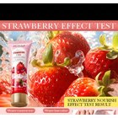
23 | 23 | https://mobile.yangkeduo.com/goods1.html?ps=qiNJQkxCfR | 王大可优选海购 | Wang Dake Selected Overseas Shopping | Strawberry Cake Nourishing Body Butter - Autumn/Winter Body Lotion with Chocolate & Coconut, Full English Label, Cross-border Trade Wholesale | 草莓蛋糕滋养身体黄油/身体乳，秋冬适用，含草莓、巧克力与椰子等香型，全英文标签，跨境外贸批发 | BIOAQUA Moisturizing Body Butter / Strawberry Cake Nourishing Body Butter | BIOAQUA保湿身体黄油 / 草莓蛋糕滋养身体黄油 | ¥3.47 | ¥3.47 - ¥11.59 | 14K+ sold / 已售1.4万+ | 4541 | 182K | 922K+ items sold in store / 店铺已拼92.2万+件 | Buy now, pay later; pay on delivery; instant refund if not shipped; 7-day hassle-free returns / 先用后付；货到付款；未发货极速退款；7天无忧退货 | Great service; Repeat customer; Works well; Affordable; Good product; High-Potential Store; Loved by 5K+ shoppers | 服务好；回头客；好用；价格实惠；商品好；高潜力店铺；5千+买家喜欢 | Mainland China | 中国大陆 | 广东省 | Guangdong Province | No | 否 | 1095 days / 1095天 | Not shown in visible screenshots | 截图未显示 | Not shown in visible screenshots | 截图未显示 | Not shown in visible screenshots | Not shown in visible screenshots | 截图未显示 | Not shown in visible screenshots | 截图未显示 | Not shown in visible screenshots | 80g hand cream; 1 bottle body lotion; 200g body butter variants | 80g Strawberry Hand Cream; Strawberry Nourishing Body Lotion 1 bottle; Strawberry Body Butter 200g; Coconut Body Butter 200g; Chocolate Body Butter 200g; Vanilla Body Butter 200g; Donut Cheese Body Butter 200g; Peach Body Butter 200g; Strawberry Body Butter + Coconut Body Butter combo | 80g草莓护手霜；草莓滋养身体乳1瓶；草莓身体黄油200g；椰子身体黄油200g；巧克力身体黄油200g；香草身体黄油200g；甜甜圈芝士身体黄油200g；桃子身体黄油200g；草莓身体黄油+椰子身体黄油组合 | Main displayed price ¥3.47; 14K+ sold. Visible specs: 80g Strawberry Hand Cream ¥3.47; Strawberry Nourishing Body Lotion 1 bottle ¥6.86; Strawberry Body Butter 200g ¥6.86 (just sold/disabled); Coconut Body Butter 200g ¥6.86 (last 1 left); Chocolate Body Butter 200g ¥6.86 (just sold/disabled); Vanilla Body Butter 200g ¥6.86 (last 1 left); Donut Cheese Body Butter 200g ¥6.86 (last 6 left); Peach Body Butter 200g ¥6.86 (just sold/disabled); Strawberry Body Butter + Coconut Body Butter combo ¥11.59 (disabled). Promo shown: 2 pcs 9.9折. | 页面主价¥3.47；已售1.4万+。可见规格：80g Strawberry Hand Cream ¥3.47；Strawberry Nourishing Body Lotion 1 bottle ¥6.86；Strawberry Body Butter 200g ¥6.86（刚刚抢光/不可选）；Coconut Body Butter 200g ¥6.86（仅剩1件）；Chocolate Body Butter 200g ¥6.86（刚刚抢光/不可选）；Vanilla Body Butter 200g ¥6.86（仅剩1件）；Donut Cheese Body Butter 200g ¥6.86（仅剩6件）；Peach Body Butter 200g ¥6.86（刚刚抢光/不可选）；Strawberry Body Butter+Coconut Body Butter组合¥11.59（不可选）。显示优惠：2件9.9折。 | 9 | Processed Product 23 after user approval. Values extracted from visible screenshots using OCR-assisted layout analysis; product link read from the sequence PDF. Specifications panel shows Function Other, Origin Mainland China, Ship from Guangdong Province, Special Purpose Cosmetics No, Shelf Life & Expiration Date 1095 days. Item review panel shows 4,541 item reviews and 182K store reviews. | 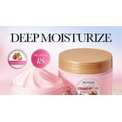

Product Images
Cropped Product Images / 裁剪商品图片
Product No / 产品编号 | Image No / 图片编号 | Cropped Product Image / 裁剪商品图片 | Original Screenshot / 原始截图 | Crop Region / 裁剪范围 | Image Note / 图片说明
1 | 1 |  | Screenshot_20260608-122933.jpg | x=0, y=210, w=540, h=538 | Product-only crop from screenshot gallery / 从截图画廊裁剪出的商品图
1 | 2 | 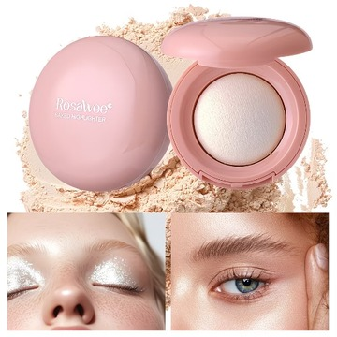 | Screenshot_20260608-122938.jpg | x=0, y=210, w=540, h=538 | Product-only crop from screenshot gallery / 从截图画廊裁剪出的商品图
1 | 3 | 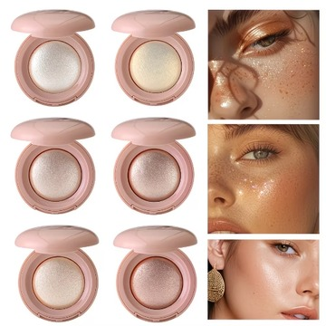 | Screenshot_20260608-122940.jpg | x=0, y=210, w=540, h=538 | Product-only crop from screenshot gallery / 从截图画廊裁剪出的商品图
1 | 4 | 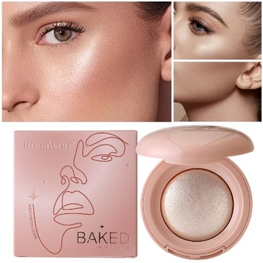 | Screenshot_20260608-122944.jpg | x=0, y=210, w=540, h=538 | Product-only crop from screenshot gallery / 从截图画廊裁剪出的商品图
1 | 5 | 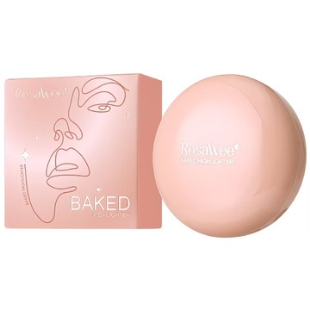 | Screenshot_20260608-122946.jpg | x=0, y=210, w=540, h=538 | Product-only crop from screenshot gallery / 从截图画廊裁剪出的商品图
1 | 6 | 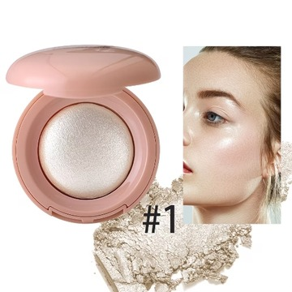 | Screenshot_20260608-122948.jpg | x=0, y=210, w=540, h=538 | Product-only crop from screenshot gallery / 从截图画廊裁剪出的商品图
1 | 7 | 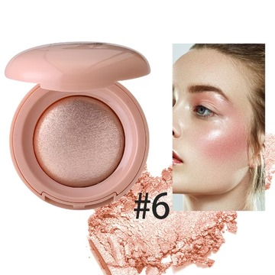 | Screenshot_20260608-122950.jpg | x=0, y=210, w=540, h=538 | Product-only crop from screenshot gallery / 从截图画廊裁剪出的商品图
1 | 8 | 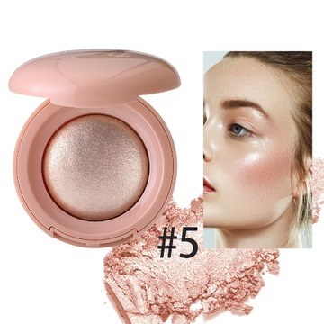 | Screenshot_20260608-122952.jpg | x=0, y=210, w=540, h=538 | Product-only crop from screenshot gallery / 从截图画廊裁剪出的商品图
1 | 9 | 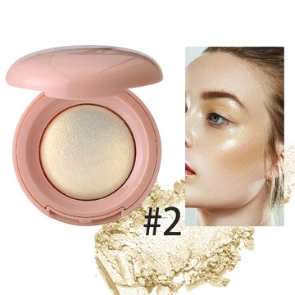 | Screenshot_20260608-122953.jpg | x=0, y=210, w=540, h=538 | Product-only crop from screenshot gallery / 从截图画廊裁剪出的商品图
1 | 10 | 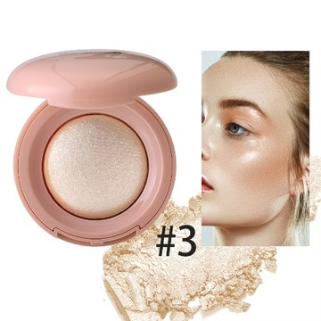 | Screenshot_20260608-122957.jpg | x=0, y=210, w=540, h=538 | Product-only crop from screenshot gallery / 从截图画廊裁剪出的商品图
1 | 11 | 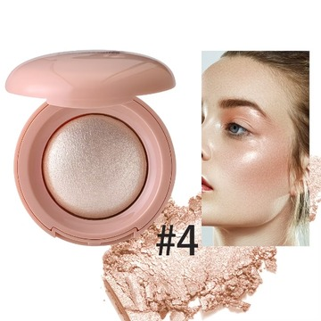 | Screenshot_20260608-122959.jpg | x=0, y=210, w=540, h=538 | Product-only crop from screenshot gallery / 从截图画廊裁剪出的商品图
2 | 1 |  | Screenshot_20260608-123704.jpg | x=0, y=210, w=540, h=540 | Product-only crop from screenshot gallery / 从截图画廊裁剪出的商品图
2 | 2 | 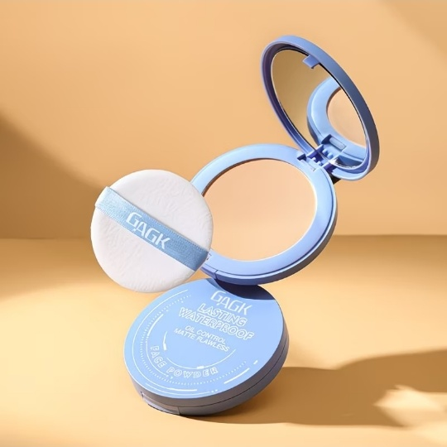 | Screenshot_20260608-123706.jpg | x=0, y=210, w=540, h=540 | Product-only crop from screenshot gallery / 从截图画廊裁剪出的商品图
2 | 3 | 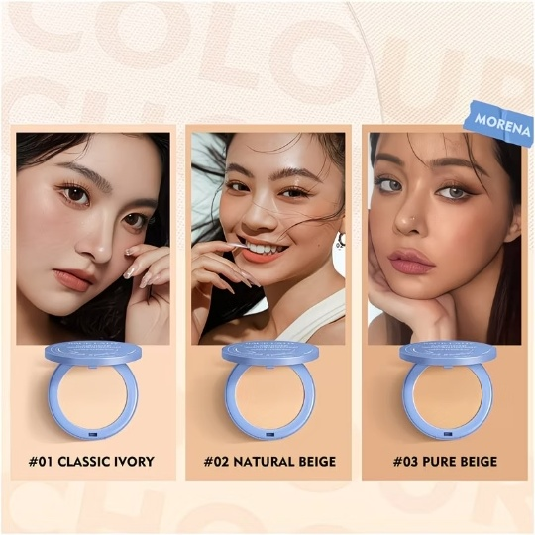 | Screenshot_20260608-123708.jpg | x=0, y=210, w=540, h=540 | Product-only crop from screenshot gallery / 从截图画廊裁剪出的商品图
2 | 4 | 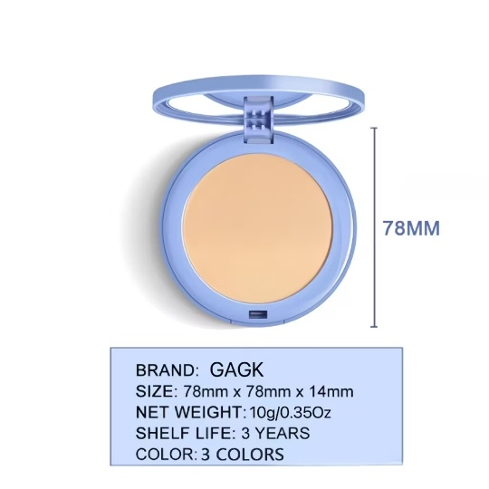 | Screenshot_20260608-123710.jpg | x=0, y=210, w=540, h=540 | Product-only crop from screenshot gallery / 从截图画廊裁剪出的商品图
2 | 5 | 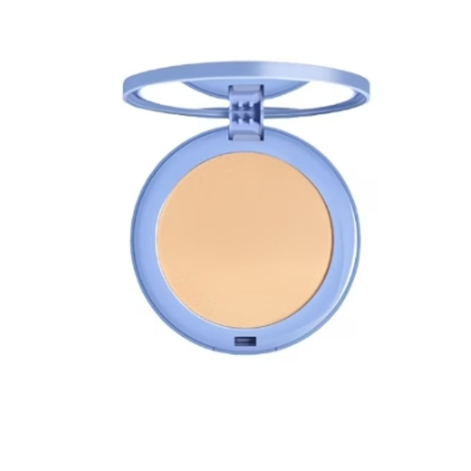 | Screenshot_20260608-123712.jpg | x=100, y=300, w=350, h=320; normalized to 540x540 white canvas | Product-only crop from screenshot gallery / 从截图画廊裁剪出的商品图
2 | 6 | 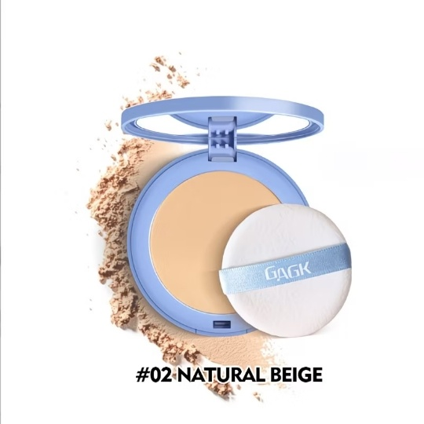 | Screenshot_20260608-123714.jpg | x=0, y=210, w=540, h=540 | Product-only crop from screenshot gallery / 从截图画廊裁剪出的商品图
2 | 7 | 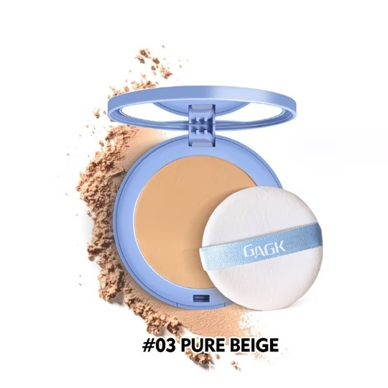 | Screenshot_20260608-123718.jpg | x=0, y=210, w=540, h=540 | Product-only crop from screenshot gallery / 从截图画廊裁剪出的商品图
2 | 8 | 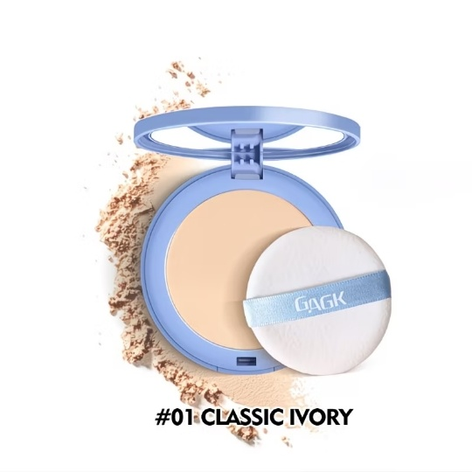 | Screenshot_20260608-123720.jpg | x=0, y=210, w=540, h=540 | Product-only crop from screenshot gallery / 从截图画廊裁剪出的商品图
3 | 1 |  | Screenshot_20260608-124050.jpg | x=0, y=210, w=540, h=540 | Product-only crop from screenshot gallery / 从截图画廊裁剪出的商品图
3 | 2 | 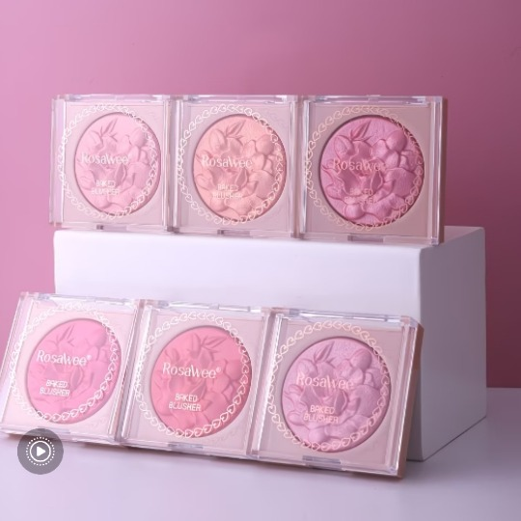 | Screenshot_20260608-124054.jpg | x=0, y=210, w=540, h=540 | Product-only crop from screenshot gallery / 从截图画廊裁剪出的商品图
3 | 3 | 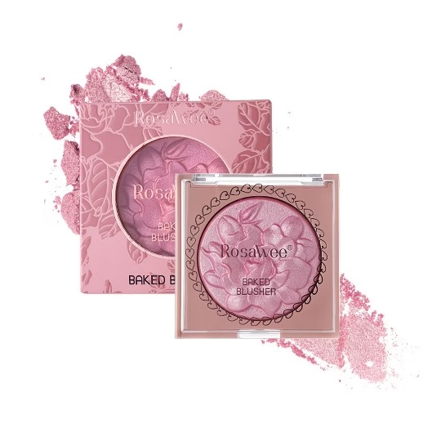 | Screenshot_20260608-124100.jpg | x=0, y=210, w=540, h=540 | Product-only crop from screenshot gallery / 从截图画廊裁剪出的商品图
3 | 4 | 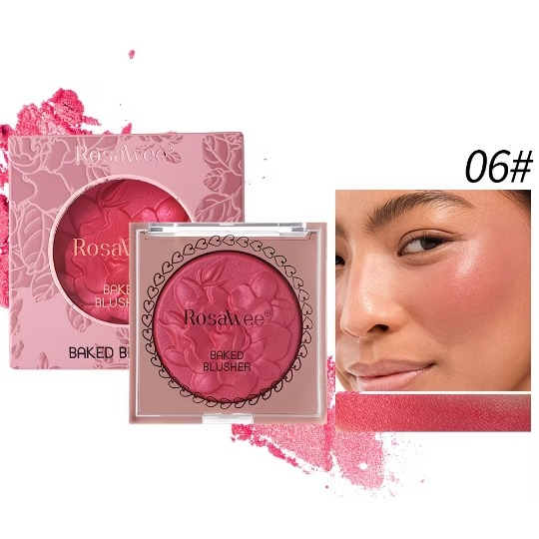 | Screenshot_20260608-124102.jpg | x=0, y=210, w=540, h=540 | Product-only crop from screenshot gallery / 从截图画廊裁剪出的商品图
3 | 5 | 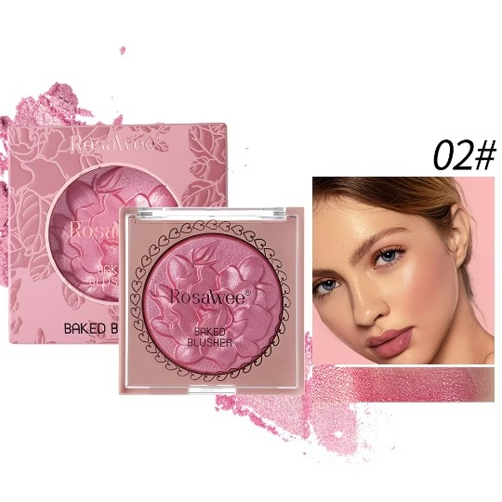 | Screenshot_20260608-124104.jpg | x=0, y=210, w=540, h=540 | Product-only crop from screenshot gallery / 从截图画廊裁剪出的商品图
3 | 6 | 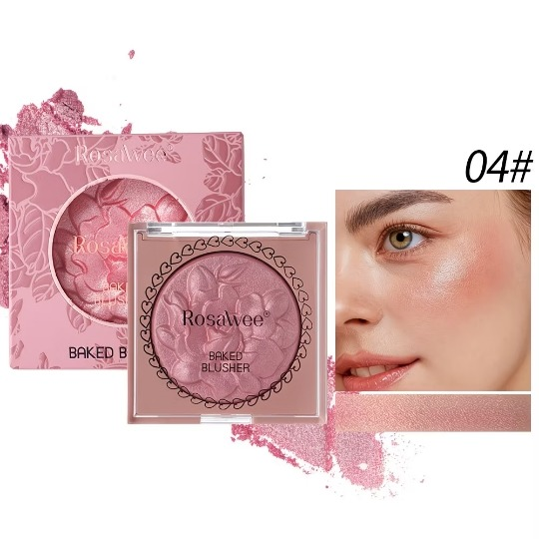 | Screenshot_20260608-124106.jpg | x=0, y=210, w=540, h=540 | Product-only crop from screenshot gallery / 从截图画廊裁剪出的商品图
3 | 7 | 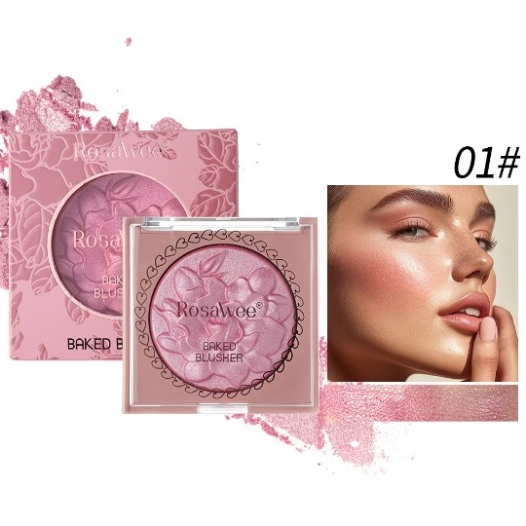 | Screenshot_20260608-124108.jpg | x=0, y=210, w=540, h=540 | Product-only crop from screenshot gallery / 从截图画廊裁剪出的商品图
3 | 8 | 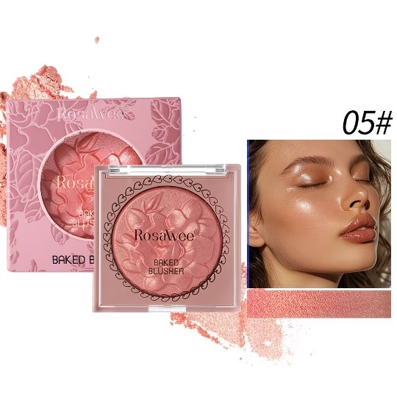 | Screenshot_20260608-124110.jpg | x=0, y=210, w=540, h=540 | Product-only crop from screenshot gallery / 从截图画廊裁剪出的商品图
3 | 9 | 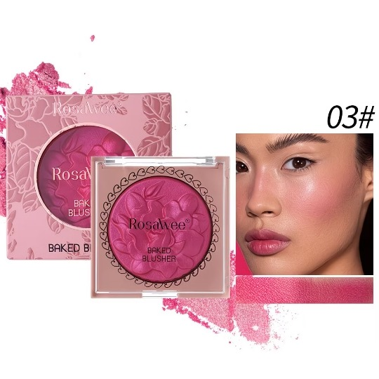 | Screenshot_20260608-124112.jpg | x=0, y=210, w=540, h=540 | Product-only crop from screenshot gallery / 从截图画廊裁剪出的商品图
4 | 1 |  | Screenshot_20260608-130116.jpg | x=0, y=210, w=540, h=537; normalized to 560x560 white canvas | Product-only crop from screenshot gallery / 从截图画廊裁剪出的商品图
4 | 2 | 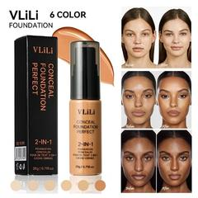 | Screenshot_20260608-130118.jpg | x=0, y=210, w=540, h=537; normalized to 560x560 white canvas | Product-only crop from screenshot gallery / 从截图画廊裁剪出的商品图
4 | 3 | 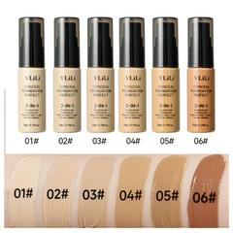 | Screenshot_20260608-130122.jpg | x=0, y=210, w=540, h=537; normalized to 560x560 white canvas | Product-only crop from screenshot gallery / 从截图画廊裁剪出的商品图
4 | 4 | 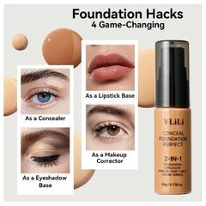 | Screenshot_20260608-130124.jpg | x=0, y=210, w=540, h=537; normalized to 560x560 white canvas | Product-only crop from screenshot gallery / 从截图画廊裁剪出的商品图
4 | 5 | 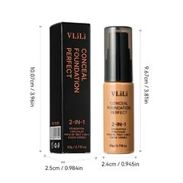 | Screenshot_20260608-130127.jpg | x=0, y=210, w=540, h=537; normalized to 560x560 white canvas | Product-only crop from screenshot gallery / 从截图画廊裁剪出的商品图
4 | 6 | 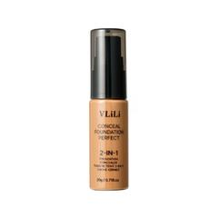 | Screenshot_20260608-130129.jpg | x=0, y=210, w=540, h=537; normalized to 560x560 white canvas | Product-only crop from screenshot gallery / 从截图画廊裁剪出的商品图
4 | 7 | 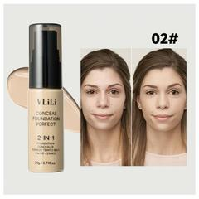 | Screenshot_20260608-130131.jpg | x=0, y=210, w=540, h=537; normalized to 560x560 white canvas | Product-only crop from screenshot gallery / 从截图画廊裁剪出的商品图
4 | 8 | 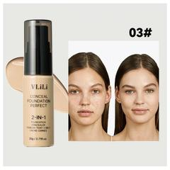 | Screenshot_20260608-130134.jpg | x=0, y=210, w=540, h=537; normalized to 560x560 white canvas | Product-only crop from screenshot gallery / 从截图画廊裁剪出的商品图
4 | 9 | 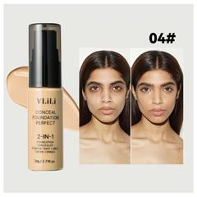 | Screenshot_20260608-130136.jpg | x=0, y=210, w=540, h=537; normalized to 560x560 white canvas | Product-only crop from screenshot gallery / 从截图画廊裁剪出的商品图
4 | 10 | 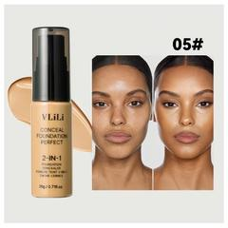 | Screenshot_20260608-130138.jpg | x=0, y=210, w=540, h=537; normalized to 560x560 white canvas | Product-only crop from screenshot gallery / 从截图画廊裁剪出的商品图
4 | 11 | 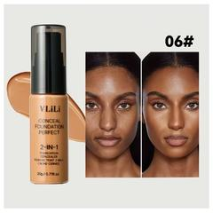 | Screenshot_20260608-130141.jpg | x=0, y=210, w=540, h=537; normalized to 560x560 white canvas | Product-only crop from screenshot gallery / 从截图画廊裁剪出的商品图
5 | 1 | 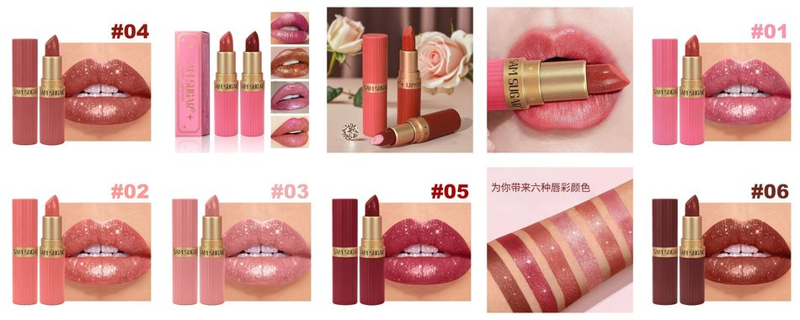 | Screenshot_20260608-130519.jpg | x=0, y=210, w=540, h=538; normalized to 560x560 white canvas | Embedded contact sheet in this row contains all 10 product-only crops / 本行嵌入联系表，包含全部10张商品裁剪图
5 | 2 |  | Screenshot_20260608-130521.jpg | x=0, y=210, w=540, h=538; normalized to 560x560 white canvas | Product-only crop from screenshot gallery / 从截图画廊裁剪出的商品图
5 | 3 |  | Screenshot_20260608-130522.jpg | x=0, y=210, w=540, h=538; normalized to 560x560 white canvas | Product-only crop from screenshot gallery / 从截图画廊裁剪出的商品图
5 | 4 |  | Screenshot_20260608-130526.jpg | x=0, y=210, w=540, h=538; normalized to 560x560 white canvas | Product-only crop from screenshot gallery / 从截图画廊裁剪出的商品图
5 | 5 |  | Screenshot_20260608-130527.jpg | x=0, y=210, w=540, h=538; normalized to 560x560 white canvas | Product-only crop from screenshot gallery / 从截图画廊裁剪出的商品图
5 | 6 |  | Screenshot_20260608-130529.jpg | x=0, y=210, w=540, h=538; normalized to 560x560 white canvas | Product-only crop from screenshot gallery / 从截图画廊裁剪出的商品图
5 | 7 |  | Screenshot_20260608-130531.jpg | x=0, y=210, w=540, h=538; normalized to 560x560 white canvas | Product-only crop from screenshot gallery / 从截图画廊裁剪出的商品图
5 | 8 |  | Screenshot_20260608-130533.jpg | x=0, y=210, w=540, h=538; normalized to 560x560 white canvas | Product-only crop from screenshot gallery / 从截图画廊裁剪出的商品图
5 | 9 |  | Screenshot_20260608-130535.jpg | x=0, y=210, w=540, h=538; normalized to 560x560 white canvas | Product-only crop from screenshot gallery / 从截图画廊裁剪出的商品图
5 | 10 |  | Screenshot_20260608-130537.jpg | x=0, y=210, w=540, h=538; normalized to 560x560 white canvas | Product-only crop from screenshot gallery / 从截图画廊裁剪出的商品图
6 | 1 |  | Screenshot_20260608-134455.jpg | x=0, y=210, w=540, h=540; normalized to 560x560 white canvas | Embedded contact sheet in this row contains all 4 product-only crops / 本行嵌入联系表，包含全部4张商品裁剪图
6 | 2 |  | Screenshot_20260608-134457.jpg | x=0, y=210, w=540, h=540; normalized to 560x560 white canvas | Product-only crop from screenshot gallery / 从截图画廊裁剪出的商品图
6 | 3 |  | Screenshot_20260608-134502.jpg | x=0, y=210, w=540, h=540; normalized to 560x560 white canvas | Product-only crop from screenshot gallery / 从截图画廊裁剪出的商品图
6 | 4 |  | Screenshot_20260608-134506.jpg | x=0, y=210, w=540, h=540; normalized to 560x560 white canvas | Product-only crop from screenshot gallery / 从截图画廊裁剪出的商品图
7 | 1 |  | Screenshot_20260608-134729.jpg | x=0, y=210, w=540, h=540; normalized to 560x560 white canvas | Embedded contact sheet in this row contains all 5 product-only crops / 本行嵌入联系表，包含全部5张商品裁剪图
7 | 2 |  | Screenshot_20260608-134733.jpg | x=0, y=210, w=540, h=540; normalized to 560x560 white canvas | Product-only crop from screenshot gallery / 从截图画廊裁剪出的商品图
7 | 3 |  | Screenshot_20260608-134735.jpg | x=0, y=210, w=540, h=540; normalized to 560x560 white canvas | Product-only crop from screenshot gallery / 从截图画廊裁剪出的商品图
7 | 4 |  | Screenshot_20260608-134737.jpg | x=0, y=210, w=540, h=540; normalized to 560x560 white canvas | Product-only crop from screenshot gallery / 从截图画廊裁剪出的商品图
7 | 5 |  | Screenshot_20260608-134739.jpg | x=0, y=210, w=540, h=540; normalized to 560x560 white canvas | Product-only crop from screenshot gallery / 从截图画廊裁剪出的商品图
8 | 1 |  | Screenshot_20260608-134952.jpg | x=0, y=0, w=540, h=570; normalized to 560x560 white canvas | Embedded contact sheet in this row contains all 2 product-only crops / 本行嵌入联系表，包含全部2张商品裁剪图
8 | 2 |  | Screenshot_20260608-134958.jpg | x=0, y=210, w=540, h=540; normalized to 560x560 white canvas | Product-only crop from main product gallery / 从商品主图区域裁剪
9 | 1 |  | Screenshot_20260608-143039.jpg | x=0, y=210, w=540, h=540; normalized to 560x560 white canvas | Embedded contact sheet in this row contains all 10 product-only crops / 本行嵌入联系表，包含全部10张商品裁剪图
9 | 2 |  | Screenshot_20260608-143041.jpg | x=0, y=210, w=540, h=540; normalized to 560x560 white canvas | Product-only crop from gallery screenshot / 从商品画廊截图裁剪
9 | 3 |  | Screenshot_20260608-143042.jpg | x=0, y=210, w=540, h=540; normalized to 560x560 white canvas | Product-only crop from gallery screenshot / 从商品画廊截图裁剪
9 | 4 |  | Screenshot_20260608-143044.jpg | x=0, y=210, w=540, h=540; normalized to 560x560 white canvas | Product-only crop from gallery screenshot / 从商品画廊截图裁剪
9 | 5 |  | Screenshot_20260608-143046.jpg | x=0, y=210, w=540, h=540; normalized to 560x560 white canvas | Product-only crop from gallery screenshot / 从商品画廊截图裁剪
9 | 6 |  | Screenshot_20260608-143047.jpg | x=0, y=210, w=540, h=540; normalized to 560x560 white canvas | Product-only crop from gallery screenshot / 从商品画廊截图裁剪
9 | 7 |  | Screenshot_20260608-143051.jpg | x=0, y=210, w=540, h=540; normalized to 560x560 white canvas | Product-only crop from gallery screenshot / 从商品画廊截图裁剪
9 | 8 |  | Screenshot_20260608-143054.jpg | x=0, y=210, w=540, h=540; normalized to 560x560 white canvas | Product-only crop from gallery screenshot / 从商品画廊截图裁剪
9 | 9 |  | Screenshot_20260608-143058.jpg | x=0, y=210, w=540, h=540; normalized to 560x560 white canvas | Product-only crop from gallery screenshot / 从商品画廊截图裁剪
9 | 10 |  | Screenshot_20260608-143100.jpg | x=0, y=210, w=540, h=540; normalized to 560x560 white canvas | Product-only crop from gallery screenshot / 从商品画廊截图裁剪
10 | 1 |  | Screenshot_20260608-143537.jpg | x=0, y=210, w=540, h=540; normalized to 560x560 white canvas | Embedded contact sheet in this row contains all 10 product-only crops / 本行嵌入联系表，包含全部10张商品裁剪图
10 | 2 |  | Screenshot_20260608-143539.jpg | x=0, y=200, w=540, h=550; normalized to 560x560 white canvas | Product-only crop from gallery screenshot / 从商品画廊截图裁剪
10 | 3 |  | Screenshot_20260608-143543.jpg | x=0, y=200, w=540, h=550; normalized to 560x560 white canvas | Product-only crop from gallery screenshot / 从商品画廊截图裁剪
10 | 4 |  | Screenshot_20260608-143546.jpg | x=0, y=200, w=540, h=550; normalized to 560x560 white canvas | Product-only crop from gallery screenshot / 从商品画廊截图裁剪
10 | 5 |  | Screenshot_20260608-143548.jpg | x=0, y=200, w=540, h=550; normalized to 560x560 white canvas | Product-only crop from gallery screenshot / 从商品画廊截图裁剪
10 | 6 |  | Screenshot_20260608-143550.jpg | x=0, y=200, w=540, h=550; normalized to 560x560 white canvas | Product-only crop from gallery screenshot / 从商品画廊截图裁剪
10 | 7 |  | Screenshot_20260608-143553.jpg | x=0, y=200, w=540, h=550; normalized to 560x560 white canvas | Product-only crop from gallery screenshot / 从商品画廊截图裁剪
10 | 8 |  | Screenshot_20260608-143556.jpg | x=0, y=200, w=540, h=550; normalized to 560x560 white canvas | Product-only crop from gallery screenshot / 从商品画廊截图裁剪
10 | 9 |  | Screenshot_20260608-143559.jpg | x=0, y=200, w=540, h=550; normalized to 560x560 white canvas | Product-only crop from gallery screenshot / 从商品画廊截图裁剪
10 | 10 |  | Screenshot_20260608-143600.jpg | x=0, y=200, w=540, h=550; normalized to 560x560 white canvas | Product-only crop from gallery screenshot / 从商品画廊截图裁剪
11 | 1 |  | Screenshot_20260608-145114.jpg | x=0, y=125, w=540, h=380 | Product-only crop from screenshot gallery / 从截图画廊裁剪出的商品图
11 | 2 |  | Screenshot_20260608-145117.jpg | x=0, y=125, w=540, h=380 | Product-only crop from screenshot gallery / 从截图画廊裁剪出的商品图
11 | 3 |  | Screenshot_20260608-145125.jpg | x=0, y=125, w=540, h=380 | Product-only crop from screenshot gallery / 从截图画廊裁剪出的商品图
11 | 4 |  | Screenshot_20260608-145128.jpg | x=0, y=125, w=540, h=380 | Product-only crop from screenshot gallery / 从截图画廊裁剪出的商品图
11 | 5 |  | Screenshot_20260608-145131.jpg | x=0, y=125, w=540, h=380 | Product-only crop from screenshot gallery / 从截图画廊裁剪出的商品图
11 | 6 |  | Screenshot_20260608-145133.jpg | x=0, y=125, w=540, h=380 | Product-only crop from screenshot gallery / 从截图画廊裁剪出的商品图
11 | 7 |  | Screenshot_20260608-145135.jpg | x=0, y=125, w=540, h=380 | Product-only crop from screenshot gallery / 从截图画廊裁剪出的商品图
11 | 8 |  | Screenshot_20260608-145137.jpg | x=0, y=125, w=540, h=380 | Product-only crop from screenshot gallery / 从截图画廊裁剪出的商品图
11 | 9 |  | Screenshot_20260608-145139.jpg | x=0, y=125, w=540, h=380 | Product-only crop from screenshot gallery / 从截图画廊裁剪出的商品图
11 | 10 |  | Screenshot_20260608-145141.jpg | x=0, y=125, w=540, h=380 | Product-only crop from screenshot gallery / 从截图画廊裁剪出的商品图
11 | 11 |  | Screenshot_20260608-145144.jpg | x=0, y=125, w=540, h=380 | Product-only crop from screenshot gallery / 从截图画廊裁剪出的商品图
11 | 12 |  | Screenshot_20260608-145146.jpg | x=0, y=125, w=540, h=380 | Product-only crop from screenshot gallery / 从截图画廊裁剪出的商品图
12 | 1 |  | Screenshot_20260608-163010.jpg | x=0, y=210, w=540, h=540; auto-trimmed white margins | Product-only crop from screenshot gallery / 从截图画廊裁剪出的商品图
12 | 2 |  | Screenshot_20260608-163014.jpg | x=0, y=210, w=540, h=540; auto-trimmed white margins | Product-only crop from screenshot gallery / 从截图画廊裁剪出的商品图
12 | 3 |  | Screenshot_20260608-163016.jpg | x=0, y=210, w=540, h=540; auto-trimmed white margins | Product-only crop from screenshot gallery / 从截图画廊裁剪出的商品图
12 | 4 |  | Screenshot_20260608-163019.jpg | x=0, y=210, w=540, h=540; auto-trimmed white margins | Product-only crop from screenshot gallery / 从截图画廊裁剪出的商品图
12 | 5 |  | Screenshot_20260608-163020.jpg | x=0, y=210, w=540, h=540; auto-trimmed white margins | Product-only crop from screenshot gallery / 从截图画廊裁剪出的商品图
12 | 6 |  | Screenshot_20260608-163022.jpg | x=0, y=210, w=540, h=540; auto-trimmed white margins | Product-only crop from screenshot gallery / 从截图画廊裁剪出的商品图
12 | 7 |  | Screenshot_20260608-163024.jpg | x=0, y=210, w=540, h=540; auto-trimmed white margins | Product-only crop from screenshot gallery / 从截图画廊裁剪出的商品图
12 | 8 |  | Screenshot_20260608-163025.jpg | x=0, y=210, w=540, h=540; auto-trimmed white margins | Product-only crop from screenshot gallery / 从截图画廊裁剪出的商品图
13 | 1 |  | Screenshot_20260608-163312.jpg | x=38, y=248, w=464, h=464; product photo crop | Product-only crop from screenshot gallery / 从截图画廊裁剪出的商品图
13 | 2 |  | Screenshot_20260608-163316.jpg | x=0, y=211, w=540, h=536; product photo crop | Product-only crop from screenshot gallery / 从截图画廊裁剪出的商品图
13 | 3 |  | Screenshot_20260608-163321.jpg | x=0, y=212, w=540, h=534; product photo crop | Product-only crop from screenshot gallery / 从截图画廊裁剪出的商品图
13 | 4 |  | Screenshot_20260608-163323.jpg | x=0, y=210, w=540, h=537; gallery image crop; white margins auto-trimmed | Product-only crop from screenshot gallery / 从截图画廊裁剪出的商品图
14 | 1 |  | Screenshot_20260608-163746.jpg | x=0, y=210, w=540, h=534; gallery image 1 product photo crop | Product-only crop from screenshot gallery / 从截图画廊裁剪出的商品图
14 | 2 |  | Screenshot_20260608-163748.jpg | x=0, y=210, w=540, h=534; gallery image 2 product photo crop | Product-only crop from screenshot gallery / 从截图画廊裁剪出的商品图
14 | 3 |  | Screenshot_20260608-163749.jpg | x=0, y=210, w=540, h=534; gallery image 3 product photo crop | Product-only crop from screenshot gallery / 从截图画廊裁剪出的商品图
14 | 4 |  | Screenshot_20260608-163751.jpg | x=0, y=210, w=540, h=534; gallery image 4 product photo crop | Product-only crop from screenshot gallery / 从截图画廊裁剪出的商品图
14 | 5 |  | Screenshot_20260608-163753.jpg | x=0, y=210, w=540, h=534; gallery image 5 product photo crop | Product-only crop from screenshot gallery / 从截图画廊裁剪出的商品图
14 | 6 |  | Screenshot_20260608-163755.jpg | x=0, y=210, w=540, h=534; gallery image 6 product photo crop | Product-only crop from screenshot gallery / 从截图画廊裁剪出的商品图
14 | 7 |  | Screenshot_20260608-163758.jpg | x=0, y=210, w=540, h=534; gallery image 7 product photo crop | Product-only crop from screenshot gallery / 从截图画廊裁剪出的商品图
14 | 8 |  | Screenshot_20260608-163800.jpg | x=0, y=210, w=540, h=534; gallery image 8 product photo crop | Product-only crop from screenshot gallery / 从截图画廊裁剪出的商品图
14 | 9 |  | Screenshot_20260608-163802.jpg | x=0, y=210, w=540, h=534; gallery image 9 product photo crop | Product-only crop from screenshot gallery / 从截图画廊裁剪出的商品图
14 | 10 |  | Screenshot_20260608-163805.jpg | x=0, y=210, w=540, h=534; gallery image 10 product photo crop | Product-only crop from screenshot gallery / 从截图画廊裁剪出的商品图
14 | 11 |  | Screenshot_20260608-163807.jpg | x=0, y=210, w=540, h=534; gallery image 11 product photo crop | Product-only crop from screenshot gallery / 从截图画廊裁剪出的商品图
15 | 1 |  | Screenshot_20260608-164540.jpg | x=0, y=210, w=540, h=540; product-only gallery crop | Product-only crop from screenshot gallery / 从截图画廊裁剪出的商品图
15 | 2 |  | Screenshot_20260608-164542.jpg | x=0, y=210, w=540, h=540; product-only gallery crop | Product-only crop from screenshot gallery / 从截图画廊裁剪出的商品图
15 | 3 |  | Screenshot_20260608-164544.jpg | x=0, y=210, w=540, h=540; product-only gallery crop | Product-only crop from screenshot gallery / 从截图画廊裁剪出的商品图
15 | 4 |  | Screenshot_20260608-164547.jpg | x=0, y=210, w=540, h=540; product-only gallery crop | Product-only crop from screenshot gallery / 从截图画廊裁剪出的商品图
15 | 5 |  | Screenshot_20260608-164549.jpg | x=0, y=210, w=540, h=540; product-only gallery crop | Product-only crop from screenshot gallery / 从截图画廊裁剪出的商品图
15 | 6 |  | Screenshot_20260608-164551.jpg | x=0, y=210, w=540, h=540; product-only gallery crop | Product-only crop from screenshot gallery / 从截图画廊裁剪出的商品图
15 | 7 |  | Screenshot_20260608-164554.jpg | x=0, y=210, w=540, h=540; product-only gallery crop | Product-only crop from screenshot gallery / 从截图画廊裁剪出的商品图
15 | 8 |  | Screenshot_20260608-164556.jpg | x=0, y=210, w=540, h=540; product-only gallery crop | Product-only crop from screenshot gallery / 从截图画廊裁剪出的商品图
15 | 9 |  | Screenshot_20260608-164557.jpg | x=0, y=210, w=540, h=540; product-only gallery crop | Product-only crop from screenshot gallery / 从截图画廊裁剪出的商品图
16 | 1 |  | Screenshot_20260608-164958.jpg | x=0, y=210, w=540, h=540; product-only gallery crop | Product-only crop from screenshot gallery / 从截图画廊裁剪出的商品图
16 | 2 |  | Screenshot_20260608-165000.jpg | x=0, y=210, w=540, h=540; product-only gallery crop | Product-only crop from screenshot gallery / 从截图画廊裁剪出的商品图
16 | 3 |  | Screenshot_20260608-165002.jpg | x=0, y=210, w=540, h=540; product-only gallery crop | Product-only crop from screenshot gallery / 从截图画廊裁剪出的商品图
16 | 4 |  | Screenshot_20260608-165010.jpg | x=0, y=210, w=540, h=540; product-only gallery crop | Product-only crop from screenshot gallery / 从截图画廊裁剪出的商品图
16 | 5 |  | Screenshot_20260608-165012.jpg | x=0, y=210, w=540, h=540; product-only gallery crop | Product-only crop from screenshot gallery / 从截图画廊裁剪出的商品图
16 | 6 |  | Screenshot_20260608-165015.jpg | x=0, y=210, w=540, h=540; product-only gallery crop | Product-only crop from screenshot gallery / 从截图画廊裁剪出的商品图
16 | 7 |  | Screenshot_20260608-165017.jpg | x=0, y=210, w=540, h=540; product-only gallery crop | Product-only crop from screenshot gallery / 从截图画廊裁剪出的商品图
16 | 8 |  | Screenshot_20260608-165019.jpg | x=0, y=210, w=540, h=540; product-only gallery crop | Product-only crop from screenshot gallery / 从截图画廊裁剪出的商品图
16 | 9 |  | Screenshot_20260608-165023.jpg | x=0, y=210, w=540, h=540; product-only gallery crop | Product-only crop from screenshot gallery / 从截图画廊裁剪出的商品图
17 | 1 |  | Screenshot_20260608-165441.jpg | x=0, y=210, w=540, h=540; product-only gallery crop | Product-only crop from screenshot gallery / 从截图画廊裁剪出的商品图
17 | 2 |  | Screenshot_20260608-165443.jpg | x=0, y=210, w=540, h=540; product-only gallery crop | Product-only crop from screenshot gallery / 从截图画廊裁剪出的商品图
17 | 3 |  | Screenshot_20260608-165445.jpg | x=0, y=210, w=540, h=540; product-only gallery crop | Product-only crop from screenshot gallery / 从截图画廊裁剪出的商品图
17 | 4 |  | Screenshot_20260608-165447.jpg | x=0, y=210, w=540, h=540; product-only gallery crop | Product-only crop from screenshot gallery / 从截图画廊裁剪出的商品图
17 | 5 |  | Screenshot_20260608-165451.jpg | x=0, y=210, w=540, h=540; product-only gallery crop | Product-only crop from screenshot gallery / 从截图画廊裁剪出的商品图
17 | 6 |  | Screenshot_20260608-165455.jpg | x=0, y=210, w=540, h=540; product-only gallery crop | Product-only crop from screenshot gallery / 从截图画廊裁剪出的商品图
17 | 7 |  | Screenshot_20260608-165457.jpg | x=0, y=210, w=540, h=540; product-only gallery crop | Product-only crop from screenshot gallery / 从截图画廊裁剪出的商品图
17 | 8 |  | Screenshot_20260608-165500.jpg | x=0, y=210, w=540, h=540; product-only gallery crop | Product-only crop from screenshot gallery / 从截图画廊裁剪出的商品图
17 | 9 |  | Screenshot_20260608-165504.jpg | x=0, y=210, w=540, h=540; product-only gallery crop | Product-only crop from screenshot gallery / 从截图画廊裁剪出的商品图
18 | 1 |  | Screenshot_20260608-165908.jpg | x=0, y=210, w=540, h=540; product-only gallery crop | Product-only crop from screenshot gallery / 从截图画廊裁剪出的商品图
18 | 2 |  | Screenshot_20260608-165910.jpg | x=0, y=210, w=540, h=540; product-only gallery crop | Product-only crop from screenshot gallery / 从截图画廊裁剪出的商品图
18 | 3 |  | Screenshot_20260608-165912.jpg | x=0, y=210, w=540, h=540; product-only gallery crop | Product-only crop from screenshot gallery / 从截图画廊裁剪出的商品图
18 | 4 |  | Screenshot_20260608-165914.jpg | x=0, y=210, w=540, h=540; product-only gallery crop | Product-only crop from screenshot gallery / 从截图画廊裁剪出的商品图
18 | 5 |  | Screenshot_20260608-165915.jpg | x=0, y=210, w=540, h=540; product-only gallery crop | Product-only crop from screenshot gallery / 从截图画廊裁剪出的商品图
18 | 6 |  | Screenshot_20260608-165917.jpg | x=0, y=210, w=540, h=540; product-only gallery crop | Product-only crop from screenshot gallery / 从截图画廊裁剪出的商品图
18 | 7 |  | Screenshot_20260608-165919.jpg | x=0, y=210, w=540, h=540; product-only gallery crop | Product-only crop from screenshot gallery / 从截图画廊裁剪出的商品图
18 | 8 |  | Screenshot_20260608-165921.jpg | x=0, y=210, w=540, h=540; product-only gallery crop | Product-only crop from screenshot gallery / 从截图画廊裁剪出的商品图
19 | 1 |  | Screenshot_20260608-170320.jpg | x=0, y=211, w=540, h=538 | Product-only crop from screenshot gallery / 从截图画廊裁剪出的商品图
19 | 2 |  | Screenshot_20260608-170322.jpg | x=0, y=211, w=540, h=538 | Product-only crop from screenshot gallery / 从截图画廊裁剪出的商品图
19 | 3 |  | Screenshot_20260608-170324.jpg | x=0, y=211, w=540, h=538 | Product-only crop from screenshot gallery / 从截图画廊裁剪出的商品图
19 | 4 |  | Screenshot_20260608-170327.jpg | x=0, y=211, w=540, h=538 | Product-only crop from screenshot gallery / 从截图画廊裁剪出的商品图
19 | 5 |  | Screenshot_20260608-170329.jpg | x=0, y=211, w=540, h=538 | Product-only crop from screenshot gallery / 从截图画廊裁剪出的商品图
19 | 6 |  | Screenshot_20260608-170331.jpg | x=0, y=211, w=540, h=538 | Product-only crop from screenshot gallery / 从截图画廊裁剪出的商品图
19 | 7 |  | Screenshot_20260608-170333.jpg | x=0, y=211, w=540, h=538 | Product-only crop from screenshot gallery / 从截图画廊裁剪出的商品图
19 | 8 |  | Screenshot_20260608-170335.jpg | x=0, y=211, w=540, h=538 | Product-only crop from screenshot gallery / 从截图画廊裁剪出的商品图
19 | 9 |  | Screenshot_20260608-170337.jpg | x=21, y=231, w=498, h=498 | Product-only crop from screenshot gallery / 从截图画廊裁剪出的商品图
20 | 1 |  | Screenshot_20260608-171027.jpg | x=0, y=210, w=540, h=540; product-only gallery crop | Product-only crop from screenshot gallery / 从截图画廊裁剪出的商品图
20 | 2 |  | Screenshot_20260608-171030.jpg | x=0, y=210, w=540, h=540; product-only gallery crop | Product-only crop from screenshot gallery / 从截图画廊裁剪出的商品图
20 | 3 |  | Screenshot_20260608-171032.jpg | x=0, y=210, w=540, h=540; product-only gallery crop | Product-only crop from screenshot gallery / 从截图画廊裁剪出的商品图
20 | 4 |  | Screenshot_20260608-171034.jpg | x=0, y=210, w=540, h=540; product-only gallery crop | Product-only crop from screenshot gallery / 从截图画廊裁剪出的商品图
20 | 5 |  | Screenshot_20260608-171035.jpg | x=0, y=210, w=540, h=540; product-only gallery crop | Product-only crop from screenshot gallery / 从截图画廊裁剪出的商品图
20 | 6 |  | Screenshot_20260608-171037.jpg | x=0, y=210, w=540, h=540; product-only gallery crop | Product-only crop from screenshot gallery / 从截图画廊裁剪出的商品图
20 | 7 |  | Screenshot_20260608-171038.jpg | x=0, y=210, w=540, h=540; product-only gallery crop | Product-only crop from screenshot gallery / 从截图画廊裁剪出的商品图
20 | 8 |  | Screenshot_20260608-171040.jpg | x=0, y=210, w=540, h=540; product-only gallery crop | Product-only crop from screenshot gallery / 从截图画廊裁剪出的商品图
20 | 9 |  | Screenshot_20260608-171042.jpg | x=0, y=210, w=540, h=540; product-only gallery crop | Product-only crop from screenshot gallery / 从截图画廊裁剪出的商品图
20 | 10 |  | Screenshot_20260608-171044.jpg | x=0, y=210, w=540, h=540; product-only gallery crop | Product-only crop from screenshot gallery / 从截图画廊裁剪出的商品图
20 | 11 |  | Screenshot_20260608-171045.jpg | x=0, y=210, w=540, h=540; product-only gallery crop | Product-only crop from screenshot gallery / 从截图画廊裁剪出的商品图
21 | 1 |  | Screenshot_20260608-171341.jpg | x=0, y=210, w=540, h=540; product-only gallery crop | Product-only crop from screenshot gallery / 从截图画廊裁剪出的商品图
21 | 2 |  | Screenshot_20260608-171343.jpg | x=0, y=210, w=540, h=540; product-only gallery crop | Product-only crop from screenshot gallery / 从截图画廊裁剪出的商品图
21 | 3 |  | Screenshot_20260608-171344.jpg | x=0, y=210, w=540, h=540; product-only gallery crop | Product-only crop from screenshot gallery / 从截图画廊裁剪出的商品图
22 | 1 |  | Screenshot_20260608-171541.jpg | x=0, y=132, w=540, h=510; product-only gallery crop | Product-only crop from screenshot gallery / 从截图画廊裁剪出的商品图
22 | 2 |  | Screenshot_20260608-171543.jpg | x=0, y=132, w=540, h=510; product-only gallery crop | Product-only crop from screenshot gallery / 从截图画廊裁剪出的商品图
22 | 3 |  | Screenshot_20260608-171545.jpg | x=0, y=132, w=540, h=510; product-only gallery crop | Product-only crop from screenshot gallery / 从截图画廊裁剪出的商品图
22 | 4 |  | Screenshot_20260608-171547.jpg | x=0, y=165, w=540, h=495; product-only gallery crop | Product-only crop from screenshot gallery / 从截图画廊裁剪出的商品图
22 | 5 |  | Screenshot_20260608-171548.jpg | x=0, y=165, w=540, h=495; product-only gallery crop | Product-only crop from screenshot gallery / 从截图画廊裁剪出的商品图
22 | 6 |  | Screenshot_20260608-171550.jpg | x=0, y=132, w=540, h=510; product-only gallery crop | Product-only crop from screenshot gallery / 从截图画廊裁剪出的商品图
22 | 7 |  | Screenshot_20260608-171552.jpg | x=0, y=132, w=540, h=510; product-only gallery crop | Product-only crop from screenshot gallery / 从截图画廊裁剪出的商品图
22 | 8 |  | Screenshot_20260608-171554.jpg | x=0, y=132, w=540, h=510; product-only gallery crop | Product-only crop from screenshot gallery / 从截图画廊裁剪出的商品图
23 | 1 |  | Screenshot_20260608-171801.jpg | x=0, y=210, w=540, h=305; product-only gallery crop | Product-only crop from screenshot gallery / 从截图画廊裁剪出的商品图；Main strawberry cake body butter product display
23 | 2 |  | Screenshot_20260608-171802.jpg | x=0, y=205, w=540, h=340; product-only gallery crop | Product-only crop from screenshot gallery / 从截图画廊裁剪出的商品图；Texture / open jar with strawberry body butter
23 | 3 |  | Screenshot_20260608-171804.jpg | x=0, y=205, w=540, h=435; product-only gallery crop | Product-only crop from screenshot gallery / 从截图画廊裁剪出的商品图；Moisturizing effect / skin graphic
23 | 4 |  | Screenshot_20260608-171806.jpg | x=0, y=205, w=540, h=425; product-only gallery crop | Product-only crop from screenshot gallery / 从截图画廊裁剪出的商品图；Refreshing texture body butter scene
23 | 5 |  | Screenshot_20260608-171808.jpg | x=70, y=240, w=400, h=190; product-only gallery crop | Product-only crop from screenshot gallery / 从截图画廊裁剪出的商品图；Two-pack jar side display
23 | 6 |  | Screenshot_20260608-171809.jpg | x=95, y=230, w=350, h=345; product-only gallery crop | Product-only crop from screenshot gallery / 从截图画廊裁剪出的商品图；Coconut body butter jar
23 | 7 |  | Screenshot_20260608-171811.jpg | x=95, y=230, w=350, h=345; product-only gallery crop | Product-only crop from screenshot gallery / 从截图画廊裁剪出的商品图；Strawberry cake body butter jar
23 | 8 |  | Screenshot_20260608-171813.jpg | x=95, y=220, w=350, h=350; product-only gallery crop | Product-only crop from screenshot gallery / 从截图画廊裁剪出的商品图；Chocolate body butter jar
23 | 9 |  | Screenshot_20260608-171814.jpg | x=95, y=220, w=350, h=350; product-only gallery crop | Product-only crop from screenshot gallery / 从截图画廊裁剪出的商品图；Vanilla body butter jar

