Product Data
Products 41 Onward Structured E-commerce Data / 第41个及以后商品结构化电商数据
Product No / 产品编号 | Folder / 文件夹 | Source Link / 商品链接 | Store Name (ZH) / 店铺名称（中文） | Store Name (EN) / 店铺名称（英文） | Displayed Product Title (EN) / 页面商品标题（英文） | Displayed Product Title (ZH Translation) / 页面商品标题（中文翻译） | Spec Product Name (EN) / 规格商品名（英文） | Spec Product Name (ZH Translation) / 规格商品名（中文翻译） | Main Price (CNY) / 主价（人民币） | Price Range (CNY) / 价格范围（人民币） | Sales Count / 已售数量 | Item Reviews / 商品评价数 | Store Reviews / 店铺评价数 | Store Items Sold / 店铺累计销量 | Guarantee / 保障服务 | Review Tags (EN) / 评价标签（英文） | Review Tags (ZH) / 评价标签（中文） | Origin (EN) / 产地（英文） | Origin (ZH) / 产地（中文） | Ship From (ZH) / 发货地（中文） | Ship From (EN) / 发货地（英文） | Special Purpose Cosmetics (EN) / 特殊用途化妆品（英文） | Special Purpose Cosmetics (ZH) / 特殊用途化妆品（中文） | Shelf Life / 保质期 | Cosmetic Approval Record (EN) / 化妆品备案号（英文） | Cosmetic Approval Record (ZH/OCR) / 化妆品备案号（中文/OCR） | Manufacturer (EN) / 生产企业（英文） | Manufacturer (ZH Translation) / 生产企业（中文翻译） | Production License No. / 生产许可证编号 | Registrant/Filer (EN) / 注册人/备案人（英文） | Registrant/Filer (ZH Translation) / 注册人/备案人（中文翻译） | Registrant/Filer Address (EN) / 注册人/备案人地址（英文） | Registrant/Filer Address (ZH Translation) / 注册人/备案人地址（中文翻译） | Production Enterprise Address (EN) / 生产企业地址（英文） | Net Content / 净含量 | Color/Variant Options (EN) / 颜色/规格选项（英文） | Color/Variant Options (ZH) / 颜色/规格选项（中文） | Variant Pricing Summary (EN) / 规格价格汇总（英文） | Variant Pricing Summary (ZH) / 规格价格汇总（中文） | Cropped Image Count / 裁剪图片数量 | Extraction Notes / 提取备注 | Main Image / 主图
41 | 41 | https://mobile.yangkeduo.com/goods1.html?ps=QlEQy5wHJT | 王大可优选海购 | Wang Dake Selected Overseas Shopping | Full-English Cross-border Color-Changing Liquid Eyeshadow – Waterproof, Non-Fading, Sparkly Shimmering Effect – Wholesale for Export | 全英文跨境变色液体眼影——防水、不褪色、闪亮珠光效果，出口批发 | Lakerain Moisturizing Plumping Lip Gloss | Lakerain 保湿丰唇唇彩 | ¥6.85 | ¥6.85 - ¥13.36 | 9,605 sold / 已售9605 | 87 | 182K | 922K+ items sold in store / 店铺已拼92.2万+件 | Buy now, pay later; pay on delivery; instant refund if not shipped / 先用后付；货到付款；未发货极速退款 | Great service; Repeat customer; Affordable; Natural color; High-Potential Store; Loved by 5K+ shoppers | 服务好；回头客；价格实惠；颜色自然；高潜力店铺；5千+买家喜欢 | Mainland China | 中国大陆 | Not visible in screenshots / 截图未显示 | Not visible in screenshots / 截图未显示 | No | 否 | 1095 days / 1095天 | Hunan cosmetics filing No. 2026000359 | 湘G妆网备字2026000359（OCR） | Hunan Shimei Biotechnology Co., Ltd. | 湖南诗美生物科技有限公司 | Xiangzhuang 20220006 / 湘妆20220006（OCR） | Hunan Shimei Biotechnology Co., Ltd. | 湖南诗美生物科技有限公司 | Building 2, Factory 301, Chenzhou Xinaodeli Electrical Appliances Co., Ltd., No. 112 Linyi Road, Bailutang Town, Chenzhou Section of China (Hunan) Pilot Free Trade Zone | 中国（湖南）自由贸易试验区郴州片区白露塘镇林邑路112号郴州新奥德利电器有限公司2栋301厂房 | Building 2, Factory 301, same registered address visible in specifications / 2栋301厂房，规格页显示与注册地址相同 | Not visible; product size shown as 8 cm × 2 cm / 截图未显示净含量；商品尺寸显示为8厘米×2厘米 | Gallery shows #01 silver/grey, #02 gold, #03 rose-gold/copper, #04 pink, #05 purple, #06 violet-pink, #08 blue-grey, and a #04+#05 bundle. Selector pricing visible for #04, #05, #06, #08 and #04+#05. | 图库显示：#01银灰、#02金色、#03玫瑰金/铜色、#04粉色、#05紫色、#06紫粉色、#08蓝灰色，以及#04+#05组合。规格选择页可见#04、#05、#06、#08和#04+#05组合价格。 | Visible low-price variants: #04 ¥7.73 last 3 left; #05 ¥7.73 last 2 left; #06 ¥7.66 last 3 left; #08 ¥6.85 last 4 left; #04+#05 bundle ¥13.36 last 1 left. Promo visible: 2 pcs 9.9折. | 可见限量低价规格：#04 ¥7.73 仅剩3件；#05 ¥7.73 仅剩2件；#06 ¥7.66 仅剩3件；#08 ¥6.85 仅剩4件；#04+#05组合 ¥13.36 仅剩1件。页面显示优惠：2件9.9折。 | 12 | Started a new Excel file from Product 41 as requested. Values are extracted from visible screenshots; link read from the sequence PDF. The specifications list a lip gloss product name while the main listing/gallery is liquid eyeshadow, so both visible labels are preserved. | 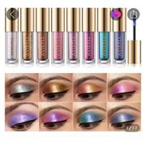
42 | 42 | https://mobile.yangkeduo.com/goods.html?ps=mTOzUzIcEp | 王大可优选海购 | Wang Dake Selected Overseas Shopping | Tanning Foundation Liquid – Bronze Color for Yellowish-Black Skin, Deep Skin Tone Concealer, Suitable for Dark Skin in Europe & America, Fully English-Labeled, Cross-border Wholesale | 美黑粉底液——适合黄黑皮/小麦肤色的古铜色粉底，深肤色遮瑕，适合欧美深色皮肤，全英文标签，跨境批发 | VIBELY Translucent Silky Smooth Powder 23# Natural Shade | VIBELY 透明丝滑柔顺粉饼 23# 自然色 | ¥2.97 | ¥2.97 - ¥5.93 | 180 total sold / 已售180 | 156 | 182K | 922K+ items sold in store / 店铺已拼92.2万+件 | Buy now, pay later; pay on delivery; instant refund if not shipped; 7-day hassle-free returns / 先用后付；货到付款；未发货极速退款；7天无理由退货 | Great service; Repeat customer; High-Potential Store; Loved by 5K+ shoppers; 10K+ positive/partial visible | 服务好；回头客；高潜力店铺；5千+买家喜欢；1万+好评（页面部分可见） | Mainland China | 中国大陆 | Not visible in screenshots / 截图未显示 | Not visible in screenshots / 截图未显示 | No | 否 | Not visible in screenshots / 截图未显示 | Guangdong G Cosmetic Network Record No. 2023234439 | 粤G妆网备字2023234439（OCR） | Shantou Mingfang Cosmetics Co., Ltd. | 汕头市名芳化妆品有限公司 | Guangdong Cosmetics 20190234 / 粤妆20190234（OCR） | Shantou Mingfang Cosmetics Co., Ltd. | 汕头市名芳化妆品有限公司 | 4th Floor, Building A, Qiaotou Industrial Park, Sizhai Village, Xiashan Street, Chaonan District, Shantou City | 广东省汕头市潮南区峡山街道泗寨村桥头工业园A栋4楼 | 4th Floor, Building A, Qiaotou Industrial Park, Sizhai Village, Xiashan Street, Chaonan District, Shantou City / 与备案人地址相同 | 0.28 oz / 8 g (visible on tube) / 管身可见0.28盎司/8克 | #01 fair skin tone; #02 pink-toned pale skin; #03 naturally warm skin; #04 yellowish skin, brightening and concealing; #05 dull and blemished skin; #06 base for shadows/concealer; #07 warm skin, large acne base; #08 darker skin tones. Selector shows #01, #02, #01 2-pack, #02 2-pack. | #01适合白皙肤色；#02适合粉调偏白肤色、提亮；#03适合自然暖肤色；#04适合黄皮、提亮遮瑕；#05适合暗沉瑕疵皮；#06可作阴影/遮瑕打底；#07适合暖皮/大面积痘印打底；#08适合较深肤色。规格选择页显示01#、02#、01#两支装、02#两支装。 | Visible options: 01# ¥2.97 last 19 left; 02# ¥2.97 last 6 left; 01# 2 pieces per pack ¥5.93 last 5 left; 02# 2 pieces per pack ¥5.93 last 5 left. Promo visible: 2 pcs 9.9折. | 可见规格：01# ¥2.97 仅剩19件；02# ¥2.97 仅剩6件；01#两支装 ¥5.93 仅剩5件；02#两支装 ¥5.93 仅剩5件。页面显示优惠：2件9.9折。 | 10 | Values are extracted from product 42 screenshots. The specifications popup shows powder naming, while the main listing/gallery shows foundation/concealer; both visible labels are preserved. Product link read from the sequence PDF. | 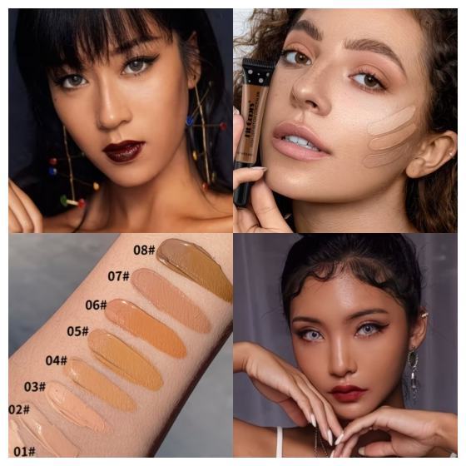
43 | 43 | https://mobile.yangkeduo.com/goods2.html?ps=ErGVpzoaJV | 王大可优选海购 | Wang Dake Selected Overseas Shopping | Seven-Color Gothic-style Pearl Lipstick – Multi-functional Fine Shimmer Highlighter for Lips & Cheeks, Full English Label, Cross-border Trade Wholesale | 七色哥特风珠光口红——唇颊多功能细闪高光，全英文标签，跨境贸易批发 | Seven-Color Gothic-style Pearlescent Lipstick / Fine Shimmer Lip & Cheek Highlighter | 七色哥特风珠光口红 / 唇颊细闪高光 | ¥4.85 | ¥4.85 - ¥5.84 | 56 sold / 已售56 | 48 | 182K | 922K+ items sold in store / 店铺已拼92.2万+件 | Buy now, pay later; pay on delivery; instant refund if not shipped / 先用后付；货到付款；未发货极速退款 | Great service; Repeat customer; Works well; Affordable; Natural color; High-Potential Store; Loved by 5K+ shoppers; Sold 20K+ tag visible | 服务好；回头客；好用；价格实惠；颜色自然；高潜力店铺；5千+买家喜欢；页面可见“Sold 20K+”标签 | Mainland China | 中国大陆 | Not visible in screenshots / 截图未显示 | Not visible in screenshots / 截图未显示 | No | 否 | 1095 days / 1095天 | Not visible in screenshots / 截图未显示 | Not visible in screenshots / 截图未显示 | Not visible in screenshots / 截图未显示 | Not visible in screenshots / 截图未显示 | Not visible in screenshots / 截图未显示 | Not visible in screenshots / 截图未显示 | Not visible in screenshots / 截图未显示 | Not visible in screenshots / 截图未显示 | Not visible in screenshots / 截图未显示 | Not visible in screenshots / 截图未显示 | 4 g / 4克 | Gallery shows white/silver shade, #02 light peach-pink, #03 red-orange shimmer, #04 bright purple/fuchsia, #05 pink/rose shimmer, #06 smoky grey/black shimmer, #07 mauve-brown shimmer. Selector clearly shows #03, #05, #06 in 4g. | 图库显示白/银色、#02浅蜜桃粉、#03红橙珠光、#04亮紫/玫红、#05粉玫瑰珠光、#06烟熏灰黑珠光、#07豆沙棕珠光。规格选择页清晰显示03#、05#、06#，净含量4克。 | Visible selector prices: 03# 4g ¥4.85 last 1 left; 05# 4g ¥5.73 last 1 left; 06# 4g ¥5.84 last 1 left. | 可见规格价格：03# 4g ¥4.85 仅剩1件；05# 4g ¥5.73 仅剩1件；06# 4g ¥5.84 仅剩1件。 | 12 | Values are extracted from Product 43 screenshots. Specifications popup only shows texture/origin/special-purpose status/shelf life, so manufacturer and filing details are marked not visible. Product link read from the sequence PDF. | 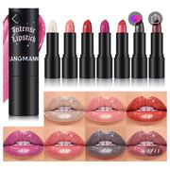
44 | 44 | https://mobile.yangkeduo.com/goods2.html?ps=v0X753135F | 王大可优选海购 | Wang Dake Selected Overseas Shopping | Eyebrow Raincoat Styling Gel – Colorless Transparent Gel for Natural-Looking Wild Eyebrows, Full English Label, Cross-border Trade Wholesale | 眉毛雨衣定型胶——无色透明自然野生眉定型，全英文标签，跨境贸易批发 | Fit Colors Eyebrow Styling Gel / Eyebrow Raincoat Styling Gel | Fit Colors 眉毛定型凝胶 / 眉毛雨衣定型胶 | ¥6.79 | ¥6.79 - ¥10.99 | 9,782 sold / 已售9782 | 249 | 182K | 922K+ items sold in store / 店铺已拼92.2万+件 | Buy now, pay later; pay on delivery; instant refund if not shipped; 7-day hassle-free returns / 先用后付；货到付款；未发货极速退款；7天无理由退货 | Great service; Repeat customer; High-Potential Store; Loved by 5K+ shoppers; 10K+ positive/partial visible; Great value; Works naturally | 服务好；回头客；高潜力店铺；5千+买家喜欢；1万+好评（页面部分可见）；性价比高；定型自然 | Mainland China | 中国大陆 | Not visible in screenshots / 截图未显示 | Not visible in screenshots / 截图未显示 | No | 否 | Not visible in screenshots / 截图未显示 | Not visible in screenshots / 截图未显示 | Not visible in screenshots / 截图未显示 | Not visible in screenshots / 截图未显示 | Not visible in screenshots / 截图未显示 | Not visible in screenshots / 截图未显示 | Not visible in screenshots / 截图未显示 | Not visible in screenshots / 截图未显示 | Not visible in screenshots / 截图未显示 | Not visible in screenshots / 截图未显示 | Not visible in screenshots / 截图未显示 | Not visible in screenshots / 截图未显示 | Visible options: 2# Eyebrow Styling Gel single pack and 2# Eyebrow Styling Gel two-piece pack. Gallery shows clear eyebrow styling gel/mascara wand product with 02 Eyebrow Styling visuals. | 可见规格：2#眉毛定型凝胶单支装、2#眉毛定型凝胶2支装。图库显示透明眉毛定型胶/睫毛刷头包装，主视觉为02 Eyebrow Styling。 | Visible selector prices: 2# Eyebrow Styling Gel ¥6.79, last 3 left; 2# Eyebrow Styling Gel (2 pieces) ¥10.99, last 1 left. | 可见规格价格：2#眉毛定型凝胶 ¥6.79，仅剩3件；2#眉毛定型凝胶（2支装）¥10.99，仅剩1件。 | 8 | Values are extracted from Product 44 screenshots. Only Origin and Special Purpose Cosmetics were visible in the specifications popup; manufacturer, filing and shelf-life fields are therefore marked not visible. Product link read from the sequence PDF. | 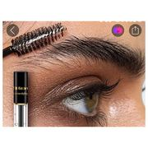
45 | 45 | https://mobile.yangkeduo.com/goods1.html?ps=xbysTrogf6 | 王大可优选海购 | Wang Dake Selected Overseas Shopping | Coolstory Single-Color Lazy Eye Shadow Pen – Full English Label, Pearl Glitter Brightening Stick for Cross-Border E-commerce, Wholesale | Coolstory 单色懒人眼影笔——全英文标签，珍珠亮片提亮棒，跨境电商批发 | Lakerain Moisturizing Plumping Lip Gloss | Lakerain 保湿丰唇唇彩 | ¥5.69 | ¥5.69 - ¥13.76 | 9,570 sold / 已售9570 | 60 | 182K | 922K+ items sold in store / 店铺已拼92.2万+件 | Buy now, pay later; pay on delivery; instant refund if not shipped; 7-day hassle-free returns / 先用后付；货到付款；未发货极速退款；7天无理由退货 | Great service; Repeat customer; Affordable; Natural color; High-Potential Store; Loved by 5K+ shoppers; 10K+ positive/partial visible | 服务好；回头客；价格实惠；颜色自然；高潜力店铺；5千+买家喜欢；1万+好评（页面部分可见） | Mainland China | 中国大陆 | Not visible in screenshots / 截图未显示 | Not visible in screenshots / 截图未显示 | No | 否 | 1095 days / 1095天 | Hunan G Makeup Network Filing No. 2026000359 | 湘G妆网备字2026000359（OCR） | Hunan Shimei Biotechnology Co., Ltd. | 湖南诗美生物科技有限公司 | Xiangzhuang 20220006 / 湘妆20220006（OCR） | Hunan Shimei Biotechnology Co., Ltd. | 湖南诗美生物科技有限公司 | Building 2, Factory 301, Chenzhou Xinaodeli Electrical Appliances Co., Ltd., No. 112 Linyi Road, Bailutang Town, Chenzhou Section of China (Hunan) Pilot Free Trade Zone | 中国（湖南）自由贸易试验区郴州片区白露塘镇林邑路112号郴州新奥德利电器有限公司2栋301厂房 | Building 2, Factory 301, same registered address visible in specifications / 2栋301厂房，规格页显示与注册地址相同 | Not visible in screenshots / 截图未显示 | Visible color choices: E01, E05, E014, E016, E021, plus choose any 2 pieces and choose any 3 pieces color bundles. Gallery also shows silver, champagne/gold, rose-gold, purple, blue, pink, green and dark smoky shades. | 可见颜色选择：E01、E05、E014、E016、E021，以及任选2支、任选3支颜色组合。图库还显示银色、香槟金/金色、玫瑰金、紫色、蓝色、粉色、绿色和深烟熏色等色系。 | Visible selector prices: E01 ¥5.69 last 5 left; E05 ¥5.69 last 6 left; E014 ¥5.69 last 4 left; E016 ¥5.69 last 2 left; E021 ¥5.69 last 5 left; choose any 2 pieces ¥9.8 last 2 left; choose any 3 pieces ¥13.76 last 1 left. Promo: 2 pcs 9.9折. | 可见规格价格：E01 ¥5.69 仅剩5件；E05 ¥5.69 仅剩6件；E014 ¥5.69 仅剩4件；E016 ¥5.69 仅剩2件；E021 ¥5.69 仅剩5件；任选2支 ¥9.8 仅剩2件；任选3支 ¥13.76 仅剩1件。优惠：2件9.9折。 | 13 | Values are extracted from Product 45 screenshots. The specifications popup lists Lakerain Moisturizing Plumping Lip Gloss while the main listing/gallery shows Coolstory eye shadow stick, so both visible labels are preserved. Product link read from the sequence PDF. | 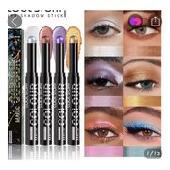
46 | 46 | https://mobile.yangkeduo.com/goods1.html?ps=oRrfkd7CwI | 王大可优选海购 | Wang Dake Selected Overseas Shopping | All-English Cross-Border 4-in-1 Foundation Liquid – Waterproof, Sweat-Resistant, Concealing, Anti-Shine, Moisturizing Foundation for Export Wholesale | 全英文跨境 4合1 粉底液——防水、防汗、遮瑕、控油/哑光、保湿粉底，出口批发 | Lakerain 4-in-1 Foundation Liquid | Lakerain 4合1 粉底液 | ¥29.9 | ¥29.9 | 2 sold / 已售2 | Not visible in screenshots / 截图未显示 | 182K | 922K+ items sold in store / 店铺已拼92.2万+件 | Buy now, pay later; pay on delivery; instant refund if not shipped; 7-day hassle-free returns / 先用后付；货到付款；未发货极速退款；7天无理由退货 | Great service; Repeat customer; Works well; Great texture; Pleasant scent; High-Potential Store; Loved by 5K+ shoppers; 10K+ positive/partial visible | 服务好；回头客；好用；质地好；香味怡人；高潜力店铺；5千+买家喜欢；1万+好评（页面部分可见） | Mainland China | 中国大陆 | Not visible in screenshots / 截图未显示 | Not visible in screenshots / 截图未显示 | No | 否 | 1095 days / 1095天 | Not visible in screenshots / 截图未显示 | Not visible in screenshots / 截图未显示 | Not visible in screenshots / 截图未显示 | Not visible in screenshots / 截图未显示 | Not visible in screenshots / 截图未显示 | Not visible in screenshots / 截图未显示 | Not visible in screenshots / 截图未显示 | Not visible in screenshots / 截图未显示 | Not visible in screenshots / 截图未显示 | Not visible in screenshots / 截图未显示 | 30 ml / 1.05 fl. oz / 30毫升 | Visible options: Lakerain 4-in-1 Foundation single-bottle option appears just sold out; Lakerain 4-in-1 Foundation [2 bottles] is selected and has last 1 left. | 可见规格：Lakerain 4合1粉底液单瓶规格显示刚刚抢光；Lakerain 4合1粉底液【2瓶装】已选中，仅剩1件。 | Visible selector price: Lakerain 4-in-1 Foundation [2 bottles] ¥29.9, last 1 left. Single-bottle option is greyed/just sold out; its price is not visible in the selector. | 可见规格价格：Lakerain 4合1粉底液【2瓶装】¥29.9，仅剩1件。单瓶规格为灰色/刚刚抢光，规格价格未显示。 | 6 | Values are extracted from Product 46 screenshots. The store/review section and specifications popup are visible, but filing/manufacturer details are not shown. Product link read from the sequence PDF. | 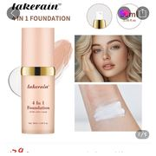
47 | 47 | https://mobile.yangkeduo.com/goods.html?ps=3AIUOEOHSV | 王大可优选海购 | Wang Dake Selected Overseas Shopping | Indian Sai Baba Truth Incense – Golden Sandalwood Bamboo Stick Incense, Floral Scented Tibetan Incense, Fresh Aroma Sticks for Home/Bedroom Use with Agarwood Spiritual Energy [Ships within 7 days] | 印度赛巴巴真理香——金檀香竹签香，花香藏香，家居/卧室用清新香薰棒，沉香精神能量香【7天内发货】 | Satya / Shrinivas Sugandhalaya Nag Champa incense sticks | Satya / Shrinivas Sugandhalaya 赛巴巴 Nag Champa 线香 | ¥8.8 | ¥8.8 - ¥21.9 | 25 sold / 已售25 | 13 | 182K | 922K+ items sold in store / 店铺已拼92.2万+件 | Buy now, pay later; pay on delivery; back to original price soon; pre-sale shipment before 06/16 / 先用后付；货到付款；即将恢复原价；预售06月16日前发货 | Item reviews: Smells amazing; Sophisticated scent; Like sandalwood; Store tags: Great service; Repeat customer; Pleasant scent; High-Potential Store; Loved by 5K+ shoppers; 10K+ positive/partial visible | 商品评价：香味很好；气味高级；类似檀香；店铺标签：服务好；回头客；香味怡人；高潜力店铺；5千+买家喜欢；1万+好评（部分可见） | India (visible from product title/packaging; no formal parameter page shown) | 印度（商品标题/包装可见；未显示正式参数页） | Not visible in screenshots / 截图未显示 | Not visible in screenshots / 截图未显示 | Not applicable; incense product / 不适用；线香/香薰产品 | 不适用 | Not visible in screenshots / 截图未显示 | Not applicable / 不适用 | Not applicable / 不适用 | Not visible in screenshots / 截图未显示 | Not visible in screenshots / 截图未显示 | Not visible in screenshots / 截图未显示 | Not visible in screenshots / 截图未显示 | Not visible in screenshots / 截图未显示 | Not visible in screenshots / 截图未显示 | Not visible in screenshots / 截图未显示 | Not visible in screenshots / 截图未显示 | 15g per box visible on packaging / 包装可见每盒15克 | Visible scent/style options: Nag Champa Yellow Floral Scent, Money Matrix/Wealth, California White Sage, Indian Agarwood, Karma, Myrrh, Spiritual Energy, Sweet Vanilla, Good Atmosphere, Purple Rosemary, For You, Black Opium, plus choose-any-2-boxes and choose-any-3-boxes bundles. | 可见香味/规格：Nag Champa 黄色花香、财富/金钱矩阵、加州白鼠尾草、印度沉香、Karma、没药、精神能量、甜香草、好氛围、紫色迷迭香、For You、黑鸦片，以及任选2盒、任选3盒组合。 | Single scent boxes visible at ¥8.8 each; original/soon-restored price shown as ¥11.9. Bundle “choose any 2 boxes” visible at ¥15.9; bundle “choose any 3 boxes” visible at ¥21.9. Promotion shown: 2 pieces 9.5折 / 5% off. | 单盒香味规格可见价格均为¥8.8；页面显示即将恢复¥11.9。任选2盒组合¥15.9；任选3盒组合¥21.9。页面显示优惠：2件9.5折。 | 10 | Values are extracted from Product 47 screenshots. No separate product-parameter/specification page is visible for this incense item; non-cosmetic fields are marked not applicable. Product link read from the sequence PDF OCR. | 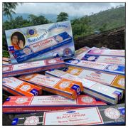
48 | 48 | https://mobile.yangkeduo.com/goods1.html?ps=qbVtInI4hX | 王大可优选海购 | Wang Dake Selected Overseas Shopping | Nepal STUPA Premium Handmade Natural Incense Sticks – Tibetan Incense with Incense Holder, Full English Labeling, Cross-border Trade Wholesale | 尼泊尔 STUPA 优质手工天然线香——藏香，带香座，全英文标签，跨境贸易批发 | STUPA Nepal premium handmade natural incense sticks / Tibetan incense | STUPA 尼泊尔优质手工天然线香 / 藏香 | ¥7.4 | ¥4.99 - ¥21.99 | 10K+ sold / 已售1万+ | 642 item reviews; 628 positive reviews visible / 商品评价642；页面可见628条好评 | 182K | 922K+ items sold in store / 店铺已拼92.2万+件 | Buy now, pay later; pay on delivery; instant refund if not shipped; 7-day hassle-free returns / 先用后付；货到付款；未发货极速退款；7天无理由退货 | Great service; Repeat customer; Pleasant scent; High-Potential Store; Loved by 5K+ shoppers; 10K+ positive tag visible | 服务好；回头客；香味宜人；高潜力店铺；5千+买家喜欢；页面可见1万+好评标签 | Nepal | 尼泊尔 | Not visible in screenshots / 截图未显示 | Not visible in screenshots / 截图未显示 | Not applicable - incense product | 不适用——线香产品 | Not visible / 截图未显示 | Not applicable / 不适用 | 不适用 | Not visible in screenshots / 截图未显示 | 截图未显示 | Not visible / 截图未显示 | Not applicable / 不适用 | 不适用 | Not applicable / 不适用 | 不适用 | Not visible in screenshots / 截图未显示 | Each box has 15 sticks; length 10 cm; diameter 0.3 cm. Burn time 30-60 minutes / 每盒15支；长10厘米；直径0.3厘米；燃烧时间30-60分钟 | Fragrance options shown: Sandalwood, Himalayan Cedar/Cedar, Myrrh, Dorjee, NASWA, Austha Suganda, Nag Champa, Citronella/Lemongrass, Frankincense, Devdar; 3-box combinations, 2-box combinations, single boxes and random 1-stick option. | 可见香型：檀香、喜马拉雅雪松/雪松、没药、多吉、纳斯瓦、奥斯塔香、金香木、香茅/柠檬草、乳香、神木；包含3盒组合、2盒组合、单盒和随机1支选项。 | 3-box customer-selected combinations: ¥21.99; 2-box hot-selling combinations: ¥15.35; single boxes mostly ¥8.79, Austha visible at ¥7.4; random scent 1 stick ¥4.99. Promo visible: 2 pcs 9.9折. | 3盒顾客常选组合：¥21.99；2盒热卖组合：¥15.35；单盒大多¥8.79，奥斯塔可见¥7.4；随机香型1支¥4.99。页面显示优惠：2件9.9折。 | 10 | Values are extracted from Product 48 screenshots. Product link read from the sequence PDF. Product is incense, so cosmetics-only approval/manufacturer fields are marked not applicable or not visible. | 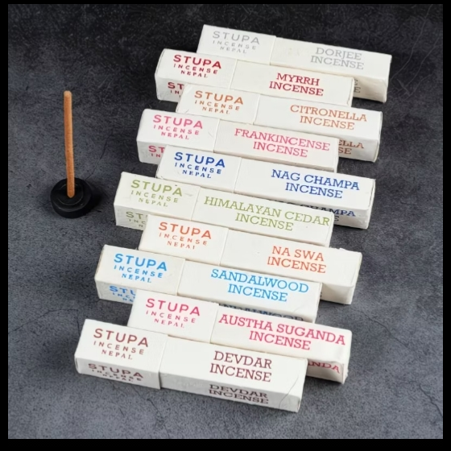
49 | 49 | https://mobile.yangkeduo.com/goods1.html?ps=zdts90ay3X | 王大可优选海购 | Wang Dake Selected Overseas Shopping | Self-tanning cream and oil for men and women - wheat-to-bronze beach tanning cream, full English label, cross-border wholesale | 男士女士自助美黑霜/油——小麦色至古铜色海滩助晒霜，全英文标签，跨境批发 | MAYCHEER Tanning Cream / Self-tanning cream | MAYCHEER 美黑霜 / 助晒霜 | ¥5.99 | ¥5.99 - ¥10.9 | 39 sold / 已售39 | 15 | 182K | 922K+ items sold in store / 店铺已拼92.2万+件 | Buy now, pay later; pay on delivery; back to original price soon; instant refund if not shipped / 先用后付；货到付款；即将恢复原价；未发货极速退款 | Great service; Repeat customer; Works well; Affordable; Good product; High-Potential Store; Loved by 5K+ shoppers; 10K+ positive/partial visible | 服务好；回头客；好用；价格实惠；商品不错；高潜力店铺；5千+买家喜欢；1万+好评（页面部分可见） | Mainland China | 中国大陆 | Not visible in screenshots / 截图未显示 | Not visible in screenshots / 截图未显示 | No | 否 | 1080 days / 1080天 | Not visible in screenshots / 截图未显示 | 截图未显示 | Not visible in screenshots / 截图未显示 | 截图未显示 | Not visible in screenshots / 截图未显示 | Not visible in screenshots / 截图未显示 | 截图未显示 | Not visible in screenshots / 截图未显示 | 截图未显示 | Not visible in screenshots / 截图未显示 | 60 g / 2.1 oz visible on jar/gallery / 包装/图库可见60克/2.1盎司 | Visible style options: Coconut Flavor single jar; Coconut Flavor [2 cans]. Gallery also shows Mango flavor product images, but selector screenshots only show Coconut options. | 可见规格：椰子味单罐；椰子味【2罐装】。图库还显示芒果味产品图，但规格选择截图只显示椰子味选项。 | Visible selector prices: Coconut Flavor ¥5.99, last 1 left; Coconut Flavor [2 cans] ¥10.9, last 1 left. Main page shows was ¥11.9 and limited offer 3 left. | 可见规格价格：椰子味 ¥5.99，仅剩1件；椰子味【2罐装】¥10.9，仅剩1件。主页面显示划线价¥11.9，限时优惠仅剩3件。 | 7 | Values are extracted from Product 49 screenshots. Product link read from the sequence PDF page 8, second URL after product 48. Cosmetic manufacturer/filing information is not visible in the captured specification popup. Main images show MAYCHEER tanning cream; the specification popup lists functional fields only. | 
50 | 50 | https://mobile.yangkeduo.com/goods1.html?ps=K1OrcoMtQJ | 王大可优选海购 | Wang Dake Selected Overseas Shopping | Xiaohuzi Lip Hair Removal Cream – For Women's Face & Lips, Removes Fine Hairs Without Leaving Black Stains, Gentle Non-Irritating Formula, Single-Use Disposable | 小胡子唇毛脱毛膏——适用于女性面部和唇部，去除细毛不留黑印，温和不刺激，一次性便携装 | Women's Skin Softening Hair Removal Cream / Portable Hair Removal Cream | 女士柔肤脱毛膏 / 便携脱毛膏 | ¥9.9 | ¥9.9 - ¥25.9 | 206 sold / 已售206 | 179 | 182K | 922K+ items sold in store / 店铺已拼92.2万+件 | Buy now, pay later; pay on delivery; instant refund if not shipped; 7-day hassle-free returns / 先用后付；货到付款；未发货极速退款；7天无理由退货 | Great service; Repeat customer; Gentle; Effective; Smooth skin after use; High-Potential Store; Loved by 5K+ shoppers; 10K+ positive/partial visible | 服务好；回头客；温和；有效；使用后皮肤顺滑；高潜力店铺；5千+买家喜欢；1万+好评（页面部分可见） | Mainland China | 中国大陆 | Not visible in screenshots / 截图未显示 | Not visible in screenshots / 截图未显示 | No | 否 | Not visible in screenshots / 截图未显示 | Not visible in screenshots / 截图未显示 | Not visible in screenshots / 截图未显示 | Not visible in screenshots / 截图未显示 | Not visible in screenshots / 截图未显示 | Not visible in screenshots / 截图未显示 | Not visible in screenshots / 截图未显示 | Not visible in screenshots / 截图未显示 | Not visible in screenshots / 截图未显示 | Not visible in screenshots / 截图未显示 | Not visible in screenshots / 截图未显示 | 10 g × 8 sticks visible on package / 包装可见净含量：10g×8条 | Portable hair removal cream 1 box, 2 boxes, 3 boxes. Selector text says “For use on the whole body”. Gallery shows pink Women’s Skin Softening Hair Removal Cream box and sachets. | 便携脱毛膏1盒、2盒、3盒。规格文案显示“全身可用”。图库显示粉色女士柔肤脱毛膏盒装和小条包装。 | Visible selector prices: 1 box ¥9.9, soon restores to ¥15.9; 2 boxes ¥17.9, soon restores to ¥22.9; 3 boxes ¥25.9, soon restores to ¥30.9. 2-piece 9.9 discount visible. | 可见规格价格：1盒 ¥9.9，即将恢复15.9元；2盒 ¥17.9，即将恢复22.9元；3盒 ¥25.9，即将恢复30.9元。页面可见2件9.9折。 | 7 | Values are extracted from Product 50 screenshots. Specifications popup visible: Specification Type Travel Size; Applicable Location Full Body; Origin Mainland China; Special Purpose Cosmetics No. Other manufacturer/filing details were not visible. Product link read from the sequence PDF. | 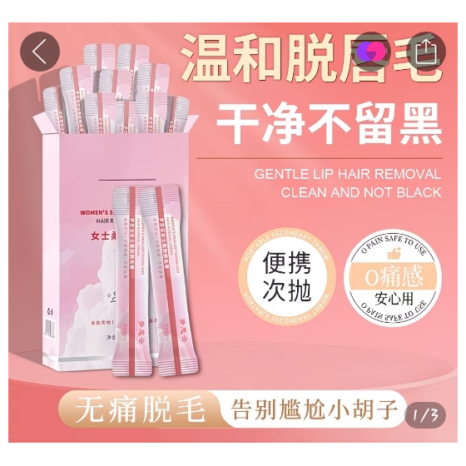
51 | 51 | https://mobile.yangkeduo.com/goods2.html?ps=LAzeZMCX8d | 王大可优选海购 | Wang Dake Selected Overseas Shopping | Peel-off lip color in stock – liquid lipstick/lip gloss, non-fading, transfer-proof, full English labeling, cross-border export wholesale | 现货撕拉唇彩——液体口红/唇釉，不易褪色、不沾杯，全英文标签，跨境出口批发 | QICIY Pure Lip Color Tattoo Long Lasting Peel-Off Lip Tint / Liquid Lipstick | QICIY 持久撕拉唇彩/液体口红 | ¥4.99 | ¥4.99 - ¥9.5 | 11K+ sold / 已售1.1万+ | 2,215 | 182K | 922K+ items sold in store / 店铺已拼92.2万+件 | Buy now, pay later; pay on delivery; instant refund if not shipped; 2-piece 9.9 discount / 先用后付；货到付款；未发货极速退款；2件9.9折 | Great service; Repeat customer; Works well; Affordable; Natural color; High-Potential Store; Loved by 5K+ shoppers; 10K+ positive visible / Great service tags visible | 服务好；回头客；好用；实惠；自然色；高潜力店铺；5千+买家喜欢；页面可见1万+好评 | Mainland China | 中国大陆 | Not visible in screenshots / 截图未显示 | Not visible in screenshots / 截图未显示 | No | 否 | 1095 days / 1095天 | Not visible in screenshots / 截图未显示 | Not visible in screenshots / 截图未显示 | Not visible in screenshots / 截图未显示 | Not visible in screenshots / 截图未显示 | Not visible in screenshots / 截图未显示 | Not visible in screenshots / 截图未显示 | Not visible in screenshots / 截图未显示 | Not visible in screenshots / 截图未显示 | Not visible in screenshots / 截图未显示 | Not visible in screenshots / 截图未显示 | 10g | Single colors: 01#, 02#, 03#, 04#; 2-piece packs: 01[2 pieces], 02[2 pieces], 03[2 pieces], 04[2 pieces]; visible combo packs: 01+04, 02+03 | 单支色号：01#、02#、03#、04#；2支装：01[2支]、02[2支]、03[2支]、04[2支]；可见组合装：01+04、02+03 | Singles are ¥4.99 each; visible 2-piece packs/combo packs are ¥9.5. 03# and some two-piece options appear marked as just grabbed/out of stock; stock notes visible for selected options. | 单支均为¥4.99；可见2支装/组合装为¥9.5。03#和部分2支装显示“刚刚抢光”；所选规格可见余量提示。 | 9 | Values are extracted from Product 51 screenshots. Specifications popup visible: Texture Velvet; Origin Mainland China; Special Purpose Cosmetics No; Shelf Life 1095 days. Product link read from the sequence PDF. | 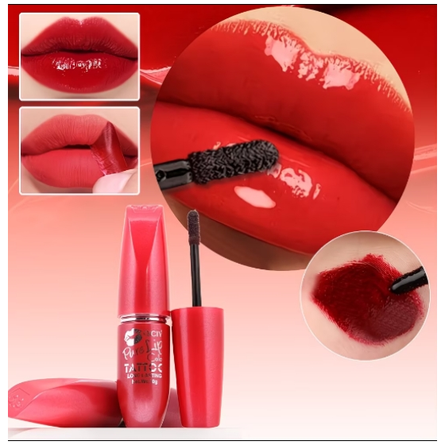
52 | 52 | https://mobile.yangkeduo.com/goods1.html?ps=Qx7GjzFXI5 | 王大可优选海购 | Wang Dake Selected Overseas Shopping | Amino Acid Fragrance Body Lotion Spray – Moisturizing, nourishing full-body perfume, all-English label, cross-border wholesale | 氨基酸香氛身体乳喷雾——保湿滋润、全身香氛，英文标签，跨境批发 | HEYXI Body Lotion Spray / Amino Acid Fragrance Body Lotion Spray | HEYXI 身体乳喷雾 / 氨基酸香氛身体乳喷雾 | ¥7.8 | ¥7.8 - ¥12.9 | 57,591 sold / 已售57591 | 33 | 182K | 922K+ items sold in store / 店铺已拼92.2万+件 | Buy now, pay later; pay on delivery; instant refund if not shipped; 7-day hassle-free returns / 先用后付；货到付款；未发货极速退款；7天无理由退货 | Easy to use; Moisturizing; Good quality; Fast shipping; High-Potential Store; Loved by 5K+ shoppers / 好用；保湿；质量好；发货快；高潜力店铺；5千+买家喜欢 | 好用；保湿；质量好；发货快；高潜力店铺；5千+买家喜欢 | Mainland China | 中国大陆 | Not visible in screenshots / 截图未显示 | Not visible in screenshots / 截图未显示 | No | 否 | 1095 days / 1095天 | Not visible in screenshots / 截图未显示 | 截图未显示 | Not visible in screenshots / 截图未显示 | 截图未显示 | Not visible in screenshots / 截图未显示 | Not visible in screenshots / 截图未显示 | 截图未显示 | Not visible in screenshots / 截图未显示 | 截图未显示 | Not visible in screenshots / 截图未显示 | Not visible in screenshots / 截图未显示 | Visible options: First Love Morning/Chengyu single bottle; First Love Morning/Chengyu [2 bottles]. Gallery also shows scent/detail pages for Starry Rose and First Love Morning. / 可见规格：初恋晨语单瓶、初恋晨语【2瓶装】。图库还显示星野玫瑰和初恋晨语香型详情。 | 可见规格：初恋晨语单瓶、初恋晨语【2瓶装】。图库还显示星野玫瑰和初恋晨语香型详情。 | Visible selector prices: First Love Chengyu ¥7.8, selected; First Love Chengyu [2 bottles] ¥12.9, selected in second selector screenshot. / 可见规格价格：初恋晨语 ¥7.8；初恋晨语【2瓶装】¥12.9。 | 可见规格价格：初恋晨语 ¥7.8；初恋晨语【2瓶装】¥12.9。 | 8 | Values are extracted from Product 52 screenshots. Specifications popup shows Function Other, Origin Mainland China, Special Purpose Cosmetics No, Shelf life 1095 days. PDF link read from sequence after Product 51.
53 | 53 | https://mobile.yangkeduo.com/goods.html?ps=tP3BDIAzDB | 王大可优选海购 | Wang Dake Selected Overseas Shopping | Indian Saba Bata Incense – Handmade Reversing Incense Stick with Natural Plant-Based Fragrance, Nepalese-style Bamboo Stick Incense | 印度萨巴巴塔香——手工倒流香/香柱，天然植物基香味，尼泊尔风格竹香 | SATYA Indian Saba Bata Incense / Dhoop Cones | SATYA 印度萨巴巴塔香 / 倒流香锥 | ¥7.98 | ¥7.98 - ¥43.9 | 39 sold; 693 people buying now / 已售39；693人正在拼 | 24 | 182K | 922K+ items sold in store / 店铺已拼92.2万+件 | Instant refund if not shipped; 7-day hassle-free returns / 未发货极速退款；7天无理由退货 | Great service; Repeat customer; Fresh scent; Pleasant scent; High-Potential Store; Loved by 5K+ shoppers | 服务好；回头客；清新香味；香味好闻；高潜力店铺；5千+买家喜欢 | Not visible in screenshots / 截图未显示 | 截图未显示 | Not visible in screenshots / 截图未显示 | Not visible in screenshots / 截图未显示 | Not applicable - incense product / 不适用（香薰/香产品） | 不适用（香薰/香产品） | Not visible as shelf life; net content 12g visible / 未显示保质期；净含量12g | Not applicable / not visible / 不适用或截图未显示 | 不适用/截图未显示 | Not visible in screenshots / 截图未显示 | 截图未显示 | Not visible in screenshots / 截图未显示 | Not visible in screenshots / 截图未显示 | 截图未显示 | Not visible in screenshots / 截图未显示 | 截图未显示 | Not visible in screenshots / 截图未显示 | 12 g / 12克 | Visible fragrance/pack options: Nagchampa golden jasmine (yellow jasmine); Sandalwood; Dragon's Blood; Californian White S sage; French Lavender; Seven Chakra; Himalayan J jasmine; Sweet Vanilla; Rose; Super Hit constellation fragrance; Nag champa-yellow jasmine [Jennie]; Sandalwood [Park Jae-beom]; Dragon's Blood - dragon's blood; choose any 2/3/5 boxes (color note or random). Size: about 12 pieces/12 sticks/box. | 可见香型/包装：金香花/金香木（黄茉莉）；檀香；龙血；加州白鼠尾草；法国薰衣草；七脉轮；喜马拉雅茉莉；甜香草；玫瑰；SUPER HIT星座香；金香花黄茉莉Jennie款；檀香Park Jae-beom款；龙血款；任选2/3/5盒（备注颜色或随机）。尺寸：约12粒/12支/盒。 | Single 12g/12-stick box fragrances visible at ¥10.9; stick-style variants (Nag champa/Jennie, Sandalwood/Park Jae-beom, Dragon's Blood) visible at ¥7.98; choose any 2 boxes ¥18.9; choose any 3 boxes ¥27.5; choose any 5 boxes ¥43.9; promo 2 pcs 9.9折. | 单盒12g/约12粒或12支可见香型价格¥10.9；条形香款（金香花Jennie、檀香Park Jae-beom、龙血）价格¥7.98；任选2盒¥18.9；任选3盒¥27.5；任选5盒¥43.9；页面显示2件9.9折。 | 10 | Values extracted from Product 53 screenshots. Product is incense, so cosmetic-specific columns are not applicable unless directly visible. Product link read from PDF sequence; product 53 is the sixth link on PDF page 8. | See Product Images sheet / 见商品图片工作表
54 | 54 | https://mobile.yangkeduo.com/goods2.html?ps=g8REkc4JZS | 王大可优选海购 | Wang Dake Selected Overseas Shopping | KISS SUSY Cross-border Multi-color Eyeshadow Pen & Lipstick, Waterproof 2-in-1, Full English Label - Wholesale for International Trade | KISS SUSY 跨境多色眼影笔和口红，防水二合一，全英文标签，外贸批发 | KISS SUSY Multi-color Eyeshadow Pen / Lipstick | KISS SUSY 多色眼影笔 / 口红 | ¥4.99 | ¥4.99 | 55 sold; 694 people buying now; promo shows 13 left / 已售55；694人正在拼；促销剩13件 | 52 | 182K | 922K+ items sold in store / 店铺已拼92.2万+件 | Instant refund if not shipped; 7-day hassle-free returns / 未发货极速退款；7天无理由退货 | Great service; Repeat customer; Affordable; Natural color; High-Potential Store; Loved by 5K+ shoppers | 服务好；回头客；实惠；颜色自然；高潜力店铺；5千+买家喜欢 | Mainland China | 中国大陆 | Not visible in screenshots / 截图未显示 | Not visible in screenshots / 截图未显示 | No / 否 | 否 | Not visible in screenshots / 截图未显示 | Not visible in screenshots / 截图未显示 | 截图未显示 | Not visible in screenshots / 截图未显示 | 截图未显示 | Not visible in screenshots / 截图未显示 | Not visible in screenshots / 截图未显示 | 截图未显示 | Not visible in screenshots / 截图未显示 | 截图未显示 | Not visible in screenshots / 截图未显示 | Not visible in screenshots / 截图未显示 | Visible selector colours: 9# Gold, 13# Midnight Blue, 14# Gray Green, 27# Bronze. Gallery also shows sample shades: 008 blitter red, 029 Classic red, 026 Champagne gold, 018 Deep purple, 035 Lemon yellow, 005 bright red copper, 014 Blue-gray, and A #001-#012 set. | 可见规格颜色：9#金色、13#午夜蓝、14#灰绿色、27#古铜/青铜色。图库还显示色号：008闪红、029经典红、026香槟金、018深紫、035柠檬黄、005亮红铜、014蓝灰，以及A #001-#012套装。 | All visible selected colour variants are priced ¥4.99; was ¥5.97 on main page; promo 2 pcs 9.9折; limited stock shown per shade (e.g., 2 left, 1 left, 8 left). | 所有可见已选颜色规格价格均为¥4.99；主图显示原价¥5.97；促销2件9.9折；各色号显示限量库存（如剩2件、剩1件、剩8件）。 | 12 | Values extracted from Product 54 screenshots. Most product/gallery text is already displayed in English. Product link read from PDF sequence; product 54 is the seventh link on PDF page 8. | See Product Images sheet / 见商品图片工作表

Product Images
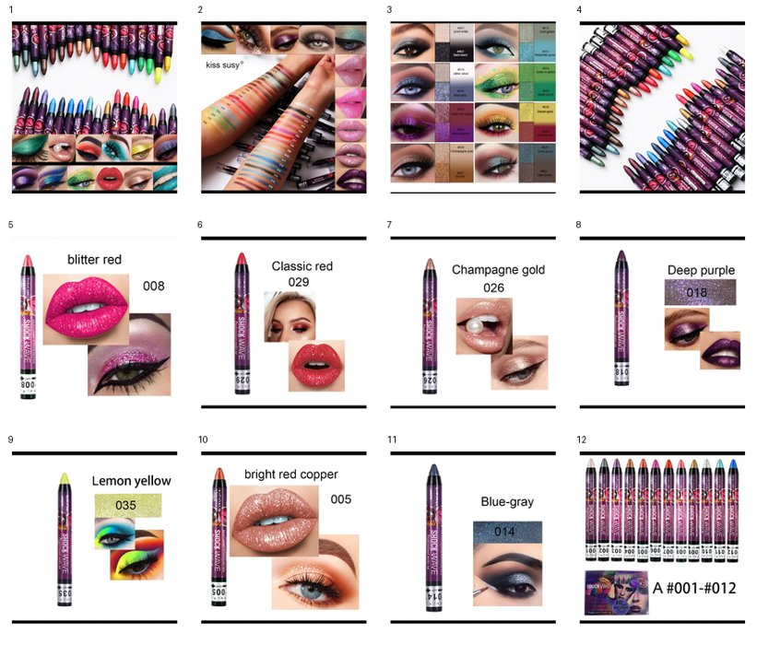
Cropped Product Images / 裁剪商品图片
Product No / 产品编号 | Image No / 图片编号 | Cropped Product Image / 裁剪商品图片 | Original Screenshot / 原始截图 | Crop Region / 裁剪范围 | Image Note / 图片说明
41 | 1 | See embedded contact sheet below / 见下方嵌入式联系表 | Screenshot_20260608-215138.jpg | x=0, y=45, w=540, h=500; normalized to 560x560 white canvas | Product-only crop from gallery/product screenshot / 从商品图库截图裁剪出的商品图
41 | 2 | See embedded contact sheet below / 见下方嵌入式联系表 | Screenshot_20260608-215143.jpg | x=0, y=210, w=540, h=525; normalized to 560x560 white canvas | Product-only crop from gallery/product screenshot / 从商品图库截图裁剪出的商品图
41 | 3 | See embedded contact sheet below / 见下方嵌入式联系表 | Screenshot_20260608-215147.jpg | x=0, y=210, w=540, h=525; normalized to 560x560 white canvas | Product-only crop from gallery/product screenshot / 从商品图库截图裁剪出的商品图
41 | 4 | See embedded contact sheet below / 见下方嵌入式联系表 | Screenshot_20260608-215150.jpg | x=0, y=210, w=540, h=525; normalized to 560x560 white canvas | Product-only crop from gallery/product screenshot / 从商品图库截图裁剪出的商品图
41 | 5 | See embedded contact sheet below / 见下方嵌入式联系表 | Screenshot_20260608-215152.jpg | x=0, y=210, w=540, h=525; normalized to 560x560 white canvas | Product-only crop from gallery/product screenshot / 从商品图库截图裁剪出的商品图
41 | 6 | See embedded contact sheet below / 见下方嵌入式联系表 | Screenshot_20260608-215156.jpg | x=0, y=210, w=540, h=525; normalized to 560x560 white canvas | Product-only crop from gallery/product screenshot / 从商品图库截图裁剪出的商品图
41 | 7 | See embedded contact sheet below / 见下方嵌入式联系表 | Screenshot_20260608-215200.jpg | x=0, y=210, w=540, h=525; normalized to 560x560 white canvas | Product-only crop from gallery/product screenshot / 从商品图库截图裁剪出的商品图
41 | 8 | See embedded contact sheet below / 见下方嵌入式联系表 | Screenshot_20260608-215202.jpg | x=0, y=210, w=540, h=525; normalized to 560x560 white canvas | Product-only crop from gallery/product screenshot / 从商品图库截图裁剪出的商品图
41 | 9 | See embedded contact sheet below / 见下方嵌入式联系表 | Screenshot_20260608-215204.jpg | x=0, y=210, w=540, h=525; normalized to 560x560 white canvas | Product-only crop from gallery/product screenshot / 从商品图库截图裁剪出的商品图
41 | 10 | See embedded contact sheet below / 见下方嵌入式联系表 | Screenshot_20260608-215210.jpg | x=0, y=210, w=540, h=525; normalized to 560x560 white canvas | Product-only crop from gallery/product screenshot / 从商品图库截图裁剪出的商品图
41 | 11 | See embedded contact sheet below / 见下方嵌入式联系表 | Screenshot_20260608-215214.jpg | x=0, y=210, w=540, h=525; normalized to 560x560 white canvas | Product-only crop from gallery/product screenshot / 从商品图库截图裁剪出的商品图
41 | 12 | See embedded contact sheet below / 见下方嵌入式联系表 | Screenshot_20260608-215216.jpg | x=0, y=210, w=540, h=525; normalized to 560x560 white canvas | Product-only crop from gallery/product screenshot / 从商品图库截图裁剪出的商品图

Embedded contact sheet of all cropped product images / 所有裁剪商品图嵌入式联系表
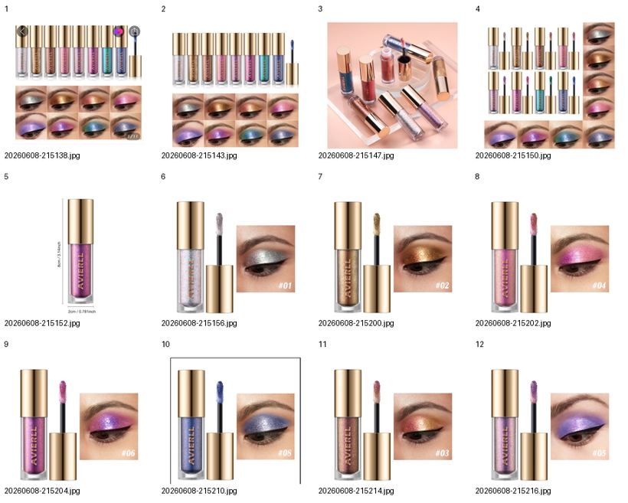

42 | 1 | See embedded contact sheet below / 见下方嵌入式联系表 | Screenshot_20260608-215430.jpg | x=0, y=210, w=540, h=540; normalized to 560x560 white canvas | Product-only crop from gallery/product screenshot / 从商品图库截图裁剪出的商品图
42 | 2 | See embedded contact sheet below / 见下方嵌入式联系表 | Screenshot_20260608-215431.jpg | x=0, y=210, w=540, h=540; normalized to 560x560 white canvas | Product-only crop from gallery/product screenshot / 从商品图库截图裁剪出的商品图
42 | 3 | See embedded contact sheet below / 见下方嵌入式联系表 | Screenshot_20260608-215433.jpg | x=0, y=210, w=540, h=540; normalized to 560x560 white canvas | Product-only crop from gallery/product screenshot / 从商品图库截图裁剪出的商品图
42 | 4 | See embedded contact sheet below / 见下方嵌入式联系表 | Screenshot_20260608-215436.jpg | x=0, y=210, w=540, h=540; normalized to 560x560 white canvas | Product-only crop from gallery/product screenshot / 从商品图库截图裁剪出的商品图
42 | 5 | See embedded contact sheet below / 见下方嵌入式联系表 | Screenshot_20260608-215439.jpg | x=0, y=210, w=540, h=540; normalized to 560x560 white canvas | Product-only crop from gallery/product screenshot / 从商品图库截图裁剪出的商品图
42 | 6 | See embedded contact sheet below / 见下方嵌入式联系表 | Screenshot_20260608-215441.jpg | x=0, y=210, w=540, h=540; normalized to 560x560 white canvas | Product-only crop from gallery/product screenshot / 从商品图库截图裁剪出的商品图
42 | 7 | See embedded contact sheet below / 见下方嵌入式联系表 | Screenshot_20260608-215444.jpg | x=0, y=210, w=540, h=540; normalized to 560x560 white canvas | Product-only crop from gallery/product screenshot / 从商品图库截图裁剪出的商品图
42 | 8 | See embedded contact sheet below / 见下方嵌入式联系表 | Screenshot_20260608-215447.jpg | x=0, y=210, w=540, h=540; normalized to 560x560 white canvas | Product-only crop from gallery/product screenshot / 从商品图库截图裁剪出的商品图
42 | 9 | See embedded contact sheet below / 见下方嵌入式联系表 | Screenshot_20260608-215449.jpg | x=0, y=210, w=540, h=540; normalized to 560x560 white canvas | Product-only crop from gallery/product screenshot / 从商品图库截图裁剪出的商品图
42 | 10 | See embedded contact sheet below / 见下方嵌入式联系表 | Screenshot_20260608-215451.jpg | x=0, y=210, w=540, h=540; normalized to 560x560 white canvas | Product-only crop from gallery/product screenshot / 从商品图库截图裁剪出的商品图

Embedded contact sheet for Product 42 cropped product images / 第42个商品所有裁剪商品图嵌入式联系表
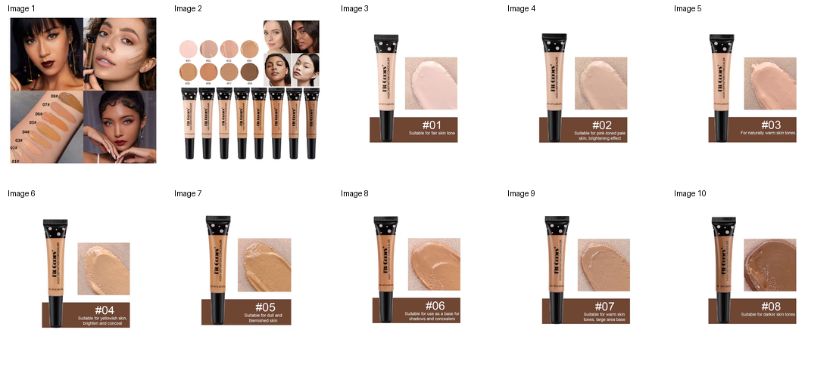

43 | 1 | See embedded contact sheet below / 见下方嵌入式联系表 | Screenshot_20260608-215644.jpg | x=0, y=35, w=540, h=505; normalized to 560x560 white canvas | Product-only crop from gallery/product screenshot / 从商品图库截图裁剪出的商品图
43 | 2 | See embedded contact sheet below / 见下方嵌入式联系表 | Screenshot_20260608-215647.jpg | x=0, y=210, w=540, h=540; normalized to 560x560 white canvas | Product-only crop from gallery/product screenshot / 从商品图库截图裁剪出的商品图
43 | 3 | See embedded contact sheet below / 见下方嵌入式联系表 | Screenshot_20260608-215648.jpg | x=0, y=210, w=540, h=540; normalized to 560x560 white canvas | Product-only crop from gallery/product screenshot / 从商品图库截图裁剪出的商品图
43 | 4 | See embedded contact sheet below / 见下方嵌入式联系表 | Screenshot_20260608-215654.jpg | x=0, y=210, w=540, h=540; normalized to 560x560 white canvas | Product-only crop from gallery/product screenshot / 从商品图库截图裁剪出的商品图
43 | 5 | See embedded contact sheet below / 见下方嵌入式联系表 | Screenshot_20260608-215656.jpg | x=0, y=210, w=540, h=540; normalized to 560x560 white canvas | Product-only crop from gallery/product screenshot / 从商品图库截图裁剪出的商品图
43 | 6 | See embedded contact sheet below / 见下方嵌入式联系表 | Screenshot_20260608-215658.jpg | x=0, y=210, w=540, h=540; normalized to 560x560 white canvas | Product-only crop from gallery/product screenshot / 从商品图库截图裁剪出的商品图
43 | 7 | See embedded contact sheet below / 见下方嵌入式联系表 | Screenshot_20260608-215702.jpg | x=0, y=210, w=540, h=540; normalized to 560x560 white canvas | Product-only crop from gallery/product screenshot / 从商品图库截图裁剪出的商品图
43 | 8 | See embedded contact sheet below / 见下方嵌入式联系表 | Screenshot_20260608-215704.jpg | x=0, y=210, w=540, h=540; normalized to 560x560 white canvas | Product-only crop from gallery/product screenshot / 从商品图库截图裁剪出的商品图
43 | 9 | See embedded contact sheet below / 见下方嵌入式联系表 | Screenshot_20260608-215707.jpg | x=0, y=210, w=540, h=540; normalized to 560x560 white canvas | Product-only crop from gallery/product screenshot / 从商品图库截图裁剪出的商品图
43 | 10 | See embedded contact sheet below / 见下方嵌入式联系表 | Screenshot_20260608-215709.jpg | x=0, y=210, w=540, h=540; normalized to 560x560 white canvas | Product-only crop from gallery/product screenshot / 从商品图库截图裁剪出的商品图
43 | 11 | See embedded contact sheet below / 见下方嵌入式联系表 | Screenshot_20260608-215711.jpg | x=0, y=210, w=540, h=540; normalized to 560x560 white canvas | Product-only crop from gallery/product screenshot / 从商品图库截图裁剪出的商品图
43 | 12 | See embedded contact sheet below / 见下方嵌入式联系表 | Screenshot_20260608-215713.jpg | x=0, y=210, w=540, h=540; normalized to 560x560 white canvas | Product-only crop from gallery/product screenshot / 从商品图库截图裁剪出的商品图

Embedded contact sheet for Product 43 cropped product images / 第43个商品所有裁剪商品图嵌入式联系表
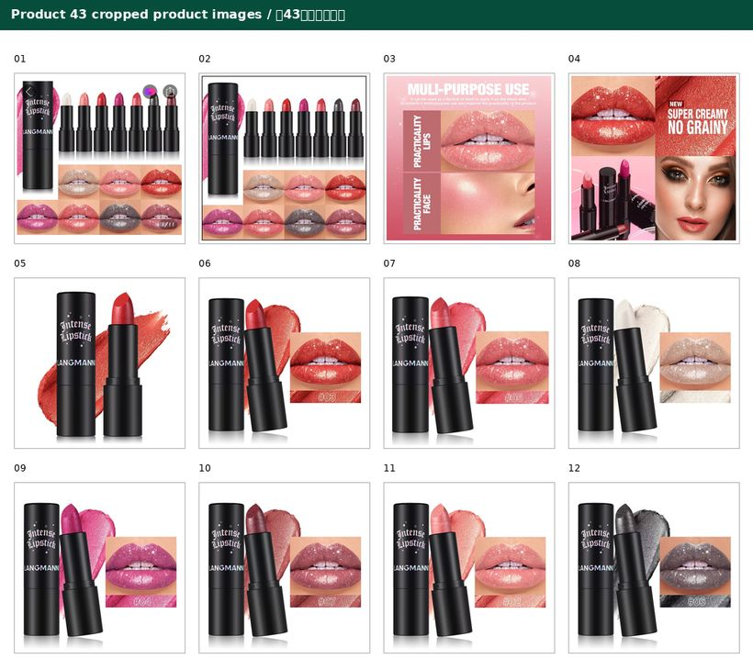

44 | 1 | See embedded contact sheet below / 见下方嵌入式联系表 | Screenshot_20260608-215839.jpg | x=0, y=35, w=540, h=400; normalized to 560x560 white canvas | Product-only or product-relevant crop from gallery/product screenshot / 从商品图库截图裁剪出的商品图或相关规格图
44 | 2 | See embedded contact sheet below / 见下方嵌入式联系表 | Screenshot_20260608-215842.jpg | gallery product/ad creative crop; normalized to 560x560 white canvas | Product-only or product-relevant crop from gallery/product screenshot / 从商品图库截图裁剪出的商品图或相关规格图
44 | 3 | See embedded contact sheet below / 见下方嵌入式联系表 | Screenshot_20260608-215844.jpg | gallery product/ad creative crop; normalized to 560x560 white canvas | Product-only or product-relevant crop from gallery/product screenshot / 从商品图库截图裁剪出的商品图或相关规格图
44 | 4 | See embedded contact sheet below / 见下方嵌入式联系表 | Screenshot_20260608-215853.jpg | gallery product/ad creative crop; normalized to 560x560 white canvas | Product-only or product-relevant crop from gallery/product screenshot / 从商品图库截图裁剪出的商品图或相关规格图
44 | 5 | See embedded contact sheet below / 见下方嵌入式联系表 | Screenshot_20260608-215859.jpg | gallery product/ad creative crop; normalized to 560x560 white canvas | Product-only or product-relevant crop from gallery/product screenshot / 从商品图库截图裁剪出的商品图或相关规格图
44 | 6 | See embedded contact sheet below / 见下方嵌入式联系表 | Screenshot_20260608-215901.jpg | gallery product/ad creative crop; normalized to 560x560 white canvas | Product-only or product-relevant crop from gallery/product screenshot / 从商品图库截图裁剪出的商品图或相关规格图
44 | 7 | See embedded contact sheet below / 见下方嵌入式联系表 | Screenshot_20260608-215907.jpg | metadata/review/specification screenshot; no separate product crop used | Product-only or product-relevant crop from gallery/product screenshot / 从商品图库截图裁剪出的商品图或相关规格图
44 | 8 | See embedded contact sheet below / 见下方嵌入式联系表 | Screenshot_20260608-215913.jpg | metadata/review/specification screenshot; no separate product crop used | Product-only or product-relevant crop from gallery/product screenshot / 从商品图库截图裁剪出的商品图或相关规格图
44 | 9 | See embedded contact sheet below / 见下方嵌入式联系表 | Screenshot_20260608-215917.jpg | variant selector thumbnail crop; normalized to 560x560 white canvas | Product-only or product-relevant crop from gallery/product screenshot / 从商品图库截图裁剪出的商品图或相关规格图
44 | 10 | See embedded contact sheet below / 见下方嵌入式联系表 | Screenshot_20260608-215923.jpg | variant selector thumbnail crop; normalized to 560x560 white canvas | Product-only or product-relevant crop from gallery/product screenshot / 从商品图库截图裁剪出的商品图或相关规格图

Embedded contact sheet for Product 44 cropped product images / 第44个商品所有裁剪商品图嵌入式联系表
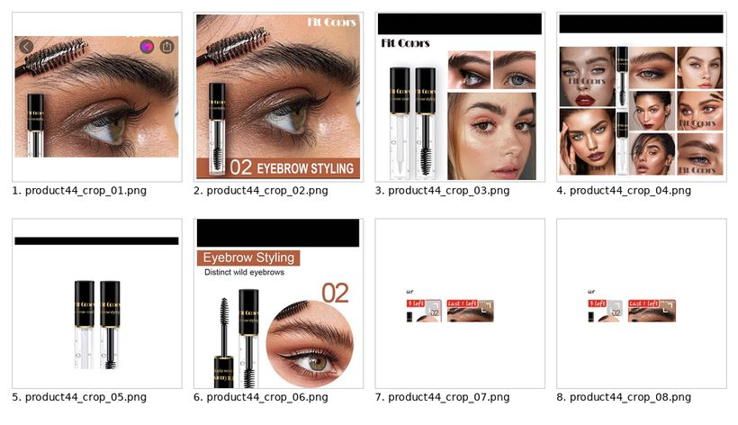

45 | 1 | See embedded contact sheet below / 见下方嵌入式联系表 | Screenshot_20260608-220029.jpg | x=0, y=35, w=540, h=490; normalized to 560x560 white canvas | Main product hero crop / 主商品图裁剪
45 | 2 | See embedded contact sheet below / 见下方嵌入式联系表 | Screenshot_20260608-220035.jpg | x=0, y=210, w=540, h=540; gallery product crop normalized to 560x560 white canvas | Gallery product image crop / 详情图库商品图裁剪
45 | 3 | See embedded contact sheet below / 见下方嵌入式联系表 | Screenshot_20260608-220038.jpg | x=0, y=210, w=540, h=540; gallery product crop normalized to 560x560 white canvas | Gallery product image crop / 详情图库商品图裁剪
45 | 4 | See embedded contact sheet below / 见下方嵌入式联系表 | Screenshot_20260608-220041.jpg | x=0, y=210, w=540, h=540; gallery product crop normalized to 560x560 white canvas | Gallery product image crop / 详情图库商品图裁剪
45 | 5 | See embedded contact sheet below / 见下方嵌入式联系表 | Screenshot_20260608-220044.jpg | x=0, y=210, w=540, h=540; gallery product crop normalized to 560x560 white canvas | Gallery product image crop / 详情图库商品图裁剪
45 | 6 | See embedded contact sheet below / 见下方嵌入式联系表 | Screenshot_20260608-220047.jpg | x=0, y=210, w=540, h=540; gallery product crop normalized to 560x560 white canvas | Gallery product image crop / 详情图库商品图裁剪
45 | 7 | See embedded contact sheet below / 见下方嵌入式联系表 | Screenshot_20260608-220049.jpg | x=0, y=210, w=540, h=540; gallery product crop normalized to 560x560 white canvas | Gallery product image crop / 详情图库商品图裁剪
45 | 8 | See embedded contact sheet below / 见下方嵌入式联系表 | Screenshot_20260608-220051.jpg | x=0, y=210, w=540, h=540; gallery product crop normalized to 560x560 white canvas | Gallery product image crop / 详情图库商品图裁剪
45 | 9 | See embedded contact sheet below / 见下方嵌入式联系表 | Screenshot_20260608-220054.jpg | x=0, y=210, w=540, h=540; gallery product crop normalized to 560x560 white canvas | Gallery product image crop / 详情图库商品图裁剪
45 | 10 | See embedded contact sheet below / 见下方嵌入式联系表 | Screenshot_20260608-220056.jpg | x=0, y=210, w=540, h=540; gallery product crop normalized to 560x560 white canvas | Gallery product image crop / 详情图库商品图裁剪
45 | 11 | See embedded contact sheet below / 见下方嵌入式联系表 | Screenshot_20260608-220100.jpg | x=0, y=210, w=540, h=540; gallery product crop normalized to 560x560 white canvas | Gallery product image crop / 详情图库商品图裁剪
45 | 12 | See embedded contact sheet below / 见下方嵌入式联系表 | Screenshot_20260608-220102.jpg | x=0, y=210, w=540, h=540; gallery product crop normalized to 560x560 white canvas | Gallery product image crop / 详情图库商品图裁剪
45 | 13 | See embedded contact sheet below / 见下方嵌入式联系表 | Screenshot_20260608-220105.jpg | x=0, y=210, w=540, h=540; gallery product crop normalized to 560x560 white canvas | Gallery product image crop / 详情图库商品图裁剪
45 | 14 | See embedded contact sheet below / 见下方嵌入式联系表 | Screenshot_20260608-220110.jpg | variant selector screenshot; product thumbnails visible but not separately cropped | Variant selector source screenshot / 规格选择来源截图
45 | 15 | See embedded contact sheet below / 见下方嵌入式联系表 | Screenshot_20260608-220114.jpg | specification popup screenshot; no product crop | Specification source screenshot / 规格参数来源截图
45 | 16 | See embedded contact sheet below / 见下方嵌入式联系表 | Screenshot_20260608-220117.jpg | specification popup screenshot; no product crop | Specification source screenshot / 规格参数来源截图
45 | 17 | See embedded contact sheet below / 见下方嵌入式联系表 | Screenshot_20260608-220124.jpg | review/store metadata screenshot; no product crop | Review or store metadata screenshot / 评价或店铺信息来源截图
45 | 18 | See embedded contact sheet below / 见下方嵌入式联系表 | Screenshot_20260608-220134.jpg | review/store metadata screenshot; no product crop | Review or store metadata screenshot / 评价或店铺信息来源截图
45 | 19 | See embedded contact sheet below / 见下方嵌入式联系表 | Screenshot_20260608-220140.jpg | review/store metadata screenshot; no product crop | Review or store metadata screenshot / 评价或店铺信息来源截图
45 | 20 | See embedded contact sheet below / 见下方嵌入式联系表 | Screenshot_20260608-220145.jpg | variant selector screenshot; product thumbnails visible but not separately cropped | Variant selector source screenshot / 规格选择来源截图
45 | 21 | See embedded contact sheet below / 见下方嵌入式联系表 | Screenshot_20260608-220152.jpg | variant selector screenshot; product thumbnails visible but not separately cropped | Variant selector source screenshot / 规格选择来源截图
45 | 22 | See embedded contact sheet below / 见下方嵌入式联系表 | Screenshot_20260608-220158.jpg | variant selector screenshot; product thumbnails visible but not separately cropped | Variant selector source screenshot / 规格选择来源截图
45 | 23 | See embedded contact sheet below / 见下方嵌入式联系表 | Screenshot_20260608-220205.jpg | variant selector screenshot; product thumbnails visible but not separately cropped | Variant selector source screenshot / 规格选择来源截图

Embedded contact sheet for Product 45 cropped product images / 第45个商品所有裁剪商品图嵌入式联系表
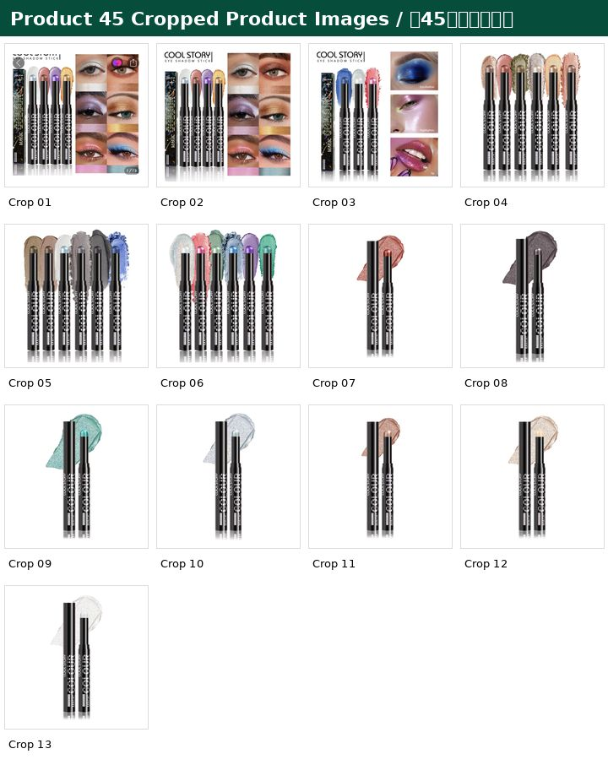

46 | 1 | See embedded contact sheet below / 见下方嵌入式联系表 | Screenshot_20260608-220346.jpg | x=0, y=35, w=540, h=535; normalized to 560x560 white canvas | Main product hero crop / 主商品图裁剪
46 | 2 | See embedded contact sheet below / 见下方嵌入式联系表 | Screenshot_20260608-220348.jpg | x=88, y=210, w=452, h=540; gallery product crop normalized to 560x560 white canvas | Gallery product image crop / 详情图库商品图裁剪
46 | 3 | See embedded contact sheet below / 见下方嵌入式联系表 | Screenshot_20260608-220354.jpg | x=0, y=210, w=540, h=540; gallery product crop normalized to 560x560 white canvas | Gallery product image crop / 详情图库商品图裁剪
46 | 4 | See embedded contact sheet below / 见下方嵌入式联系表 | Screenshot_20260608-220400.jpg | x=0, y=210, w=540, h=540; gallery product crop normalized to 560x560 white canvas | Gallery product image crop / 详情图库商品图裁剪
46 | 5 | See embedded contact sheet below / 见下方嵌入式联系表 | Screenshot_20260608-220404.jpg | x=0, y=210, w=540, h=540; gallery product crop normalized to 560x560 white canvas | Gallery product image crop / 详情图库商品图裁剪
46 | 6 | See embedded contact sheet below / 见下方嵌入式联系表 | Screenshot_20260608-220408.jpg | x=0, y=210, w=540, h=540; gallery product crop normalized to 560x560 white canvas | Gallery product image crop / 详情图库商品图裁剪
46 | 7 | See embedded contact sheet below / 见下方嵌入式联系表 | Screenshot_20260608-220421.jpg | review/store/product-details screenshot; no product crop | Review/store metadata source / 评价店铺信息来源截图
46 | 8 | See embedded contact sheet below / 见下方嵌入式联系表 | Screenshot_20260608-220424.jpg | specification popup screenshot; no product crop | Specification source screenshot / 规格参数来源截图
46 | 9 | See embedded contact sheet below / 见下方嵌入式联系表 | Screenshot_20260608-220429.jpg | variant selector screenshot; no separate product crop | Variant selector source screenshot / 规格选择来源截图

Embedded contact sheet for Product 46 cropped product images / 第46个商品所有裁剪商品图嵌入式联系表
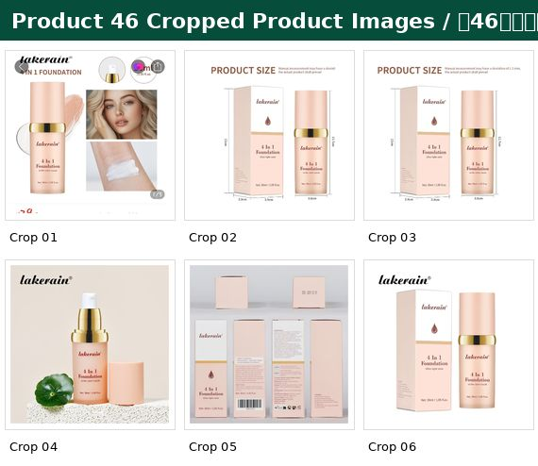

47 | 1 | See embedded contact sheet below / 见下方嵌入式联系表 | Screenshot_20260608-220812.jpg | main product page screenshot; no separate crop used because gallery crop is cleaner | Main product page source / 商品主页来源截图
47 | 2 | See embedded contact sheet below / 见下方嵌入式联系表 | Screenshot_20260608-220816.jpg | x=0, y=210, w=540, h=540; gallery product crop normalized to 560x560 | Gallery product image crop / 详情图库商品图裁剪
47 | 3 | See embedded contact sheet below / 见下方嵌入式联系表 | Screenshot_20260608-220819.jpg | x=0, y=210, w=540, h=540; gallery product crop normalized to 560x560 | Gallery product image crop / 详情图库商品图裁剪
47 | 4 | See embedded contact sheet below / 见下方嵌入式联系表 | Screenshot_20260608-220824.jpg | x=0, y=210, w=540, h=540; gallery product crop normalized to 560x560 | Gallery product image crop / 详情图库商品图裁剪
47 | 5 | See embedded contact sheet below / 见下方嵌入式联系表 | Screenshot_20260608-220825.jpg | x=0, y=210, w=540, h=540; gallery product crop normalized to 560x560 | Gallery product image crop / 详情图库商品图裁剪
47 | 6 | See embedded contact sheet below / 见下方嵌入式联系表 | Screenshot_20260608-220833.jpg | x=0, y=210, w=540, h=540; gallery product crop normalized to 560x560 | Gallery product image crop / 详情图库商品图裁剪
47 | 7 | See embedded contact sheet below / 见下方嵌入式联系表 | Screenshot_20260608-220836.jpg | x=0, y=210, w=540, h=540; gallery product crop normalized to 560x560 | Gallery product image crop / 详情图库商品图裁剪
47 | 8 | See embedded contact sheet below / 见下方嵌入式联系表 | Screenshot_20260608-220838.jpg | x=0, y=210, w=540, h=540; gallery product crop normalized to 560x560 | Gallery product image crop / 详情图库商品图裁剪
47 | 9 | See embedded contact sheet below / 见下方嵌入式联系表 | Screenshot_20260608-220840.jpg | x=0, y=210, w=540, h=540; gallery product crop normalized to 560x560 | Gallery product image crop / 详情图库商品图裁剪
47 | 10 | See embedded contact sheet below / 见下方嵌入式联系表 | Screenshot_20260608-220842.jpg | x=38, y=248, w=464, h=464; white-background product crop normalized to 560x560 | Gallery product image crop / 详情图库商品图裁剪
47 | 11 | See embedded contact sheet below / 见下方嵌入式联系表 | Screenshot_20260608-220844.jpg | x=38, y=248, w=464, h=464; white-background product crop normalized to 560x560 | Gallery product image crop / 详情图库商品图裁剪
47 | 12 | See embedded contact sheet below / 见下方嵌入式联系表 | Screenshot_20260608-220849.jpg | review/store screenshot; no product crop | Review/store metadata source / 评价店铺信息来源截图
47 | 13 | See embedded contact sheet below / 见下方嵌入式联系表 | Screenshot_20260608-220900.jpg | variant selector screenshot; no separate product crop | Variant selector source / 规格选择来源截图
47 | 14 | See embedded contact sheet below / 见下方嵌入式联系表 | Screenshot_20260608-220906.jpg | variant selector screenshot; no separate product crop | Variant selector source / 规格选择来源截图
47 | 15 | See embedded contact sheet below / 见下方嵌入式联系表 | Screenshot_20260608-220914.jpg | variant selector screenshot; no separate product crop | Variant selector source / 规格选择来源截图
47 | 16 | See embedded contact sheet below / 见下方嵌入式联系表 | Screenshot_20260608-220920.jpg | variant selector screenshot; no separate product crop | Variant selector source / 规格选择来源截图
47 | 17 | See embedded contact sheet below / 见下方嵌入式联系表 | Screenshot_20260608-220925.jpg | variant selector screenshot; no separate product crop | Variant selector source / 规格选择来源截图
47 | 18 | See embedded contact sheet below / 见下方嵌入式联系表 | Screenshot_20260608-220932.jpg | variant selector screenshot; no separate product crop | Variant selector source / 规格选择来源截图
47 | 19 | See embedded contact sheet below / 见下方嵌入式联系表 | Screenshot_20260608-220941.jpg | variant selector screenshot; no separate product crop | Variant selector source / 规格选择来源截图
47 | 20 | See embedded contact sheet below / 见下方嵌入式联系表 | Screenshot_20260608-220949.jpg | variant selector screenshot; no separate product crop | Variant selector source / 规格选择来源截图
47 | 21 | See embedded contact sheet below / 见下方嵌入式联系表 | Screenshot_20260608-220954.jpg | variant selector screenshot; no separate product crop | Variant selector source / 规格选择来源截图
47 | 22 | See embedded contact sheet below / 见下方嵌入式联系表 | Screenshot_20260608-221000.jpg | variant selector screenshot; no separate product crop | Variant selector source / 规格选择来源截图
47 | 23 | See embedded contact sheet below / 见下方嵌入式联系表 | Screenshot_20260608-221005.jpg | variant selector screenshot; no separate product crop | Variant selector source / 规格选择来源截图
47 | 24 | See embedded contact sheet below / 见下方嵌入式联系表 | Screenshot_20260608-221010.jpg | variant selector screenshot; no separate product crop | Variant selector source / 规格选择来源截图
47 | 25 | See embedded contact sheet below / 见下方嵌入式联系表 | Screenshot_20260608-221015.jpg | variant selector screenshot; no separate product crop | Variant selector source / 规格选择来源截图
47 | 26 | See embedded contact sheet below / 见下方嵌入式联系表 | Screenshot_20260608-221021.jpg | variant selector screenshot; no separate product crop | Variant selector source / 规格选择来源截图

Embedded contact sheet for Product 47 cropped product images / 第47个商品所有裁剪商品图嵌入式联系表
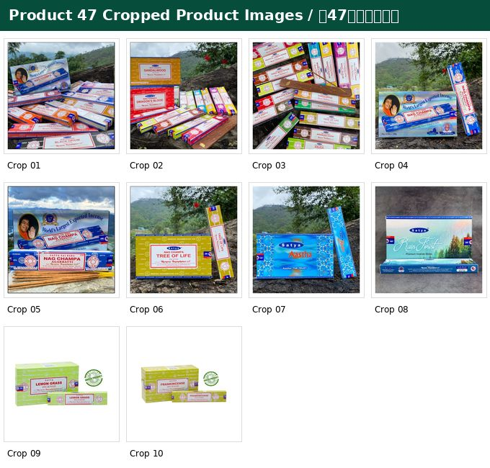

48 | 1 | See embedded contact sheet below / 见下方嵌入式联系表 | Screenshot_20260608-223006.jpg | x=0, y=210, w=540, h=550; normalized to 560x560 canvas | Product-only crop from gallery/product screenshot; app UI removed / 从商品图库截图裁剪出的商品图，已去除App界面元素
48 | 2 | See embedded contact sheet below / 见下方嵌入式联系表 | Screenshot_20260608-223007.jpg | x=0, y=210, w=540, h=550; normalized to 560x560 canvas | Product-only crop from gallery/product screenshot; app UI removed / 从商品图库截图裁剪出的商品图，已去除App界面元素
48 | 3 | See embedded contact sheet below / 见下方嵌入式联系表 | Screenshot_20260608-223010.jpg | x=0, y=210, w=540, h=550; normalized to 560x560 canvas | Product-only crop from gallery/product screenshot; app UI removed / 从商品图库截图裁剪出的商品图，已去除App界面元素
48 | 4 | See embedded contact sheet below / 见下方嵌入式联系表 | Screenshot_20260608-223017.jpg | x=0, y=210, w=540, h=550; normalized to 560x560 canvas | Product-only crop from gallery/product screenshot; app UI removed / 从商品图库截图裁剪出的商品图，已去除App界面元素
48 | 5 | See embedded contact sheet below / 见下方嵌入式联系表 | Screenshot_20260608-223020.jpg | x=0, y=210, w=540, h=550; normalized to 560x560 canvas | Product-only crop from gallery/product screenshot; app UI removed / 从商品图库截图裁剪出的商品图，已去除App界面元素
48 | 6 | See embedded contact sheet below / 见下方嵌入式联系表 | Screenshot_20260608-223022.jpg | x=0, y=210, w=540, h=550; normalized to 560x560 canvas | Product-only crop from gallery/product screenshot; app UI removed / 从商品图库截图裁剪出的商品图，已去除App界面元素
48 | 7 | See embedded contact sheet below / 见下方嵌入式联系表 | Screenshot_20260608-223023.jpg | x=0, y=210, w=540, h=550; normalized to 560x560 canvas | Product-only crop from gallery/product screenshot; app UI removed / 从商品图库截图裁剪出的商品图，已去除App界面元素
48 | 8 | See embedded contact sheet below / 见下方嵌入式联系表 | Screenshot_20260608-223025.jpg | x=0, y=210, w=540, h=550; normalized to 560x560 canvas | Product-only crop from gallery/product screenshot; app UI removed / 从商品图库截图裁剪出的商品图，已去除App界面元素
48 | 9 | See embedded contact sheet below / 见下方嵌入式联系表 | Screenshot_20260608-223027.jpg | x=0, y=210, w=540, h=550; normalized to 560x560 canvas | Product-only crop from gallery/product screenshot; app UI removed / 从商品图库截图裁剪出的商品图，已去除App界面元素
48 | 10 | See embedded contact sheet below / 见下方嵌入式联系表 | Screenshot_20260608-223028.jpg | x=0, y=210, w=540, h=550; normalized to 560x560 canvas | Product-only crop from gallery/product screenshot; app UI removed / 从商品图库截图裁剪出的商品图，已去除App界面元素

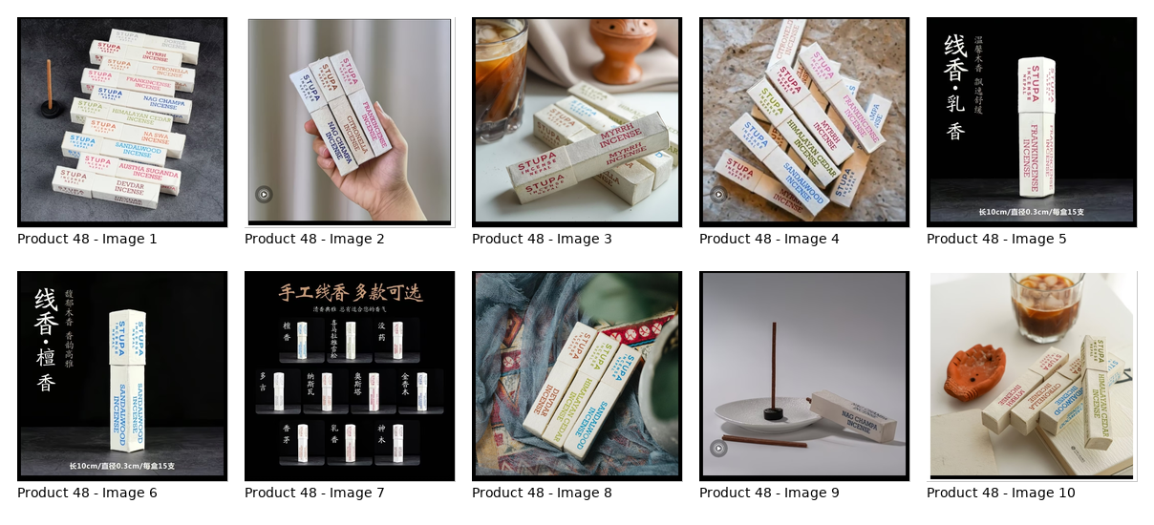

49 | 1 | See embedded contact sheet below / 见下方嵌入式联系表 | Screenshot_20260608-223358.jpg | x=0, y=210, w=540, h=520; normalized to 560x560 canvas | Product-only crop from gallery/product screenshot; app UI removed / 从商品图库截图裁剪出的商品图，已去除App界面元素
49 | 2 | See embedded contact sheet below / 见下方嵌入式联系表 | Screenshot_20260608-223359.jpg | x=0, y=210, w=540, h=520; normalized to 560x560 canvas | Product-only crop from gallery/product screenshot; app UI removed / 从商品图库截图裁剪出的商品图，已去除App界面元素
49 | 3 | See embedded contact sheet below / 见下方嵌入式联系表 | Screenshot_20260608-223401.jpg | x=0, y=210, w=540, h=520; normalized to 560x560 canvas | Product-only crop from gallery/product screenshot; app UI removed / 从商品图库截图裁剪出的商品图，已去除App界面元素
49 | 4 | See embedded contact sheet below / 见下方嵌入式联系表 | Screenshot_20260608-223403.jpg | x=0, y=210, w=540, h=520; normalized to 560x560 canvas | Product-only crop from gallery/product screenshot; app UI removed / 从商品图库截图裁剪出的商品图，已去除App界面元素
49 | 5 | See embedded contact sheet below / 见下方嵌入式联系表 | Screenshot_20260608-223404.jpg | x=0, y=210, w=540, h=520; normalized to 560x560 canvas | Product-only crop from gallery/product screenshot; app UI removed / 从商品图库截图裁剪出的商品图，已去除App界面元素
49 | 6 | See embedded contact sheet below / 见下方嵌入式联系表 | Screenshot_20260608-223406.jpg | x=0, y=210, w=540, h=520; normalized to 560x560 canvas | Product-only crop from gallery/product screenshot; app UI removed / 从商品图库截图裁剪出的商品图，已去除App界面元素
49 | 7 | See embedded contact sheet below / 见下方嵌入式联系表 | Screenshot_20260608-223407.jpg | x=0, y=210, w=540, h=520; normalized to 560x560 canvas | Product-only crop from gallery/product screenshot; app UI removed / 从商品图库截图裁剪出的商品图，已去除App界面元素

Embedded contact sheet for Product 49 cropped product images / 第49个商品所有裁剪商品图嵌入式联系表

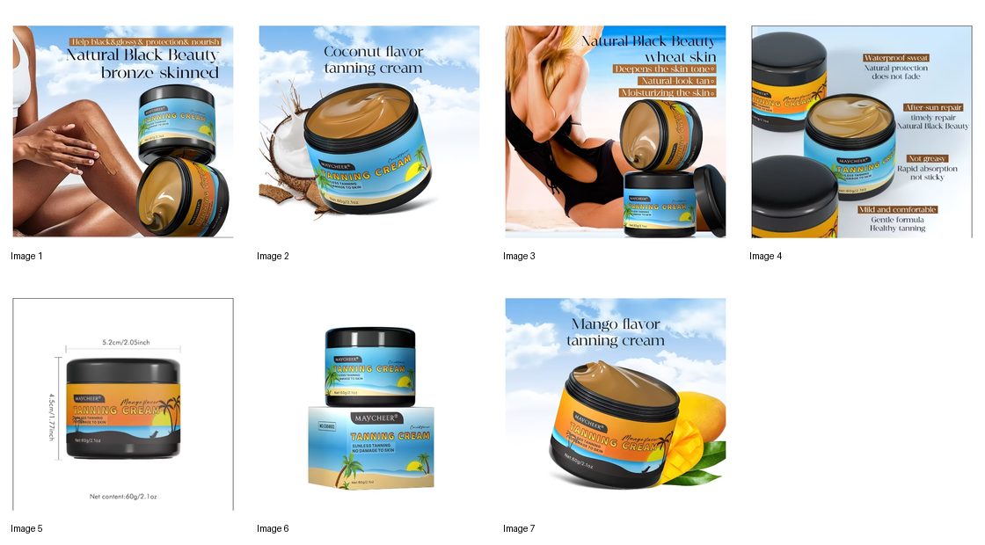
50 | 1 | See embedded contact sheet below / 见下方嵌入式联系表 | Screenshot_20260608-223516.jpg | x=0, y=35, w=540, h=505; normalized to 560x560 white canvas | Main product hero crop from product page / 从商品主页面裁剪主图
50 | 2 | See embedded contact sheet below / 见下方嵌入式联系表 | Screenshot_20260608-223521.jpg | x=0, y=210, w=540, h=540; normalized to 560x560 white canvas | Product gallery/ad creative crop / 商品图库宣传图裁剪
50 | 3 | See embedded contact sheet below / 见下方嵌入式联系表 | Screenshot_20260608-223525.jpg | x=0, y=210, w=540, h=540; normalized to 560x560 white canvas | Product gallery/ad creative crop / 商品图库宣传图裁剪
50 | 4 | See embedded contact sheet below / 见下方嵌入式联系表 | Screenshot_20260608-223527.jpg | x=0, y=210, w=540, h=540; normalized to 560x560 white canvas | Product gallery/ad creative crop / 商品图库宣传图裁剪
50 | 5 | See embedded contact sheet below / 见下方嵌入式联系表 | Screenshot_20260608-223534.jpg | metadata/review/specification screenshot; no separate product crop used | Text/specification screenshot retained as metadata / 文本或规格截图作为元数据
50 | 6 | See embedded contact sheet below / 见下方嵌入式联系表 | Screenshot_20260608-223538.jpg | metadata/review/specification screenshot; no separate product crop used | Text/specification screenshot retained as metadata / 文本或规格截图作为元数据
50 | 7 | See embedded contact sheet below / 见下方嵌入式联系表 | Screenshot_20260608-223544.jpg | x=16, y=382, w=131, h=126; normalized to 560x560 white canvas | Variant selector thumbnail crop / 规格选择弹窗缩略图裁剪
50 | 8 | See embedded contact sheet below / 见下方嵌入式联系表 | Screenshot_20260608-223549.jpg | x=16, y=382, w=131, h=126; normalized to 560x560 white canvas | Variant selector thumbnail crop / 规格选择弹窗缩略图裁剪
50 | 9 | See embedded contact sheet below / 见下方嵌入式联系表 | Screenshot_20260608-223558.jpg | x=16, y=382, w=131, h=126; normalized to 560x560 white canvas | Variant selector thumbnail crop / 规格选择弹窗缩略图裁剪

Embedded contact sheet for Product 50 cropped product images / 第50个商品所有裁剪商品图嵌入式联系表
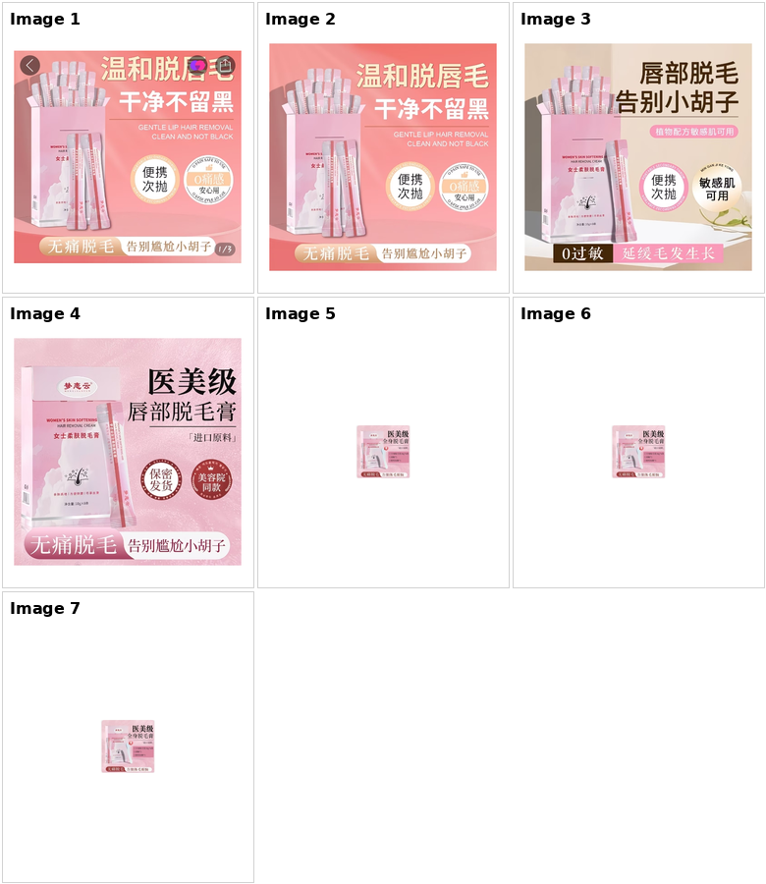

51 | 1 | See embedded contact sheet below / 见下方嵌入式联系表 | Screenshot_20260608-223651.jpg | x=0, y=0, w=540, h=540; main page hero crop candidate; gallery crop used in contact sheet | Main product page with hero image and visible listing details / 商品主页主图与详情信息
51 | 2 | See embedded contact sheet below / 见下方嵌入式联系表 | Screenshot_20260608-223657.jpg | x=0, y=205, w=540, h=550; normalized to 560x560 white canvas | Main product collage from gallery / 图库主图拼图
51 | 3 | See embedded contact sheet below / 见下方嵌入式联系表 | Screenshot_20260608-223702.jpg | x=0, y=210, w=540, h=571; normalized to 560x560 white canvas | Pink shade product and lip swatches / 粉色款商品与唇部试色
51 | 4 | See embedded contact sheet below / 见下方嵌入式联系表 | Screenshot_20260608-223705.jpg | x=6, y=216, w=528, h=529; normalized to 560x560 white canvas | Application steps graphic / 使用步骤图
51 | 5 | See embedded contact sheet below / 见下方嵌入式联系表 | Screenshot_20260608-223708.jpg | x=0, y=210, w=540, h=539; normalized to 560x560 white canvas | QICIY product and swatches / QICIY商品与试色
51 | 6 | See embedded contact sheet below / 见下方嵌入式联系表 | Screenshot_20260608-223711.jpg | x=0, y=210, w=540, h=538; normalized to 560x560 white canvas | Bottle, open tube and applicator / 瓶身、开口与刷头
51 | 7 | See embedded contact sheet below / 见下方嵌入式联系表 | Screenshot_20260608-223713.jpg | x=0, y=210, w=540, h=538; normalized to 560x560 white canvas | Shade 04 product and lip swatches / 04号色商品与唇部试色
51 | 8 | See embedded contact sheet below / 见下方嵌入式联系表 | Screenshot_20260608-223715.jpg | x=2, y=212, w=536, h=538; normalized to 560x560 white canvas | Shade 03 product and lip swatches / 03号色商品与唇部试色
51 | 9 | See embedded contact sheet below / 见下方嵌入式联系表 | Screenshot_20260608-223717.jpg | x=2, y=212, w=536, h=538; normalized to 560x560 white canvas | Shade 01 product and lip swatches / 01号色商品与唇部试色
51 | 10 | See embedded contact sheet below / 见下方嵌入式联系表 | Screenshot_20260608-223719.jpg | x=2, y=212, w=536, h=538; normalized to 560x560 white canvas | Shade 02 product and lip swatches / 02号色商品与唇部试色
51 | 11 | See embedded contact sheet below / 见下方嵌入式联系表 | Screenshot_20260608-223725.jpg | review/specification screenshot; no separate product crop used | Review or specification screenshot retained as text metadata / 评价或规格截图作为文本元数据
51 | 12 | See embedded contact sheet below / 见下方嵌入式联系表 | Screenshot_20260608-223730.jpg | review/specification screenshot; no separate product crop used | Review or specification screenshot retained as text metadata / 评价或规格截图作为文本元数据
51 | 13 | See embedded contact sheet below / 见下方嵌入式联系表 | Screenshot_20260608-223736.jpg | variant selector screenshot; thumbnails visible; no separate large product crop used | Variant selector screenshot retained as variant metadata / 规格选择截图作为规格元数据
51 | 14 | See embedded contact sheet below / 见下方嵌入式联系表 | Screenshot_20260608-223742.jpg | variant selector screenshot; thumbnails visible; no separate large product crop used | Variant selector screenshot retained as variant metadata / 规格选择截图作为规格元数据
51 | 15 | See embedded contact sheet below / 见下方嵌入式联系表 | Screenshot_20260608-223749.jpg | variant selector screenshot; thumbnails visible; no separate large product crop used | Variant selector screenshot retained as variant metadata / 规格选择截图作为规格元数据
51 | 16 | See embedded contact sheet below / 见下方嵌入式联系表 | Screenshot_20260608-223755.jpg | variant selector screenshot; thumbnails visible; no separate large product crop used | Variant selector screenshot retained as variant metadata / 规格选择截图作为规格元数据
51 | 17 | See embedded contact sheet below / 见下方嵌入式联系表 | Screenshot_20260608-223804.jpg | variant selector screenshot; thumbnails visible; no separate large product crop used | Variant selector screenshot retained as variant metadata / 规格选择截图作为规格元数据
51 | 18 | See embedded contact sheet below / 见下方嵌入式联系表 | Screenshot_20260608-223816.jpg | variant selector screenshot; thumbnails visible; no separate large product crop used | Variant selector screenshot retained as variant metadata / 规格选择截图作为规格元数据

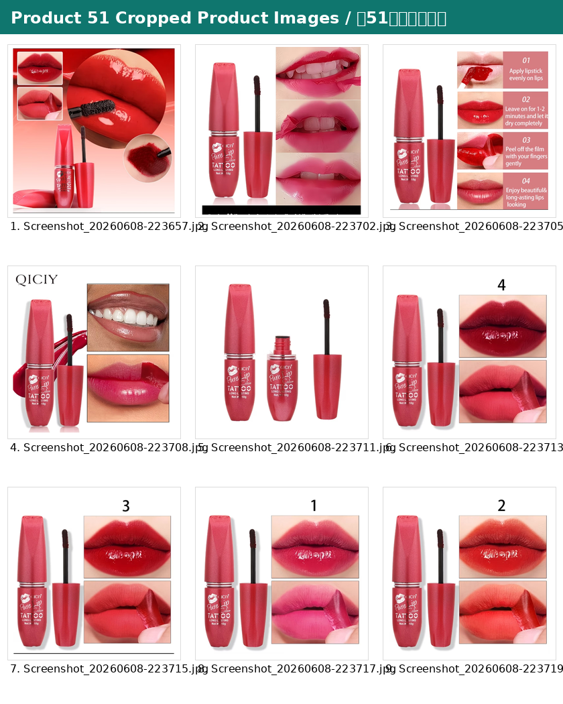
Embedded contact sheet for Product 51 cropped product images / 第51个商品所有裁剪商品图嵌入式联系表
52 | 1 | See embedded contact sheet below / 见下方嵌入式联系表 | Screenshot_20260608-223911.jpg | x=0, y=40, w=540, h=550; normalized to 560x560 white canvas | Main page hero image / 商品主页主图
52 | 2 | See embedded contact sheet below / 见下方嵌入式联系表 | Screenshot_20260608-223914.jpg | x=0, y=210, w=540, h=542; normalized to 560x560 white canvas | Gallery hero with body lotion bottles / 图库主图：身体乳喷雾瓶
52 | 3 | See embedded contact sheet below / 见下方嵌入式联系表 | Screenshot_20260608-223915.jpg | x=0, y=210, w=540, h=542; normalized to 560x560 white canvas | Spray bottle with skin background / 喷雾瓶与肌肤背景
52 | 4 | See embedded contact sheet below / 见下方嵌入式联系表 | Screenshot_20260608-223917.jpg | x=0, y=210, w=540, h=542; normalized to 560x560 white canvas | Spray-type vs press-type comparison / 喷雾型与按压型对比
52 | 5 | See embedded contact sheet below / 见下方嵌入式联系表 | Screenshot_20260608-223919.jpg | x=0, y=210, w=540, h=542; normalized to 560x560 white canvas | Body application scene / 身体使用场景
52 | 6 | See embedded contact sheet below / 见下方嵌入式联系表 | Screenshot_20260608-223920.jpg | x=0, y=210, w=540, h=542; normalized to 560x560 white canvas | Single white bottle product image / 白瓶单品图
52 | 7 | See embedded contact sheet below / 见下方嵌入式联系表 | Screenshot_20260608-223922.jpg | x=0, y=210, w=540, h=542; normalized to 560x560 white canvas | Rose fragrance/detail graphic / 星野玫瑰香型详情图
52 | 8 | See embedded contact sheet below / 见下方嵌入式联系表 | Screenshot_20260608-223923.jpg | x=0, y=210, w=540, h=542; normalized to 560x560 white canvas | First Love morning fragrance/detail graphic / 初恋晨语香型详情图
52 | 9 | See embedded contact sheet below / 见下方嵌入式联系表 | Screenshot_20260608-223930.jpg | review/specification screenshot; no separate product crop used | Review or specification screenshot retained as text metadata / 评价或规格截图作为文本元数据
52 | 10 | See embedded contact sheet below / 见下方嵌入式联系表 | Screenshot_20260608-223933.jpg | review/specification screenshot; no separate product crop used | Review or specification screenshot retained as text metadata / 评价或规格截图作为文本元数据
52 | 11 | See embedded contact sheet below / 见下方嵌入式联系表 | Screenshot_20260608-223939.jpg | variant selector screenshot; thumbnails visible; no separate large product crop used | Variant selector screenshot retained as variant metadata / 规格选择截图作为规格元数据
52 | 12 | See embedded contact sheet below / 见下方嵌入式联系表 | Screenshot_20260608-223941.jpg | variant selector screenshot; thumbnails visible; no separate large product crop used | Variant selector screenshot retained as variant metadata / 规格选择截图作为规格元数据

 |  | 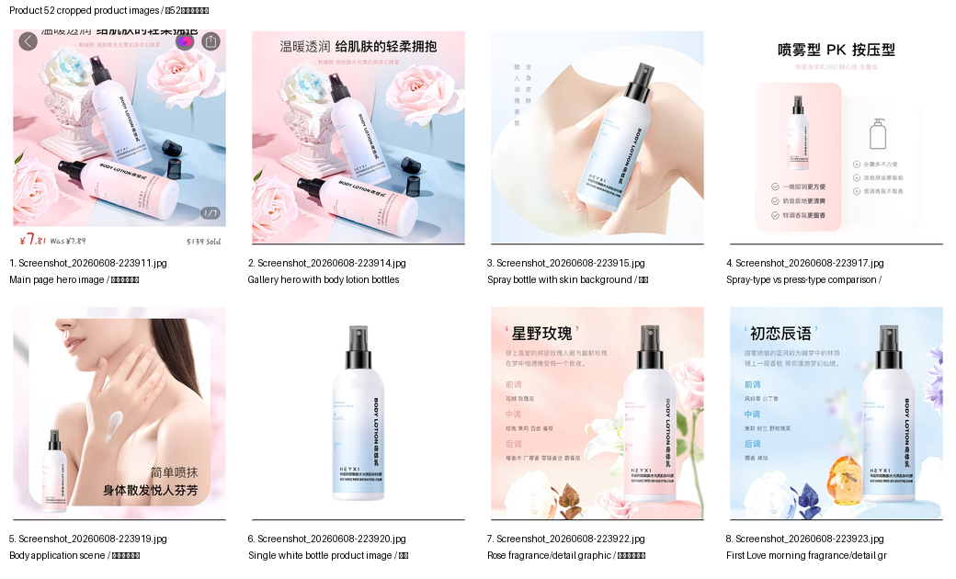

Product 53 cropped product images / 第53个商品裁剪图片
53 | 1 | See embedded contact sheet below / 见下方嵌入式联系表 | Screenshot_20260608-224033.jpg | x=0, y=211, w=540, h=539; normalized to 560x560 white canvas | Product-only crop from gallery screenshot / 从商品图库截图裁剪出的商品图
53 | 2 | See embedded contact sheet below / 见下方嵌入式联系表 | Screenshot_20260608-224035.jpg | x=0, y=211, w=540, h=539; normalized to 560x560 white canvas | Product-only crop from gallery screenshot / 从商品图库截图裁剪出的商品图
53 | 3 | See embedded contact sheet below / 见下方嵌入式联系表 | Screenshot_20260608-224037.jpg | x=0, y=211, w=540, h=539; normalized to 560x560 white canvas | Product-only crop from gallery screenshot / 从商品图库截图裁剪出的商品图
53 | 4 | See embedded contact sheet below / 见下方嵌入式联系表 | Screenshot_20260608-224039.jpg | x=0, y=211, w=540, h=539; normalized to 560x560 white canvas | Product-only crop from gallery screenshot / 从商品图库截图裁剪出的商品图
53 | 5 | See embedded contact sheet below / 见下方嵌入式联系表 | Screenshot_20260608-224042.jpg | x=0, y=211, w=540, h=539; normalized to 560x560 white canvas | Product-only crop from gallery screenshot / 从商品图库截图裁剪出的商品图
53 | 6 | See embedded contact sheet below / 见下方嵌入式联系表 | Screenshot_20260608-224044.jpg | x=0, y=211, w=540, h=539; normalized to 560x560 white canvas | Product-only crop from gallery screenshot / 从商品图库截图裁剪出的商品图
53 | 7 | See embedded contact sheet below / 见下方嵌入式联系表 | Screenshot_20260608-224050.jpg | x=0, y=211, w=540, h=539; normalized to 560x560 white canvas | Product-only crop from gallery screenshot / 从商品图库截图裁剪出的商品图
53 | 8 | See embedded contact sheet below / 见下方嵌入式联系表 | Screenshot_20260608-224051.jpg | x=0, y=211, w=540, h=539; normalized to 560x560 white canvas | Product-only crop from gallery screenshot / 从商品图库截图裁剪出的商品图
53 | 9 | See embedded contact sheet below / 见下方嵌入式联系表 | Screenshot_20260608-224054.jpg | x=0, y=211, w=540, h=539; normalized to 560x560 white canvas | Product-only crop from gallery screenshot / 从商品图库截图裁剪出的商品图
53 | 10 | See embedded contact sheet below / 见下方嵌入式联系表 | Screenshot_20260608-224056.jpg | x=0, y=211, w=540, h=539; normalized to 560x560 white canvas | Product-only crop from gallery screenshot / 从商品图库截图裁剪出的商品图

Embedded contact sheet for Product 53 cropped product images / 第53个商品所有裁剪商品图嵌入式联系表

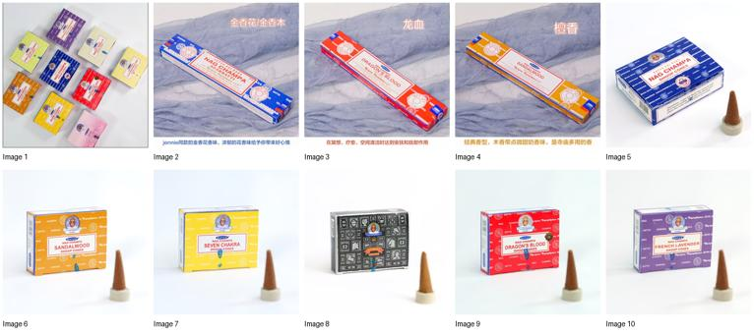

Product 54 cropped product images / 第54个商品裁剪图片
54 | 1 | See embedded contact sheet below / 见下方嵌入式联系表 | Screenshot_20260608-224413.jpg | x=0, y=198, w=540, h=562; normalized to 560x560 white canvas | Product-only crop from gallery screenshot / 从商品图库截图裁剪出的商品图
54 | 2 | See embedded contact sheet below / 见下方嵌入式联系表 | Screenshot_20260608-224415.jpg | x=0, y=198, w=540, h=562; normalized to 560x560 white canvas | Product-only crop from gallery screenshot / 从商品图库截图裁剪出的商品图
54 | 3 | See embedded contact sheet below / 见下方嵌入式联系表 | Screenshot_20260608-224420.jpg | x=0, y=198, w=540, h=562; normalized to 560x560 white canvas | Product-only crop from gallery screenshot / 从商品图库截图裁剪出的商品图
54 | 4 | See embedded contact sheet below / 见下方嵌入式联系表 | Screenshot_20260608-224421.jpg | x=0, y=198, w=540, h=562; normalized to 560x560 white canvas | Product-only crop from gallery screenshot / 从商品图库截图裁剪出的商品图
54 | 5 | See embedded contact sheet below / 见下方嵌入式联系表 | Screenshot_20260608-224423.jpg | x=0, y=198, w=540, h=562; normalized to 560x560 white canvas | Product-only crop from gallery screenshot / 从商品图库截图裁剪出的商品图
54 | 6 | See embedded contact sheet below / 见下方嵌入式联系表 | Screenshot_20260608-224425.jpg | x=0, y=198, w=540, h=562; normalized to 560x560 white canvas | Product-only crop from gallery screenshot / 从商品图库截图裁剪出的商品图
54 | 7 | See embedded contact sheet below / 见下方嵌入式联系表 | Screenshot_20260608-224426.jpg | x=0, y=198, w=540, h=562; normalized to 560x560 white canvas | Product-only crop from gallery screenshot / 从商品图库截图裁剪出的商品图
54 | 8 | See embedded contact sheet below / 见下方嵌入式联系表 | Screenshot_20260608-224428.jpg | x=0, y=198, w=540, h=562; normalized to 560x560 white canvas | Product-only crop from gallery screenshot / 从商品图库截图裁剪出的商品图
54 | 9 | See embedded contact sheet below / 见下方嵌入式联系表 | Screenshot_20260608-224429.jpg | x=0, y=198, w=540, h=562; normalized to 560x560 white canvas | Product-only crop from gallery screenshot / 从商品图库截图裁剪出的商品图
54 | 10 | See embedded contact sheet below / 见下方嵌入式联系表 | Screenshot_20260608-224431.jpg | x=0, y=198, w=540, h=562; normalized to 560x560 white canvas | Product-only crop from gallery screenshot / 从商品图库截图裁剪出的商品图
54 | 11 | See embedded contact sheet below / 见下方嵌入式联系表 | Screenshot_20260608-224432.jpg | x=0, y=198, w=540, h=562; normalized to 560x560 white canvas | Product-only crop from gallery screenshot / 从商品图库截图裁剪出的商品图
54 | 12 | See embedded contact sheet below / 见下方嵌入式联系表 | Screenshot_20260608-224433.jpg | x=0, y=198, w=540, h=562; normalized to 560x560 white canvas | Product-only crop from gallery screenshot / 从商品图库截图裁剪出的商品图

Embedded contact sheet for Product 54 cropped product images / 第54个商品所有裁剪商品图嵌入式联系表

