Figure 1
Projected emissions in 2020 over time (Mt CO2-e)
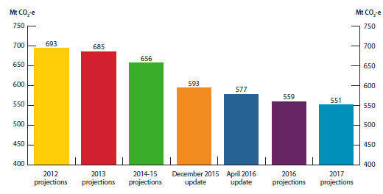
 | Emissions in 2020
2012 projections | 693
2013 projections | 685
2014-15 projections | 656
December 2015 update | 593
April 2016 update | 577
2016 projections | 559
2017 projections | 551

Figure 2
Change in the cumulative emissions reduction task for 2020 target (Mt CO2-e)
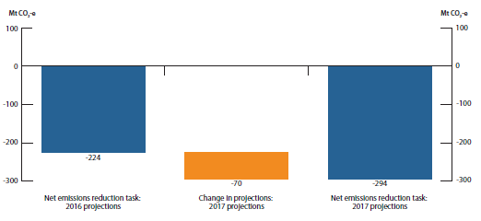
 | Emissions
Net emissions reduction task: 2016 projections | -224
Change in projections: 2017 projections | -70
Net emissions reduction task: 2017 projections | -294

Figure 3
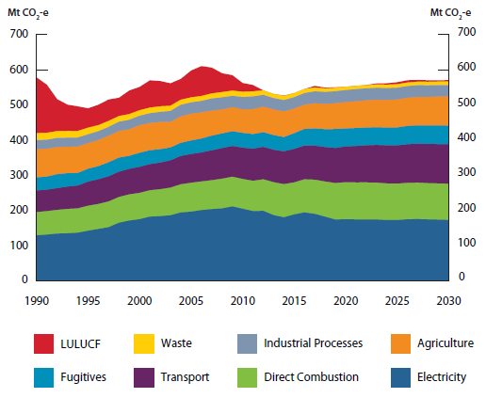
Australia’s emissions, 1990 to 2030 (Mt CO2-e)

 | 1990 | 1991 | 1992 | 1993 | 1994 | 1995 | 1996 | 1997 | 1998 | 1999 | 2000 | 2001 | 2002 | 2003 | 2004 | 2005 | 2006 | 2007 | 2008 | 2009 | 2010 | 2011 | 2012 | 2013 | 2014 | 2015 | 2016 | 2017 | 2018 | 2019 | 2020 | 2021 | 2022 | 2023 | 2024 | 2025 | 2026 | 2027 | 2028 | 2029 | 2030
Electricity | 130 | 132 | 135 | 136 | 137 | 143 | 148 | 153 | 165 | 172 | 175 | 183 | 184 | 187 | 195 | 197 | 201 | 204 | 206 | 212 | 205 | 199 | 199 | 187 | 181 | 189 | 195 | 191 | 182 | 174 | 176 | 175 | 175 | 175 | 173 | 173 | 175 | 176 | 175 | 174 | 173
Direct combustion | 66 | 67 | 67 | 69 | 69 | 71 | 71 | 73 | 73 | 74 | 75 | 75 | 77 | 78 | 80 | 82 | 81 | 82 | 84 | 84 | 84 | 86 | 90 | 93 | 94 | 91 | 94 | 97 | 100 | 104 | 105 | 105 | 105 | 105 | 104 | 103 | 103 | 103 | 103 | 103 | 103
Transport | 61 | 61 | 62 | 63 | 65 | 68 | 70 | 72 | 72 | 73 | 74 | 74 | 76 | 77 | 80 | 82 | 82 | 85 | 87 | 87 | 89 | 91 | 92 | 92 | 93 | 95 | 96 | 97 | 98 | 99 | 102 | 103 | 105 | 107 | 108 | 109 | 110 | 110 | 111 | 112 | 112
Fugitives | 37 | 37 | 40 | 38 | 36 | 37 | 37 | 40 | 40 | 37 | 40 | 40 | 38 | 37 | 37 | 39 | 40 | 42 | 42 | 42 | 42 | 42 | 42 | 42 | 41 | 45 | 48 | 49 | 51 | 54 | 51 | 51 | 51 | 51 | 50 | 51 | 52 | 52 | 53 | 53 | 53
Agriculture | 80 | 79 | 77 | 75 | 75 | 73 | 74 | 75 | 75 | 76 | 78 | 77 | 77 | 72 | 75 | 76 | 74 | 71 | 68 | 68 | 66 | 71 | 72 | 73 | 73 | 70 | 69 | 72 | 72 | 73 | 75 | 76 | 77 | 78 | 79 | 79 | 80 | 81 | 81 | 82 | 82
Industrial processes | 26 | 25 | 26 | 26 | 26 | 25 | 25 | 25 | 27 | 27 | 27 | 28 | 29 | 31 | 33 | 32 | 32 | 34 | 35 | 32 | 35 | 36 | 34 | 33 | 32 | 32 | 33 | 34 | 34 | 34 | 34 | 34 | 34 | 34 | 34 | 34 | 33 | 33 | 33 | 33 | 33
Waste | 20 | 20 | 19 | 19 | 19 | 19 | 17 | 17 | 16 | 16 | 16 | 16 | 16 | 15 | 14 | 14 | 14 | 14 | 15 | 15 | 15 | 14 | 13 | 12 | 12 | 12 | 12 | 11 | 10 | 10 | 10 | 9 | 9 | 10 | 10 | 10 | 10 | 10 | 10 | 10 | 10
LULUCF | 158 | 137 | 91 | 75 | 70 | 55 | 58 | 61 | 52 | 67 | 66 | 78 | 72 | 64 | 59 | 76 | 85 | 74 | 54 | 44 | 25 | 18 | -6 | -8 | 1 | -8 | -5 | 5 | 2 | 2 | -1 | -1 | 1 | 3 | 4 | 6 | 7 | 5 | 5 | 4 | 4
Total (incl. LULUCF) | 578 | 557 | 516 | 501 | 496 | 490 | 500 | 515 | 520 | 541 | 551 | 570 | 568 | 561 | 574 | 597 | 610 | 606 | 590 | 584 | 562 | 557 | 535 | 524 | 527 | 526 | 540 | 554 | 549 | 550 | 551 | 553 | 557 | 561 | 562 | 564 | 570 | 571 | 570 | 570 | 570
*Note: Emissions are presented under UNFCCC inventory reporting categories consistent with Australia's 2030 target.
**Note: Australia's emissions under Kyoto Protocol reporting categories are presented in the "Kyoto Protocol Categories" tab consistent with Australia's 2020 target.

Figure 4
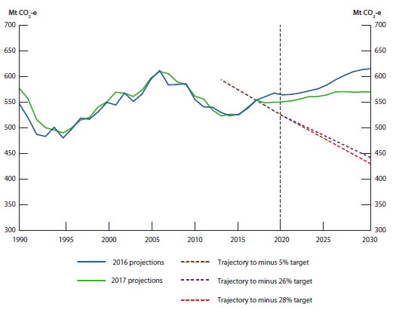
Australia’s emissions trends, 1990 to 2030 (Mt CO2-e)

 | 1990 | 1991 | 1992 | 1993 | 1994 | 1995 | 1996 | 1997 | 1998 | 1999 | 2000 | 2001 | 2002 | 2003 | 2004 | 2005 | 2006 | 2007 | 2008 | 2009 | 2010 | 2011 | 2012 | 2013 | 2014 | 2015 | 2016 | 2017 | 2018 | 2019 | 2020 | 2021 | 2022 | 2023 | 2024 | 2025 | 2026 | 2027 | 2028 | 2029 | 2030
2016 projections | 548 | 520 | 488 | 483 | 501 | 480 | 498 | 519 | 517 | 532 | 550 | 545 | 568 | 552 | 566 | 595 | 612 | 584 | 585 | 586 | 556 | 541 | 540 | 530 | 524 | 527 | 538 | 554 | 561 | 568 | 565 | 566 | 568 | 572 | 576 | 584 | 594 | 602 | 610 | 614 | 616
2017 projections | 578 | 557 | 516 | 501 | 496 | 490 | 500 | 515 | 520 | 541 | 551 | 570 | 568 | 561 | 574 | 597 | 610 | 606 | 590 | 584 | 562 | 557 | 535 | 524 | 527 | 526 | 540 | 554 | 549 | 550 | 551 | 553 | 557 | 561 | 562 | 564 | 570 | 571 | 570 | 570 | 570
Trajectory to minus 5% target* |  |  |  |  |  |  |  |  |  |  |  |  |  |  |  |  |  |  |  |  |  |  |  | 598 | 588 | 578 | 568 | 557 | 547 | 537 | 527
Trajectory to minus 26% target |  |  |  |  |  |  |  |  |  |  |  |  |  |  |  |  |  |  |  |  |  |  |  |  |  |  |  |  |  |  | 524 | 515 | 507 | 499 | 491 | 483 | 475 | 467 | 458 | 450 | 442
Trajectory to minus 28% target |  |  |  |  |  |  |  |  |  |  |  |  |  |  |  |  |  |  |  |  |  |  |  |  |  |  |  |  |  |  | 524 | 514 | 505 | 496 | 486 | 477 | 468 | 458 | 449 | 440 | 430

*Note: Australia's 2020 target is accounted for using Kyoto Protocol reporting categories (see the "Kyoto Protocol Categories" tab).

Figure 5
Projected emissions in 2030 over time (Mt CO2-e)
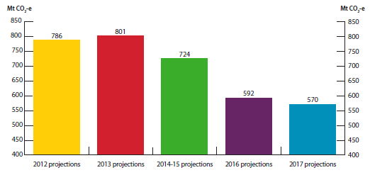
 | Emissions in 2030
2012 projections | 786
2013 projections | 801
2014-15 projections | 724
2016 projections | 592
2017 projections | 570

Figure 6
Change in the cumulative emissions reduction task for 2030 target (Mt CO2-e)
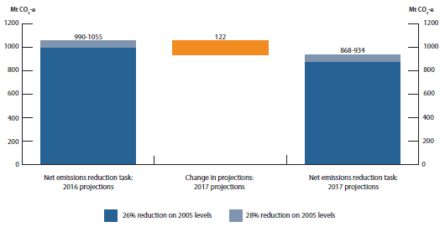
 | 26% reduction on 2005 levels | 28% reduction on 2005 levels
Net emissions reduction task: 2016 projections | 990 | 1,055
Change in projections: 2017 projections | 122 | 121
Net emissions reduction task: 2017 projections | 868 | 934

Figure 7
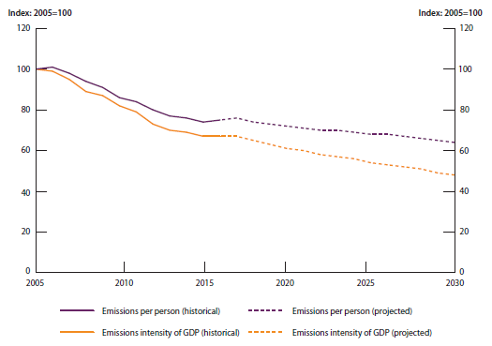
Emissions per person and emissions intensity of GDP, 2005 to 2030 (Index: 2005=100)

 | 2005 | 2006 | 2007 | 2008 | 2009 | 2010 | 2011 | 2012 | 2013 | 2014 | 2015 | 2016 | 2017 | 2018 | 2019 | 2020 | 2021 | 2022 | 2023 | 2024 | 2025 | 2026 | 2027 | 2028 | 2029 | 2030
Emissions per person (historical) | 100.0 | 100.8 | 98.5 | 94.1 | 91.2 | 86.2 | 84.2 | 79.6 | 76.5 | 75.9 | 74.3 | 75.2 | 75.7
Emissions per person (projected) |  |  |  |  |  |  |  |  |  |  |  |  | 75.7 | 73.8 | 72.7 | 71.6 | 70.8 | 70.1 | 69.6 | 68.7 | 68.0 | 67.7 | 66.9 | 65.9 | 65.0 | 64.2
Emissions intensity of GDP (historical) | 100.0 | 99.2 | 94.9 | 89.1 | 86.7 | 81.8 | 79.1 | 73.4 | 70.0 | 68.6 | 66.9 | 66.9 | 67.3
Emissions intensity of GDP (projected) |  |  |  |  |  |  |  |  |  |  |  |  | 67.3 | 64.9 | 63.1 | 61.4 | 59.8 | 58.4 | 57.2 | 55.6 | 54.4 | 53.5 | 52.1 | 50.6 | 49.3 | 48.0

Figure 8
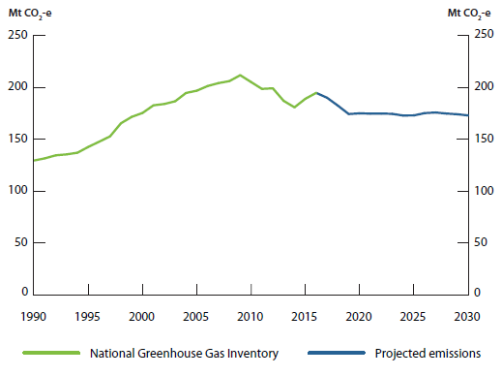
Electricity emissions, 1990 to 2030 (Mt CO2-e)

 | 1990 | 1991 | 1992 | 1993 | 1994 | 1995 | 1996 | 1997 | 1998 | 1999 | 2000 | 2001 | 2002 | 2003 | 2004 | 2005 | 2006 | 2007 | 2008 | 2009 | 2010 | 2011 | 2012 | 2013 | 2014 | 2015 | 2016 | 2017 | 2018 | 2019 | 2020 | 2021 | 2022 | 2023 | 2024 | 2025 | 2026 | 2027 | 2028 | 2029 | 2030
National greenhouse gas inventory | 129.6 | 131.7 | 134.6 | 135.5 | 137.1 | 142.7 | 147.7 | 152.8 | 165.4 | 171.6 | 175.4 | 182.7 | 184.0 | 186.6 | 194.6 | 196.8 | 201.3 | 204.1 | 206.0 | 211.7 | 205.1 | 198.5 | 199.1 | 187.0 | 180.8 | 189.0 | 194.7 | 190.5
2017 projections |  |  |  |  |  |  |  |  |  |  |  |  |  |  |  |  |  |  |  |  |  |  |  |  |  |  |  | 190.5 | 182.4 | 174.3 | 175.5 | 174.7 | 174.8 | 174.5 | 172.9 | 173.0 | 175.2 | 175.8 | 174.8 | 174.1 | 173.3

Figure 9
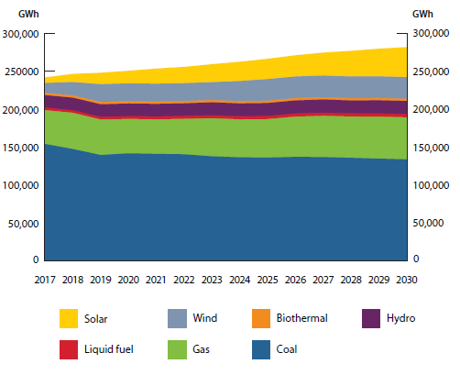
Projected sent-out electricity generation by fuel, 2017 to 2030 (GWh)

 | 2017 | 2018 | 2019 | 2020 | 2021 | 2022 | 2023 | 2024 | 2025 | 2026 | 2027 | 2028 | 2029 | 2030
Coal | 153,945 | 147,289 | 139,377 | 141,586 | 140,879 | 140,323 | 137,617 | 136,306 | 135,985 | 136,896 | 136,655 | 135,649 | 134,588 | 133,641
Gas | 44,394 | 47,596 | 46,611 | 45,196 | 45,332 | 46,587 | 50,133 | 49,941 | 50,604 | 52,908 | 54,244 | 54,322 | 55,171 | 55,228
Liquid fuel | 3,549 | 3,397 | 3,557 | 3,751 | 3,844 | 3,907 | 3,969 | 4,027 | 4,077 | 4,119 | 4,158 | 4,195 | 4,229 | 4,263
Hydro | 16,376 | 16,603 | 16,677 | 16,619 | 16,661 | 16,604 | 17,045 | 17,043 | 17,161 | 17,339 | 17,431 | 17,045 | 17,438 | 17,350
Wind | 13,110 | 17,585 | 23,412 | 23,578 | 23,576 | 23,576 | 23,576 | 26,498 | 28,516 | 28,516 | 28,516 | 28,517 | 28,513 | 28,513
Biothermal | 2,839 | 2,993 | 3,003 | 2,997 | 2,989 | 2,987 | 2,995 | 3,003 | 2,997 | 3,006 | 3,009 | 3,012 | 3,006 | 3,005
Solar | 7,426 | 10,782 | 15,128 | 16,650 | 19,966 | 21,510 | 23,710 | 25,433 | 26,761 | 28,005 | 30,316 | 33,895 | 36,523 | 39,502

Figure 10
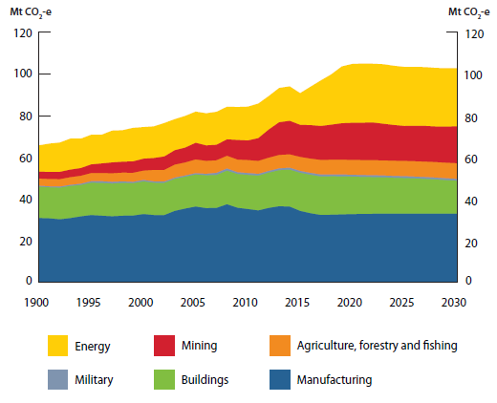
Direct combustion emissions, 1990 to 2030 (Mt CO2-e)

 | 1990 | 1991 | 1992 | 1993 | 1994 | 1995 | 1996 | 1997 | 1998 | 1999 | 2000 | 2001 | 2002 | 2003 | 2004 | 2005 | 2006 | 2007 | 2008 | 2009 | 2010 | 2011 | 2012 | 2013 | 2014 | 2015 | 2016 | 2017 | 2018 | 2019 | 2020 | 2021 | 2022 | 2023 | 2024 | 2025 | 2026 | 2027 | 2028 | 2029 | 2030
Energy | 12.6 | 13.7 | 14.1 | 14.9 | 14.1 | 14.3 | 13.8 | 15.3 | 15.1 | 16.1 | 15.2 | 15.2 | 16.1 | 15.0 | 15.2 | 15.0 | 15.5 | 15.9 | 15.7 | 15.8 | 16.3 | 16.6 | 16.1 | 16.5 | 16.6 | 15.3 | 18.5 | 22.0 | 24.2 | 27.3 | 28.3 | 28.4 | 28.3 | 28.6 | 28.5 | 28.4 | 28.3 | 28.3 | 28.1 | 28.1 | 28.0
Mining | 3.4 | 3.4 | 3.6 | 3.7 | 3.7 | 4.2 | 4.6 | 5.3 | 5.3 | 5.5 | 5.8 | 5.8 | 6.5 | 7.0 | 7.2 | 8.0 | 7.5 | 7.5 | 8.0 | 9.5 | 9.5 | 11.0 | 13.6 | 15.7 | 16.1 | 15.4 | 16.1 | 16.3 | 16.9 | 17.6 | 17.8 | 18.0 | 18.1 | 17.6 | 17.2 | 16.8 | 17.0 | 17.2 | 17.1 | 17.4 | 17.7
Manufacturing | 30.9 | 30.7 | 30.2 | 30.8 | 31.6 | 32.3 | 32.0 | 31.7 | 31.9 | 32.0 | 32.7 | 32.3 | 32.3 | 34.3 | 35.4 | 36.3 | 35.6 | 35.7 | 37.4 | 35.8 | 35.2 | 34.5 | 35.7 | 36.5 | 36.3 | 34.2 | 33.1 | 32.3 | 32.4 | 32.6 | 32.7 | 32.8 | 32.9 | 32.9 | 32.9 | 32.9 | 32.9 | 32.9 | 32.9 | 32.9 | 32.9
Buildings | 15.0 | 14.9 | 15.2 | 15.5 | 15.1 | 15.5 | 15.8 | 15.7 | 15.8 | 15.6 | 15.7 | 15.5 | 15.5 | 15.4 | 15.3 | 15.4 | 15.8 | 15.9 | 16.1 | 16.2 | 16.4 | 16.7 | 17.0 | 17.3 | 17.7 | 18.3 | 18.5 | 18.5 | 18.5 | 18.3 | 18.0 | 17.8 | 17.6 | 17.5 | 17.3 | 17.1 | 16.9 | 16.7 | 16.5 | 16.2 | 15.8
Agriculture, forestry and fishing | 3.5 | 3.5 | 3.5 | 3.7 | 3.8 | 3.9 | 3.9 | 4.1 | 4.2 | 4.3 | 4.5 | 5.5 | 5.6 | 6.2 | 6.2 | 6.6 | 6.2 | 6.0 | 6.1 | 6.1 | 6.2 | 6.2 | 6.3 | 6.4 | 6.4 | 6.7 | 6.8 | 7.0 | 7.0 | 7.1 | 7.1 | 7.2 | 7.2 | 7.2 | 7.3 | 7.3 | 7.4 | 7.4 | 7.4 | 7.5 | 7.5
Military | 0.4 | 0.4 | 0.5 | 0.5 | 0.6 | 0.7 | 0.8 | 0.8 | 0.7 | 0.6 | 0.6 | 0.6 | 0.6 | 0.6 | 0.6 | 0.6 | 0.7 | 1.0 | 1.0 | 0.8 | 0.9 | 0.8 | 0.8 | 0.9 | 0.9 | 0.9 | 0.9 | 0.9 | 0.9 | 0.9 | 0.9 | 0.9 | 0.9 | 0.9 | 0.9 | 0.9 | 0.9 | 0.9 | 0.9 | 0.9 | 0.9

Figure 11
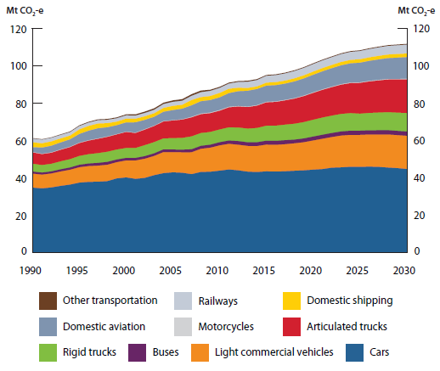
Transport emissions, 1990 to 2030 (Mt CO2-e)

 | 1990 | 1991 | 1992 | 1993 | 1994 | 1995 | 1996 | 1997 | 1998 | 1999 | 2000 | 2001 | 2002 | 2003 | 2004 | 2005 | 2006 | 2007 | 2008 | 2009 | 2010 | 2011 | 2012 | 2013 | 2014 | 2015 | 2016 | 2017 | 2018 | 2019 | 2020 | 2021 | 2022 | 2023 | 2024 | 2025 | 2026 | 2027 | 2028 | 2029 | 2030
Cars | 34.8 | 34.4 | 34.9 | 35.7 | 36.4 | 37.5 | 37.9 | 38.0 | 38.3 | 39.7 | 40.3 | 39.5 | 40.0 | 41.5 | 42.6 | 43.0 | 42.8 | 42.0 | 43.2 | 43.3 | 43.9 | 44.5 | 44.1 | 43.4 | 43.2 | 43.5 | 43.4 | 43.6 | 43.8 | 44.1 | 44.4 | 44.7 | 45.5 | 45.7 | 46.0 | 45.9 | 46.0 | 45.9 | 45.5 | 45.3 | 44.8
Light commercial vehicles | 7.5 | 7.4 | 7.5 | 7.7 | 7.9 | 8.3 | 8.5 | 8.6 | 8.8 | 8.7 | 9.1 | 9.8 | 10.3 | 10.3 | 11.3 | 10.9 | 11.0 | 11.7 | 12.4 | 12.9 | 13.5 | 13.7 | 13.7 | 13.8 | 13.9 | 14.3 | 14.4 | 14.5 | 14.7 | 15.1 | 15.6 | 16.2 | 16.4 | 17.0 | 17.1 | 17.1 | 17.2 | 17.3 | 17.7 | 17.7 | 17.8
Motorcycles | 0.2 | 0.2 | 0.2 | 0.2 | 0.2 | 0.2 | 0.2 | 0.2 | 0.2 | 0.2 | 0.2 | 0.2 | 0.3 | 0.2 | 0.2 | 0.2 | 0.2 | 0.3 | 0.3 | 0.3 | 0.4 | 0.3 | 0.3 | 0.3 | 0.3 | 0.3 | 0.3 | 0.3 | 0.3 | 0.3 | 0.3 | 0.3 | 0.3 | 0.3 | 0.3 | 0.3 | 0.3 | 0.3 | 0.3 | 0.3 | 0.3
Buses | 1.2 | 1.1 | 1.2 | 1.2 | 1.3 | 1.3 | 1.4 | 1.5 | 1.6 | 1.5 | 1.4 | 1.4 | 1.4 | 1.4 | 1.5 | 1.4 | 1.4 | 1.6 | 1.6 | 1.6 | 1.7 | 1.8 | 2.0 | 2.0 | 2.0 | 2.1 | 2.2 | 2.2 | 2.0 | 2.1 | 2.1 | 2.2 | 2.2 | 2.2 | 2.3 | 2.3 | 2.3 | 2.3 | 2.3 | 2.3 | 2.3
Rigid trucks | 4.1 | 4.0 | 4.0 | 4.2 | 4.4 | 4.7 | 4.9 | 5.2 | 5.4 | 5.3 | 5.3 | 5.3 | 5.8 | 6.0 | 5.9 | 6.1 | 6.3 | 6.9 | 6.8 | 6.8 | 6.8 | 7.0 | 7.2 | 7.3 | 7.6 | 8.0 | 8.1 | 8.3 | 8.5 | 8.7 | 9.0 | 9.2 | 9.3 | 9.3 | 9.4 | 9.1 | 9.3 | 9.4 | 9.6 | 9.7 | 9.9
Articulated trucks | 6.1 | 5.9 | 6.0 | 6.2 | 6.5 | 6.9 | 7.3 | 7.7 | 8.0 | 8.1 | 8.6 | 8.1 | 8.4 | 8.6 | 9.1 | 9.5 | 9.8 | 10.2 | 10.2 | 10.1 | 10.1 | 10.7 | 11.3 | 11.5 | 12.0 | 12.6 | 12.8 | 13.0 | 13.5 | 14.0 | 14.4 | 14.9 | 15.3 | 15.7 | 16.1 | 16.5 | 16.9 | 17.2 | 17.6 | 17.8 | 18.1
Domestic aviation | 2.6 | 3.3 | 3.5 | 3.7 | 3.9 | 4.6 | 5.1 | 5.4 | 4.9 | 4.8 | 5.0 | 5.5 | 4.9 | 4.7 | 4.9 | 5.4 | 5.7 | 6.1 | 6.6 | 6.7 | 6.8 | 7.3 | 7.9 | 8.5 | 8.6 | 8.6 | 8.7 | 8.7 | 8.9 | 9.2 | 9.4 | 9.6 | 9.8 | 10.1 | 10.3 | 10.5 | 10.7 | 10.9 | 11.2 | 11.4 | 11.6
Domestic shipping | 2.6 | 2.3 | 2.4 | 2.2 | 2.0 | 2.5 | 2.6 | 2.6 | 2.2 | 2.0 | 2.1 | 2.0 | 2.0 | 1.9 | 2.1 | 2.3 | 2.1 | 2.9 | 2.2 | 2.2 | 2.4 | 2.4 | 1.9 | 1.5 | 1.4 | 1.7 | 1.7 | 1.7 | 1.7 | 1.7 | 1.8 | 1.8 | 1.8 | 1.8 | 1.9 | 1.9 | 1.9 | 1.9 | 1.9 | 2.0 | 2.0
Railways | 2.0 | 2.0 | 1.9 | 1.9 | 1.8 | 1.8 | 1.8 | 1.8 | 1.8 | 1.8 | 1.8 | 1.7 | 1.8 | 1.9 | 2.1 | 2.1 | 2.1 | 2.2 | 2.6 | 2.7 | 2.7 | 2.8 | 3.1 | 3.3 | 3.4 | 3.7 | 3.7 | 3.8 | 3.9 | 3.9 | 4.0 | 4.1 | 4.1 | 4.2 | 4.3 | 4.4 | 4.4 | 4.5 | 4.6 | 4.6 | 4.7
Other transportation | 0.3 | 0.3 | 0.3 | 0.3 | 0.4 | 0.4 | 0.5 | 0.5 | 0.5 | 0.5 | 0.6 | 0.7 | 0.8 | 0.8 | 0.8 | 0.8 | 0.9 | 0.9 | 0.9 | 0.7 | 0.6 | 0.6 | 0.5 | 0.6 | 0.6 | 0.5 | 0.5 | 0.5 | 0.5 | 0.5 | 0.5 | 0.5 | 0.5 | 0.5 | 0.5 | 0.5 | 0.5 | 0.5 | 0.5 | 0.5 | 0.5

Figure 12
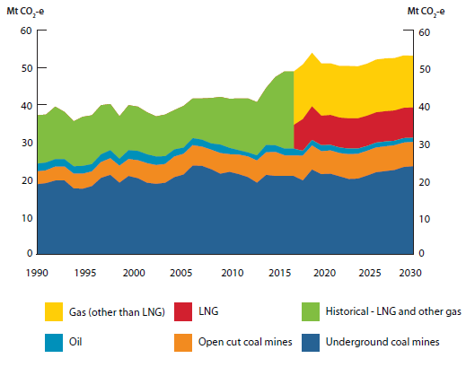
Fugitive emissions, 1990 to 2030 (Mt CO2-e)

 | 1990 | 1991 | 1992 | 1993 | 1994 | 1995 | 1996 | 1997 | 1998 | 1999 | 2000 | 2001 | 2002 | 2003 | 2004 | 2005 | 2006 | 2007 | 2008 | 2009 | 2010 | 2011 | 2012 | 2013 | 2014 | 2015 | 2016 | 2017 | 2017 | 2018 | 2019 | 2020 | 2021 | 2022 | 2023 | 2024 | 2025 | 2026 | 2027 | 2028 | 2029 | 2030
Open cut coal mines | 3.4 | 3.4 | 3.7 | 3.7 | 3.9 | 4.0 | 3.9 | 4.2 | 4.4 | 4.5 | 4.5 | 4.8 | 5.2 | 5.0 | 5.0 | 5.5 | 5.5 | 5.4 | 5.1 | 5.2 | 5.5 | 4.7 | 5.2 | 5.5 | 5.9 | 6.0 | 6.4 | 5.5 | 5.5 | 6.6 | 6.4 | 6.1 | 6.2 | 6.2 | 6.6 | 6.6 | 6.6 | 6.6 | 6.6 | 6.6 | 6.5 | 6.5
Underground coal mines | 18.8 | 19.1 | 19.8 | 19.8 | 17.7 | 17.6 | 18.3 | 20.5 | 21.3 | 19.2 | 21.0 | 20.4 | 19.2 | 18.9 | 19.2 | 20.7 | 21.4 | 23.8 | 23.7 | 22.8 | 21.6 | 22.1 | 21.5 | 20.7 | 19.2 | 21.3 | 21.0 | 21.0 | 21.0 | 19.8 | 22.7 | 21.5 | 21.6 | 20.9 | 20.2 | 20.3 | 21.1 | 22.0 | 22.3 | 22.6 | 23.4 | 23.6
LNG |  |  |  |  |  |  |  |  |  |  |  |  |  |  |  |  |  |  |  |  |  |  |  |  |  |  |  |  | 6.3 | 8.5 | 9.0 | 7.9 | 8.0 | 8.0 | 8.1 | 8.1 | 8.1 | 8.1 | 8.1 | 8.1 | 8.1 | 8.1
Gas (other than LNG) |  |  |  |  |  |  |  |  |  |  |  |  |  |  |  |  |  |  |  |  |  |  |  |  |  |  |  |  | 14.3 | 14.6 | 14.3 | 14.0 | 13.8 | 13.8 | 14.0 | 13.9 | 13.9 | 14.1 | 14.1 | 14.0 | 14.0 | 13.8
Oil | 2.1 | 2.1 | 2.0 | 2.0 | 2.0 | 2.1 | 2.0 | 2.1 | 2.2 | 1.9 | 2.4 | 2.5 | 2.4 | 2.3 | 2.1 | 1.9 | 1.7 | 1.9 | 1.9 | 1.7 | 2.3 | 1.7 | 1.2 | 1.1 | 1.4 | 2.0 | 1.8 | 1.8 | 1.8 | 1.3 | 1.5 | 1.6 | 1.5 | 1.5 | 1.5 | 1.4 | 1.3 | 1.3 | 1.3 | 1.2 | 1.2 | 1.1
Historical - LNG and other gas | 12.9 | 12.8 | 14.0 | 12.6 | 12.0 | 13.1 | 13.0 | 13.1 | 12.3 | 11.3 | 12.0 | 11.8 | 11.2 | 10.7 | 11.1 | 10.5 | 11.1 | 10.6 | 11.0 | 12.1 | 12.7 | 13.1 | 13.8 | 14.4 | 14.2 | 15.2 | 18.2 | 20.6

Figure 13
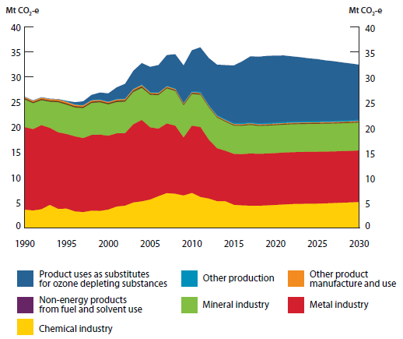
Industrial processes and product use emissions, 1990 to 2030 (Mt CO2-e)

 | 1990 | 1991 | 1992 | 1993 | 1994 | 1995 | 1996 | 1997 | 1998 | 1999 | 2000 | 2001 | 2002 | 2003 | 2004 | 2005 | 2006 | 2007 | 2008 | 2009 | 2010 | 2011 | 2012 | 2013 | 2014 | 2015 | 2016 | 2017 | 2018 | 2019 | 2020 | 2021 | 2022 | 2023 | 2024 | 2025 | 2026 | 2027 | 2028 | 2029 | 2030
Other product manufacture and use | 0.2 | 0.2 | 0.2 | 0.3 | 0.3 | 0.3 | 0.3 | 0.2 | 0.2 | 0.2 | 0.2 | 0.2 | 0.2 | 0.2 | 0.2 | 0.2 | 0.2 | 0.2 | 0.2 | 0.1 | 0.1 | 0.1 | 0.1 | 0.1 | 0.1 | 0.1 | 0.1 | 0.1 | 0.1 | 0.1 | 0.1 | 0.1 | 0.1 | 0.1 | 0.1 | 0.1 | 0.1 | 0.1 | 0.1 | 0.1 | 0.1
Other production | 0.1 | 0.1 | 0.1 | 0.1 | 0.1 | 0.1 | 0.1 | 0.1 | 0.1 | 0.1 | 0.1 | 0.1 | 0.1 | 0.2 | 0.2 | 0.2 | 0.2 | 0.1 | 0.2 | 0.2 | 0.2 | 0.3 | 0.2 | 0.2 | 0.2 | 0.2 | 0.2 | 0.2 | 0.2 | 0.2 | 0.2 | 0.2 | 0.3 | 0.3 | 0.3 | 0.3 | 0.3 | 0.3 | 0.3 | 0.3 | 0.3
Non-energy products from fuel and solvent use | 0.3 | 0.3 | 0.3 | 0.3 | 0.3 | 0.3 | 0.3 | 0.3 | 0.3 | 0.3 | 0.3 | 0.3 | 0.3 | 0.3 | 0.3 | 0.3 | 0.2 | 0.2 | 0.2 | 0.2 | 0.2 | 0.2 | 0.2 | 0.2 | 0.2 | 0.2 | 0.2 | 0.2 | 0.2 | 0.2 | 0.2 | 0.2 | 0.2 | 0.2 | 0.2 | 0.2 | 0.2 | 0.2 | 0.2 | 0.2 | 0.2
Mineral industry | 5.5 | 5.2 | 5.0 | 5.2 | 6.0 | 5.8 | 5.7 | 6.0 | 6.4 | 6.4 | 6.2 | 6.2 | 6.3 | 6.4 | 6.4 | 6.5 | 6.7 | 7.0 | 6.9 | 6.4 | 6.3 | 6.4 | 6.4 | 6.1 | 5.8 | 5.6 | 5.6 | 5.7 | 5.6 | 5.6 | 5.6 | 5.6 | 5.6 | 5.6 | 5.6 | 5.6 | 5.6 | 5.6 | 5.6 | 5.6 | 5.6
Metal industry | 16.5 | 16.2 | 16.8 | 15.4 | 15.3 | 14.9 | 15.0 | 14.8 | 15.1 | 15.2 | 14.8 | 14.6 | 14.5 | 15.6 | 16.2 | 14.4 | 13.5 | 13.9 | 13.6 | 11.6 | 13.4 | 14.0 | 11.8 | 10.6 | 10.1 | 10.2 | 10.2 | 10.4 | 10.4 | 10.4 | 10.4 | 10.4 | 10.4 | 10.4 | 10.4 | 10.4 | 10.3 | 10.3 | 10.3 | 10.3 | 10.3
Chemical industry | 3.5 | 3.4 | 3.6 | 4.5 | 3.7 | 3.8 | 3.2 | 3.1 | 3.3 | 3.3 | 3.6 | 4.2 | 4.3 | 5.0 | 5.2 | 5.6 | 6.2 | 6.8 | 6.7 | 6.4 | 6.9 | 6.1 | 5.8 | 5.2 | 5.2 | 4.5 | 4.4 | 4.3 | 4.3 | 4.4 | 4.5 | 4.6 | 4.7 | 4.7 | 4.7 | 4.7 | 4.8 | 4.9 | 4.9 | 5.0 | 5.1
Product uses as substitutes for ozone depleting substances | 0.0 | 0.0 | 0.0 | 0.0 | 0.0 | 0.1 | 0.4 | 0.7 | 1.0 | 1.4 | 1.6 | 2.3 | 2.9 | 3.6 | 4.3 | 5.0 | 5.5 | 6.1 | 6.8 | 7.5 | 8.2 | 8.8 | 9.4 | 10.0 | 10.8 | 11.5 | 12.3 | 13.2 | 13.3 | 13.4 | 13.4 | 13.3 | 13.0 | 12.8 | 12.5 | 12.4 | 12.1 | 11.9 | 11.6 | 11.3 | 11.0

Figure 14
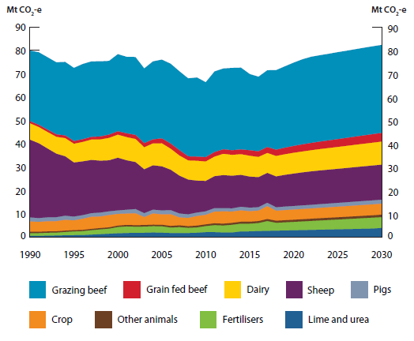
Agriculture emissions, 1990 to 2030 (Mt CO2-e)

 | 1990 | 1991 | 1992 | 1993 | 1994 | 1995 | 1996 | 1997 | 1998 | 1999 | 2000 | 2001 | 2002 | 2003 | 2004 | 2005 | 2006 | 2007 | 2008 | 2009 | 2010 | 2011 | 2012 | 2013 | 2014 | 2015 | 2016 | 2017 | 2018 | 2019 | 2020 | 2021 | 2022 | 2023 | 2024 | 2025 | 2026 | 2027 | 2028 | 2029 | 2030
Other animals | 0.6 | 0.6 | 0.6 | 0.6 | 0.6 | 0.6 | 0.6 | 0.6 | 0.6 | 0.6 | 0.6 | 0.7 | 0.7 | 0.7 | 0.7 | 0.7 | 0.7 | 0.8 | 0.7 | 0.8 | 0.8 | 0.8 | 0.8 | 0.8 | 0.9 | 0.9 | 0.9 | 0.9 | 0.9 | 0.9 | 1.0 | 1.0 | 1.0 | 1.0 | 1.0 | 1.0 | 1.0 | 1.0 | 1.0 | 1.0 | 1.0
Pigs | 1.7 | 1.6 | 1.7 | 1.7 | 1.8 | 1.6 | 1.5 | 1.5 | 1.7 | 1.6 | 1.5 | 1.7 | 1.8 | 1.7 | 1.6 | 1.7 | 1.7 | 1.7 | 1.6 | 1.5 | 1.5 | 1.5 | 1.4 | 1.4 | 1.5 | 1.5 | 1.5 | 1.4 | 1.5 | 1.5 | 1.5 | 1.5 | 1.5 | 1.6 | 1.6 | 1.6 | 1.6 | 1.7 | 1.7 | 1.7 | 1.7
Lime and urea | 0.9 | 0.9 | 1.0 | 1.1 | 1.2 | 1.2 | 1.2 | 1.2 | 1.3 | 1.4 | 1.5 | 1.6 | 1.7 | 1.8 | 1.7 | 2.1 | 2.2 | 2.3 | 1.8 | 1.8 | 1.9 | 2.0 | 2.0 | 2.0 | 2.1 | 2.4 | 2.4 | 2.5 | 2.7 | 2.8 | 2.9 | 3.0 | 3.1 | 3.2 | 3.3 | 3.4 | 3.4 | 3.5 | 3.6 | 3.6 | 3.7
Grain fed beef | 1.2 | 1.1 | 1.2 | 1.2 | 1.4 | 1.6 | 1.7 | 1.9 | 2.0 | 2.2 | 2.7 | 2.8 | 2.6 | 2.6 | 2.7 | 2.7 | 2.3 | 2.5 | 2.2 | 2.3 | 2.6 | 3.0 | 3.0 | 3.3 | 3.3 | 3.3 | 3.4 | 4.2 | 3.4 | 3.5 | 3.6 | 3.7 | 3.8 | 3.9 | 4.1 | 4.2 | 4.3 | 4.4 | 4.5 | 4.7 | 4.8
Fertilisers | 0.6 | 0.6 | 0.7 | 0.8 | 0.9 | 0.9 | 0.9 | 1.2 | 1.3 | 1.5 | 1.7 | 1.8 | 1.9 | 1.9 | 2.0 | 2.0 | 1.8 | 1.8 | 1.8 | 1.9 | 2.2 | 2.2 | 2.0 | 2.0 | 2.5 | 2.5 | 2.7 | 2.7 | 2.8 | 2.9 | 3.0 | 3.1 | 3.2 | 3.2 | 3.3 | 3.4 | 3.5 | 3.6 | 3.6 | 3.7 | 3.8
Crop | 4.4 | 4.2 | 4.3 | 4.3 | 4.6 | 4.2 | 4.8 | 5.2 | 4.9 | 5.2 | 5.0 | 4.8 | 5.1 | 3.4 | 4.8 | 4.4 | 5.0 | 3.4 | 3.5 | 4.1 | 4.1 | 5.0 | 5.2 | 4.8 | 4.8 | 4.5 | 4.5 | 5.5 | 4.3 | 4.3 | 4.3 | 4.4 | 4.4 | 4.4 | 4.5 | 4.5 | 4.6 | 4.6 | 4.6 | 4.7 | 4.7
Dairy | 7.0 | 6.9 | 7.0 | 7.2 | 7.7 | 8.0 | 8.3 | 8.7 | 9.1 | 9.6 | 9.8 | 9.9 | 9.9 | 9.4 | 9.4 | 9.8 | 9.0 | 8.6 | 8.2 | 8.5 | 8.3 | 8.3 | 9.1 | 8.9 | 8.8 | 8.9 | 8.6 | 8.5 | 8.7 | 8.8 | 8.9 | 8.9 | 9.0 | 9.1 | 9.2 | 9.3 | 9.4 | 9.5 | 9.6 | 9.7 | 9.8
Sheep | 33.3 | 32.0 | 29.5 | 27.2 | 25.4 | 23.1 | 23.0 | 22.8 | 22.2 | 21.9 | 22.6 | 21.1 | 20.1 | 18.8 | 19.0 | 18.9 | 17.3 | 16.2 | 14.9 | 13.7 | 13.0 | 13.7 | 14.1 | 14.0 | 13.7 | 13.3 | 12.9 | 12.8 | 13.2 | 13.6 | 13.9 | 14.1 | 14.3 | 14.4 | 14.5 | 14.6 | 14.7 | 14.8 | 14.8 | 14.9 | 15.0
Grazing beef | 30.3 | 31.1 | 31.0 | 30.9 | 31.5 | 31.3 | 32.2 | 32.3 | 32.2 | 31.6 | 33.0 | 32.8 | 33.4 | 32.0 | 33.4 | 33.8 | 34.2 | 33.8 | 33.4 | 33.9 | 32.1 | 34.5 | 34.6 | 35.3 | 35.0 | 32.6 | 32.0 | 32.9 | 34.1 | 34.9 | 35.7 | 36.4 | 36.9 | 37.0 | 37.1 | 37.2 | 37.3 | 37.4 | 37.5 | 37.6 | 37.7

Figure 15
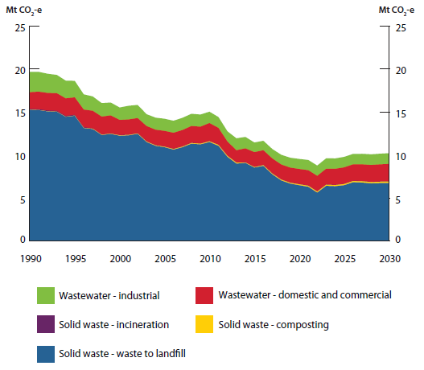
Waste emissions, 1990 to 2030 (Mt CO2-e)

 | 1990 | 1991 | 1992 | 1993 | 1994 | 1995 | 1996 | 1997 | 1998 | 1999 | 2000 | 2001 | 2002 | 2003 | 2004 | 2005 | 2006 | 2007 | 2008 | 2009 | 2010 | 2011 | 2012 | 2013 | 2014 | 2015 | 2016 | 2017 | 2018 | 2019 | 2020 | 2021 | 2022 | 2023 | 2024 | 2025 | 2026 | 2027 | 2028 | 2029 | 2030
Solid waste- waste to landfill | 15.2 | 15.2 | 15.1 | 15.0 | 14.4 | 14.6 | 13.1 | 13.0 | 12.3 | 12.4 | 12.2 | 12.3 | 12.5 | 11.5 | 11.1 | 10.9 | 10.6 | 10.9 | 11.3 | 11.2 | 11.5 | 11.1 | 9.8 | 9.0 | 9.1 | 8.5 | 8.7 | 7.7 | 7.0 | 6.7 | 6.5 | 6.3 | 5.6 | 6.4 | 6.4 | 6.5 | 6.8 | 6.8 | 6.7 | 6.7 | 6.8
Solid waste- composting | 0.01 | 0.01 | 0.02 | 0.02 | 0.02 | 0.03 | 0.03 | 0.04 | 0.04 | 0.04 | 0.05 | 0.05 | 0.05 | 0.06 | 0.06 | 0.06 | 0.07 | 0.07 | 0.08 | 0.08 | 0.09 | 0.11 | 0.11 | 0.11 | 0.06 | 0.06 | 0.08 | 0.09 | 0.10 | 0.10 | 0.11 | 0.12 | 0.12 | 0.13 | 0.13 | 0.14 | 0.14 | 0.15 | 0.15 | 0.16 | 0.16
Solid waste- incineration | 0.09 | 0.09 | 0.09 | 0.09 | 0.09 | 0.09 | 0.07 | 0.03 | 0.03 | 0.03 | 0.03 | 0.03 | 0.03 | 0.03 | 0.03 | 0.03 | 0.03 | 0.03 | 0.03 | 0.03 | 0.03 | 0.03 | 0.03 | 0.03 | 0.03 | 0.03 | 0.03 | 0.03 | 0.03 | 0.03 | 0.03 | 0.03 | 0.03 | 0.03 | 0.03 | 0.03 | 0.03 | 0.03 | 0.03 | 0.03 | 0.03
Wastewater- domestic and commercial | 2.0 | 2.0 | 2.0 | 2.1 | 2.0 | 2.0 | 2.1 | 2.1 | 2.1 | 2.1 | 1.8 | 1.8 | 1.8 | 1.8 | 1.8 | 1.8 | 1.9 | 1.9 | 2.0 | 2.0 | 2.1 | 2.0 | 1.6 | 1.4 | 1.6 | 1.7 | 1.7 | 1.7 | 1.7 | 1.7 | 1.8 | 1.8 | 1.8 | 1.8 | 1.9 | 1.9 | 1.9 | 1.9 | 2.0 | 2.0 | 2.0
Wastewater- industrial | 2.4 | 2.3 | 2.2 | 2.1 | 2.1 | 1.9 | 1.8 | 1.7 | 1.6 | 1.5 | 1.5 | 1.6 | 1.5 | 1.4 | 1.4 | 1.4 | 1.4 | 1.4 | 1.4 | 1.4 | 1.3 | 1.3 | 1.2 | 1.4 | 1.3 | 1.1 | 1.1 | 1.1 | 1.1 | 1.2 | 1.2 | 1.2 | 1.2 | 1.2 | 1.2 | 1.2 | 1.2 | 1.2 | 1.2 | 1.2 | 1.3

Figure 16
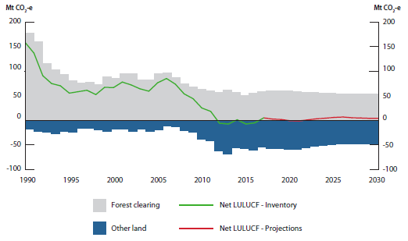
Land use, land-use change and forestry emissions, 1990 to 2030 (Mt CO2-e)

 | 1990 | 1991 | 1992 | 1993 | 1994 | 1995 | 1996 | 1997 | 1998 | 1999 | 2000 | 2001 | 2002 | 2003 | 2004 | 2005 | 2006 | 2007 | 2008 | 2009 | 2010 | 2011 | 2012 | 2013 | 2014 | 2015 | 2016 | 2017 | 2018 | 2019 | 2020 | 2021 | 2022 | 2023 | 2024 | 2025 | 2026 | 2027 | 2028 | 2029 | 2030
Forest clearing | 177.2 | 160.1 | 114.7 | 101.6 | 92.5 | 80.0 | 75.3 | 77.5 | 72.3 | 89.1 | 84.4 | 95.4 | 94.4 | 82.0 | 81.4 | 95.1 | 96.6 | 87.0 | 74.2 | 67.8 | 63.4 | 59.7 | 56.6 | 61.9 | 56.7 | 49.7 | 55.5 | 59.0 | 60.3 | 59.5 | 58.7 | 57.9 | 57.1 | 56.3 | 55.5 | 54.8 | 54.2 | 53.5 | 53.1 | 52.8 | 52.6
Other land | -18.9 | -23.4 | -24.1 | -27.0 | -22.5 | -24.9 | -17.2 | -16.5 | -20.1 | -22.1 | -18.0 | -17.7 | -22.5 | -18.0 | -22.2 | -18.9 | -11.6 | -13.4 | -20.6 | -23.8 | -38.5 | -41.6 | -62.7 | -69.6 | -55.7 | -57.4 | -60.7 | -54.2 | -57.9 | -58.0 | -59.3 | -59.2 | -56.3 | -53.3 | -51.4 | -49.0 | -47.6 | -48.5 | -48.6 | -48.9 | -48.7
Net LULUCF - Inventory | 158.3 | 136.6 | 90.6 | 74.7 | 70.0 | 55.2 | 58.1 | 61.0 | 52.2 | 67.0 | 66.4 | 77.7 | 71.9 | 63.9 | 59.2 | 76.2 | 85.0 | 73.5 | 53.6 | 44.0 | 24.9 | 18.1 | -6.1 | -7.7 | 1.0 | -7.7 | -5.3 | 4.8
Net LULUCF - Projections |  |  |  |  |  |  |  |  |  |  |  |  |  |  |  |  |  |  |  |  |  |  |  |  |  |  |  | 4.8 | 2.4 | 1.5 | -0.6 | -1.3 | 0.8 | 2.9 | 4.2 | 5.8 | 6.6 | 5.1 | 4.5 | 3.8 | 4.0
*Note: Emissions are presented under UNFCCC inventory reporting categories consistent with Australia's 2030 target.

