LoanStats
Field Name | Description | Field size | Data type | Data codes (for numeric data that represent categories)
customer_subtype, | Customer Subtype see | 2 | Category | 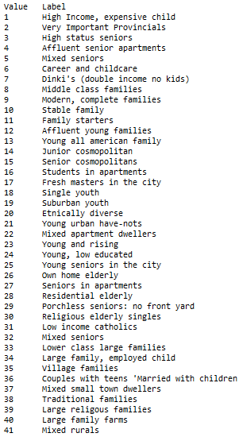
houses | Number of houses | 2 | Category
avg_size_household | Avg size household | 1 | Category
avg_age | Avg age see | 1 | Category
customer_type | Customer main type see | 2 | Category | 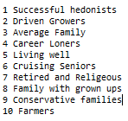
roman_catholic | Roman catholic see | 1 | Category
protestant | Protestant | 1 | Category | see roman_catholic
other_religion | Other religion | 1 | Category | see roman_catholic
no_religion | No religion | 1 | Category | see roman_catholic
married | Married | 1 | Category
living_together | Living together | 1 | Category
other_relation | Other relation | 1 | Category
singles | Singles | 1 | Category
no_children | Household without children | 1 | Category
with_children | Household with children | 1 | Category
high_education | High level education | 1 | Category
medium_education | Medium level education | 1 | Category
lower_education | Lower level education | 1 | Category
high_status | High status | 1 | Category
entrepreneur | Entrepreneur | 1 | Category
farmer | Farmer | 1 | Category
middle_management | Middle management | 1 | Category
skilled_labourers | Skilled labourers | 1 | Category
unskilled_labourers | Unskilled labourers | 1 | Category
socialclass_A | Social class A | 1 | Category
socialclass_B1 | Social class B1 | 1 | Category
socialclass_B2 | Social class B2 | 1 | Category
socialclass_C | Social class C | 1 | Category
socialclass_D | Social class D | 1 | Category
rented_house | Rented house | 1 | Category
home_owners | Home owners | 1 | Category
1car | 1 car | 1 | Category
2cars | 2 cars | 1 | Category
no_car | No car | 1 | Category
national_health_service | National Health Service | 1 | Category
private_health_service | Private health insurance | 1 | Category
income_30 | Income < 30.000 | 1 | Category
income_30_45 | Income 30-45.000 | 1 | Category
income_45_75 | Income 45-75.000 | 1 | Category
income_75_122 | Income 75-122.000 | 1 | Category
income_123 | Income >123.000 | 1 | Category
average_income | Average income | 1 | Category
purchasing_power_class | Purchasing power class | 1 | Category
contrib_private | Contribution private third party | 1 | Category | 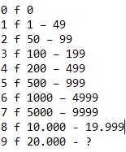
contrib_firms | Contribution third party insurance (firms) | 1 | Category
contrib_agriculture | Contribution third party insurane (agriculture) | 1 | Category
contrib_car_policies | Contribution car policies | 1 | Category
contrib_van_policies | Contribution delivery van policies | 1 | Category
contrib_scooter_policies | Contribution motorcycle/scooter policies | 1 | Category
contrib_lorry_policies | Contribution lorry policies | 1 | Category
contrib_trailer_policies | Contribution trailer policies | 1 | Category
contrib_tractor_policies | Contribution tractor policies | 1 | Category
contrib_agricultural_policies | Contribution agricultural machines policies | 1 | Category
contrib_moped_policies | Contribution moped policies | 1 | Category
contrib_life_insur | Contribution life insurances | 1 | Category
contrib_privateaccident | Contribution private accident insurance policies | 1 | Category
contrib_familyaccidents | Contribution family accidents insurance policies | 1 | Category
contrib_disability | Contribution disability insurance policies | 1 | Category
contrib_fire | Contribution fire policies | 1 | Category
contrib_surfboard | Contribution surfboard policies | 1 | Category
contrib_boat | Contribution boat policies | 1 | Category
contrib_bicycle | Contribution bicycle policies | 1 | Category
contrib_property | Contribution property insurance policies | 1 | Category
contrib_socialsecurity | Contribution social security insurance policies | 1 | Category
number_private_insurance | Number of private third party insurance | 2 | Category
number_insurance_firms | Number of third party insurance (firms) | 1 | Integer
number_insurance_agriculture | Number of third party insurane (agriculture) | 1 | Integer
num_car_policies | Number of car policies | 1 | Integer
num_van_policies | Number of delivery van policies | 1 | Integer
num_scooter_policies | Number of motorcycle/scooter policies | 1 | Integer
num_lorry_policies | Number of lorry policies | 1 | Integer
num_trailer_policies | Number of trailer policies | 1 | Integer
num_tractor_policies | Number of tractor policies | 1 | Integer
num_agricultural_policies | Number of agricultural machines policies | 1 | Integer
num_moped_policies | Number of moped policies | 1 | Integer
num_life_insurances | Number of life insurances | 1 | Integer
num_private_insurance_policies | Number of private accident insurance policies | 1 | Integer
num_family_insurance_policies | Number of family accidents insurance policies | 1 | Integer
num_disability_policies | Number of disability insurance policies | 1 | Integer
num_fire_policies | Number of fire policies | 1 | Integer
num_surfboard_policies | Number of surfboard policies | 1 | Integer
num_boat_policies | Number of boat policies | 1 | Integer
num_bicycle_policies | Number of bicycle policies | 1 | Integer
num_property_policies | Number of property insurance policies | 1 | Integer
num_social_insurance_policies | Number of social security insurance policies | 1 | Integer
num_mobilehomepolicies | Number of mobile home policies | 1 | Category

