Лист1
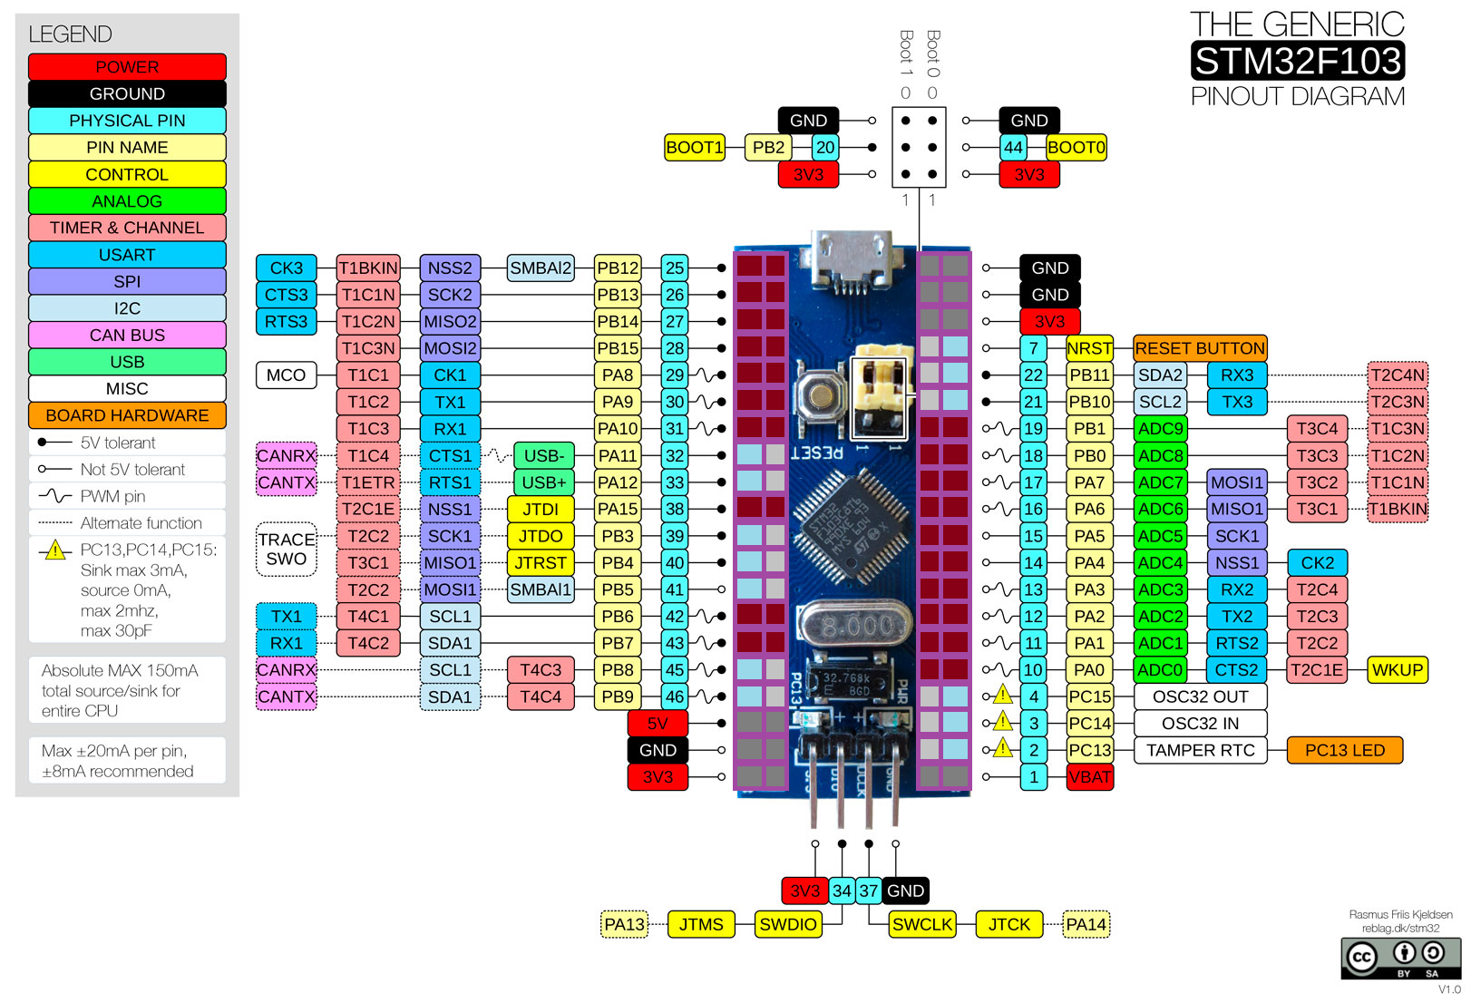

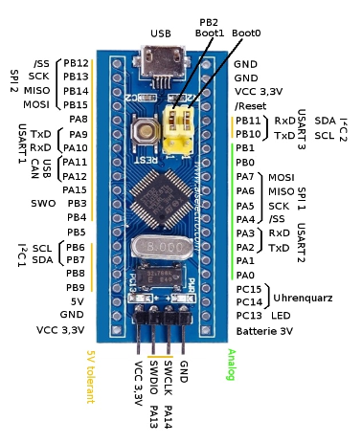
Brakes | B15 | ADC
Oil | B1 | ADC
Fuel | B0 | ADC
Illum | A6 | ADC
Key1 UP | B12 | D
Key2 OK | B13 | D
Key3 DW | B14 | D
BT TX | A2 | USART2 | T2C3
BT RX | A3 | USART2 | T2C4
I2C SCL | B6 | I2C1 | T4C1
I2C SDA | B7 | I2C1 | T4C2
AVR Interr | A8 | D | PWM | T1C1
ALDL TX | A9 | USART1 | T1C2
ALDL RX | A10 | USART1 | T1C3
ALDL CLR | B8 | PWM
ALDL EN1 | A15 | D
ALDL EN2 | B4 | D
LCD Led | B9 | PWM
LCD SCK | A5 | SPI1 | N/A
LCD SDA | A7 | SPI1 | T3C2 | T3C1
LCD CS | A4 | SPI1 | N/A
LCD A0 | A0 | D | PWM | T2C1R | B5
LCD RST | A1 | D | PWM | T2C2 | B4

