PineTab
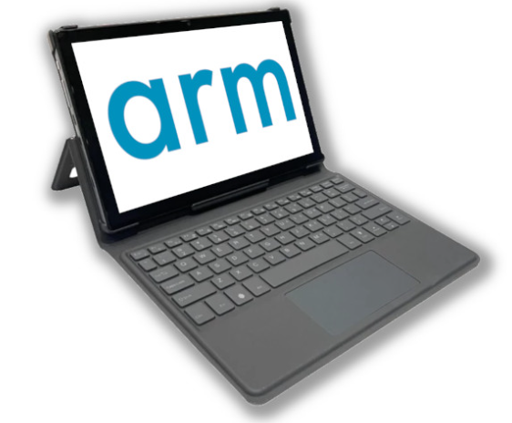
PineTab2
Section Criteria/Category | Weight | Score | Weighted Score | Notes
Cost | 4 | 5 | 20 | ~$225
OS Compatibility | 5 | 5 | 25 | Native Linux
Interactivity | 4 | 4 | 16 | 10.1" touchscreen
Battery Life | 3 | 4 | 12 | Should last for demo
Durability | 2 | 3 | 6 | Standard build
Attatchments Needed | 3 | 3 | 9 | May need attatchments
Size/Weight | 2 | 4 | 8 | Portable
Visual Engagement | 3 | 4 | 12 | Has detachable keyboard
Compatibility with Project | 5 | 4 | 20 | Supports Custom Software
 |  | Total | 128

Lenovo Tab
Lenovo Tab M10 Plus 3rd Gen
Section Criteria/Category | Weight | Score | Weighted Score | Notes
Cost | 4 | 5 | 20 | ~$430
OS Compatibility | 5 | 5 | 25 | Compatible with Linux/Android; built for IoT
Interactivity | 4 | 4 | 16 | 10.1" touchscreen
Battery Life | 3 | 4 | 12 | 5 hour battery life
Durability | 2 | 3 | 6 | Standard buid
Ports | 3 | 3 | 9 | All in one; many ports
Size/Weight | 2 | 5 | 10 | Portable
Visual Engagement | 3 | 5 | 15 | Has speakers
Compatibility with Project | 5 | 5 | 25 | Should Work
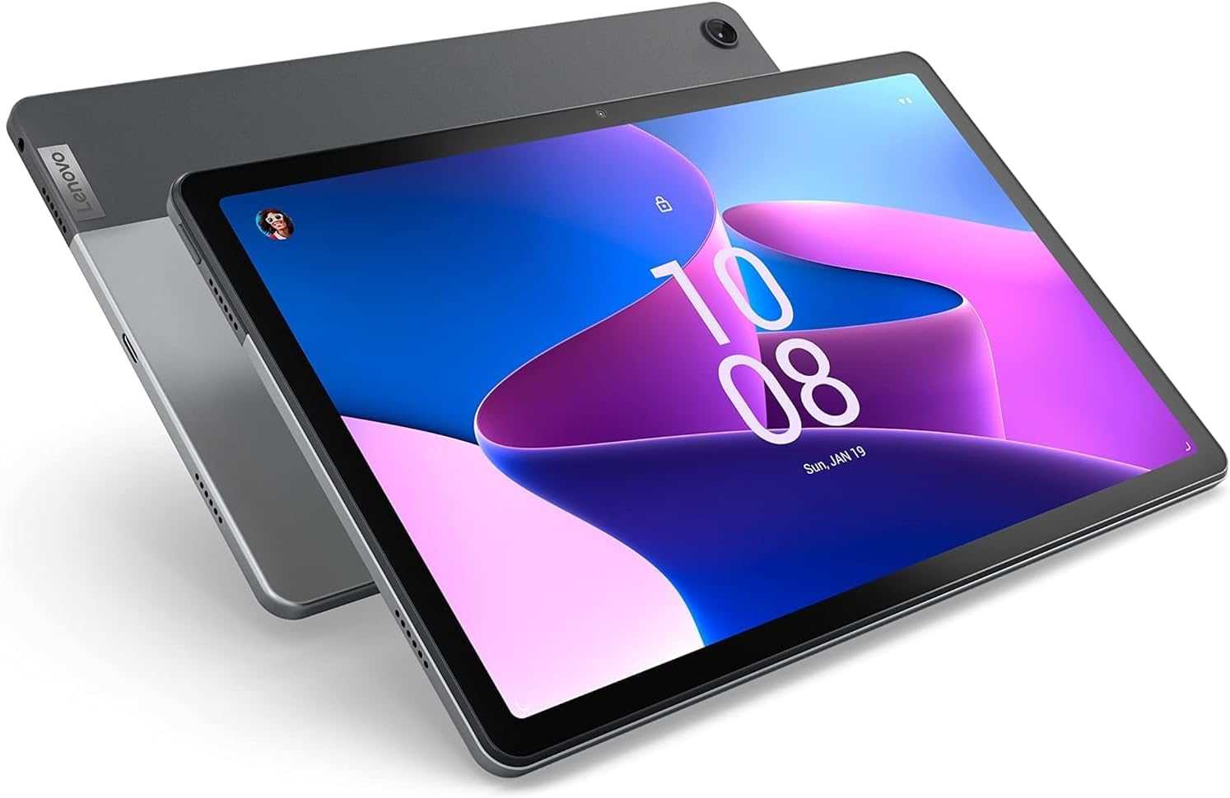
 |  | Total | 138

Panasonic
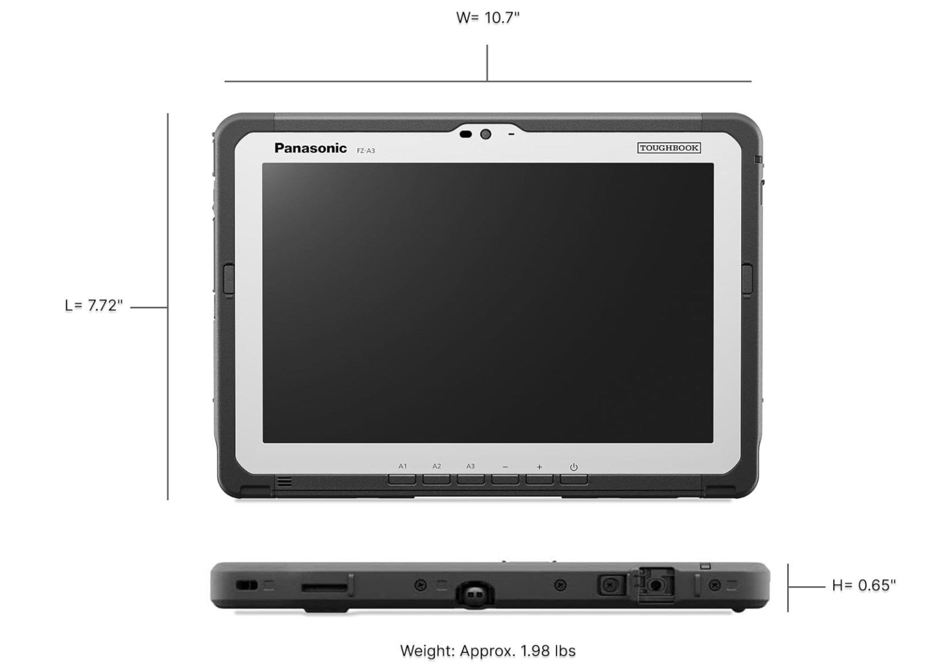
Panasonic Toughbook
Section Criteria/Category | Weight | Score | Weighted Score | Notes
Cost | 4 | 2 | 8 | ~$430
OS Compatibility | 5 | 4 | 20 | Native Android 11
Interactivity | 4 | 4 | 16 | 10.1" touchscreen
Battery Life | 3 | 5 | 15 | ~9 hour battery life
Durability | 2 | 5 | 10 | Fully rugged
Attatchments Needed | 3 | 4 | 12 | May need attachments
Size/Weight | 2 | 4 | 8 | Portable
Visual Engagement | 3 | 4 | 12 | Rugged
Compatibility with Project | 5 | 4 | 20 | Should work
 |  | Total | 121

 |  |  |  | {

